Assignment 1
Assignment 1 | Select only the most recent order(s) in our orders table.

Query | SELECT * FROM orders AS o
 | WHERE o.OrderDate = (SELECT MAX(o.OrderDate) FROM orders AS o)
 | ORDER BY OrderID DESC

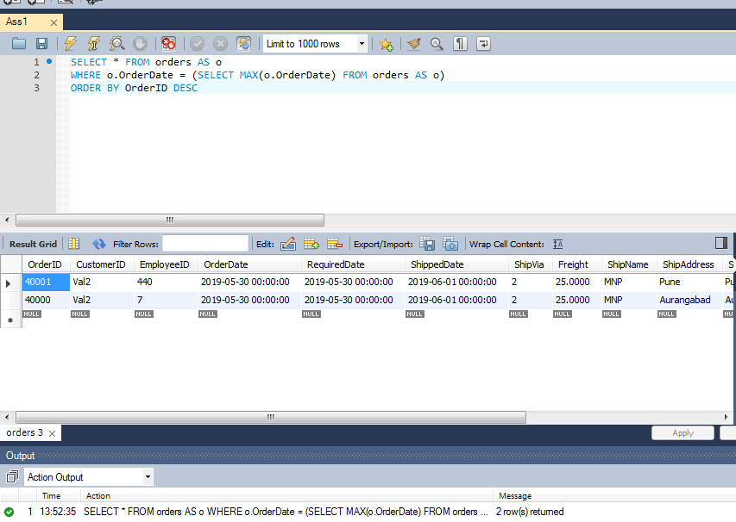
Output

Assignment 2
Assignment 2 | Display list of customers, together with the value of the most expensive item each has purchased.
 | Use table : Customers, Orders, Order Details
 | Order value = Order Detail.Unitprice * Order Detail.Quantity - Discount (If Applicable)

Query | SELECT c.ContactName,c.CompanyName,MAX(od.UnitPrice*od.Quantity-od.Discount) AS 'MAX'
 | FROM orderdetails AS od JOIN orders AS o ON od.OrderID = o.OrderID
 | JOIN customers AS c ON c.CustomerID = o.CustomerID
 | GROUP BY c.ContactName
 | ORDER BY MAX DESC

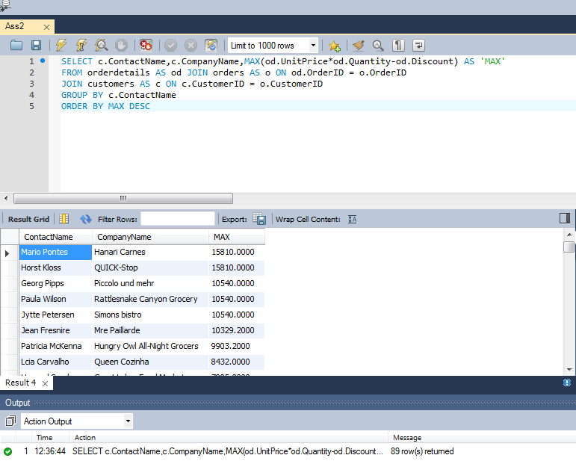
Output

Assignment 3
Assignment 3 | Create new table called Employee_Temp.
 | Create two columns firstname and last name
 | Insert all firstname, lastname from employees table to Employee_Temp table

Query 1 | CREATE TABLE Temp_Employee(FirstName VARCHAR(10),LastName VARCHAR(15))

 | SELECT * FROM Temp_Employee

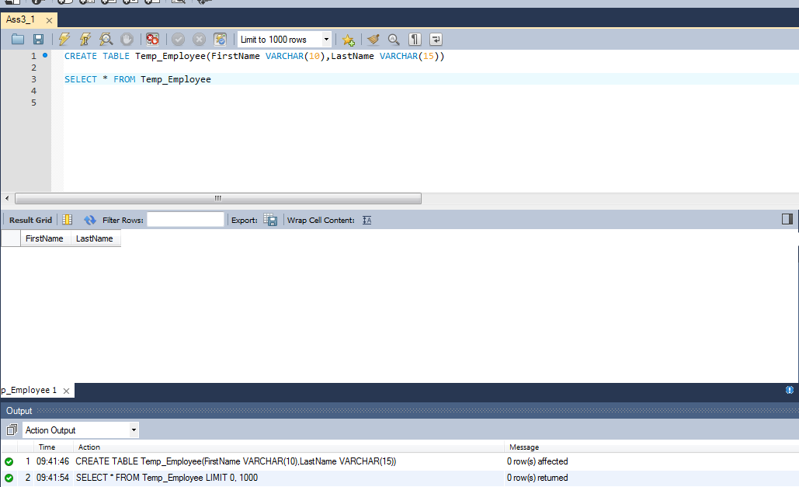
Output 1

Query 2 | INSERT INTO Temp_Employee(FirstName,LastName) SELECT e.firstname,e.lastname FROM employees AS e;

 | SELECT * FROM Temp_Employee;

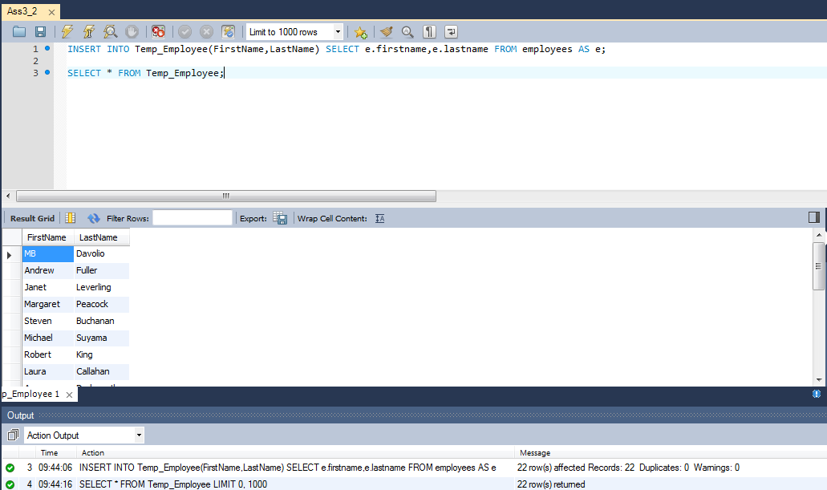
Output 1

