Assignment 1
Assignment 1 | Display all the product name in uppercase.

Query | SELECT p.ProductName,UCASE(p.ProductName) AS 'NewProductName' FROM products AS p
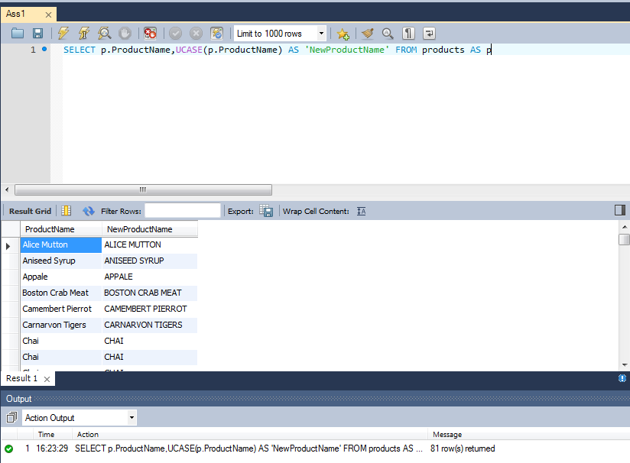
Output

Assignment 2
Assignment 2 | Display last 3 characters from product name

Query | SELECT p.ProductName,SUBSTR(p.ProductName,-3) AS 'NewProductName' FROM products AS p

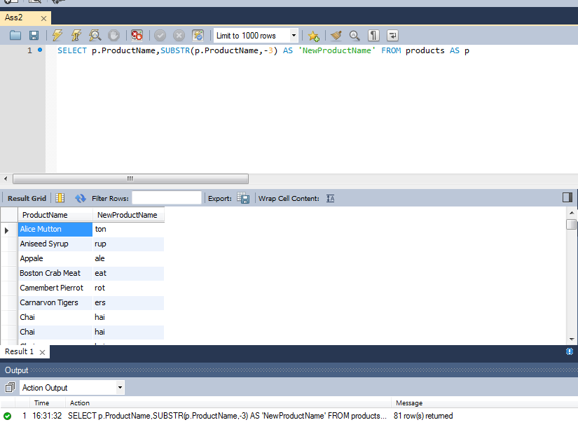
Output

Assignment 3
Assignment 3 | Display all the customers postal code. Postal code should be minimum 9 character. In case there are less then 9 character in database add "0" at beginning.

Query | SELECT c.PostalCode,LPAD(c.PostalCode,'9','0') AS 'NewPostalCode' FROM customers AS c

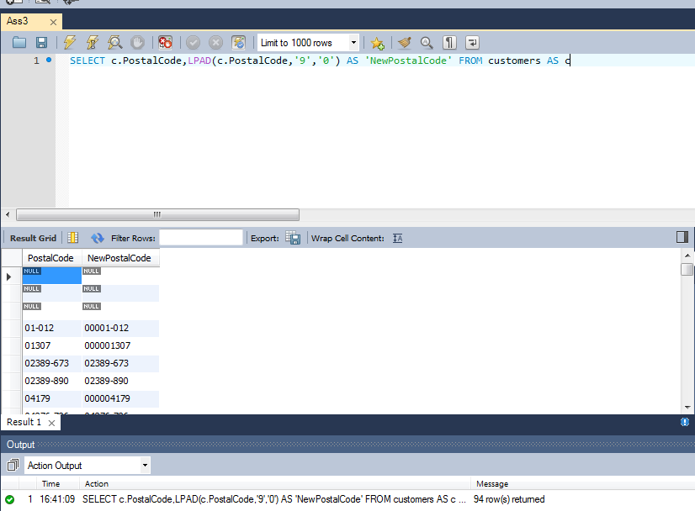
Output

Assignment 4
Assignment 4 | Display unitprice from products. Remove decimal from the unit price.

Query | SELECT o.UnitPrice,ROUND(o.UnitPrice) AS 'NewUnitPrice' FROM orderdetails AS o

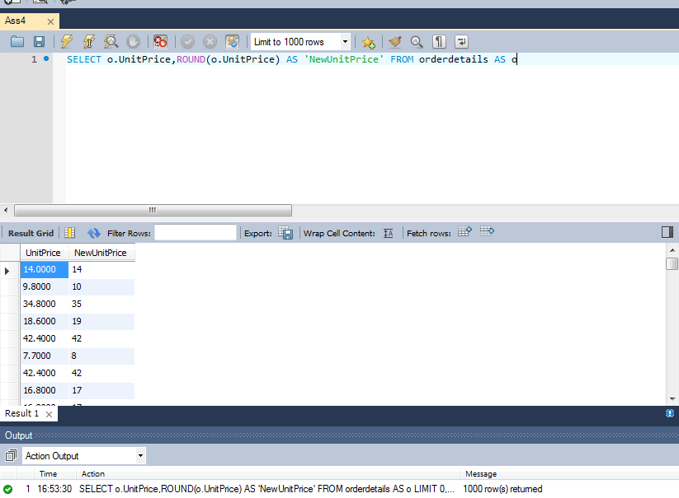
Output

Assignment 5
Assignment 5 | Get final order price per order. Price should be floored from the output.

Query | SELECT o.OrderID,o.UnitPrice,FLOOR(o.UnitPrice) AS 'Final Unit Price' FROM orderdetails AS o

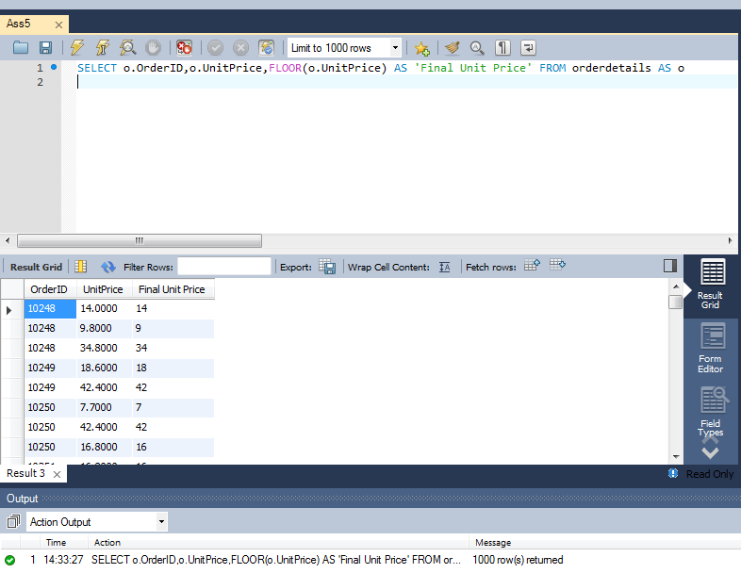
Output

Assignment 6
Assignment 6 | Get final order price per order. Price should be ceiled from the output.

Query | SELECT o.OrderID,o.UnitPrice,CEILING(o.UnitPrice) AS 'FinalUnitPrice' FROM orderdetails AS o

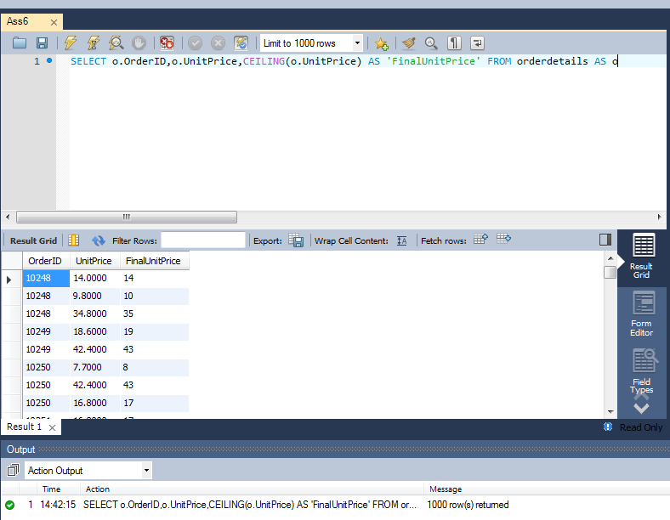
Output

Assignment 7
Assignment 7 | Display order date in yyyy/MM/dd format.

Query | SELECT OrderDate,DATE_FORMAT(OrderDate,'%Y/%m/%d') AS 'NewOrderDate'
 | FROM orders
 | AS o ORDER BY OrderDate DESC

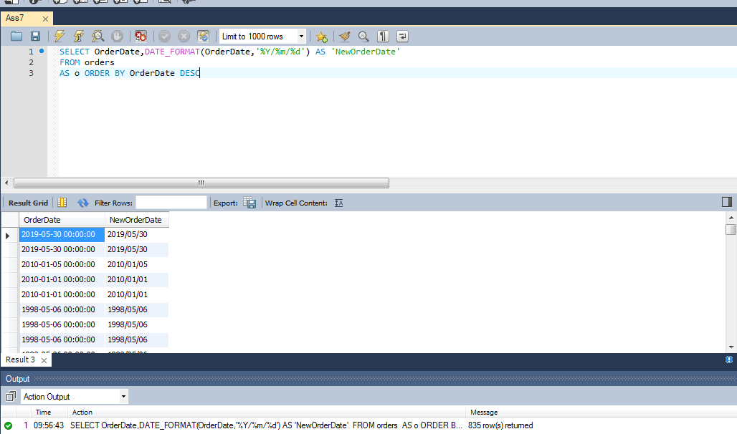
Output

Assignment 8
Assignment 8 | Display 5 latest orders from order.

Query | SELECT * FROM orders AS o ORDER BY o.OrderDate DESC LIMIT 0,5

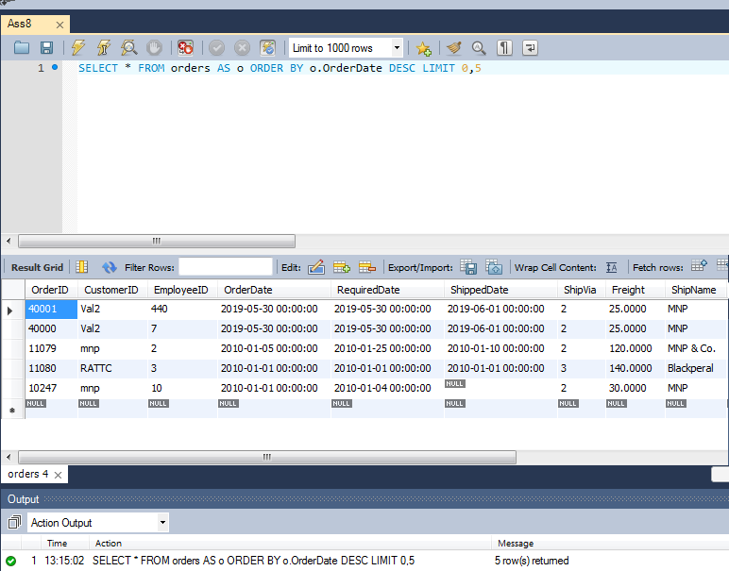
Output

