Assignment 1
Assignment 1 | Display unique customer's as well as Employees FullName,Address,City,Region,PostalCode,Country,Phone
 | whose name starts with character 'A'.

Query | SELECT DISTINCT c.ContactName AS 'FUll Name',c.Address,c.City,c.Region,c.PostalCode,c.Country,c.Phone
 | FROM customers AS c
 | WHERE c.ContactName LIKE 'A%'
 | UNION ALL
 | SELECT DISTINCT CONCAT(e.firstname,' ',e.lastname) AS 'Full NAME',e.Address,e.City,e.Region,e.PostalCode,e.Country,HomePhone
 | FROM employees AS e
 | WHERE e.firstname LIKE 'A%'

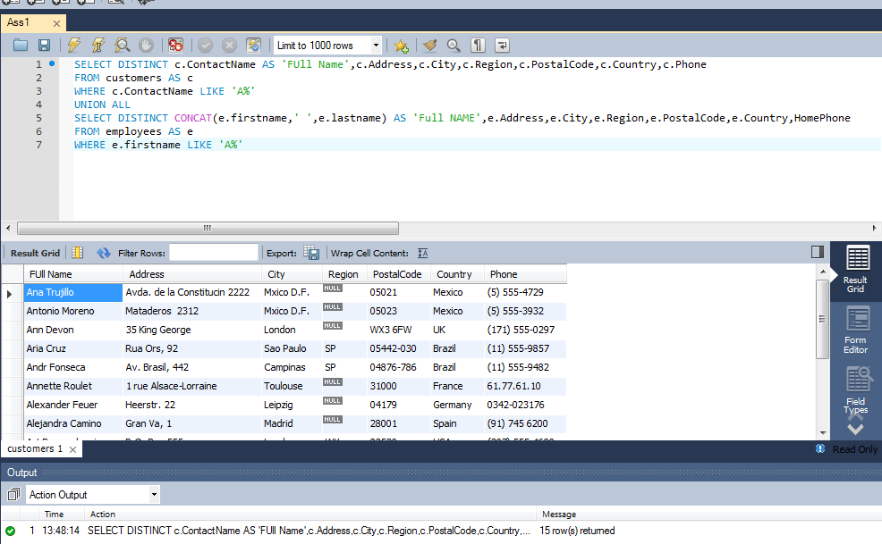
Output

Assignment 2
Assignment 2 | Display customer's as well as Employees FullName,Address,City,Region,PostalCode,Country,Phone who are
 | living in india

Query | SELECT c.ContactName AS 'Full Name',c.Address,c.City,c.Region,c.PostalCode,c.Country,c.Phone
 | FROM customers AS c
 | WHERE c.Country = 'India'
 | UNION ALL
 | SELECT CONCAT(e.firstname,' ',e.lastname) AS 'Full Name',e.Address,e.City,e.Region,e.PostalCode,e.Country,e.HomePhone
 | FROM employees AS e
 | WHERE Country = 'India'

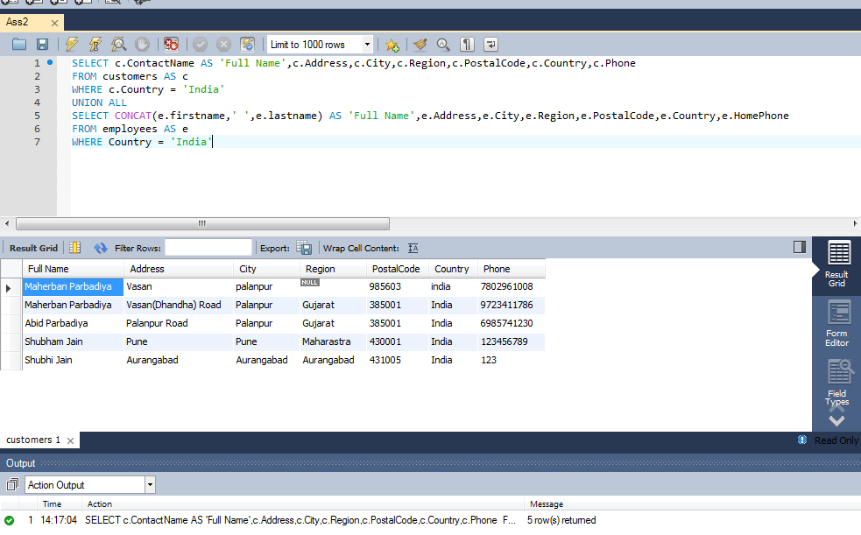
Output

