Assignment 1
Assignment 1 | Insert two suppliers in suppliers table

Query | SELECT * FROM suppliers;

 | INSERT INTO suppliers VALUES
 | (null,'Go Cheese','Krishna Murthy','Sales Representative','Mumbai','MH','null','416895','India','(101)993-2800','NULL','Null');

 | INSERT INTO suppliers VALUES
 | (null,'Maggi','XYZ','Sales Manager','Pune','MH','null','410038','India','(0)7-993-504','NULL','Null');

 | SELECT * FROM suppliers;

Output | Before inserting new data

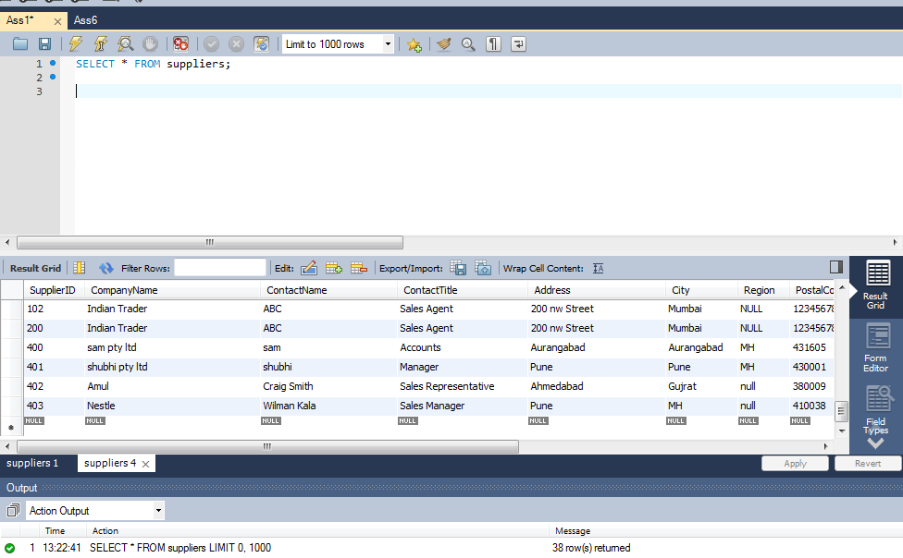

 | After inserting new data

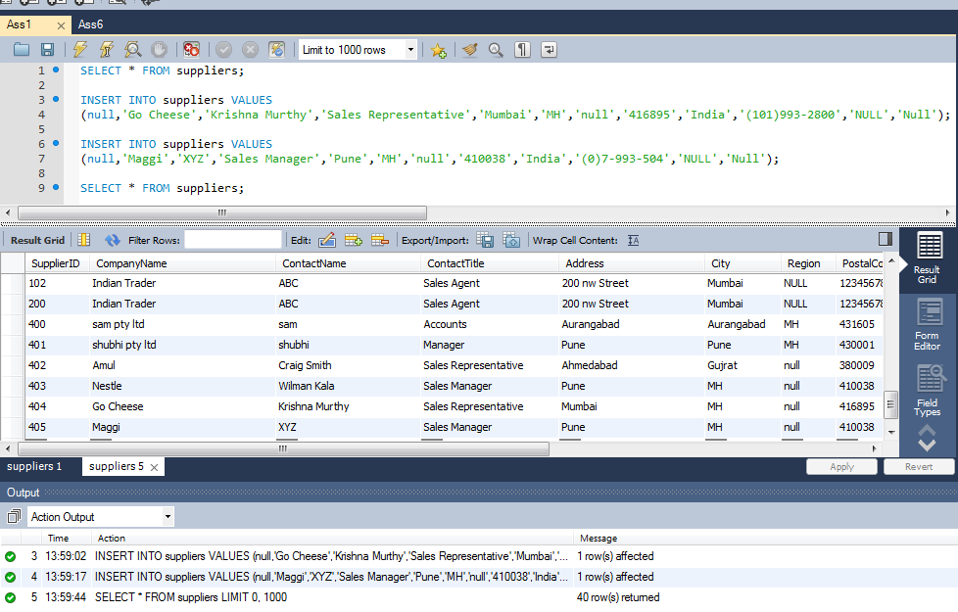
Output 2

Assignment 2
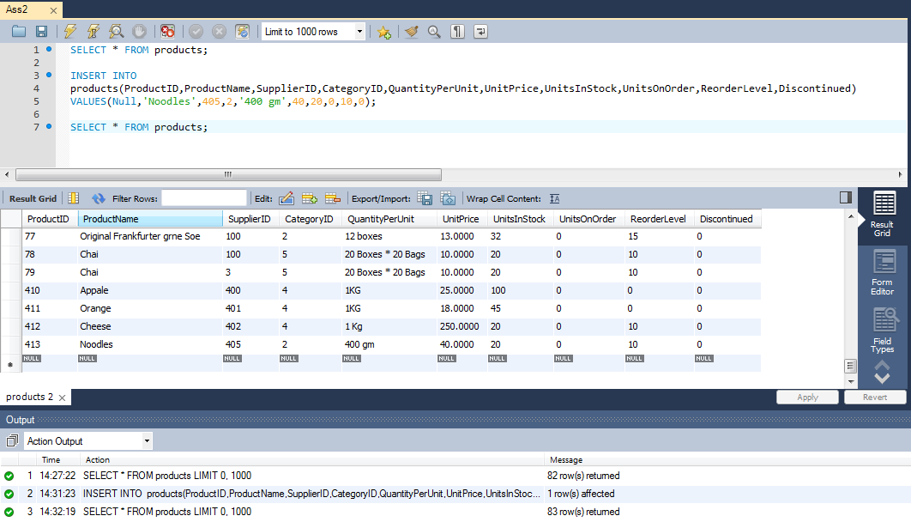
Assignment 2 | Insert product in products table for specific suppliers

Query | SELECT * FROM products;

 | INSERT INTO
 | products(ProductID,ProductName,SupplierID,CategoryID,QuantityPerUnit,UnitPrice,UnitsInStock,UnitsOnOrder,ReorderLevel,Discontinued)
 | VALUES(Null,'Noodles',405,2,'400 gm',40,20,0,10,0);

 | SELECT * FROM products;

Output | Before inserting new data

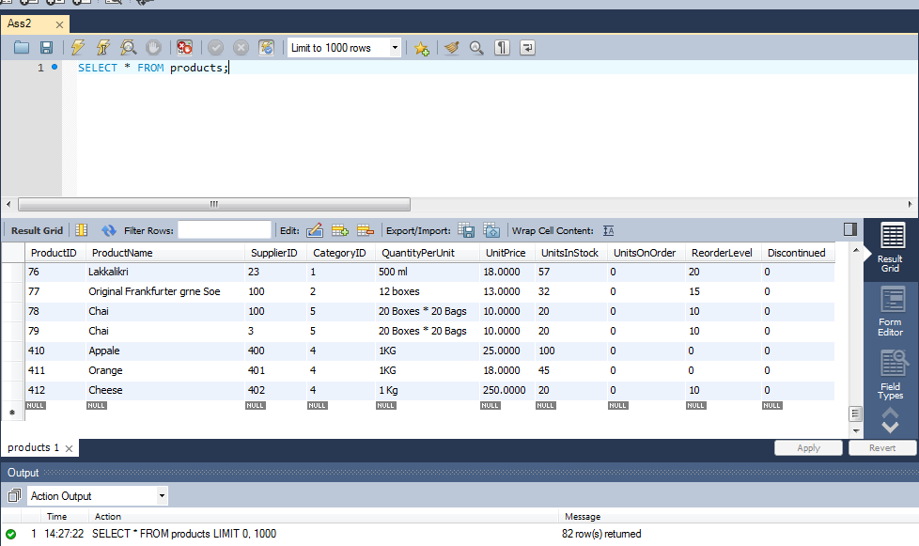

Output 2 | After inserting new data

Assignment 3
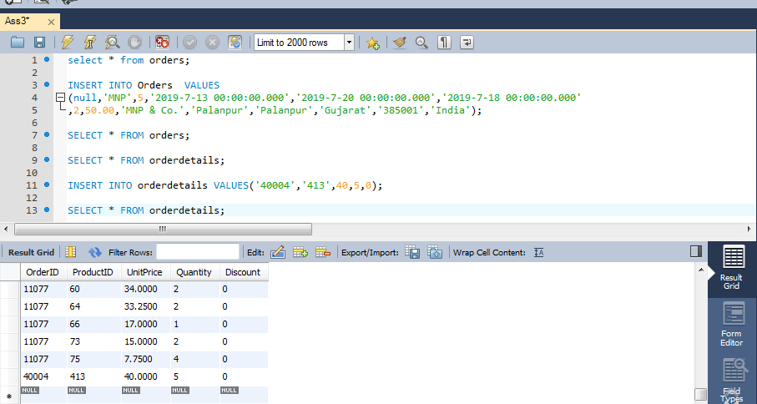
Assignment 3 | Place orders for one supplier's products.

Query | select * from orders;

 | INSERT INTO Orders VALUES
 | (null,'MNP',5,'2019-7-13 00:00:00.000','2019-7-20 00:00:00.000','2019-7-18 00:00:00.000'
 | ,2,50.00,'MNP & Co.','Palanpur','Palanpur','Gujarat','385001','India');

 | SELECT * FROM orders;

 | SELECT * FROM orderdetails;

 | INSERT INTO orderdetails VALUES('40004','413',40,5,0);

 | SELECT * FROM orderdetails;

Output | Before inserting new data in order table
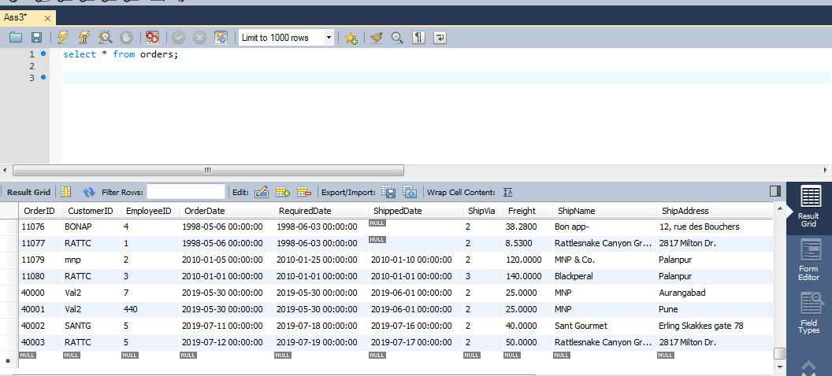

Output 2 | After inserting data in order table

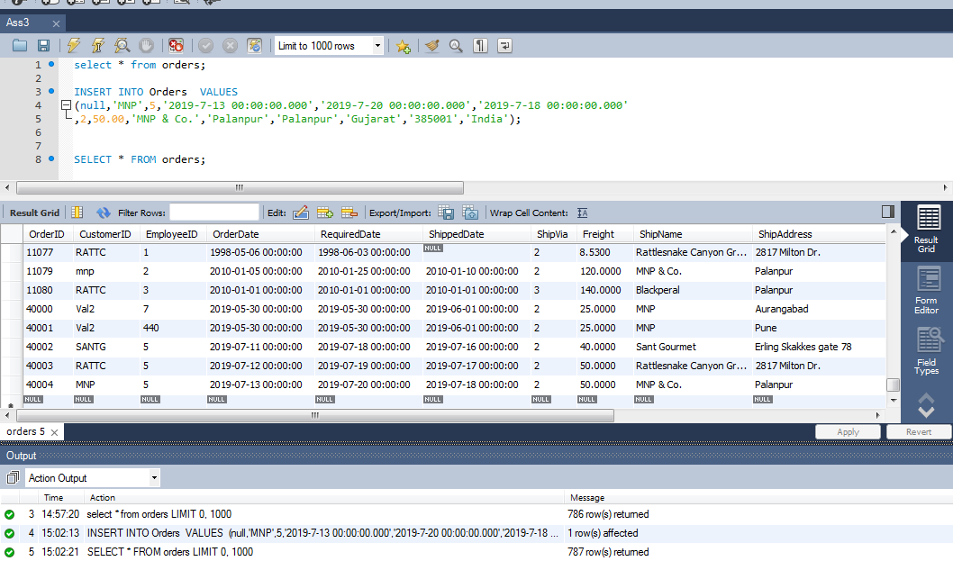

Output 3 | Before inserting new data in orderdetails table
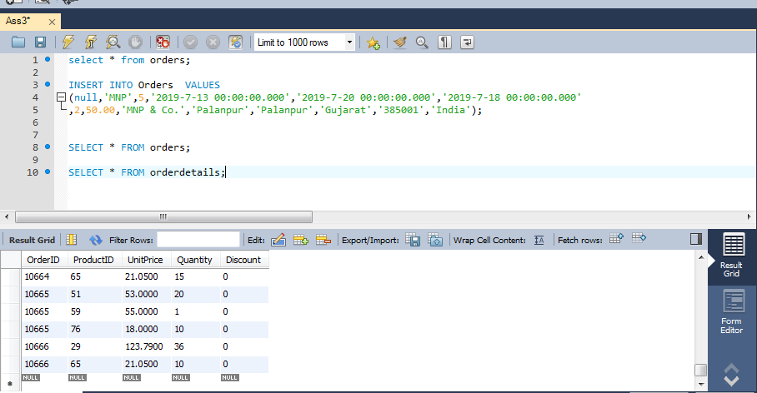

Output 4 | After inserting new data in orderdetails table

Assignment 4
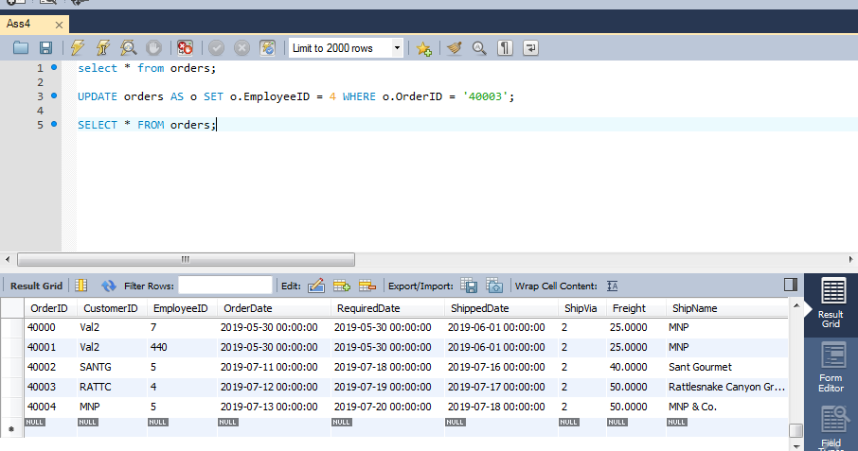
Assignment 4 | Update employeeID of orders table for spcific supplier's one product

Query | select * from orders;

 | UPDATE orders AS o SET o.EmployeeID = 4 WHERE o.OrderID = '40003';

 | SELECT * FROM orders;

Output | Before updating order table

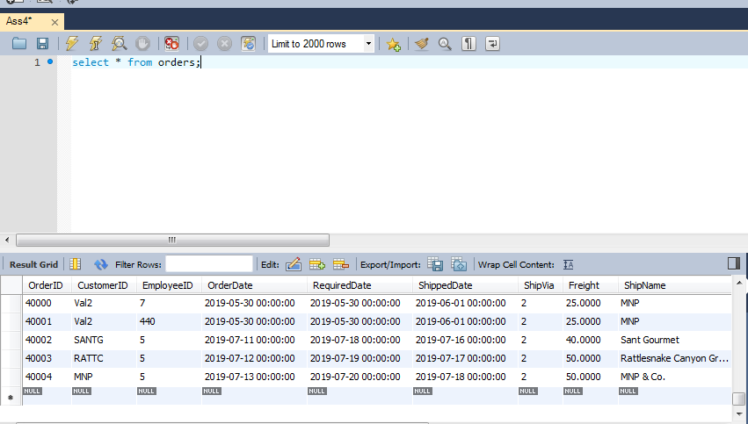

Output 2 | After updating order table

Assignment 5
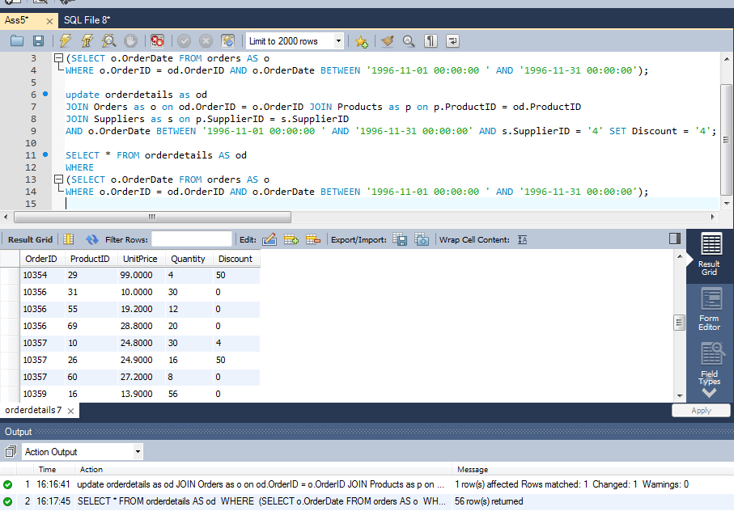
Assignment 6 | Update discount in order for spcific supplier's one product who placed order in january, 2010

Query | SELECT * FROM orderdetails AS od
 | WHERE
 | (SELECT o.OrderDate FROM orders AS o
 | WHERE o.OrderID = od.OrderID AND o.OrderDate BETWEEN '1996-11-01 00:00:00 ' AND '1996-11-31 00:00:00');

 | update orderdetails as od
 | JOIN Orders as o on od.OrderID = o.OrderID JOIN Products as p on p.ProductID = od.ProductID
 | JOIN Suppliers as s on p.SupplierID = s.SupplierID
 | AND o.OrderDate BETWEEN '1996-11-01 00:00:00 ' AND '1996-11-31 00:00:00' AND s.SupplierID = '4' SET Discount = '4';

 | SELECT * FROM orderdetails AS od
 | WHERE
 | (SELECT o.OrderDate FROM orders AS o
 | WHERE o.OrderID = od.OrderID AND o.OrderDate BETWEEN '1996-11-01 00:00:00 ' AND '1996-11-31 00:00:00');

Output | Before updating discount of one supplier BETWEEN '1996-11-01 00:00:00 ' AND '1996-11-31 00:00:00'

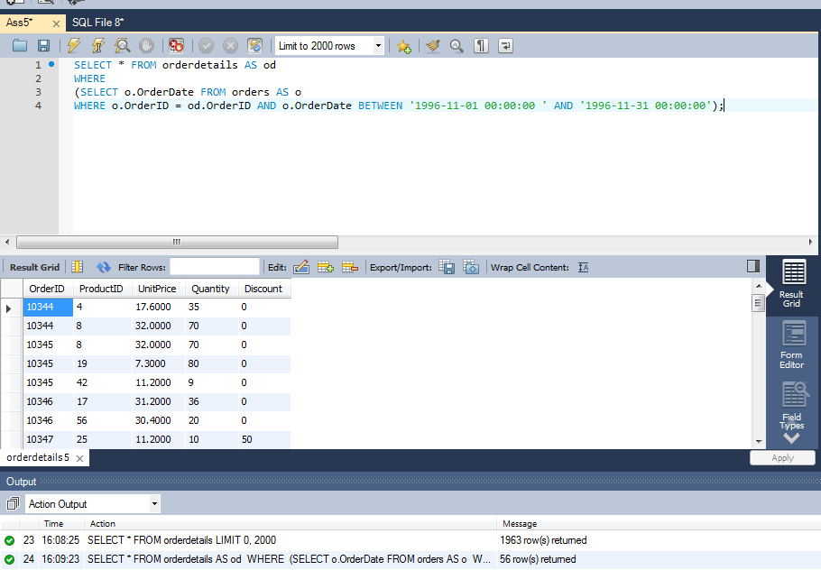

 | After Updating the discount of one supplier

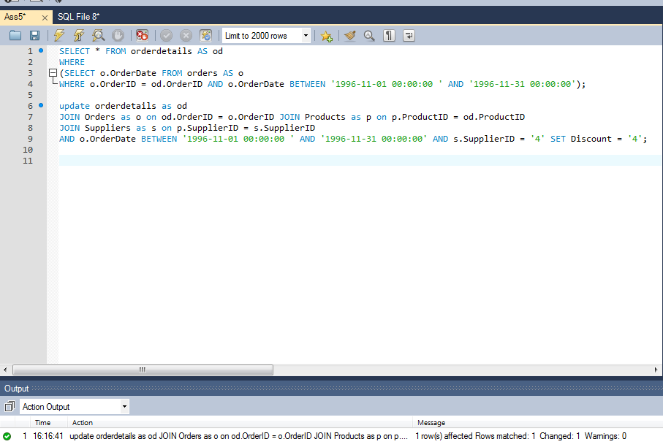

 | After Updation

Assignment 6
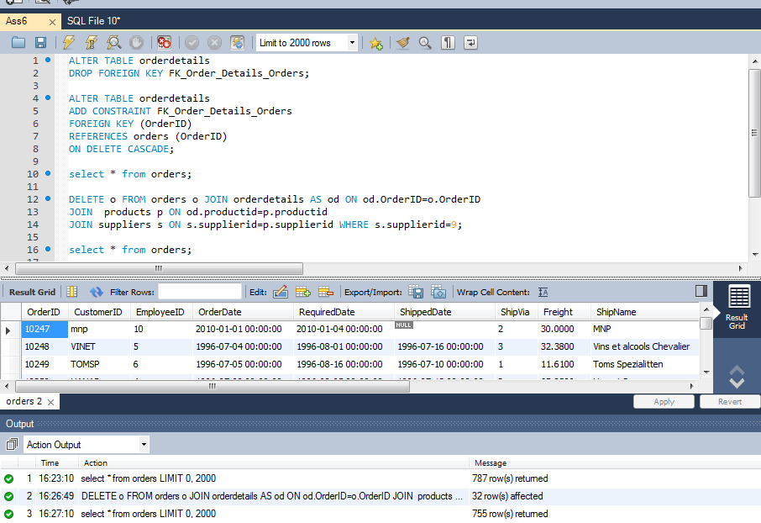
Assignment 6 | Remove order and its details for spcific supplier's one product.

Query | ALTER TABLE orderdetails
 | DROP FOREIGN KEY FK_Order_Details_Orders;

 | ALTER TABLE orderdetails
 | ADD CONSTRAINT FK_Order_Details_Orders
 | FOREIGN KEY (OrderID)
 | REFERENCES orders (OrderID)
 | ON DELETE CASCADE;

 | select * from orders;

 | DELETE o FROM orders o JOIN orderdetails AS od ON od.OrderID=o.OrderID
 | JOIN products p ON od.productid=p.productid
 | JOIN suppliers s ON s.supplierid=p.supplierid WHERE s.supplierid=9;

 | select * from orders;

Output | Before deletion of data of specific supplier

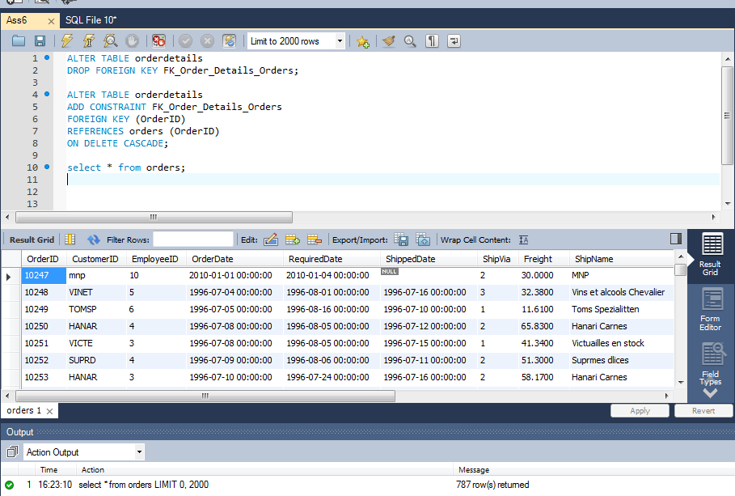

 | After Deleting data of specific supplier

