Assignment 1
Assignment 1 | Create a Stored Procedure GetAllEmployees that "lists all the employees from employee table"

Query 1 | CREATE DEFINER=`jyoti`@`%` PROCEDURE `GetAllEmployees`()
 | BEGIN
 | SELECT
 | *
 | FROM
 | employees;
 | END

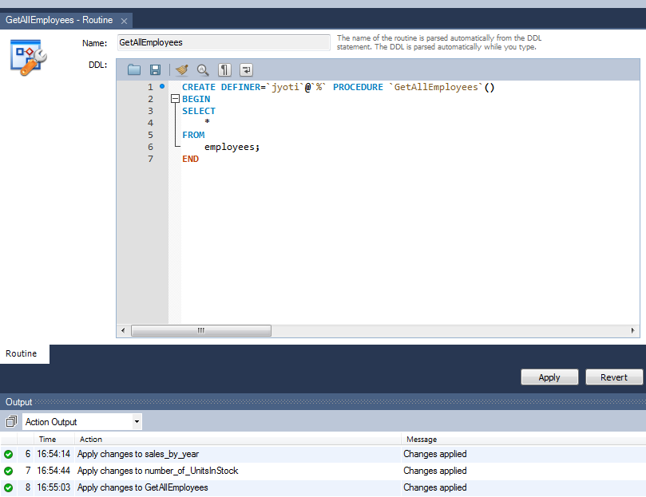
Output 1

Query 2 | call northwind_jyoti.GetAllEmployees();

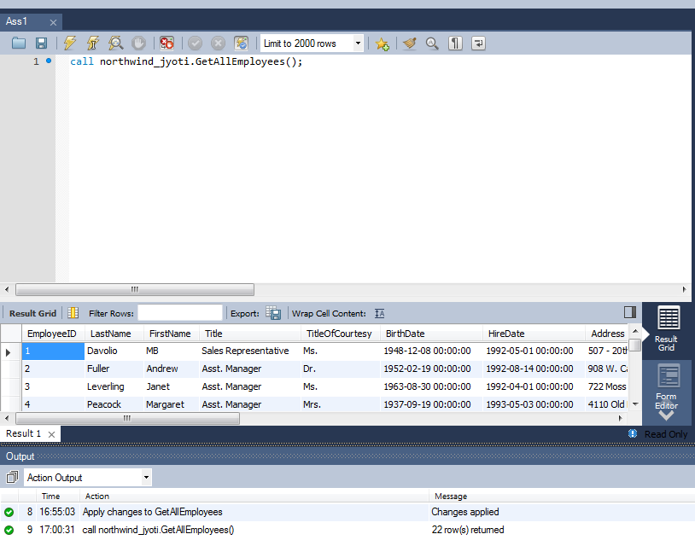
Output 2

Assignment 2
Assignment 2 | Create a Stored procedure sales_by_year that "Displays sales of all the products by shippeddate 1996-12-24 to 1997-09-30"
 | Resultant set should list ShippedDate, OrderID, Subtotal from an imaginary table and Year
 | Hint: Use Subquery to create imaginary table and joins to display the result set.
 | Use : order details tables and orders tables

Query 1 | CREATE DEFINER=`jyoti`@`%` PROCEDURE `sales_by_year`(IN Date1 datetime,IN Date2 datetime)
 | BEGIN
 | SELECT
 | DATE(o.ShippedDate) AS ShippedDate,
 | od.OrderID,
 | SUM(od.UnitPrice * od.Quantity) AS SubTotal,
 | YEAR(o.ShippedDate) AS YEAR
 | FROM
 | orders AS o
 | INNER JOIN
 | orderdetails AS od ON od.OrderID = o.OrderID
 | AND o.ShippedDate BETWEEN Date1 AND Date2
 | GROUP BY od.OrderID
 | ORDER BY o.ShippedDate;
 | END

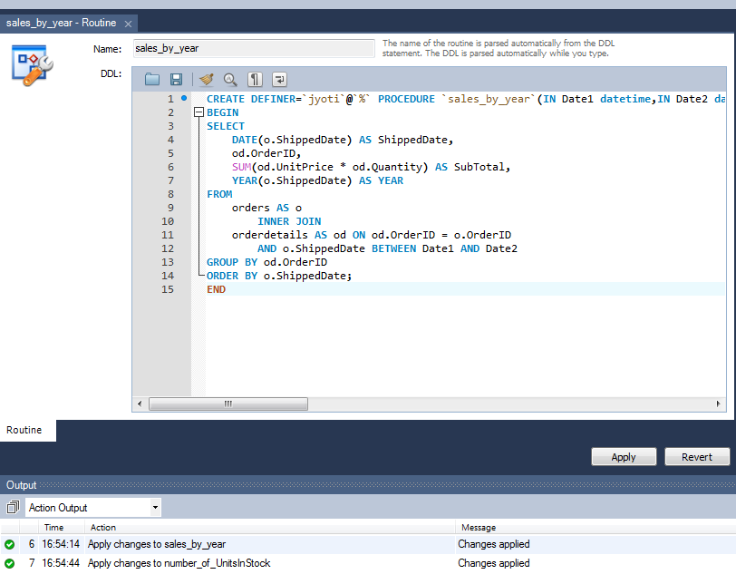
Output 1

Query 2 | call northwind_jyoti.sales_by_year('1996-12-24','1997-09-30');

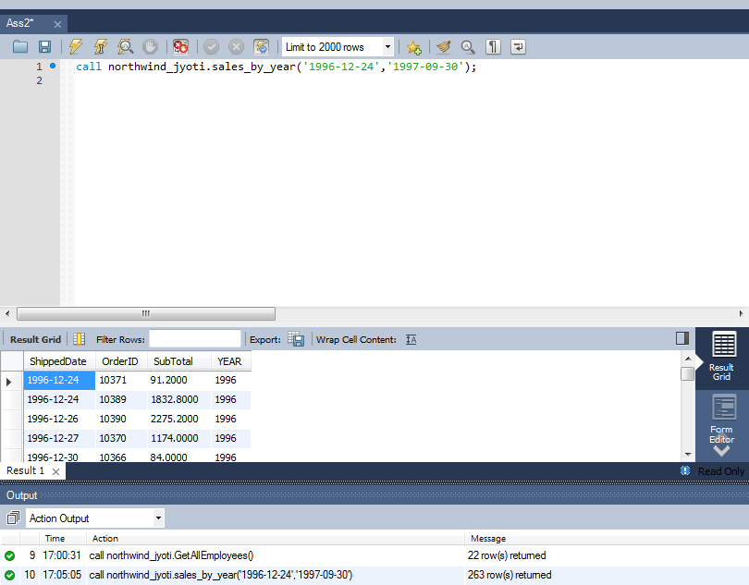
Output 2

Assignment 3
Assignment 3 | Create a Stored procedure number_of_UnitsInStock that "Displays No. of UnitsInStock by Category and Supplier Continent."
 | Use tables Supplier, Category and Products

Query 1 | CREATE DEFINER=`jyoti`@`%` PROCEDURE `number_of_UnitsInStock`()
 | BEGIN
 | SELECT
 | c.CategoryName,
 | s.Country AS Supplier_Continent,
 | SUM(UnitsInStock) AS UnitsInStock
 | FROM
 | suppliers AS s
 | JOIN
 | products AS p
 | JOIN
 | categories AS c ON c.CategoryID = p.CategoryID
 | AND s.SupplierID = p.SupplierID
 | GROUP BY s.Country
 | ORDER BY c.CategoryName ASC;
 | END
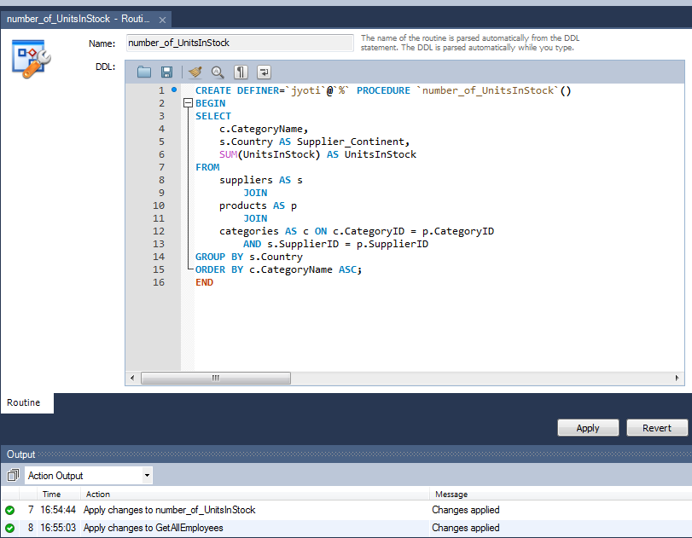
Output 1

Query 2 | call northwind_jyoti.number_of_UnitsInStock;

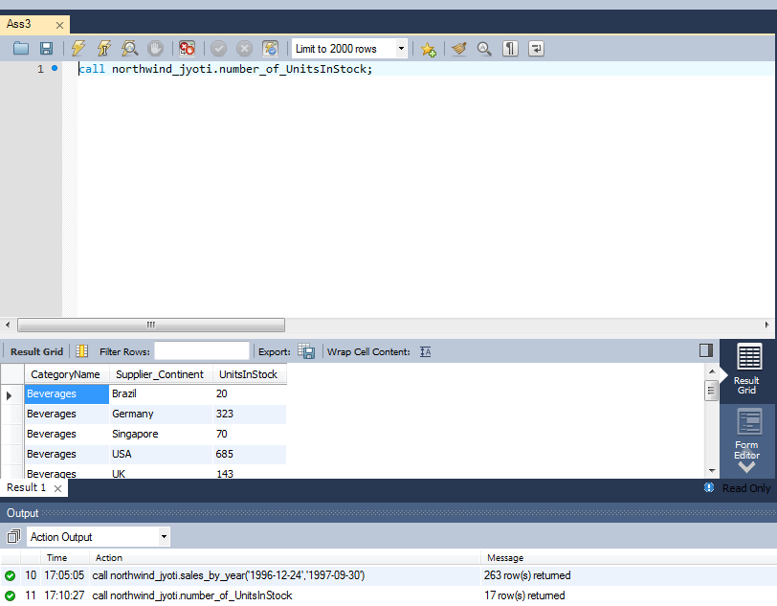
Output 2

