Index
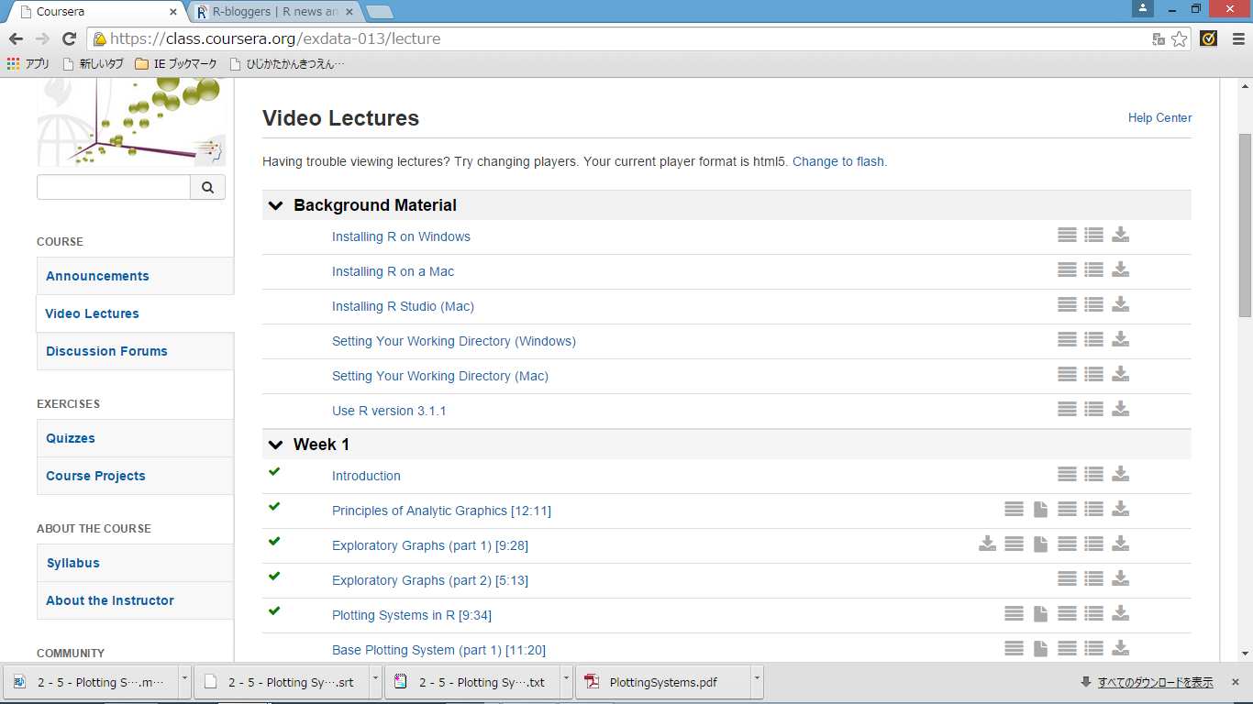
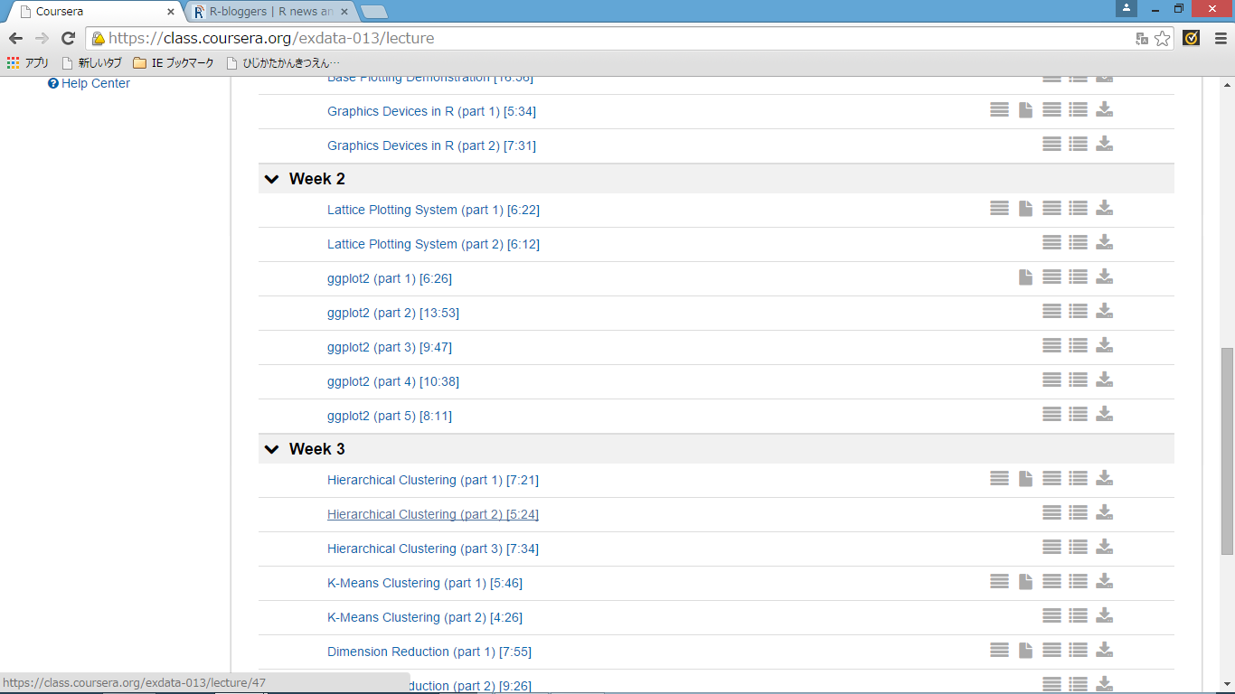
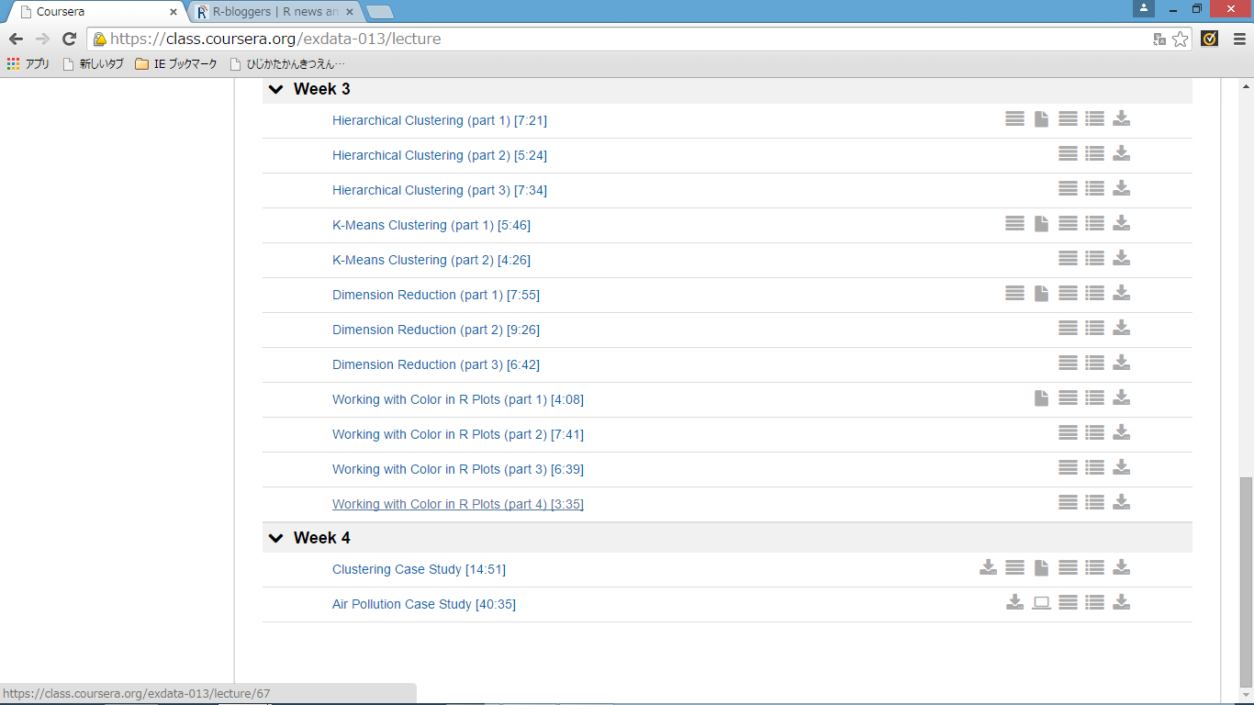
https://class.coursera.org/exdata-013

wk1
2 - 2 - Principles of Analytic Graphics [12-11]

Principles of Analytic Graphics

 | Principle 1: Show comparisons
 |  | Evidence for a hypothesis is always relative to another competing hypothesis.
 |  | Always ask "Compared to What?"

 | Principle 2: Show causality, mechanism, explanation, systematic structure |  |  |  |  |  |  | causality |  | 因果関係
 |  | What is your causal framework for thinking about a question?

 | Principle 3: Show multivariate data |  |  |  |  |  |  | multivariate |  | 多変量の
 |  | Multivariate = more than 2 variables
 |  | The real world is multivariate
 |  | Need to "escape flatland"

 | Principle 4: Integration of evidence
 |  | Completely integrate words, numbers, images, diagrams
 |  | Data graphics should make use of many modes of data presentation
 |  | Don't let the tool drive the analysis

 | Principle 5: Describe and document the evidence with appropriate labels, scales, sources, etc.
 |  | A data graphic should tell a complete story that is credible

 | Principle 6: Content is king

 |  | Analytical presentations ultimately stand or fall depending on the quality, relevance, and
 |  | integrity of their content

 |  |  |  |  |  |  |  | relevance |  | 問題との関連性

Summary
 | Principle 1: Show comparisons
 | Principle 2: Show causality, mechanism, explanation
 | Principle 3: Show multivariate data
 | Principle 4: Integrate multiple modes of evidence
 | Principle 5: Describe and document the evidence
 | Principle 6: Content is king

 | crib |  | to dishonestly copy work from another student or from a book

2 - 3 - Exploratory Graphs (part 1) [9-28]

Why do we use graphs in data analysis?
 | To understand data properties
 | To find patterns in data
 | To suggest modeling strategies
 | To "debug" analyses
 | To communicate results

Exploratory graphs
 | To understand data properties
 | To find patterns in data
 | To suggest modeling strategies
 | To "debug" analyses
 | To communicate results
 | ·

Characteristics of exploratory graphs
 | They are made quickly
 | A large number are made
 | The goal is for personal understanding
 | Axes/legends are generally cleaned up (later)
 | Color/size are primarily used for information

Air Pollution in the United States
 | The U.S. Environmental Protection Agency (EPA) sets national ambient air quality standards for
 | outdoor air pollution

 |  | U.S. National Ambient Air Quality Standards
 |  | http://www.epa.gov/air/criteria.html

 | For fine particle pollution (PM2.5), the "annual mean, averaged over 3 years" cannot exceed |  |  |  |  |  |  |  | 12 μg/m3
 | .
 | Data on daily PM2.5 are available from the U.S. EPA web site

 |  | EPA Air Quality System
 |  | http://www.epa.gov/ttn/airs/airsaqs/detaildata/downloadaqsdata.htm

 | Question: Are there any counties in the U.S. that exceed that national standard for fine particle
 | pollution?

Data | > setwd("C:/ko/coursea/DataScience/ExploratoryDataAnalysis/wk1")

 | Annual average PM2.5 averaged over the period 2008 through 2010

 | pollution <- read.csv("data/avgpm25.csv", colClasses = c("numeric", "character","factor", "numeric", "numeric"))
 | head(pollution)

 | pm25 fips region longitude latitude
 | 1 9.771185 01003 east -87.74826 30.59278
 | 2 9.993817 01027 east -85.84286 33.26581
 | 3 10.688618 01033 east -87.72596 34.73148
 | 4 11.337424 01049 east -85.79892 34.45913
 | 5 12.119764 01055 east -86.03212 34.01860
 | 6 10.827805 01069 east -85.35039 31.18973

 | Do any counties exceed the standard of ? |  |  | 12ug/m3

Simple Summaries of Data
 | One dimension
 |  | Five-number summary
 |  | Boxplots
 |  | Histograms
 |  | Density plot
 |  | Barplot

Five Number Summary

 | > summary(pollution$pm25)
 | Min. 1st Qu. Median Mean 3rd Qu. Max.
 | 3.383 8.549 10.050 9.836 11.360 18.440

Boxplot
 | > boxplot(pollution$pm25, col = "blue")

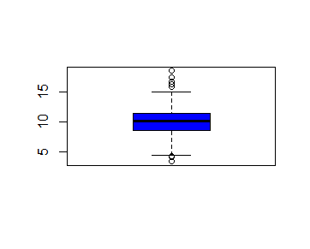

Histogram
 | > hist(pollution$pm25, col = "green")

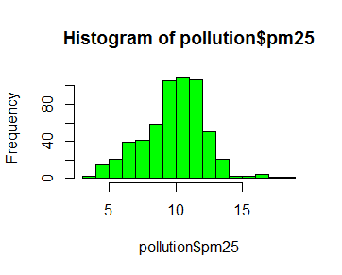

 | > hist(pollution$pm25, col = "green")
 | > rug(pollution$pm25)

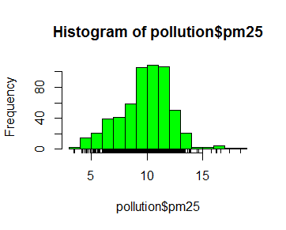

 | > hist(pollution$pm25, col = "green", breaks = 100) |  |  |  |  | 100階級にわける かな？
 | > rug(pollution$pm25)

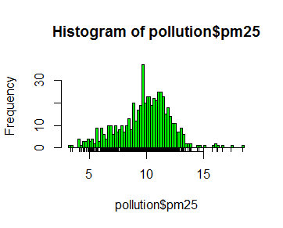

Overlaying Features

 | > boxplot(pollution$pm25, col = "blue")
 | > abline(h = 12) |  |  |  | 横棒のことかな

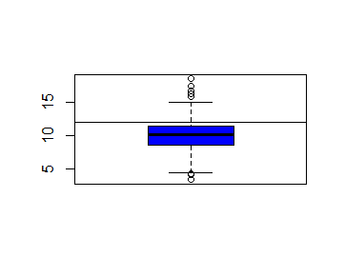

 | > hist(pollution$pm25, col = "green")
 | > abline(v = 12, lwd = 2) |  |  |  | ｌｗｄの意味わからん
 | > abline(v = median(pollution$pm25), col = "magenta", lwd = 4)

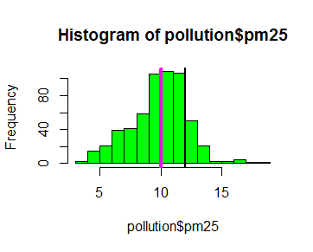

Barplot

 | > barplot(table(pollution$region), col = "wheat", main = "Number of Counties in Each Region")

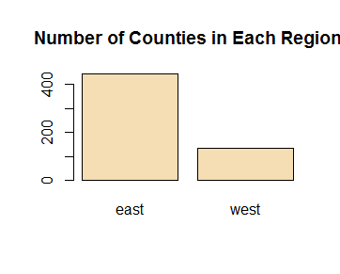

Simple Summaries of Data

 | Two dimensions
 |  | Multiple/overlayed 1-D plots (Lattice/ggplot2)
 |  | Scatterplots
 |  | Smooth scatterplots

 | >2 dimensions
 |  | Overlayed/multiple 2-D plots; coplots
 |  | Use color, size, shape to add dimensions
 |  | Spinning plots
 |  | Actual 3-D plots (not that useful)

Multiple Boxplots |  | fro p.17

 | boxplot(pm25 ~ region, data = pollution, col = "red")

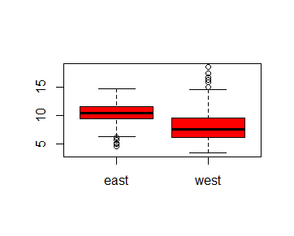

Multiple Histograms

 | > par(mfrow = c(2, 1), mar = c(4, 4, 2, 1)) |  |  |  |  |  |  | par {graphics} | R Documentation
 | > hist(subset(pollution, region == "east")$pm25, col = "green") |  |  |  |  |  |  | Set or Query Graphical Parameters
 | > hist(subset(pollution, region == "west")$pm25, col = "green")
 |  |  |  |  |  |  |  | Description
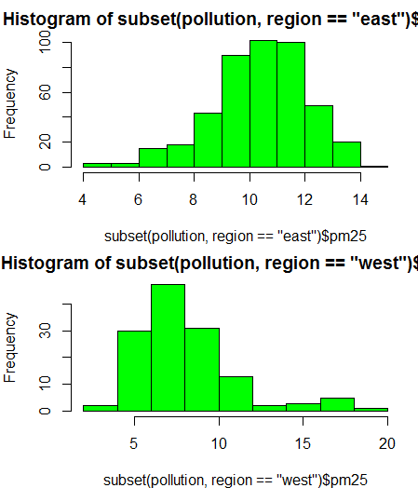
 |  |  |  |  |  |  |  | par can be used to set or query graphical parameters. Parameters can be set by specifying them as arguments
 |  |  |  |  |  |  |  | to par in tag = value form, or by passing them as a list of tagged values.

 |  |  |  |  |  |  |  | mfcol, mfrow
 |  |  |  |  |  |  |  | A vector of the form c(nr, nc). Subsequent figures will be drawn in an nr-by-nc array on the device by columns (mfcol),
 |  |  |  |  |  |  |  | or rows (mfrow), respectively.

 |  |  |  |  |  |  |  | mar
 |  |  |  |  |  |  |  | A numerical vector of the form c(bottom, left, top, right) which gives the number of lines of margin
 |  |  |  |  |  |  |  | to be specified on the four sides of the plot. The default is c(5, 4, 4, 2) + 0.1.

Scatterplot

 | > with(pollution, plot(latitude, pm25)) |  |  |  |  |  | abline {graphics} |  |  | R Documentation
 | > abline(h = 12, lwd = 2, lty = 2) |  |  |  |  |  | Add Straight Lines to a Plot

 |  |  |  |  |  |  | Description
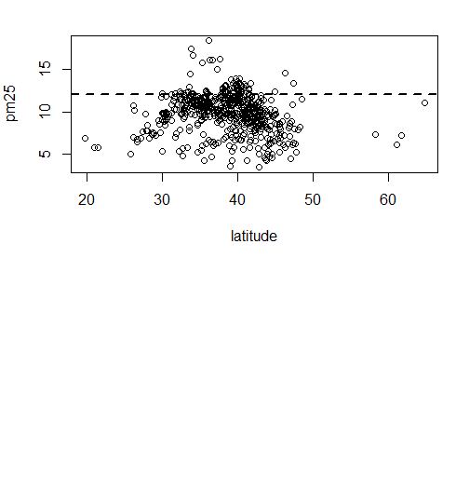
 |  |  |  |  |  |  | This function adds one or more straight lines through the current plot.

 |  |  |  |  |  |  | Usage

 |  |  |  |  |  |  | abline(a = NULL, b = NULL, h = NULL, v = NULL, reg = NULL,
 |  |  |  |  |  |  | coef = NULL, untf = FALSE, ...)
 |  |  |  |  |  |  | Arguments

 |  |  |  |  |  |  | h
 |  |  |  |  |  |  | the y-value(s) for horizontal line(s).

 |  |  |  |  |  |  | lty
 |  |  |  |  |  |  | The line type. Line types can either be specified as an integer
 |  |  |  |  |  |  | (0=blank, 1=solid (default), 2=dashed, 3=dotted, 4=dotdash, 5=longdash, 6=twodash)
 |  |  |  |  |  |  | or as one of the character strings "blank", "solid", "dashed", "dotted", "dotdash",
 |  |  |  |  |  |  | longdash, or "twodash", where "blank" uses ‘invisible lines’ (i.e., does not draw them).

 |  |  |  |  |  |  | Alternatively, a string of up to 8 characters (from c(1:9, "A":"F")) may be given, giving
 |  |  |  |  |  |  | the length of line segments which are alternatively drawn and skipped. See section ‘Line Type Specification’.

 |  |  |  |  |  |  | Functions such as lines and segments accept a vector of values which are recycled.

 |  |  |  |  |  |  | lwd
 |  |  |  |  |  |  | The line width, a positive number, defaulting to 1. The interpretation is device-specific,
 |  |  |  |  |  |  | and some devices do not implement line widths less than one. (See the help on the device
 |  |  |  |  |  |  | for details of the interpretation.)

 |  |  |  |  |  |  | Functions such as lines and segments accept a vector of values which are recycled:
 |  |  |  |  |  |  | in such uses lines corresponding to values NA or NaN are omitted.
 |  |  |  |  |  |  | The interpretation of 0 is device-specific.

Scatterplot - Using Color

 | > with(pollution, plot(latitude, pm25, col = region))
 | > abline(h = 12, lwd = 2, lty = 2)

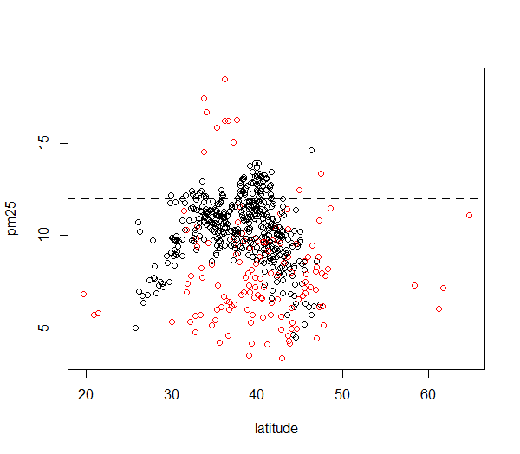

Multiple Scatterplots

 | > par(mfrow = c(1, 2), mar = c(5, 4, 2, 1))
 | > with(subset(pollution, region == "west"), plot(latitude, pm25, main = "West"))
 | > with(subset(pollution, region == "east"), plot(latitude, pm25, main = "East"))

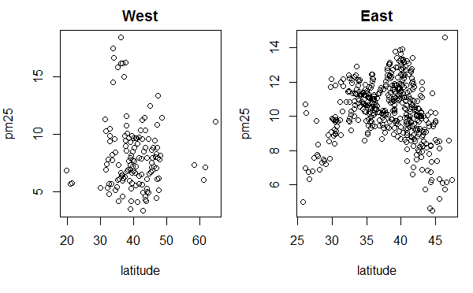

Summary
 | Exploratory plots are "quick and dirty"
 | Let you summarize the data (usually graphically) and highlight any broad features
 | Explore basic questions and hypotheses (and perhaps rule them out)
 | Suggest modeling strategies for the "next step"

Further resources
 | R Graph Gallery

 | R Bloggers
 |  | http://www.r-bloggers.com/

2 - 5 - Plotting Systems in R [9-34]

The Base Plotting System
 | Artist's palette model
 | Start with blank canvas and build up from there
 | Start with plot function (or similar)
 | Use annotation functions to add/modify (text, lines, points, axis)

The Base Plotting System
 | Convenient, mirrors how we think of building plots and analyzing data
 | Can’t go back once plot has started (i.e. to adjust margins); need to plan in advance
 | Difficult to "translate" to others once a new plot has been created (no graphical "language")
 | Plot is just a series of R commands

Base Plot

 | > library(datasets)
 | > data(cars)
 | > with(cars, plot(speed, dist))

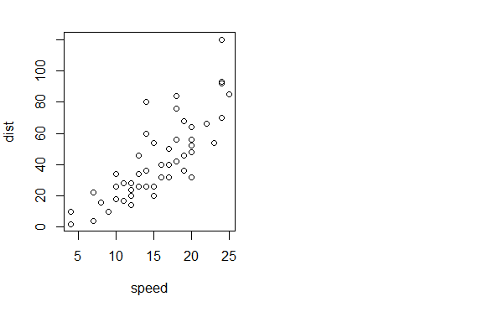

The Lattice System |  |  |  |  |  |  |  |  | lattice |  | 格子

 | Plots are created with a single function call (xyplot, bwplot, etc.)
 | Most useful for conditioning types of plots: Looking at how y changes with x across levels of z
 | Things like margins/spacing set automatically because entire plot is specified at once
 | Good for puttng many many plots on a screen

The Lattice System

 | Sometimes awkward to specify an entire plot in a single function call |  |  |  |  |  |  |  | awkward |  | やりにくい
 | Annotation in plot is not especially intuitive
 | Use of panel functions and subscripts difficult to wield and requires intense preparation |  |  |  |  |  |  |  | intuitive |  | 直観の
 | Cannot "add" to the plot once it is created
 |  |  |  |  |  |  |  |  | wield |  | 巧みに使う
Lattice Plot

 | > library(lattice)
 | > state <- data.frame(state.x77, region = state.region)
 | > xyplot(Life.Exp ~ Income | region, data = state, layout = c(4, 1))

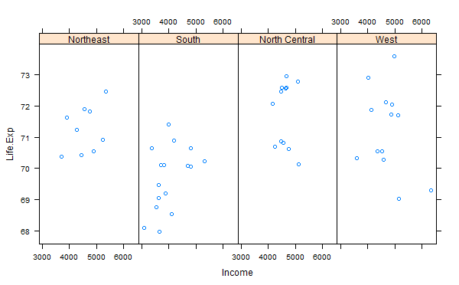

The ggplot2 System
 | Splits the difference between base and lattice in a number of ways
 | Automatically deals with spacings, text, titles but also allows you to annotate by "adding" to a plot
 | Superficial similarity to lattice but generally easier/more intuitive to use
 | Default mode makes many choices for you (but you can still customize to your heart's desire)

ggplot2 Plot

 | > library(ggplot2)
 | Warning message:
 | package ‘ggplot2’ was built under R version 3.1.3
 | > data(mpg)
 | > qplot(displ, hwy, data = mpg)

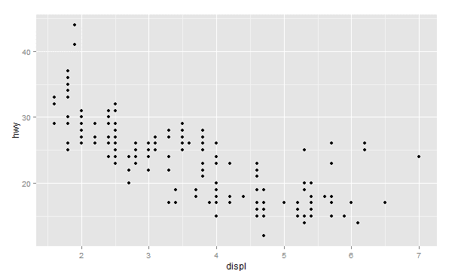

Summary
 | Base: "artist's palette" model
 | Lattice: Entire plot specified by one function; conditioning
 | ggplot2: Mixes elements of Base and Lattice

References

 | Paul Murrell (2011). R Graphics, CRC Press.
 | Hadley Wickham (2009). ggplot2, Springer.

2 - 6 - Base Plotting System (part 1) [11-20]

Plotting System
 | The core plotting and graphics engine in R is encapsulated in the following packages:
 | - | graphics: contains plotting functions for the "base" graphing systems, including plot, hist,
 |  | boxplot and many others.
 | - | grDevices: contains all the code implementing the various graphics devices, including X11, PDF,
 |  | PostScript, PNG, etc.

 | The lattice plotting system is implemented using the following packages:

 | - | lattice: contains code for producing Trellis graphics, which are independent of the “base” graphics
 |  | system; includes functions like xyplot, bwplot, levelplot
 | - | grid: implements a different graphing system independent of the “base” system; the lattice
 |  | package builds on top of grid; we seldom call functions from the grid package directly

The Process of Making a Plot

 | When making a plot one must first make a few considerations (not necessarily in this order):
 |  | ・ Where will the plot be made? On the screen? In a file?

 |  | How will the plot be used?
 |  |  | Is the plot for viewing temporarily on the screen?
 |  |  | Will it be presented in a web browser?
 |  |  | Will it eventually end up in a paper that might be printed?
 |  |  | Are you using it in a presentation?

 |  | Is there a large amount of data going into the plot? Or is it just a few points?
 |  | Do you need to be able to dynamically resize the graphic?

The Process of Making a Plot

 |  | What graphics system will you use: base, lattice, or ggplot2? These generally cannot be mixed.

 |  | Base graphics are usually constructed piecemeal, with each aspect of the plot handled
 |  | separately through a series of function calls; this is often conceptually simpler and allows plotting
 |  | to mirror the thought process

 |  | Lattice graphics are usually created in a single function call, so all of the graphics parameters
 |  | have to specified at once; specifying everything at once allows R to automatically calculate the
 |  | necessary spacings and font sizes.

 |  | ggplot2 combines concepts from both base and lattice graphics but uses an independent
 |  | implementation

 | We focus on using the base plotting system to create graphics on the screen device.

Base Graphics

 | Base graphics are used most commonly and are a very powerful system for creating 2-D graphics.

 |  | There are two phases to creating a base plot
 |  |  | Initializing a new plot
 |  |  | Annotating (adding to) an existing plot

 |  | Calling plot(x, y) or hist(x) will launch a graphics device (if one is not already open) and
 |  | draw a new plot on the device

 |  | If the arguments to plot are not of some special class, then the default method for plot is
 |  | called; this function has many arguments, letting you set the title, x axis label, y axis label, etc.

 |  | The base graphics system has many parameters that can set and tweaked; these parameters are
 |  | documented in ?par; it wouldn’t hurt to try to memorize this help page!

Simple Base Graphics: Histogram

 | > library(datasets) | ・
 | > hist(airquality$Ozone) ## Draw a new plot

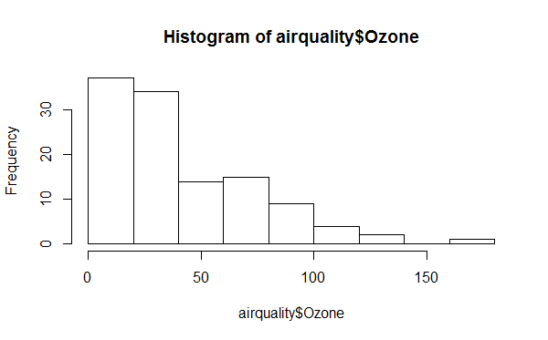

Simple Base Graphics: Scatterplot

 | > library(datasets)
 | > with(airquality, plot(Wind, Ozone))

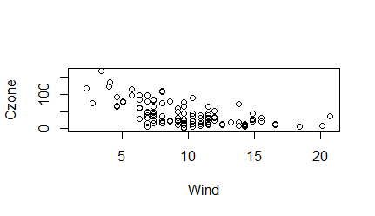

Simple Base Graphics: Boxplot

 | > library(datasets)
 | > airquality <- transform(airquality, Month = factor(Month))
 | > boxplot(Ozone ~ Month, airquality, xlab = "Month", ylab = "Ozone (ppb)")

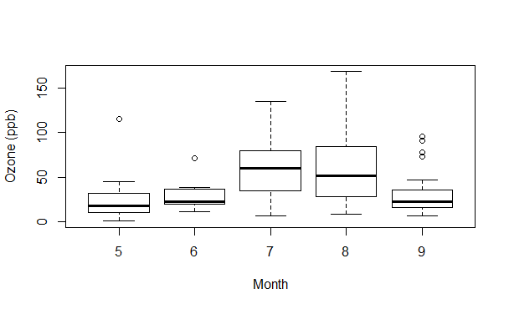

Some Important Base Graphics Parameters
 | Many base plotting functions share a set of parameters. Here are a few key ones:
 |  | pch: the plotting symbol (default is open circle) |  |  |  |  |  |  | ?pch | Plotting character
 |  | lty: the line type (default is solid line), can be dashed, dotted, etc.
 |  | lwd: the line width, specified as an integer multiple
 |  | col: the plotting color, specified as a number, string, or hex code; the colors() function gives
 |  |  | you a vector of colors by name
 |  | xlab: character string for the x-axis label
 |  | ylab: character string for the y-axis label

Some Important Base Graphics Parameters

 | The par() function is used to specify global graphics parameters that affect all plots in an R
 | session. These parameters can be overridden when specified as arguments to specific plotting
 | functions.
 |  | las: the orientation of the axis labels on the plot
 |  | bg: the background color
 |  | mar: the margin size
 |  | oma: the outer margin size (default is 0 for all sides)
 |  | mfrow: number of plots per row, column (plots are filled row-wise)
 |  | mfcol: number of plots per row, column (plots are filled column-wise)

Some Important Base Graphics Parameters
 | Default values for global graphics parameters

 | par("lty")
 | ## [1] "solid"
 | par("col")
 | ## [1] "black"
 | par("pch")
 | ## [1] 1

Some Important Base Graphics Parameters
 | Default values for global graphics parameters

 | par("bg")
 | ## [1] "transparent"
 | par("mar")
 | ## [1] 5.1 4.1 4.1 2.1
 | par("mfrow")
 | ## [1] 1 1

Base Plotting Functions

 | plot: make a scatterplot, or other type of plot depending on the class of the object being plotted
 | lines: add lines to a plot, given a vector x values and a corresponding vector of y values (or a 2-
 |  | column matrix); this function just connects the dots
 | points: add points to a plot
 | text: add text labels to a plot using specified x, y coordinates
 | title: add annotations to x, y axis labels, title, subtitle, outer margin
 | mtext: add arbitrary text to the margins (inner or outer) of the plot
 | axis: adding axis ticks/labels

Base Plot with Annotation

 | > library(datasets)
 | > with(airquality, plot(Wind, Ozone))
 | > title(main = "Ozone and Wind in New York City") ## Add a title

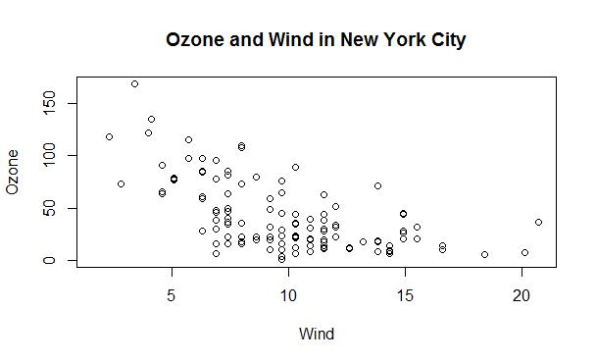

 | > with(airquality, plot(Wind, Ozone, main = "Ozone and Wind in New York City")) |  |  |  |  |  |  |  |  | Just black & white plot with this command.
 | > with(subset(airquality, Month == 5), points(Wind, Ozone, col = "blue")) |  |  |  |  |  |  |  |  | Need 1st line before this line execute. Points color is changed to blue.

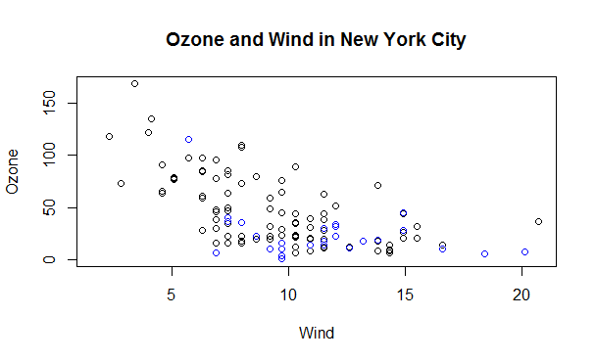

 | > with(airquality, plot(Wind, Ozone, main = "Ozone and Wind in New York City",type = "n")) |  |  |  |  |  |  |  |  |  | No plotting with type=n
 | > with(subset(airquality, Month == 5), points(Wind, Ozone, col = "blue")) |  |  |  |  |  |  |  |  |  | Just May plot with blue
 | > with(subset(airquality, Month != 5), points(Wind, Ozone, col = "red")) |  |  |  |  |  |  |  |  |  | Non May plot with red
 | > legend("topright", pch = 1, col = c("blue", "red"), legend = c("May", "Other Months")) |  |  |  |  |  |  |  |  |  | print legend

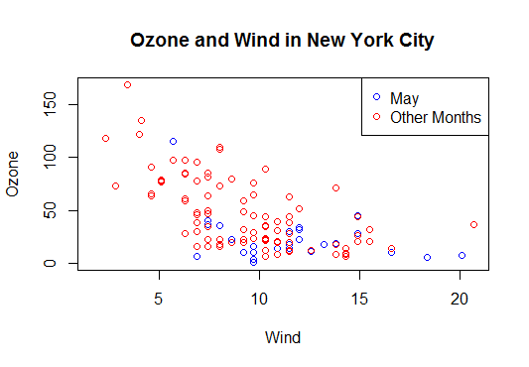

Base Plot with Regression Line

 | > with(airquality, plot(Wind, Ozone, main = "Ozone and Wind in New York City",pch = 20)) |  |  |  |  |  |  |  |  | plotting
 | > model <- lm(Ozone ~ Wind, airquality) |  |  |  |  |  |  |  |  | regression calculation
 | > abline(model, lwd = 2) |  |  |  |  |  |  |  |  | draw regression line

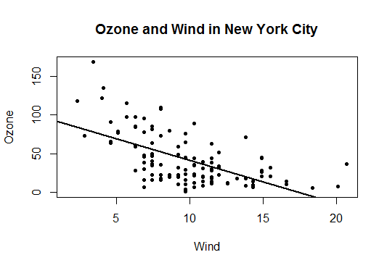

Multiple Base Plots

 | > par(mfrow = c(1, 2)) |  |  |  |  |  |  | 設定 | 横に二つ（たぶん）
 | > with(airquality, { |  |  |  |  |  |  | draw two plot
 | + plot(Wind, Ozone, main = "Ozone and Wind")
 | + plot(Solar.R, Ozone, main = "Ozone and Solar Radiation")
 | + })

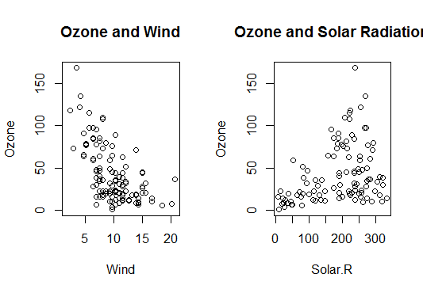

 | > par(mfrow = c(1, 3), mar = c(4, 4, 2, 1), oma = c(0, 0, 2, 0)) |  |  |  |  |  |  | 設定 | 横に３つ、場所？ 余白
 | > with(airquality, {
 | + plot(Wind, Ozone, main = "Ozone and Wind")
 | + plot(Solar.R, Ozone, main = "Ozone and Solar Radiation")
 | + plot(Temp, Ozone, main = "Ozone and Temperature")
 | + mtext("Ozone and Weather in New York City", outer = TRUE) |  |  |  |  |  |  | 外にTextを書く
 | + })

Summary

 | Plots in the base plotting system are created by calling successive R functions to "build up" a plot

 | Plotting occurs in two stages:
 |  | Creation of a plot
 |  | Annotation of a plot (adding lines, points, text, legends)

 | The base plotting system is very flexible and offers a high degree of control over plotting

example(points) |  | 線などの例を示す
example(pch)

2 - 9 - Graphics Devices in R (part 1) [5-34]

What is a Graphics Device?

 | A graphics device is something where you can make a plot appear
 |  | A window on your computer (screen device)
 |  | A PDF file (file device)
 |  | A PNG or JPEG file (file device)
 |  | A scalable vector graphics (SVG) file (file device)

 | When you make a plot in R, it has to be "sent" to a specific graphics device

 | The most common place for a plot to be "sent" is the screen device
 |  | On a Mac the screen device is launched with the quartz()
 |  | On Windows the screen device is launched with windows()
 |  | On Unix/Linux the screen device is launched with x11()

What is a Graphic Device?

 | When making a plot, you need to consider how the plot will be used to determine what device the
 | plot should be sent to.

 |  | - The list of devices is found in ?Devices; there are also devices created by users on CRAN

 | For quick visualizations and exploratory analysis, usually you want to use the screen device
 |  | - Functions like plot in base, xyplot in lattice, or qplot in ggplot2 will default to sending a
 |  | plot to the screen device
 |  | - On a given platform (Mac, Windows, Unix/Linux) there is only one screen device

 | For plots that may be printed out or be incorporated into a document (e.g. papers/reports, slide
 | presentations), usually a file device is more appropriate
 |  | - There are many different file devices to choose from

 | NOTE: Not all graphics devices are available on all platforms (i.e. you cannot launch the
 | windows() on a Mac)

How Does a Plot Get Created?
 | There are two basic approaches to plotting. The first is most common:
 | 1. Call a plotting function like plot, xyplot, or qplot
 | 2. The plot appears on the screen device
 | 3. Annotate plot if necessary
 | 4. Enjoy

 | > library(datasets)
 | > with(faithful, plot(eruptions, waiting)) ## Make plot appear on screen device
 | > title(main = "Old Faithful Geyser data") ## Annotate with a title

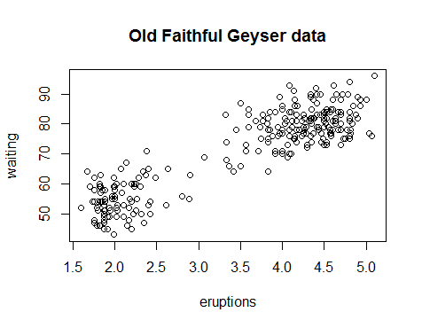

How Does a Plot Get Created?

 | The second approach to plotting is most commonly used for file devices:
 | 1. Explicitly launch a graphics device
 | 2. Call a plotting function to make a plot (Note: if you are using a file device, no plot will appear on
 | the screen)
 | 3. Annotate plot if necessary
 | 4. Explicitly close graphics device with dev.off() (this is very important!)

 | > pdf(file = "myplot.pdf") ## Open PDF device; create 'myplot.pdf' in my working directory
 | > ## Create plot and send to a file (no plot appears on screen)
 | > with(faithful, plot(eruptions, waiting))
 | > title(main = "Old Faithful Geyser data") ## Annotate plot; still nothing on screen
 | > dev.off() ## Close the PDF file device
 | null device
 | 1
 | > ## Now you can view the file 'myplot.pdf' on your computer

Graphics File Devices

 | There are two basic types of file devices: vector and bitmap devices

 | Vector formats:
 |  | pdf: useful for line-type graphics, resizes well, usually portable, not efficient if a plot has many
 |  |  | objects/points
 |  | svg: XML-based scalable vector graphics; supports animation and interactivity, potentially useful
 |  |  | for web-based plots
 |  | win.metafile: Windows metafile format (only on Windows)
 |  | postscript: older format, also resizes well, usually portable, can be used to create
 |  |  | encapsulated postscript files; Windows systems often don’t have a postscript viewer

Graphics File Devices

 | Bitmap formats

 |  | png: bitmapped format, good for line drawings or images with solid colors, uses lossless
 |  |  | compression (like the old GIF format), most web browsers can read this format natively, good for
 |  |  | plotting many many many points, does not resize well
 |  | jpeg: good for photographs or natural scenes, uses lossy compression, good for plotting many
 |  |  | many many points, does not resize well, can be read by almost any computer and any web
 |  |  | browser, not great for line drawings
 |  | tiff: Creates bitmap files in the TIFF format; supports lossless compression
 |  | bmp: a native Windows bitmapped format

Multiple Open Graphics Devices

 | It is possible to open multiple graphics devices (screen, file, or both), for example when viewing
 |  | multiple plots at once
 | Plotting can only occur on one graphics device at a time
 | The currently active graphics device can be found by calling dev.cur()
 | Every open graphics device is assigned an integer . |  |  |  | >=2
 | You can change the active graphics device with dev.set(<integer>) where <integer> is the
 |  | number associated with the graphics device you want to switch to

Copying Plots

 | Copying a plot to another device can be useful because some plots require a lot of code and it can
 | be a pain to type all that in again for a different device.

 |  | dev.copy: copy a plot from one device to another
 |  | dev.copy2pdf: specifically copy a plot to a PDF file

 | NOTE: Copying a plot is not an exact operation, so the result may not be identical to the original.

 | > library(datasets)
 | > with(faithful, plot(eruptions, waiting)) ## Create plot on screen device
 | > title(main = "Old Faithful Geyser data") ## Add a main title |  |  |  |  |  |  |  | make plot with title at here
 | > dev.copy(png, file = "geyserplot.png") ## Copy my plot to a PNG file |  |  |  |  |  |  |  | copy it to PNG
 | png
 | 4
 | dev.off() ## Don't forget to close the PNG device! |  |  |  |  |  |  |  | should be closed
 | RStudioGD
 | 2

Summary

 | Plots must be created on a graphics device
 | The default graphics device is almost always the screen device, which is most useful for
 |  | exploratory analysis
 | File devices are useful for creating plots that can be included in other documents or sent to other
 |  | people
 | For file devices, there are vector and bitmap formats
 |  | Vector formats are good for line drawings and plots with solid colors using a modest number
 |  |  | of points
 |  | Bitmap formats are good for plots with a large number of points, natural scenes or webbased
 |  |  | based plots

 | -
 | 10

wk2
3 - 1 - Lattice Plotting System (part 1) [6-22]

The Lattice Plotting System

 | The lattice plotting system is implemented using the following packages:

 | - | lattice: contains code for producing Trellis graphics, which are independent of the “base” graphics
 |  | system; includes functions like xyplot, bwplot, levelplot

 | - | grid: implements a different graphing system independent of the “base” system; the lattice
 |  | package builds on top of grid

 |  | We seldom call functions from the grid package directly

 | - | The lattice plotting system does not have a "two-phase" aspect with separate plotting and
 |  | annotation like in base plotting

 | - | All plotting/annotation is done at once with a single function call

Lattice Functions

- | xyplot: this is the main function for creating scatterplots
- | bwplot: box-and-whiskers plots (“boxplots”)
- | histogram: histograms
- | stripplot: like a boxplot but with actual points
- | dotplot: plot dots on "violin strings"
- | splom: scatterplot matrix; like pairs in base plotting system
- | levelplot, contourplot: for plotting "image" data

Lattice Functions

 | Lattice functions generally take a formula for their first argument, usually of the form

 | > xyplot(y ~ x | f*g, data)

- | We use the formula notation here, hence the ~.

- | On the left of the ~ is the y-axis variable, on the right is the x-axis variable

- | f and g are conditioning variables . they are optional
 |  | the * indicates an interaction between two variables

- | The second argument is the data frame or list from which the variables in the formula should be
 | looked up
 |  | If no data frame or list is passed, then the parent frame is used.

- | If no other arguments are passed, there are defaults that can be used.

Simple Lattice Plot

 | > library(lattice)
 | > library(datasets)
 | > ## Simple scatterplot
 | > xyplot(Ozone ~ Wind, data = airquality)

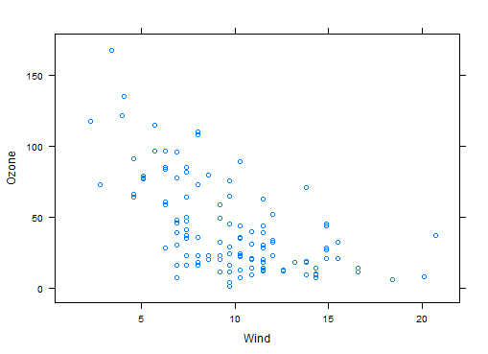

 | > ## Convert 'Month' to a factor variable
 | > airquality <- transform(airquality, Month = factor(Month))
 | > xyplot(Ozone ~ Wind | Month, data = airquality, layout = c(5, 1))

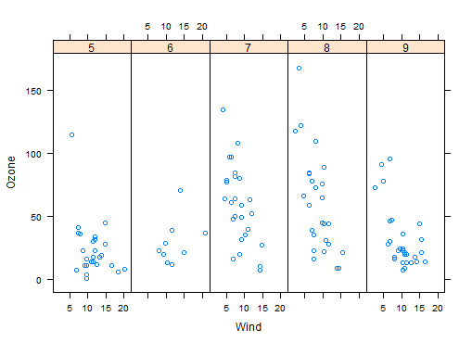

Lattice Behavior

 | Lattice functions behave differently from base graphics functions in one critical way.
 | - | Base graphics functions plot data directly to the graphics device (screen, PDF file, etc.)
 | - | Lattice graphics functions return an object of class trellis
 | - | The print methods for lattice functions actually do the work of plotting the data on the graphics
 |  | device.
 | - | Lattice functions return "plot objects" that can, in principle, be stored (but it’s usually better to just
 |  | save the code + data).
 | - | On the command line, trellis objects are auto-printed so that it appears the function is plotting the
 |  | data

 | > p <- xyplot(Ozone ~ Wind, data = airquality) ## Nothing happens!
 | > print(p) ## Plot appears

 | > xyplot(Ozone ~ Wind, data = airquality) ## Auto-printing

Lattice Panel Functions

- | Lattice functions have a panel function which controls what happens inside each panel of the
 | plot.
- | The lattice package comes with default panel functions, but you can supply your own if you want
 | to customize what happens in each panel
- | Panel functions receive the x/y coordinates of the data points in their panel (along with any
 | optional arguments)

 | > set.seed(10)
 | > x <- rnorm(100)
 | > f <- rep(0:1, each = 50)
 | > y <- x + f - f * x + rnorm(100, sd = 0.5)
 | > f <- factor(f, labels = c("Group 1", "Group 2"))
 | > xyplot(y ~ x | f, layout = c(2, 1)) ## Plot with 2 panels

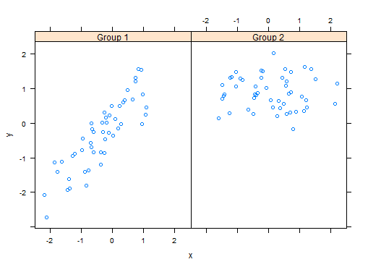

 | > ## Custom panel function
 | > xyplot(y ~ x | f, panel = function(x, y, ...) {
 | + panel.xyplot(x, y, ...) ## First call the default panel function for 'xyplot'
 | + panel.abline(h = median(y), lty = 2) ## Add a horizontal line at the median
 | + })

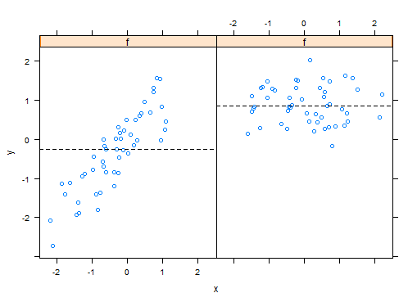

Lattice Panel Functions: Regression line

 | > xyplot(y ~ x | f, panel = function(x, y, ...) {
 | + panel.xyplot(x, y, ...) ## First call default panel function
 | + panel.lmline(x, y, col = 2) ## Overlay a simple linear regression line
 | + })



Many Panel Lattice Plot: Example from MAACS

- | Study: Mouse Allergen and Asthma Cohort Study (MAACS)
- | Study subjects: Children with asthma living in Baltimore City, many allergic to mouse allergen
- | Design: Observational study, baseline home visit + every 3 months for a year.
- | Question: How does indoor airborne mouse allergen vary over time and across subjects?

 | Ahluwalia et al., Journal of Allergy and Clinical Immunology, 2013
 |  | http://www.ncbi.nlm.nih.gov/pubmed/23810154

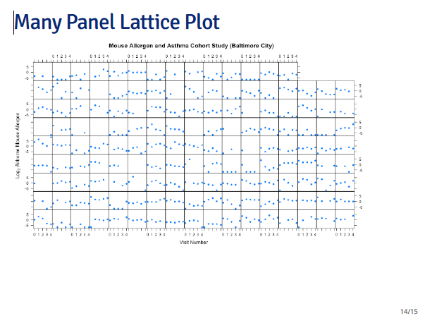

Summary

- | Lattice plots are constructed with a single function call to a core lattice function (e.g. xyplot)
- | Aspects like margins and spacing are automatically handled and defaults are usually sufficient
- | The lattice system is ideal for creating conditioning plots where you examine the same kind of
 | plot under many different conditions
- | Panel functions can be specified/customized to modify what is plotted in each of the plot panels

3 - 3 - ggplot2 (part 1) [6-26]

What is ggplot2?
* | An implementation of the Grammar of Graphics by Leland Wilkinson
* | Written by Hadley Wickham (while he was a graduate student at Iowa State)
* | A third graphics system for R ( Base, lattice and )
* | Available from CRAN via install.packages()
* | web site | http://ggplot2.org

* | Grammar of graphics represents and abstraction of graphics ideas/objects
* | Think "verb" , "noun" , "adjective" for graphics
* | Allows for a "theory" of graphics on which to build new graphics and graphics objects
* | "Shorten the distance from mind to pate"

Grammar of Graphics

 | "In brief, the grammar tells us that a statistical graphic is a mapping from data to
 | aesthetic attributes(color, shape,size) of geometric objects(points, lines, bars).
 | The plot may also contain statistical transformations of the data and is drawn
 | on a specific coordinate system"

 |  | from ggplot2 book

The Basics: qplot()

* | Works much like the plot function in base graphics system
* | Looks for data in a data frame, similar to lattice, or in the parent environement.
* | Plots are made up of aesthetics(size, shape, color) and geoms(points, lines)

* | Factors are important for indicating subsets of the data( if they are to have different properties);
 | they should be labeled.
* | The qplot(9 hides what goes on underneath, which is okay for most operations
* | ggplot() is the core function and very flexible for doing things qplot() cannot do

3 - 4 - ggplot2 (part 2) [13-53]

Example Dataset

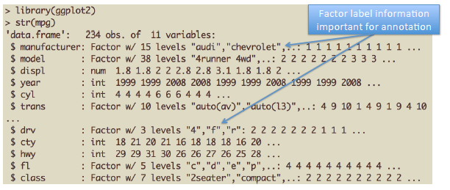

 | > install.packages("ggplot2")
 | > library(ggplot2)
 | > str(mpg)
 | 'data.frame': 234 obs. of 11 variables:
 | $ manufacturer: Factor w/ 15 levels "audi","chevrolet",..: 1 1 1 1 1 1 1 1 1 1 ...
 | $ model : Factor w/ 38 levels "4runner 4wd",..: 2 2 2 2 2 2 2 3 3 3 ...
 | $ displ : num 1.8 1.8 2 2 2.8 2.8 3.1 1.8 1.8 2 ...
 | $ year : int 1999 1999 2008 2008 1999 1999 2008 1999 1999 2008 ...
 | $ cyl : int 4 4 4 4 6 6 6 4 4 4 ...
 | $ trans : Factor w/ 10 levels "auto(av)","auto(l3)",..: 4 9 10 1 4 9 1 9 4 10 ...
 | $ drv : Factor w/ 3 levels "4","f","r": 2 2 2 2 2 2 2 1 1 1 ...
 | $ cty : int 18 21 20 21 16 18 18 18 16 20 ...
 | $ hwy : int 29 29 31 30 26 26 27 26 25 28 ...
 | $ fl : Factor w/ 5 levels "c","d","e","p",..: 4 4 4 4 4 4 4 4 4 4 ...
 | $ class : Factor w/ 7 levels "2seater","compact",..: 2 2 2 2 2 2 2 2 2 2 ...
 | > qplot(displ,hwy,data=mpg)
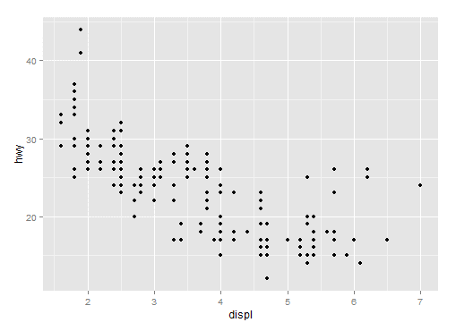

 | > qplot(displ,hwy,data=mpg,color=drv)

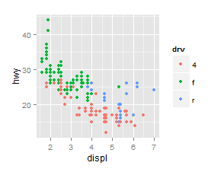

 | > qplot(displ,hwy,data=mpg,geom = c("point","smooth"))
 | geom_smooth: method="auto" and size of largest group is <1000, so using loess. Use 'method = x' to change the smoothing method.

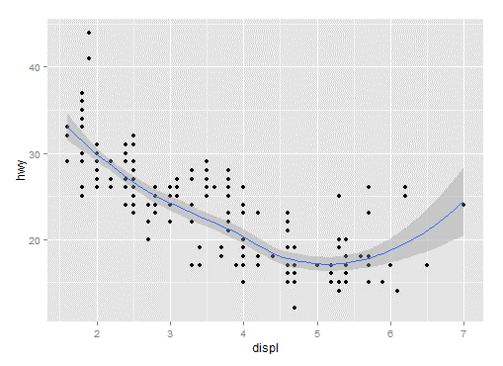

 | > qplot(hwy, data=mpg,fill=drv)
 | stat_bin: binwidth defaulted to range/30. Use 'binwidth = x' to adjust this.

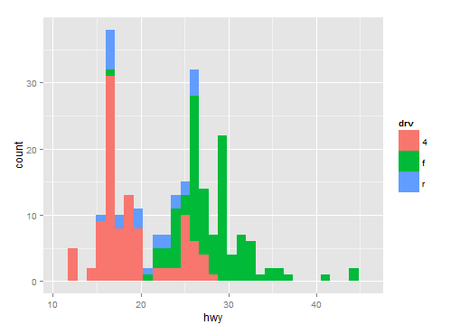

 | > qplot(hwy, data=mpg,facets = .~drv)
 | stat_bin: binwidth defaulted to range/30. Use 'binwidth = x' to adjust this.
 | stat_bin: binwidth defaulted to range/30. Use 'binwidth = x' to adjust this.
 | stat_bin: binwidth defaulted to range/30. Use 'binwidth = x' to adjust this.

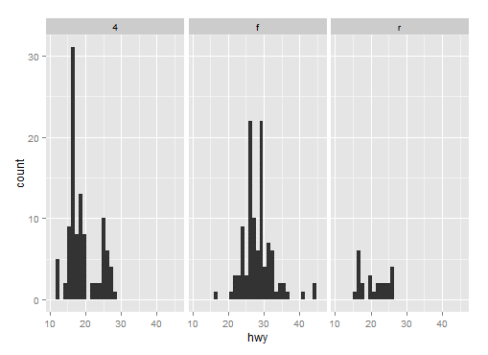

 | > qplot(hwy, data=mpg,facets = drv~.) |  |  | > qplot(hwy, data=mpg,facets = drv~.,binwidth=2)
 | stat_bin: binwidth defaulted to range/30. Use 'binwidth = x' to adjust this.
 | stat_bin: binwidth defaulted to range/30. Use 'binwidth = x' to adjust this.
 | stat_bin: binwidth defaulted to range/30. Use 'binwidth = x' to adjust this.
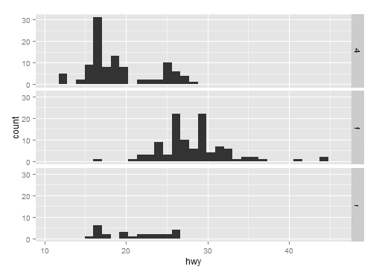
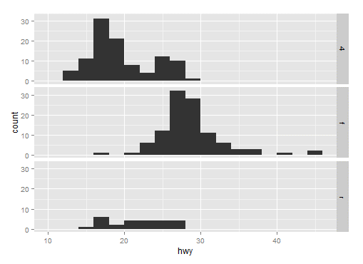

MAACS Cohort

* | Mouse Allergen and Asthma Cohort Study

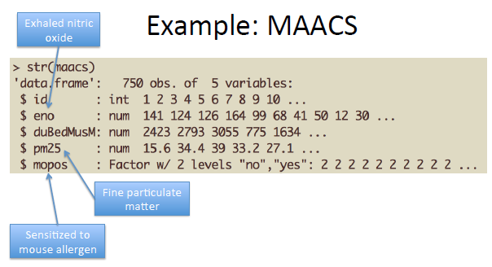

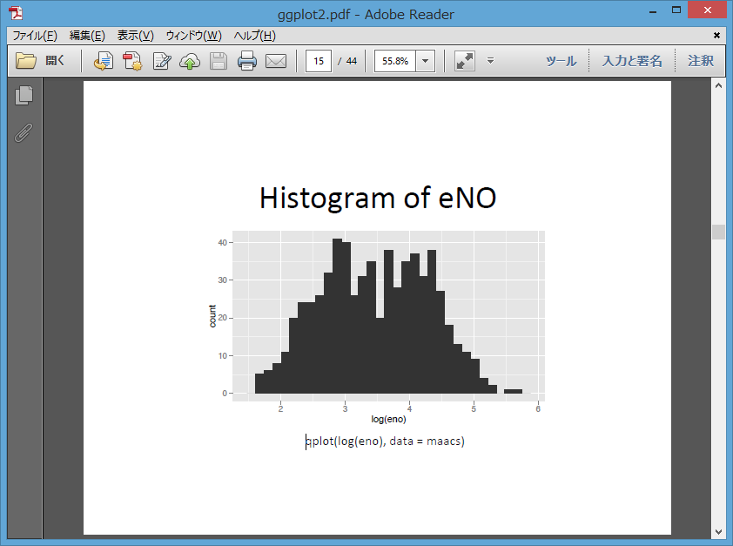

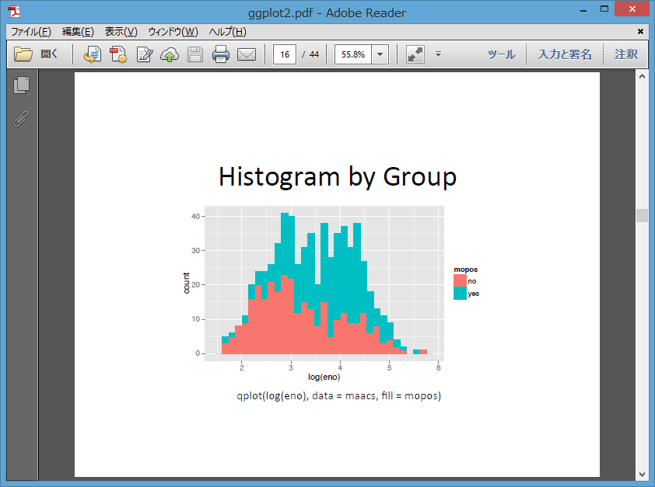

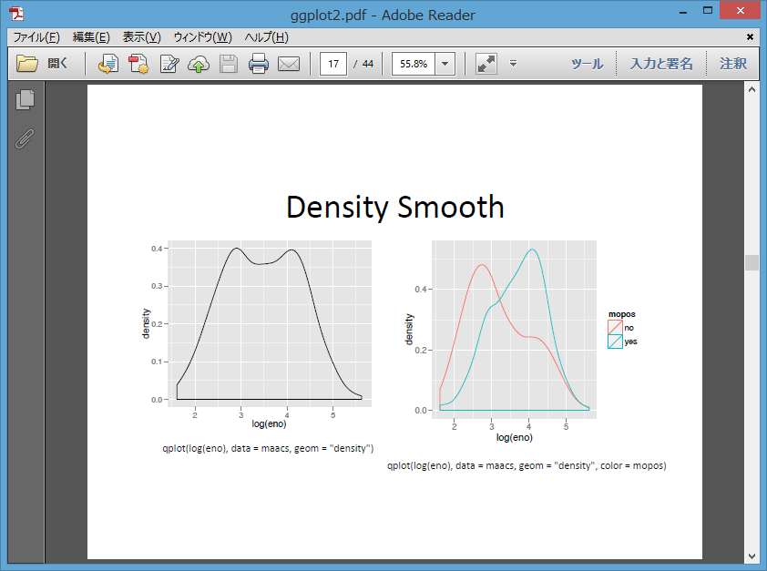

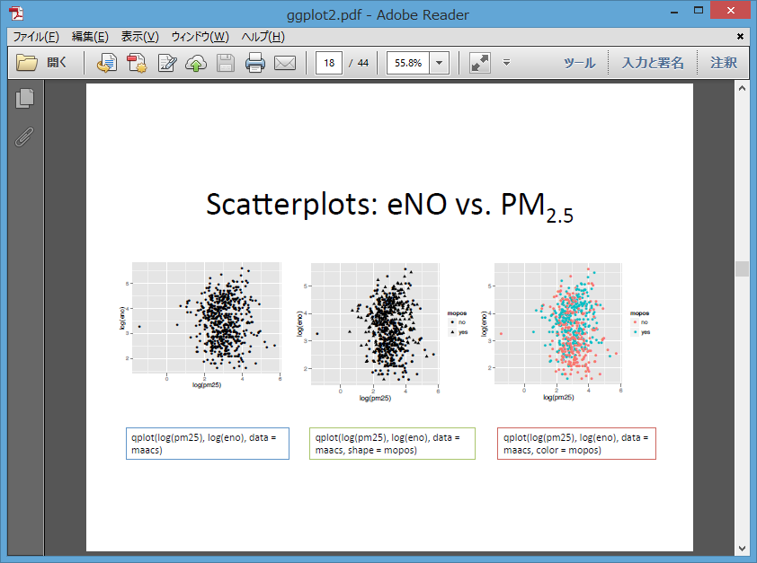

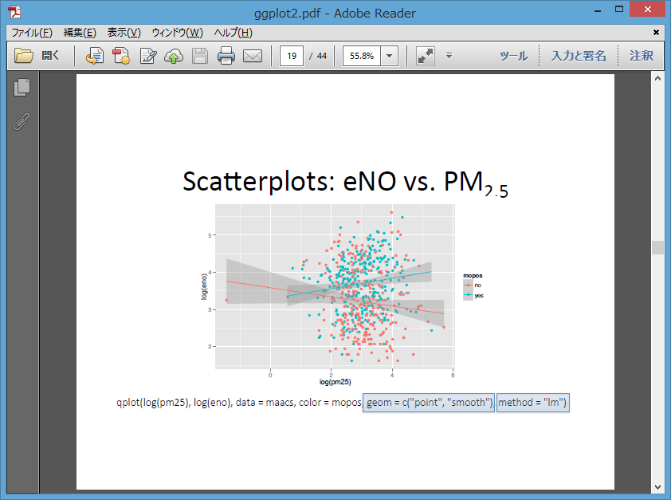

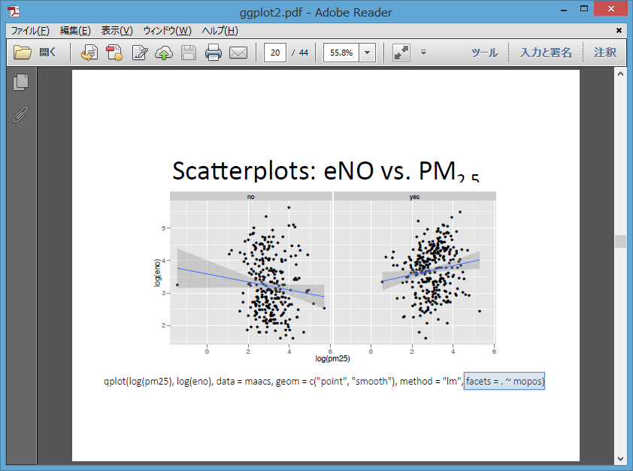

Summary of qplot()

* | The qplot() function is the analog to plot() but with many built-in features
* | Syntax somewhere in between base/lattice
* | Produces very nice graphics, essentially publication ready(if you likw the design)
* | Difficult to go against the grain/customize(don't bother; use full ggplot2 power in that case)

Resources
* | The ggplot2 book by Hadley Wickham
* | The R graphics Cookbook by Winston Chang(examples in base plots and in ggplot2)
* | ggplot2 web site |  | http://ggplot2.org
* | ggplot2 mailing list |  | http://goo.gl/OdW3uB
 |  | primarily for developers

3 - 5 - ggplot2 (part 3) [9-47]

Basic complonents of a ggplot2 Plot

* | A data frame
* | aesthetic mappings : how data are mapped to color, size
* | geoms: geometric objects like points, lines, shapes.
* | facets: for conditional plots.
* | stats: statistical transformations like binning, quantiles, smoothing.
* | scales: what scale an aesthetic map uses ( example: male = red, female = blue)
* | coordinate system

Building Plots with ggplot2

* | When building plots in ggplot2( rather than using qplot) the "artist's palette" model
 | may be the closest analogy
* | Plots are built up in layers
 | - Plot the data
 | - Overlay a summary
 | - Metadata and annotation

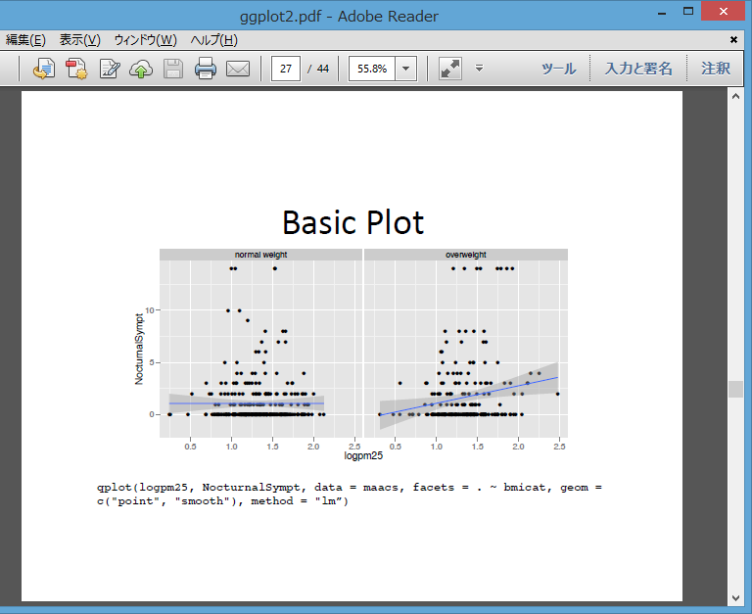

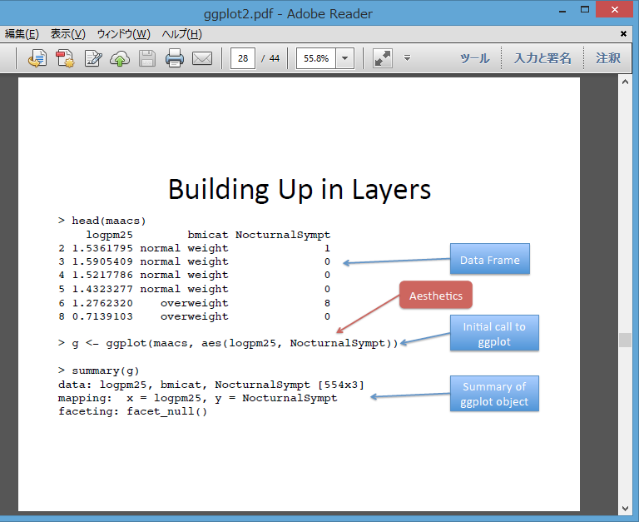

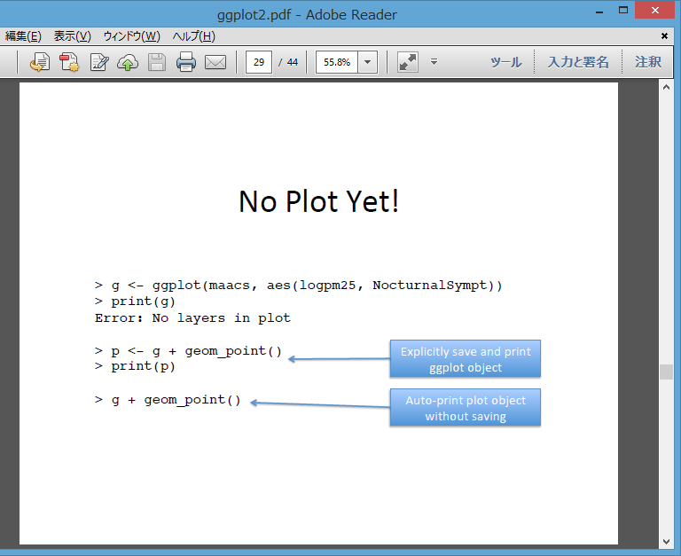







3 - 6 - ggplot2 (part 4) [10-38]

Annotation

* | Labels: xlab(), ylab(), labs(), ggtitle()
* | Each of the "geom" functions has options to modify
* | For things that only make sense globally, use theme()
 | - Example: theme(legend.position = "none")
* | Two standard appearance themes are included
 | - theme_gray(): The default theme (gray background)
 | - theme_bw(): More stark/plain









3 - 7 - ggplot2 (part 5) [8-11]

A Notes about Axis Limits

 | > testdat <- data.frame(x=1:100, y= rnorm(100))
 | > testdat[50,2] <- 100
 | > plot(testdat$x, testdat$y, type="l", ylim = c(-3,3))



 | > g <- ggplot(testdat, aes( x=x, y=y))
 | > g + geom_line()





More Complex Example

* | How does the relationship between PM2.5 and nocturnal symptoms vary by BMI and NO2 ?
* | Unlike our previous BMI variable , NO2 is continuous
* | We need to make NO2 categorical so we can condition on it in the plotting
 | - Use the cut() function for this







Summary

* | ggplot2 is very powerful and flexible if you learn the "grammar" and the various
 | elements that can be tuned/modified
* | Many more types of plots can be made;
 | explore and mess around with the package
 | ( references mentioned in Part1 are useful)

Quiz1

For WK1

 | Principles of Analytic Graphics

 | Principle 1: Show comparisons
 | Principle 2: Show causality, mechanism, explanation
 | Principle 3: Show multivariate data
 | Principle 4: Integrate multiple modes of evidence
 | Principle 5: Describe and document the evidence
 | Principle 6: Content is king

 |  |  |  |  | Characteristics of exploratory graphs
 |  |  |  |  |  | They are made quickly
 |  |  |  |  |  | A large number are made
 |  |  |  |  |  | The goal is for personal understanding
 |  |  |  |  |  | Axes/legends are generally cleaned up (later)
 |  |  |  |  |  | Color/size are primarily used for information



 |  | The Base Plotting System
 |  |  | Artist's palette model
 |  |  | Start with blank canvas and build up from there
 |  |  | Start with plot function (or similar)
 |  |  | Use annotation functions to add/modify (text, lines, points, axis)



 |  |  |  |  | A graphics device is something where you can make a plot appear
 |  |  |  |  |  | A window on your computer (screen device)
 |  |  |  |  |  | A PDF file (file device)
 |  |  |  |  |  | A PNG or JPEG file (file device)
 |  |  |  |  |  | A scalable vector graphics (SVG) file (file device)


 |  |  |  |  | Vector formats:
 |  |  |  |  |  | pdf: useful for line-type graphics, resizes well, usually portable, not efficient if a plot has many
 |  |  |  |  |  |  | objects/points
 |  |  |  |  |  | svg: XML-based scalable vector graphics; supports animation and interactivity, potentially useful
 |  |  |  |  |  |  | for web-based plots
 |  |  |  |  |  | win.metafile: Windows metafile format (only on Windows)
 |  |  |  |  |  | postscript: older format, also resizes well, usually portable, can be used to create
 |  |  |  |  |  |  | encapsulated postscript files; Windows systems often don’t have a postscript viewer


 |  |  |  |  | Bitmap formats

 |  |  |  |  |  | png: bitmapped format, good for line drawings or images with solid colors, uses lossless
 |  |  |  |  |  |  | compression (like the old GIF format), most web browsers can read this format natively, good for
 |  |  |  |  |  |  | plotting many many many points, does not resize well
 |  |  |  | V |  | jpeg: good for photographs or natural scenes, uses lossy compression, good for plotting many
 |  |  |  | B |  |  | many many points, does not resize well, can be read by almost any computer and any web
 |  |  |  |  |  |  | browser, not great for line drawings
 |  |  |  | V |  | tiff: Creates bitmap files in the TIFF format; supports lossless compression
 |  |  |  |  |  | bmp: a native Windows bitmapped format



 |  |  |  |  | The most common place for a plot to be "sent" is the screen device
 |  |  |  |  |  | On a Mac the screen device is launched with the quartz()
 |  |  |  |  |  | On Windows the screen device is launched with windows()
 |  |  |  |  |  | On Unix/Linux the screen device is launched with x11()


 |  |  |  |  |  | Many base plotting functions share a set of parameters. Here are a few key ones:
 |  |  |  |  |  |  | pch: the plotting symbol (default is open circle)
 |  |  |  |  |  |  | lty: the line type (default is solid line), can be dashed, dotted, etc.
 |  |  |  |  |  |  | lwd: the line width, specified as an integer multiple
 |  |  |  |  |  |  | col: the plotting color, specified as a number, string, or hex code; the colors() function gives
 |  |  |  |  |  |  |  | you a vector of colors by name
 |  |  |  |  |  |  | xlab: character string for the x-axis label
 |  |  |  |  |  |  | ylab: character string for the y-axis label

 |  |  |  |  |  |  |  | Copying Plots

 |  |  |  |  |  |  |  |  | Copying a plot to another device can be useful because some plots require a lot of code and it can
 |  |  |  |  |  |  |  |  | be a pain to type all that in again for a different device.

 |  |  |  |  |  |  |  |  |  | dev.copy: copy a plot from one device to another
 |  |  |  |  |  |  |  |  |  | dev.copy2pdf: specifically copy a plot to a PDF file

Quiz2

For WK2

Lattice Behavior

 | Lattice functions behave differently from base graphics functions in one critical way.
 | - | Base graphics functions plot data directly to the graphics device (screen, PDF file, etc.)
 | - | Lattice graphics functions return an object of class trellis
 | - | The print methods for lattice functions actually do the work of plotting the data on the graphics
 |  | device.
 | - | Lattice functions return "plot objects" that can, in principle, be stored (but it’s usually better to just
 |  | save the code + data).
 | - | On the command line, trellis objects are auto-printed so that it appears the function is plotting the
 |  | data




 | > library(nlme)
 | > library(lattice)
 | > xyplot(weight ~ Time | Diet, Bodyweight)

Lattice Panel Functions: Regression line

 | > xyplot(y ~ x | f, panel = function(x, y, ...) {
 | + panel.xyplot(x, y, ...) ## First call default panel function
 | + panel.lmline(x, y, col = 2) ## Overlay a simple linear regression line
 | + })



Lattice Behavior

 | Lattice functions behave differently from base graphics functions in one critical way.
 | - | Base graphics functions plot data directly to the graphics device (screen, PDF file, etc.)
 | - | Lattice graphics functions return an object of class trellis
 | - | The print methods for lattice functions actually do the work of plotting the data on the graphics
 |  | device.
 | - | Lattice functions return "plot objects" that can, in principle, be stored (but it’s usually better to just
 |  | save the code + data).
 | - | On the command line, trellis objects are auto-printed so that it appears the function is plotting the
 |  | data

 | > p <- xyplot(Ozone ~ Wind, data = airquality) ## Nothing happens!
 | > print(p) ## Plot appears

 | > xyplot(Ozone ~ Wind, data = airquality) ## Auto-printing





What is ggplot2?
* | An implementation of the Grammar of Graphics by Leland Wilkinson
* | Written by Hadley Wickham (while he was a graduate student at Iowa State)
* | A third graphics system for R ( Base, lattice and )
* | Available from CRAN via install.packages()
* | web site | http://ggplot2.org





Basic complonents of a ggplot2 Plot

* | A data frame
* | aesthetic mappings : how data are mapped to color, size
* | geoms: geometric objects like points, lines, shapes.
* | facets: for conditional plots.
* | stats: statistical transformations like binning, quantiles, smoothing.
* | scales: what scale an aesthetic map uses ( example: male = red, female = blue)
* | coordinate system



 | > qplot(votes, rating, data = movies) + geom_smooth()
 | geom_smooth: method="auto" and size of largest group is >=1000, so using gam with formula: y ~ s(x, bs = "cs"). Use 'method = x' to change the smoothing method.

CourseProject1

For WK1












計算例
R programming 2-14 |  |  | 2 - 14 - Reading Large Tables [7-08]

Calculating Memory Requirements
 | I have a data frame with 1,500,000 rows and 120 columns, all of which are numeric data. Roughly,
 | how much memory is required to store this data frame?
 |  | 1,500,000 × 120 × 8 bytes/numeric |  |  |  |  | 64 bitの場合は |  | 64/8bit = 8 byte
 |  | = 1440000000 bytes |  |  |  |  |  |  |  |  | 1440000000
 |  | = 1440000000 / 2^20 bytes/MB |  |  |  |  | 2^20 (bytes/MB) |  |  | 1MB = 2^20 = | 1048576 | 1373.2910156
 |  | = 1,373.29 MB |  |  |  |  |  |  |  | 1GB = 2^10 = | 1024
 |  | = 1.34 GB |  |  |  |  | 2^10 (MB/GB) |  |  |  |  | 1.3411045074
 |  | 220
 |  | 9

課題 |  |  | 2,075,259 rows and 9 columns.
 |  | rows | collumns | byte |  | bytes | MB
 | 課題 | 2075259 | 9 | 8 |  | 149418648 | 142.49672699 |  | Memory OK
 | 例 | 1500000 | 120 | 8 |  | 1440000000 | 1373.2910156

 |  | plot4 sub-meter のlegendを小さくできないか？

Plot1

 | > ## Plot1 ##
 | > # Requirement
 | > # Electric Power Consumption Data (household_power_consumption.txt) should be
 | > # in the R working directory
 | >
 | > ## Read all data
 | > powerc <- read.table("./household_power_consumption.txt", sep = ";"
 | + ,header = TRUE, stringsAsFactors = FALSE)
 | >
 | > ## Make two day subset
 | > powerc$Date <- as.Date(powerc$Date,"%d/%m/%Y")
 | > chkdate <- as.Date(c("1/2/2007","2/2/2007"),"%d/%m/%Y")
 | > febpowerc <- powerc[powerc$Date %in% chkdate,]
 | >
 | > ## Prepare plot data
 | > febpowerc$Global_active_power <- as.numeric(febpowerc$Global_active_power)
 | >
 | > ## Draw plot1
 | > hist(febpowerc$Global_active_power, col = "red"
 | + , main = "Global Active Power", xlab = "Global Active Power(kilowatts)")
 | >
 | > ## copy it to PNG file
 | > dev.copy(png, file = "plot1.png",width=480, height = 480, units = "px")
 | png
 | 4
 | > dev.off() ## Don't forget to close the PNG device!
 | RStudioGD
 | 2
 |  |  |  |  |  |  |  |  | 回答




Plot2

 | > ## Plot2 ##
 | > # Requirement
 | > # Electric Power Consumption Data (household_power_consumption.txt) should be
 | > # in the R working directory
 | >
 | > ## Following is required for my Non English OS computer.
 | > ## If Datetime function seems strange at your computer, please comment out.
 | > Sys.setlocale("LC_TIME","C")
 | [1] "C"
 | >
 | > ## Read all data
 | > powerc <- read.table("./household_power_consumption.txt", sep = ";"
 | + ,header = TRUE, stringsAsFactors = FALSE)
 | >
 | > ## Make two day subset
 | > powerc$Date <- as.Date(powerc$Date,"%d/%m/%Y")
 | > chkdate <- as.Date(c("1/2/2007","2/2/2007"),"%d/%m/%Y")
 | > febpowerc <- powerc[powerc$Date %in% chkdate,]
 | >
 | > ## Prepare plot data
 | > tlength <- nrow(febpowerc)
 | > t <- 1:tlength
 | >
 | > gap <- as.numeric(febpowerc$Global_active_power)
 | > gapmx <- cbind(t,gap)
 | > DF2 <- data.frame(gapmx)
 | >
 | > ## Make x axis with Week Day
 | > xdate <- as.Date(c("1/2/2007","2/2/2007","3/2/2007"),"%d/%m/%Y")
 | > xwkday <- format(xdate,"%a")
 | >
 | > ## plot Global_active_power
 | > with(DF2, plot(t, gap, type = "l", xlab = " "
 | + ,ylab = "Global Active Power", xaxt="n"))
 | > axis(side = 1, labels = xwkday, at = c(1, 1441, 2881), tick=TRUE)
 | >
 | > ## copy it to PNG file
 | > dev.copy(png, file = "plot2.png",width=480, height = 480, units = "px")
 | png
 | 4
 | > dev.off() ## Don't forget to close the PNG device!
 | RStudioGD
 | 2

 | >



 |  |  |  |  |  |  |  |  | 回答



Ｐｌｏｔ３

 | > ## Plot3 ##
 | > # Requirement
 | > # Electric Power Consumption Data (household_power_consumption.txt) should be
 | > # in the R working directory
 | >
 | > ## Following is required for my Non English OS computer.
 | > Sys.setlocale("LC_TIME","C")
 | [1] "C"
 | >
 | > ## Read all data
 | > powerc <- read.table("./household_power_consumption.txt", sep = ";"
 | + ,header = TRUE, stringsAsFactors = FALSE)
 | >
 | > ## Make two day subset
 | > powerc$Date <- as.Date(powerc$Date,"%d/%m/%Y")
 | > chkdate <- as.Date(c("1/2/2007","2/2/2007"),"%d/%m/%Y")
 | > febpowerc <- powerc[powerc$Date %in% chkdate,]
 | >
 | > ## Prepare plot data
 | > tlength <- nrow(febpowerc)
 | > t <- 1:tlength
 | >
 | > ## make three data subset & combine
 | > sm1 <- as.numeric(febpowerc$Sub_metering_1)
 | > sm2 <- as.numeric(febpowerc$Sub_metering_2)
 | > sm3 <- as.numeric(febpowerc$Sub_metering_3)
 | > sm1mx <- cbind(t,sm1,rep("sm1",length=tlength))
 | > sm2mx <- cbind(t,sm2,rep("sm2",length=tlength))
 | > sm3mx <- cbind(t,sm3,rep("sm3",length=tlength))
 | > smamx <- rbind(sm1mx,sm2mx,sm3mx)
 | > colnames(smamx) <- c("t","energy","smx")
 | >
 | > ## make Data Frame & data type conversion
 | > DF3 <- data.frame(smamx)
 | > DF3$t <- as.numeric(as.character(DF3$t))
 | > DF3$energy <- as.numeric(as.character(DF3$energy))
 | > DF3$smx <- as.character(DF3$smx)
 | >
 | > ## plot
 | > with(DF3, plot(t, energy, type = "n", xlab = " ",ylab = "Energy sub metering", xaxt="n"))
 | > with(subset(DF3,smx == "sm1"),points(t, energy,type = "l"))
 | > with(subset(DF3,smx == "sm2"),points(t, energy,type = "l", col = "red"))
 | > with(subset(DF3,smx == "sm3"),points(t, energy,type = "l", col = "blue"))
 | > legend("topright", lty= 1, col = c("black","blue", "red")
 | + ,legend = c("Sub_metering_1", "Sub_metering_2","Sub_metering_3"))
 | >
 | > ## Make x axis and plot it
 | > xdate <- as.Date(c("1/2/2007","2/2/2007","3/2/2007"),"%d/%m/%Y")
 | > xwkday <- format(xdate,"%a")
 | > axis(side = 1, labels = xwkday, at = c(1, 1441, 2881), tick=TRUE)
 | >
 | > ## copy it to PNG file
 | > dev.copy(png, file = "plot3.png",width=480, height = 480, units = "px")
 | png
 | 4
 | > dev.off() ## Don't forget to close the PNG device!
 | RStudioGD
 | 2

 | >
 |  |  |  |  |  |  |  | 回答



Plot4

 | > ## Plot4 ##
 | > # Requirement
 | > # Electric Power Consumption Data (household_power_consumption.txt) should be
 | > # in the R working directory
 | >
 | > ## Following is required for my Non English OS computer.
 | > ## If Datetime function seems strange at your computer, please comment out.
 | > Sys.setlocale("LC_TIME","C")
 | [1] "C"
 | >
 | > ## Read all data
 | > powerc <- read.table("./household_power_consumption.txt", sep = ";"
 | + ,header = TRUE, stringsAsFactors = FALSE)
 | >
 | > ## Make two day subset
 | > powerc$Date <- as.Date(powerc$Date,"%d/%m/%Y")
 | > chkdate <- as.Date(c("1/2/2007","2/2/2007"),"%d/%m/%Y")
 | > febpowerc <- powerc[powerc$Date %in% chkdate,]
 | >
 | > ## Prepare plot data
 | > tlength <- nrow(febpowerc)
 | > t <- 1:tlength
 | >
 | > ## make three data subset & combine
 | > gap <- as.numeric(febpowerc$Global_active_power)
 | > grp <- as.numeric(febpowerc$Global_reactive_power)
 | > Voltage <- as.numeric(febpowerc$Voltage)
 | > grpmx <- cbind(t,gap,grp,Voltage)
 | > DF4 <- data.frame(grpmx)
 | >
 | > ## prepare Sub_metering Plot data
 | > sm1 <- as.numeric(febpowerc$Sub_metering_1)
 | > sm2 <- as.numeric(febpowerc$Sub_metering_2)
 | > sm3 <- as.numeric(febpowerc$Sub_metering_3)
 | > sm1mx <- cbind(t,sm1,rep("sm1",length=tlength))
 | > sm2mx <- cbind(t,sm2,rep("sm2",length=tlength))
 | > sm3mx <- cbind(t,sm3,rep("sm3",length=tlength))
 | > smamx <- rbind(sm1mx,sm2mx,sm3mx)
 | > colnames(smamx) <- c("t","energy","smx")
 | >
 | > DF3 <- data.frame(smamx)
 | > DF3$t <- as.numeric(as.character(DF3$t))
 | > DF3$energy <- as.numeric(as.character(DF3$energy))
 | > DF3$smx <- as.character(DF3$smx)
 | >
 | > ## Make x axis with Week Day
 | > xdate <- as.Date(c("1/2/2007","2/2/2007","3/2/2007"),"%d/%m/%Y")
 | > xwkday <- format(xdate,"%a")
 | >
 | > ## Multiple Scatterplots
 | > par(mfcol = c(2,2))
 | >
 | > ## plot Global_active_power
 | > with(DF4, plot(t, gap, type = "l", xlab = " "
 | + ,ylab = "Global Active Power", xaxt="n"))
 | > axis(side = 1, labels = xwkday, at = c(1, 1441, 2881), tick=TRUE)
 | >
 | > ## Sub_metering Plot
 | > with(DF3, plot(t, energy, type = "n", xlab = " ",ylab = "Energy sub metering", xaxt="n"))
 | > with(subset(DF3,smx == "sm1"),points(t, energy,type = "l"))
 | > with(subset(DF3,smx == "sm2"),points(t, energy,type = "l", col = "red"))
 | > with(subset(DF3,smx == "sm3"),points(t, energy,type = "l", col = "blue"))
 | > legend(list(x=800,y=40), lty= 1, col = c("black","blue", "red")
 | + ,legend = c("Sub_metering_1", "Sub_metering_2","Sub_metering_3")
 | + ,bty="n",cex=0.7)
 | > axis(side = 1, labels = xwkday, at = c(1, 1441, 2881), tick=TRUE)
 | >
 | > ## plot Voltage
 | > with(DF4, plot(t, Voltage, type = "l", xlab = "datetime", xaxt="n"))
 | > axis(side = 1, labels = xwkday, at = c(1, 1441, 2881), tick=TRUE)
 | >
 | >
 | > ## plot Global_reactive_power
 | > with(DF4, plot(t, grp, type = "l", xlab = "datetime"
 | + ,ylab = "Global_reactive_power", xaxt="n", yaxt="n"))
 | > axis(side = 1, labels = xwkday, at = c(1, 1441, 2881), tick=TRUE)
 | > axis(side = 2, labels = c("0.0","0.1","0.2","0.3","0.4","0.5")
 | + ,at = c(0,0.1, 0.2, 0.3, 0.4, 0.5), cex.axis = 0.8, tick=TRUE)
 | >
 | > ## copy it to PNG file
 | > dev.copy(png, file = "plot4.png",width=480, height = 480, units = "px")
 | png
 | 4
 | > dev.off() ## Don't forget to close the PNG device!
 | RStudioGD
 | 2

 | >


 |  |  |  |  |  |  |  | 回答


A | First you will need to fork and clone the following GitHub repository: https://github.com/rdpeng/ExData_Plotting1

 | 1 | Visit here |  | https://github.com/rdpeng/ExData_Plotting1
 | 2 | Push Fork

 | 3 | Do following at Git Bash

 |  | - Begin navigating to the desired repository on the GitHub website and click the "Fork" button .
 |  | - Clone the Repo by
 |  | Open Git Bash
 |  | and do following at there (Kazushige@HOME-PC /usr )

 |  | $ git clone https://github.com/K-Okutsu/repoNameHere.git

 |  |  |  | then
 |  |  | $ ls
 |  |  | show repoNameHere

 | 4 | 3のやりかただとcloneがわかりづらいところにできてしまった。

 |  | C:\Users\Kazushige\AppData\Local\VirtualStore\Program Files (x86)\Git\ExData_Plotting1 :: default directoryでcloneするとこんなところにできる。

 | 5 | もういちど | PCがわでcloneを作った
 |  |  | やはりすこし変なディレクトリになった（した参照） 次回は赤字の方法でclone作るべし

 |  | 1
 |  | $ mkdir ~/ExData_Plotting1
 |  | $ cd ~/ExData_Plotting1
 |  |  | $ git clone https://github.com/K-Okutsu/ExData_Plotting1.git

 |  |  |  | をしたら
 |  |  |  | C:\Users\Kazushige\ExData_Plotting1\ExData_Plotting1
 |  |  |  | にcloneができてしまった。

 |  |  |  | $ cd ~
 |  |  |  | $ git clone https://github.com/K-Okutsu/ExData_Plotting1.git
 |  |  |  | でよかったものと思われる。

 |  | 2 | $ cd ExData_Plotting1 (ひとつ上の同じ名前のDirectoryではだめだった）
 |  | $ git pull https://github.com/K-Okutsu/ExData_Plotting1.git （更新の必要はないといわれた）
 |  |  | （あらかじめ r code fileなどrepoにいれるファイルをここC:\Users\Kazushige\ExData_Plotting1\ExData_Plotting1
 |  |  | にいれておく）

 |  |  | $ git add . |  |  |  |  |  |  |  |  |  | 02_07_basicGitCommands.pdf
 |  |  | $ git commit -m "write message here for HelloWorld.md"
 |  |  | $ git push
 |  |  |  |  | >Username for 'https://github.com': |  |  |  | K-Okutsu Ent
 |  |  |  |  | >Password for 'https://K-Okutsu@github.com': |  | zcbm095 Ent

 |  | thums.dbなどというのができた これはなんあだ |  |  |  |  | deleteした

 | https://github.com/K-Okutsu/ExData_Plotting1

