Tester Major
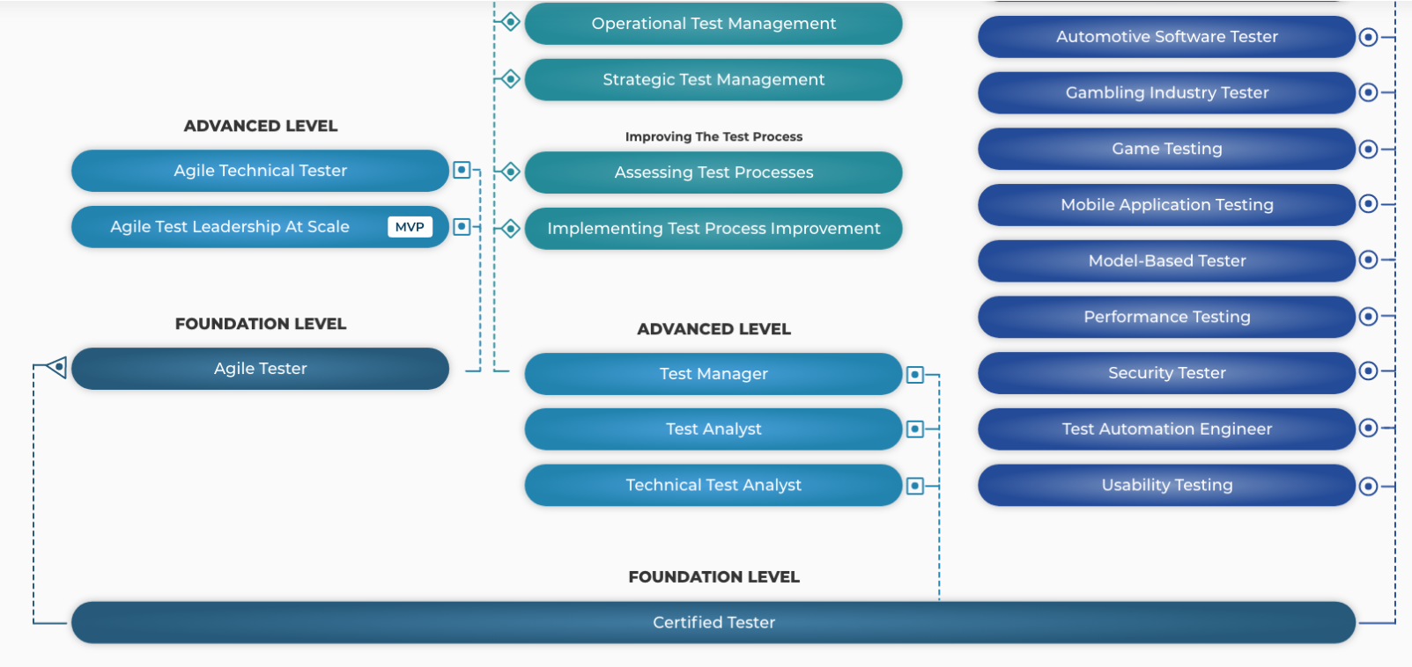
List of certificates- designed for Tester major

No | Module/Subject Name | Shortname | Description | Level | Link | Link with subject
1 | Certified Tester Foundation Level (CTFL) v4.0 | CTFL | The ISTQB® Certified Tester Foundation Level (CTFL) certification is the cornerstone of essential testing knowledge that can be applied to real-world scenarios. The syllabus provides a comprehensive understanding of the terminology and concepts used in the testing domain worldwide, making it relevant for all software delivery approaches and practices, including Waterfall, Agile, DevOps, and Continuous Delivery. | Foundation | Certified Tester Foundation Level (CTFL) v4.0 [NEW!] (istqb.org) | SWT301
2 | Certified Tester Foundation Level Agile Tester (CTFL-AT) | CTFL-AL | The ISTQB® Foundation Level Agile Tester (CTFL-AT) certification provides the key testing skills necessary to successfully contribute to an Agile project. CTFL-AT covers agile testing in alignment with the principles of agile software development as outlined in the Agile Manifesto. | Foundation | Agile Tester (istqb.org) | SWT301
3 | Certified Tester Mobile Application Testing (CT-MAT) | CT-MAT | The ISTQB® Mobile Application Testing (CT-MAT) certification provides an insight into methods, techniques, and tools a professional may use to test mobile applications. It covers the required mobile project activities, roles, methods, and methodologies. | Specialized | Mobile Application Testing (istqb.org) | SWT301
4 | Certified Tester Acceptance Testing (CT-AcT) | CT-AcT | The ISTQB® Acceptance Testing (CT-AcT) certification focuses on the concepts, methods, and practices of collaboration between product owners/business analysts and testers in acceptance testing. It covers user acceptance testing (UAT), contractual and regulatory acceptance testing, as well as alpha and beta testing. | Specialized | Acceptance Testing (istqb.org) | SWT301
5 | Certified Tester Usability Testing (CT-UT) | CT-UT | The ISTQB® Certified Tester Usability Tester (CT-UT) focuses on usability testing methods and approaches. It covers set up procedures from a usability, user experience, and accessibility, as well as relevant standards and risks. | Specialized | Usability Testing (istqb.org) | SWT301

 |  |  | International Software Testing Qualifications Board (istqb.org)

