FAQ
Terminology Autism
Anticlockwise | Default direction for multi-player effects. Start with yourself.
(At any time) | Literally at any time. Something something chain link… something something stack…
 | Can only be responded to by other (At any time) effects.
Attacks | "Attack" means you initiated the battle. "Is attacked" means another card initiated against you. A card cannot attack itself.
Battle | If both characters are to be discarded, the defender gets discarded first.
 | You cannot declare an attack on your own characters, but it can happen through effects. A card cannot battle itself.
Can't | Beats Can.
Card | All cards are "cards".
Character | Characters are on-board cards. All cards can be characters, even if they aren't a 'character' per say.
 | A non-effect character usually has a different background and extra flavor text. Cards with negated effects are not non-effect characters.
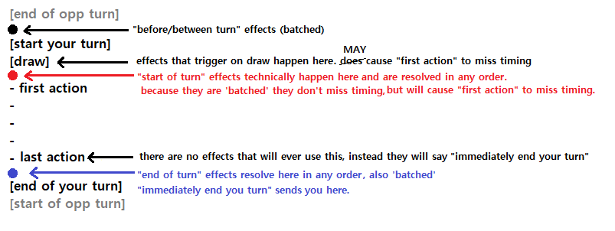
Cardbacks | Different cardbacks revealing information is not a problem, but avoid if possible. For example it is ok to shuffle FAITH cards into the normal deck.
 | When picking randomly, you should try not to see the cardbacks. (TTS hides cardbacks in player's hands.)
Choose | Does not target.
Counters | Counters on cards disappear if flipped face-down.
Dead Wall | (Only for "competitive" matches.) Remove 5 - 10 cards from the deck face-down before the game begins.
 | This ensures that you cannot deduce an opponent's entire hand with a deck search effect.
Discard | You the owner choose the discard order of your cards, unless otherwise stated. |  | <-- i know you fags play this differently, and i don't really care, but just saying that this the ruling i'm going with
 | Discards are always 'one-at-a-time', and resolved using stack/chain mechanics.
 | When multiple players discard at once, the turn player goes first, then anticlockwise.
 | For example, during a global board wipe the activating player discards their cards first in any order, then the next player discards their cards in any order they wish, and so on.
Draw | Drawing is technically always 'one-at-a-time'.
 | When multiple players draw at once, the turn player goes first, then anticlockwise.
 | Implied to always be from the Main Deck. Effects using the Faith Deck are always specifically said to be so.
"Add to hand" | Different to a draw. Can get around some lock effects.
 | A "draw" is a subtype of "add to hand". So "adding" is not necessarily a "draw", but "draw" is always an "add".
 | Another example of "adding to hand" is returning a card to the hand from the board.
Effect | Specifically a FAITH/SPELL/PASSIVE/ACTIVE ...and BRICK... and whatever else comes up in the future.
 | Effects that activate when summoned / discarded / drawn etc. happen immediately. (They add to the chain.)
 | Drawing or discarding multiple cards at once can be considered a chain - with EACH draw or discard considered an action.
Empty Deck | If a player would draw from an empty Main Deck at any time, they lose (are eliminated). The next player then tries to draw from the deck until only one person remains. (Seating is skill)
 | If the Faith Deck is empty, there is just no draw and play continues.
End/Start of Turn Effects | Players resolve their effects anticlockwise, with the owner deciding the order of their cards to resolve. |  |  | ---------------> | ---------------> | ---------------> | ---------------> | ---------------> | ---------------> | --------------->
Extra Zone | Cards here are considered out-of-play but may have lingering PASSIVE effects. To be "Extra Zoned" simply means being in the Extra Zone. |  |  |  |  |  |  |  |  |  | GAME PHASE | DESCRIPTION | Can you SS YUZU? | EXAMPLES
Face-down Cards | Treat them like they don't exist basically. Can't be destroyed/melded/targeted etc. unless specifically stated. Can't be used for effects that count cards etc. Counts as leaving play. |  |  |  |  |  |  |  |  |  | Start of Game | Actions to perform while setting up the game. | NO | Decide turn order, Urara Kinen
FAITH | Are usually activated from your hand, similar to a SPELL effect. However, they are not counted as SPELL effects. |  |  |  |  |  |  |  |  |  | Starting Hands | Players draw 5 cards (one at a time) starting from first player anti-clockwise. | YES | Banana, walls (only if not the last player)
Gain Control | You can gain control of your own characters. |  |  |  |  |  |  |  |  |  | Turn Change | The end of the previous player's turn and the start of the next player's turn. | NO | Flip cards back face-up, Take your meds wears off
Gender | Indicated by a Sakura or Bamboo icon next to the name. Cards without this have no gender. |  |  |  |  |  |  |  |  |  | Draw for Turn | Draw 1 card at the start of your turn. | YES | Banana, walls, Ya Boy
Immediately | Functionally irrelevant. Added for emphasis to clarify effects and reduce possible confusion. |  |  |  |  |  |  |  |  |  | Start of Turn | The first passive action(s) of a player's turn. They choose the activation order. | YES | "At the start of your turn" effects
Immune | Basically treat immune cards/players as if they do not exist. Cannot be targeted.
Instead | Replaces that particular effect, but the rest of the effects (if any) resolve. Kind of a 'soft' negate. |  |  |  |  |  |  |  |  |  | First Action | The first manual action of a player's turn. (Voided if above actions were performed.) | YES | Ichihime
KAN | Place a card from your board on one of your triplet melds. Then you draw the bottom card of the deck. |  |  |  |  |  |  |  |  |  | Turn Actions |  | YES | Everything
 | This is not a "meld" or "effect", but it is a "draw" and by extention an "add".
Layout | You can move your cards around on your board whenever you want during your turn - except during effects/attacks.
 | I would say that you should be charitable to people when trying to enforce this rule. |  |  |  |  |  |  |  |  |  | Last Action | The last manual action of a player's turn - either willingly or forced. | YES | Announcing turn end, CEO
Leaving Play | When a card is moved anywhere else, excluding other player's boards. (Includes being flipped face-down.) |  |  |  |  |  |  |  |  |  | End of Turn | The last passive action(s) of a player's turn. They choose the activation order. | YES | Drnuk, Hotwheels, Mommy effect wears off
 | Removes all counters and shit from the card. |  |  |  |  |  |  |  |  |  | Hand Size Discard | Discard down to your hand size, one at a time. | YES | Gyrau will activate if discarded here.
Leaving Board | When a card is moved anywhere else, including other player's boards and the meld zone. (Does include being flipped face-down.) |  |  |  |  |  |  |  |  |  | Turn Change | The end of the previous player's turn and the start of the next player's turn. | NO | Flip cards back face-up, "stun" wears off, Mahjong Friends wears off
(Mandatory) | Just a reminder. Does not mean that effects without this aren't mandatory. If it does not say "you can", it is not optional. |  |  |  |  |  |  |  |  |  | (Repeat)
Melding | There is a difference between "interrupting" and "negating" melds. Interrupting a meld stops it from happening, but does not 'consume' your meld allowance. |  |  |  |  |  |  |  |  |  | End of Game | Someone has made 4 melds. | NO | Determine Winning Ticket
(Once per turn) | There is no soft once per turn, all once per turns are hard once per turns for any copy of any card, or any effect that copies other effects.
 | I've decided that cards that copy effects have their own separate (Once per turn) clause since they are a different card.
 | E.g. Hag and Choco can both activate, but not 2 Hags and not 2 Chocos.
(Once per game) | This is a hard rule. These effects cannot be copied ever.
Overlay | "Overlaid" cards refer to the cards underneath the top card. |  |  |  |  |  |  |  |  |  | BATTLE PHASE | DESCRIPTION | Can you SS YUZU? | EXAMPLES
 | Overlaid cards are treated similar to face-down cards. They can be used for effects that specifically mention them. |  |  |  |  |  |  |  |  |  | Initiate Battle | Declare attacker and attackee. | YES
 | When a character leaves play, discard it and all its overlaid cards in any order. (So a character will lose its overlaid cards when flipped face-down.) |  |  |  |  |  |  |  |  |  | Determine Battle | Compare ATK/DEF and decide which cards should be discarded. | NO
 | You can overlay on top of cards that have already attacked/used an ACTIVE, and their status will not carry over. |  |  |  |  |  |  |  |  |  | Attackee Discarded | If applicable. | YES | (Miko activates here)
Owner | You own a card if it is on your board, in your hand, or in your meld zone. |  |  |  |  |  |  |  |  |  | Attacker Discarded | If applicable. | YES | (or here)
Priority | Similar to MTG, but priority is passed anti-clockwise. (If two players pon at the same time, your rightlord wins.)
 | You start off with priority, meaning you have the first chance to respond to your own actions. Then priority is implicitly passed anti-clockwise.
 | Priority does NOT pass back to you in the same chain step. You cannot pass priority and then respond to your own action again.
Put | Is not considered summoning, discarding etc. |  |  |  |  |  |  |  |  |  | MELDING | DESCRIPTION | Can you SS YUZU? | EXAMPLES
Remove from game | Permanently set aside a card. These cards can never be recovered. (No cards do this atm.) |  |  |  |  |  |  |  |  |  | Meld | Attempt to meld. | YES
Reveal | Reveals to all players, unless specifically stated. Does not imply discarding or shuffling back, unless specifically stated. Return to the original position if no other instruction. |  |  |  |  |  |  |  |  |  | Melded | Period of time after setting aside the melded cards. | YES | Nana
Search | Shuffling is implied after searching the deck. |  |  |  |  |  |  |  |  |  | Draw Faith Card | Draw 1 card from the Faith Deck. | YES
 | Revealing the searched card is implied if the search is conditional. You do not have to reveal if you searched for "any" card.
Special Meld | It is implied that these must always be valid sequences/triplets, unless otherwise stated.
Stacking Effects | Do not persist when a character "leaves play".
Stats | Changes to ATK / DEF / VALUE do not persist when a character leaves play. |  |  |  |  |  |  |  |  |  | ACTIVATE EFFECT | DESCRIPTION | Can you SS YUZU? | EXAMPLES
 | The owner of a card chooses the order of how stat changing effects are applied. |  |  |  |  |  |  |  |  |  | tbd | im working on a document
Star Values * | The owner chooses the VALUE at any time (min 1), however the chosen VALUE is locked during an effect chain.
Summon | Cards always enter the board 'not tapped'. Therefore, a card summoned multiple times in a turn can Attack or use their ACTIVE each time.
Tap | Just a way to keep track of cards. There is no interaction with this mechanic.
Target | Keyword. There is a clear distinction between targeted and non-targeted effects. If an effect does not mention 'target', then it doesn't target.
Turn | Individual to each player. There is no keyword for 'going-once-around-the-table'.
 | Esoteric distinct phases of a turn: Before Your Turn Starts, Your Turn Starts, Draw for Turn, [Your Turn], End Your Turn, Before Your Opponent's Turn Starts... |  |  |  |  | ... See picture above.
"This turn" | The current player's turn.
"Your turn" | Your turn, which also sometimes "This turn".
"Their turn" | Whoever is the current player's turn. Could be you, who knows?
Summoned | If not stated Normal or Special, then it includes both.
VALUE | It is possible to exceed 9, but not go below 1.
ATK/DEF | Cannot go below 0.

Mulligan (Optional) | 1st player mulligans first, then anticlockwise | Choose whatever mulligan style you like. Players just need to agree. |  |  |  |  |  | Conventions
 | e.g. At the start of the game, place any number of cards from hand on the bottom of the deck and draw that many cards. Shuffle the deck after all players have mulliganed. |  |  |  |  |  |  | this turn not the turn
 | e.g. full hand mulligan |  |  |  |  |  |  | 16-14-(14)-16-14
 |  |  |  |  |  |  |  | 16-12-(12)-16-12
 |  |  |  |  |  |  |  | 16-12-(14)-16-12

 |  |  |  |  |  |  |  | Chain Rulings (not official, wip)
 |  |  |  |  |  |  |  | All actions start a chain.
 |  |  |  |  |  |  |  | Effects with a colon (:) cannot be chained to until after the colon.
 |  |  |  |  |  |  |  | Effects with a semicolon (;) cannot be chained to until after the semicolon.
 |  |  |  |  |  |  |  | Effects with both a colon and semicolon cannot be chained to until after the semicolon.

 |  |  |  |  |  |  |  | 6 line text
 |  |  |  |  |  |  |  | 5 or less line text

PSCT
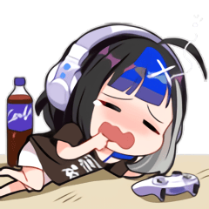
Conjunctions | neither | A | both |  | There is no functional difference between 'if' and 'when'. You cannot miss timing in this way.
sequentially | next / fullstop | then / semicolon | -
simultaneously | also | if you do | and / and then

Colons ( : ) describe activation conditions and are not a conjuction. |  |  |  |  | Unlike YuGiOh, the semicolon ( ; ) is just shorthand for the conjuction 'then'. |  |  |  | A full stop ( . ) is shorthand for the conjuction 'next'.
If this is your first action this turn: |  |  |  |  | Target an opponent; |  | = | Target an opponent, then... | Draw 1 card. | = | Draw 1 card. Next...
When this card is summoned: |  |  |  |  | Discard this card; |  | = | Discard this card, then... | Discard this card. | = | Discard this card. Next...
When you draw this card: |  |  |  |  | Reveal this card; |  | = | Reveal this card, then... | End your turn. | = | End your turn. Next...
If this card is discarded: |  |  |  |  | Special Summon this card; |  | = | Special Summon this card, then... | Shuffle the deck. | = | Shuffle the deck. Next...
Colons are sometimes used in the middle of an effect after conjuctions. |  |  |  |  | They are used interchangeably for the sole purpose of making effects easier to read. |  |  |  | The conjunction 'next' is used with a full stop for reading clarity.
This does not change how conjuctions work in that effect.

Basically if the effect does not contain a sequential conjuction, you cannot interact until it resolves.
THEN / semicolon |  |  | You must perform A to perform B. (Sequential - Opponent can respond between the conjunction.)
Discard 1 card, then draw 1 card. |  |  | If you did not or can not discard 1 card, you can not draw 1 card. If you cannot draw 1 card, you still discard 1 card.
Target an opponent character; Discard it. |  |  | If you can not target an opponent character, you can not discard it. If you cannot discard the opponent character, you can still activate and target without effect.
Target an opponent; They discard 1 card. |  |  | If you can not target an opponent , they do not discard 1 card. If they cannot discard a card, you can still activate and target without effect.
Special Summon, then draw 1 card. |  |  | If you successfully Special Summoned, you draw 1 card regardless of what happens to that Special Summoned card.
Reveal this card; Target a character, then draw 1 card. |  |  | If you cannot reveal, then you cannot target, then you cannot draw 1. If you can reveal, then cannot target, you cannot draw 1. You can only draw 1 if you successfully reveal this card, then successfully target a character. But if you cannot draw a card, you can still activate to reveal then target.

IF YOU DO |  |  | You must perform A to perform B. (Simultaneous - Opponents cannot respond between the conjunction.) VERY RARE
Discard 1 card, if you do, draw 1 card. |  |  | Exactly the same explanations as above, however AAT effects cannot be chained until after the entire sentence.
Target an opponent character, if you do, discard it.
Target an opponent, if you do, they discard 1 card.
Special Summon, if you do, draw 1 card.
Reveal this card, iyd, target a character, iyd, draw 1.
AND / AND THEN |  |  | You must perform A and B. (Simultaneous - Opponents cannot respond between the conjunction.) Because ALL effects happen sequentially as they are written, the "sequential both" conjuction 'and then' now means the exact same as 'and'.
Discard 1 card and draw 1 card. |  |  | You must be able to discard 1 card and draw 1 card to activate. Opponents cannot respond until afterwards.
Target an opponent character and discard it. |  |  | You must be able to target and discard to activate. Opponents cannot respond until afterwards.
Target an opponent and they discard 1 card. |  |  | You must be able to target and discard to activate. Opponents cannot respond until afterwards.
Special Summon and draw 1 card. |  |  | You must be able to Special Summon and draw 1 to activate. Opponents cannot respond until afterwards.
Reveal this and target a character and draw 1 card. |  |  | You must be able to reveal and target and draw 1 to activate. Opponents cannot respond until afterwards.
NEXT / fullstop |  |  | Perform A. Perform B. You are not required to perform one or the other, just try to do both. (Sequential - Opponents can respond between the conjunction.)
Discard 1 card. Draw 1 card. |  |  | If you cannot discard, you can still draw. If you cannot draw, you can still discard.
Special Summon this card. Draw 1 card. |  |  | If you cannot draw, you can still Special Summon. If you cannot Special Summon, you can still draw.
ALSO |  |  | Perform A. Perform B. You are not required to perform one or the other, just try to do both. (Simultaneous - Opponents cannot respond between the conjunction.)
Discard 1 card, also draw 1 card. |  |  | Same as above except AAT effects cannot be chained until after the entire sentence.
Special Summon this card, also draw 1 card.
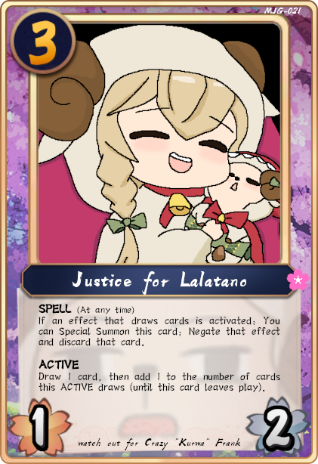

 |  | EFFECT |  |  | RESPONSE
 |  | If a draw effect is activated: |  |  | Activation condition, cannot respond.
 |  | Special Summon this card; |  |  | Conjuction 'then'. Can respond to Special Summon.
 |  | Negate that effect and |  |  | If the Special Summon happened, the negate will also happen. Cannot respond to 'and'.
 |  | discard that card. |  |  | Negate and discard happen simultaneously. Can only respond after the full stop.

 |  | Draw 1 card, then |  |  | Conjuctive 'then'. Can respond.
 |  | add 1 to number... play). |  |  | Conjuctive 'full stop'. Can respond.

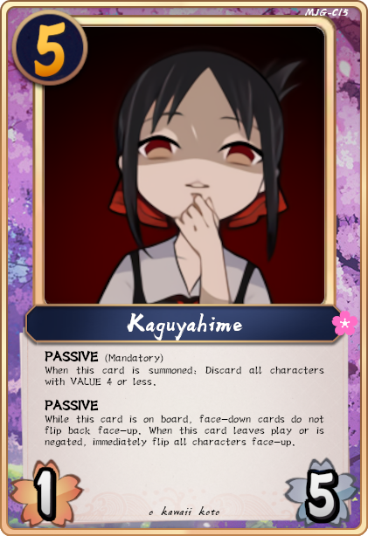

 |  | EFFECT |  |  | RESPONSE
 |  | When this card is summoned: |  |  | Activation condition, cannot respond.
 |  | Discard all characters with VALUE 4 or less. |  |  | Cannot respond until after the full stop, but effects resolve down the stack/chain.

 |  | When this leaves play: |  |  | Activation condition, cannot respond.
 |  | Flip characters. |  |  | Can respond after sentence.

THE STACK / THE CHAIN / THE LIST
This mechanic is more similar to MTG than Yugioh, as you cannot chain block and can keep adding to it at any point.
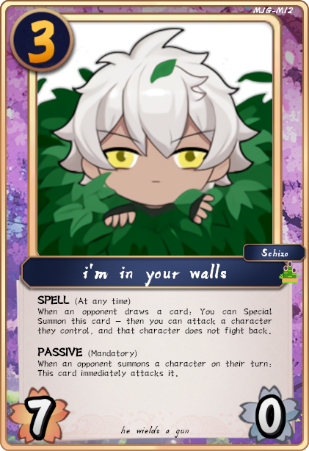
EXAMPLE 1: Effects that do not contain 'then', semicolon, 'next', or a full stop in the middle.

 |  |  |  | Kaguyahime is summoned with Walls on board. What happens?

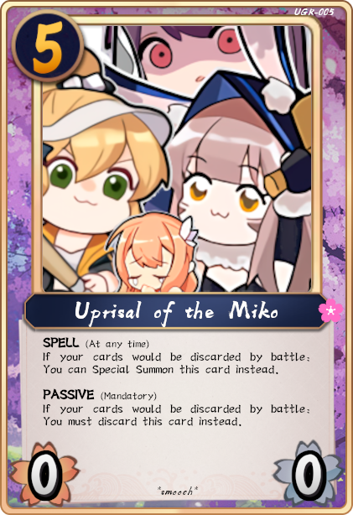
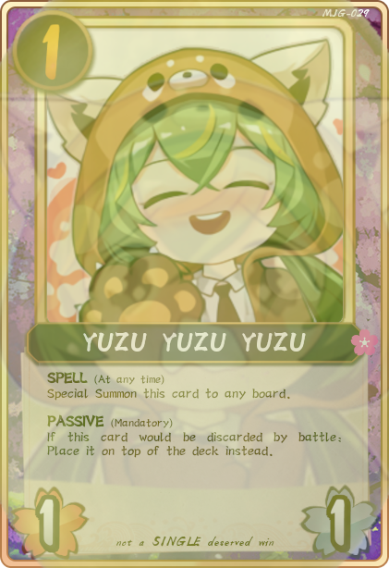
 |  |  |  | Kaguyahime Summon |  |  |  | Player keeps priority and must immediately chain her mandatory PASSIVE effect. No opponent response window.
 |  |  |  | Kaguyahime PASSIVE effect |  |  |  | Player keeps priority and may respond to themself, but does not and passes priority around the board (anticlockwise).
 |  |  |  |  | Chain Walls PASSIVE effect |  |  | When opponent receives priority, they must chain their mandatory PASSIVE. They may respond to themself, but they do not and pass priority.
 |  |  |  |  |  |  |  | Everyone else passes priority and the chain starts resolving.
 |  |  |  |  | Walls initiates battle against Kaguyahime |  |  | Walls owner now has priority so they may chain an effect. They do not and pass priority around the board.
 |  |  |  |  |  | Chain Miko SPELL |  | Player recieves priority and chains Miko. Player passes priority around the board and chain continues resolving.
 |  |  |  |  |  | Miko Special Summoned |  | Player passes priority around the board...
 |  |  |  |  |  |  | YUZU SPELL | Yuzutard recieves priority and chains YUZU. Yuzutard passes priority around the board and chain continues resolving.
 |  |  |  |  |  |  | YUZU SS | Yuzutard passes priority around the board and chain continues resolving.
 |  |  |  |  | Kaguyahime prevented from being discarded |  |  | No response window as nothing 'happened'.
 |  |  |  |  | Walls is discarded by battle |  |  | Walls owner passes priority around the board and chain continues resolving.
 |  |  |  | Kaguyahime PASSIVE starts resolving |  |  |  | (Even if Kaguyahime was discarded, this would still resolve because she was successfully summoned.)
 |  |  |  | Cards with VALUES 4 or less are discarded one at a time... |  |  |  | Players have the option to chain to any discard.
 |  |  |  | ... ... ... YUZU discarded by effect and does not go on top of deck...
 |  |  |  | ... ... ... last card is discarded.

 |  |  |  | Note that this is also a possible chain of events, which in this case would not make any difference.
 |  |  |  |  |  | Chain Miko SPELL |  | Player recieves priority and chains Miko. Player passes priority around the board...
 |  |  |  |  |  |  | YUZU SPELL | Yuzutard recieves priority and chains YUZU. Yuzutard passes priority around the board and chain continues resolving.
 |  |  |  |  |  |  | YUZU SS | Yuzutard passes priority around the board and chain continues resolving.
 |  |  |  |  |  | Miko Special Summoned |  | Player passes priority around the board and chain continues resolving.

EXAMPLE 2: Effects where you are able to chain part-way through the effect text.

