MissingData
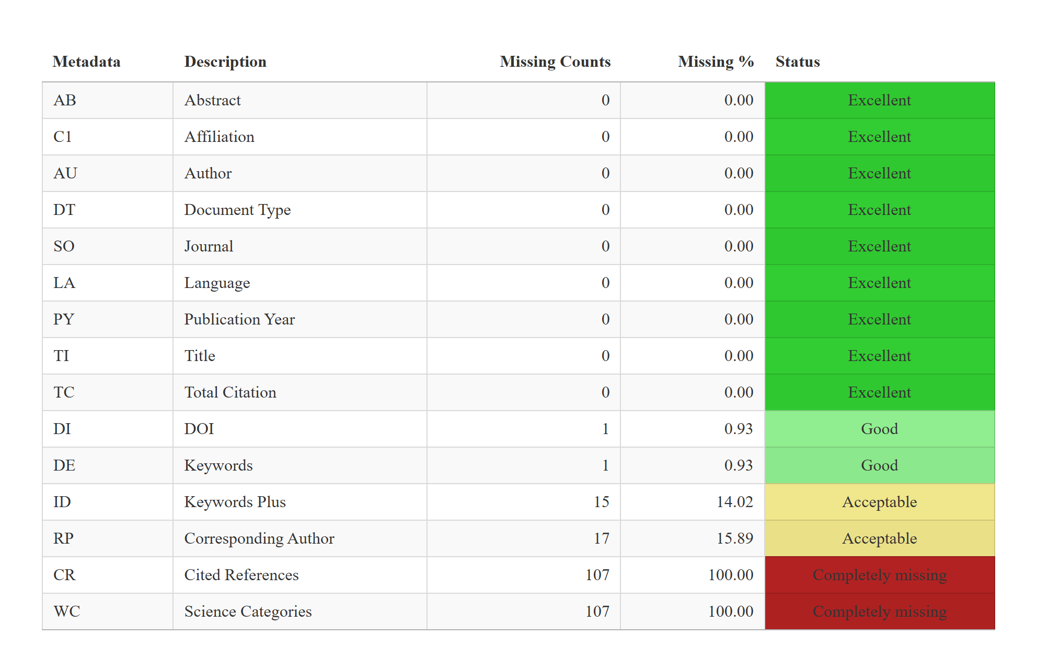

AnnualSciProd
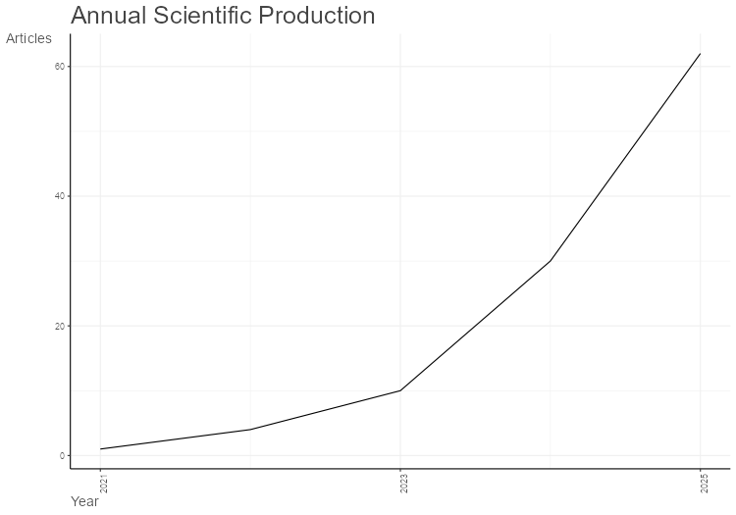
Year | Articles
2021 | 1
2022 | 4
2023 | 10
2024 | 30
2025 | 62

AnnualCitPerYear
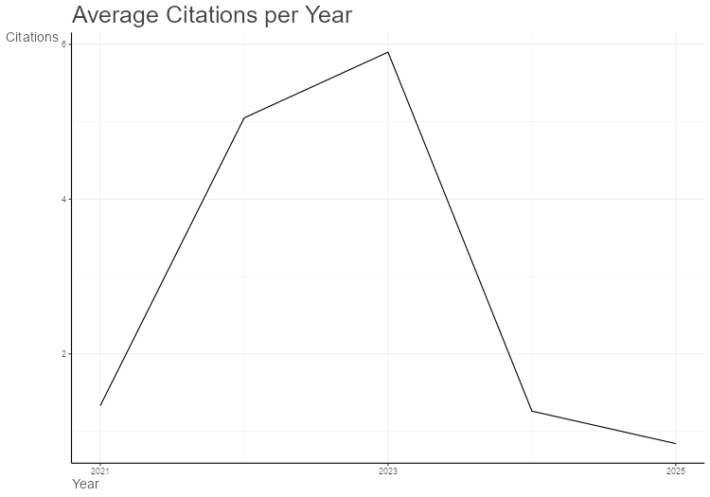
Year | MeanTCperArt | N | MeanTCperYear | CitableYears
2021 | 8 | 1 | 1.33 | 6
2022 | 25.25 | 4 | 5.05 | 5
2023 | 23.6 | 10 | 5.9 | 4
2024 | 3.77 | 30 | 1.26 | 3
2025 | 1.69 | 62 | 0.84 | 2

MostRelSources
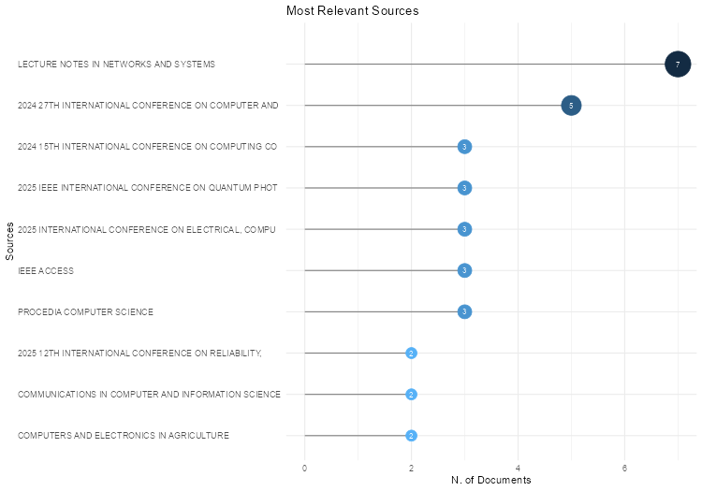
Sources | Articles
LECTURE NOTES IN NETWORKS AND SYSTEMS | 7
2024 27TH INTERNATIONAL CONFERENCE ON COMPUTER AND INFORMATION TECHNOLOGY, ICCIT 2024 - PROCEEDINGS | 5
2024 15TH INTERNATIONAL CONFERENCE ON COMPUTING COMMUNICATION AND NETWORKING TECHNOLOGIES, ICCCNT 2024 | 3
2025 IEEE INTERNATIONAL CONFERENCE ON QUANTUM PHOTONICS, ARTIFICIAL INTELLIGENCE, AND NETWORKING, QPAIN 2025 | 3
2025 INTERNATIONAL CONFERENCE ON ELECTRICAL, COMPUTER AND COMMUNICATION ENGINEERING, ECCE 2025 | 3
IEEE ACCESS | 3
PROCEDIA COMPUTER SCIENCE | 3
2025 12TH INTERNATIONAL CONFERENCE ON RELIABILITY, INFOCOM TECHNOLOGIES AND OPTIMIZATION ,TRENDS AND FUTURE DIRECTIONS, ICRITO 2025 | 2
COMMUNICATIONS IN COMPUTER AND INFORMATION SCIENCE | 2
COMPUTERS AND ELECTRONICS IN AGRICULTURE | 2
ELECTRONICS (SWITZERLAND) | 2
ICCA 2024 - 3RD INTERNATIONAL CONFERENCE ON COMPUTING ADVANCEMENTS, 2024 | 2
IEEE JOURNAL OF SELECTED TOPICS IN APPLIED EARTH OBSERVATIONS AND REMOTE SENSING | 2
13TH INTERNATIONAL CONFERENCE ON ELECTRICAL AND COMPUTER ENGINEERING, ICECE 2024 | 1
2022 IEEE 13TH ANNUAL INFORMATION TECHNOLOGY, ELECTRONICS AND MOBILE COMMUNICATION CONFERENCE, IEMCON 2022 | 1
2023 26TH INTERNATIONAL CONFERENCE ON COMPUTER AND INFORMATION TECHNOLOGY, ICCIT 2023 | 1
2023 GLOBAL CONFERENCE ON INFORMATION TECHNOLOGIES AND COMMUNICATIONS, GCITC 2023 | 1
2024 3RD INTERNATIONAL CONFERENCE ON ARTIFICIAL INTELLIGENCE FOR INTERNET OF THINGS, AIIOT 2024 | 1
2024 5TH INTERNATIONAL CONFERENCE ON INNOVATIVE TRENDS IN INFORMATION TECHNOLOGY, ICITIIT 2024 | 1
2024 IEEE 1ST INTERNATIONAL CONFERENCE ON GREEN INDUSTRIAL ELECTRONICS AND SUSTAINABLE TECHNOLOGIES, GIEST 2024 | 1
2024 IEEE 2ND INTERNATIONAL CONFERENCE ON EMERGING TRENDS IN ENGINEERING AND MEDICAL SCIENCES, ICETEMS 2024 | 1
2024 INTERNATIONAL CONFERENCE ON ADVANCES IN COMPUTING RESEARCH ON SCIENCE ENGINEERING AND TECHNOLOGY, ACROSET 2024 | 1
2024 INTERNATIONAL CONFERENCE ON INNOVATIONS IN SCIENCE, ENGINEERING AND TECHNOLOGY: INNOVATIVE TECHNOLOGIES FOR GLOBAL SOLUTIONS, ICISET 2024 | 1
2025 6TH INTERNATIONAL CONFERENCE ON DATA INTELLIGENCE AND COGNITIVE INFORMATICS, ICDICI 2025 | 1
2025 IEEE 14TH INTERNATIONAL CONFERENCE ON COMMUNICATION SYSTEMS AND NETWORK TECHNOLOGIES, CSNT 2025 | 1
2025 INTERNATIONAL CONFERENCE ON DATA SCIENCE AND ITS APPLICATIONS, ICODSA 2025 | 1
2ND IEEE INTERNATIONAL CONFERENCE ON DISTRIBUTED COMPUTING AND ELECTRICAL CIRCUITS AND ELECTRONICS, ICDCECE 2023 | 1
6TH INTERNATIONAL CONFERENCE ON ROBOTICS AND AUTOMATION IN INDUSTRY, ICRAI 2024 | 1
AGRICULTURAL AND FOREST METEOROLOGY | 1
AGRICULTURAL WATER MANAGEMENT | 1
APPLIED FRUIT SCIENCE | 1
APPLIED INTELLIGENCE | 1
APPLIED SCIENCES (SWITZERLAND) | 1
ARRAY | 1
BIODATA MINING | 1
BMC PLANT BIOLOGY | 1
CHEMICAL ENGINEERING SCIENCE | 1
COMPUTERS, MATERIALS AND CONTINUA | 1
CURRENT PLANT BIOLOGY | 1
DISCOVER COMPUTING | 1
DISCOVER LIFE | 1
ECOLOGICAL INDICATORS | 1
ECOLOGICAL INFORMATICS | 1
ELECTRONIC LETTERS ON COMPUTER VISION AND IMAGE ANALYSIS | 1
ENGINEERING RESEARCH EXPRESS | 1
ENTROPY | 1
ENVIRONMENTAL MONITORING AND ASSESSMENT | 1
ENVIRONMENTAL RESEARCH COMMUNICATIONS | 1
FOOD CHEMISTRY | 1
FRONTIERS IN FORESTS AND GLOBAL CHANGE | 1
FRONTIERS IN PLANT SCIENCE | 1
GCCE 2023 - 2023 IEEE 12TH GLOBAL CONFERENCE ON CONSUMER ELECTRONICS | 1
GCCE 2024 - 2024 IEEE 13TH GLOBAL CONFERENCE ON CONSUMER ELECTRONICS | 1
HORTICULTURAE | 1
IEEE INTERNATIONAL CONFERENCE ON FUZZY SYSTEMS | 1
INDIAN JOURNAL OF HORTICULTURE | 1
INGENIERIE DES SYSTEMES D'INFORMATION | 1
INTERNATIONAL CONFERENCE ON ELECTRONICS, AI, AND COMPUTING: INNOVATING FOR A SUSTAINABLE AND CONNECTED FUTURE, EAIC 2025 | 1
INTERNATIONAL CONFERENCE ON SUSTAINABLE COMMUNICATION NETWORKS AND APPLICATION, ICSCNA 2023 - PROCEEDINGS | 1
INTERNATIONAL CONFERENCE ON TRENDS IN ENGINEERING SYSTEMS AND TECHNOLOGIES, ICTEST 2025 - PROCEEDINGS | 1
INTERNATIONAL JOURNAL OF APPLIED EARTH OBSERVATION AND GEOINFORMATION | 1
IRANIAN JOURNAL OF SCIENCE | 1
JOURNAL OF AGRICULTURAL, BIOLOGICAL, AND ENVIRONMENTAL STATISTICS | 1
JOURNAL OF HAZARDOUS MATERIALS | 1
JOURNAL OF WATER PROCESS ENGINEERING | 1
LECTURE NOTES IN INFORMATICS (LNI), PROCEEDINGS - SERIES OF THE GESELLSCHAFT FUR INFORMATIK (GI) | 1
NEW ZEALAND JOURNAL OF CROP AND HORTICULTURAL SCIENCE | 1
PLANT PHENOMICS | 1
PROCEEDINGS - 2022 4TH INTERNATIONAL CONFERENCE ON ADVANCES IN COMPUTING, COMMUNICATION CONTROL AND NETWORKING, ICAC3N 2022 | 1
PROCEEDINGS - 2022 IEEE INTERNATIONAL CONFERENCE ON BIG DATA AND SMART COMPUTING, BIGCOMP 2022 | 1
PROCEEDINGS - 2024 IEEE INTERNATIONAL CONFERENCE ON BIG DATA, BIGDATA 2024 | 1
PROCEEDINGS - 2024 IEEE INTERNATIONAL CONFERENCE ON FUTURE MACHINE LEARNING AND DATA SCIENCE, FMLDS 2024 | 1
PROCEEDINGS OF 2024 IEEE INTERNATIONAL CONFERENCE ON DATA AND SOFTWARE ENGINEERING: DATA-DRIVEN INNOVATION: TRANSFORMING INDUSTRIES AND SOCIETIES, ICODSE 2024 | 1
PROCEEDINGS OF 2025 1ST INTERNATIONAL CONFERENCE ON RADIO FREQUENCY COMMUNICATION AND NETWORKS, RFCON 2025 | 1
PROCEEDINGS OF 3RD IEEE INTERNATIONAL CONFERENCE ON KNOWLEDGE ENGINEERING AND COMMUNICATION SYSTEMS, ICKECS 2025 | 1
PROCEEDINGS OF NUCLEAR PLANT INSTRUMENTATION AND CONTROL AND HUMAN-MACHINE INTERFACE TECHNOLOGY, NPIC AND HMIT 2025 | 1
PROGRESS IN NUCLEAR ENERGY | 1
SCIENCE OF THE TOTAL ENVIRONMENT | 1
SMART AGRICULTURAL TECHNOLOGY | 1
WATER (SWITZERLAND) | 1
WATER RESEARCH | 1

BradfordLaw
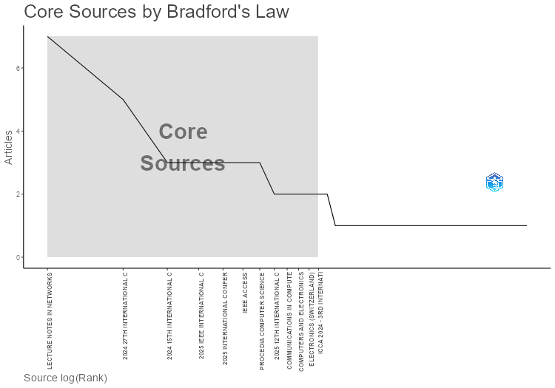
SO | Rank | Freq | cumFreq | Zone
LECTURE NOTES IN NETWORKS AND SYSTEMS | 1 | 7 | 7 | Zone 1
2024 27TH INTERNATIONAL CONFERENCE ON COMPUTER AND INFORMATION TECHNOLOGY, ICCIT 2024 - PROCEEDINGS | 2 | 5 | 12 | Zone 1
2024 15TH INTERNATIONAL CONFERENCE ON COMPUTING COMMUNICATION AND NETWORKING TECHNOLOGIES, ICCCNT 2024 | 3 | 3 | 15 | Zone 1
2025 IEEE INTERNATIONAL CONFERENCE ON QUANTUM PHOTONICS, ARTIFICIAL INTELLIGENCE, AND NETWORKING, QPAIN 2025 | 4 | 3 | 18 | Zone 1
2025 INTERNATIONAL CONFERENCE ON ELECTRICAL, COMPUTER AND COMMUNICATION ENGINEERING, ECCE 2025 | 5 | 3 | 21 | Zone 1
IEEE ACCESS | 6 | 3 | 24 | Zone 1
PROCEDIA COMPUTER SCIENCE | 7 | 3 | 27 | Zone 1
2025 12TH INTERNATIONAL CONFERENCE ON RELIABILITY, INFOCOM TECHNOLOGIES AND OPTIMIZATION ,TRENDS AND FUTURE DIRECTIONS, ICRITO 2025 | 8 | 2 | 29 | Zone 1
COMMUNICATIONS IN COMPUTER AND INFORMATION SCIENCE | 9 | 2 | 31 | Zone 1
COMPUTERS AND ELECTRONICS IN AGRICULTURE | 10 | 2 | 33 | Zone 1
ELECTRONICS (SWITZERLAND) | 11 | 2 | 35 | Zone 1
ICCA 2024 - 3RD INTERNATIONAL CONFERENCE ON COMPUTING ADVANCEMENTS, 2024 | 12 | 2 | 37 | Zone 1
IEEE JOURNAL OF SELECTED TOPICS IN APPLIED EARTH OBSERVATIONS AND REMOTE SENSING | 13 | 2 | 39 | Zone 2
13TH INTERNATIONAL CONFERENCE ON ELECTRICAL AND COMPUTER ENGINEERING, ICECE 2024 | 14 | 1 | 40 | Zone 2
2022 IEEE 13TH ANNUAL INFORMATION TECHNOLOGY, ELECTRONICS AND MOBILE COMMUNICATION CONFERENCE, IEMCON 2022 | 15 | 1 | 41 | Zone 2
2023 26TH INTERNATIONAL CONFERENCE ON COMPUTER AND INFORMATION TECHNOLOGY, ICCIT 2023 | 16 | 1 | 42 | Zone 2
2023 GLOBAL CONFERENCE ON INFORMATION TECHNOLOGIES AND COMMUNICATIONS, GCITC 2023 | 17 | 1 | 43 | Zone 2
2024 3RD INTERNATIONAL CONFERENCE ON ARTIFICIAL INTELLIGENCE FOR INTERNET OF THINGS, AIIOT 2024 | 18 | 1 | 44 | Zone 2
2024 5TH INTERNATIONAL CONFERENCE ON INNOVATIVE TRENDS IN INFORMATION TECHNOLOGY, ICITIIT 2024 | 19 | 1 | 45 | Zone 2
2024 IEEE 1ST INTERNATIONAL CONFERENCE ON GREEN INDUSTRIAL ELECTRONICS AND SUSTAINABLE TECHNOLOGIES, GIEST 2024 | 20 | 1 | 46 | Zone 2
2024 IEEE 2ND INTERNATIONAL CONFERENCE ON EMERGING TRENDS IN ENGINEERING AND MEDICAL SCIENCES, ICETEMS 2024 | 21 | 1 | 47 | Zone 2
2024 INTERNATIONAL CONFERENCE ON ADVANCES IN COMPUTING RESEARCH ON SCIENCE ENGINEERING AND TECHNOLOGY, ACROSET 2024 | 22 | 1 | 48 | Zone 2
2024 INTERNATIONAL CONFERENCE ON INNOVATIONS IN SCIENCE, ENGINEERING AND TECHNOLOGY: INNOVATIVE TECHNOLOGIES FOR GLOBAL SOLUTIONS, ICISET 2024 | 23 | 1 | 49 | Zone 2
2025 6TH INTERNATIONAL CONFERENCE ON DATA INTELLIGENCE AND COGNITIVE INFORMATICS, ICDICI 2025 | 24 | 1 | 50 | Zone 2
2025 IEEE 14TH INTERNATIONAL CONFERENCE ON COMMUNICATION SYSTEMS AND NETWORK TECHNOLOGIES, CSNT 2025 | 25 | 1 | 51 | Zone 2
2025 INTERNATIONAL CONFERENCE ON DATA SCIENCE AND ITS APPLICATIONS, ICODSA 2025 | 26 | 1 | 52 | Zone 2
2ND IEEE INTERNATIONAL CONFERENCE ON DISTRIBUTED COMPUTING AND ELECTRICAL CIRCUITS AND ELECTRONICS, ICDCECE 2023 | 27 | 1 | 53 | Zone 2
6TH INTERNATIONAL CONFERENCE ON ROBOTICS AND AUTOMATION IN INDUSTRY, ICRAI 2024 | 28 | 1 | 54 | Zone 2
AGRICULTURAL AND FOREST METEOROLOGY | 29 | 1 | 55 | Zone 2
AGRICULTURAL WATER MANAGEMENT | 30 | 1 | 56 | Zone 2
APPLIED FRUIT SCIENCE | 31 | 1 | 57 | Zone 2
APPLIED INTELLIGENCE | 32 | 1 | 58 | Zone 2
APPLIED SCIENCES (SWITZERLAND) | 33 | 1 | 59 | Zone 2
ARRAY | 34 | 1 | 60 | Zone 2
BIODATA MINING | 35 | 1 | 61 | Zone 2
BMC PLANT BIOLOGY | 36 | 1 | 62 | Zone 2
CHEMICAL ENGINEERING SCIENCE | 37 | 1 | 63 | Zone 2
COMPUTERS, MATERIALS AND CONTINUA | 38 | 1 | 64 | Zone 2
CURRENT PLANT BIOLOGY | 39 | 1 | 65 | Zone 2
DISCOVER COMPUTING | 40 | 1 | 66 | Zone 2
DISCOVER LIFE | 41 | 1 | 67 | Zone 2
ECOLOGICAL INDICATORS | 42 | 1 | 68 | Zone 2
ECOLOGICAL INFORMATICS | 43 | 1 | 69 | Zone 2
ELECTRONIC LETTERS ON COMPUTER VISION AND IMAGE ANALYSIS | 44 | 1 | 70 | Zone 2
ENGINEERING RESEARCH EXPRESS | 45 | 1 | 71 | Zone 2
ENTROPY | 46 | 1 | 72 | Zone 2
ENVIRONMENTAL MONITORING AND ASSESSMENT | 47 | 1 | 73 | Zone 3
ENVIRONMENTAL RESEARCH COMMUNICATIONS | 48 | 1 | 74 | Zone 3
FOOD CHEMISTRY | 49 | 1 | 75 | Zone 3
FRONTIERS IN FORESTS AND GLOBAL CHANGE | 50 | 1 | 76 | Zone 3
FRONTIERS IN PLANT SCIENCE | 51 | 1 | 77 | Zone 3
GCCE 2023 - 2023 IEEE 12TH GLOBAL CONFERENCE ON CONSUMER ELECTRONICS | 52 | 1 | 78 | Zone 3
GCCE 2024 - 2024 IEEE 13TH GLOBAL CONFERENCE ON CONSUMER ELECTRONICS | 53 | 1 | 79 | Zone 3
HORTICULTURAE | 54 | 1 | 80 | Zone 3
IEEE INTERNATIONAL CONFERENCE ON FUZZY SYSTEMS | 55 | 1 | 81 | Zone 3
INDIAN JOURNAL OF HORTICULTURE | 56 | 1 | 82 | Zone 3
INGENIERIE DES SYSTEMES D'INFORMATION | 57 | 1 | 83 | Zone 3
INTERNATIONAL CONFERENCE ON ELECTRONICS, AI, AND COMPUTING: INNOVATING FOR A SUSTAINABLE AND CONNECTED FUTURE, EAIC 2025 | 58 | 1 | 84 | Zone 3
INTERNATIONAL CONFERENCE ON SUSTAINABLE COMMUNICATION NETWORKS AND APPLICATION, ICSCNA 2023 - PROCEEDINGS | 59 | 1 | 85 | Zone 3
INTERNATIONAL CONFERENCE ON TRENDS IN ENGINEERING SYSTEMS AND TECHNOLOGIES, ICTEST 2025 - PROCEEDINGS | 60 | 1 | 86 | Zone 3
INTERNATIONAL JOURNAL OF APPLIED EARTH OBSERVATION AND GEOINFORMATION | 61 | 1 | 87 | Zone 3
IRANIAN JOURNAL OF SCIENCE | 62 | 1 | 88 | Zone 3
JOURNAL OF AGRICULTURAL, BIOLOGICAL, AND ENVIRONMENTAL STATISTICS | 63 | 1 | 89 | Zone 3
JOURNAL OF HAZARDOUS MATERIALS | 64 | 1 | 90 | Zone 3
JOURNAL OF WATER PROCESS ENGINEERING | 65 | 1 | 91 | Zone 3
LECTURE NOTES IN INFORMATICS (LNI), PROCEEDINGS - SERIES OF THE GESELLSCHAFT FUR INFORMATIK (GI) | 66 | 1 | 92 | Zone 3
NEW ZEALAND JOURNAL OF CROP AND HORTICULTURAL SCIENCE | 67 | 1 | 93 | Zone 3
PLANT PHENOMICS | 68 | 1 | 94 | Zone 3
PROCEEDINGS - 2022 4TH INTERNATIONAL CONFERENCE ON ADVANCES IN COMPUTING, COMMUNICATION CONTROL AND NETWORKING, ICAC3N 2022 | 69 | 1 | 95 | Zone 3
PROCEEDINGS - 2022 IEEE INTERNATIONAL CONFERENCE ON BIG DATA AND SMART COMPUTING, BIGCOMP 2022 | 70 | 1 | 96 | Zone 3
PROCEEDINGS - 2024 IEEE INTERNATIONAL CONFERENCE ON BIG DATA, BIGDATA 2024 | 71 | 1 | 97 | Zone 3
PROCEEDINGS - 2024 IEEE INTERNATIONAL CONFERENCE ON FUTURE MACHINE LEARNING AND DATA SCIENCE, FMLDS 2024 | 72 | 1 | 98 | Zone 3
PROCEEDINGS OF 2024 IEEE INTERNATIONAL CONFERENCE ON DATA AND SOFTWARE ENGINEERING: DATA-DRIVEN INNOVATION: TRANSFORMING INDUSTRIES AND SOCIETIES, ICODSE 2024 | 73 | 1 | 99 | Zone 3
PROCEEDINGS OF 2025 1ST INTERNATIONAL CONFERENCE ON RADIO FREQUENCY COMMUNICATION AND NETWORKS, RFCON 2025 | 74 | 1 | 100 | Zone 3
PROCEEDINGS OF 3RD IEEE INTERNATIONAL CONFERENCE ON KNOWLEDGE ENGINEERING AND COMMUNICATION SYSTEMS, ICKECS 2025 | 75 | 1 | 101 | Zone 3
PROCEEDINGS OF NUCLEAR PLANT INSTRUMENTATION AND CONTROL AND HUMAN-MACHINE INTERFACE TECHNOLOGY, NPIC AND HMIT 2025 | 76 | 1 | 102 | Zone 3
PROGRESS IN NUCLEAR ENERGY | 77 | 1 | 103 | Zone 3
SCIENCE OF THE TOTAL ENVIRONMENT | 78 | 1 | 104 | Zone 3
SMART AGRICULTURAL TECHNOLOGY | 79 | 1 | 105 | Zone 3
WATER (SWITZERLAND) | 80 | 1 | 106 | Zone 3
WATER RESEARCH | 81 | 1 | 107 | Zone 3

SourceLocImpact
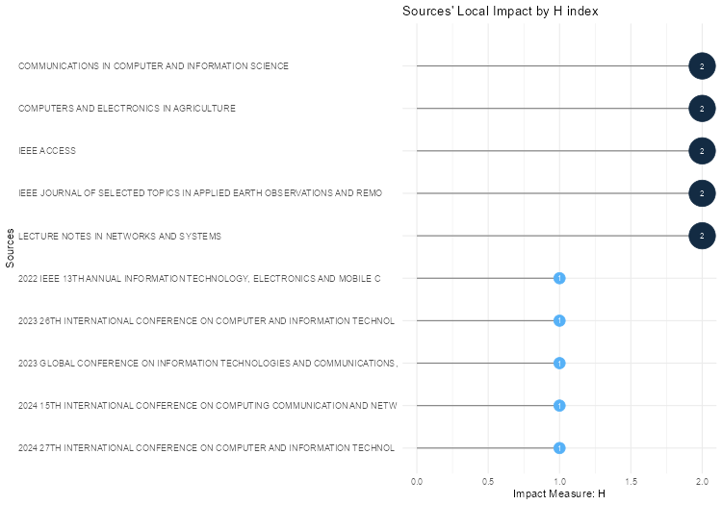
Source | h_index | g_index | m_index | TC | NP | PY_start
COMMUNICATIONS IN COMPUTER AND INFORMATION SCIENCE | 2 | 2 | 0.33333333333 | 15 | 2 | 2021
COMPUTERS AND ELECTRONICS IN AGRICULTURE | 2 | 2 | 0.66666666667 | 25 | 2 | 2024
IEEE ACCESS | 2 | 3 | 0.5 | 61 | 3 | 2023
IEEE JOURNAL OF SELECTED TOPICS IN APPLIED EARTH OBSERVATIONS AND REMOTE SENSING | 2 | 2 | 1 | 14 | 2 | 2025
LECTURE NOTES IN NETWORKS AND SYSTEMS | 2 | 4 | 0.5 | 17 | 7 | 2023
2022 IEEE 13TH ANNUAL INFORMATION TECHNOLOGY, ELECTRONICS AND MOBILE COMMUNICATION CONFERENCE, IEMCON 2022 | 1 | 1 | 0.2 | 56 | 1 | 2022
2023 26TH INTERNATIONAL CONFERENCE ON COMPUTER AND INFORMATION TECHNOLOGY, ICCIT 2023 | 1 | 1 | 0.25 | 39 | 1 | 2023
2023 GLOBAL CONFERENCE ON INFORMATION TECHNOLOGIES AND COMMUNICATIONS, GCITC 2023 | 1 | 1 | 0.25 | 6 | 1 | 2023
2024 15TH INTERNATIONAL CONFERENCE ON COMPUTING COMMUNICATION AND NETWORKING TECHNOLOGIES, ICCCNT 2024 | 1 | 1 | 0.33333333333 | 3 | 3 | 2024
2024 27TH INTERNATIONAL CONFERENCE ON COMPUTER AND INFORMATION TECHNOLOGY, ICCIT 2024 - PROCEEDINGS | 1 | 1 | 0.33333333333 | 1 | 5 | 2024
2024 3RD INTERNATIONAL CONFERENCE ON ARTIFICIAL INTELLIGENCE FOR INTERNET OF THINGS, AIIOT 2024 | 1 | 1 | 0.33333333333 | 10 | 1 | 2024
2024 5TH INTERNATIONAL CONFERENCE ON INNOVATIVE TRENDS IN INFORMATION TECHNOLOGY, ICITIIT 2024 | 1 | 1 | 0.33333333333 | 6 | 1 | 2024
2024 IEEE 1ST INTERNATIONAL CONFERENCE ON GREEN INDUSTRIAL ELECTRONICS AND SUSTAINABLE TECHNOLOGIES, GIEST 2024 | 1 | 1 | 0.33333333333 | 2 | 1 | 2024
2024 INTERNATIONAL CONFERENCE ON ADVANCES IN COMPUTING RESEARCH ON SCIENCE ENGINEERING AND TECHNOLOGY, ACROSET 2024 | 1 | 1 | 0.33333333333 | 1 | 1 | 2024
2024 INTERNATIONAL CONFERENCE ON INNOVATIONS IN SCIENCE, ENGINEERING AND TECHNOLOGY: INNOVATIVE TECHNOLOGIES FOR GLOBAL SOLUTIONS, ICISET 2024 | 1 | 1 | 0.33333333333 | 3 | 1 | 2024
2025 IEEE 14TH INTERNATIONAL CONFERENCE ON COMMUNICATION SYSTEMS AND NETWORK TECHNOLOGIES, CSNT 2025 | 1 | 1 | 0.5 | 2 | 1 | 2025
2ND IEEE INTERNATIONAL CONFERENCE ON DISTRIBUTED COMPUTING AND ELECTRICAL CIRCUITS AND ELECTRONICS, ICDCECE 2023 | 1 | 1 | 0.25 | 20 | 1 | 2023
6TH INTERNATIONAL CONFERENCE ON ROBOTICS AND AUTOMATION IN INDUSTRY, ICRAI 2024 | 1 | 1 | 0.33333333333 | 2 | 1 | 2024
AGRICULTURAL AND FOREST METEOROLOGY | 1 | 1 | 0.25 | 76 | 1 | 2023
APPLIED INTELLIGENCE | 1 | 1 | 0.5 | 2 | 1 | 2025
APPLIED SCIENCES (SWITZERLAND) | 1 | 1 | 0.5 | 3 | 1 | 2025
ARRAY | 1 | 1 | 0.5 | 9 | 1 | 2025
BIODATA MINING | 1 | 1 | 0.33333333333 | 2 | 1 | 2024
BMC PLANT BIOLOGY | 1 | 1 | 0.5 | 4 | 1 | 2025
CHEMICAL ENGINEERING SCIENCE | 1 | 1 | 0.33333333333 | 6 | 1 | 2024
COMPUTERS, MATERIALS AND CONTINUA | 1 | 1 | 0.5 | 3 | 1 | 2025
CURRENT PLANT BIOLOGY | 1 | 1 | 0.5 | 1 | 1 | 2025
DISCOVER LIFE | 1 | 1 | 0.5 | 1 | 1 | 2025
ECOLOGICAL INDICATORS | 1 | 1 | 0.33333333333 | 2 | 1 | 2024
ECOLOGICAL INFORMATICS | 1 | 1 | 0.33333333333 | 17 | 1 | 2024
ELECTRONICS (SWITZERLAND) | 1 | 1 | 0.5 | 1 | 2 | 2025
ENGINEERING RESEARCH EXPRESS | 1 | 1 | 0.5 | 1 | 1 | 2025
ENTROPY | 1 | 1 | 0.2 | 7 | 1 | 2022
FOOD CHEMISTRY | 1 | 1 | 0.5 | 9 | 1 | 2025
FRONTIERS IN FORESTS AND GLOBAL CHANGE | 1 | 1 | 0.33333333333 | 7 | 1 | 2024
FRONTIERS IN PLANT SCIENCE | 1 | 1 | 0.33333333333 | 18 | 1 | 2024
GCCE 2023 - 2023 IEEE 12TH GLOBAL CONFERENCE ON CONSUMER ELECTRONICS | 1 | 1 | 0.25 | 8 | 1 | 2023
GCCE 2024 - 2024 IEEE 13TH GLOBAL CONFERENCE ON CONSUMER ELECTRONICS | 1 | 1 | 0.33333333333 | 2 | 1 | 2024
IEEE INTERNATIONAL CONFERENCE ON FUZZY SYSTEMS | 1 | 1 | 0.25 | 13 | 1 | 2023
INGENIERIE DES SYSTEMES D'INFORMATION | 1 | 1 | 0.5 | 2 | 1 | 2025
INTERNATIONAL CONFERENCE ON SUSTAINABLE COMMUNICATION NETWORKS AND APPLICATION, ICSCNA 2023 - PROCEEDINGS | 1 | 1 | 0.25 | 8 | 1 | 2023
INTERNATIONAL JOURNAL OF APPLIED EARTH OBSERVATION AND GEOINFORMATION | 1 | 1 | 0.5 | 2 | 1 | 2025
JOURNAL OF AGRICULTURAL, BIOLOGICAL, AND ENVIRONMENTAL STATISTICS | 1 | 1 | 0.5 | 2 | 1 | 2025
JOURNAL OF WATER PROCESS ENGINEERING | 1 | 1 | 0.5 | 1 | 1 | 2025
NEW ZEALAND JOURNAL OF CROP AND HORTICULTURAL SCIENCE | 1 | 1 | 0.5 | 6 | 1 | 2025
PROCEDIA COMPUTER SCIENCE | 1 | 1 | 0.5 | 1 | 3 | 2025
PROCEEDINGS - 2022 4TH INTERNATIONAL CONFERENCE ON ADVANCES IN COMPUTING, COMMUNICATION CONTROL AND NETWORKING, ICAC3N 2022 | 1 | 1 | 0.2 | 23 | 1 | 2022
PROCEEDINGS - 2022 IEEE INTERNATIONAL CONFERENCE ON BIG DATA AND SMART COMPUTING, BIGCOMP 2022 | 1 | 1 | 0.2 | 15 | 1 | 2022
PROCEEDINGS - 2024 IEEE INTERNATIONAL CONFERENCE ON BIG DATA, BIGDATA 2024 | 1 | 1 | 0.33333333333 | 5 | 1 | 2024
PROCEEDINGS OF 2024 IEEE INTERNATIONAL CONFERENCE ON DATA AND SOFTWARE ENGINEERING: DATA-DRIVEN INNOVATION: TRANSFORMING INDUSTRIES AND SOCIETIES, ICODSE 2024 | 1 | 1 | 0.33333333333 | 1 | 1 | 2024
SCIENCE OF THE TOTAL ENVIRONMENT | 1 | 1 | 0.33333333333 | 6 | 1 | 2024
SMART AGRICULTURAL TECHNOLOGY | 1 | 1 | 0.5 | 1 | 1 | 2025
WATER (SWITZERLAND) | 1 | 1 | 0.5 | 3 | 1 | 2025
WATER RESEARCH | 1 | 1 | 0.5 | 12 | 1 | 2025

SourceProdOverTime
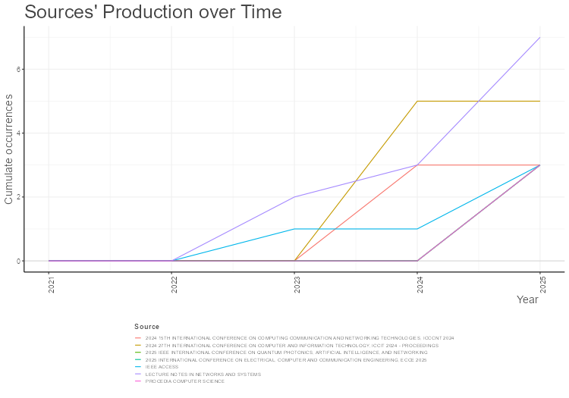
Year | LECTURE NOTES IN NETWORKS AND SYSTEMS | 2024 27TH INTERNATIONAL CONFERENCE ON COMPUTER AND INFORMATION TECHNOLOGY, ICCIT 2024 - PROCEEDINGS | 2024 15TH INTERNATIONAL CONFERENCE ON COMPUTING COMMUNICATION AND NETWORKING TECHNOLOGIES, ICCCNT 2024 | 2025 IEEE INTERNATIONAL CONFERENCE ON QUANTUM PHOTONICS, ARTIFICIAL INTELLIGENCE, AND NETWORKING | 2025 INTERNATIONAL CONFERENCE ON ELECTRICAL, COMPUTER AND COMMUNICATION ENGINEERING, ECCE 2025 | IEEE ACCESS | PROCEDIA COMPUTER SCIENCE
2021 | 0 | 0 | 0 | 0 | 0 | 0 | 0
2022 | 0 | 0 | 0 | 0 | 0 | 0 | 0
2023 | 2 | 0 | 0 | 0 | 0 | 1 | 0
2024 | 3 | 5 | 3 | 0 | 0 | 1 | 0
2025 | 7 | 5 | 3 | 3 | 3 | 3 | 3

MostGlobCitDocs
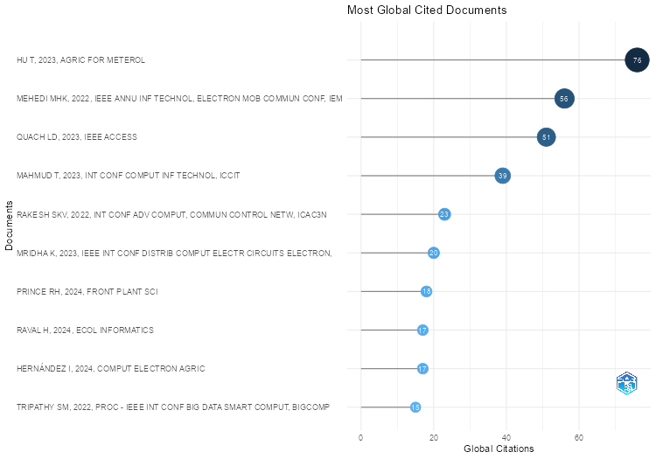
Paper | DOI | Total Citations | TC per Year | Normalized TC
HU T, 2023, AGRIC FOR METEROL | 10.1016/j.agrformet.2023.109458 | 76 | 19 | 3.2203389831
MEHEDI MHK, 2022, IEEE ANNU INF TECHNOL, ELECTRON MOB COMMUN CONF, IEMCON | 10.1109/IEMCON56893.2022.9946513 | 56 | 11.2 | 2.2178217822
QUACH LD, 2023, IEEE ACCESS | 10.1109/ACCESS.2023.3296792 | 51 | 12.75 | 2.1610169492
MAHMUD T, 2023, INT CONF COMPUT INF TECHNOL, ICCIT | 10.1109/ICCIT60459.2023.10441570 | 39 | 9.75 | 1.6525423729
RAKESH SKV, 2022, INT CONF ADV COMPUT, COMMUN CONTROL NETW, ICAC3N | 10.1109/ICAC3N56670.2022.10074303 | 23 | 4.6 | 0.91089108911
MRIDHA K, 2023, IEEE INT CONF DISTRIB COMPUT ELECTR CIRCUITS ELECTRON, ICDCECE | 10.1109/ICDCECE57866.2023.10151399 | 20 | 5 | 0.84745762712
PRINCE RH, 2024, FRONT PLANT SCI | 10.3389/fpls.2024.1412988 | 18 | 6 | 4.7787610619
RAVAL H, 2024, ECOL INFORMATICS | 10.1016/j.ecoinf.2024.102925 | 17 | 5.6666666667 | 4.5132743363
HERNÁNDEZ I, 2024, COMPUT ELECTRON AGRIC | 10.1016/j.compag.2024.109478 | 17 | 5.6666666667 | 4.5132743363
TRIPATHY SM, 2022, PROC - IEEE INT CONF BIG DATA SMART COMPUT, BIGCOMP | 10.1109/BigComp54360.2022.00051 | 15 | 3 | 0.59405940594
BENGAMRA S, 2023, IEEE INT CONF FUZZY SYST | 10.1109/FUZZ52849.2023.10309803 | 13 | 3.25 | 0.55084745763
APPUKUTTAN A, 2025, WATER RES | 10.1016/j.watres.2025.123884 | 12 | 6 | 7.0857142857
DE BENITO FERNÁNDEZ M, 2023, LECT NOTES NETWORKS SYST | 10.1007/978-3-031-36957-5_36 | 12 | 3 | 0.50847457627
ERKEK I, 2025, IEEE ACCESS | 10.1109/ACCESS.2025.3547672 | 10 | 5 | 5.9047619048
PATIL PM, 2024, INT CONF ARTIF INTELL INTERNET THINGS, AIIOT | 10.1109/AIIoT58432.2024.10574617 | 10 | 3.3333333333 | 2.6548672566
RASHID DMRA, 2025, ARRAY | 10.1016/j.array.2025.100386 | 9 | 4.5 | 5.3142857143
LI H, 2025, FOOD CHEM | 10.1016/j.foodchem.2025.143692 | 9 | 4.5 | 5.3142857143
EBRAHIMI S, 2025, IEEE J SEL TOP APPL EARTH OBS REMOTE SENS | 10.1109/JSTARS.2025.3532829 | 9 | 4.5 | 5.3142857143
LAPAJNE J, 2025, COMPUT ELECTRON AGRIC | 10.1016/j.compag.2024.109746 | 8 | 4 | 4.7238095238
OTIYA S, 2023, INT CONF SUSTAIN COMMUN NETWORKS APPL, ICSCNA - PROC | 10.1109/ICSCNA58489.2023.10370214 | 8 | 2 | 0.33898305085
NOVIANDY TR, 2023, GCCE - IEEE GLOB CONF CONSUM ELECTRON | 10.1109/GCCE59613.2023.10315394 | 8 | 2 | 0.33898305085
SCHOENKE JH, 2021, COMMUN COMPUT INFO SCI | 10.1007/978-3-030-88259-4_6 | 8 | 1.3333333333 | 1
QUACH LD, 2025, COMMUN COMPUT INFO SCI | 10.1007/978-981-97-9613-7_2 | 7 | 3.5 | 4.1333333333
ZENG Y, 2024, FRONT FOR GLOB CHANGE | 10.3389/ffgc.2024.1416373 | 7 | 2.3333333333 | 1.8584070796
LYSOV M, 2022, ENTROPY | 10.3390/e24111597 | 7 | 1.4 | 0.27722772277
ÖZÜPAK Y, 2025, NEW ZEALAND J CROP HORTIC SCI | 10.1080/01140671.2025.2519570 | 6 | 3 | 3.5428571429
SUN T, 2024, SCI TOTAL ENVIRON | 10.1016/j.scitotenv.2024.177399 | 6 | 2 | 1.592920354
BHAKTE A, 2024, CHEM ENG SCI | 10.1016/j.ces.2024.120493 | 6 | 2 | 1.592920354
ASHOKA SB, 2024, INT CONF INNOV TRENDS INF TECHNOL, ICITIIT | 10.1109/ICITIIT61487.2024.10580364 | 6 | 2 | 1.592920354
CHIVUKULA VSSV, 2023, GLOB CONF INF TECHNOL COMMUN, GCITC | 10.1109/GCITC60406.2023.10425857 | 6 | 1.5 | 0.25423728814
KOUROUNIOTI O, 2025, IEEE J SEL TOP APPL EARTH OBS REMOTE SENS | 10.1109/JSTARS.2025.3555788 | 5 | 2.5 | 2.9523809524
MAURMO D, 2024, PROC - IEEE INT CONF BIG DATA, BIGDATA | 10.1109/BigData62323.2024.10825879 | 5 | 1.6666666667 | 1.3274336283
SARAVANAN S, 2025, BMC PLANT BIOL | 10.1186/s12870-025-07015-6 | 4 | 2 | 2.3619047619
VOIPAN D, 2025, WATER | 10.3390/w17172636 | 3 | 1.5 | 1.7714285714
COSTANZA L, 2025, APPL SCI | 10.3390/app15052746 | 3 | 1.5 | 1.7714285714
QUSHTOM H, 2025, COMPUT MATER CONTINUA | 10.32604/cmc.2025.061995 | 3 | 1.5 | 1.7714285714
FAHIM MMI, 2024, INT CONF INNOV SCI, ENG TECHNOL: INNOV TECHNOL GLOB SOLUT, ICISET | 10.1109/ICISET62123.2024.10940041 | 3 | 1 | 0.79646017699
GILBERT Y, 2023, LECT NOTES NETWORKS SYST | 10.1007/978-981-99-7093-3_12 | 3 | 0.75 | 0.12711864407
KALER B, 2025, APPL INTELL | 10.1007/s10489-025-06790-x | 2 | 1 | 1.180952381
QIAO Z, 2025, INT J APPL EARTH OBS GEOINFORMATION | 10.1016/j.jag.2025.104644 | 2 | 1 | 1.180952381
REDDY AY, 2025, ING SYST INF | 10.18280/isi.300115 | 2 | 1 | 1.180952381
GEETHA S, 2025, IEEE INT CONF COMMUN SYST NETW TECHNOL, CSNT | 10.1109/CSNT64827.2025.10968901 | 2 | 1 | 1.180952381
VERMA PR, 2025, J AGRIC BIOL ENVIRON | 10.1007/s13253-025-00691-9 | 2 | 1 | 1.180952381
HORVATH J, 2024, BIODATA MIN | 10.1186/s13040-024-00410-z | 2 | 0.66666666667 | 0.53097345133
GAO C, 2024, ECOL INDIC | 10.1016/j.ecolind.2024.112402 | 2 | 0.66666666667 | 0.53097345133
TERADA K, 2024, GCCE - IEEE GLOB CONF CONSUM ELECTRON | 10.1109/GCCE62371.2024.10760700 | 2 | 0.66666666667 | 0.53097345133
BRAGADEESHWARAN C, 2024, INT CONF COMPUT COMMUN NETW TECHNOL, ICCCNT | 10.1109/ICCCNT61001.2024.10723939 | 2 | 0.66666666667 | 0.53097345133
LOHITH SOWMIYAN PS, 2024, LECT NOTES NETWORKS SYST | 10.1007/978-981-99-7817-5_31 | 2 | 0.66666666667 | 0.53097345133
HAZARIKA H, 2024, IEEE INT CONF GREEN IND ELECTRON SUSTAIN TECHNOL, GIEST | 10.1109/GIEST62955.2024.10959927 | 2 | 0.66666666667 | 0.53097345133
RASHEED S, 2024, INT CONF ROBOT AUTOM IND, ICRAI | 10.1109/ICRAI62391.2024.10894205 | 2 | 0.66666666667 | 0.53097345133
JARMONDI KDS, 2025, J WATER PROCESS ENG | 10.1016/j.jwpe.2025.109237 | 1 | 0.5 | 0.59047619048
NUHASH MNI, 2025, SMART AGRIC TECHNOL | 10.1016/j.atech.2025.101541 | 1 | 0.5 | 0.59047619048
HASAN MM, 2025, DISCOV LIFE | 10.1007/s11084-025-09680-x | 1 | 0.5 | 0.59047619048
ULLAH N, 2025, ELECTRONICS (SWITZERLAND) | 10.3390/electronics14193928 | 1 | 0.5 | 0.59047619048
HASAN MA, 2025, ENG RES EXP | 10.1088/2631-8695/adebe3 | 1 | 0.5 | 0.59047619048
MUSTOFA S, 2025, CURR PLANT BIOL | 10.1016/j.cpb.2025.100526 | 1 | 0.5 | 0.59047619048
PORFÍRIO RP, 2025, PROCEDIA COMPUT SCI | 10.1016/j.procs.2025.07.170 | 1 | 0.5 | 0.59047619048
KURNIAWAN WM, 2024, PROC IEEE INT CONF DATA SOFTW ENG: DATA-DRIVEN INNOV: TRANSFORM IND SOC, ICODSE | 10.1109/ICODSE63307.2024.10829875 | 1 | 0.33333333333 | 0.26548672566
VARDHAN NJ, 2024, INT CONF COMPUT COMMUN NETW TECHNOL, ICCCNT | 10.1109/ICCCNT61001.2024.10725868 | 1 | 0.33333333333 | 0.26548672566
KONDA O, 2024, INT CONF ADV COMPUT RES SCI ENG TECHNOL, ACROSET | 10.1109/ACROSET62108.2024.10743799 | 1 | 0.33333333333 | 0.26548672566
ISLAM J, 2024, INT CONF COMPUT INF TECHNOL, ICCIT - PROC | 10.1109/ICCIT64611.2024.11021973 | 1 | 0.33333333333 | 0.26548672566
NURULLAH M, 2025, ELECTRONICS (SWITZERLAND) | 10.3390/electronics14234762 | 0 | 0 | 0
CHO S, 2025, AGRIC WATER MANAGE | 10.1016/j.agwat.2025.109899 | 0 | 0 | 0
AL-FALLUJI RA, 2025, DISCOV COMPUT | 10.1007/s10791-025-09799-5 | 0 | 0 | 0
LAPAJNE J, 2025, PLANT PHENOMIC | 10.1016/j.plaphe.2025.100127 | 0 | 0 | 0
SINGH G, 2025, ENVIRON MONIT ASSESS | 10.1007/s10661-025-14517-1 | 0 | 0 | 0
SHIN JH, 2025, PROG NUCL ENERGY | 10.1016/j.pnucene.2025.105939 | 0 | 0 | 0
LEE S, 2025, J HAZARD MATER | 10.1016/j.jhazmat.2025.139842 | 0 | 0 | 0
NASAR M, 2025, IND J HORTIC | 10.58993/ijh/2025.82.3.16 | 0 | 0 | 0
WANG Z, 2025, HORTIC | 10.3390/horticulturae11101258 | 0 | 0 | 0
JALAL M, 2025, APPL FRUIT SCI | 10.1007/s10341-025-01478-5 | 0 | 0 | 0
AMUDHA M, 2025, ENVIRON RES COMMUN | 10.1088/2515-7620/adecec | 0 | 0 | 0
KABIR MS, 2025, ICCA - INT CONF COMPUT ADV | 10.1145/3723178.3723294 | 0 | 0 | 0
NAWAR S, 2025, ICCA - INT CONF COMPUT ADV | 10.1145/3723178.3723315 | 0 | 0 | 0
DUTTA S, 2025, INT CONF RELIAB, INFOCOM TECHNOL OPTIM (TRENDS FUTURE DIR), ICRITO | 10.1109/ICRITO66076.2025.11241706 | 0 | 0 | 0
DUTTA S, 2025, INT CONF RELIAB, INFOCOM TECHNOL OPTIM (TRENDS FUTURE DIR), ICRITO-a | 10.1109/ICRITO66076.2025.11241535 | 0 | 0 | 0
SAMOUT N, 2025, PROCEDIA COMPUT SCI | 10.1016/j.procs.2025.09.633 | 0 | 0 | 0
YOUNG AT, 2025, PROC NUCL PLANT INSTRUM CONTROL HUMAN-MACH INTERFACE TECHNOL, NPIC HMIT | 10.13182/NPICHMIT25-46415 | 0 | 0 | 0
TANVIR K, 2025, LECT NOTES NETWORKS SYST | 10.1007/978-981-96-4880-1_22 | 0 | 0 | 0
CHOLA C, 2025, LECT NOTES NETWORKS SYST | 10.1007/978-981-96-7134-2_41 | 0 | 0 | 0
MOLLICK S, 2025, IEEE INT CONF QUANTUM PHOTONICS, ARTIF INTELL, NETW, QPAIN | 10.1109/QPAIN66474.2025.11171968 | 0 | 0 | 0
ZUMA NA, 2025, IEEE INT CONF QUANTUM PHOTONICS, ARTIF INTELL, NETW, QPAIN | 10.1109/QPAIN66474.2025.11172270 | 0 | 0 | 0
UDDIN MM, 2025, IEEE INT CONF QUANTUM PHOTONICS, ARTIF INTELL, NETW, QPAIN | 10.1109/QPAIN66474.2025.11172157 | 0 | 0 | 0
BALASOORIYA RC, 2025, INT CONF DATA SCI ITS APPL, ICODSA | 10.1109/ICoDSA67155.2025.11157166 | 0 | 0 | 0
PETCHIAMMAL A, 2025, INT CONF DATA INTELL COGN INFORMATICS, ICDICI | 10.1109/ICDICI66477.2025.11135042 | 0 | 0 | 0
NUHA MBR, 2025, LECT NOTES NETWORKS SYST | 10.1007/978-981-96-5822-0_27 | 0 | 0 | 0
MAHMUD T, 2025, IEEE ACCESS | 10.1109/ACCESS.2025.3609671 | 0 | 0 | 0
SHAH P, 2025, INT CONF ELECTRON, AI, COMPUT: INNOV A SUSTAIN CONNECT FUTURE, EAIC | 10.1109/EAIC66483.2025.11101497 | 0 | 0 | 0
MEGA K, 2025, PROC INT CONF RADIO FREQ COMMUN NETWORKS, RFCON | 10.1109/RFCoN62306.2025.11085329 | 0 | 0 | 0
CHAURASIYA U, 2025, IRAN J SCI | 10.1007/s40995-025-01851-9 | 0 | 0 | 0
SAJU B, 2025, INT CONF TRENDS ENG SYST TECHNOL, ICTEST - PROC | 10.1109/ICTEST64710.2025.11042840 | 0 | 0 | 0
SUMAN YR, 2025, PROC IEEE INT CONF KNOWL ENG COMMUN SYST, ICKECS | 10.1109/ICKECS65700.2025.11035873 | 0 | 0 | 0
SIRUR ND, 2025, LECT NOTES NETWORKS SYST | 10.1007/978-981-96-2179-8_7 | 0 | 0 | 0
RADHAKRISHNAN M, 2025, ELECTRON LETT COMPUT VIS IMAGE ANAL | 10.5565/rev/elcvia.2009 | 0 | 0 | 0
RAKIBUZZMAN M, 2025, INT CONF ELECTR, COMPUT COMMUN ENG, ECCE | 10.1109/ECCE64574.2025.11013813 | 0 | 0 | 0
NAWER A, 2025, INT CONF ELECTR, COMPUT COMMUN ENG, ECCE | 10.1109/ECCE64574.2025.11013842 | 0 | 0 | 0
HOSSEN MR, 2025, INT CONF ELECTR, COMPUT COMMUN ENG, ECCE | 10.1109/ECCE64574.2025.11013292 | 0 | 0 | 0
KUMARI S, 2025, PROCEDIA COMPUT SCI | 10.1016/j.procs.2025.04.612 | 0 | 0 | 0
KATHARRIA A, 2024, PROC - IEEE INT CONF FUTURE MACH LEARN DATA SCI, FMLDS | 10.1109/FMLDS63805.2024.00047 | 0 | 0 | 0
LIU S, 2024, LECT NOTES INFORMATICS (LNI), PROC - SERIES GES INFORM (GI) |  | 0 | 0 | 0
GOWRI P, 2024, INT CONF COMPUT COMMUN NETW TECHNOL, ICCCNT | 10.1109/ICCCNT61001.2024.10724346 | 0 | 0 | 0
PEYAL HI, 2024, INT CONF COMPUT INF TECHNOL, ICCIT - PROC | 10.1109/ICCIT64611.2024.11021795 | 0 | 0 | 0
ERTAZA SI, 2024, INT CONF COMPUT INF TECHNOL, ICCIT - PROC | 10.1109/ICCIT64611.2024.11021774 | 0 | 0 | 0
PARTHO PKR, 2024, INT CONF COMPUT INF TECHNOL, ICCIT - PROC | 10.1109/ICCIT64611.2024.11021966 | 0 | 0 | 0
PREOTEE FF, 2024, INT CONF COMPUT INF TECHNOL, ICCIT - PROC | 10.1109/ICCIT64611.2024.11022335 | 0 | 0 | 0
RAKIBUZZMAN M, 2024, INT CONF ELECTR COMPUT ENG, ICECE | 10.1109/ICECE64886.2024.11024594 | 0 | 0 | 0
ANKATWAR G, 2024, IEEE INT CONF EMERG TRENDS ENG MED SCI, ICETEMS | 10.1109/ICETEMS64039.2024.10965109 | 0 | 0 | 0

MostLocCitDocs
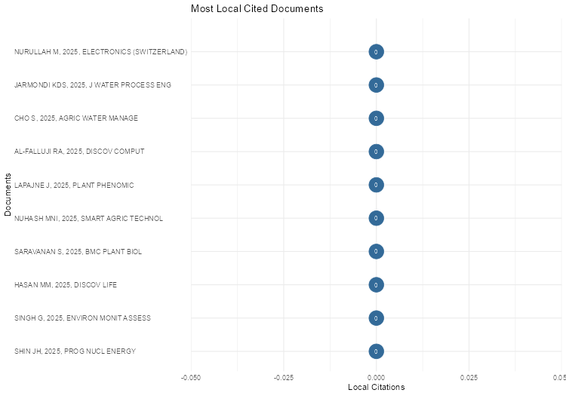
Document | DOI | Year | Local.Citations | Global.Citations | Ratio | Normalized.Local.Citations | Normalized.Global.Citations
NURULLAH M, 2025, ELECTRONICS (SWITZERLAND) | 10.3390/electronics14234762 | 2025 | 0 | 0 | #NUM! | #NUM! | 0
JARMONDI KDS, 2025, J WATER PROCESS ENG | 10.1016/j.jwpe.2025.109237 | 2025 | 0 | 1 | 0 | #NUM! | 0.59047619048
CHO S, 2025, AGRIC WATER MANAGE | 10.1016/j.agwat.2025.109899 | 2025 | 0 | 0 | #NUM! | #NUM! | 0
AL-FALLUJI RA, 2025, DISCOV COMPUT | 10.1007/s10791-025-09799-5 | 2025 | 0 | 0 | #NUM! | #NUM! | 0
LAPAJNE J, 2025, PLANT PHENOMIC | 10.1016/j.plaphe.2025.100127 | 2025 | 0 | 0 | #NUM! | #NUM! | 0
NUHASH MNI, 2025, SMART AGRIC TECHNOL | 10.1016/j.atech.2025.101541 | 2025 | 0 | 1 | 0 | #NUM! | 0.59047619048
SARAVANAN S, 2025, BMC PLANT BIOL | 10.1186/s12870-025-07015-6 | 2025 | 0 | 4 | 0 | #NUM! | 2.3619047619
HASAN MM, 2025, DISCOV LIFE | 10.1007/s11084-025-09680-x | 2025 | 0 | 1 | 0 | #NUM! | 0.59047619048
SINGH G, 2025, ENVIRON MONIT ASSESS | 10.1007/s10661-025-14517-1 | 2025 | 0 | 0 | #NUM! | #NUM! | 0
SHIN JH, 2025, PROG NUCL ENERGY | 10.1016/j.pnucene.2025.105939 | 2025 | 0 | 0 | #NUM! | #NUM! | 0
LEE S, 2025, J HAZARD MATER | 10.1016/j.jhazmat.2025.139842 | 2025 | 0 | 0 | #NUM! | #NUM! | 0
NASAR M, 2025, IND J HORTIC | 10.58993/ijh/2025.82.3.16 | 2025 | 0 | 0 | #NUM! | #NUM! | 0
WANG Z, 2025, HORTIC | 10.3390/horticulturae11101258 | 2025 | 0 | 0 | #NUM! | #NUM! | 0
ULLAH N, 2025, ELECTRONICS (SWITZERLAND) | 10.3390/electronics14193928 | 2025 | 0 | 1 | 0 | #NUM! | 0.59047619048
HASAN MA, 2025, ENG RES EXP | 10.1088/2631-8695/adebe3 | 2025 | 0 | 1 | 0 | #NUM! | 0.59047619048
APPUKUTTAN A, 2025, WATER RES | 10.1016/j.watres.2025.123884 | 2025 | 0 | 12 | 0 | #NUM! | 7.0857142857
VOIPAN D, 2025, WATER | 10.3390/w17172636 | 2025 | 0 | 3 | 0 | #NUM! | 1.7714285714
MUSTOFA S, 2025, CURR PLANT BIOL | 10.1016/j.cpb.2025.100526 | 2025 | 0 | 1 | 0 | #NUM! | 0.59047619048
JALAL M, 2025, APPL FRUIT SCI | 10.1007/s10341-025-01478-5 | 2025 | 0 | 0 | #NUM! | #NUM! | 0
KALER B, 2025, APPL INTELL | 10.1007/s10489-025-06790-x | 2025 | 0 | 2 | 0 | #NUM! | 1.180952381
AMUDHA M, 2025, ENVIRON RES COMMUN | 10.1088/2515-7620/adecec | 2025 | 0 | 0 | #NUM! | #NUM! | 0
QIAO Z, 2025, INT J APPL EARTH OBS GEOINFORMATION | 10.1016/j.jag.2025.104644 | 2025 | 0 | 2 | 0 | #NUM! | 1.180952381
RASHID DMRA, 2025, ARRAY | 10.1016/j.array.2025.100386 | 2025 | 0 | 9 | 0 | #NUM! | 5.3142857143
LI H, 2025, FOOD CHEM | 10.1016/j.foodchem.2025.143692 | 2025 | 0 | 9 | 0 | #NUM! | 5.3142857143
KABIR MS, 2025, ICCA - INT CONF COMPUT ADV | 10.1145/3723178.3723294 | 2025 | 0 | 0 | #NUM! | #NUM! | 0
NAWAR S, 2025, ICCA - INT CONF COMPUT ADV | 10.1145/3723178.3723315 | 2025 | 0 | 0 | #NUM! | #NUM! | 0
COSTANZA L, 2025, APPL SCI | 10.3390/app15052746 | 2025 | 0 | 3 | 0 | #NUM! | 1.7714285714
LAPAJNE J, 2025, COMPUT ELECTRON AGRIC | 10.1016/j.compag.2024.109746 | 2025 | 0 | 8 | 0 | #NUM! | 4.7238095238
REDDY AY, 2025, ING SYST INF | 10.18280/isi.300115 | 2025 | 0 | 2 | 0 | #NUM! | 1.180952381
EBRAHIMI S, 2025, IEEE J SEL TOP APPL EARTH OBS REMOTE SENS | 10.1109/JSTARS.2025.3532829 | 2025 | 0 | 9 | 0 | #NUM! | 5.3142857143
QUACH LD, 2025, COMMUN COMPUT INFO SCI | 10.1007/978-981-97-9613-7_2 | 2025 | 0 | 7 | 0 | #NUM! | 4.1333333333
DUTTA S, 2025, INT CONF RELIAB, INFOCOM TECHNOL OPTIM (TRENDS FUTURE DIR), ICRITO | 10.1109/ICRITO66076.2025.11241706 | 2025 | 0 | 0 | #NUM! | #NUM! | 0
DUTTA S, 2025, INT CONF RELIAB, INFOCOM TECHNOL OPTIM (TRENDS FUTURE DIR), ICRITO-a | 10.1109/ICRITO66076.2025.11241535 | 2025 | 0 | 0 | #NUM! | #NUM! | 0
SAMOUT N, 2025, PROCEDIA COMPUT SCI | 10.1016/j.procs.2025.09.633 | 2025 | 0 | 0 | #NUM! | #NUM! | 0
YOUNG AT, 2025, PROC NUCL PLANT INSTRUM CONTROL HUMAN-MACH INTERFACE TECHNOL, NPIC HMIT | 10.13182/NPICHMIT25-46415 | 2025 | 0 | 0 | #NUM! | #NUM! | 0
TANVIR K, 2025, LECT NOTES NETWORKS SYST | 10.1007/978-981-96-4880-1_22 | 2025 | 0 | 0 | #NUM! | #NUM! | 0
CHOLA C, 2025, LECT NOTES NETWORKS SYST | 10.1007/978-981-96-7134-2_41 | 2025 | 0 | 0 | #NUM! | #NUM! | 0
MOLLICK S, 2025, IEEE INT CONF QUANTUM PHOTONICS, ARTIF INTELL, NETW, QPAIN | 10.1109/QPAIN66474.2025.11171968 | 2025 | 0 | 0 | #NUM! | #NUM! | 0
ZUMA NA, 2025, IEEE INT CONF QUANTUM PHOTONICS, ARTIF INTELL, NETW, QPAIN | 10.1109/QPAIN66474.2025.11172270 | 2025 | 0 | 0 | #NUM! | #NUM! | 0
UDDIN MM, 2025, IEEE INT CONF QUANTUM PHOTONICS, ARTIF INTELL, NETW, QPAIN | 10.1109/QPAIN66474.2025.11172157 | 2025 | 0 | 0 | #NUM! | #NUM! | 0
BALASOORIYA RC, 2025, INT CONF DATA SCI ITS APPL, ICODSA | 10.1109/ICoDSA67155.2025.11157166 | 2025 | 0 | 0 | #NUM! | #NUM! | 0
PETCHIAMMAL A, 2025, INT CONF DATA INTELL COGN INFORMATICS, ICDICI | 10.1109/ICDICI66477.2025.11135042 | 2025 | 0 | 0 | #NUM! | #NUM! | 0
NUHA MBR, 2025, LECT NOTES NETWORKS SYST | 10.1007/978-981-96-5822-0_27 | 2025 | 0 | 0 | #NUM! | #NUM! | 0
MAHMUD T, 2025, IEEE ACCESS | 10.1109/ACCESS.2025.3609671 | 2025 | 0 | 0 | #NUM! | #NUM! | 0
SHAH P, 2025, INT CONF ELECTRON, AI, COMPUT: INNOV A SUSTAIN CONNECT FUTURE, EAIC | 10.1109/EAIC66483.2025.11101497 | 2025 | 0 | 0 | #NUM! | #NUM! | 0
PORFÍRIO RP, 2025, PROCEDIA COMPUT SCI | 10.1016/j.procs.2025.07.170 | 2025 | 0 | 1 | 0 | #NUM! | 0.59047619048
MEGA K, 2025, PROC INT CONF RADIO FREQ COMMUN NETWORKS, RFCON | 10.1109/RFCoN62306.2025.11085329 | 2025 | 0 | 0 | #NUM! | #NUM! | 0
CHAURASIYA U, 2025, IRAN J SCI | 10.1007/s40995-025-01851-9 | 2025 | 0 | 0 | #NUM! | #NUM! | 0
SAJU B, 2025, INT CONF TRENDS ENG SYST TECHNOL, ICTEST - PROC | 10.1109/ICTEST64710.2025.11042840 | 2025 | 0 | 0 | #NUM! | #NUM! | 0
SUMAN YR, 2025, PROC IEEE INT CONF KNOWL ENG COMMUN SYST, ICKECS | 10.1109/ICKECS65700.2025.11035873 | 2025 | 0 | 0 | #NUM! | #NUM! | 0
SIRUR ND, 2025, LECT NOTES NETWORKS SYST | 10.1007/978-981-96-2179-8_7 | 2025 | 0 | 0 | #NUM! | #NUM! | 0
RADHAKRISHNAN M, 2025, ELECTRON LETT COMPUT VIS IMAGE ANAL | 10.5565/rev/elcvia.2009 | 2025 | 0 | 0 | #NUM! | #NUM! | 0
ÖZÜPAK Y, 2025, NEW ZEALAND J CROP HORTIC SCI | 10.1080/01140671.2025.2519570 | 2025 | 0 | 6 | 0 | #NUM! | 3.5428571429
QUSHTOM H, 2025, COMPUT MATER CONTINUA | 10.32604/cmc.2025.061995 | 2025 | 0 | 3 | 0 | #NUM! | 1.7714285714
RAKIBUZZMAN M, 2025, INT CONF ELECTR, COMPUT COMMUN ENG, ECCE | 10.1109/ECCE64574.2025.11013813 | 2025 | 0 | 0 | #NUM! | #NUM! | 0
NAWER A, 2025, INT CONF ELECTR, COMPUT COMMUN ENG, ECCE | 10.1109/ECCE64574.2025.11013842 | 2025 | 0 | 0 | #NUM! | #NUM! | 0
HOSSEN MR, 2025, INT CONF ELECTR, COMPUT COMMUN ENG, ECCE | 10.1109/ECCE64574.2025.11013292 | 2025 | 0 | 0 | #NUM! | #NUM! | 0
KUMARI S, 2025, PROCEDIA COMPUT SCI | 10.1016/j.procs.2025.04.612 | 2025 | 0 | 0 | #NUM! | #NUM! | 0
GEETHA S, 2025, IEEE INT CONF COMMUN SYST NETW TECHNOL, CSNT | 10.1109/CSNT64827.2025.10968901 | 2025 | 0 | 2 | 0 | #NUM! | 1.180952381
VERMA PR, 2025, J AGRIC BIOL ENVIRON | 10.1007/s13253-025-00691-9 | 2025 | 0 | 2 | 0 | #NUM! | 1.180952381
KOUROUNIOTI O, 2025, IEEE J SEL TOP APPL EARTH OBS REMOTE SENS | 10.1109/JSTARS.2025.3555788 | 2025 | 0 | 5 | 0 | #NUM! | 2.9523809524
ERKEK I, 2025, IEEE ACCESS | 10.1109/ACCESS.2025.3547672 | 2025 | 0 | 10 | 0 | #NUM! | 5.9047619048
SUN T, 2024, SCI TOTAL ENVIRON | 10.1016/j.scitotenv.2024.177399 | 2024 | 0 | 6 | 0 | #NUM! | 1.592920354
HORVATH J, 2024, BIODATA MIN | 10.1186/s13040-024-00410-z | 2024 | 0 | 2 | 0 | #NUM! | 0.53097345133
RAVAL H, 2024, ECOL INFORMATICS | 10.1016/j.ecoinf.2024.102925 | 2024 | 0 | 17 | 0 | #NUM! | 4.5132743363
BHAKTE A, 2024, CHEM ENG SCI | 10.1016/j.ces.2024.120493 | 2024 | 0 | 6 | 0 | #NUM! | 1.592920354
HERNÁNDEZ I, 2024, COMPUT ELECTRON AGRIC | 10.1016/j.compag.2024.109478 | 2024 | 0 | 17 | 0 | #NUM! | 4.5132743363
GAO C, 2024, ECOL INDIC | 10.1016/j.ecolind.2024.112402 | 2024 | 0 | 2 | 0 | #NUM! | 0.53097345133
KATHARRIA A, 2024, PROC - IEEE INT CONF FUTURE MACH LEARN DATA SCI, FMLDS | 10.1109/FMLDS63805.2024.00047 | 2024 | 0 | 0 | #NUM! | #NUM! | 0
MAURMO D, 2024, PROC - IEEE INT CONF BIG DATA, BIGDATA | 10.1109/BigData62323.2024.10825879 | 2024 | 0 | 5 | 0 | #NUM! | 1.3274336283
KURNIAWAN WM, 2024, PROC IEEE INT CONF DATA SOFTW ENG: DATA-DRIVEN INNOV: TRANSFORM IND SOC, ICODSE | 10.1109/ICODSE63307.2024.10829875 | 2024 | 0 | 1 | 0 | #NUM! | 0.26548672566
LIU S, 2024, LECT NOTES INFORMATICS (LNI), PROC - SERIES GES INFORM (GI) |  | 2024 | 0 | 0 | #NUM! | #NUM! | 0
TERADA K, 2024, GCCE - IEEE GLOB CONF CONSUM ELECTRON | 10.1109/GCCE62371.2024.10760700 | 2024 | 0 | 2 | 0 | #NUM! | 0.53097345133
VARDHAN NJ, 2024, INT CONF COMPUT COMMUN NETW TECHNOL, ICCCNT | 10.1109/ICCCNT61001.2024.10725868 | 2024 | 0 | 1 | 0 | #NUM! | 0.26548672566
BRAGADEESHWARAN C, 2024, INT CONF COMPUT COMMUN NETW TECHNOL, ICCCNT | 10.1109/ICCCNT61001.2024.10723939 | 2024 | 0 | 2 | 0 | #NUM! | 0.53097345133
KONDA O, 2024, INT CONF ADV COMPUT RES SCI ENG TECHNOL, ACROSET | 10.1109/ACROSET62108.2024.10743799 | 2024 | 0 | 1 | 0 | #NUM! | 0.26548672566
GOWRI P, 2024, INT CONF COMPUT COMMUN NETW TECHNOL, ICCCNT | 10.1109/ICCCNT61001.2024.10724346 | 2024 | 0 | 0 | #NUM! | #NUM! | 0
ASHOKA SB, 2024, INT CONF INNOV TRENDS INF TECHNOL, ICITIIT | 10.1109/ICITIIT61487.2024.10580364 | 2024 | 0 | 6 | 0 | #NUM! | 1.592920354
PRINCE RH, 2024, FRONT PLANT SCI | 10.3389/fpls.2024.1412988 | 2024 | 0 | 18 | 0 | #NUM! | 4.7787610619
PATIL PM, 2024, INT CONF ARTIF INTELL INTERNET THINGS, AIIOT | 10.1109/AIIoT58432.2024.10574617 | 2024 | 0 | 10 | 0 | #NUM! | 2.6548672566
ZENG Y, 2024, FRONT FOR GLOB CHANGE | 10.3389/ffgc.2024.1416373 | 2024 | 0 | 7 | 0 | #NUM! | 1.8584070796
LOHITH SOWMIYAN PS, 2024, LECT NOTES NETWORKS SYST | 10.1007/978-981-99-7817-5_31 | 2024 | 0 | 2 | 0 | #NUM! | 0.53097345133
PEYAL HI, 2024, INT CONF COMPUT INF TECHNOL, ICCIT - PROC | 10.1109/ICCIT64611.2024.11021795 | 2024 | 0 | 0 | #NUM! | #NUM! | 0
ERTAZA SI, 2024, INT CONF COMPUT INF TECHNOL, ICCIT - PROC | 10.1109/ICCIT64611.2024.11021774 | 2024 | 0 | 0 | #NUM! | #NUM! | 0
PARTHO PKR, 2024, INT CONF COMPUT INF TECHNOL, ICCIT - PROC | 10.1109/ICCIT64611.2024.11021966 | 2024 | 0 | 0 | #NUM! | #NUM! | 0
PREOTEE FF, 2024, INT CONF COMPUT INF TECHNOL, ICCIT - PROC | 10.1109/ICCIT64611.2024.11022335 | 2024 | 0 | 0 | #NUM! | #NUM! | 0
ISLAM J, 2024, INT CONF COMPUT INF TECHNOL, ICCIT - PROC | 10.1109/ICCIT64611.2024.11021973 | 2024 | 0 | 1 | 0 | #NUM! | 0.26548672566
RAKIBUZZMAN M, 2024, INT CONF ELECTR COMPUT ENG, ICECE | 10.1109/ICECE64886.2024.11024594 | 2024 | 0 | 0 | #NUM! | #NUM! | 0
ANKATWAR G, 2024, IEEE INT CONF EMERG TRENDS ENG MED SCI, ICETEMS | 10.1109/ICETEMS64039.2024.10965109 | 2024 | 0 | 0 | #NUM! | #NUM! | 0
HAZARIKA H, 2024, IEEE INT CONF GREEN IND ELECTRON SUSTAIN TECHNOL, GIEST | 10.1109/GIEST62955.2024.10959927 | 2024 | 0 | 2 | 0 | #NUM! | 0.53097345133
FAHIM MMI, 2024, INT CONF INNOV SCI, ENG TECHNOL: INNOV TECHNOL GLOB SOLUT, ICISET | 10.1109/ICISET62123.2024.10940041 | 2024 | 0 | 3 | 0 | #NUM! | 0.79646017699
RASHEED S, 2024, INT CONF ROBOT AUTOM IND, ICRAI | 10.1109/ICRAI62391.2024.10894205 | 2024 | 0 | 2 | 0 | #NUM! | 0.53097345133
HU T, 2023, AGRIC FOR METEROL | 10.1016/j.agrformet.2023.109458 | 2023 | 0 | 76 | 0 | #NUM! | 3.2203389831
CHIVUKULA VSSV, 2023, GLOB CONF INF TECHNOL COMMUN, GCITC | 10.1109/GCITC60406.2023.10425857 | 2023 | 0 | 6 | 0 | #NUM! | 0.25423728814
MAHMUD T, 2023, INT CONF COMPUT INF TECHNOL, ICCIT | 10.1109/ICCIT60459.2023.10441570 | 2023 | 0 | 39 | 0 | #NUM! | 1.6525423729
OTIYA S, 2023, INT CONF SUSTAIN COMMUN NETWORKS APPL, ICSCNA - PROC | 10.1109/ICSCNA58489.2023.10370214 | 2023 | 0 | 8 | 0 | #NUM! | 0.33898305085
NOVIANDY TR, 2023, GCCE - IEEE GLOB CONF CONSUM ELECTRON | 10.1109/GCCE59613.2023.10315394 | 2023 | 0 | 8 | 0 | #NUM! | 0.33898305085
BENGAMRA S, 2023, IEEE INT CONF FUZZY SYST | 10.1109/FUZZ52849.2023.10309803 | 2023 | 0 | 13 | 0 | #NUM! | 0.55084745763
GILBERT Y, 2023, LECT NOTES NETWORKS SYST | 10.1007/978-981-99-7093-3_12 | 2023 | 0 | 3 | 0 | #NUM! | 0.12711864407
DE BENITO FERNÁNDEZ M, 2023, LECT NOTES NETWORKS SYST | 10.1007/978-3-031-36957-5_36 | 2023 | 0 | 12 | 0 | #NUM! | 0.50847457627
QUACH LD, 2023, IEEE ACCESS | 10.1109/ACCESS.2023.3296792 | 2023 | 0 | 51 | 0 | #NUM! | 2.1610169492
MRIDHA K, 2023, IEEE INT CONF DISTRIB COMPUT ELECTR CIRCUITS ELECTRON, ICDCECE | 10.1109/ICDCECE57866.2023.10151399 | 2023 | 0 | 20 | 0 | #NUM! | 0.84745762712
LYSOV M, 2022, ENTROPY | 10.3390/e24111597 | 2022 | 0 | 7 | 0 | #NUM! | 0.27722772277
RAKESH SKV, 2022, INT CONF ADV COMPUT, COMMUN CONTROL NETW, ICAC3N | 10.1109/ICAC3N56670.2022.10074303 | 2022 | 0 | 23 | 0 | #NUM! | 0.91089108911
MEHEDI MHK, 2022, IEEE ANNU INF TECHNOL, ELECTRON MOB COMMUN CONF, IEMCON | 10.1109/IEMCON56893.2022.9946513 | 2022 | 0 | 56 | 0 | #NUM! | 2.2178217822
TRIPATHY SM, 2022, PROC - IEEE INT CONF BIG DATA SMART COMPUT, BIGCOMP | 10.1109/BigComp54360.2022.00051 | 2022 | 0 | 15 | 0 | #NUM! | 0.59405940594
SCHOENKE JH, 2021, COMMUN COMPUT INFO SCI | 10.1007/978-3-030-88259-4_6 | 2021 | 0 | 8 | 0 | #NUM! | 1

WordCloud
Terms | Frequency
deep learning | 49
explainable ai | 30
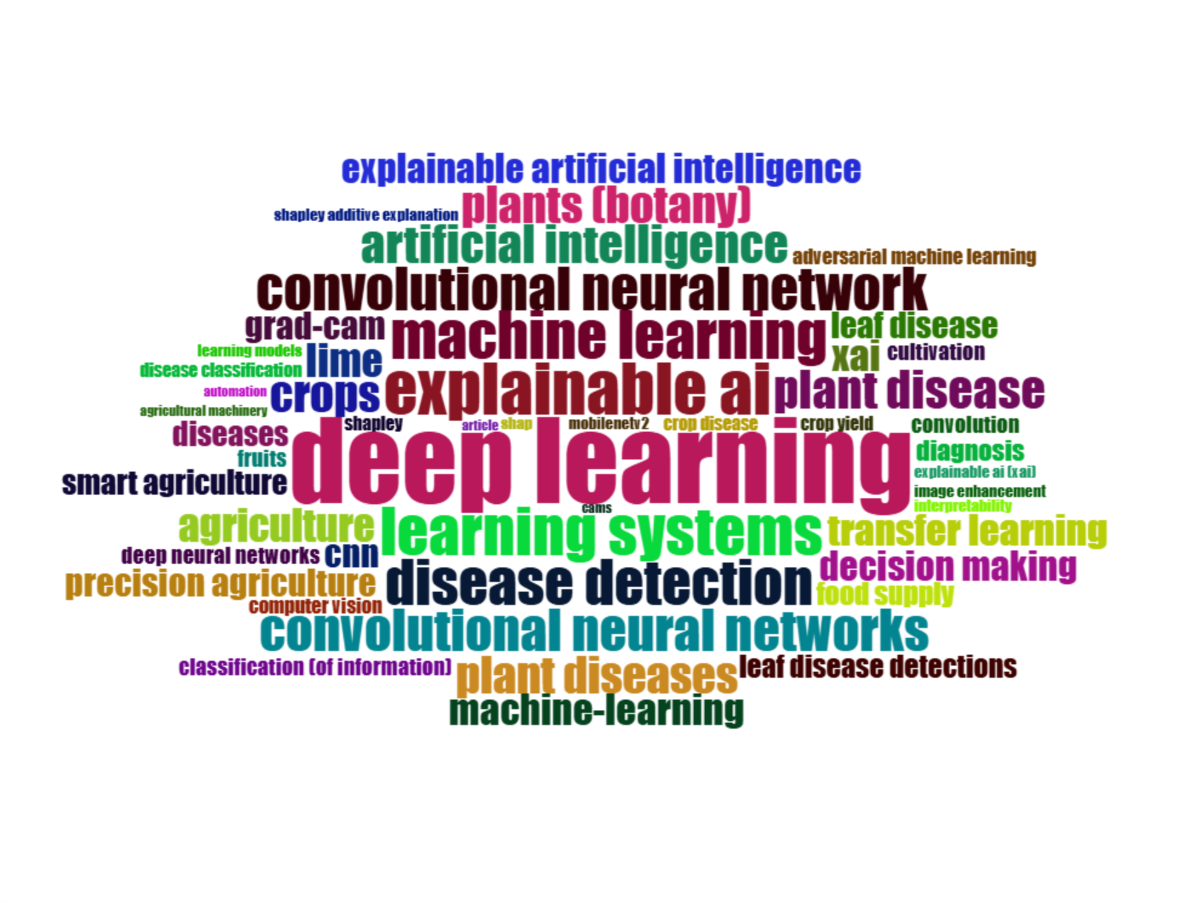
learning systems | 28
machine learning | 27
disease detection | 26
convolutional neural network | 25
convolutional neural networks | 24
artificial intelligence | 22
plant disease | 22
crops | 21
plant diseases | 21
plants (botany) | 21
agriculture | 19
lime | 19
machine-learning | 18
transfer learning | 18
xai | 18
decision making | 17
explainable artificial intelligence | 17
cnn | 16
grad-cam | 16
precision agriculture | 16
leaf disease | 15
diseases | 14
smart agriculture | 14
food supply | 13
leaf disease detections | 13
diagnosis | 12
classification (of information) | 10
convolution | 10
cultivation | 10
deep neural networks | 10
fruits | 10
adversarial machine learning | 9
computer vision | 9
crop disease | 8
crop yield | 8
disease classification | 8
shapley | 8
explainable ai (xai) | 7
image enhancement | 7
interpretability | 7
learning models | 7
mobilenetv2 | 7
shap | 7
shapley additive explanation | 7
agricultural machinery | 6
article | 6
automation | 6
cams | 6

MostFreqWords
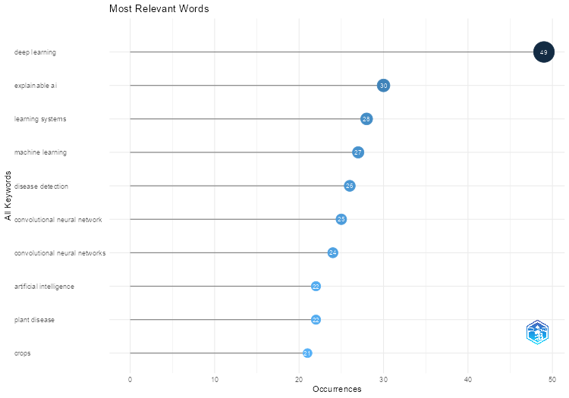
Words | Occurrences
deep learning | 49
explainable ai | 30
learning systems | 28
machine learning | 27
disease detection | 26
convolutional neural network | 25
convolutional neural networks | 24
artificial intelligence | 22
plant disease | 22
crops | 21
plant diseases | 21
plants (botany) | 21
agriculture | 19
lime | 19
machine-learning | 18
transfer learning | 18
xai | 18
decision making | 17
explainable artificial intelligence | 17
cnn | 16
grad-cam | 16
precision agriculture | 16
leaf disease | 15
diseases | 14
smart agriculture | 14
food supply | 13
leaf disease detections | 13
diagnosis | 12
classification (of information) | 10
convolution | 10
cultivation | 10
deep neural networks | 10
fruits | 10
adversarial machine learning | 9
computer vision | 9
crop disease | 8
crop yield | 8
disease classification | 8
shapley | 8
explainable ai (xai) | 7
image enhancement | 7
interpretability | 7
learning models | 7
mobilenetv2 | 7
shap | 7
shapley additive explanation | 7
agricultural machinery | 6
article | 6
automation | 6
cams | 6
contrastive learning | 6
convolutional neural network (cnn) | 6
explainable artificial intelligence (xai) | 6
remote sensing | 6
vision transformer | 6
activation mapping | 5
agricultural economics | 5
artificial neural network | 5
classification | 5
ensemble learning | 5
feature extraction | 5
feature selection | 5
food security | 5
neural networks | 5
plant leaves | 5
potato | 5
random forests | 5
anomaly detection | 4
condition | 4
controlled study | 4
explainable machine learning | 4
global food security | 4
image classification | 4
image segmentation | 4
losses | 4
plant disease detection | 4
random forest | 4
resnet50 | 4
support vector machines | 4
agricultural robots | 3
ai techniques | 3
algorithm | 3
climate change | 3
costs | 3
crop quality | 3
decision-making process | 3
decision trees | 3
detection method | 3
error detection | 3
federated learning | 3
forecasting | 3
gradient-weighted class activation mapping | 3
high-accuracy | 3
image analysis | 3
image processing | 3
images classification | 3
images processing | 3
leaf images | 3
learning algorithms | 3
learning frameworks | 3
local interpretable model-agnostic explanation | 3
network security | 3
nonhuman | 3
object detection | 3
objects detection | 3
performance | 3
plant disease diagnosis | 3
potato plants | 3
power | 3
prediction | 3
procedures | 3
quality control | 3
remote-sensing | 3
sustainable development | 3
transparency | 3
adaptive boosting | 2
alexnet | 2
banana plant | 2
barium compounds | 2
behavioral research | 2
benchmarking | 2
black boxes | 2
chemical | 2
chemical contamination | 2
chemistry | 2
china | 2
citrus fruits | 2
classifiers | 2
colour spaces | 2
convolutional neural networks (cnns) | 2
cost effectiveness | 2
data set | 2
deep learning in agriculture | 2
defect detection | 2
degradation | 2
digital agriculture | 2
discrete-wavelet-transform | 2
discrete wavelet transform | 2
early diagnosis | 2
economics | 2
entropy | 2
environmental factor | 2
environmental monitoring | 2
explainability | 2
failure (mechanical) | 2
fault detection | 2
feature analysis | 2
features extraction | 2
fertilizers | 2
food crops | 2
food safety | 2
fungal disease | 2
grad-cam++ | 2
gradient based | 2
gray leaf spots | 2
hybrid model | 2
hyperspectral | 2
hyperspectral imaging | 2
image recognition | 2
information management | 2
inspection | 2
labeled data | 2
land cover | 2
land use | 2
large datasets | 2
learn+ | 2
learning approach | 2
local interpretable model-agnostic explanations (lime) | 2
machine learning models | 2
maize leaf disease | 2
mango leaf disease | 2
mean square error | 2
modern agricultures | 2
multi-task learning | 2
multispectral image | 2
multitask learning | 2
nuclear energy | 2
nuclear fuels | 2
nuclear power plants | 2
organic carbon | 2
pesticide | 2
pesticides | 2
photointerpretation | 2
physiology | 2
plant leaf disease | 2
pre-trained models | 2
precipitation | 2
prediction modelling | 2
prediction models | 2
quality assessment | 2
resnet | 2
resnet152v2 | 2
rice crops | 2
rice leaves | 2
satellite | 2
seed | 2
shapley additive explanations (shap) | 2
smart agricultures | 2
soil degradation | 2
spectral analysis | 2
statistical tests | 2
streamlit deployment | 2
support vector machine | 2
sustainable agriculture | 2
tomato leaf | 2
united states | 2
vegetation | 2
vision transformers | 2
water pollutant | 2
water pollutants | 2
'current | 1
abiotic | 1
ablation | 1
abnormal event diagnose | 1
abnormal event diagnosis | 1
accuracy assessment | 1
accurate prediction | 1
acute | 1
acute toxicity | 1
adaboost | 1
adaptive histograms | 1
adaptive particle swarm optimizations | 1
additives | 1
aeration | 1
aeration system | 1
aeration systems | 1
aerial survey | 1
aerial vehicle | 1
agricultural areas | 1
agricultural automation | 1
agricultural industries | 1
agricultural land | 1
agricultural modeling | 1
agricultural monitoring | 1
agricultural practices | 1
agricultural robot | 1
agricultural sustainability | 1
agricultural technologies | 1
agricultural technology | 1
agricultural worker | 1
agriculture-related | 1
agriculture industries | 1
agro ecologies | 1
agroecology | 1
airflow | 1
alternative agriculture | 1
ambients | 1
anchor-free | 1
and efficientnet-b0 | 1
animal | 1
animals | 1
antagonistic effect | 1
antinematodal agent | 1
apple leaf disease | 1
apple leaf disease detection | 1
apple leaf diseases | 1
artificial intelligence techniques | 1
arts computing | 1
asian countries | 1
asset failure | 1
assets failures | 1
autocorrelation | 1
automated defect detection | 1
automated detection | 1
automated systems | 1
automl | 1
banana leaf | 1
bands selections | 1
bayes theorem | 1
bayesian optimization | 1
bean crop disease | 1
big data | 1
binary bat algorithm | 1
binding site | 1
biodiversity | 1
biological invasion | 1
biological invasions | 1
biomass | 1
biotic factors | 1
biotic stress | 1
black sigatoka | 1
bleedings | 1
boosting ensembles | 1
bottle gourd disease classification | 1
calibration | 1
canny | 1
carbon farming | 1
case-studies | 1
cassava | 1
cassavum | 1
cat boost classifier | 1
cation exchange | 1
cattle identification | 1
cattles | 1
chemical analysis | 1
chemical component | 1
chemical composition | 1
chemical industry | 1
chemical water treatment | 1
chilling | 1
chlorophyll fluorescence | 1
citrullus lanatus | 1
citrus limon | 1
clahe | 1
classification models | 1
cleaning | 1
climate conditions | 1
climate effect | 1
climate models | 1
climate variability | 1
cnn-lstm | 1
cnn model | 1
coal | 1
coastal plain | 1
coconut | 1
coconut disease | 1
coconut trees | 1
coffee disease | 1
color image processing | 1
combustion | 1
comparative study | 1
comparatives studies | 1
complex networks | 1
complex task | 1
component replacement | 1
computational efficiency | 1
computational modelling | 1
computer | 1
computer aided diagnosis | 1
computer crime | 1
computer model | 1
computer vision algorithms | 1
confusion matrix | 1
contrast limited adaptive histogram equalization | 1
controlled environment | 1
controlled trial | 1
convnet models | 1
convnext | 1
convnext_large | 1
convolution neural network | 1
convolution neural network (cnn) | 1
convolution neural networks | 1
convolutional block attention module | 1
convolutional block attention modules (cbam) | 1
copper | 1
cost effective | 1
cotton | 1
cotton leaf disease detection | 1
cracks | 1
critical asset | 1
critical challenges | 1
critical infrastructures | 1
crop | 1
crop classification | 1
crop damage | 1
crop damages | 1
crop health | 1
crop loss | 1
crop managements | 1
crop production | 1
crop protection | 1
crop safety | 1
crop trees | 1
crop yield prediction | 1
cropping practice | 1
cross validation | 1
cucumber disease | 1
cucumber disease detection | 1
cyber attacks | 1
cyber security | 1
cyber threats | 1
cyprinodon variegatus | 1
cyst nematodes | 1
damage detection | 1
data accuracy | 1
data augmentation | 1
data fusion | 1
data integration | 1
data mining | 1
data privacy | 1
data processing | 1
data quality | 1
data reduction | 1
data streaming | 1
dba-vinet | 1
decision support system | 1
decision support systems | 1
decision supports | 1
defect identification | 1
densenet121 | 1
densenet201 | 1
descriptors | 1
detection | 1
detection algorithm | 1
detection and classification | 1
detection and localization | 1
detection system | 1
development and aging | 1
diagnostic systems | 1
different class | 1
digital twins | 1
dimensionality reduction | 1
discrete wavelet transform (dwt) | 1
disease | 1
disease cause | 1
disease control | 1
disease diagnosis | 1
disease forecast | 1
disease forecasting | 1
disease infestation | 1
disease prevalence | 1
disease symptoms | 1
disordered landscapes | 1
dissolved organic carbon | 1
distributed denial of service (ddos) | 1
distributed systems | 1
dl | 1
dna sequence | 1
dnabert | 1
domain adaptation | 1
downy mildew | 1
drinking-water qualities | 1
drinking water | 1
driver analysis | 1
drought | 1
early disease | 1
earth observation | 1
ecology | 1
economic and social effects | 1
economic importance | 1
economic values | 1
economy security | 1
ecosystem services | 1
ecosystems | 1
edge detection | 1
edible fruits | 1
effective management | 1
efficientnetb0 | 1
efficientnetb7 | 1
efficientnetv2-s | 1
efficientnetv2b0 | 1
efficientnetv2b3 | 1
efficientnetv2l | 1
effluent treatment | 1
eichhornia | 1
eichhornia crassipes | 1
endosperm | 1
energy | 1
energy infrastructures | 1
energy productions | 1
energy security | 1
ensemble methods | 1
ensemble techniques | 1
entropy water quality index | 1
entropy water quality index (ewqi) | 1
environmental factors | 1
environmental instability | 1
environmental temperature | 1
esp32-cam | 1
eukaryote | 1
europe | 1
evaluation study | 1
explainable-ai | 1
explainable ai (xai) technique | 1
explainable ai (xai) techniques | 1
explainable model | 1
explanation | 1
extraction method | 1
f1 scores | 1
fabrication | 1
facies | 1
facility agriculture | 1
farming practices | 1
farms | 1
faults detection | 1
feature engineering | 1
features selection | 1
fedavg | 1
field scale | 1
financial loss | 1
fine-particles | 1
fine-tuning | 1
fine tuning | 1
fixmatch | 1
focus score metric | 1
food-safety | 1
food habit | 1
food quality | 1
food quality assessment | 1
food sources | 1
forcings | 1
forestry | 1
freezing | 1
fresh water pollutions | 1
fresh weight | 1
fruit | 1
fruit disease classification | 1
fruit image classification | 1
fruit quality | 1
fruit quality classification | 1
fruit trees | 1
fungicide | 1
garbage in water bodies | 1
garbage in water body | 1
gated recurrent unit network | 1
genetic analysis | 1
genomics | 1
geographic distribution | 1
geological surveys | 1
germination | 1
germination rate | 1
global challenges | 1
global economies | 1
global population | 1
global threats | 1
globodera | 1
globoderum | 1
google earth engine | 1
google earths | 1
gradcam | 1
gradient-weighted class activation mapping (grad-cam) | 1
gradient based explainable ai | 1
gradient weighted class activation mapping | 1
grading | 1
grape | 1
grape leaves | 1
grassland monitoring | 1
green ai | 1
ground water | 1
groundwater | 1
groundwater quality | 1
grouping technique | 1
growth | 1
habitat | 1
habitat quality | 1
habitat suitability | 1
health assessments | 1
health monitoring | 1
heat map | 1
heat maps | 1
herbicide | 1
high-level explainable feature | 1
high costs | 1
histogram equalizations | 1
hot pepper damping-off | 1
hough transform | 1
hough transform (ht) | 1
hough transforms | 1
hybrid | 1
hybrid approach | 1
hybrid deep learning | 1
hydro energy | 1
hydrochemical facies | 1
hydrochemistry | 1
hydroelectric power plant | 1
hydroelectric power plants | 1
hyper-parameter | 1
hyperspectral data | 1
hyperspectral imaging (hsi) | 1
ids | 1
image-analysis | 1
image analyze | 1
image annotation | 1
image augmentation | 1
image datasets | 1
image diagnosis | 1
image quality | 1
image resolution | 1
image signal | 1
image/signal analysis (e g | 1
image/signal analyze (eg | 1
imagenet | 1
in-core reactor inspection | 1
in-core reactor inspections | 1
inception v3 | 1
inceptionv3 | 1
india | 1
indicator detection | 1
indicator plants | 1
individual strength | 1
indus-trial process plant | 1
indus-trial process plants | 1
industrial area | 1
industrial plants | 1
information systems | 1
innovative approaches | 1
innovative models | 1
insect | 1
insect diversity monitoring | 1
insecticide | 1
instrumentation | 1
integrated gradient | 1
integrated gradients | 1
integrated perspectives | 1
integration | 1
intelligence models | 1
intelligent robots | 1
intelligent systems | 1
international trade | 1
internet | 1
internet of things (iot) | 1
interpretability technique | 1
interpretability techniques | 1
interpretable machine learning | 1
introduced species | 1
intrusion-detection | 1
intrusion detection | 1
intrusion detection system | 1
intrusion detection systems | 1
invariant feature transforms | 1
invasive species | 1
investments | 1
ion chromatography | 1
iot | 1
irrigation | 1
ithikkara river | 1
jute pest prediction | 1
k-near neighbor regressor | 1
k-nearest neighbour models | 1
k nearest neighbor | 1
kerala | 1
killifish | 1
killifishes | 1
knn regressor | 1
knowledge graph | 1
knowledge graphs | 1
kwangju [south korea] | 1
land use land cover | 1
land use/land cover | 1
large-scale datasets | 1
layer-wise | 1
layer-wise relevance propagation | 1
layer cam | 1
lc50 | 1
lead | 1
lead compounds | 1
leaf | 1
leaf disease detection | 1
leaf diseases | 1
leaf spot disease | 1
leaf unfolding date | 1
leak detection | 1
learning architectures | 1
learning based models | 1
learning classifiers | 1
learning techniques | 1
lemon disease classification | 1
lemon quality | 1
lightweight | 1
lime explanation | 1
livestock | 1
local binary pattern | 1
local binary patterns | 1
logging (forestry) | 1
logistic regression | 1
long short term memory network | 1
long terminal repeat | 1
long terminal repeat retrotransposon | 1
loss functions | 1
lstm | 1
machine-vision | 1
machine components | 1
machine learning (ml) | 1
machine learning algorithms | 1
machine learning approaches | 1
machine learning methods | 1
machine learning techniques | 1
machine vision | 1
maize | 1
maize leaves diseases | 1
maize seed | 1
maize seeds | 1
major component replacement | 1
malus | 1
man machine systems | 1
manganese | 1
mango leaf | 1
mango leaves | 1
manual classification | 1
mapping | 1
marine pollution | 1
marine trash | 1
mathematical morphology | 1
mediterranean environment | 1
melbourne wastewater treatment plant | 1
merged dataset | 1
method detection limit | 1
mexico [north america] | 1
mhealth | 1
microbicide | 1
microbiology | 1
ml | 1
mobile computing | 1
mobilenet model | 1
mobilenet models | 1
modal data | 1
model domains | 1
model fusion | 1
modeling | 1
modeling accuracy | 1
modeling decision makings | 1
modeling performance | 1
modern agriculture | 1
molecular stability | 1
monitoring | 1
monitoring system | 1
morphology | 1
mulberry leaf disease | 1
multi-class classification | 1
multi-head attention | 1
multi-label plant disease | 1
multi-label plant diseases | 1
multi-labels | 1
multi-mode operations | 1
multimodal data fusion | 1
multimode operations | 1
multiple linear regression analysis | 1
multispectral imagery | 1
multispectral imaging | 1
multivari-ate time-series data | 1
multivari-eat time-series data | 1
multivariate time series | 1
nadam | 1
nasnet-mobile | 1
naturally aged | 1
ndvi | 1
nearest-neighbour | 1
nearest neighbor search | 1
network coding | 1
network intrusion | 1
neural-networks | 1
neural network model | 1
nondestructive examination | 1
nonlinear climate effects | 1
north china | 1
nuclear industry | 1
nuclear power plant | 1
nuclear power plant operators | 1
nuclear reactors | 1
numerical model | 1
object detection) | 1
observatories | 1
ohio | 1
olive | 1
olive grove | 1
open burning | 1
open data | 1
operational modes | 1
operational parameters | 1
optical data | 1
optical flows | 1
optical resolving power | 1
other | 1
others | 1
oxidation | 1
oxidation reduction potential | 1
oxidative potential | 1
paddy disease classification | 1
paddy disease prediction model | 1
paddy leaf disease | 1
particle swarm optimization (pso) | 1
particles (particulate matter) | 1
particulate matter | 1
particulate matter 2 5 | 1
pattern-matching | 1
pattern matching | 1
pca | 1
pcnn | 1
performance degradation | 1
perturbation-based method | 1
perturbation-based methods | 1
perturbation techniques | 1
pest classification | 1
pest infestation | 1
phenological model | 1
phenology | 1
phenotype | 1
photomapping | 1
physical chemistry | 1
physiological models | 1
plant community | 1
plant disease classification | 1
plant genetics | 1
plant genome | 1
plant health monitoring | 1
plant healths | 1
plant leaves diseases | 1
plant life extension | 1
plant operators | 1
plant seed | 1
plant stress | 1
plant village dataset | 1
plot analysis | 1
pm 2 5 | 1
pm2 5 | 1
polymerase chain reaction | 1
polyvinylidene fluoride | 1
population abundance | 1
pore size | 1
potato cyst nematode | 1
potato cyst nematodes | 1
potato disease | 1
potato leaf disease detection | 1
potato research | 1
potential loss | 1
pre-trained model | 1
precision livestock farming | 1
prediction accuracy | 1
predictive accuracy | 1
predictive maintenance | 1
predictive models | 1
predictor variable | 1
pressure loss | 1
prevalence | 1
preventive maintenance | 1
prewitt | 1
principal component analysis | 1
privacy concerns | 1
process control | 1
process model | 1
process monitoring | 1
process plants | 1
quality classification | 1
quality detection | 1
quantitative structure-activity relationship | 1
quantitative structure activity relation | 1
random forest modeling | 1
rapid detection | 1
real time solution | 1
real time systems | 1
recent researches | 1
reclamation | 1
recommendation model | 1
recommender systems | 1
recursive feature elimination | 1
recycling | 1
reforestation | 1
regulatory mechanisms | 1
regulatory sequence | 1
relative humidity | 1
reliability | 1
remotely operated vehicle | 1
renewable energies | 1
repeat | 1
resource allocation | 1
review papers | 1
rgb | 1
rgb color model | 1
rice | 1
rice disease detection | 1
rice leaf disease | 1
rice leaf disease detection | 1
rice leaf diseases | 1
rice plant | 1
rice plants | 1
rio grande [north america] | 1
risk assessment | 1
risk management | 1
river | 1
river basin | 1
river basins | 1
river pollution | 1
rivers | 1
root cause analysis | 1
root length | 1
rule based | 1
rural landscape | 1
rural population | 1
safety critical applications | 1
safety engineering | 1
sahel-sudan-guinea region | 1
saliency map | 1
satellite data | 1
satellites | 1
scalability | 1
scale-invariant feature transform | 1
scale invariant features | 1
seed viability | 1
seedling | 1
seeds | 1
segmentation | 1
self-attention | 1
self-organizing-maps | 1
self-organizing map | 1
self-organizing maps (som) | 1
self-supervised learning | 1
self organizing map | 1
semantic segmentation | 1
semantic web | 1
semi-conductor fabrication | 1
semi-supervised | 1
semi-supervised learning | 1
sensor data fusion | 1
sensor networks | 1
sensors network | 1
sequence analysis | 1
shap analysis | 1
shap score | 1
shapley additive explanation analyze | 1
shapley additive explanations | 1
sheepshead minnow (cyprinodon variegatu) | 1
sheepshead minnow (cyprinodon variegatus) | 1
sheepshead minnows | 1
shoot length | 1
short term memory | 1
shot segmentation | 1
sift | 1
signals analysis | 1
silicate | 1
simple++ | 1
single-modal | 1
smote | 1
socio-economics | 1
socioeconomics | 1
soft voting ensemble | 1
soil moisture | 1
soil surveys | 1
soils | 1
solanum tuberosum | 1
soursop | 1
south africa | 1
south korea | 1
spatial autocorrelation analysis | 1
spatial transformer network | 1
spatial transformer networks (stn) | 1
species distribution | 1
species invasion | 1
spectral analyze | 1
spectral band | 1
spectral imaging | 1
spectrofluorometry | 1
spring phenology | 1
squeezenet | 1
sri lanka | 1
staple food | 1
statistical analysis | 1
statistical crop modeling | 1
statistical features | 1
storm sewers | 1
stress | 1
stress condition | 1
stress detection | 1
stresses | 1
strong securities | 1
structure activity relation | 1
submodels | 1
successive projections algorithm | 1
summer | 1
super-resolution | 1
superresolution | 1
supervised | 1
supervised learning | 1
supervised machine learning | 1
supervisory systems | 1
support systems | 1
support vector machine (svm) | 1
support vector regression | 1
surface defects | 1
surface property | 1
surface water | 1
sustainable agricultural | 1
svm classifier | 1
svm classifiers | 1
sweet potato | 1
symptom | 1
tata box | 1
technical development | 1
technological change | 1
technology transfer | 1
technology trend | 1
temperate environment | 1
temperate trees | 1
temperature and humidities | 1
temperature sensitivity | 1
tfbs | 1
thermography (imaging) | 1
time-series data | 1
time series | 1
tmap | 1
tomato | 1
tomato leaf diseases | 1
toxicity | 1
toxicity testing | 1
toxicity tests | 1
transcription factor binding sites | 1
transformer models | 1
transposable elements | 1
tree manifold approximation and projection | 1
trees (mathematics) | 1
trend reversal | 1
tropic climate | 1
tropical climate | 1
tropical region | 1
tropical rivers | 1
tropics | 1
uncertainty analysis | 1
uncertainty management | 1
unfoldings | 1
unmanned aerial vehicles (uav) | 1
unmanned vehicle | 1
unsupervised learning | 1
urban | 1
urban area | 1
urban flooding | 1
us dollar | 1
vacant courtyard | 1
vegetables | 1
vegetation dynamics | 1
vegetation type | 1
vertical farming | 1
vgg16 | 1
vgg19 | 1
viability detection model | 1
vine | 1
vineyard | 1
viruses | 1
vision based | 1
visual features | 1
visual noise | 1
visualization | 1
vit | 1
vitamin c | 1
wafer maps | 1
waste | 1
waste water treatment plants | 1
wastewater disposal | 1
wastewater quality prediction | 1
wastewater treatment | 1
water-deficiency | 1
water-soluble organic carbon | 1
water aeration | 1
water hardness | 1
water hyacinth | 1
water management | 1
water quality | 1
water quality indexes | 1
water recycling | 1
water resource | 1
water stress | 1
water supply | 1
waterbodies | 1
watermelon leaf disease | 1
watermelon leaf diseases | 1
weather data | 1
weathering | 1
wheat crop disease | 1
white noise | 1
wine | 1
winter | 1
world wide web | 1
wsn | 1
x ray fluorescence spectrometry | 1
xai metric | 1
xai metrics | 1
xai visualization | 1
xception | 1
xgboost | 1
yield loss | 1
yield prediction | 1
yield prediction models | 1
yolov11 | 1
yolov8m | 1
zea mays | 1
zero hunger | 1
zinc | 1

TreeMap
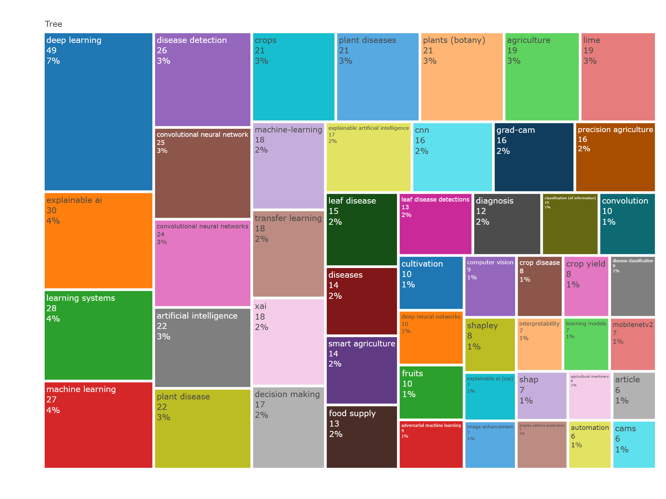
Terms | Frequency
deep learning | 49
explainable ai | 30
learning systems | 28
machine learning | 27
disease detection | 26
convolutional neural network | 25
convolutional neural networks | 24
artificial intelligence | 22
plant disease | 22
crops | 21
plant diseases | 21
plants (botany) | 21
agriculture | 19
lime | 19
machine-learning | 18
transfer learning | 18
xai | 18
decision making | 17
explainable artificial intelligence | 17
cnn | 16
grad-cam | 16
precision agriculture | 16
leaf disease | 15
diseases | 14
smart agriculture | 14
food supply | 13
leaf disease detections | 13
diagnosis | 12
classification (of information) | 10
convolution | 10
cultivation | 10
deep neural networks | 10
fruits | 10
adversarial machine learning | 9
computer vision | 9
crop disease | 8
crop yield | 8
disease classification | 8
shapley | 8
explainable ai (xai) | 7
image enhancement | 7
interpretability | 7
learning models | 7
mobilenetv2 | 7
shap | 7
shapley additive explanation | 7
agricultural machinery | 6
article | 6
automation | 6
cams | 6

WordFreqOverTime
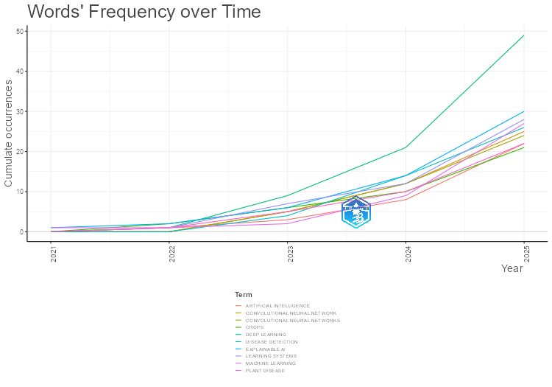
Year | DEEP LEARNING | EXPLAINABLE AI | LEARNING SYSTEMS | MACHINE LEARNING | DISEASE DETECTION | CONVOLUTIONAL NEURAL NETWORK | CONVOLUTIONAL NEURAL NETWORKS | ARTIFICIAL INTELLIGENCE | PLANT DISEASE | CROPS
2021 | 0 | 1 | 0 | 1 | 0 | 0 | 0 | 0 | 0 | 0
2022 | 1 | 2 | 1 | 1 | 0 | 0 | 0 | 1 | 1 | 2
2023 | 9 | 6 | 7 | 2 | 4 | 5 | 5 | 3 | 5 | 6
2024 | 21 | 14 | 12 | 9 | 14 | 12 | 12 | 8 | 10 | 10
2025 | 49 | 30 | 28 | 27 | 26 | 25 | 24 | 22 | 22 | 21

TrendTopics
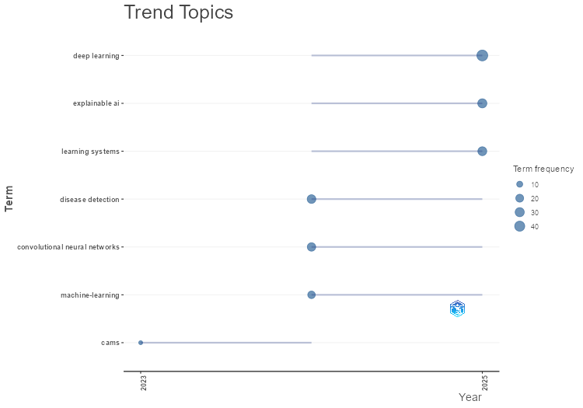
Term | Frequency | Year (Q1) | Year (Median) | Year (Q3)
cams | 6 | 2023 | 2023 | 2024
disease detection | 26 | 2024 | 2024 | 2025
convolutional neural networks | 24 | 2024 | 2024 | 2025
machine-learning | 18 | 2024 | 2024 | 2025
deep learning | 49 | 2024 | 2025 | 2025
explainable ai | 30 | 2024 | 2025 | 2025
learning systems | 28 | 2024 | 2025 | 2025

CoWordNet
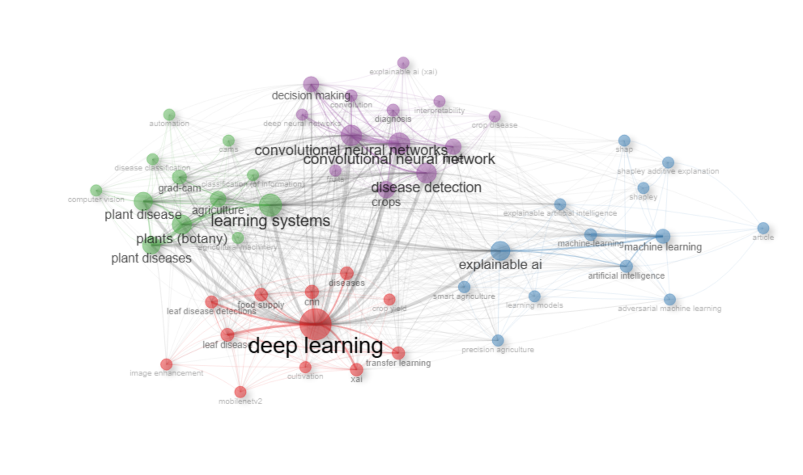
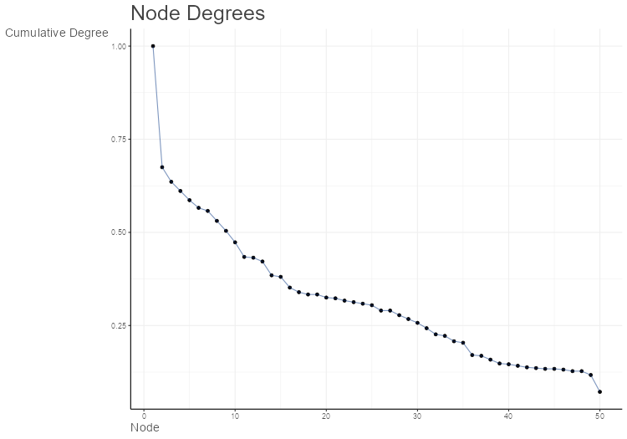
Node | Cluster | Betweenness | Closeness | PageRank
deep learning | 1 | 113.53478156 | 0.019607843137 | 0.060840247255
transfer learning | 1 | 4.4258581662 | 0.014492753623 | 0.018668539184
xai | 1 | 5.9511044537 | 0.014492753623 | 0.019079913909
cnn | 1 | 11.448529099 | 0.016393442623 | 0.022525706318
leaf disease | 1 | 4.8071400315 | 0.015625 | 0.021645000568
diseases | 1 | 5.5838408308 | 0.015151515152 | 0.020942359565
food supply | 1 | 5.6845529852 | 0.015625 | 0.021653625697
leaf disease detections | 1 | 1.8390941128 | 0.014285714286 | 0.019598037653
cultivation | 1 | 1.5869493988 | 0.012987012987 | 0.012757938237
crop yield | 1 | 0.97244528431 | 0.0125 | 0.0092731550128
image enhancement | 1 | 0.26134129799 | 0.012345679012 | 0.0093073943019
mobilenetv2 | 1 | 0.27382658809 | 0.012195121951 | 0.0086510024476
explainable ai | 2 | 22.025322116 | 0.017543859649 | 0.033245178907
machine learning | 2 | 21.089889617 | 0.014705882353 | 0.022705719417
artificial intelligence | 2 | 10.665641833 | 0.014925373134 | 0.018329128387
machine-learning | 2 | 11.607214068 | 0.014492753623 | 0.018789422181
explainable artificial intelligence | 2 | 6.0815026376 | 0.014285714286 | 0.016066392366
precision agriculture | 2 | 1.4892133591 | 0.013888888889 | 0.014717621535
smart agriculture | 2 | 3.9761249214 | 0.014925373134 | 0.018416299808
adversarial machine learning | 2 | 0.75591326618 | 0.011627906977 | 0.0084143400719
shapley | 2 | 0.52946139005 | 0.011627906977 | 0.0085488930408
learning models | 2 | 0.3739563246 | 0.011904761905 | 0.0080214148995
shap | 2 | 0.71133819879 | 0.011627906977 | 0.0082097933647
shapley additive explanation | 2 | 1.3800234785 | 0.011764705882 | 0.0090446211009
article | 2 | 0.22382211622 | 0.011111111111 | 0.0061190779573
learning systems | 3 | 54.418919838 | 0.019230769231 | 0.043318845112
plant disease | 3 | 18.70397856 | 0.01724137931 | 0.033749551179
plant diseases | 3 | 16.433131279 | 0.01724137931 | 0.031691616667
plants (botany) | 3 | 19.781069097 | 0.01724137931 | 0.036033515104
agriculture | 3 | 15.626957099 | 0.016393442623 | 0.027286924336
grad-cam | 3 | 6.4436007078 | 0.015873015873 | 0.023743581926
classification (of information) | 3 | 0.75197821212 | 0.013698630137 | 0.016412362893
computer vision | 3 | 0.37230953469 | 0.012820512821 | 0.013037294356
disease classification | 3 | 1.6479051847 | 0.013888888889 | 0.014946890713
agricultural machinery | 3 | 0.27123406917 | 0.012195121951 | 0.010449923606
automation | 3 | 0.042124738827 | 0.011627906977 | 0.0072218166057
cams | 3 | 0.34250945172 | 0.0125 | 0.0094739213988
disease detection | 4 | 30.144853637 | 0.018181818182 | 0.03693519192
convolutional neural network | 4 | 46.690273814 | 0.018518518519 | 0.040902762931
convolutional neural networks | 4 | 33.23548799 | 0.018181818182 | 0.039242559001
crops | 4 | 19.913039351 | 0.016949152542 | 0.03001748312
lime | 4 | 13.099205829 | 0.016666666667 | 0.026755596856
decision making | 4 | 10.105951892 | 0.015625 | 0.026850557793
diagnosis | 4 | 2.217672572 | 0.014285714286 | 0.019118186002
convolution | 4 | 3.5570795085 | 0.014492753623 | 0.019132824028
deep neural networks | 4 | 1.2253398342 | 0.013513513514 | 0.015067967345
fruits | 4 | 1.3778540691 | 0.013698630137 | 0.014160965238
crop disease | 4 | 0.59604786562 | 0.012345679012 | 0.010105109201
explainable ai (xai) | 4 | 0.38293743737 | 0.011904761905 | 0.0084275788604
interpretability | 4 | 0.33965128702 | 0.0125 | 0.010346150623

ThematicMap
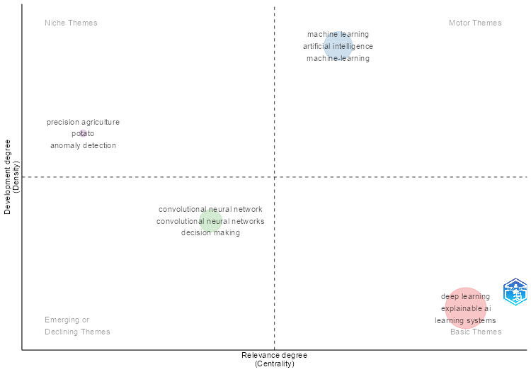
params | values
field | KW_Merged
n | 250
minfreq | 2
ngrams | 1
stemming | FALSE
size | 0.3
n.labels | 3
community.repulsion | 0.5
repel | FALSE
cluster | louvain

Occurrences | Words | Cluster | Cluster_Label | btw_centrality | clos_centrality | pagerank_centrality
49 | deep learning | 1 | deep learning | 678.06749759 | 0.0022075055188 | 0.029703450257
30 | explainable ai | 1 | deep learning | 1294.9690523 | 0.0023752969121 | 0.018337512457
28 | learning systems | 1 | deep learning | 1230.8773097 | 0.002358490566 | 0.023100039012
26 | disease detection | 1 | deep learning | 625.9062062 | 0.0022573363431 | 0.017728446606
22 | plant disease | 1 | deep learning | 332.38600802 | 0.0020661157025 | 0.015910444282
21 | crops | 1 | deep learning | 590.29701429 | 0.0022471910112 | 0.015363831035
21 | plant diseases | 1 | deep learning | 259.94328751 | 0.0021598272138 | 0.014696033804
21 | plants (botany) | 1 | deep learning | 304.11619744 | 0.0021929824561 | 0.01586919625
19 | agriculture | 1 | deep learning | 382.37481173 | 0.0022172949002 | 0.013136043163
19 | lime | 1 | deep learning | 299.62968642 | 0.0022026431718 | 0.012568932618
18 | transfer learning | 1 | deep learning | 339.86344555 | 0.0021881838074 | 0.010575348444
18 | xai | 1 | deep learning | 648.9103357 | 0.0022988505747 | 0.010908205262
16 | cnn | 1 | deep learning | 233.65681289 | 0.0021186440678 | 0.010183590837
15 | leaf disease | 1 | deep learning | 310.96765422 | 0.0021834061135 | 0.010092579025
14 | diseases | 1 | deep learning | 332.87020019 | 0.0022321428571 | 0.01044239464
14 | smart agriculture | 1 | deep learning | 294.54622762 | 0.0021141649049 | 0.0095150202973
13 | food supply | 1 | deep learning | 233.87084009 | 0.0022075055188 | 0.010135979119
13 | leaf disease detections | 1 | deep learning | 149.18714837 | 0.0020920502092 | 0.0089246021045
12 | diagnosis | 1 | deep learning | 392.47184612 | 0.0022321428571 | 0.0094515730056
10 | classification (of information) | 1 | deep learning | 267.21015864 | 0.0022471910112 | 0.0083312264459
10 | cultivation | 1 | deep learning | 163.78605738 | 0.0021367521368 | 0.0068823842741
10 | fruits | 1 | deep learning | 178.74439094 | 0.0021231422505 | 0.0070207943333
8 | crop disease | 1 | deep learning | 159.36191508 | 0.0021645021645 | 0.0054768083216
8 | crop yield | 1 | deep learning | 250.89349713 | 0.0021881838074 | 0.0054160247919
8 | disease classification | 1 | deep learning | 95.739563113 | 0.002132196162 | 0.0065172106794
7 | image enhancement | 1 | deep learning | 220.5075114 | 0.0021141649049 | 0.0052409912899
7 | interpretability | 1 | deep learning | 132.48775943 | 0.0021645021645 | 0.0053725732073
7 | learning models | 1 | deep learning | 148.7241122 | 0.0019801980198 | 0.0042433093176
7 | mobilenetv2 | 1 | deep learning | 120.72855125 | 0.0020746887967 | 0.0045709241586
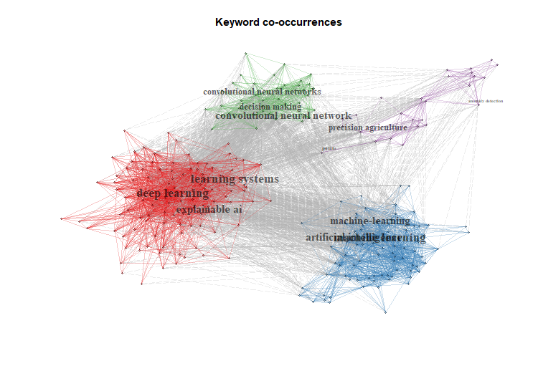
6 | automation | 1 | deep learning | 393.41009146 | 0.0022421524664 | 0.0057265515912
6 | cams | 1 | deep learning | 127.14516648 | 0.0021413276231 | 0.0045740735256
5 | agricultural economics | 1 | deep learning | 75.119066719 | 0.0021459227468 | 0.0042181757444
5 | ensemble learning | 1 | deep learning | 48.629260478 | 0.0020746887967 | 0.0027999011048
5 | feature extraction | 1 | deep learning | 112.55455416 | 0.0021367521368 | 0.0039769139393
5 | food security | 1 | deep learning | 88.551287873 | 0.0021186440678 | 0.0038578581921
5 | neural networks | 1 | deep learning | 138.54678535 | 0.0021645021645 | 0.0035687626569
5 | plant leaves | 1 | deep learning | 43.817806149 | 0.0019646365422 | 0.0036564244949
4 | condition | 1 | deep learning | 183.10415867 | 0.0021505376344 | 0.0032498485401
4 | global food security | 1 | deep learning | 39.698345755 | 0.0020366598778 | 0.0033577897622
4 | image classification | 1 | deep learning | 157.06994097 | 0.0022172949002 | 0.0039016365049
4 | losses | 1 | deep learning | 37.968777012 | 0.0020449897751 | 0.0029538628383
4 | plant disease detection | 1 | deep learning | 76.474855927 | 0.0021141649049 | 0.0032243978956
3 | agricultural robots | 1 | deep learning | 46.982243828 | 0.0020366598778 | 0.0023100023056
3 | costs | 1 | deep learning | 20.323619994 | 0.0019342359768 | 0.0023732017953
3 | crop quality | 1 | deep learning | 34.219195128 | 0.0020491803279 | 0.0024480499782
3 | decision-making process | 1 | deep learning | 15.02848043 | 0.0019120458891 | 0.0022314319338
3 | error detection | 1 | deep learning | 72.203697851 | 0.0021186440678 | 0.0026225701894
3 | federated learning | 1 | deep learning | 45.537249771 | 0.0020366598778 | 0.0021552623398
3 | high-accuracy | 1 | deep learning | 51.569812584 | 0.0020161290323 | 0.0019227431149
3 | image analysis | 1 | deep learning | 34.951122668 | 0.0020202020202 | 0.0021044619802
3 | images classification | 1 | deep learning | 76.155584253 | 0.0021052631579 | 0.0030225942234
3 | leaf images | 1 | deep learning | 12.973405006 | 0.0018903591682 | 0.0017701237755
3 | learning algorithms | 1 | deep learning | 106.3353866 | 0.0021231422505 | 0.002788099235
3 | learning frameworks | 1 | deep learning | 37.571640391 | 0.001968503937 | 0.0024686742305
3 | network security | 1 | deep learning | 41.410529217 | 0.002079002079 | 0.0019671349349
3 | object detection | 1 | deep learning | 40.89217123 | 0.0019841269841 | 0.0016910875907
3 | objects detection | 1 | deep learning | 51.420494489 | 0.001976284585 | 0.0018759637615
3 | performance | 1 | deep learning | 63.327982159 | 0.0020920502092 | 0.0029336918794
2 | alexnet | 1 | deep learning | 16.248566463 | 0.0020283975659 | 0.0018081860361
2 | barium compounds | 1 | deep learning | 35.085470092 | 0.0021052631579 | 0.0025409515992
2 | behavioral research | 1 | deep learning | 47.960157104 | 0.0020964360587 | 0.0021818200977
2 | black boxes | 1 | deep learning | 10.743984917 | 0.0020161290323 | 0.0013227865411
2 | chemical contamination | 1 | deep learning | 34.962999788 | 0.0020703933747 | 0.0021047857759
2 | citrus fruits | 1 | deep learning | 83.913073682 | 0.0020920502092 | 0.0026721916289
2 | classifiers | 1 | deep learning | 35.085470092 | 0.0021052631579 | 0.0025409515992
2 | convolutional neural networks (cnns) | 1 | deep learning | 7.4474195292 | 0.0019841269841 | 0.0013842441201
2 | cost effectiveness | 1 | deep learning | 30.803190292 | 0.0021008403361 | 0.0022894086338
2 | early diagnosis | 1 | deep learning | 15.868258479 | 0.0020161290323 | 0.0013137134301
2 | explainability | 1 | deep learning | 16.441217945 | 0.001968503937 | 0.0015040399643
2 | features extraction | 1 | deep learning | 27.178678394 | 0.0020120724346 | 0.0017600056744
2 | food crops | 1 | deep learning | 24.518357101 | 0.0020449897751 | 0.0020276323695
2 | food safety | 1 | deep learning | 25.601668014 | 0.0020408163265 | 0.0018297288539
2 | grad-cam++ | 1 | deep learning | 29.268895962 | 0.002024291498 | 0.0020097605475
2 | gradient based | 1 | deep learning | 27.281298785 | 0.0019880715706 | 0.0016422780532
2 | gray leaf spots | 1 | deep learning | 12.66044148 | 0.0019193857965 | 0.0015710988373
2 | hybrid model | 1 | deep learning | 19.188419991 | 0.0020408163265 | 0.0015411935689
2 | image recognition | 1 | deep learning | 11.991178311 | 0.0020120724346 | 0.0016778897612
2 | learn+ | 1 | deep learning | 18.105126524 | 0.0019047619048 | 0.0016542579618
2 | learning approach | 1 | deep learning | 17.361270151 | 0.0019801980198 | 0.00180582814
2 | maize leaf disease | 1 | deep learning | 24.379652182 | 0.001953125 | 0.0013672042804
2 | mango leaf disease | 1 | deep learning | 8.494271361 | 0.0018761726079 | 0.0013013662557
2 | modern agricultures | 1 | deep learning | 8.0276938747 | 0.001953125 | 0.0015286892299
2 | plant leaf disease | 1 | deep learning | 15.700030063 | 0.0018148820327 | 0.0015676486791
2 | resnet | 1 | deep learning | 5.71200229 | 0.0018903591682 | 0.0015479690718
2 | resnet152v2 | 1 | deep learning | 26.960456308 | 0.0020325203252 | 0.0017857368466
2 | rice crops | 1 | deep learning | 11.524370417 | 0.001976284585 | 0.0014960068533
2 | rice leaves | 1 | deep learning | 15.338117263 | 0.0020491803279 | 0.0016262585205
2 | smart agricultures | 1 | deep learning | 48.556636919 | 0.0020703933747 | 0.0018380176121
2 | soil degradation | 1 | deep learning | 73.573164088 | 0.0020491803279 | 0.0019326801664
2 | statistical tests | 1 | deep learning | 25.36058417 | 0.0019880715706 | 0.002000230096
27 | machine learning | 2 | machine learning | 1503.5998178 | 0.002427184466 | 0.019072059999
22 | artificial intelligence | 2 | machine learning | 1804.8736031 | 0.002457002457 | 0.014663313566
18 | machine-learning | 2 | machine learning | 992.51470915 | 0.0023640661939 | 0.013624460689
17 | explainable artificial intelligence | 2 | machine learning | 983.76626949 | 0.002331002331 | 0.012229721826
9 | adversarial machine learning | 2 | machine learning | 310.83158292 | 0.0021834061135 | 0.0057667396353
8 | shapley | 2 | machine learning | 667.04632389 | 0.0023201856148 | 0.0066376624104
7 | shap | 2 | machine learning | 192.85915345 | 0.0021097046414 | 0.0050450424707
7 | shapley additive explanation | 2 | machine learning | 311.86743999 | 0.0022222222222 | 0.0060369757811
6 | agricultural machinery | 2 | machine learning | 195.14308191 | 0.0021186440678 | 0.006019986001
6 | article | 2 | machine learning | 112.55032567 | 0.0020833333333 | 0.0064108787781
6 | contrastive learning | 2 | machine learning | 169.28473896 | 0.0021141649049 | 0.0044375448868
6 | explainable artificial intelligence (xai) | 2 | machine learning | 237.87197536 | 0.0021645021645 | 0.0031561684975
6 | remote sensing | 2 | machine learning | 237.52091499 | 0.0021978021978 | 0.0051835577727
5 | artificial neural network | 2 | machine learning | 322.0435579 | 0.0022321428571 | 0.0048012775498
5 | classification | 2 | machine learning | 163.65055861 | 0.0021551724138 | 0.0028818706731
5 | feature selection | 2 | machine learning | 177.29467234 | 0.0021413276231 | 0.0040907785995
5 | random forests | 2 | machine learning | 177.30608325 | 0.0021834061135 | 0.0049432986989
4 | controlled study | 2 | machine learning | 88.791073457 | 0.0021367521368 | 0.0047073151623
4 | explainable machine learning | 2 | machine learning | 28.380704731 | 0.0018148820327 | 0.003891955622
4 | image segmentation | 2 | machine learning | 290.37451613 | 0.0021978021978 | 0.0040145527535
4 | random forest | 2 | machine learning | 125.68097959 | 0.0021008403361 | 0.0046855684195
3 | algorithm | 2 | machine learning | 58.485393407 | 0.0019841269841 | 0.0026463929423
3 | climate change | 2 | machine learning | 11.613007367 | 0.0018867924528 | 0.0013207152352
3 | decision trees | 2 | machine learning | 66.266539425 | 0.0020703933747 | 0.0030447806343
3 | forecasting | 2 | machine learning | 134.41061595 | 0.0021645021645 | 0.0034902897007
3 | nonhuman | 2 | machine learning | 25.031638408 | 0.001953125 | 0.0028032156187
3 | prediction | 2 | machine learning | 112.14730388 | 0.0021367521368 | 0.003478404045
3 | procedures | 2 | machine learning | 59.216793238 | 0.0019569471624 | 0.0042052609224
3 | quality control | 2 | machine learning | 315.43974623 | 0.0021598272138 | 0.0032940271357
3 | remote-sensing | 2 | machine learning | 59.978784761 | 0.002 | 0.0034041047029
2 | adaptive boosting | 2 | machine learning | 45.98947998 | 0.0020080321285 | 0.0026911756583
2 | benchmarking | 2 | machine learning | 38.576311646 | 0.0020746887967 | 0.0020659530702
2 | chemical | 2 | machine learning | 36.852086916 | 0.0019841269841 | 0.0029711631839
2 | chemistry | 2 | machine learning | 29.776661556 | 0.002024291498 | 0.0022633546417
2 | china | 2 | machine learning | 10.658090343 | 0.0019723865878 | 0.0019645614848
2 | data set | 2 | machine learning | 7.1433094714 | 0.001976284585 | 0.0018442798215
2 | degradation | 2 | machine learning | 71.513263422 | 0.002024291498 | 0.0026615650757
2 | economics | 2 | machine learning | 151.65659221 | 0.0021645021645 | 0.0026004721174
2 | entropy | 2 | machine learning | 15.344560937 | 0.0018691588785 | 0.0017921565374
2 | environmental factor | 2 | machine learning | 40.866359138 | 0.001968503937 | 0.0022096482824
2 | environmental monitoring | 2 | machine learning | 16.833644974 | 0.0017857142857 | 0.0028933707447
2 | fault detection | 2 | machine learning | 40.487738082 | 0.0020491803279 | 0.0020061107136
2 | hyperspectral | 2 | machine learning | 35.428959264 | 0.002079002079 | 0.0024017868869
2 | hyperspectral imaging | 2 | machine learning | 35.428959264 | 0.002079002079 | 0.0024017868869
2 | information management | 2 | machine learning | 40.514275302 | 0.0020080321285 | 0.0023916667993
2 | labeled data | 2 | machine learning | 44.091439152 | 0.0020876826722 | 0.002083517939
2 | land cover | 2 | machine learning | 35.336576893 | 0.0020080321285 | 0.0023421365583
2 | land use | 2 | machine learning | 35.336576893 | 0.0020080321285 | 0.0023421365583
2 | large datasets | 2 | machine learning | 39.517822269 | 0.002079002079 | 0.0019596936508
2 | machine learning models | 2 | machine learning | 46.964569154 | 0.0020661157025 | 0.0024750503772
2 | mean square error | 2 | machine learning | 13.591934289 | 0.0017452006981 | 0.0022860213455
2 | multispectral image | 2 | machine learning | 20.86876949 | 0.0020325203252 | 0.0021483101555
2 | organic carbon | 2 | machine learning | 47.771698723 | 0.0020366598778 | 0.0030123085717
2 | pesticide | 2 | machine learning | 72.021634164 | 0.0020920502092 | 0.0025569517545
2 | pesticides | 2 | machine learning | 108.98325614 | 0.002079002079 | 0.0024114049537
2 | physiology | 2 | machine learning | 49.595705638 | 0.0020746887967 | 0.0019202075792
2 | precipitation | 2 | machine learning | 16.833644974 | 0.0017857142857 | 0.0028933707447
2 | prediction modelling | 2 | machine learning | 57.780321617 | 0.0021097046414 | 0.0023544757545
2 | prediction models | 2 | machine learning | 32.433548412 | 0.0020618556701 | 0.002473179937
2 | satellite | 2 | machine learning | 19.991983335 | 0.001953125 | 0.002314680127
2 | shapley additive explanations (shap) | 2 | machine learning | 96.114246969 | 0.002169197397 | 0.0026756094182
2 | spectral analysis | 2 | machine learning | 48.087160632 | 0.0020703933747 | 0.0022661096725
2 | support vector machine | 2 | machine learning | 38.601699383 | 0.0020080321285 | 0.0024911823037
2 | united states | 2 | machine learning | 11.844588024 | 0.0019193857965 | 0.0015548214885
2 | vegetation | 2 | machine learning | 78.713707656 | 0.0020161290323 | 0.0024904972413
2 | water pollutant | 2 | machine learning | 36.852086916 | 0.0019841269841 | 0.0029711631839
2 | water pollutants | 2 | machine learning | 36.852086916 | 0.0019841269841 | 0.0029711631839
25 | convolutional neural network | 3 | convolutional neural network | 358.20016326 | 0.0021978021978 | 0.019473926872
24 | convolutional neural networks | 3 | convolutional neural network | 194.30313183 | 0.0020449897751 | 0.01835956791
17 | decision making | 3 | convolutional neural network | 268.504801 | 0.0022123893805 | 0.013117127763
16 | grad-cam | 3 | convolutional neural network | 423.24497216 | 0.0022075055188 | 0.011614227479
10 | convolution | 3 | convolutional neural network | 266.55458268 | 0.0021881838074 | 0.009615212802
10 | deep neural networks | 3 | convolutional neural network | 318.54220629 | 0.0022371364653 | 0.0084522301979
9 | computer vision | 3 | convolutional neural network | 263.30367463 | 0.0021929824561 | 0.0073952866989
7 | explainable ai (xai) | 3 | convolutional neural network | 263.36264683 | 0.0021786492375 | 0.0058888995159
6 | convolutional neural network (cnn) | 3 | convolutional neural network | 61.597416121 | 0.0020964360587 | 0.005029492834
6 | vision transformer | 3 | convolutional neural network | 85.938981121 | 0.0020449897751 | 0.0051533443426
5 | activation mapping | 3 | convolutional neural network | 118.50121389 | 0.0021097046414 | 0.0041515280738
4 | resnet50 | 3 | convolutional neural network | 41.535515396 | 0.0020661157025 | 0.0031180553669
3 | ai techniques | 3 | convolutional neural network | 31.861499574 | 0.0020283975659 | 0.0026610718229
3 | detection method | 3 | convolutional neural network | 53.312310611 | 0.0020533880903 | 0.0025351374516
3 | gradient-weighted class activation mapping | 3 | convolutional neural network | 46.566279106 | 0.002004008016 | 0.0026582390547
3 | local interpretable model-agnostic explanation | 3 | convolutional neural network | 30.855984766 | 0.0020661157025 | 0.0027719153483
3 | plant disease diagnosis | 3 | convolutional neural network | 29.192976687 | 0.0020366598778 | 0.0028160354184
3 | sustainable development | 3 | convolutional neural network | 76.636677894 | 0.0021276595745 | 0.0030187744015
3 | transparency | 3 | convolutional neural network | 35.871235483 | 0.0020576131687 | 0.0028747932063
2 | banana plant | 3 | convolutional neural network | 18.284313492 | 0.0019493177388 | 0.0018215810264
2 | deep learning in agriculture | 3 | convolutional neural network | 6.2165979929 | 0.0019011406844 | 0.0024638772024
2 | digital agriculture | 3 | convolutional neural network | 36.958461094 | 0.0021141649049 | 0.0024622398035
2 | fertilizers | 3 | convolutional neural network | 62.618514221 | 0.0021367521368 | 0.002336444447
2 | fungal disease | 3 | convolutional neural network | 42.599459088 | 0.0021008403361 | 0.0022970349935
2 | local interpretable model-agnostic explanations (lime) | 3 | convolutional neural network | 20.139063051 | 0.0020491803279 | 0.0022478042529
2 | multi-task learning | 3 | convolutional neural network | 6.2165979929 | 0.0019011406844 | 0.0024638772024
2 | multitask learning | 3 | convolutional neural network | 6.2165979929 | 0.0019011406844 | 0.0024638772024
2 | pre-trained models | 3 | convolutional neural network | 14.426205897 | 0.001968503937 | 0.0014365984395
2 | quality assessment | 3 | convolutional neural network | 6.2165979929 | 0.0019011406844 | 0.0024638772024
2 | streamlit deployment | 3 | convolutional neural network | 6.2165979929 | 0.0019011406844 | 0.0024638772024
2 | tomato leaf | 3 | convolutional neural network | 32.801461842 | 0.0020703933747 | 0.0025389709654
2 | vision transformers | 3 | convolutional neural network | 27.205207621 | 0.0020920502092 | 0.0026399556916
16 | precision agriculture | 4 | precision agriculture | 486.11670284 | 0.0022222222222 | 0.0095641161429
5 | potato | 4 | precision agriculture | 141.30902866 | 0.0020833333333 | 0.0046059715071
4 | anomaly detection | 4 | precision agriculture | 40.236138597 | 0.0020202020202 | 0.0025194361558
4 | support vector machines | 4 | precision agriculture | 158.16514392 | 0.0021739130435 | 0.0036302559148
3 | image processing | 4 | precision agriculture | 147.44917772 | 0.0020876826722 | 0.0032444758132
3 | images processing | 4 | precision agriculture | 147.44917772 | 0.0020876826722 | 0.0032444758132
3 | potato plants | 4 | precision agriculture | 72.168216788 | 0.0020408163265 | 0.0028042800091
3 | power | 4 | precision agriculture | 19.18034654 | 0.0019646365422 | 0.0023700839671
2 | colour spaces | 4 | precision agriculture | 11.510272141 | 0.0020080321285 | 0.0020071006254
2 | defect detection | 4 | precision agriculture | 21.604839918 | 0.001953125 | 0.0018772621605
2 | discrete-wavelet-transform | 4 | precision agriculture | 11.510272141 | 0.0020080321285 | 0.0020071006254
2 | discrete wavelet transform | 4 | precision agriculture | 11.510272141 | 0.0020080321285 | 0.0020071006254
2 | failure (mechanical) | 4 | precision agriculture | 8.161881184 | 0.0019569471624 | 0.0017296540356
2 | feature analysis | 4 | precision agriculture | 23.068353621 | 0.0019157088123 | 0.0017743281775
2 | inspection | 4 | precision agriculture | 21.604839918 | 0.001953125 | 0.0018772621605
2 | nuclear energy | 4 | precision agriculture | 17.660161675 | 0.0019646365422 | 0.0021758024404
2 | nuclear fuels | 4 | precision agriculture | 17.660161675 | 0.0019646365422 | 0.0021758024404
2 | nuclear power plants | 4 | precision agriculture | 17.660161675 | 0.0019646365422 | 0.0021758024404
2 | photointerpretation | 4 | precision agriculture | 53.784658591 | 0.0020080321285 | 0.0020380142567
2 | seed | 4 | precision agriculture | 11.510272141 | 0.0020080321285 | 0.0020071006254
2 | sustainable agriculture | 4 | precision agriculture | 9.9693813034 | 0.0019342359768 | 0.0014963777792

Cluster | CallonCentrality | CallonDensity | RankCentrality | RankDensity | ClusterFrequency
deep learning | 31.536541708 | 87.35901713 | 4 | 1 | 645
machine learning | 16.948123909 | 174.08550179 | 3 | 4 | 282
convolutional neural network | 14.825361175 | 104.61979258 | 2 | 2 | 186
precision agriculture | 7.1044776404 | 137.04695767 | 1 | 3 | 67

DOI | Authors | Title | Source | Year | TotalCitation | TCperYear | NTC | SR | convolutional neural network | deep learning | machine learning | precision agriculture | Assigned_cluster | pagerank
<a href="https://doi.org/10.3389/fpls.2024.1412988" target="_blank">10.3389/fpls.2024.1412988</a> | PRINCE RH;MAMUN AA;PEYAL HI;MIRAZ S;NAHIDUZZAMAN M;KHANDAKAR AA;AYARI MA | CSXAI: A LIGHTWEIGHT 2D CNN-SVM MODEL FOR DETECTION AND CLASSIFICATION OF VARIOUS CROP DISEASES WITH EXPLAINABLE AI VISUALIZATION | FRONTIERS IN PLANT SCIENCE | 2024 | 18 | 6 | 4.7787610619 | PRINCE RH, 2024, FRONT PLANT SCI | 0.93333333333 | 0.066666666667 | 0 | 0 | convolutional neural network | 0.021162125078
...

CollabWorldMap

From | To | Frequency
BANGLADESH | CHINA | 1
BANGLADESH | QATAR | 2
BANGLADESH | SWEDEN | 2
BANGLADESH | UNITED KINGDOM | 2
BANGLADESH | USA | 1
BELGIUM | SLOVENIA | 1
CHINA | NETHERLANDS | 1
FRANCE | TUNISIA | 1
GERMANY | FRANCE | 1
INDIA | BANGLADESH | 5
INDIA | CHINA | 2
INDIA | KOREA | 1
INDIA | OMAN | 1
INDIA | TURKEY | 1
IRAQ | IRAN | 1
IRAQ | SAUDI ARABIA | 1
ITALY | NETHERLANDS | 1
ITALY | SPAIN | 1
QATAR | UNITED KINGDOM | 1
SPAIN | NETHERLANDS | 1
TURKEY | IRAN | 1
TURKEY | IRAQ | 1
UNITED KINGDOM | SWEDEN | 1
USA | QATAR | 1
USA | UNITED KINGDOM | 1

