SFOC
Enter SFOC values:

Engine 2
Engine3
Engine 4
Engine 5
AUX generators:
Engine2 |  |  | Engine3 |  | Engine4 |  | Engine5
Load (%) | SFOC (g/kwh) |  | Load (%) | SFOC (g/kwh) | Load (%) | SFOC (g/kwh) | Load (%) | SFOC (g/kwh)
0 | 305 |  | 0 | 300 | 0 | 316 | 0 | 308
10 | 285 |  | 10 | 285 | 10 | 290 | 10 | 284
20 | 265 |  | 20 | 271 | 20 | 264 | 20 | 260
30 | 245 |  | 30 | 250 | 30 | 245 | 30 | 240
40 | 228 |  | 40 | 232 | 40 | 226 | 40 | 229
50 | 220 |  | 50 | 223 | 50 | 218 | 50 | 218
60 | 214 |  | 60 | 214 | 60 | 211 | 60 | 213
70 | 209 |  | 70 | 210 | 70 | 208 | 70 | 209
80 | 207 |  | 80 | 205 | 80 | 208 | 80 | 207
90 | 213 |  | 90 | 212 | 90 | 210 | 90 | 211
100 | 219 |  | 100 | 219 | 100 | 212 | 100 | 216

Engine 1
Engine 6
Main Engines:
Engine 1 |  |  | Engine 6
Load (%) | SFOC (g/kwh) |  | Load (%) | SFOC (g/kwh)
0 | 343 | 419 | 0 | 336
10 | 319 | 419 | 10 | 309
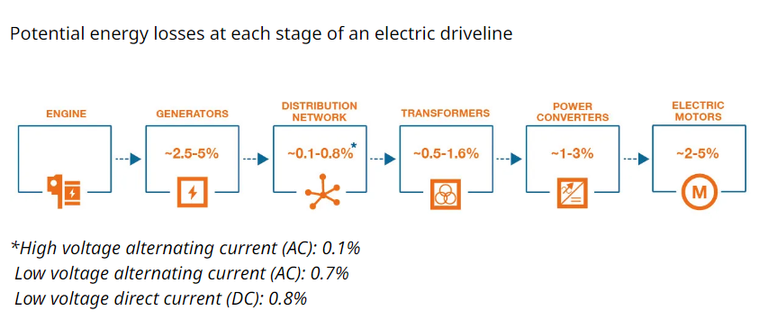
20 | 294 | 838 | 20 | 282
30 | 259 | 1257 | 30 | 259
40 | 244 | 1676 | 40 | 239
50 | 235 | 2095 | 50 | 228
60 | 226 | 2514 | 60 | 224
70 | 222 | 2933 | 70 | 217
80 | 220 | 3352 | 80 | 217
90 | 222 | 3771 | 90 | 219
100 | 223 | 3771 | 100 | 221

