Ingredients
Ingredients

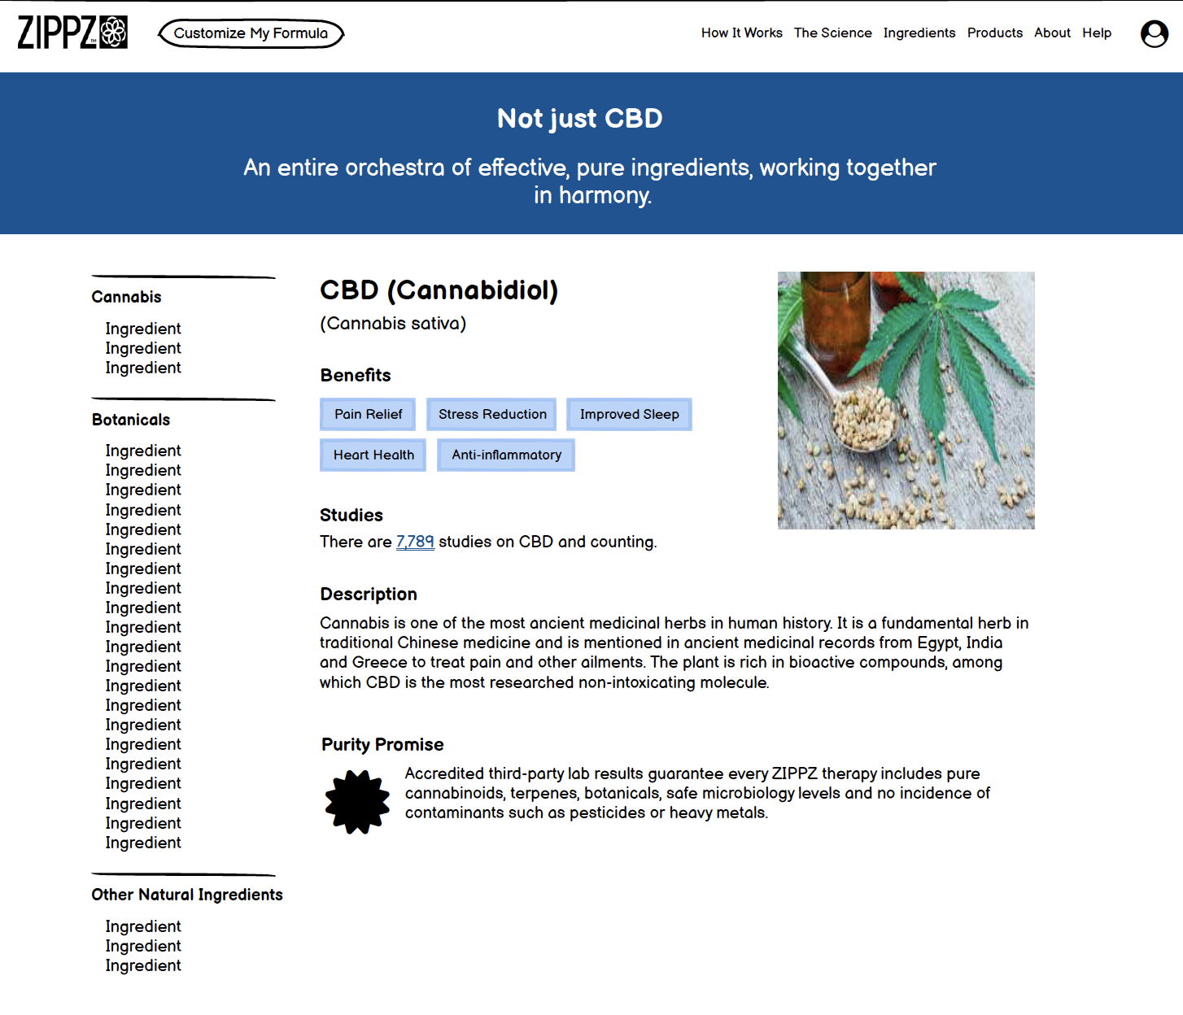
Ingredient Name | Included in Current Products | Include on Website | Category (Cannabis, Other Natural Ingredients) | Studies (PubMed) | Description | Benefits (min list of 3 and max 5) | Spec |  | Page Wireframe
CBD (Cannabidiol) | TRUE | TRUE | Cannabis | Search term: Cannabidiol # of studies: | Cannabis is one of the most ancient medicinal herbs in human history. It is a fundamental herb in traditional Chinese medicine and is mentioned in ancient medicinal records from Egypt, India and Greece to treat pain and other ailments. The plant is rich in bioactive compounds, among which CBD is the most researched non-intoxicating molecule. | Pain relief Stress reduction Improved sleep Heart health Anti-inflammatory | 85-90% CBD
CBG (Cannabigerol) | TRUE | TRUE | Cannabis | Search term: Cannabigerol # of studies: | Cannabis is one of the most ancient medicinal herbs in human history. It is a fundamental herb in traditional Chinese medicine and is mentioned in ancient medicinal records from Egypt, India and Greece to treat pain and other ailments. The plant is rich in bioactive compounds, and modern extraction techniques allow us to benefit from high potency extracts of some of the less common but highly promising cannabinoids like CBG. | Mood support Deep sleep Anti-inflammatory | isolate
CBN (Cannabinol) | TRUE | TRUE | Cannabis | Search term: Cannabinol # of studies: | Cannabis is one of the most ancient medicinal herbs in human history. It is a fundamental herb in traditional Chinese medicine and is mentioned in ancient medicinal records from Egypt, India and Greece to treat pain and other ailments. The plant is rich in bioactive compounds, and modern extraction techniques allow us to benefit from high potency extracts of some of the less common but highly promising cannabinoids like CBN. | Pain relief Deep relaxation Sedative Anti-inflammatory | isolate
Anemarrhena (Anemarrhena asphodeloides) | TRUE | TRUE | Other Natural Ingredients | Search term: Anemarrhena # of studies: | Known in traditional Chinese medicine as zhi mu, the roots of this small, ornamental plant are used to release heat and tension. The roots are rich in diverse bioactive compounds, including lignins, flavones and saponins. | Anti-inflammatory Pain relief Cognitive support (memory boost) | root in MCT oil 1:3
Ashwagandha (Withania somnifera) | TRUE | TRUE | Other Natural Ingredients | Search term: Withania somnifera # of studies: | Also known as "Indian ginseng," the root of this flowering shrub is one of the most important herbs used in traditional medicine in India. Similar to ginseng, it is considered to increase longevity and cognitive health, and contains a complex mixture of bioactive compounds, including withanolides which are structurally similar to the ginsenosides found in ginseng. | Increased sleep quality Morning alertness Immune system health Stress relief | root in MCT oil
Black Cohosh (Actaea racemosa) | TRUE | TRUE | Other Natural Ingredients | Search term: Black Cohosh # of studies: | A flowering woodland plant native to North America, where the roots were first used in Native American traditions to treat gynecological conditions. The roots are packed with bioactive compounds, including triterpine glycosides like actein. | Women's health Deep sleep Hot flash relief Menstrual cycle relief | root in MCT oil
Black Pepper (Piper nigrum) | TRUE | TRUE | Other Natural Ingredients | Search term: Piper nigrum # of studies: | This flowering vine originates from Southeast Asia, where its peppercorn fruit have been used in recipes and medicinals for milennia. It is often referred to as a bioavailability enhancer because of the molecule piperine's ability to slow down drug metabolism, giving whatever active molecules it's paired with more time to work their magic. Black pepper is also packed with many important terpenes that contribute to its health properties. | Improved digestion Antioxidant Bioavailability enhancer
Bugleweed (Lycopus americanus) | TRUE | TRUE | Other Natural Ingredients | Search term: Bugleweed # of studies: | American bugleweed is a North American plant in the mint family that flourishes in wet environments. Its leaves and stems are used in traditional Native American medicine to treat stomach cramps. | Allergy relief Antioxidant Stress relief Thyroid health | Herb extract in MCT oil 1:3
Chamomile (Matricaria recutita) | TRUE | TRUE | Other Natural Ingredients | Search term: Matricaria recutita # of studies: | Also known as the "Water of Youth," German chamomile is a flowering herb with a rich, ancient history. Its flowers are traditionally used to make a tea for soothing the stomach and gently preparing for sleep. | Sleep support Stress relief Stomach calming | Flower extract in MCT oil
Dihydromyricetin (Ampelopsis grossedentata) | TRUE | TRUE | Other Natural Ingredients | Search term: Dihydromyricetin # of studies: | This flavonoid, also known as ampelopsin, comes from the moyeam vine found in mountainous parts of China. The moyeam tea was also called "heaven tea," and was traditionally used as a health enhancer and hangover treatment. | Liver health Metabolism enhancing Antioxidant Anti-inflammatory | >98% from aerial parts
Ginseng (Panax Ginseng) | TRUE | TRUE | Other Natural Ingredients | Search term: Panax Ginseng # of studies: | This treasured plant grows naturally in the mountainous regions of East Asia. The root is popular in Asian traditional medicine to enhance energy and vitality. It contains a complex mixture of important compounds, although the ginsenosides have been studied the most. | Improved concentration Physical stamina Mood support Stress reduction Immune system health | Root extract in MCT oil
Hops (Humulus lupulus) | TRUE | TRUE | Other Natural Ingredients | Search term: Humulus lupulus # of studies: | Although most familiar as a flavoring agent in beer, this flowering plant grows naturally across North America and Eurasia where it was independently discovered by numerous cultures to have calming properties. It is closely related to cannabis and is rich in terpenes. | Sleep support Antioxidant Hot flash relief Soothe restlessness | Extract in MCT oil
Jujube Seed (Ziziphus jujuba var. spinosa) | TRUE | TRUE | Other Natural Ingredients | Search term: Ziziphus jujuba # of studies: | This small asian tree produces edible fruits that resemble a date. The seeds are used in traditional Chinese medicine for relaxation and quality sleep, properties that are thought to come from the bioactive jujubosides. ZIPPZ uses extracts that contain at least 2% jujuboside. | Healthy sleep Eases anxiousness Mind calming Digestive health | >2% jujuboside
Kava (Piper methysticum) | TRUE | TRUE | Other Natural Ingredients | Search term: Kava # of studies: | A soothing plant from the Pacific Islands where its roots are traditionally prepared as a tea for relaxation. Kava root gets its activity from the kavalactones, and ZIPPZ products use extracts containing over 55% kavalactones. | Stress support Soothe anxiousness Prepare for sleep | >55% kavalactones
Kudzu (Pueraria lobata) | TRUE | TRUE | Other Natural Ingredients | Search term: Pueraria lobata # of studies: | Also known as Japanese arrowroot, the roots of this Asian vine are fundamental to traditional Chinese medicine. They contain high levels of isoflavones - notably, puerarin - which are often used for managing menopause symptoms | Healthy metabolism Hot flash relief Cardiovascular health | >50% puerarin
Lavender Essential Oil (Lavendula angustifolia) | TRUE | TRUE | Other Natural Ingredients | Search term: Lavender # of studies: | This Mediterranean herb with fragrant purple flowers has a rich history throughout Eurasia. Its flowers can be used in tea or distilled to produce an aromatic oil that is rich in the terpene linalool, used in aromatherapy to calm the mind and prepare for sleep. | Mind calming Sleep promoting Stress soothing | 22-34% linalool. 30-42% linalyl acetate
Magnolia Bark (Magnolia officinalis) | TRUE | TRUE | Other Natural Ingredients | Search term: Magnolia # of studies: | Magnolia bark is an ancient and beloved remedy used throughout Asia for its relaxing and sleep-promoting properties. The extract contains magnolol and honokiol, two active compounds that are considered central to magnolia's health properties. | Stress relief Sleep support Digestion support Breathing aid | > 50% magnolol + honokiol
Mandarin Essential Oil (Citrus reticulata) | TRUE | TRUE | Other Natural Ingredients | Search term: Limonene # of studies: | Mandarin orange trees originate from Asia, where the orange peels have been used in traditional Chinese medicine to balance energy and aid digestion. Peels can be used to produce an essential oil that is rich in the terpene limonene and is considered uplifting in aromatherapy. | Soothes anxiousness Mood elevation Pain relief Anti-inflammatory | 65-75% limonene | ???
Melatonin | TRUE | TRUE | Other Natural Ingredients | Search term: Melatonin # of studies: | A hormone made by our bodies to regulate the sleep-wake cycle, melatonin is widely regarded as a powerful natural sleeping aid. Some SleepZ products include ultra low doses of melatonin (as low as 0.25 mg) which, in combination with CBD and other natural botanicals, provides maximal benefit with minimal side effects. | Calming Prepares the body for sleep Higher quality sleep
Milk Thistle (Silybum marianum) | TRUE | TRUE | Other Natural Ingredients | Search term: Silybum marianum # of studies: | This flowering plant that originates from near the Mediterranean Sea is a widespread traditional medicinal used for liver health and to counter toxins. The seeds are rich in bioactive silymarin, which is a complex mixture of flavonoid complexes including silybin. | Liver health Anti-inflammatory Antioxidant | seed extract in MCT oil. Probably >50% silymarin, but it wasn't assayed?
Paeonol (Paeonia suffruticosa) | TRUE | TRUE | Other Natural Ingredients | Search term: Paeonol # of studies: | The root bark of the tree peony is a popular herb in traditional Chinese medicine. Paeonol, the most important bioactive compound in the bark, is often used as an analgesic and anti-inflammatory. ZIPPZ uses peony extract that contains >99% paeonol. | Pain relieving Anti-inflammatory Stress reducing | >99% Paeonol in extract
Passionflower (Passiflora incarnata) | TRUE | TRUE | Other Natural Ingredients | Search term: Passiflora incarnata # of studies: | An attractive flowering vine also known as the maypop. The blossoms, stems and leaves are used in traditional Native American medicine to treat restlessness and agitation. | Soothe restlessness Mood support Stress relief | Leaf/stem/flower extract in MCT oil. Flavonoid concentrations?
Polygala (Polygala tenuifolia) | TRUE | TRUE | Other Natural Ingredients | Search term: Polygala tenuifolia # of studies: | The roots of this flowering plant are commonly used in traditional Chinese medicine. They are packed with a diverse array of active molecules, and is traditionally used for cognitive and respiratory health. | Brain health Positive mood Cognitive enhancing | Root extract in MCT oil 1:3
Poria (Wolfiporia cocos) | TRUE | TRUE | Other Natural Ingredients | Search term: Poria # of studies: | This coconut-shaped mushroom grows underground and is used widely in traditional Chinese medicine. Its active molecules include diverse polysaccharides and triterpenoids and is also used for digestive health and calming the mind. | Immune health Anti-inflammatory Brain health Cardiovascular health | Fruiting body extract in MCT oil 1:3
Rehmannia (Rehmannia glutinosa) | TRUE | TRUE | Other Natural Ingredients | Search term: Rehmannia # of studies: | Also known as Chinese Foxglove, the roots of this ornamental flowering plant are a fundamental herb in traditional Chinese medicine. Root extracts contain many active compounds including oligosaccharides and iridoids, and are traditionally used to soothe restlessness and clear heat from the body | Immune system health Endocrine health Allergy relief
Reishi (Ganoderma lucidum) | TRUE | TRUE | Other Natural Ingredients | Search term: Ganoderma lucidum # of studies: | Also known as lingzhi, reishi is a fan-shaped mushroom that grows naturally at the base of mature trees. The "mushroom of immortality" is packed full of diverse phytochemicals that are used in Traditional Chinese medicine to treat ailments, promote good health and sharpen the mind. | Immune health Stress reduction Fatigue relief | 1:1 MCT oil
Rutaecarpine (Evodia rutaecarpa) | TRUE | TRUE | Other Natural Ingredients | Search term: Rutaecarpine # of studies: | The small red fruits of this tree found in China and other asian countries is a popular ingredient in traditional Chinese medicine for digestion and increasing metabolism. One of the main active compounds, rutaecarpine, is an alkaloid with especially promising health effects. ZIPPZ uses rutaecarpine from concentrated Evodia fruit extracts. | Cardiovascular health Relaxation Caffeine metabolism | 0.98
Saffron (Crocus sativus) | TRUE | TRUE | Other Natural Ingredients | Search term: Saffron # of studies: | The world's most expensive spice has been cherished for millennia throughout Eurasia. It is hand-harvested from saffron crocus flowers and is used traditionally for general health and as a mood enhancer. Its active compounds (including crocin and safranal) help give saffron its characteristic red/orange color and rich aroma. | Mood support Antioxidant Memory enhancing | Crocin >0.4% Safranal E >0.4% (actually not very high)
Sceletium (Sceletium tortuosum) | TRUE | TRUE | Other Natural Ingredients | Search term: Sceletium # of studies: | This succulent is native to South Africa where it is traditionally chewed or prepared as a tea for improving mood and alleviating pain. The plant extract contains several important alkaloids, including mesembrenone and mesembrenol, which are being actively studied for their calming effects. | Mood support Stress relief Restorative sleep | high in mesembrenone low in mesembrine
Schisandra (Schisandra chinensis) | TRUE | TRUE | Other Natural Ingredients | Search term: Schisandra chinensis # of studies: | The schisandra berry is harvested from a woody vine native to northeastern Asia. It is a mainstaple in traditional Chinese medicine, where it is used for general wellbeing and healthy aging. Schisandra berries are packed with many active compounds, with an emphasis on schisandrin, a bioactive lignan. | Stress buffer Adaptogen Balanced energy Brain health | berry extract in MCT oil 1:3
Skullcap (Scutellaria lateriflora) | TRUE | TRUE | Other Natural Ingredients | Search term: Scutellaria lateriflora # of studies: | This small, flowering herb belonging to the mint family has its roots in Native American medicine, and is used herbally to prepare for sleep. It is especially rich in bioactive phenolics and flavonoids. | Positive mood Nervous tension relief Anti-inflammatory | 1:4 in MCT oil

Purity Promise
Accredited third-party lab results guarantee every ZIPPZ therapy includes pure cannabinoids, terpenes, botanicals, safe microbiology levels and no incidence of contaminants such as pesticides or heavy metals.

