Bug Report
Bug ID | Title | Steps to reproduce | Expected Result | Actual Result | Severity | Priority | Screenshot
Bug #01 Jira #TDLPMT-1 | User is able to transfer funds to another account when they don't have sufficient funds. | 1. Login with valid credentials 2. Click the transfer funds button 3. Select valid accounts 4. Enter an amount greater than the current balance 5. Click the transfer button | User gets an error message "Insufficient funds.". | Money is transferred from the account with an insufficient balance to the other selected account. This account is then put into the negatives. User gets a confirmation message that the transfer has been completed. | Major | High | 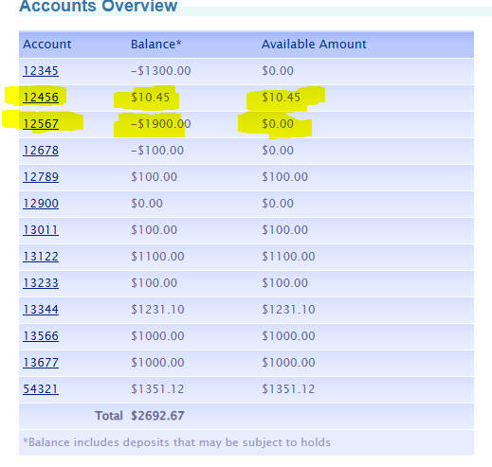 | 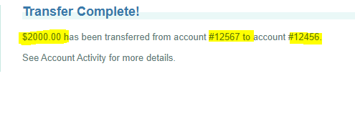
Bug #02 Jira #TDLPMT-3 | Verify browser back button after logout. | 1. Login with valid credentials 2. Click the logout button 3. Click the back button | User stays logged out. | User stays logged in. | Major | High | 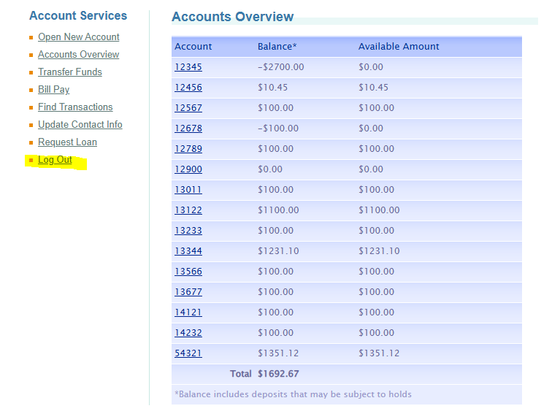 |  | 