Bug Report
Bug ID | Title | Steps to Reproduce | Expected Result | Actual Result | Severity | Priority | Screenshot
Bug #01 Jira #MBA-7 | Display password icon disappears from screen after first view. | 1. Go to login page of website 2. Enter a valid username 3. Enter partial password 4. Click on display password icon 5. Password is displayed 6. Enter full password 7. Click off field 8. Display password icon disappears | Entered password is displayed to user. Display password icon gets a slash through it. | Display password icon dissapears. | Minor | Low | 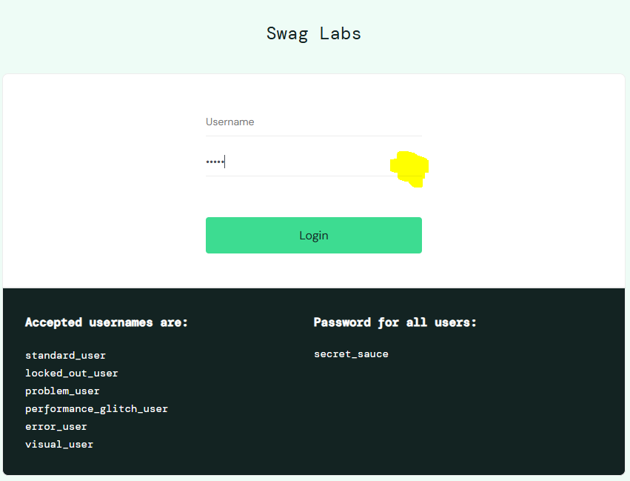
Bug #02 Jira #MBA-8 | Remove buttons don't reset after hitting the Reset App State button. | 1. Open product page 2. Add a product to the cart 3. Click the hamburger in the top left 4. Click the Reset App State button 5. Cart is emptied of products selected 6. Remove buttons don’t reset 7. In the cart page the products are still displayed | The cart is emptied, all products removed. All remove button set back to add to cart for products selected. Cart count in the top right corner is cleared. For cart page: The cart is emptied, all products removed. Cart count in the top right corner is cleared. | Remove buttons were not reset back to add to cart buttons. For cart page: Products were also not removed from the cart. | Major | High
Bug #03 Jira #MBA-9 | Order can be created and completed without any products in the cart. | 1. Open the cart page 2. No products added to the cart 3. Click the checkout button 4. Enter valid customer information 5. Checkout overview displayed 6. Press the finish button 7. Checkout complete page displayed | User receives an error message saying "No products in cart". | User was allowed to complete and submit an empty order. | Major | High |  | 