Data
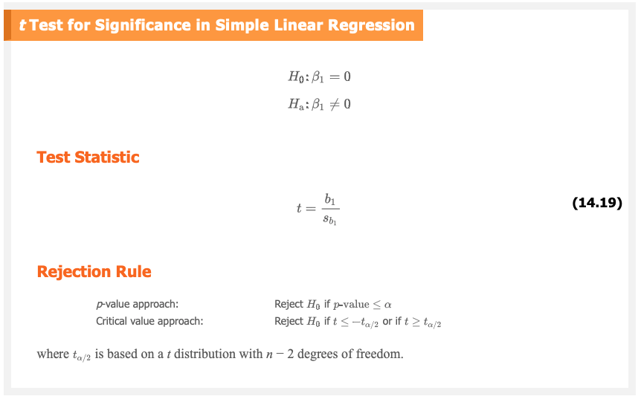
ANOVA
 | df | SS | MS | F | Significance F | R squared
Regression | 1 | 1575.76 | 1575.76 | 36.106089248 | 2.9665E-05 | 0.81861914905
Residual | 8 | 349.14 | 43.6425
Total | 9 | 1924.90

 | Coefficients | Standard Error | t Stat | P-value |  | t Stat | P-value
Intercept | 6.1092 | 0.9361 | 6.5262258306 |  |  | =B8/C8
Usage | 0.8951 | 0.149 | 6.0073825503 | 0.00032074464894 |  | =B9/C9 | =TDIST(D9,8,2)

Sheet1
