part 1
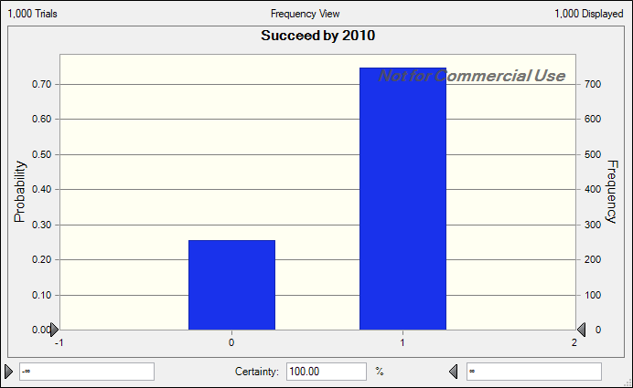
Part I
 | a. | 92%
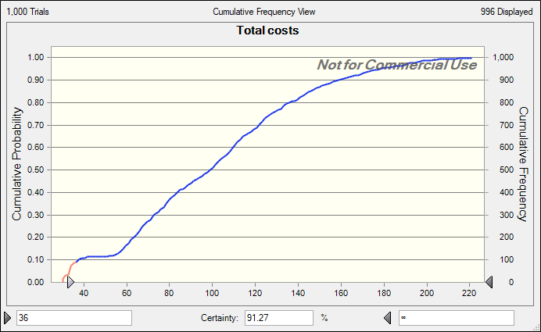

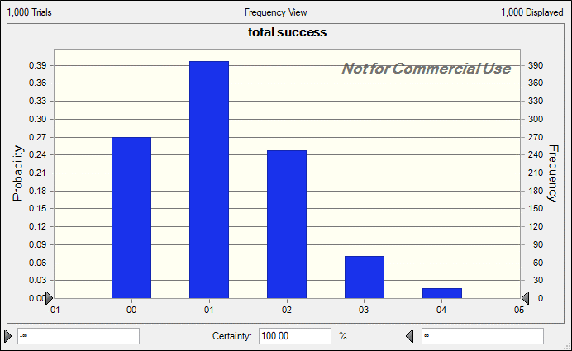
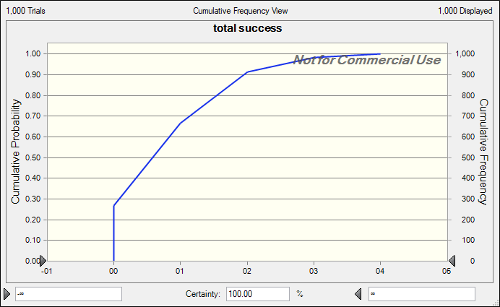
 | b. |  | 1 is most frequent | P(success >=2) = 10%
 | Forecast: total success
 | Statistic | Forecast values
 | Trials | 1,000
 | Base Case | 1
 | Mean | 1.17
 | Median | 1
 | Mode | 1
 | Standard Deviation | 0.96
 | Variance | 0.92
 | Skewness | 0.5942
 | Kurtosis | 2.94
 | Coeff. of Variation | 0.8224
 | Minimum | 0
 | Maximum | 4
 | Mean Std. Error | 0.03

 | c. | 74%

part 2 a
 | Success Logic |  |  |  |  |  |  |  |  |  | Duration Calculations |  |  |  |  |  | Cost Calculations |  |  |  |  |  | Cash flow calculations --->

 |  |  |  |  |  |  |  |  |  |  |  | Pre. | Ph. I | Ph. II | Ph. III |  |  | Pre. | Ph. I | Ph. II | Ph. III
 | Pre. | Ph. I | Ph. II | Ph. III |  |  |  |  |  |  |  | uniform distributions |  |  |  |  |  | uniform distributions
Success Probs. | 0.1 | 0.3 | 0.5 | 0.65 |  |  |  |  |  |  | min | 1.4 | 1.6 | 2.0 | 3.0 |  | min | 4.9 | 0.5 | 3.0 | 10.0
 |  |  |  |  |  |  |  |  |  |  | max | 2.0 | 2.2 | 3.0 | 8.0 |  | max | 5.3 | 0.8 | 4.0 | 25.0

 |  |  |  |  |  | Assumes you attempt if you succeed on previous stages |  |  |  |  |  | Assumes compounds are at beginning of stage |  |  |  |  |  |  |  |  |  |  | End of Phase Year (if attempted) |  |  |  |  | 2006 | 2007 | 2008 | 2009 | 2010 | 2011 | 2012 | 2013 | 2014 | 2015 | 2016 | 2017 | 2018 | 2019
Compounds | Succeed in Phase (if attempted) |  |  |  |  | Attempt Phase |  |  |  | Overall Success |  | Durations (if attempted) |  |  |  | Time to Success |  | Costs (if attempted) -- $ million |  |  |  | Actual Total Cost | (used in cash flow calculations) |  |  |  |  | Costs by Year ($ million) -- Assumes the costs of each phase are spread evenly over the duration of the phase
Preclinical | Pre. | Ph. I | Ph. II | Ph. III |  | Pre. | Ph. I | Ph. II | Ph. III |  |  | Pre. | Ph. I | Ph. II | Ph. III |  |  | Pre. | Ph. I | Ph. II | Ph. III |  | Pre. | Ph. I | Ph. II | Ph. III |  | 1 | 2 | 3 | 4 | 5 | 6 | 7 | 8 | 9 | 10 | 11 | 12 | 13 | 14
1 | 1 | 0 | 0 | 1 |  | 1 | 1 | 0 | 0 | 0 |  | 1.95 | 2.00 | 2.62 | 4.71 | 100 |  | 5.13 | 0.68 | 3.07 | 40.51 | 5.81 | 1.95 | 3.96 | 6.58 | 11.29 |  | 2.62 | 2.52 | 0.34 | 0.33 | 0.00 | 0.00 | 0.00 | 0.00 | 0.00 | 0.00 | 0.00 | 0.00 | 0.00 | 0.00 | 5.81
2 | 0 | 1 | 0 | 0 |  | 1 | 0 | 0 | 0 | 0 |  | 1.50 | 1.76 | 2.61 | 4.33 | 100 |  | 5.27 | 0.59 | 3.64 | 42.34 | 5.27 | 1.50 | 3.26 | 5.87 | 10.20 |  | 3.51 | 1.76 | 0.00 | 0.00 | 0.00 | 0.00 | 0.00 | 0.00 | 0.00 | 0.00 | 0.00 | 0.00 | 0.00 | 0.00 | 5.27
3 | 0 | 1 | 1 | 1 |  | 1 | 0 | 0 | 0 | 0 |  | 1.60 | 1.82 | 2.65 | 5.30 | 100 |  | 5.19 | 0.77 | 3.98 | 26.29 | 5.19 | 1.60 | 3.43 | 6.07 | 11.38 |  | 3.24 | 1.95 | 0.00 | 0.00 | 0.00 | 0.00 | 0.00 | 0.00 | 0.00 | 0.00 | 0.00 | 0.00 | 0.00 | 0.00 | 5.19
4 | 0 | 0 | 0 | 1 |  | 1 | 0 | 0 | 0 | 0 |  | 1.84 | 1.78 | 2.90 | 3.48 | 100 |  | 5.05 | 0.76 | 3.38 | 21.13 | 5.05 | 1.84 | 3.62 | 6.52 | 9.99 |  | 2.74 | 2.31 | 0.00 | 0.00 | 0.00 | 0.00 | 0.00 | 0.00 | 0.00 | 0.00 | 0.00 | 0.00 | 0.00 | 0.00 | 5.05

Phase 1 |  |  |  |  |  | already done
1 |  | 1 | 0 | 1 |  | 0 | 1 | 1 | 0 | 0 |  | 0 | 1.77 | 2.49 | 5.72 | 100 |  | 0 | 0.61 | 3.09 | 30.23 | 3.7 | 0 | 1.77 | 4.26 | 9.97 |  | 0.34 | 0.55 | 1.24 | 1.24 | 0.32 | 0.00 | 0.00 | 0.00 | 0.00 | 0.00 | 0.00 | 0.00 | 0.00 | 0.00 | 3.70
2 |  | 0 | 1 | 1 |  | 0 | 1 | 0 | 0 | 0 |  | 0 | 2.15 | 2.59 | 4.36 | 100 |  | 0 | 0.67 | 3.27 | 31.63 | 0.67 | 0 | 2.15 | 4.74 | 9.10 |  | 0.31 | 0.31 | 0.05 | 0.00 | 0.00 | 0.00 | 0.00 | 0.00 | 0.00 | 0.00 | 0.00 | 0.00 | 0.00 | 0.00 | 0.67
3 |  | 0 | 1 | 1 |  | 0 | 1 | 0 | 0 | 0 |  | 0 | 2.20 | 2.15 | 5.59 | 100 |  | 0 | 0.64 | 3.01 | 42.77 | 0.64 | 0 | 2.20 | 4.35 | 9.94 |  | 0.29 | 0.29 | 0.06 | 0.00 | 0.00 | 0.00 | 0.00 | 0.00 | 0.00 | 0.00 | 0.00 | 0.00 | 0.00 | 0.00 | 0.64
4 |  | 0 | 0 | 0 |  | 0 | 1 | 0 | 0 | 0 |  | 0 | 2.09 | 2.85 | 7.74 | 100 |  | 0 | 0.67 | 3.86 | 42.62 | 0.67 | 0 | 2.09 | 4.94 | 12.68 |  | 0.32 | 0.32 | 0.03 | 0.00 | 0.00 | 0.00 | 0.00 | 0.00 | 0.00 | 0.00 | 0.00 | 0.00 | 0.00 | 0.00 | 0.67
5 |  | 1 | 0 | 1 |  | 0 | 1 | 1 | 0 | 0 |  | 0 | 2.12 | 2.60 | 5.85 | 100 |  | 0 | 0.78 | 3.81 | 38.53 | 4.59 | 0 | 2.12 | 4.72 | 10.57 |  | 0.37 | 0.37 | 1.33 | 1.46 | 1.06 | 0.00 | 0.00 | 0.00 | 0.00 | 0.00 | 0.00 | 0.00 | 0.00 | 0.00 | 4.59

Phase 2 |  |  |  |  |  | already done
1 |  |  | 1 | 1 |  | 0 | 0 | 1 | 1 | 1 |  | 0 | 0 | 2.08 | 4.68 | 6.76 |  | 0 | 0 | 3.80 | 33.21 | 37.01 | 0 | 0 | 2.08 | 6.76 |  | 1.83 | 1.83 | 6.67 | 7.10 | 7.10 | 7.10 | 5.39 | 0.00 | 0.00 | 0.00 | 0.00 | 0.00 | 0.00 | 0.00 | 37.01
2 |  |  | 0 | 1 |  | 0 | 0 | 1 | 0 | 0 |  | 0 | 0 | 2.27 | 5.45 | 100 |  | 0 | 0 | 3.24 | 31.49 | 3.24 | 0 | 0 | 2.27 | 7.72 |  | 1.43 | 1.43 | 0.38 | 0.00 | 0.00 | 0.00 | 0.00 | 0.00 | 0.00 | 0.00 | 0.00 | 0.00 | 0.00 | 0.00 | 3.24

 |  |  |  |  | Total into Phase | 4 | 6 | 4 | 1 | 1 |  |  |  |  | Min Time to Success | 6.76 |  |  |  |  | Total costs | 71.83 |  |  |  |  | Cost by Year | 17 | 13.63 | 10.1 | 10.13 | 8.47 | 7.1 | 5.39 | 0 | 0 | 0 | 0 | 0 | 0 | 0 | 71.83
 |  |  |  |  |  |  |  |  |  |  |  |  |  |  |  |  |  |  |  |  | Exceeded costs | 1 |  |  |  |  | Cumulative Costs | 17.00 | 30.64 | 40.74 | 50.87 | 59.34 | 66.44 | 71.83 | 71.83 | 71.83 | 71.83 | 71.83 | 71.83 | 71.83 | 71.83
No change | after |  |  |  |  |  |  |  | before
 |  |  |  |  |  |  |  |  |  |  |  |  |  |  | Failure Time | 100
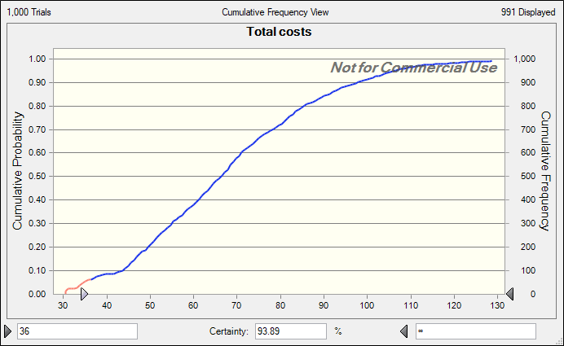
 |  |  |  |  |  |  |  |  |  |  |  |  |  |  |  |  |  |  |  |  |  |  |  |  |  |  |  |  |  |  |  |  |  |  |  |  |  |  |  |  |  | succeed ever
 |  |  |  |  |  |  |  |  |  |  |  |  |  |  |  |  |  |  |  |  |  |  |  |  |  |  | Succeed by year | 0 | 0 | 0 | 0 | 0 | 0 | 1 | 1 | 1 | 1 | 1 | 1 | 1 | 1 | 1

part 2 b
 | Success Logic |  |  |  |  |  |  |  |  |  | Duration Calculations |  |  |  |  |  | Cost Calculations |  |  |  |  |  | Cash flow calculations --->

 |  |  |  |  |  |  |  |  |  |  |  | Pre. | Ph. I | Ph. II | Ph. III |  |  | Pre. | Ph. I | Ph. II | Ph. III
 | Pre. | Ph. I | Ph. II | Ph. III |  |  |  |  |  |  |  | uniform distributions |  |  |  |  |  | uniform distributions
Success Probs. | 0.1 | 0.3 | 0.5 | 0.65 |  |  |  |  |  |  | min | 1.4 | 1.6 | 2.0 | 3.0 |  | min | 4.9 | 0.5 | 3.0 | 20.0
 |  |  |  |  |  |  |  |  |  |  | max | 2.0 | 2.2 | 3.0 | 8.0 |  | max | 5.3 | 0.8 | 4.0 | 50.0

 |  |  |  |  |  | Assumes you attempt if you succeed on previous stages |  |  |  |  |  | Assumes compounds are at beginning of stage |  |  |  |  |  |  |  |  |  |  | End of Phase Year (if attempted) |  |  |  |  | 2006 | 2007 | 2008 | 2009 | 2010 | 2011 | 2012 | 2013 | 2014 | 2015 | 2016 | 2017 | 2018 | 2019
Compounds | Succeed in Phase (if attempted) |  |  |  |  | Attempt Phase |  |  |  | Overall Success |  | Durations (if attempted) |  |  |  | Time to Success |  | Costs (if attempted) -- $ million |  |  |  | Actual Total Cost | (used in cash flow calculations) |  |  |  |  | Costs by Year ($ million) -- Assumes the costs of each phase are spread evenly over the duration of the phase
Preclinical | Pre. | Ph. I | Ph. II | Ph. III |  | Pre. | Ph. I | Ph. II | Ph. III |  |  | Pre. | Ph. I | Ph. II | Ph. III |  |  | Pre. | Ph. I | Ph. II | Ph. III |  | Pre. | Ph. I | Ph. II | Ph. III |  | 1 | 2 | 3 | 4 | 5 | 6 | 7 | 8 | 9 | 10 | 11 | 12 | 13 | 14
1 | 1 | 0 | 0 | 1 |  | 1 | 1 | 0 | 0 | 0 |  | 1.95 | 2.00 | 2.62 | 4.71 | 100 |  | 5.13 | 0.68 | 3.07 | 40.51 | 5.81 | 1.95 | 3.96 | 6.58 | 11.29 |  | 2.62 | 2.52 | 0.34 | 0.33 | 0.00 | 0.00 | 0.00 | 0.00 | 0.00 | 0.00 | 0.00 | 0.00 | 0.00 | 0.00 | 5.81
2 | 0 | 1 | 0 | 0 |  | 1 | 0 | 0 | 0 | 0 |  | 1.50 | 1.76 | 2.61 | 4.33 | 100 |  | 5.27 | 0.59 | 3.64 | 42.34 | 5.27 | 1.50 | 3.26 | 5.87 | 10.20 |  | 3.51 | 1.76 | 0.00 | 0.00 | 0.00 | 0.00 | 0.00 | 0.00 | 0.00 | 0.00 | 0.00 | 0.00 | 0.00 | 0.00 | 5.27
3 | 0 | 1 | 1 | 1 |  | 1 | 0 | 0 | 0 | 0 |  | 1.60 | 1.82 | 2.65 | 5.30 | 100 |  | 5.19 | 0.77 | 3.98 | 26.29 | 5.19 | 1.60 | 3.43 | 6.07 | 11.38 |  | 3.24 | 1.95 | 0.00 | 0.00 | 0.00 | 0.00 | 0.00 | 0.00 | 0.00 | 0.00 | 0.00 | 0.00 | 0.00 | 0.00 | 5.19
4 | 0 | 0 | 0 | 1 |  | 1 | 0 | 0 | 0 | 0 |  | 1.84 | 1.78 | 2.90 | 3.48 | 100 |  | 5.05 | 0.76 | 3.38 | 21.13 | 5.05 | 1.84 | 3.62 | 6.52 | 9.99 |  | 2.74 | 2.31 | 0.00 | 0.00 | 0.00 | 0.00 | 0.00 | 0.00 | 0.00 | 0.00 | 0.00 | 0.00 | 0.00 | 0.00 | 5.05
5 | 1 | 0 | 0 | 1 |  | 1 | 1 | 0 | 0 | 0 |  | 1.8405532967 | 1.7569234906 | 2.6482500428 | 4.329824336 | 100 |  | 5.0481931637 | 0.75777484707 | 3.3762744327 | 21.131090881 | 5.81 | 1.84 | 3.60 | 6.25 | 10.58 |  | 2.74 | 2.37 | 0.43 | 0.26 | 0.00 | 0.00 | 0.00 | 0.00 | 0.00 | 0.00 | 0.00 | 0.00 | 0.00 | 0.00 | 5.81
6 | 1 | 0 | 0 | 1 |  | 1 | 1 | 0 | 0 | 0 |  | 1.8405532967 | 1.7569234906 | 2.6482500428 | 4.329824336 | 100 |  | 5.0481931637 | 0.75777484707 | 3.3762744327 | 21.131090881 | 5.81 | 1.84 | 3.60 | 6.25 | 10.58 |  | 2.74 | 2.37 | 0.43 | 0.26 | 0.00 | 0.00 | 0.00 | 0.00 | 0.00 | 0.00 | 0.00 | 0.00 | 0.00 | 0.00 | 5.81
7 | 1 | 0 | 0 | 1 |  | 1 | 1 | 0 | 0 | 0 |  | 1.8405532967 | 1.7569234906 | 2.6482500428 | 4.329824336 | 100 |  | 5.0481931637 | 0.75777484707 | 3.3762744327 | 21.131090881 | 5.81 | 1.84 | 3.60 | 6.25 | 10.58 |  | 2.74 | 2.37 | 0.43 | 0.26 | 0.00 | 0.00 | 0.00 | 0.00 | 0.00 | 0.00 | 0.00 | 0.00 | 0.00 | 0.00 | 5.81
8 | 1 | 0 | 0 | 1 |  | 1 | 1 | 0 | 0 | 0 |  | 1.8405532967 | 1.7569234906 | 2.6482500428 | 4.329824336 | 100 |  | 5.0481931637 | 0.75777484707 | 3.3762744327 | 21.131090881 | 5.81 | 1.84 | 3.60 | 6.25 | 10.58 |  | 2.74 | 2.37 | 0.43 | 0.26 | 0.00 | 0.00 | 0.00 | 0.00 | 0.00 | 0.00 | 0.00 | 0.00 | 0.00 | 0.00 | 5.81
9 | 1 | 0 | 0 | 1 |  | 1 | 1 | 0 | 0 | 0 |  | 1.8405532967 | 1.7569234906 | 2.6482500428 | 4.329824336 | 100 |  | 5.0481931637 | 0.75777484707 | 3.3762744327 | 21.131090881 | 5.81 | 1.84 | 3.60 | 6.25 | 10.58 |  | 2.74 | 2.37 | 0.43 | 0.26 | 0.00 | 0.00 | 0.00 | 0.00 | 0.00 | 0.00 | 0.00 | 0.00 | 0.00 | 0.00 | 5.81
10 | 1 | 0 | 0 | 1 |  | 1 | 1 | 0 | 0 | 0 |  | 1.8405532967 | 1.7569234906 | 2.6482500428 | 4.329824336 | 100 |  | 5.0481931637 | 0.75777484707 | 3.3762744327 | 21.131090881 | 5.81 | 1.84 | 3.60 | 6.25 | 10.58 |  | 2.74 | 2.37 | 0.43 | 0.26 | 0.00 | 0.00 | 0.00 | 0.00 | 0.00 | 0.00 | 0.00 | 0.00 | 0.00 | 0.00 | 5.81
11 | 1 | 0 | 0 | 1 |  | 1 | 1 | 0 | 0 | 0 |  | 1.8405532967 | 1.7569234906 | 2.6482500428 | 4.329824336 | 100 |  | 5.0481931637 | 0.75777484707 | 3.3762744327 | 21.131090881 | 5.81 | 1.84 | 3.60 | 6.25 | 10.58 |  | 2.74 | 2.37 | 0.43 | 0.26 | 0.00 | 0.00 | 0.00 | 0.00 | 0.00 | 0.00 | 0.00 | 0.00 | 0.00 | 0.00 | 5.81
12 | 1 | 0 | 0 | 1 |  | 1 | 1 | 0 | 0 | 0 |  | 1.8405532967 | 1.7569234906 | 2.6482500428 | 4.329824336 | 100 |  | 5.0481931637 | 0.75777484707 | 3.3762744327 | 21.131090881 | 5.81 | 1.84 | 3.60 | 6.25 | 10.58 |  | 2.74 | 2.37 | 0.43 | 0.26 | 0.00 | 0.00 | 0.00 | 0.00 | 0.00 | 0.00 | 0.00 | 0.00 | 0.00 | 0.00 | 5.81
13 | 1 | 0 | 0 | 1 |  | 1 | 1 | 0 | 0 | 0 |  | 1.8405532967 | 1.7569234906 | 2.6482500428 | 4.329824336 | 100 |  | 5.0481931637 | 0.75777484707 | 3.3762744327 | 21.131090881 | 5.81 | 1.84 | 3.60 | 6.25 | 10.58 |  | 2.74 | 2.37 | 0.43 | 0.26 | 0.00 | 0.00 | 0.00 | 0.00 | 0.00 | 0.00 | 0.00 | 0.00 | 0.00 | 0.00 | 5.81
14 | 1 | 0 | 0 | 1 |  | 1 | 1 | 0 | 0 | 0 |  | 1.8405532967 | 1.7569234906 | 2.6482500428 | 4.329824336 | 100 |  | 5.0481931637 | 0.75777484707 | 3.3762744327 | 21.131090881 | 5.81 | 1.84 | 3.60 | 6.25 | 10.58 |  | 2.74 | 2.37 | 0.43 | 0.26 | 0.00 | 0.00 | 0.00 | 0.00 | 0.00 | 0.00 | 0.00 | 0.00 | 0.00 | 0.00 | 5.81
15 | 1 | 0 | 0 | 1 |  | 1 | 1 | 0 | 0 | 0 |  | 1.8405532967 | 1.7569234906 | 2.6482500428 | 4.329824336 | 100 |  | 5.0481931637 | 0.75777484707 | 3.3762744327 | 21.131090881 | 5.81 | 1.84 | 3.60 | 6.25 | 10.58 |  | 2.74 | 2.37 | 0.43 | 0.26 | 0.00 | 0.00 | 0.00 | 0.00 | 0.00 | 0.00 | 0.00 | 0.00 | 0.00 | 0.00 | 5.81
16 | 1 | 0 | 0 | 1 |  | 1 | 1 | 0 | 0 | 0 |  | 1.8405532967 | 1.7569234906 | 2.6482500428 | 4.329824336 | 100 |  | 5.0481931637 | 0.75777484707 | 3.3762744327 | 21.131090881 | 5.81 | 1.84 | 3.60 | 6.25 | 10.58 |  | 2.74 | 2.37 | 0.43 | 0.26 | 0.00 | 0.00 | 0.00 | 0.00 | 0.00 | 0.00 | 0.00 | 0.00 | 0.00 | 0.00 | 5.81
17 | 1 | 0 | 0 | 1 |  | 1 | 1 | 0 | 0 | 0 |  | 1.8405532967 | 1.7569234906 | 2.6482500428 | 4.329824336 | 100 |  | 5.0481931637 | 0.75777484707 | 3.3762744327 | 21.131090881 | 5.81 | 1.84 | 3.60 | 6.25 | 10.58 |  | 2.74 | 2.37 | 0.43 | 0.26 | 0.00 | 0.00 | 0.00 | 0.00 | 0.00 | 0.00 | 0.00 | 0.00 | 0.00 | 0.00 | 5.81
18 | 1 | 0 | 0 | 1 |  | 1 | 1 | 0 | 0 | 0 |  | 1.8405532967 | 1.7569234906 | 2.6482500428 | 4.329824336 | 100 |  | 5.0481931637 | 0.75777484707 | 3.3762744327 | 21.131090881 | 5.81 | 1.84 | 3.60 | 6.25 | 10.58 |  | 2.74 | 2.37 | 0.43 | 0.26 | 0.00 | 0.00 | 0.00 | 0.00 | 0.00 | 0.00 | 0.00 | 0.00 | 0.00 | 0.00 | 5.81
19 | 1 | 0 | 0 | 1 |  | 1 | 1 | 0 | 0 | 0 |  | 1.8405532967 | 1.7569234906 | 2.6482500428 | 4.329824336 | 100 |  | 5.0481931637 | 0.75777484707 | 3.3762744327 | 21.131090881 | 5.81 | 1.84 | 3.60 | 6.25 | 10.58 |  | 2.74 | 2.37 | 0.43 | 0.26 | 0.00 | 0.00 | 0.00 | 0.00 | 0.00 | 0.00 | 0.00 | 0.00 | 0.00 | 0.00 | 5.81
20 | 1 | 0 | 0 | 1 |  | 1 | 1 | 0 | 0 | 0 |  | 1.8405532967 | 1.7569234906 | 2.6482500428 | 4.329824336 | 100 |  | 5.0481931637 | 0.75777484707 | 3.3762744327 | 21.131090881 | 5.81 | 1.84 | 3.60 | 6.25 | 10.58 |  | 2.74 | 2.37 | 0.43 | 0.26 | 0.00 | 0.00 | 0.00 | 0.00 | 0.00 | 0.00 | 0.00 | 0.00 | 0.00 | 0.00 | 5.81

Phase 1 |  |  |  |  |  | already done
1 |  | 1 | 0 | 1 |  | 0 | 1 | 1 | 0 | 0 |  | 0 | 1.77 | 2.49 | 5.72 | 100 |  | 0 | 0.61 | 3.09 | 30.23 | 3.7 | 0 | 1.77 | 4.26 | 9.97 |  | 0.34 | 0.55 | 1.24 | 1.24 | 0.32 | 0.00 | 0.00 | 0.00 | 0.00 | 0.00 | 0.00 | 0.00 | 0.00 | 0.00 | 3.70
2 |  | 0 | 1 | 1 |  | 0 | 1 | 0 | 0 | 0 |  | 0 | 2.15 | 2.59 | 4.36 | 100 |  | 0 | 0.67 | 3.27 | 31.63 | 0.67 | 0 | 2.15 | 4.74 | 9.10 |  | 0.31 | 0.31 | 0.05 | 0.00 | 0.00 | 0.00 | 0.00 | 0.00 | 0.00 | 0.00 | 0.00 | 0.00 | 0.00 | 0.00 | 0.67
3 |  | 0 | 1 | 1 |  | 0 | 1 | 0 | 0 | 0 |  | 0 | 2.20 | 2.15 | 5.59 | 100 |  | 0 | 0.64 | 3.01 | 42.77 | 0.64 | 0 | 2.20 | 4.35 | 9.94 |  | 0.29 | 0.29 | 0.06 | 0.00 | 0.00 | 0.00 | 0.00 | 0.00 | 0.00 | 0.00 | 0.00 | 0.00 | 0.00 | 0.00 | 0.64
4 |  | 0 | 0 | 0 |  | 0 | 1 | 0 | 0 | 0 |  | 0 | 2.09 | 2.85 | 7.74 | 100 |  | 0 | 0.67 | 3.86 | 42.62 | 0.67 | 0 | 2.09 | 4.94 | 12.68 |  | 0.32 | 0.32 | 0.03 | 0.00 | 0.00 | 0.00 | 0.00 | 0.00 | 0.00 | 0.00 | 0.00 | 0.00 | 0.00 | 0.00 | 0.67
5 |  | 1 | 0 | 1 |  | 0 | 1 | 1 | 0 | 0 |  | 0 | 2.12 | 2.60 | 5.85 | 100 |  | 0 | 0.78 | 3.81 | 38.53 | 4.59 | 0 | 2.12 | 4.72 | 10.57 |  | 0.37 | 0.37 | 1.33 | 1.46 | 1.06 | 0.00 | 0.00 | 0.00 | 0.00 | 0.00 | 0.00 | 0.00 | 0.00 | 0.00 | 4.59

Phase 2 |  |  |  |  |  | already done
1 |  |  | 1 | 1 |  | 0 | 0 | 1 | 1 | 1 |  | 0 | 0 | 2.08 | 4.68 | 6.76 |  | 0 | 0 | 3.80 | 33.21 | 37.01 | 0 | 0 | 2.08 | 6.76 |  | 1.83 | 1.83 | 6.67 | 7.10 | 7.10 | 7.10 | 5.39 | 0.00 | 0.00 | 0.00 | 0.00 | 0.00 | 0.00 | 0.00 | 37.01
2 |  |  | 0 | 1 |  | 0 | 0 | 1 | 0 | 0 |  | 0 | 0 | 2.27 | 5.45 | 100 |  | 0 | 0 | 3.24 | 31.49 | 3.24 | 0 | 0 | 2.27 | 7.72 |  | 1.43 | 1.43 | 0.38 | 0.00 | 0.00 | 0.00 | 0.00 | 0.00 | 0.00 | 0.00 | 0.00 | 0.00 | 0.00 | 0.00 | 3.24

 |  |  |  |  | Total into Phase | 4 | 6 | 4 | 1 | 1 |  |  |  |  | Min Time to Success | 6.76 |  |  |  |  | Total costs | 164.73 |  |  |  |  | Cost by Year | 60.89 | 51.62 | 17 | 14.25 | 8.47 | 7.1 | 5.39 | 0 | 0 | 0 | 0 | 0 | 0 | 0 | 164.73
 |  |  |  |  |  |  |  |  |  |  |  |  |  |  |  |  |  |  |  |  |  |  |  |  |  |  | Cumulative Costs | 60.89 | 112.51 | 129.51 | 143.76 | 152.23 | 159.33 | 164.73 | 164.73 | 164.73 | 164.73 | 164.73 | 164.73 | 164.73 | 164.73

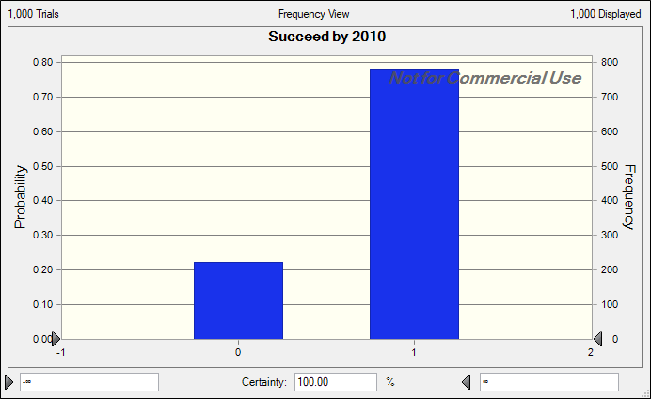
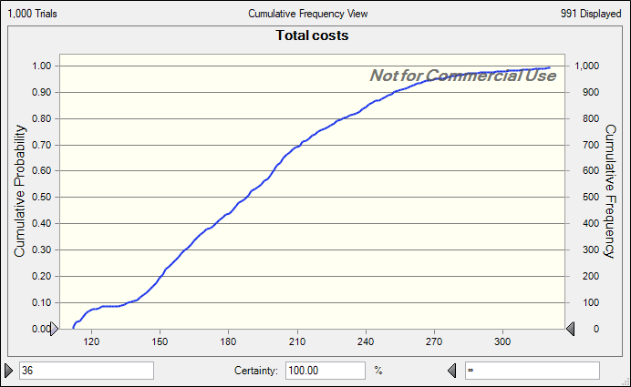
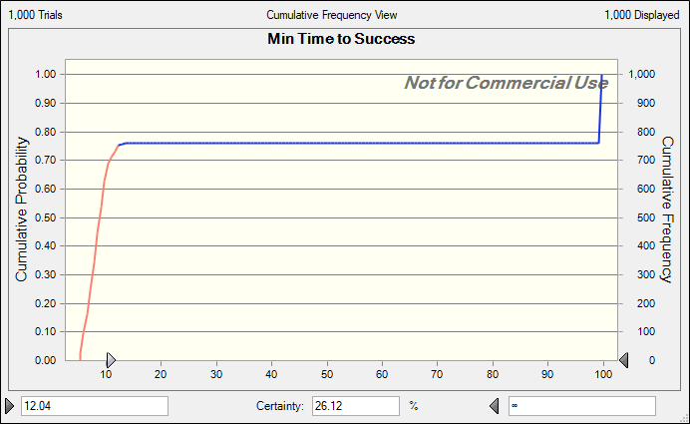
success |  | increased by 2% |  |  |  |  |  |  |  |  |  |  |  |  | Failure Time | 100
 |  |  |  |  |  |  |  |  |  |  |  |  |  |  |  |  |  |  |  |  |  |  |  |  |  |  |  |  |  |  |  |  |  |  |  |  |  |  |  |  |  | succeed ever
 |  |  |  |  |  |  |  |  |  |  |  |  |  |  |  |  |  |  |  |  |  |  |  |  |  |  | Succeed by year | 0 | 0 | 0 | 0 | 0 | 0 | 1 | 1 | 1 | 1 | 1 | 1 | 1 | 1 | 1

part 2 c
 | Success Logic |  |  |  |  |  |  |  |  |  | Duration Calculations |  |  |  |  |  | Cost Calculations |  |  |  |  |  | Cash flow calculations --->

 |  |  |  |  |  |  |  |  |  |  |  | Pre. | Ph. I | Ph. II | Ph. III |  |  | Pre. | Ph. I | Ph. II | Ph. III
 | Pre. | Ph. I | Ph. II | Ph. III |  |  |  |  |  |  |  | uniform distributions |  |  |  |  |  | uniform distributions
Success Probs. | 0.1 | 0.3 | 0.5 | 0.65 |  |  |  |  |  |  | min | 1.4 | 1.6 | 2.0 | 3.0 |  | min | 4.9 | 0.5 | 3.0 | 20.0
 |  |  |  |  |  |  |  |  |  |  | max | 2.0 | 2.2 | 3.0 | 8.0 |  | max | 5.3 | 0.8 | 4.0 | 50.0

 |  |  |  |  |  | Assumes you attempt if you succeed on previous stages |  |  |  |  |  | Assumes compounds are at beginning of stage |  |  |  |  |  |  |  |  |  |  | End of Phase Year (if attempted) |  |  |  |  | 2006 | 2007 | 2008 | 2009 | 2010 | 2011 | 2012 | 2013 | 2014 | 2015 | 2016 | 2017 | 2018 | 2019
Compounds | Succeed in Phase (if attempted) |  |  |  |  | Attempt Phase |  |  |  | Overall Success |  | Durations (if attempted) |  |  |  | Time to Success |  | Costs (if attempted) -- $ million |  |  |  | Actual Total Cost | (used in cash flow calculations) |  |  |  |  | Costs by Year ($ million) -- Assumes the costs of each phase are spread evenly over the duration of the phase
Preclinical | Pre. | Ph. I | Ph. II | Ph. III |  | Pre. | Ph. I | Ph. II | Ph. III |  |  | Pre. | Ph. I | Ph. II | Ph. III |  |  | Pre. | Ph. I | Ph. II | Ph. III |  | Pre. | Ph. I | Ph. II | Ph. III |  | 1 | 2 | 3 | 4 | 5 | 6 | 7 | 8 | 9 | 10 | 11 | 12 | 13 | 14
1 | 1 | 0 | 0 | 1 |  | 1 | 1 | 0 | 0 | 0 |  | 1.95 | 2.00 | 2.62 | 4.71 | 100 |  | 5.13 | 0.68 | 3.07 | 40.51 | 5.81 | 1.95 | 3.96 | 6.58 | 11.29 |  | 2.62 | 2.52 | 0.34 | 0.33 | 0.00 | 0.00 | 0.00 | 0.00 | 0.00 | 0.00 | 0.00 | 0.00 | 0.00 | 0.00 | 5.81
2 | 0 | 1 | 0 | 0 |  | 1 | 0 | 0 | 0 | 0 |  | 1.50 | 1.76 | 2.61 | 4.33 | 100 |  | 5.27 | 0.59 | 3.64 | 42.34 | 5.27 | 1.50 | 3.26 | 5.87 | 10.20 |  | 3.51 | 1.76 | 0.00 | 0.00 | 0.00 | 0.00 | 0.00 | 0.00 | 0.00 | 0.00 | 0.00 | 0.00 | 0.00 | 0.00 | 5.27
3 | 0 | 1 | 1 | 1 |  | 1 | 0 | 0 | 0 | 0 |  | 1.60 | 1.82 | 2.65 | 5.30 | 100 |  | 5.19 | 0.77 | 3.98 | 26.29 | 5.19 | 1.60 | 3.43 | 6.07 | 11.38 |  | 3.24 | 1.95 | 0.00 | 0.00 | 0.00 | 0.00 | 0.00 | 0.00 | 0.00 | 0.00 | 0.00 | 0.00 | 0.00 | 0.00 | 5.19
4 | 0 | 0 | 0 | 1 |  | 1 | 0 | 0 | 0 | 0 |  | 1.84 | 1.78 | 2.90 | 3.48 | 100 |  | 5.05 | 0.76 | 3.38 | 21.13 | 5.05 | 1.84 | 3.62 | 6.52 | 9.99 |  | 2.74 | 2.31 | 0.00 | 0.00 | 0.00 | 0.00 | 0.00 | 0.00 | 0.00 | 0.00 | 0.00 | 0.00 | 0.00 | 0.00 | 5.05

Phase 1 |  |  |  |  |  | already done
1 |  | 1 | 0 | 1 |  | 0 | 1 | 1 | 0 | 0 |  | 0 | 1.77 | 2.49 | 5.72 | 100 |  | 0 | 0.61 | 3.09 | 30.23 | 3.7 | 0 | 1.77 | 4.26 | 9.97 |  | 0.34 | 0.55 | 1.24 | 1.24 | 0.32 | 0.00 | 0.00 | 0.00 | 0.00 | 0.00 | 0.00 | 0.00 | 0.00 | 0.00 | 3.70
2 |  | 0 | 1 | 1 |  | 0 | 1 | 0 | 0 | 0 |  | 0 | 2.15 | 2.59 | 4.36 | 100 |  | 0 | 0.67 | 3.27 | 31.63 | 0.67 | 0 | 2.15 | 4.74 | 9.10 |  | 0.31 | 0.31 | 0.05 | 0.00 | 0.00 | 0.00 | 0.00 | 0.00 | 0.00 | 0.00 | 0.00 | 0.00 | 0.00 | 0.00 | 0.67
3 |  | 0 | 1 | 1 |  | 0 | 1 | 0 | 0 | 0 |  | 0 | 2.20 | 2.15 | 5.59 | 100 |  | 0 | 0.64 | 3.01 | 42.77 | 0.64 | 0 | 2.20 | 4.35 | 9.94 |  | 0.29 | 0.29 | 0.06 | 0.00 | 0.00 | 0.00 | 0.00 | 0.00 | 0.00 | 0.00 | 0.00 | 0.00 | 0.00 | 0.00 | 0.64
4 |  | 0 | 0 | 0 |  | 0 | 1 | 0 | 0 | 0 |  | 0 | 2.09 | 2.85 | 7.74 | 100 |  | 0 | 0.67 | 3.86 | 42.62 | 0.67 | 0 | 2.09 | 4.94 | 12.68 |  | 0.32 | 0.32 | 0.03 | 0.00 | 0.00 | 0.00 | 0.00 | 0.00 | 0.00 | 0.00 | 0.00 | 0.00 | 0.00 | 0.00 | 0.67
5 |  | 1 | 0 | 1 |  | 0 | 1 | 1 | 0 | 0 |  | 0 | 2.12 | 2.60 | 5.85 | 100 |  | 0 | 0.78 | 3.81 | 38.53 | 4.59 | 0 | 2.12 | 4.72 | 10.57 |  | 0.37 | 0.37 | 1.33 | 1.46 | 1.06 | 0.00 | 0.00 | 0.00 | 0.00 | 0.00 | 0.00 | 0.00 | 0.00 | 0.00 | 4.59

Phase 2 |  |  |  |  |  | already done
1 |  |  | 1 | 1 |  | 0 | 0 | 1 | 1 | 1 |  | 0 | 0 | 2.08 | 4.68 | 6.76 |  | 0 | 0 | 3.80 | 33.21 | 37.01 | 0 | 0 | 2.08 | 6.76 |  | 1.83 | 1.83 | 6.67 | 7.10 | 7.10 | 7.10 | 5.39 | 0.00 | 0.00 | 0.00 | 0.00 | 0.00 | 0.00 | 0.00 | 37.01
2 |  |  | 0 | 1 |  | 0 | 0 | 1 | 0 | 0 |  | 0 | 0 | 2.27 | 5.45 | 100 |  | 0 | 0 | 3.24 | 31.49 | 3.24 | 0 | 0 | 2.27 | 7.72 |  | 1.43 | 1.43 | 0.38 | 0.00 | 0.00 | 0.00 | 0.00 | 0.00 | 0.00 | 0.00 | 0.00 | 0.00 | 0.00 | 0.00 | 3.24
3 |  |  | 0 | 1 |  | 0 | 0 | 1 | 0 | 0 |  | 0 | 0 | 2.2680234715 | 5.4482846528 | 100 |  | 0 | 0 | 3.2384885104 | 31.487161178 | 3.24 | 0 | 0 | 2.27 | 7.72 |  | 1.43 | 1.43 | 0.38 | 0.00 | 0.00 | 0.00 | 0.00 | 0.00 | 0.00 | 0.00 | 0.00 | 0.00 | 0.00 | 0.00 | 3.24
4 |  |  | 0 | 1 |  | 0 | 0 | 1 | 0 | 0 |  | 0 | 0 | 2.2680234715 | 5.4482846528 | 100 |  | 0 | 0 | 3.2384885104 | 31.487161178 | 3.24 | 0 | 0 | 2.27 | 7.72 |  | 1.43 | 1.43 | 0.38 | 0.00 | 0.00 | 0.00 | 0.00 | 0.00 | 0.00 | 0.00 | 0.00 | 0.00 | 0.00 | 0.00 | 3.24

 |  |  |  |  | Total into Phase | 4 | 6 | 6 | 1 | 1 |  |  |  |  | Min Time to Success | 6.76 |  |  |  |  | Total costs | 78.31 |  |  |  |  | Cost by Year | 19.86 | 16.49 | 10.87 | 10.13 | 8.47 | 7.1 | 5.39 | 0 | 0 | 0 | 0 | 0 | 0 | 0 | 78.31
 |  |  |  |  |  |  |  |  |  |  |  |  |  |  |  |  |  |  |  |  |  |  |  |  |  |  | Cumulative Costs | 19.86 | 36.35 | 47.21 | 57.34 | 65.82 | 72.91 | 78.31 | 78.31 | 78.31 | 78.31 | 78.31 | 78.31 | 78.31 | 78.31

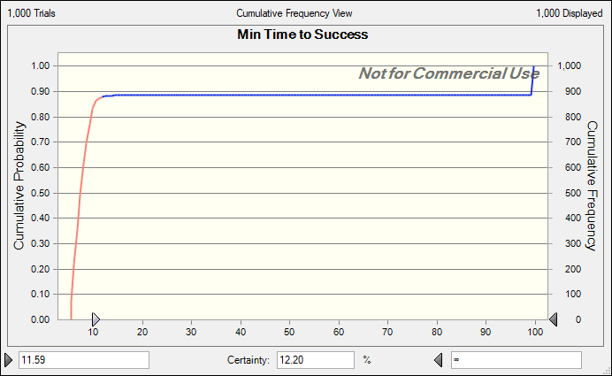
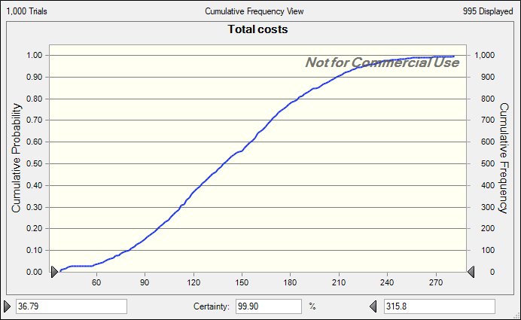
 |  |  |  |  |  |  |  |  |  |  |  |  |  |  | Failure Time | 100
 |  |  |  |  |  |  |  |  |  |  |  |  |  |  |  |  |  |  |  | Both cost and time of success decreased |  |  |  |  |  |  |  |  |  |  |  |  |  |  |  |  |  |  |  |  |  | succeed ever
 |  |  |  |  |  |  |  |  |  |  |  |  |  |  |  |  |  |  |  |  |  |  |  |  |  |  | Succeed by year | 0 | 0 | 0 | 0 | 0 | 0 | 1 | 1 | 1 | 1 | 1 | 1 | 1 | 1 | 1

