Arkusz1
Kategoria ASVS | Wymagania
 | Wszystkie | Wyłączone | Niezgodne | Pozostałe | Poprawne | Niepoprawne
V2: Uwierzytelnianie | 57 | 30 | 5 |  | 9
V3: Zarządzanie sesją | 20 | 8 | 1 |  | 11 |  | Brak | Zgodne | Niezgodne
V4: Kontrola dostępu | 10 | 1 | 0
V5: Walidacja, sanityzacja i kodowanie | 30 | 3 | 11 |  | 14
V6: Kryptografia (dane w spoczynku) | 16 | 15 | 1
V7: Obsługa błędów i logowanie | 13 | 9 | 1 |  | 3
V8: Ochrona danych | 17 | 11 | 2
V9: Komunikacja | 8 | 5 | 3 |  | 2
V10: Złośliwy kod | 10 | 7 | 2
V11: Logika biznesowa | 8 | 3 | 0 |  | 4
V12: Pliki i zasoby | 15 | 4 | 6
V13: API i webserwisy | 15 | 8 | 4 |  | 11
V14: Konfiguracja | 25 | 9 | 3 |  |  |  |  |  | Brak funkcjonalności | Pozytywnie | Negatywnie
 |  |  |  |  |  |  |  |  | 39 | 54 | 38
 | 244 | 113 | 39 | 92 | 54 | 38
 | L1+L2+L3 | L2+L3 | Brak |  | TAK | NIE

 | Zgodne do testowania | Wyłączone | Niezgodne
 | 92 | 113 | 39

Liczba wymagań zgodnych, niezgodnych i wyłączonych
Wynik audytu dla L1

V2
Verify that user set passwords are at least 12 characters in length (after multiple spaces are combined) | ERRORY:
Nie | Jeśli w ustawieniach do mailowania login i haslo do poczty sie nie zgadzaja, apka crashuje
 | jeśli podany email wymaga podwójnej autentykacji - crash
Verify that passwords of at least 64 characters are permitted, and that passwords of more than 128 characters are denied.
Może być 64
Hasło może być dłuższe niż 128 znaków
Nie

Verify that password truncation is not performed. However, consecutive multiple spaces may be replaced by a single space.
Obcinanie hasła nie następuje.
Kilka spacji nie jest sklejane w jedną

Verify that any printable Unicode character, including language neutral characters such as spaces and Emojis are permitted in passwords.
Tak
Verify users can change their password.
Nie
Mogą resetować.

Verify that password change functionality requires the user's current and new password.
brak

Verify that passwords submitted during account registration, login, and password change are checked against a set of breached passwords either locally (such as the top 1,000 or 10,000 most common passwords which match the system's password policy) or using an external API. If using an API a zero knowledge proof or other mechanism should be used to ensure that the plain text password is not sent or used in verifying the breach status of the password. If the password is breached, the application must require the user to set a new non-breached password.
Nie, częściowo są sprawdzane - np. 123qweasd, a częściowo nie.

Verify that a password strength meter is provided to help users set a stronger password
Tak

Verify that there are no password composition rules limiting the type of characters permitted. There should be no requirement for upper or lower case or numbers or special characters.
Tak

Verify that there are no periodic credential rotation or password history requirements.
tak, nie ma
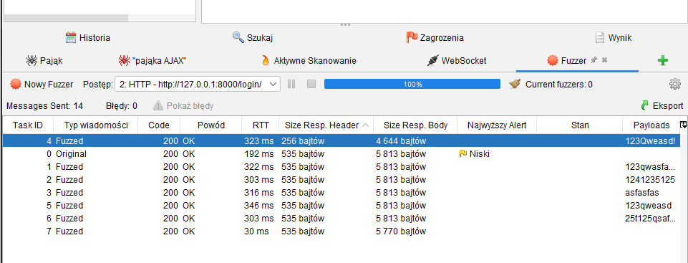
Verify that "paste" functionality, browser password helpers, and external password managers are permitted.
Tak

Sprawdź, czy użytkownik może tymczasowo wyświetlić całe zamaskowane hasło lub tymczasowo wyświetl ostatnio wpisane znak hasła na platformach, które nie mają tego jako wbudowana funkcjonalność.
Nie

Verify that anti-automation controls are effective at mitigating breached credential testing, brute force, and account lockout attacks. Such controls include blocking the most common breached passwords, soft lockouts, rate limiting, CAPTCHA, ever increasing delays between attempts, IP address restrictions, or risk-based restrictions such as location, first login on a device, recent attempts to unlock the account, or similar. Verify that no more than 100 failed attempts per hour is possible on a single account.
Nie, konto nie zostanie zablokowane

Verify that a system generated initial activation or recovery secret is not sent in clear text to the user.
Tak

Verify password hints or knowledge-based authentication (socalled "secret questions") are not present.
Tak

Verify password credential recovery does not reveal the current password in any way.
Tak

Verify shared or default accounts are not present (e.g. "root", "admin", or "sa").
Nie, domyślne konto admina jest dostępne

Verify that if an authentication factor is changed or replaced, that the user is notified of this event.
Nie jest

Verify forgotten password, and other recovery paths use a secure recovery mechanism, such as time-based OTP (TOTP) or other soft token, mobile push, or another offline recovery mechanism.
Tak, reset hasła jest obsługiwany przez wewnętrzne mechanizmy django

