Consensus
Abr. | Name | Comment | Diagram | Source
PoW | Proof of Work | Work intensive, Priviledged Nodes
PoS | Proof of Stake | Default for Ethereum, more efficient. Useful to use Reputation Tokens as Stake. Priviledged Nodes
PBFT | Practical Byzantine Fault Tolerance | Threshold based validation of blocks assuming malitious actors |  | http://pmg.csail.mit.edu/papers/osdi99.pdf
PoPoW | Consensus Reputation Table | Only a number of recent Block computed, Efficient for Block Validation |  | https://eprint.iacr.org/2019/579
pBCTV | Practical Byzantine compromise-tolerant and verifiable | This model combines the threshold block validation (TBV) and aggregated commitment signature (ACS) schemes with the practical Byzantine fault-tolerance (pBFT) protocol, leveraging pBFT’s message exchange to handle the com- munication overhead of TBV and ACS. i. e. PBFT with additional functionalities but with reduced communication | 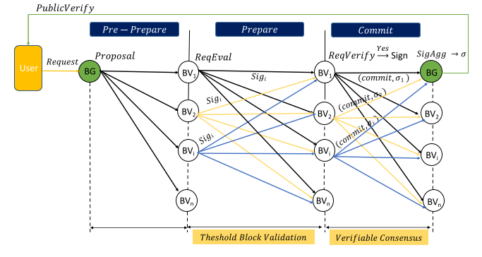 | Paper PkChain
PoAh | Proof of Authentification | Trust Value based Validation of Blocks, Punishment and Rewards for Honest or Fraudulent Behaviour.
Dependability rank-based | Dependability rank-based | Number of Bookkeepers with an assigned dependability rating
PoC | Proof of Capacity | Remaining Storage Space used for Validation -> Overhead |  | [6]
PoA | Proof of Authority | A set of fixed trusted nodes performs actions |  | [6]
PoET | Proof of Elapsed Time | We go gambling |  | [6]
PoSc | Proof of Score | Blocks mined by PoW then validated by PoS -> Worst of both worlds |  | [6]
RAFT |  | Leader is elected that performs actions |  | [6]
PoB | Proof of Burn | Participant has to destroy a part of itself/it's asssets to prove his commitment |  | [6]
CBFT | Concurrent Byzantine Fault Tolerance
DPBFT | Delegated PBFT

Sources
Tag | Description
[1] | Smart contract assisted blockchain based public key Infrastructure system ->highly unreliable | 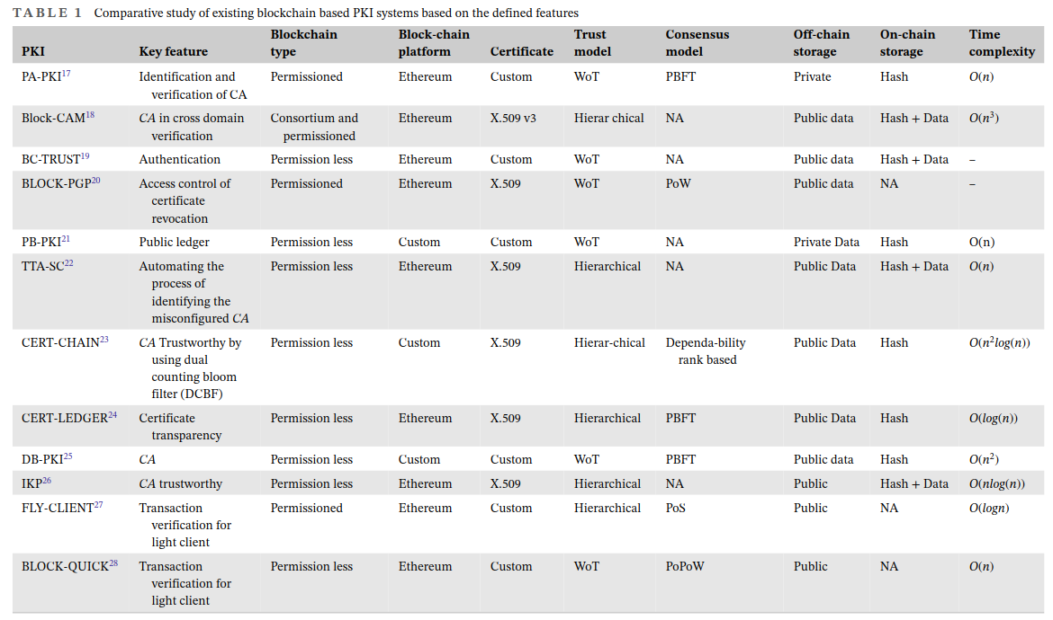
[2] | ProofChain
[3] | CeCoin
[4] | PkChain
[5] | A Blockchain-Based Decentralized Public Key Infrastructure Using the Web of Trust |  | 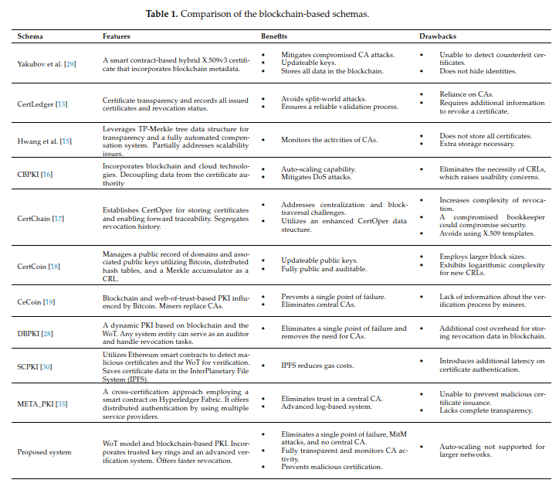
[6] | 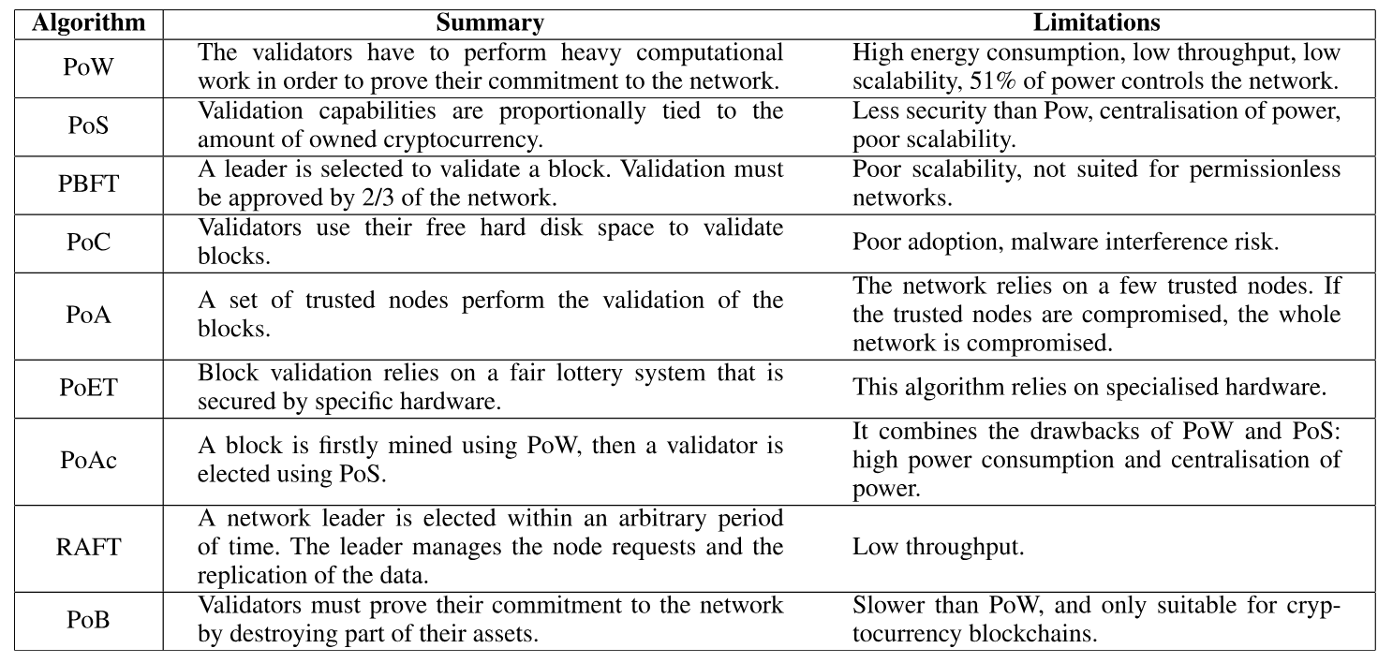 https://ieeexplore.ieee.org/stamp/stamp.jsp?arnumber=9961212

