Hárok1

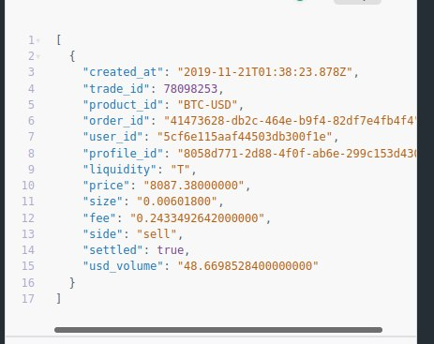
Created at | Trade it | Product it | Order ID | User ID | Profile ID | Liquidity | Price | Size | Fee | Side | Settled | Volume
<jt:forEach items="${table}" var="row">${row.created_ad} | ${row.trade_id} | ${row.product_id} | ${row.order_id} | ${row.user_id} | ${row.profile_id} | ${row.liquidity} | ${row.price} | ${row.size} | ${row.fee} | ${row.side} | ${row.settled} | $row.usd_volume} | </jt:forEach>

