Consent Form
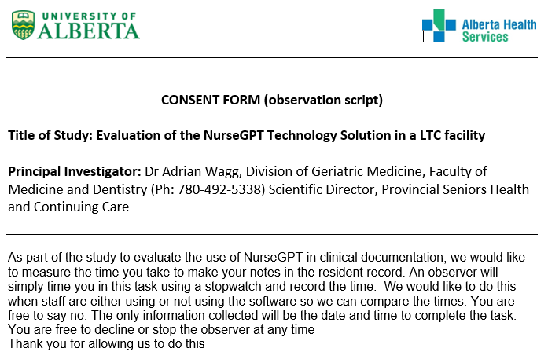
Defintion of Charting
Any documentation of progress notes in PointClickCare only.
This does not include any documentation done for UDAs, weights/vitals, care plans, or any other forms.

Note: Benchmarking activities to occur on all neighbourhoods except for Addenbrooke (4th floor)

Note: Residents and families do not have the right to decline benchmarking activities (except for survey participation)

