Introduction Screen
Cybersecurity Risk Dashboard
The Digital Defenders Cyber Risk Assessment Tool will allow you to input your risks, their likelihood and severity as they pertain to you, the controls youd like to put in place to mitigate them, and the amount that the control reduces the risk in a percentage to get back the initial risk value, the residual risk value, and finally a chart that displays all the values in a more visual sense so you can better picture which controls are more worth it for your company.

Users can click the buttons on this dashboard to navigate to the tutorial and the risk assessment tool.

View Directions
View Risk Assessment Tool

Tutorial Screen
Risk Assessment Tool Tutorial
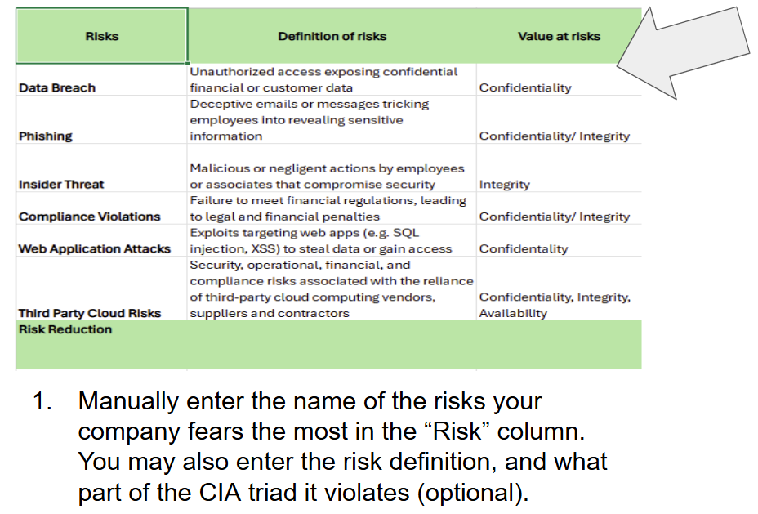 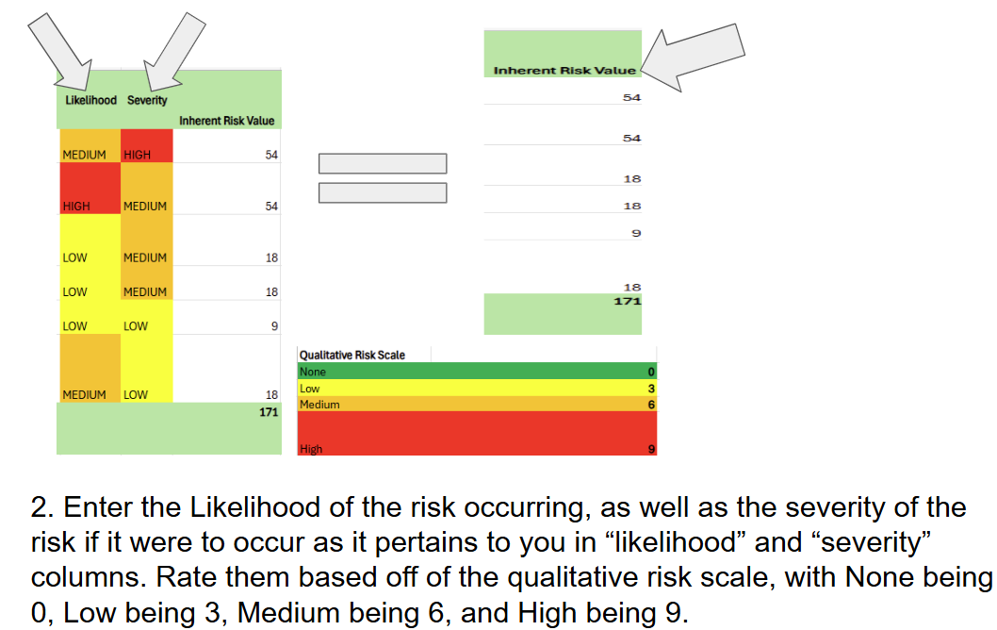 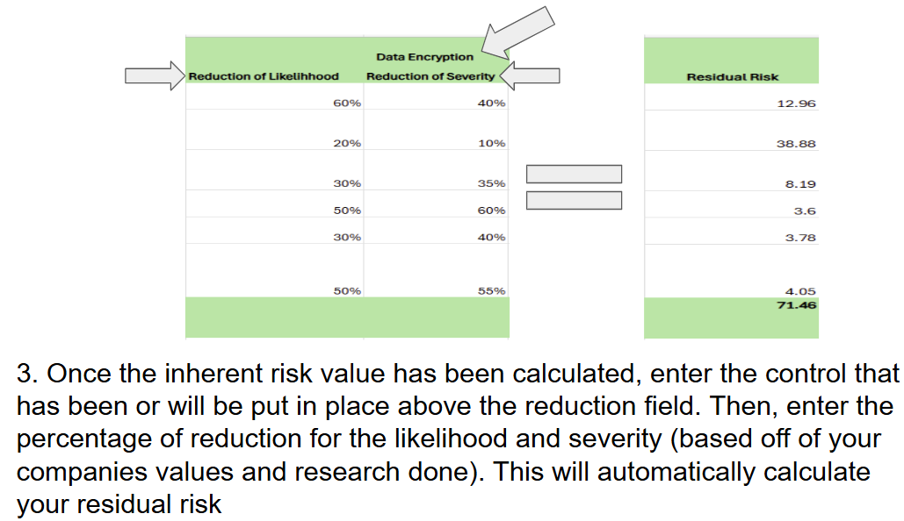 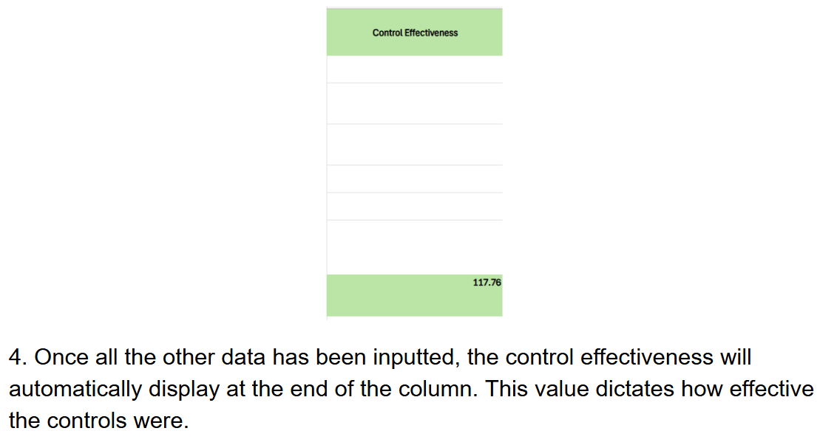 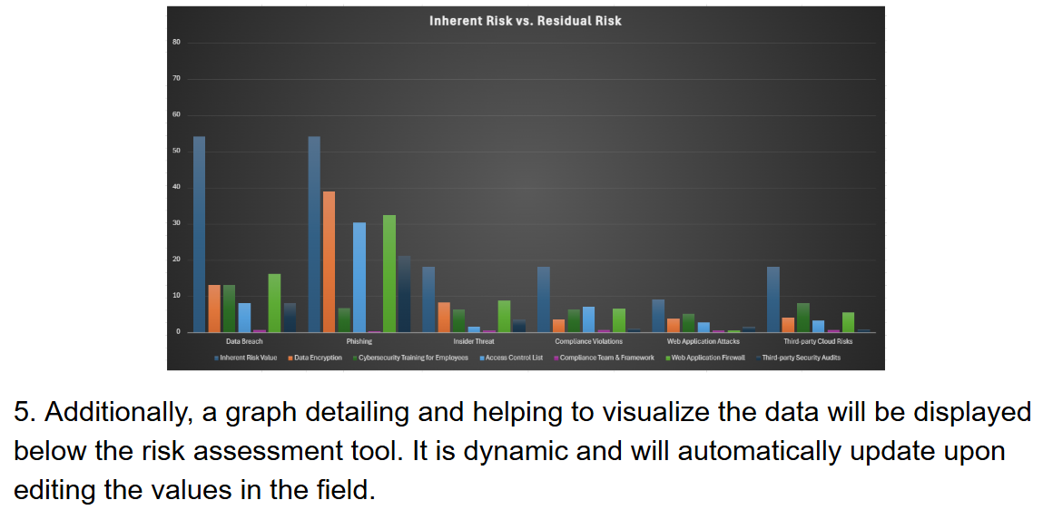 This tool allows you to input your risks and controls and auto calculates the inherent risk and residual risk for you.

Back to Introduction Screen

Risk Assesment Tool
Risks | Definition of risks | Value at risks | Likelihood | Severity | Inherent Risk Value | Data Encryption |  |  | Cybersecurity Training for Employees |  |  | Access Control List |  |  | Compliance Team & Framework |  |  | Web Application Firewall |  |  | Third-party Security Audits |  |  | Control Effectiveness
 |  |  |  |  |  | Reduction of Likelihhood | Reduction of Severity | Residual Risk | Reduction of Likelihood | Reduction of Severity | Residual Risk | Reduction of Likelihood | Reduction of Severity | Residual Risk | Reduction of Likelihood | Reduction of Severity | Residual Risk | Reduction of Likelihood | Reduction of Severity | Residual Risk | Reduction of Likelihood | Reduction of Severity | Residual Risk
Data Breach | Unauthorized access exposing confidential financial or customer data | Confidentiality | MEDIUM | HIGH | 54 | 60% | 40% | 12.96 | 60% | 40% | 12.96 | 70% | 50% | 8.1 | 50% | 60% | 10.8 | 40% | 50% | 16.2 | 50% | 70% | 8.1
Phishing | Deceptive emails or messages tricking employees into revealing sensitive information | Confidentiality/ Integrity | HIGH | MEDIUM | 54 | 10% | 20% | 38.88 | 75% | 50% | 6.75 | 30% | 20% | 30.24 | 40% | 35% | 21.06 | 25% | 20% | 32.4 | 40% | 35% | 21.06
Insider Threat | Malicious or negligent actions by employees or associates that compromise security | Integrity | LOW | MEDIUM | 18 | 30% | 35% | 8.19 | 50% | 30% | 6.3 | 80% | 60% | 1.44 | 40% | 50% | 5.4 | 30% | 30% | 8.82 | 50% | 60% | 3.6
Compliance Violations | Failure to meet financial regulations, leading to legal and financial penalties | Confidentiality/ Integrity | LOW | MEDIUM | 18 | 50% | 60% | 3.6 | 50% | 30% | 6.3 | 40% | 35% | 7.02 | 85% | 70% | 0.81 | 40% | 40% | 6.48 | 80% | 75% | 0.9
Web Application Attacks | Exploits targeting web apps (e.g. SQL injection, XSS) to steal data or gain access | Confidentality | LOW | LOW | 9 | 30% | 40% | 3.78 | 30% | 20% | 5.04 | 50% | 40% | 2.7 | 40% | 45% | 2.97 | 85% | 70% | 0.405 | 65% | 55% | 1.4175
Third Party Cloud Risks | Security, operational, financial, and compliance risks associated with the reliance of third-party cloud computing vendors, suppliers and contractors | Confidentiality, Integrity, Availability | MEDIUM | LOW | 18 | 50% | 55% | 4.05 | 40% | 25% | 8.1 | 65% | 50% | 3.15 | 55% | 60% | 3.24 | 50% | 40% | 5.4 | 85% | 70% | 0.81
Risk Reduction |  |  |  |  | 171 |  |  | 71.46 |  |  | 45.45 |  |  | 52.65 |  |  | 44.28 |  |  | 69.71 |  |  | 35.89 | 117.76

Inherent Risk vs. Residual Risk
Qualitative Risk Scale
None | 0
Low | 3
Medium | 6
High | 9

Back to Introduction Screen

 |  |  |  |  |  |  |  |  |  | Impact:The severity of consequences or effects if the risk event happens.
 |  |  |  |  |  |  |  |  | Likelihood:The probability or chance that a risk event will occur. |  | None: 0 | Low:3 | Medium:6 | High:9
 |  |  |  |  |  |  |  |  |  | None:0 | 0 | 0 | 0 | 0
 |  |  |  |  |  |  |  |  |  | Low:3 | 0 | 9 | 18 | 27
 |  |  |  |  |  |  |  |  |  | Medium:6 | 0 | 18 | 36 | 54
 |  |  |  |  |  |  |  |  |  | High:9 | 0 | 27 | 54 | 81

