Valuation
Demo Company - Valuation

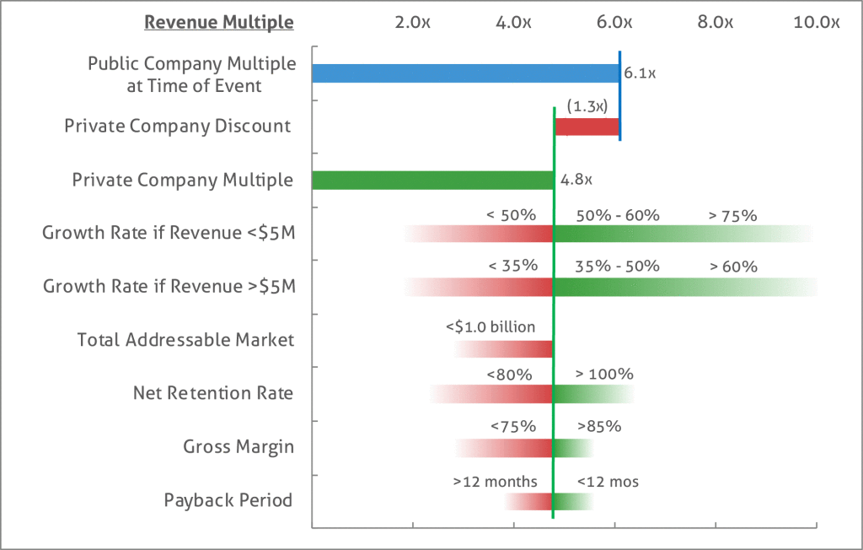
Valuation Metrics
 | FY 2018 | FY 2019 | FY 2020 | FY 2021 | FY 2022
SaaS Revenue | $1,448,704 | $2,389,286 | $4,683,626 | $7,500,605 | $10,692,571
Services Revenue | $40,389 | $78,084 | $480,084 | $750,060 | $1,069,257
Revenue Growth Rate |  | 66% | 109% | 60% | 43%
SaaS ARR | $1,535,210 | $3,054,249 | $5,766,785 | $8,857,627 | $15,355,241
Recurring Revenue Growth |  | 99% | 89% | 54% | 73%
Gross Margin | 89% | 86% | 89% | 92% | 94%

SaaS Valuation Range
 | FY 2018 | FY 2019 | FY 2020 | FY 2021 | FY 2022
Valuation @ 4x Forward ARR | $6,140,839 | $12,216,997 | $23,067,140 | $35,430,507 | $61,420,963 | 4.00x
Valuation @ 5x Forward ARR | $7,676,048 | $15,271,247 | $28,833,925 | $44,288,133 | $76,776,204 | 5.00x

Services Valuation Range
 | FY 2018 | FY 2019 | FY 2020 | FY 2021 | FY 2022
Valuation @ 2x LTM Revenue | $80,778 | $156,168 | $960,168 | $1,500,121 | $2,138,514 | 2.00x
Valuation @ 3x LTM Revenue | $121,167 | $234,252 | $1,440,252 | $2,250,181 | $3,207,771 | 3.00x

Total Valuation Range - Lower | $6,221,617 | $12,373,165 | $24,027,308 | $36,930,628 | $63,559,477
Total Valuation Range - Average | $7,009,416 | $13,939,332 | $27,150,743 | $41,734,471 | $71,771,726
Total Valuation Range - Higher | $7,797,215 | $15,505,499 | $30,274,177 | $46,538,315 | $79,983,975

SaaS Valuation Range
 | FY 2018 | FY 2019 | FY 2020 | FY 2021 | FY 2022
EBITDA | $442,096 | $637,694 | $1,314,048 | $3,477,259 | $6,278,263

Valuation @ 8x Forward EV/EBITDA | $5,101,550 | $10,512,386 | $27,818,070 |  |  | 8.00x
Valuation @ 10x Forward EV/EBITDA | $6,376,937 | $13,140,483 | $34,772,588 |  |  | 10.00x
Valuation @ 12x Forward EV/EBITDA | $7,652,325 | $15,768,580 | $41,727,106 |  |  | 12.00x

