Visualizations
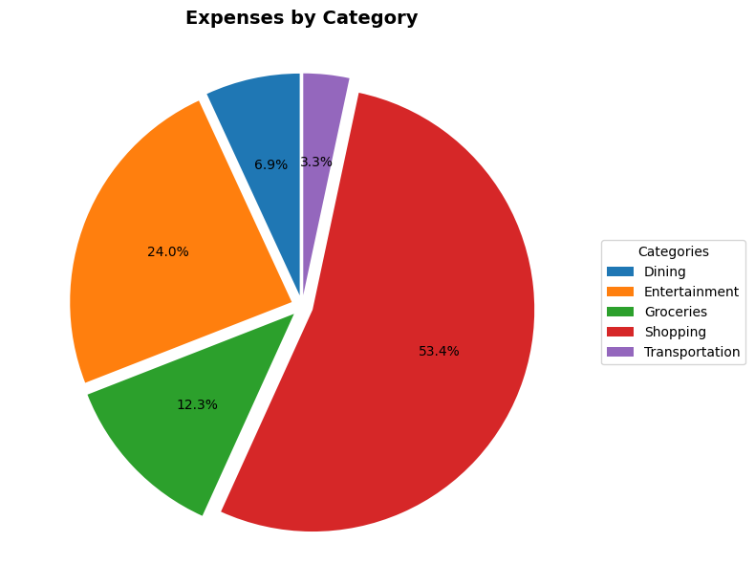
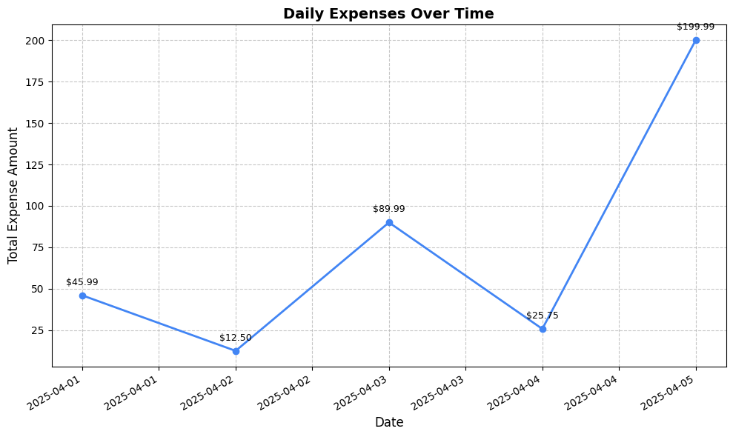
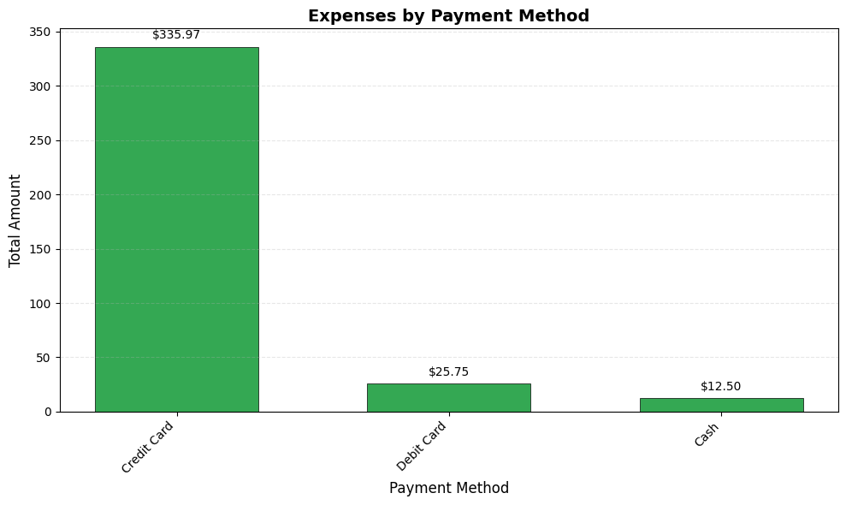
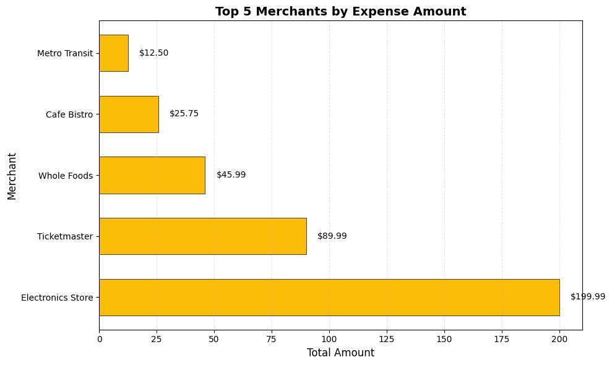
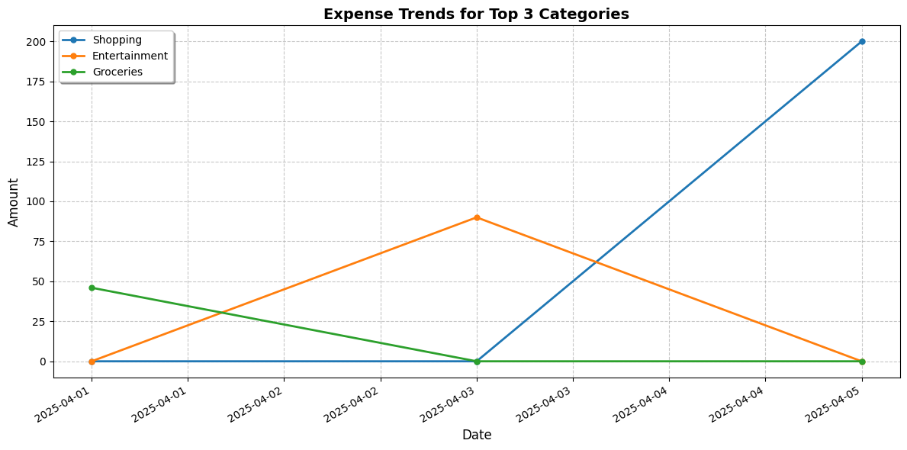
Expense Analysis & Visualizations
Generated on: 2025-04-12 18:48

Summary Statistics
Category | Total Amount | Count | Percentage
Shopping | $199.99 | 1 | 53.4%
Entertainment | $89.99 | 1 | 24.0%
Groceries | $45.99 | 1 | 12.3%
Dining | $25.75 | 1 | 6.9%
Transportation | $12.50 | 1 | 3.3%

Expense Visualizations

