Dynamo all
Equipment | Dynamo
Utilization
Project name
Revision
 |  |  |  |  |  |  | S.No |  | Cycles / Hour |  |  |  |  |  | S.No |  | Cycles / Hour |  |  |  |  |  | S.No |  | Cycles / Hour |  |  |  |  |  | S.No |  | Cycles / Hour
Cycles/ Hr |  |  |  |  |  |  |  |  | Effective Cycle Time |  |  |  |  |  |  |  | Effective Cycle Time |  |  |  |  |  |  |  | Effective Cycle Time |  |  |  |  |  |  |  | Effective Cycle Time
 |  |  |  |  |  |  |  |  | Equipment Utilization |  |  |  |  |  |  |  | Equipment Utilization |  |  |  |  |  |  |  | Equipment Utilization |  |  |  |  |  |  |  | Equipment Utilization
Dynamo required |  |  |  |  |  |  |  |  | Cycle Time |  |  |  |  |  |  |  | Cycle Time |  |  |  |  |  |  |  | Cycle Time |  |  |  |  |  |  |  | Cycle Time
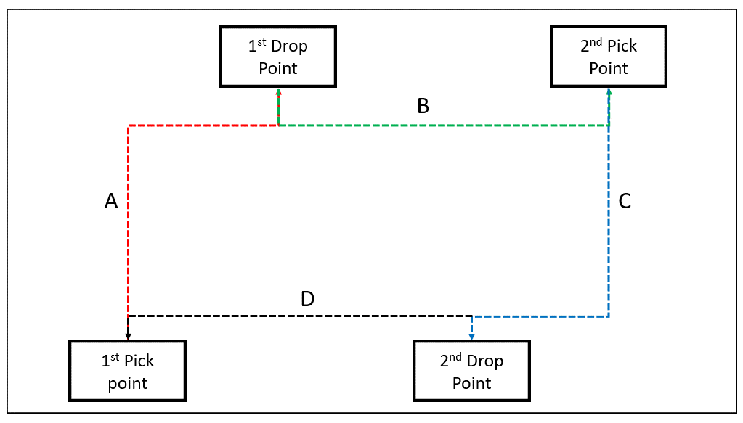
 | Dynamo1000 |  |  |  |  |  |  | AMR | Activity Type | Steps | Total Distance (m) | Time (sec) | Units | Total Time |  | AMR | Activity Type | Steps | Total Distance (m) | Time (sec) | Units | Total Time |  | AMR | Activity Type | Steps | Total Distance (m) | Time (sec) | Units | Total Time |  | AMR | Activity Type | Steps | Total Distance (m) | Time (sec) | Units | Total Time
Select Dynamo model | Dynamo200 |  |  |  |  |  | 1 |  |  | Getting loaded |  |  | 1.00 |  | 1 |  |  | Getting loaded |  |  | 1.00 |  | 1 |  |  | Getting loaded |  |  | 1.00 |  | 1 |  |  | Getting loaded |  |  | 1.00
Select Aisle width available M | 2.0 |  |  |  |  |  |  |  |  | Undocking |  |  | 1.00 |  |  |  |  | Undocking |  |  | 1.00 |  |  |  |  | Undocking |  |  | 1.00 |  |  |  |  | Undocking |  |  | 1.00
Load carry type | _Conveyor transfer |  |  |  |  |  |  |  |  | Travel |  |  |  |  |  |  |  | Travel |  |  |  |  |  |  |  | Travel |  |  |  |  |  |  |  | Travel
Load unit type | Pallets |  |  |  |  |  |  |  |  | Docking |  |  | 1.00 |  |  |  |  | Docking |  |  | 1.00 |  |  |  |  | Docking |  |  | 1.00 |  |  |  |  | Docking |  |  | 1.00
 |  |  |  |  |  |  |  |  |  | Detecting unloading point |  |  | 1.00 |  |  |  |  | Detecting unloading point |  |  | 1.00 |  |  |  |  | Detecting unloading point |  |  | 1.00 |  |  |  |  | Detecting unloading point |  |  | 1.00
 | 54 |  |  |  |  |  |  |  |  | Getting unloaded |  |  | 1.00 |  |  |  |  | Getting unloaded |  |  | 1.00 |  |  |  |  | Getting unloaded |  |  | 1.00 |  |  |  |  | Getting unloaded |  |  | 1.00
Number of load units carried per combined cycle | 2 |  |  |  |  |  |  |  |  | Undocking |  |  | 1.00 |  |  |  |  | Undocking |  |  | 1.00 |  |  |  |  | Undocking |  |  | 1.00 |  |  |  |  | Undocking |  |  | 1.00
Number of load units carried per single cycle | 1 |  |  |  |  |  |  |  |  | Travel to next point in combine cycle to get loaded |  |  |  |  |  |  |  | Travel to next point in combine cycle to get loaded |  |  |  |  |  |  |  | Travel to next point in combine cycle to get loaded |  |  |  |  |  |  |  | Travel Back to loading point
Traffic factor | 10% |  |  |  |  |  |  |  |  | Docking |  |  | 1.00 |  |  |  |  | Docking |  |  | 1.00 |  |  |  |  | Docking |  |  | 1.00 |  |  |  |  | Docking |  |  | 1.00
Charging factor | 15% |  |  |  |  |  |  |  |  | Detecting unloading point |  |  | 1.00 |  |  |  |  | Detecting unloading point |  |  | 1.00 |  |  |  |  | Detecting unloading point |  |  | 1.00 |  |  |  |  | Detecting unloading point |  |  | 1.00
 |  |  |  |  |  |  |  |  |  | Getting loaded |  |  | 1.00 |  |  |  |  | Getting unloaded |  |  | 1.00 |  |  |  |  | Getting unloaded |  |  | 1.00 |  |  |  |  | Turning times
 |  |  |  |  |  |  |  |  |  | Undocking |  |  | 1.00 |  |  |  |  | Undocking |  |  | 1.00 |  |  |  |  | Undocking |  |  | 1.00
 |  |  |  |  |  |  |  |  |  | Travel to final drop point |  |  |  |  |  |  |  | Travel to final drop point |  |  |  |  |  |  |  | Travel to final drop point
Cycle time | % length travelled | Weightage | Cycles/ Hr |  |  |  |  |  |  | Docking |  |  | 1.00 |  |  |  |  | Docking |  |  | 1.00 |  |  |  |  | Docking |  |  | 1.00
Near Combined | 50% | 33% |  |  |  |  |  |  |  | Detecting unloading point |  |  | 1.00 |  |  |  |  | Detecting unloading point |  |  | 1.00 |  |  |  |  | Detecting unloading point |  |  | 1.00
Mid Combined | 80% | 33% |  |  |  |  |  |  |  | Getting unloaded |  |  | 1.00 |  |  |  |  | Getting unloaded |  |  | 1.00 |  |  |  |  | Getting unloaded |  |  | 1.00
Far Combined | 100% | 33% |  |  |  |  |  |  |  | Undocking |  |  | 1.00 |  |  |  |  | Undocking |  |  | 1.00 |  |  |  |  | Undocking |  |  | 1.00
Single Cycle |  | 0% |  |  |  |  |  |  |  | Travel to start point |  |  |  |  |  |  |  | Travel to start point |  |  |  |  |  |  |  | Travel to start point
 |  |  |  |  |  |  |  |  |  | Docking |  |  | 1.00 |  |  |  |  | Docking |  |  | 1.00 |  |  |  |  | Docking |  |  | 1.00
 |  |  |  |  |  |  |  |  |  | Detecting loading point |  |  | 1.00 |  |  |  |  | Detecting loading point |  |  | 1.00 |  |  |  |  | Detecting loading point |  |  | 1.00
Distance Patch | Distance M | # Turns | Near M | Mid M | Far M | Single Cycle M |  |  |  | Turning times |  |  |  |  |  |  |  | Turning times |  |  |  |  |  |  |  | Turning times
Max distance travelled (A) M | 4 | 2
Max distance travelled (B) M | 10 | 2
Max distance travelled (C) M | 10 | 2
Max distance travelled (D) M | 10 | 2
Max distance travelled: Single Cycle M | 10 | 2

Docking and Undocking distance M | 2

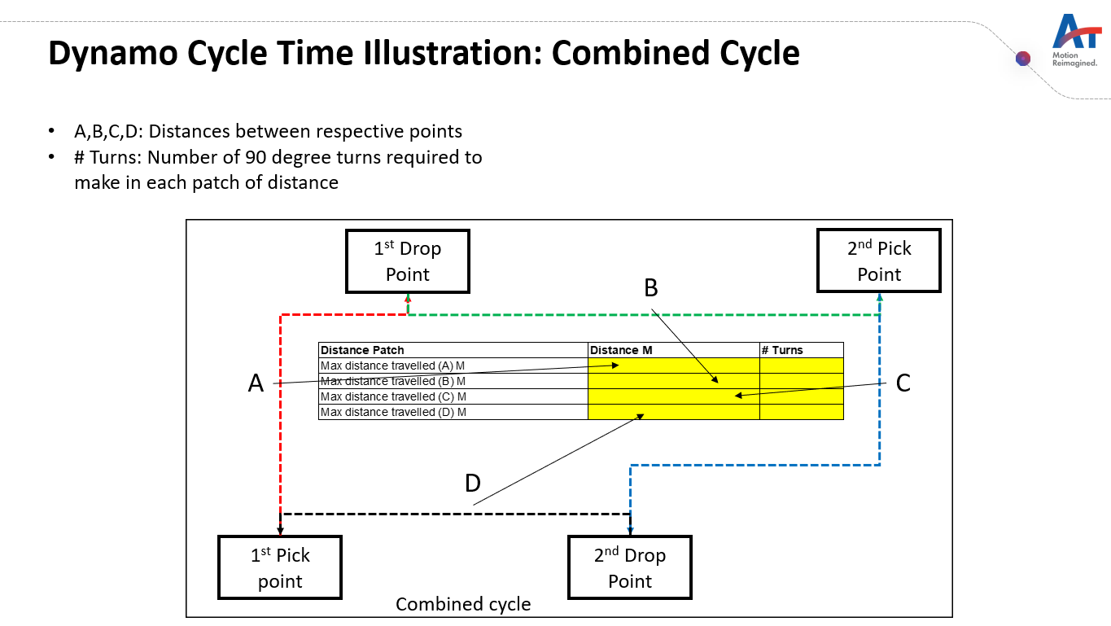
Dynamo List
Dynamo100
Dynamo200
Dynamo500
Dynamo1000
Dynamo1500

Aisle widths available and load carry type by AMR
Dynamo100 | Dynamo200 | Dynamo500 | Dynamo1000 | Dynamo1500
1.8 | 2.0 | 2.2 | 2.2 | 2.5
1.6 | 1.8 | 2.0 | 2 | 2.3
1.5 | 1.7 | 1.9 | 1.9 | 2.2
1.2 | 1.4 | 1.6 | 1.6 | 2.5

 |  | _LifterUp/Down | _LifterUp/Down | _LifterUp/Down
_Conveyor transfer | _Conveyor transfer | _Conveyor transfer | _Conveyor transfer | _Conveyor transfer
_PinHookup/Hookdown | _PinHookup/Hookdown | _PinHookup/Hookdown

Conditions

_loaded_
_unloaded_
_loaded_turning
_unloaded_turning
_docking
_detection time

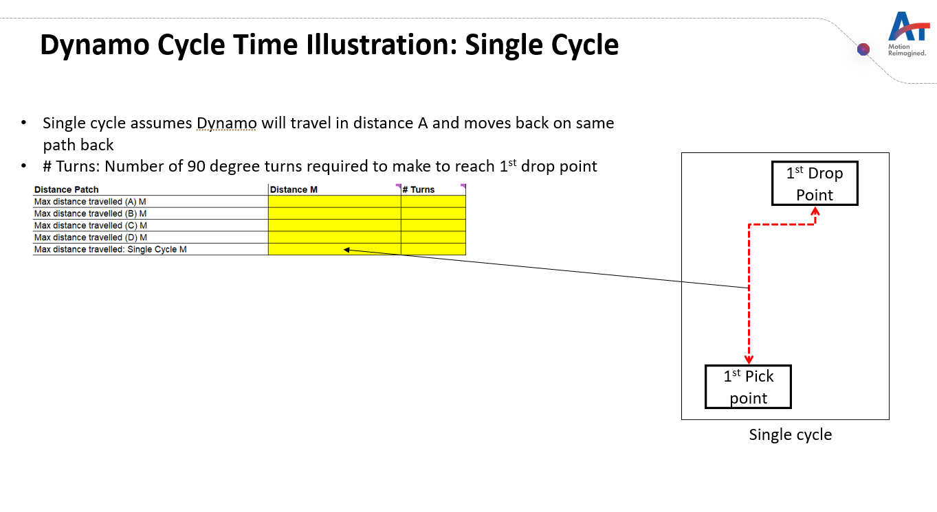

Pallets
Totes

Cycle Time ZIppy 6
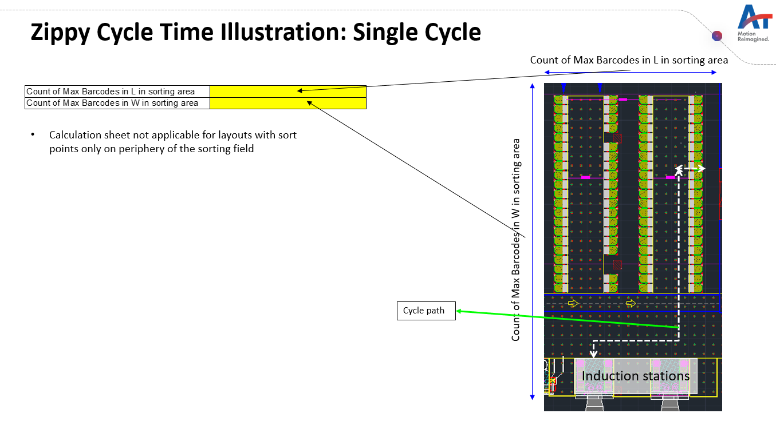
Equipment | Zippy 6
Utilization
Project name
Revision
 |  |  |  |  | S.No | Cycles / Hour |  |  |  |  |  | S.No | Cycles / Hour |  |  |  |  |  | S.No | Cycles / Hour |  |  |  |  |  | S.No | Cycles / Hour
Cycles/ Hr |  |  |  |  |  | Effective Cycle Time |  |  |  |  |  |  | Effective Cycle Time |  |  |  |  |  |  | Effective Cycle Time |  |  |  |  |  |  | Effective Cycle Time
Zippy required |  |  |  |  |  | Equipment Utilization |  |  |  |  |  |  | Equipment Utilization |  |  |  |  |  |  | Equipment Utilization |  |  |  |  |  |  | Equipment Utilization
 |  |  |  |  |  | Cycle Time |  |  |  |  |  |  | Cycle Time |  |  |  |  |  |  | Cycle Time |  |  |  |  |  |  | Cycle Time
Zippy to barcode ratio |  | <<-If this cell becomes red then increase the number of barcodes on the layout |  |  |  | Activity Type | Steps | Distance in accerlaration (m) | Time (sec) | Units | Total Time |  | Activity Type | Steps | Total Distance (m) | Time (sec) | Units | Total Time |  | Activity Type | Steps | Total Distance (m) | Time (sec) | Units | Total Time |  | Activity Type | Steps | Total Distance (m) | Time (sec) | Units | Total Time
 |  |  |  |  | 1 | Zippy 6 Running | Reach induction station |  |  | 1.00 |  | 1 | Zippy 6 Running |  |  |  | 1.00 |  | 1 | Zippy 6 Running |  |  |  | 1.00 |  | 1 | Zippy 6 Running |  |  |  | 1.00
Count of Max Barcodes in L in sorting area | 150 | Number of barcodes along the side of induction stations |  | Meters |  | Zippy 6 90 degree Turn | Turn and align to get inducted |  |  | 1.00 |  |  | Zippy 6 90 degree Turn |  |  |  | 1.00 |  |  | Zippy 6 90 degree Turn |  |  |  | 1.00 |  |  | Zippy 6 90 degree Turn |  |  |  | 1.00
Count of Max Barcodes in W in sorting area | 200 | Number of barcodes perpendicular to of induction stations |  | Meters |  | Zippy 6 Running | Distance travelled in X direction |  |  | 1.00 |  |  | Zippy 6 Running |  |  |  | 1.00 |  |  | Zippy 6 Running |  |  |  | 1.00 |  |  | Zippy 6 Running |  |  |  | 1.00
Distance between induction station and first sort point in M | 6 |  |  |  |  | Zippy 6 90 degree Turn | Turn to start travelling in Y direction |  |  | 1.00 |  |  | Zippy 6 90 degree Turn |  |  |  | 1.00 |  |  | Zippy 6 90 degree Turn |  |  |  | 1.00 |  |  | Zippy 6 90 degree Turn |  |  |  | 1.00
Throughput (Sorts per hour) | 1,000 | Sorts per Hr |  |  |  | Zippy 6 Running | Distance travelled in Y direction |  |  | 1.00 |  |  | Zippy 6 Running |  |  |  | 1.00 |  |  | Zippy 6 Running |  |  |  | 1.00 |  |  | Zippy 6 Running |  |  |  | 1.00
Traffic factor | 10% | Variable |  |  |  | Zippy 6 90 degree Turn | Turn to move towards sorting point |  |  | 1.00 |  |  | Zippy 6 90 degree Turn |  |  |  | 1.00 |  |  | Zippy 6 90 degree Turn |  |  |  | 1.00 |  |  | Zippy 6 90 degree Turn |  |  |  | 1.00
Charging factor | 10% | Variable |  |  |  | Zippy 6 Tilting | Sorting |  |  | 1.00 |  |  | Zippy 6 Tilting |  |  |  | 1.00 |  |  | Zippy 6 Tilting |  |  |  | 1.00 |  |  | Zippy 6 Tilting |  |  |  | 1.00
Total barcodes in layout | 400 | Input total number of barcodes in layout |  |  |  | Zippy 6 Running | Move one barcode ahead to make way for zippy behind if any |  |  | 1.00 |  |  | Zippy 6 Running |  |  |  | 1.00 |  |  | Zippy 6 Running |  |  |  | 1.00 |  |  | Zippy 6 Running |  |  |  | 1.00
 |  |  |  |  |  | Zippy 6 90 degree Turn | Turn to move on highway |  |  | 1.00 |  |  | Zippy 6 90 degree Turn |  |  |  | 1.00 |  |  | Zippy 6 90 degree Turn |  |  |  | 1.00 |  |  | Zippy 6 90 degree Turn |  |  |  | 1.00
 | % of distance travelled in X direction | Distance travelled m | Cycles/ Hr | Weightage |  | Zippy 6 Running | Distance travlled to come back to induction station in Y direction |  |  | 1.00 |  |  | Zippy 6 Running |  |  |  | 1.00 |  |  | Zippy 6 Running |  |  |  | 1.00 |  |  | Zippy 6 Running |  |  |  | 1.00
 | 10% |  |  | 5% |  | Zippy 6 90 degree Turn | Turn towards X direction |  |  | 1.00 |  |  | Zippy 6 90 degree Turn |  |  |  | 1.00 |  |  | Zippy 6 90 degree Turn |  |  |  | 1.00 |  |  | Zippy 6 90 degree Turn |  |  |  | 1.00
 | 20% |  |  | 45% |  | Zippy 6 Running | Distance travelled to move towards induction station |  |  | 1.00 |  |  | Zippy 6 Running |  |  |  | 1.00 |  |  | Zippy 6 Running |  |  |  | 1.00 |  |  | Zippy 6 Running |  |  |  | 1.00
 | 50% |  |  | 45% |  | Zippy 6 90 degree Turn | Turn to get in queue of induction |  |  | 1.00 |  |  | Zippy 6 90 degree Turn |  |  |  | 1.00 |  |  | Zippy 6 90 degree Turn |  |  |  | 1.00 |  |  | Zippy 6 90 degree Turn |  |  |  | 1.00
 | 100% |  |  | 5% |  | Zippy 6 Running | Distance travelled to move towards induction station |  |  | 1.00 |  |  | Zippy 6 Running |  |  |  | 1.00 |  |  | Zippy 6 Running |  |  |  | 1.00 |  |  | Zippy 6 Running |  |  |  | 1.00

 | % of distance travelled in Y direction | Distance travelled M
 | 10%
 | 20%
 | 50%
 | 100%

Barcode distance m (Grid size) | 0.6
Barcodes per zippy | 8

Veloce
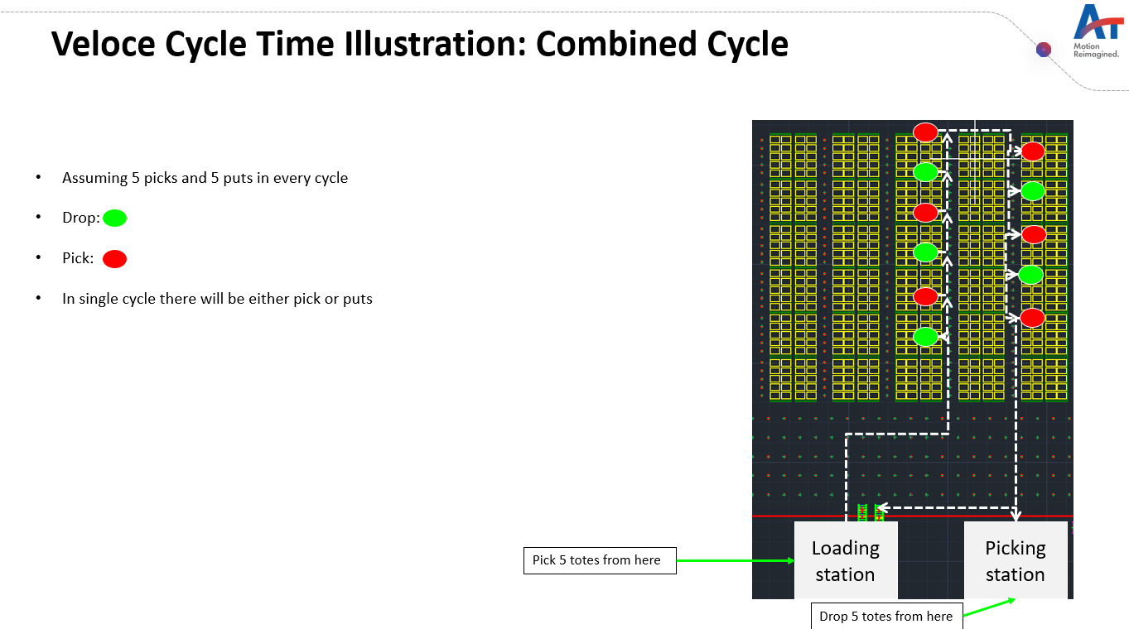
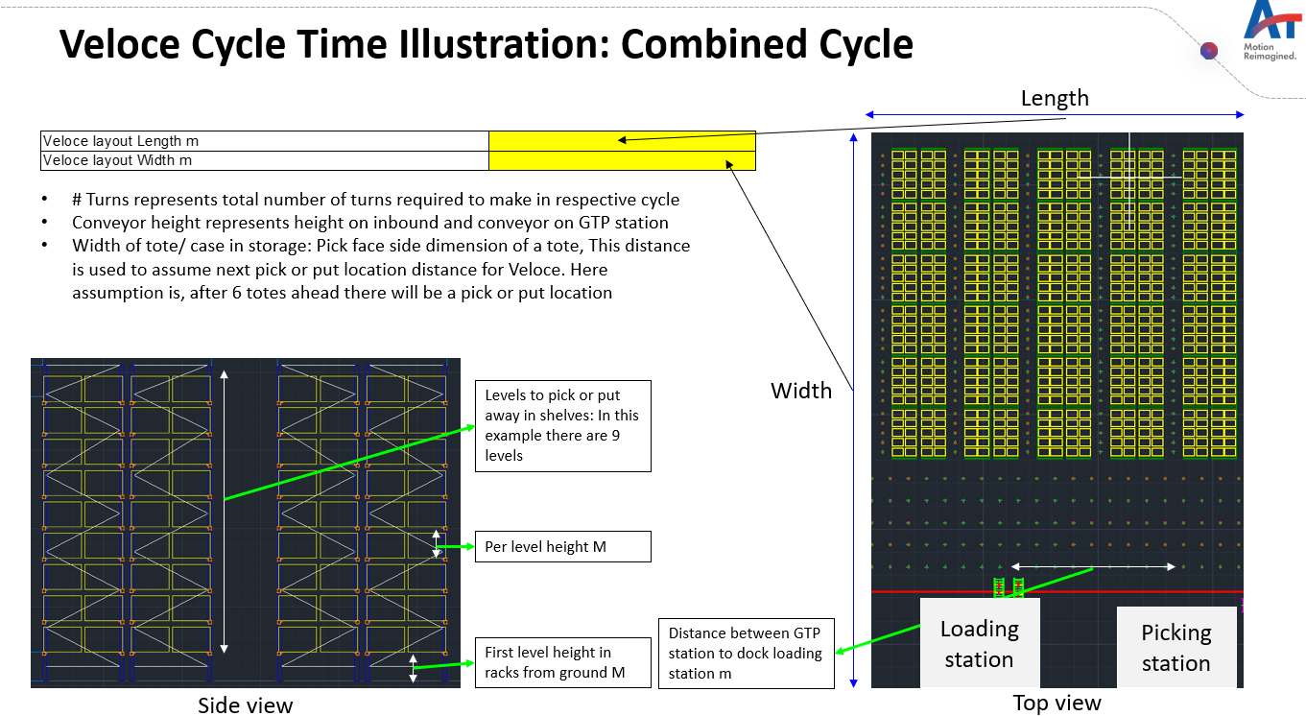
Equipment | Veloce
Utilization
Project name
Revision
 |  |  |  |  |  |  | S.No | Cycles / Hour |  |  |  |  |  | S.No | Cycles / Hour |  |  |  |  |  | S.No | Cycles / Hour |  |  |  |  |  | S.No | Cycles / Hour
Cycles/ Hr |  |  |  |  |  |  |  | Effective Cycle Time |  |  |  |  |  |  | Effective Cycle Time |  |  |  |  |  |  | Effective Cycle Time |  |  |  |  |  |  | Effective Cycle Time
Totes/ Cases per Hr |  |  |  |  |  |  |  | Equipment Utilization |  |  |  |  |  |  | Equipment Utilization |  |  |  |  |  |  | Equipment Utilization |  |  |  |  |  |  | Equipment Utilization
Veloce required |  |  |  |  |  |  |  | Cycle Time |  |  |  |  |  |  | Cycle Time |  |  |  |  |  |  | Cycle Time |  |  |  |  |  |  | Cycle Time
 |  |  |  |  |  |  |  | Activity Type | Steps | Total Distance (m) | Time (sec) | Units | Total Time |  | Activity Type | Steps | Total Distance (m) | Time (sec) | Units | Total Time |  | Activity Type | Steps | Total Distance (m) | Time (sec) | Units | Total Time |  | Activity Type | Steps | Total Distance (m) | Time (sec) | Units | Total Time
Throughput (Totes or cases/ Hr) | 500 |  |  |  |  |  | 1 | Veloce Vertical Movement | Vertical movement of cradle to get case/ tote (Includes movement during picking totes from decanting and dropping to GTP) |  |  |  |  | 1 | Veloce Vertical Movement |  |  |  |  |  | 1 | Veloce Vertical Movement |  |  |  |  |  | 1 | Veloce Vertical Movement
Traffic factor | 10% |  |  |  |  |  |  | Veloce Fork Movement | Fork movement to get case/ tote & Transfer case or tote on GTP station |  |  |  |  |  | Veloce Fork Movement |  |  |  |  |  |  | Veloce Fork Movement |  |  |  |  |  |  | Veloce Fork Movement
Charging factor | 10% |  |  |  |  |  |  | Veloce Horizontal Running Loaded | Movement to first pick location and from last pick location to GTP station |  |  |  |  |  | Veloce Horizontal Running Loaded |  |  |  |  |  |  | Veloce Horizontal Running Loaded |  |  |  |  |  |  | Veloce Horizontal Running Loaded
Veloce layout Length m | 50 |  |  |  |  |  |  | Veloce Vertical Movement | Vertical movement to reach the pick or put locations in rack |  |  |  |  |  | Veloce Vertical Movement | Vertical movement to reach the pick or put locations in rack |  |  |  |  |  | Veloce Vertical Movement | Vertical movement to reach the pick or put locations in rack |  |  |  |  |  | Veloce Vertical Movement | Vertical movement to reach the pick or put locations in rack
Veloce layout Width m | 70 |  |  |  |  |  |  | Veloce Craddle Rotation | Cradle movement to put/ pick case/ tote |  |  |  |  |  | Veloce Craddle Rotation |  |  |  |  |  |  | Veloce Craddle Rotation |  |  |  |  |  |  | Veloce Craddle Rotation
 |  |  |  |  |  |  |  | Veloce Fork Movement | Fork movement to pick/ put case/ tote |  |  |  |  |  | Veloce Fork Movement |  |  |  |  |  |  | Veloce Fork Movement |  |  |  |  |  |  | Veloce Fork Movement
 |  |  |  |  |  |  |  | Veloce Horizontal Running Loaded | Movement to next pick/ put location |  |  |  |  |  | Veloce Horizontal Running Loaded |  |  |  |  |  |  | Veloce Horizontal Running Loaded |  |  |  |  |  |  | Veloce Horizontal Running Loaded
 | % length travelled to first pick or put | # Turns (One side to reach first pick/ put location)) | Cycles/ Hr | Weightage | Subsequent Distance travel for next pick/put in combined cycle M | Totes/ Cases per Hr |  | Veloce 90 degree Turn | Total turning points |  |  |  |  |  | Veloce 90 degree Turn |  |  |  |  |  |  | Veloce 90 degree Turn |  |  |  |  |  |  | Veloce 90 degree Turn
 |  | 6 |  | 10% |  |  |  | Veloce Horizontal Running Loaded | Distance between GTP station to dock loading station |  |  | 1.00 |  |  | Veloce Horizontal Running Loaded | Distance between GTP station to dock loading station |  |  | 1.00 |  |  | Veloce Horizontal Running Loaded | Distance between GTP station to dock loading station |  |  | 1.00 |  |  | Veloce Horizontal Running Loaded | Distance between GTP station to dock loading station |  |  | 1.00
 |  | 6 |  | 40% |  |  |  | Time taken by Veloce to complete one Pick/ Drop cycle with Veloce Tower | Time taken by Veloce to complete one Pick/ Drop cycle with Veloce Tower |  |  |  |  |  | Time taken by Veloce to complete one Pick/ Drop cycle with Veloce Tower | Time taken by Veloce to complete one Pick/ Drop cycle with Veloce Tower |  |  |  |  |  | Time taken by Veloce to complete one Pick/ Drop cycle with Veloce Tower | Time taken by Veloce to complete one Pick/ Drop cycle with Veloce Tower |  |  |  |  |  | Time taken by Veloce to complete one Pick/ Drop cycle with Veloce Tower | Time taken by Veloce to complete one Pick/ Drop cycle with Veloce Tower
 |  | 6 |  | 40% |  |  |  |  | Reshuffling activities below |  |  |  |  |  |  | Reshuffling activities below |  |  |  |  |  |  | Reshuffling activities below
 |  | 6 |  | 10% |  |  |  | Veloce Vertical Movement | Move up and down to reshuffle the tote |  |  |  |  |  | Veloce Vertical Movement | Move up and down to reshuffle the tote |  |  |  |  |  | Veloce Vertical Movement | Move up and down to reshuffle the tote
 |  |  |  |  |  |  |  | Veloce Fork Movement | Fork movement for reshuffling, pick and place on diff location |  |  |  |  |  | Veloce Fork Movement | Fork movement for reshuffling, pick and place on diff location |  |  |  |  |  | Veloce Fork Movement | Fork movement for reshuffling, pick and place on diff location
Veloce tower being used? | Yes |  |  |  |  |  |  | Veloce Craddle Rotation | Cradle movement for reshuffling |  |  |  |  |  | Veloce Craddle Rotation | Cradle movement for reshuffling |  |  |  |  |  | Veloce Craddle Rotation | Cradle movement for reshuffling
Tote positions on Veloce | 7 |  |  |  |  |  |  | Veloce Horizontal Running Loaded | Movement to reach and come back from reshuffled location, assumed to be 4 totes away |  |  |  |  |  | Veloce Horizontal Running Loaded | Movement to reach and come back from reshuffled location, assumed to be 4 totes away |  |  |  |  |  | Veloce Horizontal Running Loaded | Movement to reach and come back from reshuffled location, assumed to be 4 totes away
Distance between GTP station to dock loading station m | 10 |  |  |  |  |  |  |  | Aisle hopping |  |  |  |  |  |  | Aisle hopping |  |  |  |  |  |  | Aisle hopping |  |  |  |  |  |  | Aisle hopping
First level height in racks from ground m | 0.4 |  |  |  |  |  |  | Veloce Horizontal Running Loaded | Crossing aisle for hopping | 1.30 |  |  |  |  | Veloce Horizontal Running Loaded | Crossing aisle for hopping | 1.30 |  |  |  |  | Veloce Horizontal Running Loaded | Crossing aisle for hopping | 1.30 |  |  |  |  | Veloce Horizontal Running Loaded | Crossing aisle for hopping | 1.30
Per level height m | 0.8 |  |  |  |  |  |  | Veloce 90 degree Turn | 90 degree turns while hopping |  |  |  |  |  | Veloce 90 degree Turn | 90 degree turns while hopping |  |  |  |  |  | Veloce 90 degree Turn | 90 degree turns while hopping |  |  |  |  |  | Veloce 90 degree Turn | 90 degree turns while hopping
Veloce cradle height (Max travel distance of cradle on Veloce) | 4 |  |  |  |  |  |  | Veloce Horizontal Running Loaded | Additional distance to reach cross asile and vice versa | 3.00 |  | 2.00 |  |  | Veloce Horizontal Running Loaded | Additional distance to reach cross asile and vice versa | 3.00 |  | 2.00 |  |  | Veloce Horizontal Running Loaded | Additional distance to reach cross asile and vice versa | 3.00 |  | 2.00 |  |  | Veloce Horizontal Running Loaded | Additional distance to reach cross asile and vice versa | 3.00 |  | 2.00
Width of tote/ case in storage | 0.4
Distance between next pick or drop | Default
If above is Custom value then input values in Meters here | 4
Reshuffling required? | Yes | No reshuffling in single cycles
Aisle hopping required? | Yes

Levels to pick or putaway in shelves | Weightage | Distance from gound
1
2
3
4
5
6
7
8
0
0
0
0
Average distance

SortIE
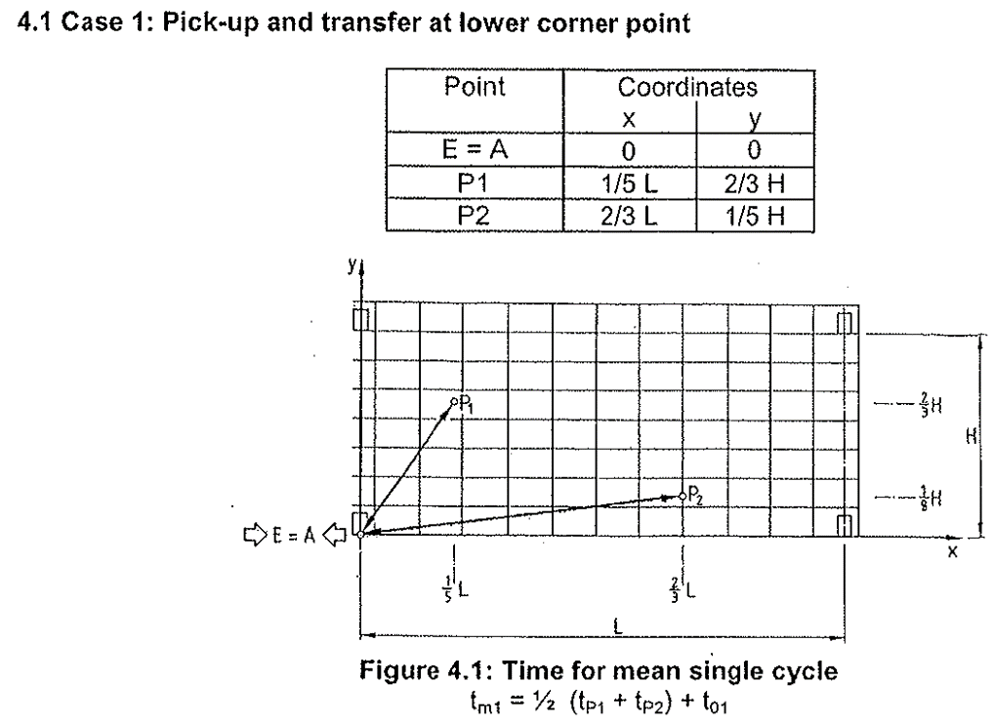
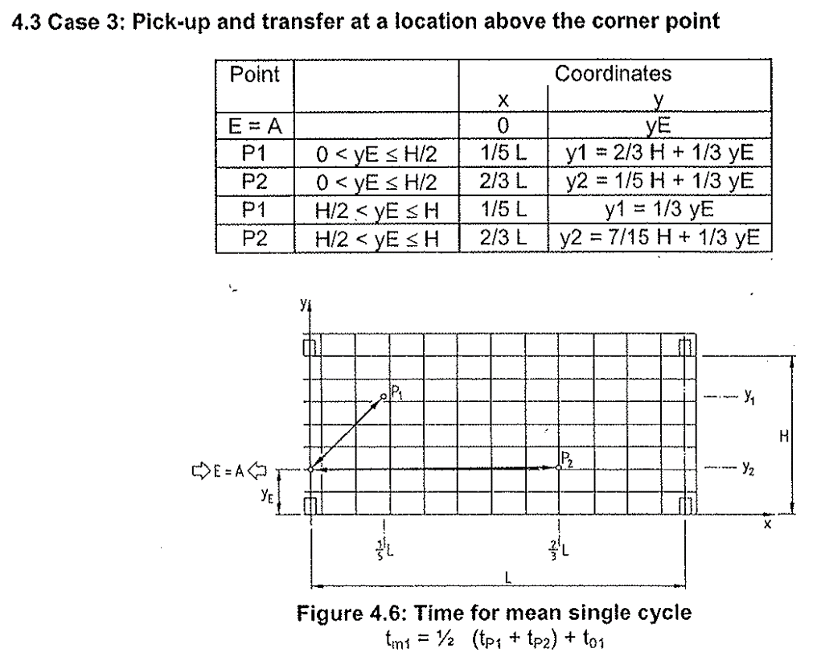
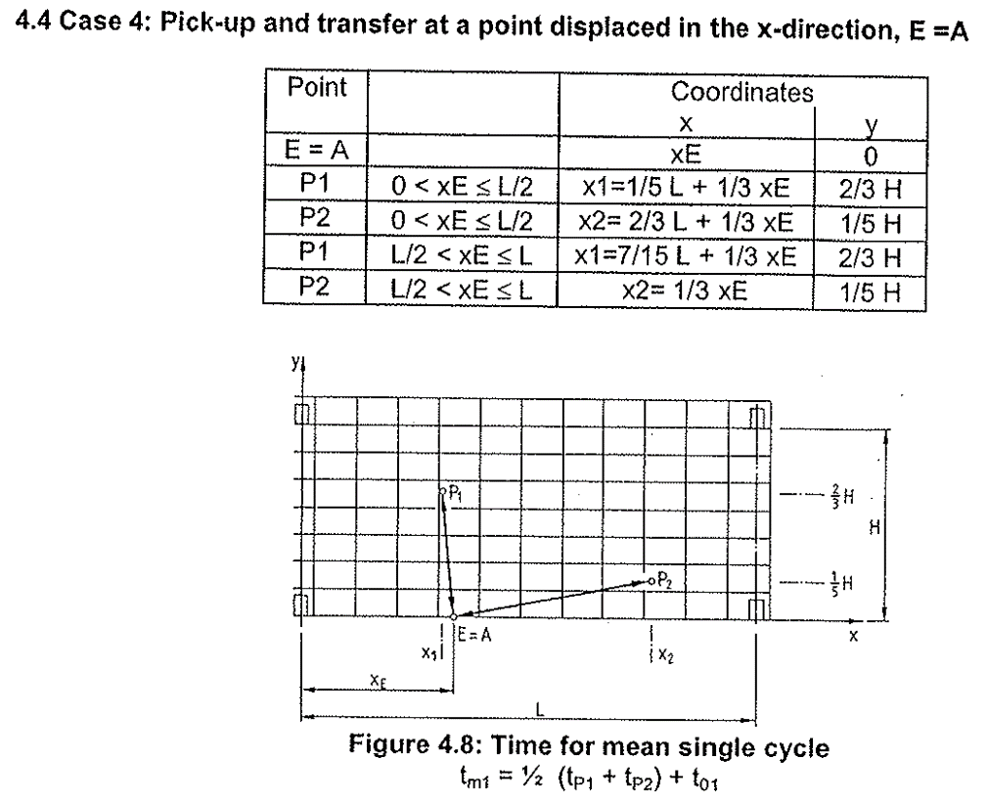
Equipment | SortIE
Utilization
Project name
Revision
 |  |  |  | S.No | Cycles / Hour |  |  |  |  |  |  |  |  | S.No | Cycles / Hour
Sorts per Hr |  |  |  |  | Effective Cycle Time |  |  |  |  |  |  |  |  |  | Effective Cycle Time
 |  |  |  |  | Equipment Utilization |  |  |  |  |  |  |  |  |  | Equipment Utilization
Category | X direction M | Y direction M | Sorts per hr |  | Cycle Time |  |  |  |  |  |  |  |  |  | Cycle Time
2/3L & 1/5H |  |  |  |  | Activity Type | Steps | Time to consider in absence of data (sec) | Speed (m / sec) | Acceleration (m / sec^2) | Total Distance (m) | Time (sec) | Units | Total Time |  | Activity Type | Steps | Time to consider in absence of data (sec) | Speed (m / sec) | Acceleration (m / sec^2) | Total Distance (m) | Time (sec) | Units | Total Time
1/5H & 2/3H |  |  |  | 1 | Sortie positioning time | Positioning on induction conveyor |  |  |  |  |  | 1.00 |  | 1 | Sortie positioning time | Positioning on induction conveyor |  |  |  |  |  | 1.00
 |  |  |  |  | Sortie Conveyor transfer | Induction time |  |  |  |  |  | 1.00 |  |  | Sortie Conveyor transfer | Induction time |  |  |  |  |  | 1.00
 |  | Pick point cordinates |  |  | Sortie X direction movement | Travel to reach location in X direction |  |  |  |  |  | 1.00 |  |  | Sortie X direction movement | Travel to reach location in X direction |  |  |  |  |  | 1.00
Total effective distance in X direction M | 7.0 | 3.50 |  |  | Sortie Y direction movement | Travel to reach location in Y direction |  |  |  |  |  | 1.00 |  |  | Sortie Y direction movement | Travel to reach location in Y direction |  |  |  |  |  | 1.00
Total effective distance in Y direction M | 1.75 | 0.25 |  |  | Sortie positioning time | Positioning on sort point |  |  |  |  |  | 1.00 |  |  | Sortie positioning time | Positioning on sort point |  |  |  |  |  | 1.00
 |  |  |  |  | Sortie Conveyor transfer | Sorting time |  |  |  |  |  | 1.00 |  |  | Sortie Conveyor transfer | Sorting time |  |  |  |  |  | 1.00
Max X cordinate M |  | This is max value that can be used in cell C12 |  |  | Sortie X direction movement | Travel to reach induction point in X direction |  |  |  |  |  | 1.00 |  |  | Sortie X direction movement | Travel to reach induction point in X direction |  |  |  |  |  | 1.00
Max Y cordinate M |  | This is max value that can be used in cell C13 |  |  | Sortie Y direction movement | Travel to reach induction point in Y direction |  |  |  |  |  | 1.00 |  |  | Sortie Y direction movement | Travel to reach induction point in Y direction |  |  |  |  |  | 1.00
Max Y cordinate from ground M

Pallet autolift
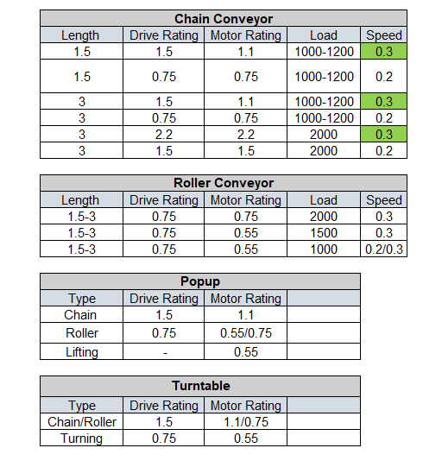
 |  |  |  |  |  |  |  |  |  |  |  |  |  |  |  |  |  |  |  |  |  |  |  |  |  |  |  |  |  |  | Image for reference
Equipment | Pallet Lift
Utilization

Input
Number of levels | 7 | Nos.
Lift travel height | 18.0 | Meters
Difference of 1st level from Lift Lowest position | 0.10 | Meters
Level to Level gap (Average) |  | Meters
Speed of Pallet Conveyor (vx) | 0.20 | m/s
Speed of Motor (vy) | 0.30 | m/s
Equipment Utilization |  | %
Travelling distance- Pallet conveyor to Lift conveyor | 1.60 | Meters
Throughput- Required (In + Out) | 100 | Pallets per hr
Combined cycle % | 80% | %
Single cycle % |  | %

Output
Throughput- with Utilization (Single Lift) |  | Cycles per Hr
Throughput- with Utilization (Single Lift) |  | Pallets per hr
Number of Lift required |  | Nos.
Motor speed (m/s) |  | m/s
Motor acceleration (m/s2) |  | m/s2

Time to load / unload the pallet on Roller conveyor

vx [m/s]
ax [m/s2]
dist slow speed x [m] | 0.05
slow speed x [m/s] | 0.05

Travelling distance[m]
Accel. time [s]
Const. speed time [s]
deaccel. time [s]
slow speed time [s]
positioning time [s] | 1.00
TOTAL [s]

Time for lifting / lowering and positioning

vy [m/s]
ay [m/s2]
dist slow speed y [m] | 0.05
slow speed y [m/s] | 0.10

Level number | 1
Hoisting distance [m]
Accel. time [s]
Const.speed time [s]
deaccel. time [s]
slow speed time [s]
positioning time [s] | 1.00 | 1.00 | 1.00 | 1.00 | 1.00 | 1.00 | 1.00 | 1.00 | 1.00 | 1.00 | 1.00 | 1.00 | 1.00 | 1.00 | 1.00 | 1.00 | 1.00 | 1.00 | 1.00 | 1.00 | 1.00 | 1.00 | 1.00 | 1.00 | 1.00 | 1.00 | 1.00 | 1.00 | 1.00 | 1.00
TOTAL [s]
Final TOTAL [s]

Communication and dead times in 1/2 cycle [s] |  |  |  | 1.00
Total time 1/2 cycle (s)
Max. Throughput (cycles/h)
Throughput with 80% Utilization

Multi pro Area
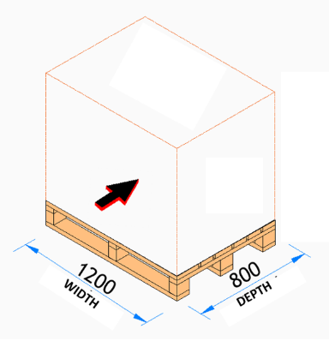
Max pallets that can be stored |  | Pallet inputs | Value | UOM | Value | UOM |  | Value | UOM | Value | UOM | Yes
Remaining area m^2 |  | Pallet depth (in child shuttle travel direction) |  | M |  | Ft | Input values in either Meters M/ Milimeters mm (Column E) or in Feet Ft in (Column G) |  | M |  | mm | No
Length of remaining area M |  | Pallet width (in mother shuttle travel direction) |  | M |  | Ft |  |  | M |  | mm
Width of remaining area M |  | Pallet height including the load |  | M |  | Ft |  |  | M |  | mm
 |  | Overhang in length |  | mm |  | Ft |  |  | M |  | mm
Pallet dimensions | Dimension in mm | Overhang in width |  | mm |  | Ft |  |  | M |  | mm
Length (Lead side on Mother chain conveyor)
Width |  | Field Inputs | Value | UOM | Value | UOM |  | Value | UOM | Value | UOM
Total pallet height |  | Clear height (After Lightings, sprinklers etc.) |  | M |  | Ft |  |  | M |  | mm
Total pallet length (Lead side on Mother) |  | Length |  | M |  | Ft |  |  | M |  | mm
Total pallet width |  | Width |  | M |  | Ft |  |  | M |  | mm

Mother child area dimensions | Dimension in mm | Configuration requirement | Value | UOM | Value | UOM
Clear height (After Lightings, sprinklers etc.) |  | Pallets per SKU batch on Left side of track |  | Nos
Length |  | Pallets per SKU batch on Right side of track | 4.0 | Nos |  | Ft |  |  | M
Width |  | Bracing towers after every (change this based on discussion with rack vendor) |  | M |  | Ft |  |  | M

Total throughput/ Hr |  | Throughput required | Pallets/ Hr
# lifts required for In (per track) |  | Pallets/ Hr In
# lifts required for Out (per track) |  | Pallets/ Hr Out
Effective width of a pallet - Child direction |  | Max lift throughput capacity (Pallets/ Hr)

No of tracks calculation | Nos. | Other Key Outputs
Left side of the track |  | No of tracks |  | If this number is less than 1 then reduce the number of pallets per SKU batch
Track width | 1,575 | No of bays on one side of track
First pallet from edge of the track |  | Levels in storage
Right side of the track
Total width |  | Fencing required?
# of tracks

No of bays calculation | Dimension in mm
Upright | 120
Fencing outside storage
Pallet to pallet distance - in direction of Mother | 75
Pallet to pallet distance - in direction of Child | 100
Dimension of a bay in Left side of the track
Width of a bay - In direction of Mother
Length of a bay - In direction of Child
Bay dimension in m^2
Dimension of a bay in Right side of the track
Width of a bay - In direction of Mother
Length of a bay - In direction of Child
Bay dimension in m^2
Max aisle length from first to last pallet
# bays in storage Left side of the track
# bays in storage Right side of the track

No of levels calculation | Dimension in mm
Plinth level to bottom of first pallet | 800
Pallet lift top (Top pallet) | 150
Distance between top of pallet to bottom of above pallet | 450
Effective height available
Extra height for ESFR | 300
ESFR after every | 7,000
# of ESFR levels
Height occupied by ESFR
Pallet height plus clear height
Effective clear height between pallet (Theortical)
Effective height of a level
Levels

Pallets stored | Nos.
Left side of the track
Right side of the track

Other dimensions outside storage area | Dimension in mm
Lift length | 2,450
Lift to first upright distance | 350
Distance between two lifts | 350
Clear length for track at the end (Includes length for stairs for maintenance)
Bracing tower | 3,000
Total effective length of bracing tower
Back - Overhang of track outside last pallet position
# bracing towers

Area ASRS Stacker Crane
Project name
Revision
ASRS Stacker Crane (Pallet positions in given area) |  |  |  | Input values either in metrics or imperial only
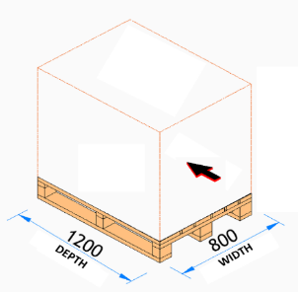
Max pallets that can be stored |  | Pallet inputs | Value | UOM | Value | UOM | Input values in either Meters M (Column E) or in Feet Ft in (Column G) | Value | UOM | Value | UOM
Remaining area m^2 |  | Pallet depth | 1.2 | M |  | Ft |  |  | M |  | mm
Length of remaining area M |  | Pallet width | 1.0 | M |  | Ft |  |  | M |  | mm
Width of remaining area M |  | Pallet height including the load | 1.6 | M |  | Ft |  |  | M |  | mm

No of Crane aisles calculation | Nos. | Field Inputs | Value | UOM | Value | UOM |  | Value | UOM | Value | UOM
Pallet to pallet - in direction of forking | 100 | Clear height (After Lightings, sprinklers etc.) | 30.0 | M |  | Ft |  |  | M |  | mm
Effective depth of pallet - forking direction |  | Available area length | 100.0 | M |  | Ft |  |  | M |  | mm
Aisle width | 1,610 | Available area width | 40.0 | M |  | Ft |  |  | M |  | mm
Fencing outside storage | 350
Width left side of the track
Width right side of the track |  | Configuration Inputs | Value | UOM
Total width |  | Deep (No. of pallets in depth) | 2 | Nos
# of Crane aisles as per storage requirement |  | Number of pallets in a bay per level (Bay length is limited to 2,500mm max) | 2
No of cranes as per throughput requirement |  | ESFR after every | 9.0 | M |  | Ft |  |  | M
Calculation for No of Bays along the aisle | Dimension in mm | Bracing towers after every (change this based on discussion with rack vendor) | 30.0 | M |  | Ft |  |  | M
Upright | 120
Gap between upright and pallet | 100 | Throughput | Value | UOM
Pallet to pallet distance - in direction of Crane travel | 100 | Throughput required per hour(In and out) | 200 | Pallets/ Hr
Max allowable bay length | 2,920 | Max Crane productivity (Including inbound and outbound) Pallets per hour | 50 | Pallets/ Hr
Bay length in direction of crane travel
Max aisle length from first to last pallet |  | Other Key Outputs
# bays in storage along the aisle |  | No. of Cranes required for storage requirement
 |  | No. of Cranes required for throughput requirement
Level calculation bay dimensions | Dimension in mm | No. of bays per crane on one side
Bottom approach dimension' | 900 | Levels in storage
top approach dimension | 2,300
Deep
Distance between top of pallet to bottom of above pallet
Effective height available
Extra height for ESFR and cross beam | 250
# of ESFR levels
Height occupied by Cross beam
Pallet height + pallet to pallet clearance
Effective pallet to pallet gap
Effective pallet height
Levels

Other dimensions outside storage area | Dimension in mm
Crane extension outside storage area (including infeed and outfeed conveyors) | 6,500
Bracing tower | 2,900
# bracing towers

Front - Clear length after mother child system for feeding conveyors | -

