Dynamo all
 | File R24
Equipment | Dynamo
Utilization | 80%
Project name
Revision |  |  |  |  |  |  | Near Combined |  |  |  |  |  |  |  | Mid Combined |  |  |  |  |  |  |  | Far Combined |  |  |  |  |  |  |  | Single Cycle
 |  |  |  |  |  |  | S.No |  | Cycles / Hour |  |  |  |  | 20.97 | S.No |  | Cycles / Hour |  |  |  |  | 20.97 | S.No |  | Cycles / Hour |  |  |  |  | 20.97 | S.No |  | Cycles / Hour |  |  |  |  | 41.94
Cycles/ Hr | 21 |  |  |  |  |  |  |  | Effective Cycle Time |  |  |  |  | 171.67 |  |  | Effective Cycle Time |  |  |  |  | 171.67 |  |  | Effective Cycle Time |  |  |  |  | 171.67 |  |  | Effective Cycle Time |  |  |  |  | 85.83
Pallets Per Hr | 42 |  |  |  |  |  |  |  | Equipment Utilization |  |  |  |  | 80% |  |  | Equipment Utilization |  |  |  |  | 80% |  |  | Equipment Utilization |  |  |  |  | 80% |  |  | Equipment Utilization |  |  |  |  | 80%
Dynamo required | 2 |  |  |  |  |  |  |  | Cycle Time |  |  |  |  | 137.33 |  |  | Cycle Time |  |  |  |  | 137.33 |  |  | Cycle Time |  |  |  |  | 137.33 |  |  | Cycle Time |  |  |  |  | 68.67
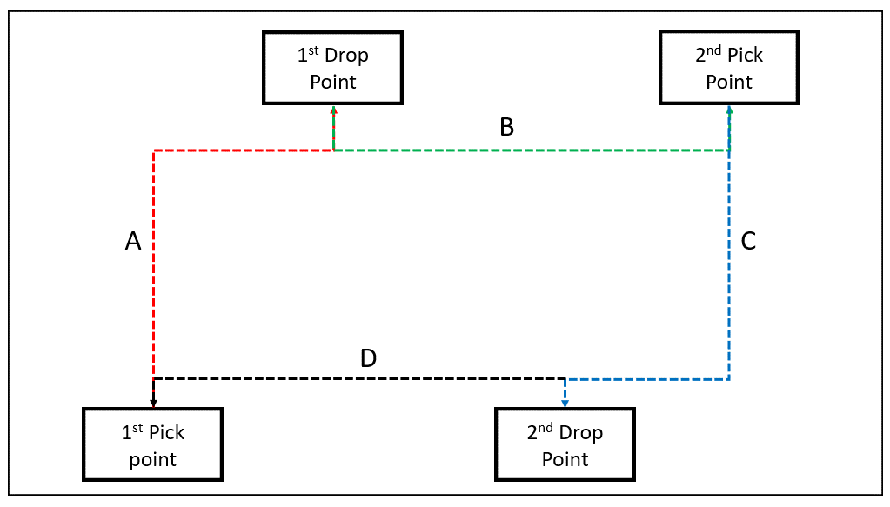
 | Dynamo1000 |  |  |  |  |  |  | AMR | Activity Type | Steps | Total Distance (m) | Time (sec) | Units | Total Time |  | AMR | Activity Type | Steps | Total Distance (m) | Time (sec) | Units | Total Time |  | AMR | Activity Type | Steps | Total Distance (m) | Time (sec) | Units | Total Time |  | AMR | Activity Type | Steps | Total Distance (m) | Time (sec) | Units | Total Time
Select Dynamo model | Dynamo200 |  |  |  |  |  | 1 | Dynamo200 | Dynamo200_LifterUp/Down | Getting loaded |  | - | 1.00 | - | 1 | Dynamo200 | Dynamo200_LifterUp/Down | Getting loaded |  | - | 1.00 | - | 1 | Dynamo200 | Dynamo200_LifterUp/Down | Getting loaded |  | - | 1.00 | - | 1 | Dynamo200 | Dynamo200_LifterUp/Down | Getting loaded |  | - | 1.00 | -
Select Aisle width available M | 2.5 |  |  |  |  |  | 2 | Dynamo200 | Dynamo200_docking | Undocking | 2.00 | 8.67 | 1.00 | 8.67 | 2 | Dynamo200 | Dynamo200_docking | Undocking | 2.00 | 8.67 | 1.00 | 8.67 | 2 | Dynamo200 | Dynamo200_docking | Undocking | 2.00 | 8.67 | 1.00 | 8.67 | 2 | Dynamo200 | Dynamo200_docking | Undocking | 2.00 | 8.67 | 1.00 | 8.67
Load carry type | _LifterUp/Down |  |  |  |  |  | 3 | Dynamo200 | Dynamo200_loaded_2.5 | Travel | -0.67 | - | 3.00 | - | 3 | Dynamo200 | Dynamo200_loaded_2.5 | Travel | -0.27 | - | 3.00 | - | 3 | Dynamo200 | Dynamo200_loaded_2.5 | Travel | - | - | 3.00 | - | 3 | Dynamo200 | Dynamo200_loaded_2.5 | Travel | 2.00 | - | 3.00 | -
Load unit type | Pallets |  |  |  |  |  | 4 | Dynamo200 | Dynamo200_docking | Docking | 2.00 | 8.67 | 1.00 | 8.67 | 4 | Dynamo200 | Dynamo200_docking | Docking | 2.00 | 8.67 | 1.00 | 8.67 | 4 | Dynamo200 | Dynamo200_docking | Docking | 2.00 | 8.67 | 1.00 | 8.67 | 4 | Dynamo200 | Dynamo200_docking | Docking | 2.00 | 8.67 | 1.00 | 8.67
 |  |  |  |  |  |  | 5 | Dynamo200 | Dynamo200_detection time | Detecting unloading point |  | 5.00 | 1.00 | 5.00 | 5 | Dynamo200 | Dynamo200_detection time | Detecting unloading point |  | 5.00 | 1.00 | 5.00 | 5 | Dynamo200 | Dynamo200_detection time | Detecting unloading point |  | 5.00 | 1.00 | 5.00 | 5 | Dynamo200 | Dynamo200_detection time | Detecting unloading point |  | 5.00 | 1.00 | 5.00
Throughput Pallets Per Hr | 54 |  |  |  |  |  | 6 | Dynamo200 | Dynamo200_LifterUp/Down | Getting unloaded |  | - | 1.00 | - | 6 | Dynamo200 | Dynamo200_LifterUp/Down | Getting unloaded |  | - | 1.00 | - | 6 | Dynamo200 | Dynamo200_LifterUp/Down | Getting unloaded |  | - | 1.00 | - | 6 | Dynamo200 | Dynamo200_LifterUp/Down | Getting unloaded |  | - | 1.00 | -
Number of load units carried per combined cycle | 2 |  |  |  |  |  | 7 | Dynamo200 | Dynamo200_docking | Undocking | 2.00 | 8.67 | 1.00 | 8.67 | 7 | Dynamo200 | Dynamo200_docking | Undocking | 2.00 | 8.67 | 1.00 | 8.67 | 7 | Dynamo200 | Dynamo200_docking | Undocking | 2.00 | 8.67 | 1.00 | 8.67 | 7 | Dynamo200 | Dynamo200_docking | Undocking | 2.00 | 8.67 | 1.00 | 8.67
Number of load units carried per single cycle | 1 |  |  |  |  |  | 8 | Dynamo200 | Dynamo200_unloaded_2.5 | Travel to next point in combine cycle to get loaded | 0.33 | - | 3.00 | - | 8 | Dynamo200 | Dynamo200_unloaded_2.5 | Travel to next point in combine cycle to get loaded | 1.33 | - | 3.00 | - | 8 | Dynamo200 | Dynamo200_unloaded_2.5 | Travel to next point in combine cycle to get loaded | 2.00 | - | 3.00 | - | 8 | Dynamo200 | Dynamo200_unloaded_2.5 | Travel Back to loading point | 2.00 | - | 3.00 | -
Traffic factor | 10% |  |  |  |  |  | 9 | Dynamo200 | Dynamo200_docking | Docking | 2.00 | 8.67 | 1.00 | 8.67 | 9 | Dynamo200 | Dynamo200_docking | Docking | 2.00 | 8.67 | 1.00 | 8.67 | 9 | Dynamo200 | Dynamo200_docking | Docking | 2.00 | 8.67 | 1.00 | 8.67 | 9 | Dynamo200 | Dynamo200_docking | Docking | 2.00 | 8.67 | 1.00 | 8.67
Charging factor | 15% |  |  |  |  |  | 10 | Dynamo200 | Dynamo200_detection time | Detecting unloading point |  | 5.00 | 1.00 | 5.00 | 10 | Dynamo200 | Dynamo200_detection time | Detecting unloading point |  | 5.00 | 1.00 | 5.00 | 10 | Dynamo200 | Dynamo200_detection time | Detecting unloading point |  | 5.00 | 1.00 | 5.00 | 10 | Dynamo200 | Dynamo200_detection time | Detecting unloading point |  | 5.00 | 1.00 | 5.00
 |  |  |  |  |  |  | 11 | Dynamo200 | Dynamo200_LifterUp/Down | Getting loaded |  | - | 1.00 | - | 11 | Dynamo200 | Dynamo200_LifterUp/Down | Getting unloaded |  | - | 1.00 | - | 11 | Dynamo200 | Dynamo200_LifterUp/Down | Getting unloaded |  | - | 1.00 | - | 11 | Dynamo200 | Dynamo200_loaded_turning | Turning times |  | 6.00 | 4.00 | 24.00
 |  |  |  |  |  |  | 12 | Dynamo200 | Dynamo200_docking | Undocking | 2.00 | 8.67 | 1.00 | 8.67 | 12 | Dynamo200 | Dynamo200_docking | Undocking | 2.00 | 8.67 | 1.00 | 8.67 | 12 | Dynamo200 | Dynamo200_docking | Undocking | 2.00 | 8.67 | 1.00 | 8.67 | 12 |  |  |  |  | - |  | -
 |  |  |  |  |  |  | 13 | Dynamo200 | Dynamo200_loaded_2.5 | Travel to final drop point | 0.33 | - | 3.00 | - | 13 | Dynamo200 | Dynamo200_loaded_2.5 | Travel to final drop point | 1.33 | - | 3.00 | - | 13 | Dynamo200 | Dynamo200_loaded_2.5 | Travel to final drop point | 2.00 | - | 3.00 | - | 13 |  |  |  |  | - |  | -
Cycle time | % length travelled | Weightage | Cycles/ Hr | Pallets Per Hr |  |  | 14 | Dynamo200 | Dynamo200_docking | Docking | 2.00 | 8.67 | 1.00 | 8.67 | 14 | Dynamo200 | Dynamo200_docking | Docking | 2.00 | 8.67 | 1.00 | 8.67 | 14 | Dynamo200 | Dynamo200_docking | Docking | 2.00 | 8.67 | 1.00 | 8.67 | 14 |  |  |  |  | - |  | -
Near Combined | 50% | 33% | 21 | 42 |  |  | 15 | Dynamo200 | Dynamo200_detection time | Detecting unloading point |  | 5.00 | 1.00 | 5.00 | 15 | Dynamo200 | Dynamo200_detection time | Detecting unloading point |  | 5.00 | 1.00 | 5.00 | 15 | Dynamo200 | Dynamo200_detection time | Detecting unloading point |  | 5.00 | 1.00 | 5.00 | 15 |  |  |  |  | - |  | -
Mid Combined | 80% | 33% | 21 | 42 |  |  | 16 | Dynamo200 | Dynamo200_LifterUp/Down | Getting unloaded |  | - | 1.00 | - | 16 | Dynamo200 | Dynamo200_LifterUp/Down | Getting unloaded |  | - | 1.00 | - | 16 | Dynamo200 | Dynamo200_LifterUp/Down | Getting unloaded |  | - | 1.00 | - | 16 |  |  |  |  | - |  | -
Far Combined | 100% | 33% | 21 | 42 |  |  | 17 | Dynamo200 | Dynamo200_docking | Undocking | 2.00 | 8.67 | 1.00 | 8.67 | 17 | Dynamo200 | Dynamo200_docking | Undocking | 2.00 | 8.67 | 1.00 | 8.67 | 17 | Dynamo200 | Dynamo200_docking | Undocking | 2.00 | 8.67 | 1.00 | 8.67 | 17 |  |  |  |  | - |  | -
Single Cycle |  | 0% | 42 | 42 |  |  | 18 | Dynamo200 | Dynamo200_unloaded_2.5 | Travel to start point | 0.33 | - | 3.00 | - | 18 | Dynamo200 | Dynamo200_unloaded_2.5 | Travel to start point | 1.33 | - | 3.00 | - | 18 | Dynamo200 | Dynamo200_unloaded_2.5 | Travel to start point | 2.00 | - | 3.00 | - | 18 |  |  |  |  | - |  | -
 |  | 100% |  |  |  |  | 19 | Dynamo200 | Dynamo200_docking | Docking | 2.00 | 8.67 | 1.00 | 8.67 | 19 | Dynamo200 | Dynamo200_docking | Docking | 2.00 | 8.67 | 1.00 | 8.67 | 19 | Dynamo200 | Dynamo200_docking | Docking | 2.00 | 8.67 | 1.00 | 8.67 | 19 |  |  |  |  | - |  | -
 |  |  |  |  |  |  | 20 | Dynamo200 | Dynamo200_detection time | Detecting loading point |  | 5.00 | 1.00 | 5.00 | 20 | Dynamo200 | Dynamo200_detection time | Detecting loading point |  | 5.00 | 1.00 | 5.00 | 20 | Dynamo200 | Dynamo200_detection time | Detecting loading point |  | 5.00 | 1.00 | 5.00 | 20 |  |  |  |  | - |  | -
Distance Patch | Distance M | # Turns | Near M | Mid M | Far M | Single Cycle M | 21 | Dynamo200 | Dynamo200_loaded_turning | Turning times |  | 6.00 | 8.00 | 48.00 | 21 | Dynamo200 | Dynamo200_loaded_turning | Turning times |  | 6.00 | 8.00 | 48.00 | 21 | Dynamo200 | Dynamo200_loaded_turning | Turning times |  | 6.00 | 8.00 | 48.00
Max distance travelled (A) M | 4 | 2 | 2 | 3 | 4
Max distance travelled (B) M | 10 | 2 | 5 | 8 | 10
Max distance travelled (C) M | 10 | 2 | 5 | 8 | 10
Max distance travelled (D) M | 10 | 2 | 5 | 8 | 10
Max distance travelled: Single Cycle M | 10 | 2 | 5 | 8 | 10 | 10

Docking and Undocking distance M | 2

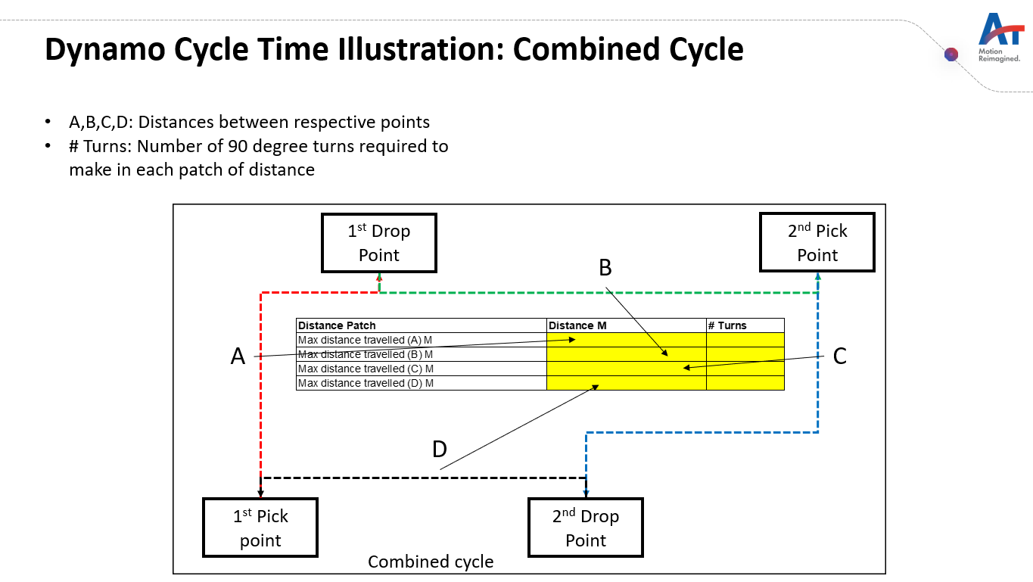
Dynamo List
Dynamo100
Dynamo200
Dynamo500
Dynamo1000
Dynamo1500

Aisle widths available and load carry type by AMR
Dynamo100 | Dynamo200 | Dynamo500 | Dynamo1000 | Dynamo1500
1.8 | 2.0 | 2.2 | 2.2 | 2.5
1.6 | 1.8 | 2.0 | 2 | 2.3
1.5 | 1.7 | 1.9 | 1.9 | 2.2
1.2 | 1.4 | 1.6 | 1.6 | 2.5

 |  | _LifterUp/Down | _LifterUp/Down | _LifterUp/Down
_Conveyor transfer | _Conveyor transfer | _Conveyor transfer | _Conveyor transfer | _Conveyor transfer
_PinHookup/Hookdown | _PinHookup/Hookdown | _PinHookup/Hookdown

Conditions
_LifterUp/Down
_loaded_
_unloaded_
_loaded_turning
_unloaded_turning
_docking
_detection time

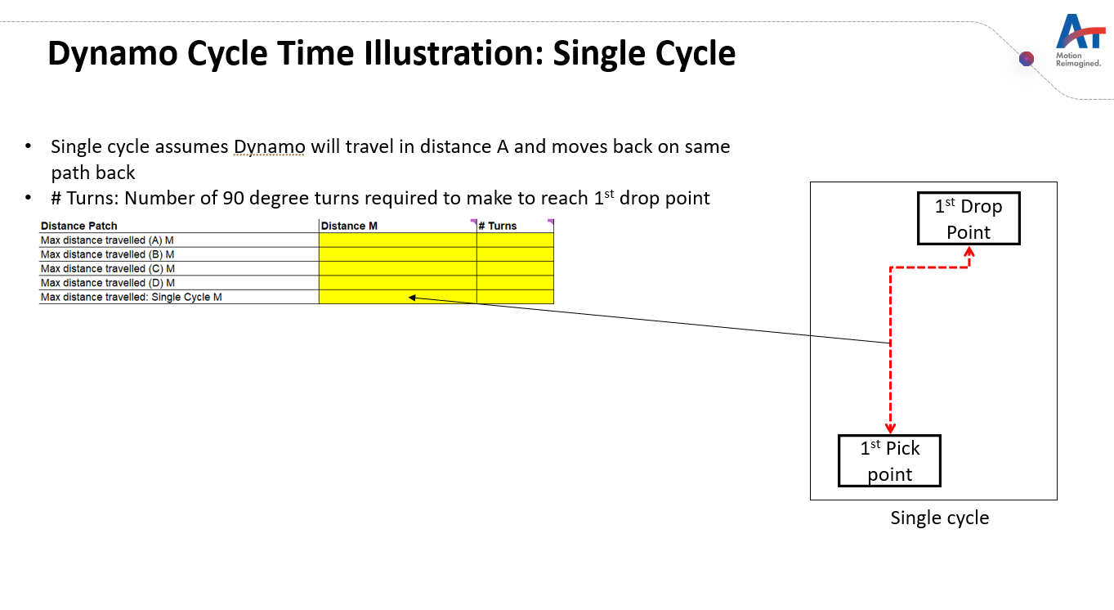

Pallets
Totes

Cycle Time ZIppy 6
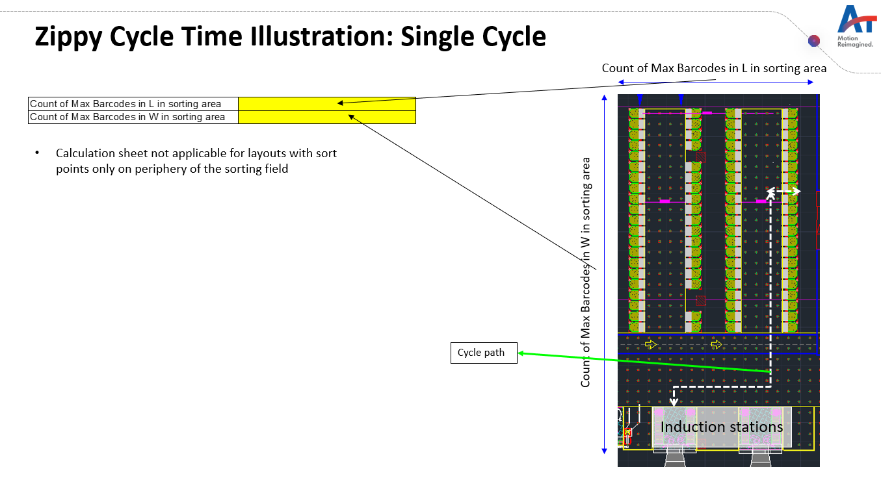
 | File R24
Equipment | Zippy 6
Utilization | 80%
Project name
Revision |  |  |  |  | Single cycle - Near 9 m |  |  |  |  |  |  | Single cycle - Mid 18 m |  |  |  |  |  |  | Single cycle - Far 45 m |  |  |  |  |  |  | Single cycle - Diagonally Farthest 90 m
 |  |  |  |  | S.No | Cycles / Hour |  |  |  |  | 51.438421053 | S.No | Cycles / Hour |  |  |  |  | 34.290091617 | S.No | Cycles / Hour |  |  |  |  | 17.143951406 | S.No | Cycles / Hour |  |  |  |  | 9.3509749071
Cycles/ Hr | 26 |  |  |  |  | Effective Cycle Time |  |  |  |  | 69.99 |  | Effective Cycle Time |  |  |  |  | 104.99 |  | Effective Cycle Time |  |  |  |  | 209.99 |  | Effective Cycle Time |  |  |  |  | 384.99
Zippy required | 47 |  |  |  |  | Equipment Utilization |  |  |  |  | 80% |  | Equipment Utilization |  |  |  |  | 80% |  | Equipment Utilization |  |  |  |  | 80% |  | Equipment Utilization |  |  |  |  | 80%
 |  |  |  |  |  | Cycle Time |  |  |  |  | 55.99 |  | Cycle Time |  |  |  |  | 83.99 |  | Cycle Time |  |  |  |  | 167.99 |  | Cycle Time |  |  |  |  | 307.99
Zippy to barcode ratio | 2 | <<-If this cell becomes red then increase the number of barcodes on the layout |  |  |  | Activity Type | Steps | Distance in accerlaration (m) | Time (sec) | Units | Total Time |  | Activity Type | Steps | Total Distance (m) | Time (sec) | Units | Total Time |  | Activity Type | Steps | Total Distance (m) | Time (sec) | Units | Total Time |  | Activity Type | Steps | Total Distance (m) | Time (sec) | Units | Total Time
 |  |  |  |  | 1 | Zippy 6 Running | Reach induction station | 0.30 | 1.55 | 1.00 | 1.55 | 1 | Zippy 6 Running |  | 0.60 | 1.55 | 1.00 | 1.55 | 1 | Zippy 6 Running |  | 0.60 | 1.55 | 1.00 | 1.55 | 1 | Zippy 6 Running |  | 0.60 | 1.55 | 1.00 | 1.55
Count of Max Barcodes in L in sorting area | 150 | Number of barcodes along the side of induction stations | 90 | Meters | 2 | Zippy 6 90 degree Turn | Turn and align to get inducted | - | 0.90 | 1.00 | 0.90 | 2 | Zippy 6 90 degree Turn |  |  | 0.90 | 1.00 | 0.90 | 2 | Zippy 6 90 degree Turn |  |  | 0.90 | 1.00 | 0.90 | 2 | Zippy 6 90 degree Turn |  |  | 0.90 | 1.00 | 0.90
Count of Max Barcodes in W in sorting area | 200 | Number of barcodes perpendicular to of induction stations | 120 | Meters | 3 | Zippy 6 Running | Distance travelled in X direction | 1.13 | 7.50 | 1.00 | 7.50 | 3 | Zippy 6 Running |  | 18.00 | 13.50 | 1.00 | 13.50 | 3 | Zippy 6 Running |  | 45.00 | 31.50 | 1.00 | 31.50 | 3 | Zippy 6 Running |  | 90.00 | 61.50 | 1.00 | 61.50
Distance between induction station and first sort point in M | 6 |  |  |  | 4 | Zippy 6 90 degree Turn | Turn to start travelling in Y direction | - | 0.90 | 1.00 | 0.90 | 4 | Zippy 6 90 degree Turn |  |  | 0.90 | 1.00 | 0.90 | 4 | Zippy 6 90 degree Turn |  |  | 0.90 | 1.00 | 0.90 | 4 | Zippy 6 90 degree Turn |  |  | 0.90 | 1.00 | 0.90
Throughput (Sorts per hour) | 1,000 | Sorts per Hr |  |  | 5 | Zippy 6 Running | Distance travelled in Y direction | 1.13 | 13.50 | 1.00 | 13.50 | 5 | Zippy 6 Running |  | 30.00 | 21.50 | 1.00 | 21.50 | 5 | Zippy 6 Running |  | 66.00 | 45.50 | 1.00 | 45.50 | 5 | Zippy 6 Running |  | 126.00 | 85.50 | 1.00 | 85.50
Traffic factor | 10% | Variable |  |  | 6 | Zippy 6 90 degree Turn | Turn to move towards sorting point | - | 0.90 | 1.00 | 0.90 | 6 | Zippy 6 90 degree Turn |  |  | 0.90 | 1.00 | 0.90 | 6 | Zippy 6 90 degree Turn |  |  | 0.90 | 1.00 | 0.90 | 6 | Zippy 6 90 degree Turn |  |  | 0.90 | 1.00 | 0.90
Charging factor | 10% | Variable |  |  | 7 | Zippy 6 Tilting | Sorting | - | 2.50 | 1.00 | 2.50 | 7 | Zippy 6 Tilting |  | 1.20 | 2.50 | 1.00 | 2.50 | 7 | Zippy 6 Tilting |  | 1.20 | 2.50 | 1.00 | 2.50 | 7 | Zippy 6 Tilting |  | 1.20 | 2.50 | 1.00 | 2.50
Total barcodes in layout | 100 | Input total number of barcodes in layout |  |  | 8 | Zippy 6 Running | Move one barcode ahead to make way for zippy behind if any | 0.30 | 1.55 | 1.00 | 1.55 | 8 | Zippy 6 Running |  | 0.60 | 1.55 | 1.00 | 1.55 | 8 | Zippy 6 Running |  | 0.60 | 1.55 | 1.00 | 1.55 | 8 | Zippy 6 Running |  | 0.60 | 1.55 | 1.00 | 1.55
 | 100 |  |  |  | 9 | Zippy 6 90 degree Turn | Turn to move on highway | - | 0.90 | 1.00 | 0.90 | 9 | Zippy 6 90 degree Turn |  |  | 0.90 | 1.00 | 0.90 | 9 | Zippy 6 90 degree Turn |  |  | 0.90 | 1.00 | 0.90 | 9 | Zippy 6 90 degree Turn |  |  | 0.90 | 1.00 | 0.90
 | % of distance travelled in X direction | Distance travelled m | Cycles/ Hr | Weightage | 10 | Zippy 6 Running | Distance travlled to come back to induction station in Y direction | 1.13 | 14.30 | 1.00 | 14.30 | 10 | Zippy 6 Running |  | 31.20 | 22.30 | 1.00 | 22.30 | 10 | Zippy 6 Running |  | 67.20 | 46.30 | 1.00 | 46.30 | 10 | Zippy 6 Running |  | 127.20 | 86.30 | 1.00 | 86.30
Single cycle - Near 9 m | 10% | 9 | 51.44 | 5% | 11 | Zippy 6 90 degree Turn | Turn towards X direction | - | 0.90 | 1.00 | 0.90 | 11 | Zippy 6 90 degree Turn |  |  | 0.90 | 1.00 | 0.90 | 11 | Zippy 6 90 degree Turn |  |  | 0.90 | 1.00 | 0.90 | 11 | Zippy 6 90 degree Turn |  |  | 0.90 | 1.00 | 0.90
Single cycle - Mid 18 m | 20% | 18 | 34.29 | 45% | 12 | Zippy 6 Running | Distance travelled to move towards induction station | 1.13 | 7.50 | 1.00 | 7.50 | 12 | Zippy 6 Running |  | 18.00 | 13.50 | 1.00 | 13.50 | 12 | Zippy 6 Running |  | 45.00 | 31.50 | 1.00 | 31.50 | 12 | Zippy 6 Running |  | 90.00 | 61.50 | 1.00 | 61.50
Single cycle - Far 45 m | 50% | 45 | 17.14 | 45% | 13 | Zippy 6 90 degree Turn | Turn to get in queue of induction | - | 0.90 | 1.00 | 0.90 | 13 | Zippy 6 90 degree Turn |  |  | 0.90 | 1.00 | 0.90 | 13 | Zippy 6 90 degree Turn |  |  | 0.90 | 1.00 | 0.90 | 13 | Zippy 6 90 degree Turn |  |  | 0.90 | 1.00 | 0.90
Single cycle - Diagonally Farthest 90 m | 100% | 90 | 9.35 | 5% | 14 | Zippy 6 Running | Distance travelled to move towards induction station | 0.60 | 2.19 | 1.00 | 2.19 | 14 | Zippy 6 Running |  | 1.20 | 2.19 | 1.00 | 2.19 | 14 | Zippy 6 Running |  | 1.20 | 2.19 | 1.00 | 2.19 | 14 | Zippy 6 Running |  | 1.20 | 2.19 | 1.00 | 2.19
 |  |  |  | 100% | 15 |  |  | - | - |  | - | 15 |  |  |  | - |  | - | 15 |  |  |  | - |  | - | 15 |  |  |  | - |  | -
 | % of distance travelled in Y direction | Distance travelled M |  |  | 16 |  |  | - | - |  | - | 16 |  |  |  | - |  | - | 16 |  |  |  | - |  | - | 16 |  |  |  | - |  | -
Single cycle - Near 18 m | 10% | 18 |  |  | 17 |  |  | - | - |  | - | 17 |  |  |  | - |  | - | 17 |  |  |  | - |  | - | 17 |  |  |  | - |  | -
Single cycle - Mid 30 m | 20% | 30 |  |  | 18 |  |  | - | - |  | - | 18 |  |  |  | - |  | - | 18 |  |  |  | - |  | - | 18 |  |  |  | - |  | -
Single cycle - Far 66 m | 50% | 66 |  |  | 19 |  |  | - | - |  | - | 19 |  |  |  | - |  | - | 19 |  |  |  | - |  | - | 19 |  |  |  | - |  | -
Single cycle - Diagonally Farthest 126 m | 100% | 126 |  |  | 20 |  |  | - | - |  | - | 20 |  |  |  | - |  | - | 20 |  |  |  | - |  | - | 20 |  |  |  | - |  | -

Barcode distance m (Grid size) | 0.6
Barcodes per zippy | 8

Veloce
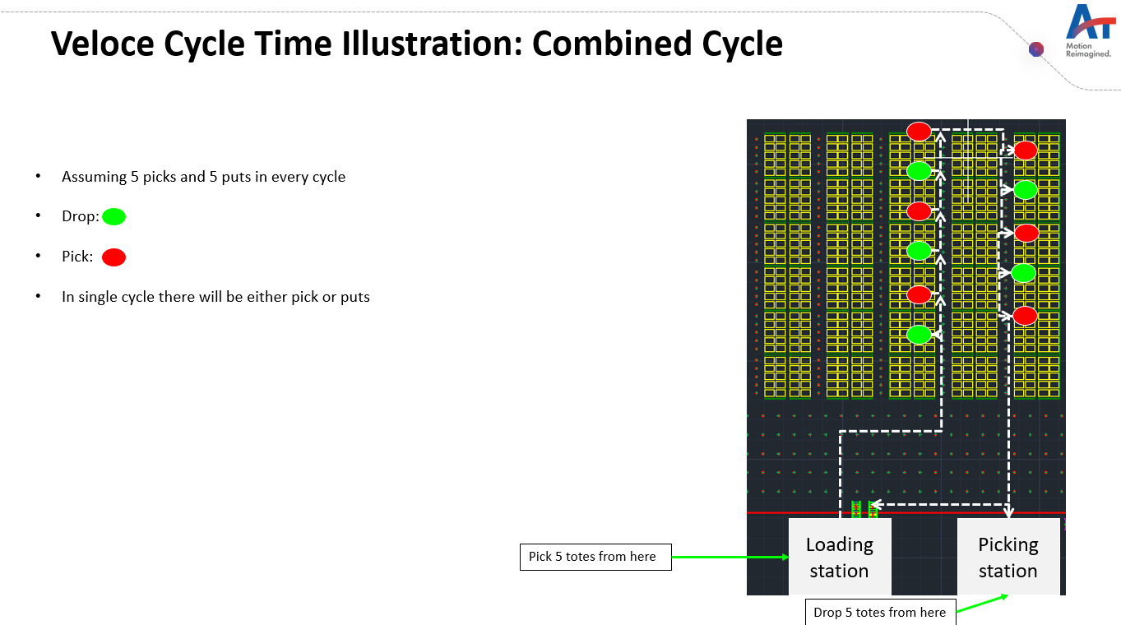
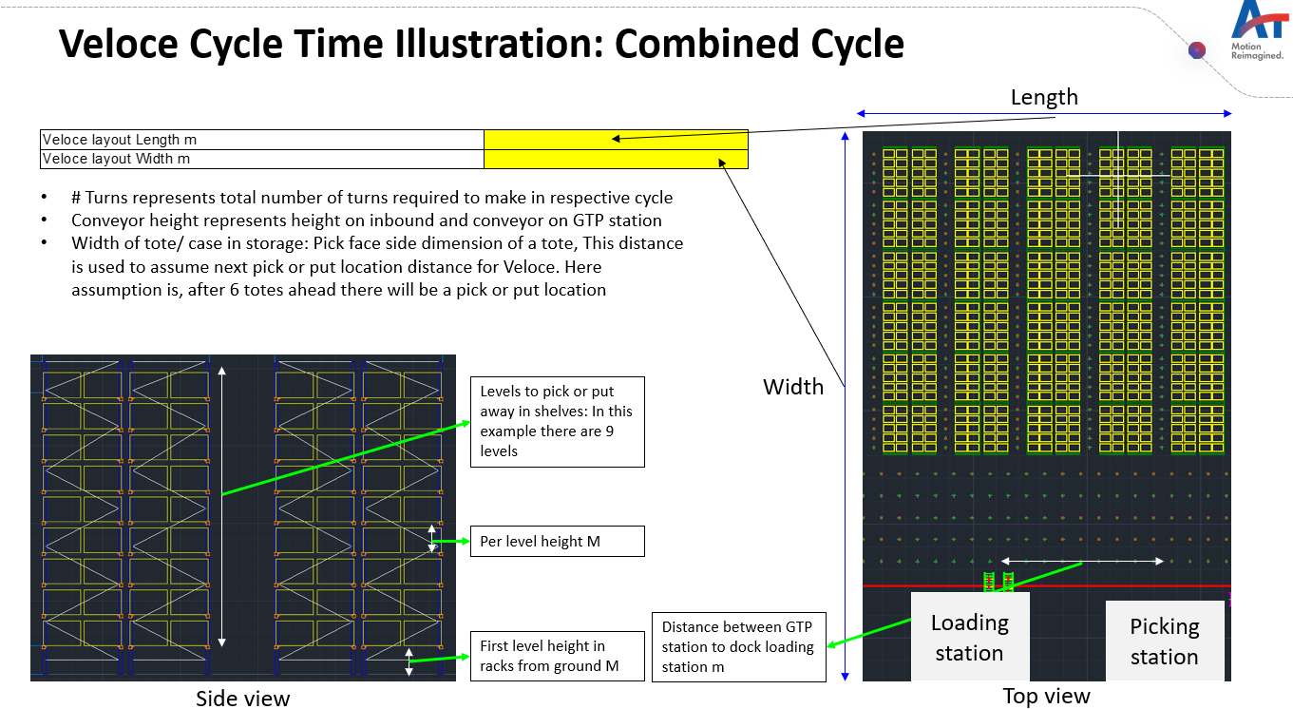
 | File R24
Equipment | Veloce
Utilization | 80%
Project name
Revision |  |  |  |  |  |  | Combined cycle - Near 6 m |  |  |  |  |  |  | Combined cycle - Mid 36 m |  |  |  |  |  |  | Combined cycle - Far 90 m |  |  |  |  |  |  | Single cycle 36 m
 |  |  |  |  |  |  | S.No | Cycles / Hour |  |  |  |  | 6.48 | S.No | Cycles / Hour |  |  |  |  | 5.68 | S.No | Cycles / Hour |  |  |  |  | 4.64 | S.No | Cycles / Hour |  |  |  |  | 9.31
Cycles/ Hr | 6 |  |  |  |  |  |  | Effective Cycle Time |  |  |  |  | 531.32 |  | Effective Cycle Time |  |  |  |  | 606.42 |  | Effective Cycle Time |  |  |  |  | 741.42 |  | Effective Cycle Time |  |  |  |  | 384.21
Totes/ Cases per Hr | 73 |  |  |  |  |  |  | Equipment Utilization |  |  |  |  | 80% |  | Equipment Utilization |  |  |  |  | 80% |  | Equipment Utilization |  |  |  |  | 80% |  | Equipment Utilization |  |  |  |  | 80%
Veloce required | 9 |  |  |  |  |  |  | Cycle Time |  |  |  |  | 425.06 |  | Cycle Time |  |  |  |  | 485.13 |  | Cycle Time |  |  |  |  | 593.13 |  | Cycle Time |  |  |  |  | 307.37
 |  |  |  |  |  |  |  | Activity Type | Steps | Total Distance (m) | Time (sec) | Units | Total Time |  | Activity Type | Steps | Total Distance (m) | Time (sec) | Units | Total Time |  | Activity Type | Steps | Total Distance (m) | Time (sec) | Units | Total Time |  | Activity Type | Steps | Total Distance (m) | Time (sec) | Units | Total Time
Throughput (Totes or cases/ Hr) | 500 |  |  |  |  |  | 1 | Veloce Vertical Movement | Vertical movement of cradle to get case/ tote (Includes movement during picking totes from decanting and dropping to GTP) | 2.00 | 5.67 | - | - | 1 | Veloce Vertical Movement |  | 2.00 | 5.67 | - | - | 1 | Veloce Vertical Movement |  | 2.00 | 5.67 | - | - | 1 | Veloce Vertical Movement |  | 2.00 | 5.67 | - | -
Traffic factor | 10% |  |  |  |  |  | 2 | Veloce Fork Movement | Fork movement to get case/ tote & Transfer case or tote on GTP station |  | 8.00 | - | - | 2 | Veloce Fork Movement |  |  | 8.00 | - | - | 2 | Veloce Fork Movement |  |  | 8.00 | - | - | 2 | Veloce Fork Movement |  |  | 8.00 | - | -
Charging factor | 10% |  |  |  |  |  | 3 | Veloce Horizontal Running Loaded | Movement to first pick location and from last pick location to GTP station | 0.86 | 1.85 | 14.00 | 25.92 | 3 | Veloce Horizontal Running Loaded |  | 5.14 | 6.14 | 14.00 | 86.00 | 3 | Veloce Horizontal Running Loaded |  | 12.86 | 13.86 | 14.00 | 194.00 | 3 | Veloce Horizontal Running Loaded |  | 5.14 | 6.14 | 14.00 | 86.00
Veloce layout Length m | 50 |  |  |  |  |  | 4 | Veloce Vertical Movement | Vertical movement to reach the pick or put locations in rack | 2.45 | 6.57 | 14.00 | 91.93 | 4 | Veloce Vertical Movement | Vertical movement to reach the pick or put locations in rack | 2.45 | 6.57 | 14.00 | 91.93 | 4 | Veloce Vertical Movement | Vertical movement to reach the pick or put locations in rack | 2.45 | 6.57 | 14.00 | 91.93 | 4 | Veloce Vertical Movement | Vertical movement to reach the pick or put locations in rack | 2.45 | 6.57 | 7.00 | 45.97
Veloce layout Width m | 70 |  |  |  |  |  | 5 | Veloce Craddle Rotation | Cradle movement to put/ pick case/ tote |  | 1.00 | 14.00 | 14.00 | 5 | Veloce Craddle Rotation |  |  | 1.00 | 14.00 | 14.00 | 5 | Veloce Craddle Rotation |  |  | 1.00 | 14.00 | 14.00 | 5 | Veloce Craddle Rotation |  |  | 1.00 | 7.00 | 7.00
 |  |  |  |  |  |  | 6 | Veloce Fork Movement | Fork movement to pick/ put case/ tote |  | 8.00 | 14.00 | 112.00 | 6 | Veloce Fork Movement |  |  | 8.00 | 14.00 | 112.00 | 6 | Veloce Fork Movement |  |  | 8.00 | 14.00 | 112.00 | 6 | Veloce Fork Movement |  |  | 8.00 | 7.00 | 56.00
 |  |  |  |  |  |  | 7 | Veloce Horizontal Running Loaded | Movement to next pick/ put location | 2.40 | 3.40 | 13.00 | 44.20 | 7 | Veloce Horizontal Running Loaded |  | 2.40 | 3.40 | 13.00 | 44.20 | 7 | Veloce Horizontal Running Loaded |  | 2.40 | 3.40 | 13.00 | 44.20 | 7 | Veloce Horizontal Running Loaded |  | 2.40 | 3.40 | 6.00 | 20.40
 | % length travelled to first pick or put | # Turns (One side to reach first pick/ put location)) | Cycles/ Hr | Weightage | Subsequent Distance travel for next pick/put in combined cycle M | Totes/ Cases per Hr | 8 | Veloce 90 degree Turn | Total turning points |  | 3.00 | 12.00 | 36.00 | 8 | Veloce 90 degree Turn |  |  | 3.00 | 12.00 | 36.00 | 8 | Veloce 90 degree Turn |  |  | 3.00 | 12.00 | 36.00 | 8 | Veloce 90 degree Turn |  |  | 3.00 | 12.00 | 36.00
Combined cycle - Near 6 m | 6 | 6 | 6.5 | 10% | 2.4 | 90.7 | 9 | Veloce Horizontal Running Loaded | Distance between GTP station to dock loading station | 10.00 | 11.00 | 1.00 | 11.00 | 9 | Veloce Horizontal Running Loaded | Distance between GTP station to dock loading station | 10.00 | 11.00 | 1.00 | 11.00 | 9 | Veloce Horizontal Running Loaded | Distance between GTP station to dock loading station | 10.00 | 11.00 | 1.00 | 11.00 | 9 | Veloce Horizontal Running Loaded | Distance between GTP station to dock loading station | 10.00 | 11.00 | 1.00 | 11.00
Combined cycle - Mid 36 m | 36 | 6 | 5.7 | 40% | 2.4 | 79.5 | 10 | Time taken by Veloce to complete one Pick/ Drop cycle with Veloce Tower | Time taken by Veloce to complete one Pick/ Drop cycle with Veloce Tower |  | 45.00 | 2.00 | 90.00 | 10 | Time taken by Veloce to complete one Pick/ Drop cycle with Veloce Tower | Time taken by Veloce to complete one Pick/ Drop cycle with Veloce Tower |  | 45.00 | 2.00 | 90.00 | 10 | Time taken by Veloce to complete one Pick/ Drop cycle with Veloce Tower | Time taken by Veloce to complete one Pick/ Drop cycle with Veloce Tower |  | 45.00 | 2.00 | 90.00 | 10 | Time taken by Veloce to complete one Pick/ Drop cycle with Veloce Tower | Time taken by Veloce to complete one Pick/ Drop cycle with Veloce Tower |  | 45.00 | 1.00 | 45.00
Combined cycle - Far 90 m | 90 | 6 | 4.6 | 40% | 2.4 | 65.0 | 11 |  | Reshuffling activities below |  | - |  | - | 11 |  | Reshuffling activities below |  | - |  | - | 11 |  | Reshuffling activities below |  | - |  | - | 11 |  |  |  | - |  | -
Single cycle 36 m | 36 | 6 | 9.3 | 10% | 2.4 | 65.1 | 12 | Veloce Vertical Movement | Move up and down to reshuffle the tote | 2.80 | 7.27 | 7.00 | 50.87 | 12 | Veloce Vertical Movement | Move up and down to reshuffle the tote | 2.80 | 7.27 | 7.00 | 50.87 | 12 | Veloce Vertical Movement | Move up and down to reshuffle the tote | 2.80 | 7.27 | 7.00 | 50.87 | 12 |  |  |  | - |  | -
 |  |  |  | 100% |  |  | 13 | Veloce Fork Movement | Fork movement for reshuffling, pick and place on diff location |  | 8.00 | 7.00 | 56.00 | 13 | Veloce Fork Movement | Fork movement for reshuffling, pick and place on diff location |  | 8.00 | 7.00 | 56.00 | 13 | Veloce Fork Movement | Fork movement for reshuffling, pick and place on diff location |  | 8.00 | 7.00 | 56.00 | 13 |  |  |  | - |  | -
Veloce tower being used? | Yes |  |  |  |  |  | 14 | Veloce Craddle Rotation | Cradle movement for reshuffling |  | 1.00 | 7.00 | 7.00 | 14 | Veloce Craddle Rotation | Cradle movement for reshuffling |  | 1.00 | 7.00 | 7.00 | 14 | Veloce Craddle Rotation | Cradle movement for reshuffling |  | 1.00 | 7.00 | 7.00 | 14 |  |  |  | - |  | -
Tote positions on Veloce | 7 |  |  |  |  |  | 15 | Veloce Horizontal Running Loaded | Movement to reach and come back from reshuffled location, assumed to be 4 totes away | 1.60 | 2.60 | 7.00 | 18.20 | 15 | Veloce Horizontal Running Loaded | Movement to reach and come back from reshuffled location, assumed to be 4 totes away | 1.60 | 2.60 | 7.00 | 18.20 | 15 | Veloce Horizontal Running Loaded | Movement to reach and come back from reshuffled location, assumed to be 4 totes away | 1.60 | 2.60 | 7.00 | 18.20 | 15 |  |  |  | - |  | -
Distance between GTP station to dock loading station m | 10 |  |  |  |  |  | 16 |  | Aisle hopping |  | - |  | - | 16 |  | Aisle hopping |  | - |  | - | 16 |  | Aisle hopping |  | - |  | - | 16 |  | Aisle hopping |  | - |  | -
First level height in racks from ground m | 0.4 |  |  |  |  |  | 17 | Veloce Horizontal Running Loaded | Crossing aisle for hopping | 1.30 | 2.30 | 2.00 | 4.60 | 17 | Veloce Horizontal Running Loaded | Crossing aisle for hopping | 1.30 | 2.30 | 2.00 | 4.60 | 17 | Veloce Horizontal Running Loaded | Crossing aisle for hopping | 1.30 | 2.30 | 2.00 | 4.60 | 17 | Veloce Horizontal Running Loaded | Crossing aisle for hopping | 1.30 | 2.30 | 2.00 | 4.60
Per level height m | 0.8 |  |  |  |  |  | 18 | Veloce 90 degree Turn | 90 degree turns while hopping |  | 3.00 | 4.00 | 12.00 | 18 | Veloce 90 degree Turn | 90 degree turns while hopping |  | 3.00 | 4.00 | 12.00 | 18 | Veloce 90 degree Turn | 90 degree turns while hopping |  | 3.00 | 4.00 | 12.00 | 18 | Veloce 90 degree Turn | 90 degree turns while hopping |  | 3.00 | 4.00 | 12.00
Veloce cradle height (Max travel distance of cradle on Veloce) | 4 |  |  |  |  |  | 19 | Veloce Horizontal Running Loaded | Additional distance to reach cross asile and vice versa | 3.00 | 4.00 | 2.00 | 8.00 | 19 | Veloce Horizontal Running Loaded | Additional distance to reach cross asile and vice versa | 3.00 | 4.00 | 2.00 | 8.00 | 19 | Veloce Horizontal Running Loaded | Additional distance to reach cross asile and vice versa | 3.00 | 4.00 | 2.00 | 8.00 | 19 | Veloce Horizontal Running Loaded | Additional distance to reach cross asile and vice versa | 3.00 | 4.00 | 2.00 | 8.00
Width of tote/ case in storage | 0.4 |  |  |  |  |  | 20 |  |  |  | - |  | - | 20 |  |  |  | - |  | - | 20 |  |  |  | - |  | - | 20 |  |  |  | - |  | -
Distance between next pick or drop | Default |  |  |  |  |  | 21 |  |  |  | - |  | - | 21 |  |  |  | - |  | - | 21 |  |  |  | - |  | - | 21 |  |  |  | - |  | -
If above is Custom value then input values in Meters here | 4
Reshuffling required? | Yes | No reshuffling in single cycles
Aisle hopping required? | Yes

Levels to pick or putaway in shelves | Weightage | Distance from gound
1 | 13% | 0.4
2 | 13% | 1.2
3 | 13% | 2.0
4 | 13% | 2.8
5 | 13% | 3.6
6 | 13% | 4.4
7 | 13% | 5.2
8 | 13% | 6
0 | 0% | 6.8
0 | 0% | 7.6
0 | 0% | 8.4
0 | 0% | 9.2
Average distance |  | 2.45

SortIE
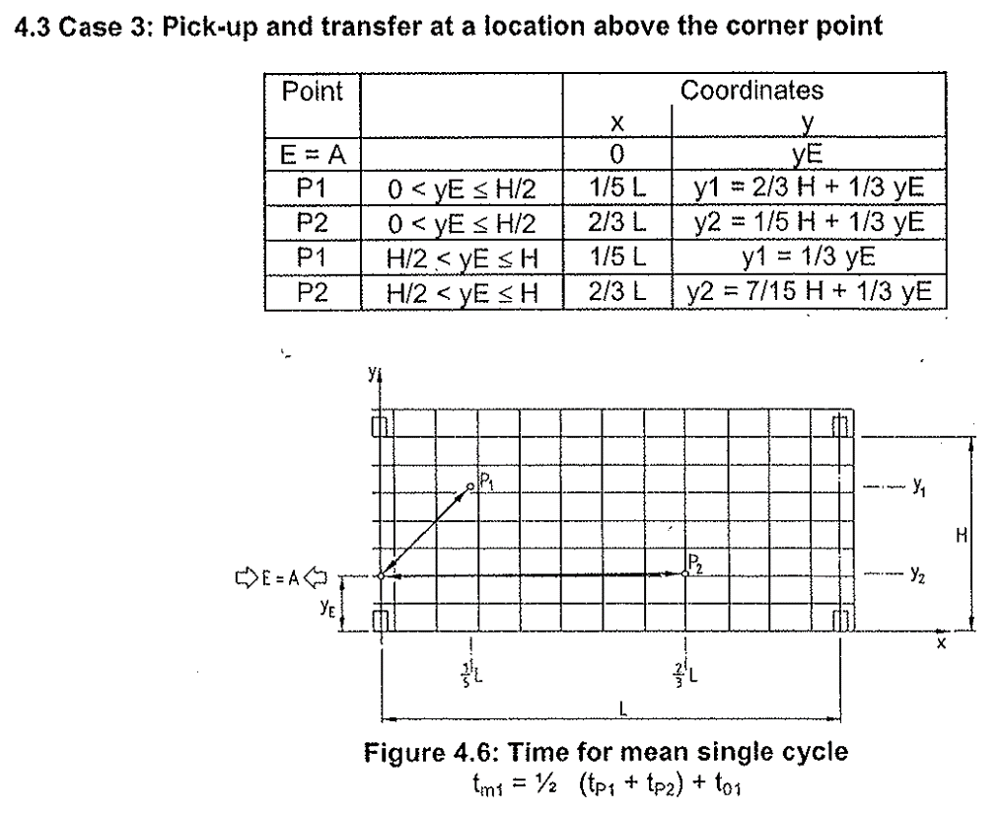
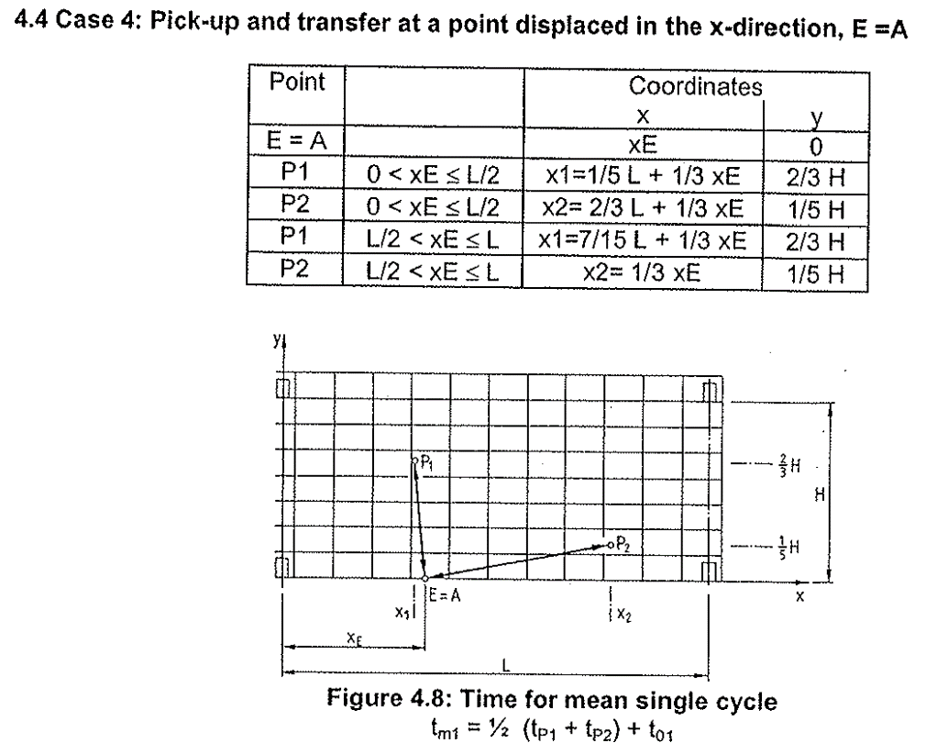
 | File R24
Equipment | SortIE
Utilization | 80%
Project name
Revision |  |  |  |  | 2/3L & 1/5H |  |  |  |  |  |  |  |  |  | 1/5H & 2/3H
 |  |  |  |  | S.No | Cycles / Hour |  |  |  |  |  |  |  | 382.58858405 | S.No | Cycles / Hour |  |  |  |  |  |  |  | 367.65957447
Sorts per Hr | 375 |  |  |  |  | Effective Cycle Time |  |  |  |  |  |  |  | 9.41 |  | Effective Cycle Time |  |  |  |  |  |  |  | 9.79 | 80%
 |  |  |  |  |  | Equipment Utilization |  |  |  |  |  |  |  | 80% |  | Equipment Utilization |  |  |  |  |  |  |  | 80%
Category | X direction M | Y direction M | Sorts per hr |  |  | Cycle Time |  |  |  |  |  |  |  | 7.53 |  | Cycle Time |  |  |  |  |  |  |  | 7.83
2/3L & 1/5H | 2.3 | 0.3 | 383 |  |  | Activity Type | Steps | Time to consider in absence of data (sec) | Speed (m / sec) | Acceleration (m / sec^2) | Total Distance (m) | Time (sec) | Units | Total Time |  | Activity Type | Steps | Time to consider in absence of data (sec) | Speed (m / sec) | Acceleration (m / sec^2) | Total Distance (m) | Time (sec) | Units | Total Time
1/5H & 2/3H | 0.7 | 1.0 | 368 |  | 1 | Sortie positioning time | Positioning on induction conveyor | 1.00 | - | - |  | 1.00 | 1.00 | 1.00 | 1 | Sortie positioning time | Positioning on induction conveyor | 1.00 | - | - |  | 1.00 | 1.00 | 1.00
 |  |  |  |  | 2 | Sortie Conveyor transfer | Induction time | 1.00 | - | - |  | 1.00 | 1.00 | 1.00 | 2 | Sortie Conveyor transfer | Induction time | 1.00 | - | - |  | 1.00 | 1.00 | 1.00
 |  | Pick point cordinates |  |  | 3 | Sortie X direction movement | Travel to reach location in X direction | - | 3.00 | 3.00 | 2.33 | 1.76 | 1.00 | 1.76 | 3 | Sortie X direction movement | Travel to reach location in X direction | - | 3.00 | 3.00 | 0.70 | 0.97 | 1.00 | 0.97
Total effective distance in X direction M | 7.0 | 3.50 | 3.5 | 3.5 | 4 | Sortie Y direction movement | Travel to reach location in Y direction | - | 0.80 | 1.20 | 0.30 | 1.00 | 1.00 | 1.00 | 4 | Sortie Y direction movement | Travel to reach location in Y direction | - | 0.80 | 1.20 | 1.00 | 1.92 | 1.00 | 1.92
Total effective distance in Y direction M | 1.75 | 0.25 | 0.3 | 1.5 | 5 | Sortie positioning time | Positioning on sort point | 1.00 | - | - |  | 1.00 | 1.00 | 1.00 | 5 | Sortie positioning time | Positioning on sort point | 1.00 | - | - |  | 1.00 | 1.00 | 1.00
 |  |  |  |  | 6 | Sortie Conveyor transfer | Sorting time | 1.00 | - | - |  | 1.00 | 1.00 | 1.00 | 6 | Sortie Conveyor transfer | Sorting time | 1.00 | - | - |  | 1.00 | 1.00 | 1.00
Max X cordinate M | 3.50 | This is max value that can be used in cell C12 |  |  | 7 | Sortie X direction movement | Travel to reach induction point in X direction | - | 3.00 | 3.00 | 2.33 | 1.76 | 1.00 | 1.76 | 7 | Sortie X direction movement | Travel to reach induction point in X direction | - | 3.00 | 3.00 | 0.70 | 0.97 | 1.00 | 0.97
Max Y cordinate M | 0.88 | This is max value that can be used in cell C13 |  |  | 8 | Sortie Y direction movement | Travel to reach induction point in Y direction | - | 0.80 | 1.20 | 0.30 | 1.00 | 1.00 | 1.00 | 8 | Sortie Y direction movement | Travel to reach induction point in Y direction | - | 0.80 | 1.20 | 1.00 | 1.92 | 1.00 | 1.92
Max Y cordinate from ground M | 1.43 |  |  |  | 9 |  |  | - | - | - |  | - |  | - | 9 |  |  | - | - | - |  | - |  | -
 |  |  |  |  | 10 |  |  | - | - | - |  | - |  | - | 10 |  |  | - | - | - |  | - |  | -
 |  |  |  |  | 11 |  |  | - | - | - |  | - |  | - | 11 |  |  | - | - | - |  | - |  | -
 |  |  |  |  | 12 |  |  | - | - | - |  | - |  | - | 12 |  |  | - | - | - |  | - |  | -
 |  |  |  |  | 13 |  |  | - | - | - |  | - |  | - | 13 |  |  | - | - | - |  | - |  | -
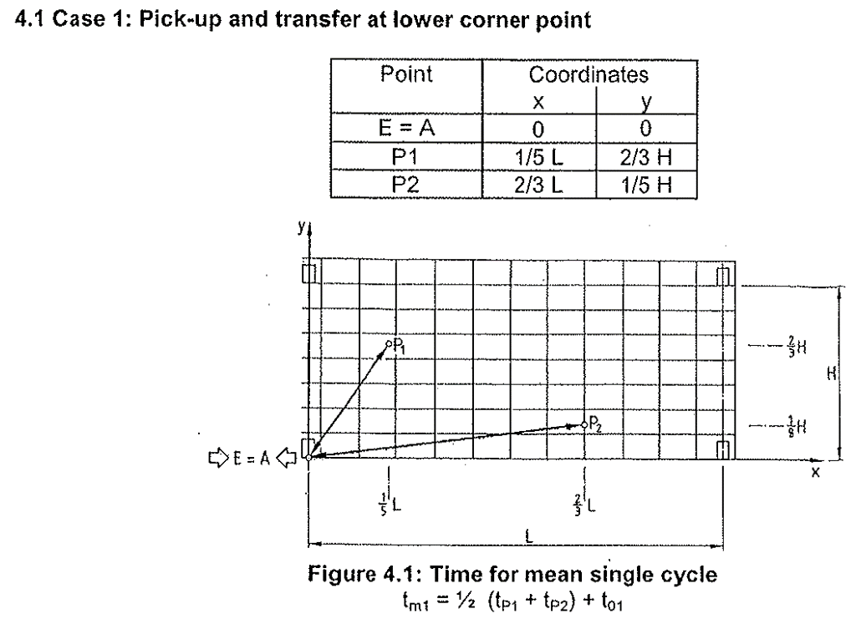
 |  |  |  |  | 14 |  |  | - | - | - |  | - |  | - | 14 |  |  | - | - | - |  | - |  | -
 |  |  |  |  | 15 |  |  | - | - | - |  | - |  | - | 15 |  |  | - | - | - |  | - |  | -
 |  |  |  |  | 16 |  |  | - | - | - |  | - |  | - | 16 |  |  | - | - | - |  | - |  | -
 |  |  |  |  | 17 |  |  | - | - | - |  | - |  | - | 17 |  |  | - | - | - |  | - |  | -
 |  |  |  |  | 18 |  |  | - | - | - |  | - |  | - | 18 |  |  | - | - | - |  | - |  | -
 |  |  |  |  | 19 |  |  | - | - | - |  | - |  | - | 19 |  |  | - | - | - |  | - |  | -
 |  |  |  |  | 20 |  |  | - | - | - |  | - |  | - | 20 |  |  | - | - | - |  | - |  | -
 |  |  |  |  | 21 |  |  | - | - | - |  | - |  | - | 21 |  |  | - | - | - |  | - |  | -

Pallet autolift
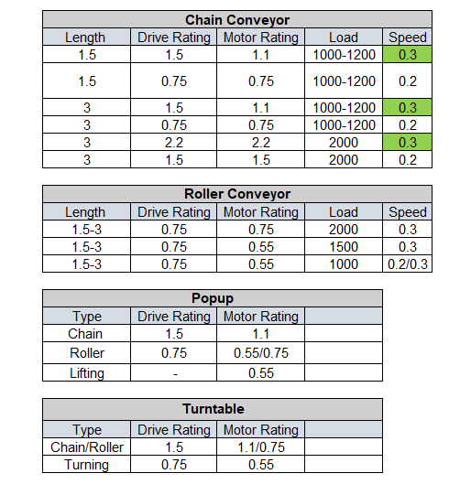
 | File R24
 |  |  |  |  |  |  |  |  |  |  |  |  |  |  |  |  |  |  |  |  |  |  |  |  |  |  |  |  |  |  | Image for reference
Equipment | Pallet Lift
Utilization | 80%

Input
Number of levels | 7 | Nos.
Lift travel height | 18.0 | Meters
Difference of 1st level from Lift Lowest position | 0.10 | Meters
Level to Level gap (Average) | 2.98 | Meters
Speed of Pallet Conveyor (vx) | 0.20 | m/s
Speed of Motor (vy) | 0.30 | m/s
Equipment Utilization | 80% | %
Travelling distance- Pallet conveyor to Lift conveyor | 1.60 | Meters
Throughput- Required (In + Out) | 100 | Pallets per hr
Combined cycle % | 80% | %
Single cycle % | 20% | %

Output
Throughput- with Utilization (Single Lift) | 31.9 | Cycles per Hr
Throughput- with Utilization (Single Lift) | 57 | Pallets per hr
Number of Lift required | 2 | Nos.
Motor speed (m/s) | 0.30 | m/s
Motor acceleration (m/s2) | 0.15 | m/s2

Time to load / unload the pallet on Roller conveyor

vx [m/s] | 0.20
ax [m/s2] | 0.20
dist slow speed x [m] | 0.05
slow speed x [m/s] | 0.05

Travelling distance[m] | 1.60
Accel. time [s] | 1.00
Const. speed time [s] | 6.75
deaccel. time [s] | 1.00
slow speed time [s] | 1.00
positioning time [s] | 1.00
TOTAL [s] | 10.75

Time for lifting / lowering and positioning

vy [m/s] | 0.30
ay [m/s2] | 0.15
dist slow speed y [m] | 0.05
slow speed y [m/s] | 0.10

Level number | 1 | 2 | 3 | 4 | 5 | 6 | 7 | 8 | 9 | 10 | 11 | 12 | 13 | 14 | 15 | 16 | 17 | 18 | 19 | 20 | 21 | 22 | 23 | 24 | 25 | 26 | 27 | 28 | 29 | 30
Hoisting distance [m] | 0.10 | 3.08 | 6.07 | 9.05 | 12.03 | 15.02 | 18.00 | 20.98 | 23.97 | 26.95 | 29.93 | 32.92 | 35.90 | 38.88 | 41.87 | 44.85 | 47.83 | 50.82 | 53.80 | 56.78 | 59.77 | 62.75 | 65.73 | 68.72 | 71.70 | 74.68 | 77.67 | 80.65 | 83.63 | 86.62
Accel. time [s] | 0.58 | 2.00 | 2.00 | 2.00 | 2.00 | 2.00 | 2.00 | 2.00 | 2.00 | 2.00 | 2.00 | 2.00 | 2.00 | 2.00 | 2.00 | 2.00 | 2.00 | 2.00 | 2.00 | 2.00 | 2.00 | 2.00 | 2.00 | 2.00 | 2.00 | 2.00 | 2.00 | 2.00 | 2.00 | 2.00
Const.speed time [s] | 0.00 | 8.11 | 18.06 | 28.00 | 37.94 | 47.89 | 57.83 | 67.78 | 77.72 | 87.67 | 97.61 | 107.56 | 117.50 | 127.44 | 137.39 | 147.33 | 157.28 | 167.22 | 177.17 | 187.11 | 197.06 | 207.00 | 216.94 | 226.89 | 236.83 | 246.78 | 256.72 | 266.67 | 276.61 | 286.56
deaccel. time [s] | 0.58 | 2.00 | 2.00 | 2.00 | 2.00 | 2.00 | 2.00 | 2.00 | 2.00 | 2.00 | 2.00 | 2.00 | 2.00 | 2.00 | 2.00 | 2.00 | 2.00 | 2.00 | 2.00 | 2.00 | 2.00 | 2.00 | 2.00 | 2.00 | 2.00 | 2.00 | 2.00 | 2.00 | 2.00 | 2.00
slow speed time [s] | 0.50 | 0.50 | 0.50 | 0.50 | 0.50 | 0.50 | 0.50 | 0.50 | 0.50 | 0.50 | 0.50 | 0.50 | 0.50 | 0.50 | 0.50 | 0.50 | 0.50 | 0.50 | 0.50 | 0.50 | 0.50 | 0.50 | 0.50 | 0.50 | 0.50 | 0.50 | 0.50 | 0.50 | 0.50 | 0.50
positioning time [s] | 1.00 | 1.00 | 1.00 | 1.00 | 1.00 | 1.00 | 1.00 | 1.00 | 1.00 | 1.00 | 1.00 | 1.00 | 1.00 | 1.00 | 1.00 | 1.00 | 1.00 | 1.00 | 1.00 | 1.00 | 1.00 | 1.00 | 1.00 | 1.00 | 1.00 | 1.00 | 1.00 | 1.00 | 1.00 | 1.00
TOTAL [s] | 2.65 | 13.61 | 23.56 | 33.50 | 43.44 | 53.39 | 63.33 | 73.28 | 83.22 | 93.17 | 103.11 | 113.06 | 123.00 | 132.94 | 142.89 | 152.83 | 162.78 | 172.72 | 182.67 | 192.61 | 202.56 | 212.50 | 222.44 | 232.39 | 242.33 | 252.28 | 262.22 | 272.17 | 282.11 | 292.06
Final TOTAL [s] | 2.65 | 13.61 | 23.56 | 33.50 | 43.44 | 53.39 | 63.33 | 0.00 | 0.00 | 0.00 | 0.00 | 0.00 | 0.00 | 0.00 | 0.00 | 0.00 | 0.00 | 0.00 | 0.00 | 0.00 | 0.00 | 0.00 | 0.00 | 0.00 | 0.00 | 0.00 | 0.00 | 0.00 | 0.00 | 0.00

Communication and dead times in 1/2 cycle [s] |  |  |  | 1.00
Total time 1/2 cycle (s) |  |  |  | 45.11
Max. Throughput (cycles/h) |  |  |  | 40
Throughput with 80% Utilization |  |  |  | 31.93

Multi pro Area
 | File R24

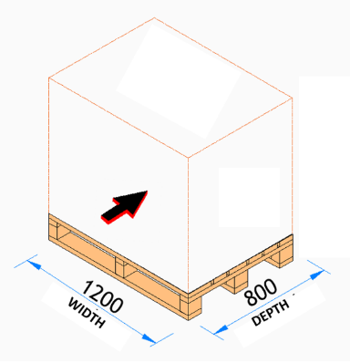
Max pallets that can be stored | 10,764 | Pallet inputs | Value | UOM | Value | UOM |  |  | Value | UOM | Value | UOM | Yes
Remaining area m^2 | 205 | Pallet depth (in child shuttle travel direction) | 1.0 | M | - | Ft | - | Input values in either Meters M/ Milimeters mm (Column E) or in Feet Ft in (Column G) | 1.00 | M | 1,000 | mm | No
Length of remaining area M | 100 | Pallet width (in mother shuttle travel direction) | 1.2 | M | - | Ft | - |  | 1.20 | M | 1,200 | mm
Width of remaining area M | 2.1 | Pallet height including the load | 1.6 | M | - | Ft | - |  | 1.60 | M | 1,600 | mm
 |  | Overhang in length | 100.0 | mm | - | Ft | - |  | 100 | M | 100,000 | mm
Pallet dimensions | Dimension in mm | Overhang in width | 100.0 | mm | - | Ft | - |  | 100 | M | 100,000 | mm
Length (Lead side on Mother chain conveyor) | 1,200
Width | 1,000 | Field Inputs | Value | UOM | Value | UOM |  |  | Value | UOM | Value | UOM
Total pallet height | 1,600 | Clear height (After Lightings, sprinklers etc.) | 30.0 | M | - | Ft | - |  | 30.00 | M | 30,000 | mm
Total pallet length (Lead side on Mother) | 1,400 | Length | 100.0 | M | - | Ft | - |  | 100.00 | M | 100,000 | mm
Total pallet width | 1,200 | Width | 30.0 | M | - | Ft | - |  | 30.00 | M | 30,000 | mm

Mother child area dimensions | Dimension in mm | Configuration requirement | Value | UOM | Value | UOM
Clear height (After Lightings, sprinklers etc.) | 30,000 | Pallets per SKU batch on Left side of track | 5.0 | Nos
Length | 100,000 | Pallets per SKU batch on Right side of track | 4.0 | Nos |  | Ft | - |  | 4.00 | M
Width | 30,000 | Bracing towers after every (change this based on discussion with rack vendor) | 100.0 | M | - | Ft | - |  | 100.00 | M

Total throughput/ Hr | 650 | Throughput required | Pallets/ Hr
# lifts required for In (per track) | 5 | Pallets/ Hr In | 500
# lifts required for Out (per track) | 2 | Pallets/ Hr Out | 150
Effective width of a pallet - Child direction | 1,300 | Max lift throughput capacity (Pallets/ Hr) | 50

No of tracks calculation | Nos. | Other Key Outputs
Left side of the track | 7,638 | No of tracks | 2 | If this number is less than 1 then reduce the number of pallets per SKU batch
Track width | 1,575 | No of bays on one side of track | 46
First pallet from edge of the track |  | Levels in storage | 13
Right side of the track | 6,338
Total width | 13,975 | Fencing required? | Yes
# of tracks | 2.0

No of bays calculation | Dimension in mm
Upright | 120
Fencing outside storage | 350
Pallet to pallet distance - in direction of Mother | 75
Pallet to pallet distance - in direction of Child | 100
Dimension of a bay in Left side of the track
Width of a bay - In direction of Mother | 1,670
Length of a bay - In direction of Child | 7,638
Bay dimension in m^2 | 13
Dimension of a bay in Right side of the track
Width of a bay - In direction of Mother | 1,670
Length of a bay - In direction of Child | 6,338
Bay dimension in m^2 | 11
Max aisle length from first to last pallet | 78,250
# bays in storage Left side of the track | 46.0
# bays in storage Right side of the track | 46.0

No of levels calculation | Dimension in mm
Plinth level to bottom of first pallet | 800
Pallet lift top (Top pallet) | 150
Distance between top of pallet to bottom of above pallet | 450
Effective height available | 28,300
Extra height for ESFR | 300
ESFR after every | 7,000
# of ESFR levels | 3
Height occupied by ESFR | 900
Pallet height plus clear height | 2,050
Effective clear height between pallet (Theortical) | 427
Effective height of a level | 2,027
Levels | 13.0

Pallets stored | Nos.
Left side of the track | 2,990
Right side of the track | 2,392

Other dimensions outside storage area | Dimension in mm
Lift length | 2,450
Lift to first upright distance | 350
Distance between two lifts | 350
Clear length for track at the end (Includes length for stairs for maintenance) | 4,100
Bracing tower | 3,000
Total effective length of bracing tower | 3,000
Back - Overhang of track outside last pallet position | 2,050
# bracing towers | 1

Area ASRS Stacker Crane
 | File R24
Project name
Revision
ASRS Stacker Crane (Pallet positions in given area) |  |  |  | Input values either in metrics or imperial only
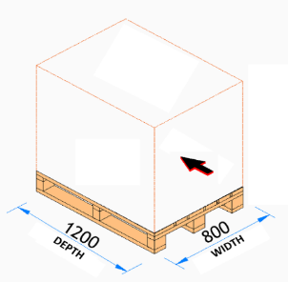
Max pallets that can be stored | 19,600 | Pallet inputs | Value | UOM | Value | UOM |  | Input values in either Meters M (Column E) or in Feet Ft in (Column G) | Value | UOM | Value | UOM
Remaining area m^2 | 420 | Pallet depth | 1.2 | M |  | Ft | - |  | 1.2 | M | 1,200 | mm
Length of remaining area M | 100 | Pallet width | 1.0 | M |  | Ft | - |  | 1.0 | M | 1,000 | mm
Width of remaining area M | 4.2 | Pallet height including the load | 1.6 | M |  | Ft | - |  | 1.6 | M | 1,600 | mm

No of Crane aisles calculation | Nos. | Field Inputs | Value | UOM | Value | UOM |  |  | Value | UOM | Value | UOM
Pallet to pallet - in direction of forking | 100 | Clear height (After Lightings, sprinklers etc.) | 30.0 | M |  | Ft | - |  | 30.0 | M | 30,000 | mm
Effective depth of pallet - forking direction | 1,300 | Available area length | 100.0 | M |  | Ft | - |  | 100.0 | M | 100,000 | mm
Aisle width | 1,610 | Available area width | 40.0 | M |  | Ft | - |  | 40.0 | M | 40,000 | mm
Fencing outside storage | 350
Width left side of the track | 3,580
Width right side of the track | 3,580 | Configuration Inputs | Value | UOM
Total width | 7,160 | Deep (No. of pallets in depth) | 2 | Nos
# of Crane aisles as per storage requirement | 5 | Number of pallets in a bay per level (Bay length is limited to 2,500mm max) | 2 | Bay length within limit
No of cranes as per throughput requirement | 4 | ESFR after every | 9.0 | M |  | Ft | - |  | 9.0 | M
Calculation for No of Bays along the aisle | Dimension in mm | Bracing towers after every (change this based on discussion with rack vendor) | 30.0 | M |  | Ft | - |  | 30.0 | M
Upright | 120
Gap between upright and pallet | 100 | Throughput | Value | UOM
Pallet to pallet distance - in direction of Crane travel | 100 | Throughput required per hour(In and out) | 200 | Pallets/ Hr
Max allowable bay length | 2,920 | Max Crane productivity (Including inbound and outbound) Pallets per hour | 50 | Pallets/ Hr
Bay length in direction of crane travel | 2,420
Max aisle length from first to last pallet | 84,800 | Other Key Outputs
# bays in storage along the aisle | 35 | No. of Cranes required for storage requirement | 5
 |  | No. of Cranes required for throughput requirement | 4
Level calculation bay dimensions | Dimension in mm | No. of bays per crane on one side | 35
Bottom approach dimension' | 900 | Levels in storage | 14
top approach dimension | 2,300
Deep | 2
Distance between top of pallet to bottom of above pallet | 300
Effective height available | 27,900
Extra height for ESFR and cross beam | 250
# of ESFR levels | 2
Height occupied by Cross beam | 500
Pallet height + pallet to pallet clearance | 1,900
Effective pallet to pallet gap | 279
Effective pallet height | 1,879
Levels | 14

Other dimensions outside storage area | Dimension in mm
Crane extension outside storage area (including infeed and outfeed conveyors) | 6,500
Bracing tower | 2,900
# bracing towers | 3

Front - Clear length after mother child system for feeding conveyors | -

