Bugs
Bug Description | Steps to reproduce | Severity | Status | Screenshot | Comments
Registeration user can put special charactors or numbers for fname and lname | 1. Load https://buggy.justtestit.org/ 2. Click on the Register button 3. User can successfully input numbers or special character in firstname and lastname field | M | Open | 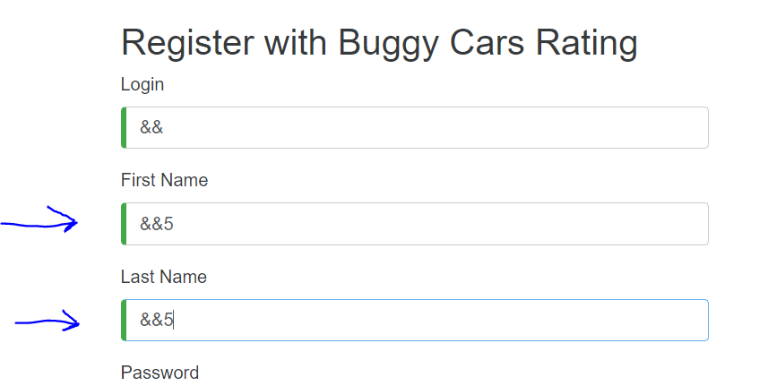

User logging in and still being able to view the previous log in profile details | 1. Load https://buggy.justtestit.org/ and log in with a valid user 2. Go to 'Profile' and click 'Logout' 3. Log into another valid account 4. The old account details are still displayed | H | Open | 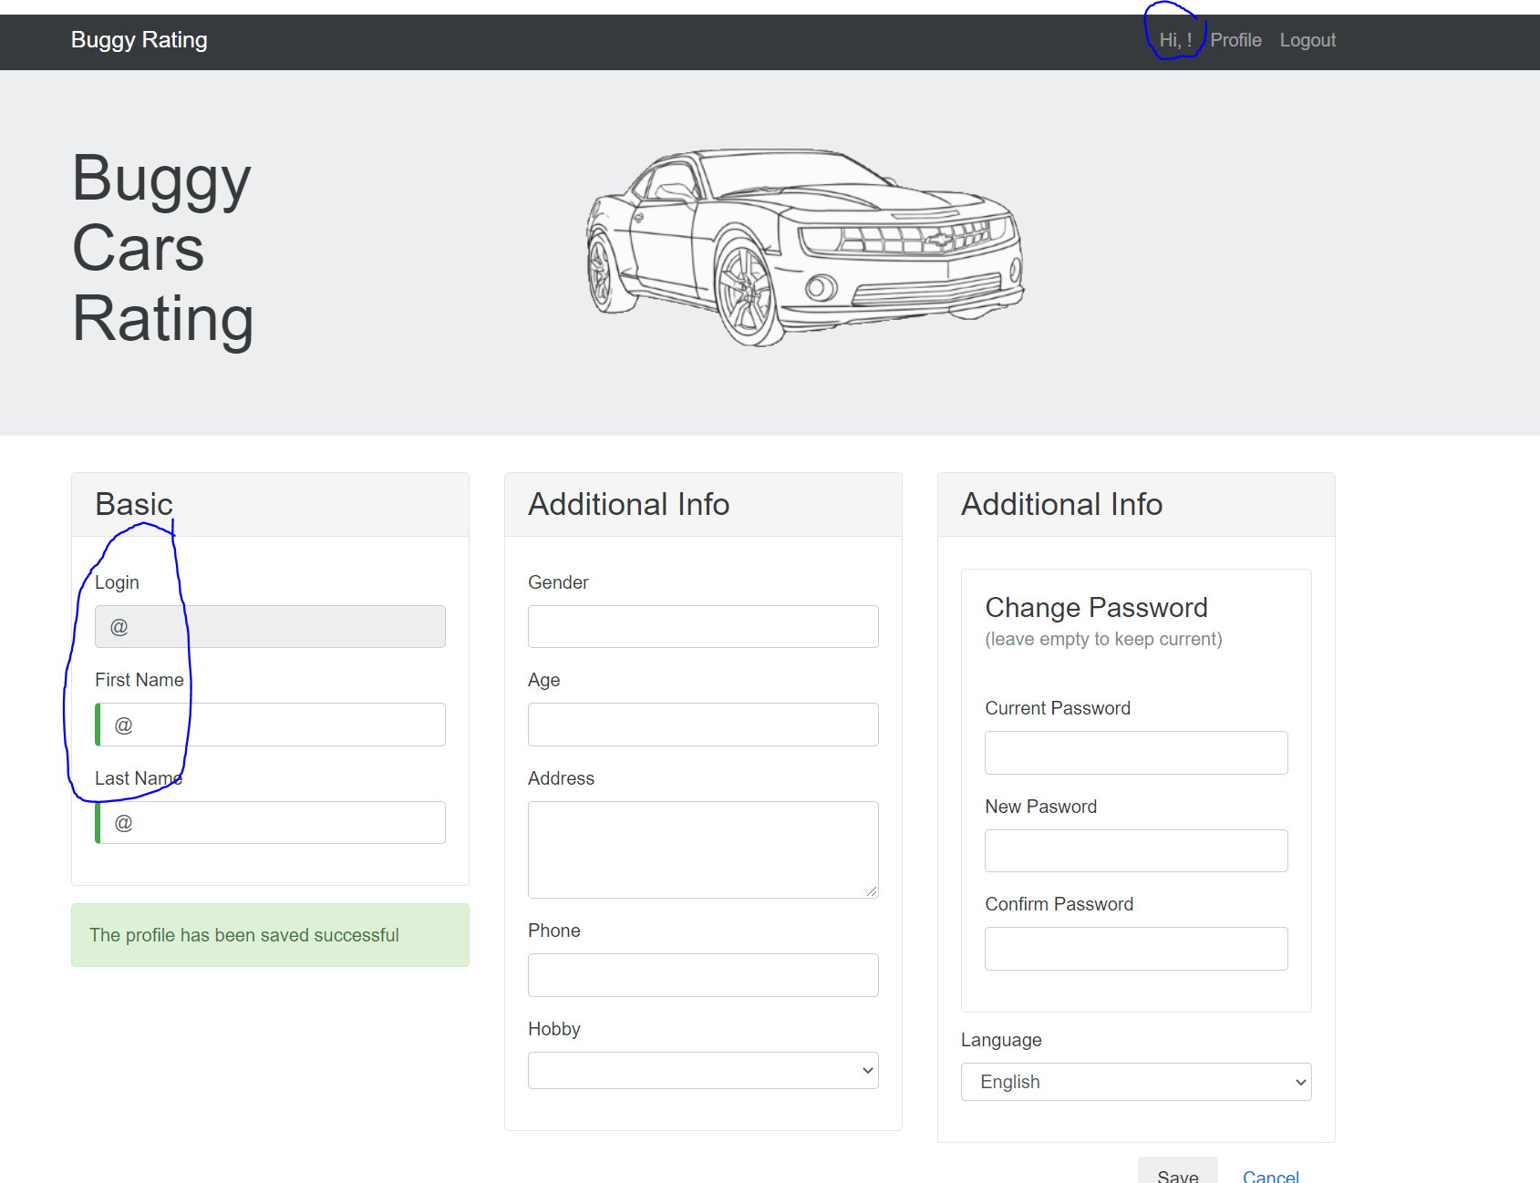

Authencated user can input javascript xss or SQL injection into comment section | 1. Load https://buggy.justtestit.org/ and log in with a valid user 2. click on popular model 3. Allows user to input javascript xss or potentially a SQL injection | H | Open | 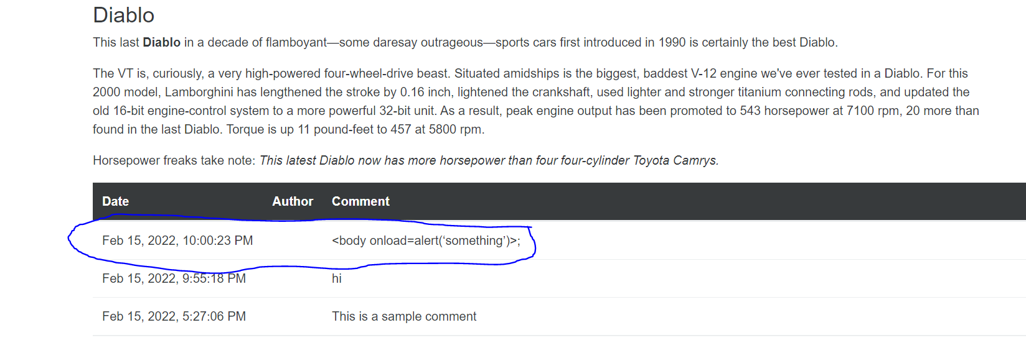 | This is a potential security risk

Gender input allows user to enter free text of any characters | 1. Load https://buggy.justtestit.org/ and log in with a valid user 2. Go to 'Profile' 3. Under the additional field the gender dropdown can be overwritten and user input can be allowed | M | Open | 