Sheet1
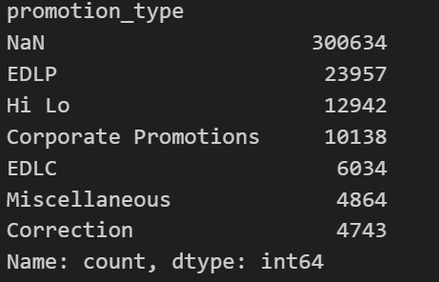
Dependent Variable | R-squared | Number of Observations | promotion_type_Corporate Promotions_coef | promotion_type_Corporate Promotions_pval | promotion_type_Correction_coef | promotion_type_Correction_pval | promotion_type_EDLC_coef | promotion_type_EDLC_pval | promotion_type_EDLP_coef | promotion_type_EDLP_pval | promotion_type_Hi Lo_coef | promotion_type_Hi Lo_pval | promotion_type_Miscellaneous_coef | promotion_type_Miscellaneous_pval
log_lag8 | 0.4% | 349856 | 0% | 99% | -22% | 37% | 30% | 22% | 45% | 0% | 29% | 8% | 98% | 0%
log_lag4 | 0.3% | 356584 | -16% | 37% | -28% | 26% | 19% | 45% | 32% | 2% | 17% | 31% | 99% | 0%
log_lag2 | 0.3% | 359948 | -27% | 14% | -32% | 20% | 14% | 58% | 24% | 8% | 9% | 59% | 94% | 0%
log_lag1 | 0.3% | 361630 | -31% | 9% | -35% | 16% | 11% | 67% | 20% | 13% | 6% | 71% | 93% | 0%
log_lag0 | 0.3% | 363312 | -30% | 9% | -34% | 17% | 12% | 63% | 22% | 10% | 6% | 69% | 92% | 0%
log_lead1 | 0.3% | 361630 | -31% | 8% | -33% | 18% | 14% | 57% | 23% | 8% | 7% | 67% | 92% | 0%
log_lead2 | 0.3% | 359948 | -35% | 5% | -33% | 17% | 15% | 55% | 22% | 10% | 6% | 74% | 91% | 0%
log_lead4 | 0.3% | 356584 | -44% | 1% | -37% | 13% | 11% | 67% | 16% | 20% | 0% | 98% | 90% | 0%
log_lead8 | 0.4% | 349856 | -64% | 0% | -50% | 4% | -3% | 91% | -1% | 96% | -18% | 26% | 77% | 0%

