Sheet4
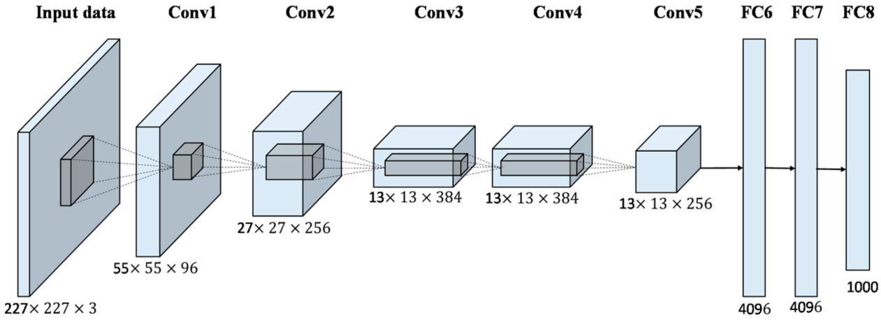
class Alex(chainer.Chain): |  |  |  |  |  | http://hirotaka-hachiya.hatenablog.com/entry/2016/07/09/122106 |  |  |  |  |  |  | 25x1 Layer array with layers:
 |  |  |  |  |  |  |  |  |  |  |  |  | https://jp.mathworks.com/help/nnet/ref/alexnet.html
insize = 227 |  |  |  |  |  |  |  |  |  |  |  |  | 1 'data' Image Input 227x227x3 images with 'zerocenter' normalization
 |  |  |  |  |  |  |  |  |  |  |  |  | 2 'conv1' Convolution 96 11x11x3 convolutions with stride [4 4] and padding [0 0]
def __init__(self): |  |  |  |  |  |  |  |  |  |  |  |  | 3 'relu1' ReLU ReLU
super(Alex, self).__init__( |  |  |  |  |  |  |  |  |  |  |  |  | 4 'norm1' Cross Channel Normalization cross channel normalization with 5 channels per element
conv1=L.Convolution2D(3, 96, 11, stride=4), |  |  |  |  |  |  |  |  |  |  |  |  | 5 'pool1' Max Pooling 3x3 max pooling with stride [2 2] and padding [0 0]
conv2=L.Convolution2D(96, 256, 5, pad=2), |  |  |  |  |  |  |  |  |  |  |  |  | 6 'conv2' Convolution 256 5x5x48 convolutions with stride [1 1] and padding [2 2]
conv3=L.Convolution2D(256, 384, 3, pad=1), |  |  |  |  |  |  |  |  |  |  |  |  | 7 'relu2' ReLU ReLU
conv4=L.Convolution2D(384, 384, 3, pad=1), |  |  |  |  |  |  |  |  |  |  |  |  | 8 'norm2' Cross Channel Normalization cross channel normalization with 5 channels per element
conv5=L.Convolution2D(384, 256, 3, pad=1), |  |  |  |  |  |  |  |  |  |  |  |  | 9 'pool2' Max Pooling 3x3 max pooling with stride [2 2] and padding [0 0]
fc6=L.Linear(9216, 4096), |  |  |  |  |  |  |  |  |  |  |  |  | 10 'conv3' Convolution 384 3x3x256 convolutions with stride [1 1] and padding [1 1]
fc7=L.Linear(4096, 4096), |  |  |  |  |  |  |  |  |  |  |  |  | 11 'relu3' ReLU ReLU
fc8=L.Linear(4096, 1000), |  |  |  |  |  |  |  |  |  |  |  |  | 12 'conv4' Convolution 384 3x3x192 convolutions with stride [1 1] and padding [1 1]
) |  |  |  |  |  | 1つ注意したいのは原論文の図で入力画像のサイズが(224x224x3)となっていますが、実際は(227x227x3)が正しいようです |  |  |  |  |  |  | 13 'relu4' ReLU ReLU
self.train = True |  |  |  |  |  | ⇒ floor による 切り捨て |  |  |  |  |  |  | 14 'conv5' Convolution 256 3x3x192 convolutions with stride [1 1] and padding [1 1]
 |  |  |  |  |  |  |  |  |  |  |  |  | 15 'relu5' ReLU ReLU
 |  |  |  |  |  | CNN各層のつなぎでReLU 等の活性化処理 |  |  |  |  |  |  | 16 'pool5' Max Pooling 3x3 max pooling with stride [2 2] and padding [0 0]
 |  |  |  |  |  |  |  |  |  |  |  |  | 17 'fc6' Fully Connected 4096 fully connected layer
 |  |  |  |  |  |  |  |  |  |  |  |  | 18 'relu6' ReLU ReLU
 | Lname | レイヤー名 |  |  |  |  |  |  |  |  |  |  | 19 'drop6' Dropout 50% dropout
 | Isize | 入力サイズ |  |  |  |  |  |  |  |  |  |  | 20 'fc7' Fully Connected 4096 fully connected layer
 | Csize | チャネル数 |  |  |  |  |  |  |  |  |  |  | 21 'relu7' ReLU ReLU
 | Ksize | カーネルサイズ |  |  |  |  |  |  |  |  |  |  | 22 'drop7' Dropout 50% dropout
 | Ssize | ストライドサイズ |  |  |  |  |  |  |  |  |  |  | 23 'fc8' Fully Connected 1000 fully connected layer
 | Psize | パディングサイズ |  |  |  |  |  |  |  |  |  |  | 24 'prob' Softmax softmax
 | Osize | 出力サイズ |  |  |  |  |  |  |  |  |  |  | 25 'output' Classification Output crossentropyex with 'tench'
 | Npam | パラメータ数

順当 | Osize | = floor((Isize - Ksize + 2Psize)/Ssize) + 1
 |  | =floor((227-11+2*0,1)/4)+1
 |  | =55

 | Npam = Csize_previous * Csize_current * (Ksize^2 + 1)
 |  | ＝96*3*（11*11+1）
 |  | =35136
 | fc6 = Csize_previous(幅) * Csize_previous（高さ） * Csize_previous（深度)

 | alex | 内部変数 | 引数（入力） | 引数（入力） | 引数（入力） | 引数（入力） | 初期値＋FCは入力、 以降内部 | 内部変数 | alex | 内部変数 | 引数（入力） | 引数（入力） | 引数（入力） | 引数（入力） | 初期値＋FCは入力、 以降内部 | 内部変数
元データ | Lname | Isize | Csize | Ksize | Ssize | Psize | Osize | Npam | Lname | Isize | Csize | Ksize | Ssize | Psize | Osize | Npam
 | input |  | 3 |  |  |  | 227 |  | input |  | 3 |  |  |  | 227
 | conv1 | 227 | 96 | 11 | 4 | 0 | 55 | 35136 | conv1 | 227 | 96 | 11 | 4 | 0 | 55 | 35136
 | pool1 | 55 | 96 | 3 | 2 | 0 | 27 |  | pool1 | 55 | 96 | 3 | 2 | 0 | 27 | 92160
 | conv2 | 27 | 256 | 5 | 1 | 2 | 27 | 638976 | conv2 | 27 | 256 | 5 | 1 | 2 | 27 | 638976
 | pool2 | 27 | 256 | 3 | 2 | 0 | 13 |  | pool2 | 27 | 256 | 3 | 2 | 0 | 13 | 655360
 | conv3 | 13 | 384 | 3 | 1 | 1 | 13 | 983040 | conv3 | 13 | 384 | 3 | 1 | 1 | 13 | 983040
 | conv4 | 13 | 384 | 3 | 1 | 1 | 13 | 1474560 | conv4 | 13 | 384 | 3 | 1 | 1 | 13 | 1474560
 | conv5 | 13 | 256 | 3 | 1 | 1 | 13 | 983040 | conv5 | 13 | 256 | 3 | 1 | 1 | 13 | 983040
 | pool5 | 13 | 256 | 3 | 2 | 0 | 6 |  | pool5 | 13 | 256 | 3 | 2 | 0 | 6 | 655360
 | fc6⇒50% dropout | 9216 |  |  |  |  | 4096 | 37748736 | fc6⇒50% dropout | 9216 |  |  |  |  | 4096
 | fc7⇒50% dropout | 4096 |  |  |  |  | 4096 | 16777216 | fc7⇒50% dropout | 4096 |  |  |  |  | 4096
 | fc8⇒softmax | 4096 |  |  |  |  | 1000 | 4096000 | fc8⇒softmax | 4096 |  |  |  |  | 1000
 |  |  |  |  |  |  | total | 62736704
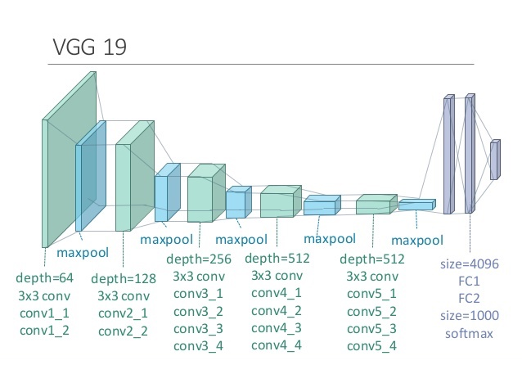

 | vgg-19
 | Lname | Isize | Csize | Ksize | Ssize | Psize | Osize | Npam
 | input |  | 3 |  |  |  | 224
 | conv1_1 | 224 | 64 | 3 | 1 | 1 | 224 | 1920
 | conv1_2 | 224 | 64 | 3 | 1 | 1 | 224 | 40960
 | pool1 | 224 | 64 | 2 | 2 | 0 | 112
 | conv2_1 | 112 | 128 | 3 | 1 | 1 | 112 | 81920
 | conv2_2 | 112 | 128 | 3 | 1 | 1 | 112 | 163840
 | pool2 | 112 | 128 | 2 | 2 | 0 | 56
 | conv3_1 | 56 | 256 | 3 | 1 | 1 | 56 | 327680
 | conv3_2 | 56 | 256 | 3 | 1 | 1 | 56 | 655360
 | conv3_3 | 56 | 256 | 3 | 1 | 1 | 56 | 655360
 | conv3_4 | 56 | 256 | 3 | 1 | 1 | 56 | 655360
 | pool3 | 56 | 256 | 2 | 2 | 0 | 28
 | conv4_1 | 28 | 512 | 3 | 1 | 1 | 28 | 1310720
 | conv4_2 | 28 | 512 | 3 | 1 | 1 | 28 | 2621440
 | conv4_3 | 28 | 512 | 3 | 1 | 1 | 28 | 2621440
 | conv4_4 | 28 | 512 | 3 | 1 | 1 | 28 | 2621440
 | pool4 | 28 | 512 | 2 | 2 | 0 | 14
 | conv5_1 | 14 | 512 | 3 | 1 | 1 | 14 | 2621440
 | conv5_2 | 14 | 512 | 3 | 1 | 1 | 14 | 2621440
 | conv5_3 | 14 | 512 | 3 | 1 | 1 | 14 | 2621440
 | conv5_4 | 14 | 512 | 3 | 1 | 1 | 14 | 2621440
 | pool5 | 14 | 512 | 2 | 2 | 0 | 7
 | fc6 | 25088 |  |  |  |  | 4096 | 102760448
 | fc7 | 4096 |  |  |  |  | 4096 | 16777216
 | fc8 | 4096 |  |  |  |  | 1000 | 4096000
 |  |  |  |  |  |  | total | 143294464

Sheet5
vgg-16

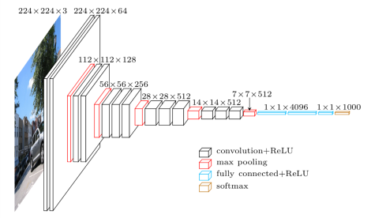

ｖｇｇ16 | 内部変数 | 引数（入力） | 引数（入力） | 引数（入力） | 引数（入力） | 初期値＋FCは入力、 以降内部 | 内部変数
Lname | Isize | Csize | Ksize | Ssize | Psize | Osize | Npam
input |  | 3 |  |  |  | 227
conv1 | 227 | 96 | 11 | 4 | 0 | 55 | 35136 | relu
pool1 | 55 | 96 | 3 | 2 | 0 | 27 | 92160
conv2 | 27 | 256 | 5 | 1 | 2 | 27 | 638976
pool2 | 27 | 256 | 3 | 2 | 0 | 13 | 655360
conv3 | 13 | 384 | 3 | 1 | 1 | 13 | 983040
conv4 | 13 | 384 | 3 | 1 | 1 | 13 | 1474560
conv5 | 13 | 256 | 3 | 1 | 1 | 13 | 983040
pool5 | 13 | 256 | 3 | 2 | 0 | 6 | 655360
fc6 | 9216 |  |  |  |  | 4096 |  | relu+dropout
fc7 | 4096 |  |  |  |  | 4096 |  | relu+dropout
fc8 | 4096 |  |  |  |  | 1000 |  | softmax | 41x1 Layer array with layers:
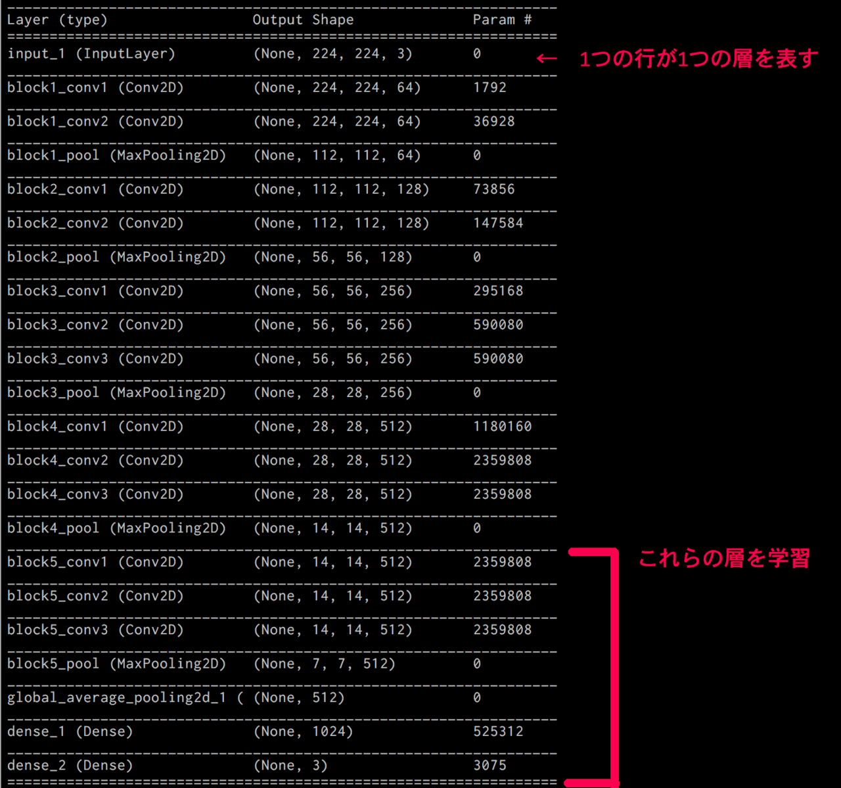
 |  |  |  |  |  |  |  |  | 1 'input' Image Input 224x224x3 images with 'zerocenter' normalization
 |  |  |  |  |  |  |  |  | 2 'conv1_1' Convolution 64 3x3x3 convolutions with stride [1 1] and padding [1 1]
 |  |  |  |  |  |  |  |  | 3 'relu1_1' ReLU ReLU
 |  |  |  |  |  |  |  |  | 4 'conv1_2' Convolution 64 3x3x64 convolutions with stride [1 1] and padding [1 1]
 |  |  |  |  |  |  |  |  | 5 'relu1_2' ReLU ReLU
 |  |  |  |  |  |  |  |  | 6 'pool1' Max Pooling 2x2 max pooling with stride [2 2] and padding [0 0]
 |  |  |  |  |  |  |  |  | 7 'conv2_1' Convolution 128 3x3x64 convolutions with stride [1 1] and padding [1 1]
 |  |  |  |  |  |  |  |  | 8 'relu2_1' ReLU ReLU
 |  |  |  |  |  |  |  |  | 9 'conv2_2' Convolution 128 3x3x128 convolutions with stride [1 1] and padding [1 1]
 |  |  |  |  |  |  |  |  | 10 'relu2_2' ReLU ReLU
 |  |  |  |  |  |  |  |  | 11 'pool2' Max Pooling 2x2 max pooling with stride [2 2] and padding [0 0]
 |  |  |  |  |  |  |  |  | 12 'conv3_1' Convolution 256 3x3x128 convolutions with stride [1 1] and padding [1 1]
 |  |  |  |  |  |  |  |  | 13 'relu3_1' ReLU ReLU
 |  |  |  |  |  |  |  |  | 14 'conv3_2' Convolution 256 3x3x256 convolutions with stride [1 1] and padding [1 1]
 |  |  |  |  |  |  |  |  | 15 'relu3_2' ReLU ReLU
 |  |  |  |  |  |  |  |  | 16 'conv3_3' Convolution 256 3x3x256 convolutions with stride [1 1] and padding [1 1]
 |  |  |  |  |  |  |  |  | 17 'relu3_3' ReLU ReLU
 |  |  |  |  |  |  |  |  | 18 'pool3' Max Pooling 2x2 max pooling with stride [2 2] and padding [0 0]
 |  |  |  |  |  |  |  |  | 19 'conv4_1' Convolution 512 3x3x256 convolutions with stride [1 1] and padding [1 1]
 |  |  |  |  |  |  |  |  | 20 'relu4_1' ReLU ReLU
 |  |  |  |  |  |  |  |  | 21 'conv4_2' Convolution 512 3x3x512 convolutions with stride [1 1] and padding [1 1]
 |  |  |  |  |  |  |  |  | 22 'relu4_2' ReLU ReLU
 |  |  |  |  |  |  |  |  | 23 'conv4_3' Convolution 512 3x3x512 convolutions with stride [1 1] and padding [1 1]
 |  |  |  |  |  |  |  |  | 24 'relu4_3' ReLU ReLU
 |  |  |  |  |  |  |  |  | 25 'pool4' Max Pooling 2x2 max pooling with stride [2 2] and padding [0 0]
 |  |  |  |  |  |  |  |  | 26 'conv5_1' Convolution 512 3x3x512 convolutions with stride [1 1] and padding [1 1]
 |  |  |  |  |  |  |  |  | 27 'relu5_1' ReLU ReLU
 |  |  |  |  |  |  |  |  | 28 'conv5_2' Convolution 512 3x3x512 convolutions with stride [1 1] and padding [1 1]
 |  |  |  |  |  |  |  |  | 29 'relu5_2' ReLU ReLU
 |  |  |  |  |  |  |  |  | 30 'conv5_3' Convolution 512 3x3x512 convolutions with stride [1 1] and padding [1 1]
 |  |  |  |  |  |  |  |  | 31 'relu5_3' ReLU ReLU
 |  |  |  |  |  |  |  |  | 32 'pool5' Max Pooling 2x2 max pooling with stride [2 2] and padding [0 0]
 |  |  |  |  |  |  |  |  | 33 'fc6' Fully Connected 4096 fully connected layer
 |  |  |  |  |  |  |  |  | 34 'relu6' ReLU ReLU
 |  |  |  |  |  |  |  |  | 35 'drop6' Dropout 50% dropout
 |  |  |  |  |  |  |  |  | 36 'fc7' Fully Connected 4096 fully connected layer
 |  |  |  |  |  |  |  |  | 37 'relu7' ReLU ReLU
 |  |  |  |  |  |  |  |  | 38 'drop7' Dropout 50% dropout
 |  |  |  |  |  |  |  |  | 39 'fc8' Fully Connected 1000 fully connected layer
 |  |  |  |  |  |  |  |  | 40 'prob' Softmax softmax
 |  |  |  |  |  |  |  |  | 41 'output' Classification Output crossentropyex with 'tench', 'goldfish', and 998 other classes

