tensorflow
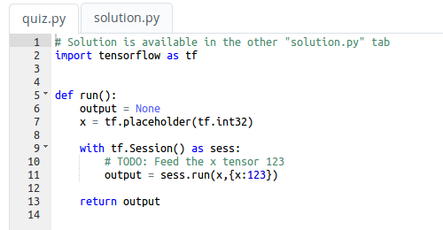
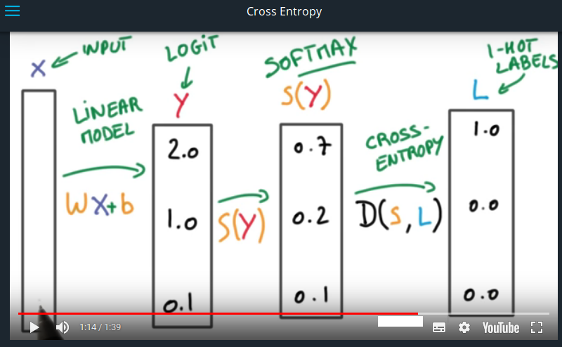

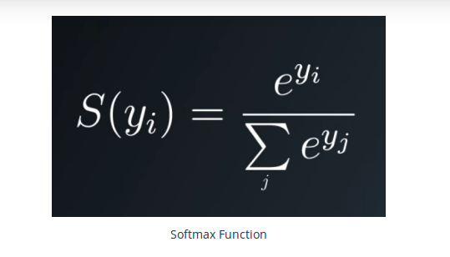

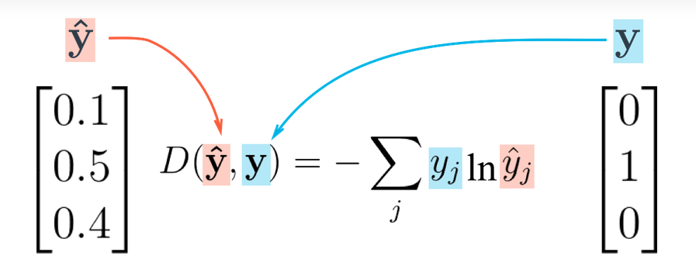

miniflow
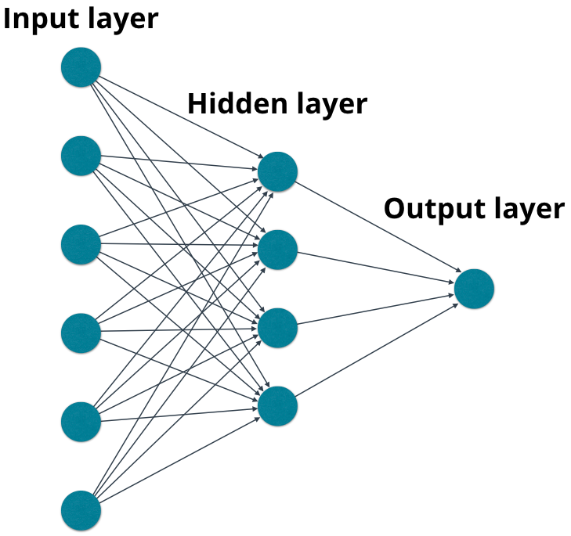

NeuralNet
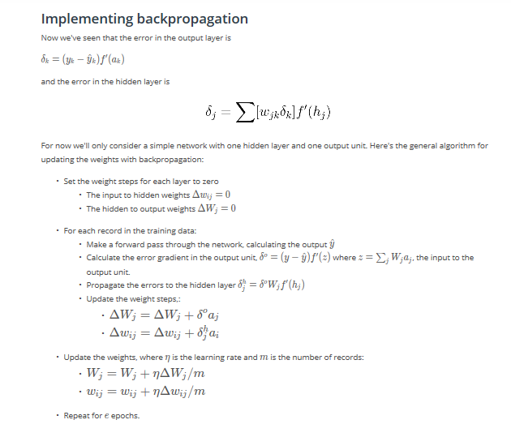
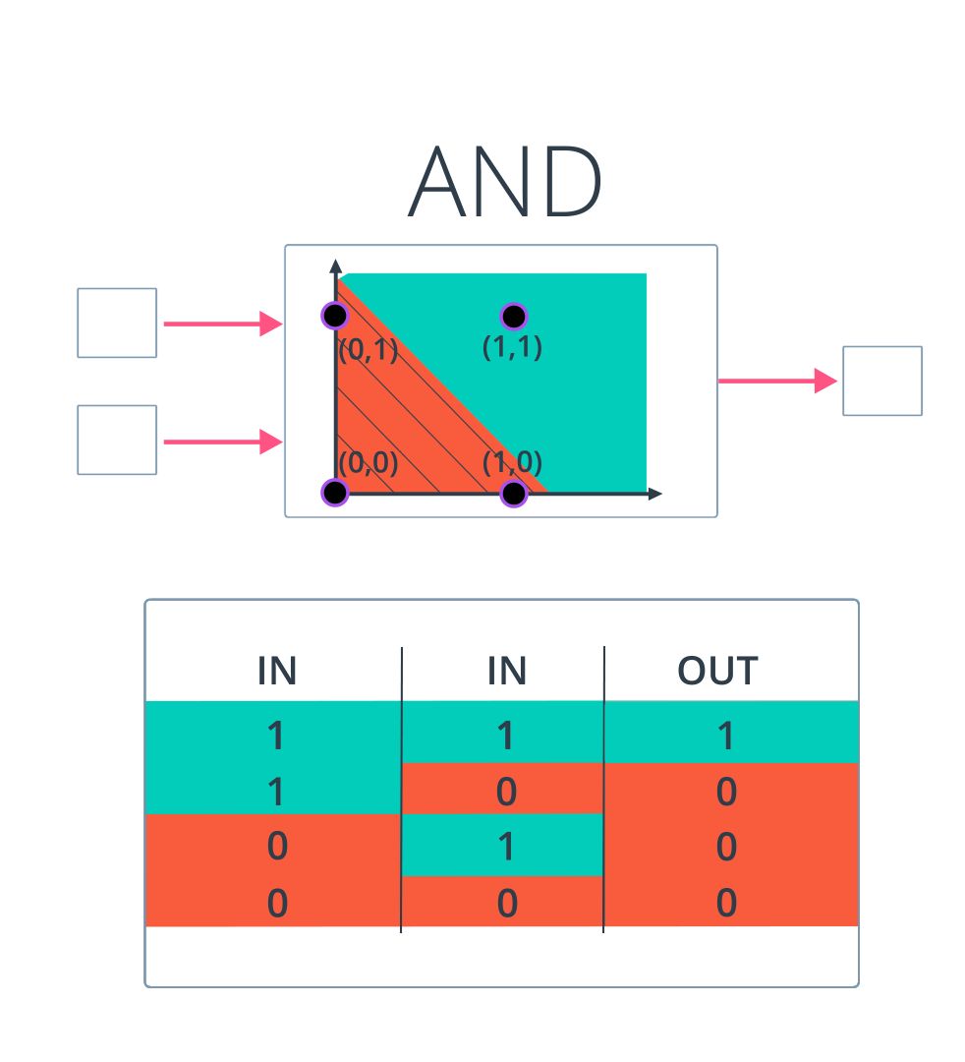

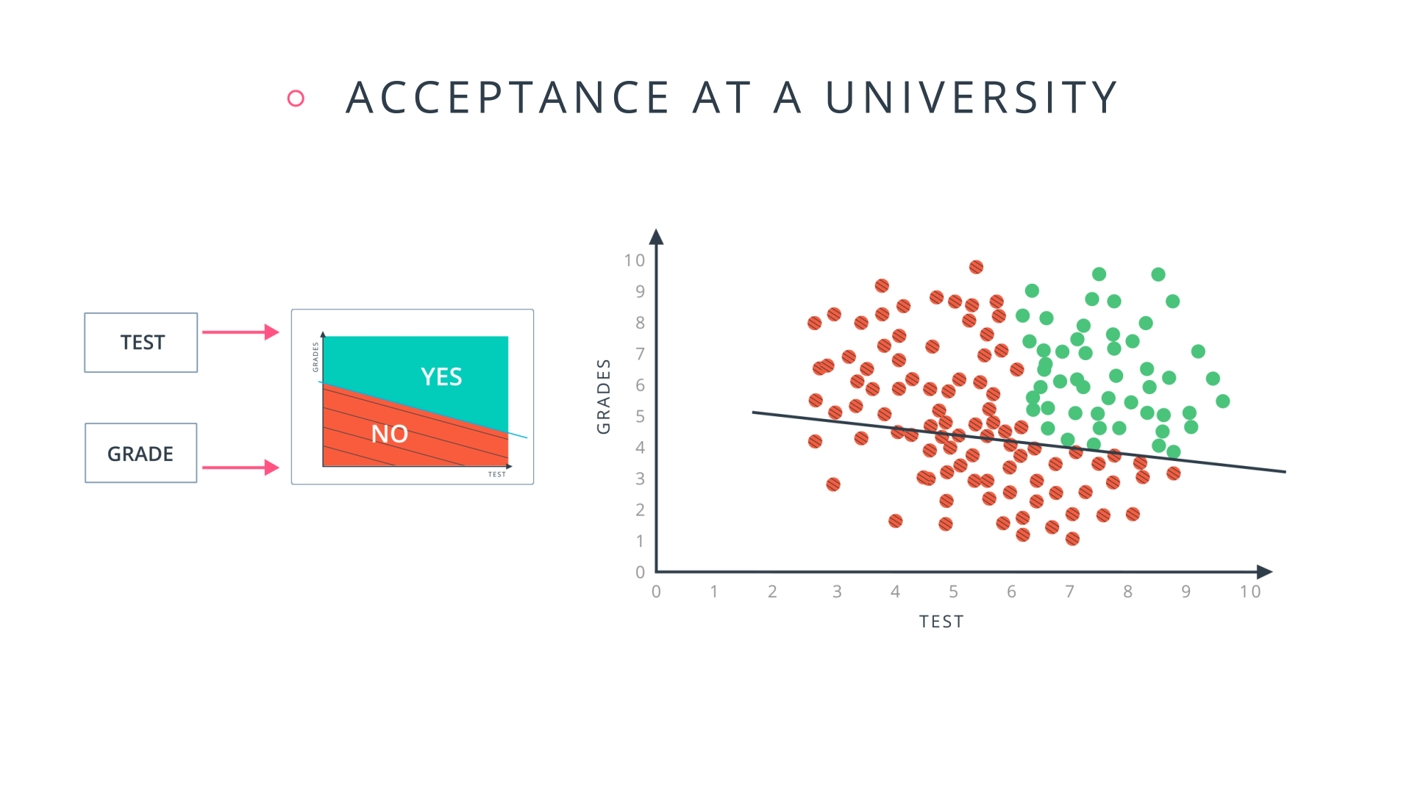
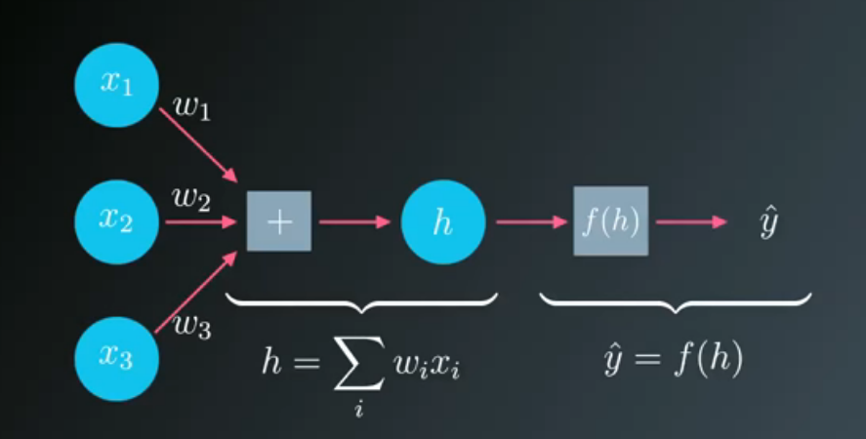

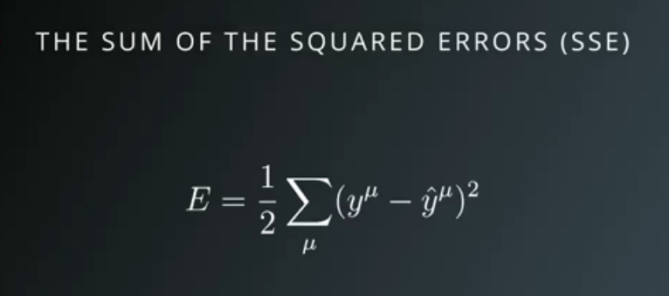

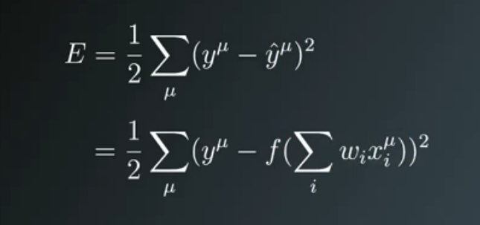

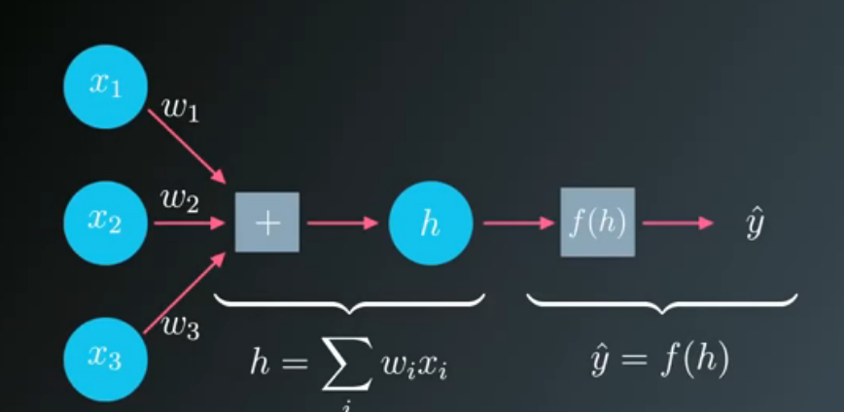

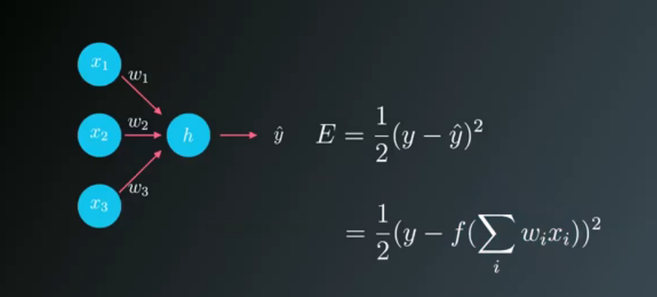

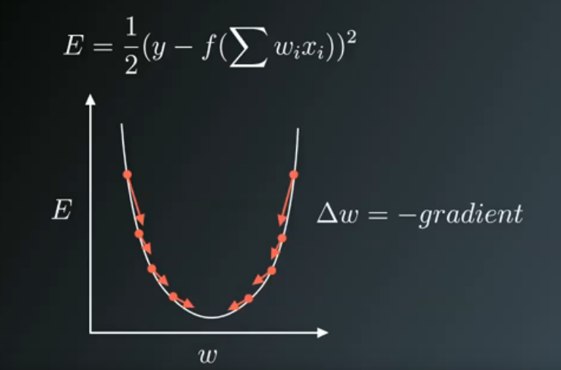

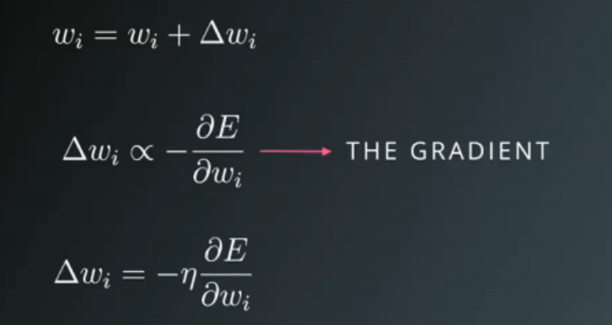

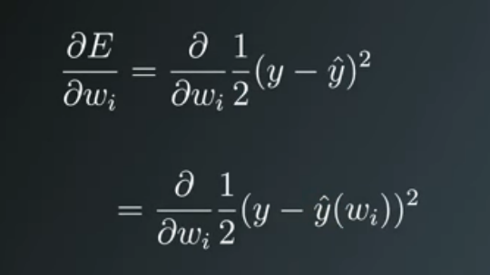

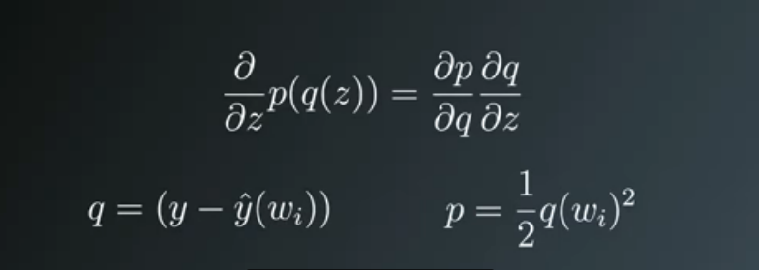

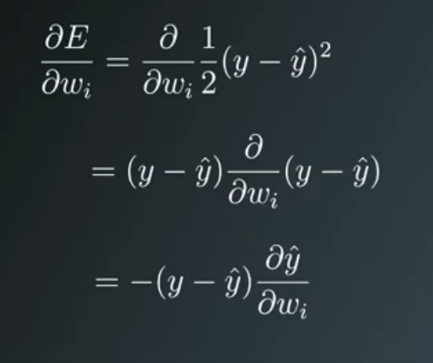

Now I'll write this out in code for the case of only one output unit. We'll also be using the sigmoid as the activation function f(h)f(h)f(h).

# Defining the sigmoid function for activations
def sigmoid(x):
return 1/(1+np.exp(-x))

# Derivative of the sigmoid function
def sigmoid_prime(x):
return sigmoid(x) * (1 - sigmoid(x))

# Input data
x = np.array([0.1, 0.3])
# Target
y = 0.2
# Input to output weights
weights = np.array([-0.8, 0.5])

# The learning rate, eta in the weight step equation
learnrate = 0.5

# The neural network output (y-hat)
nn_output = sigmoid(x[0]*weights[0] + x[1]*weights[1])
# or nn_output = sigmoid(np.dot(x, weights))

# output error (y - y-hat)
error = y - nn_output

# error term (lowercase delta)
error_term = error * sigmoid_prime(np.dot(x,weights))

# Gradient descent step
del_w = [ learnrate * error_term * x[0],
learnrate * error_term * x[1]]
# or del_w = learnrate * error_term * x

