tensorflow
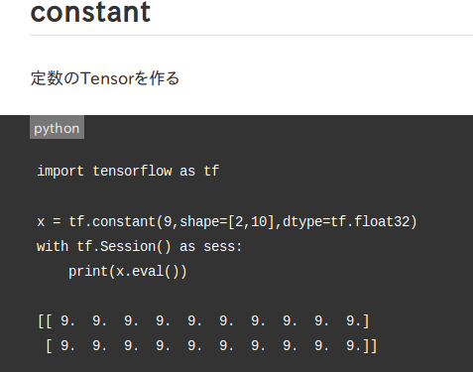
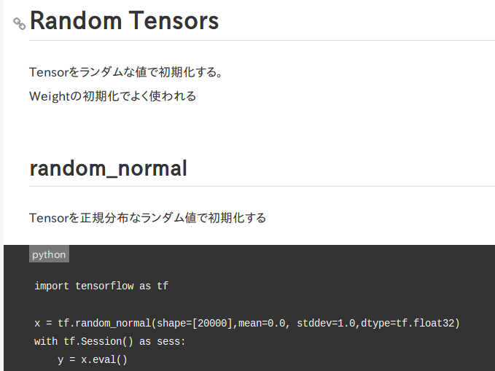
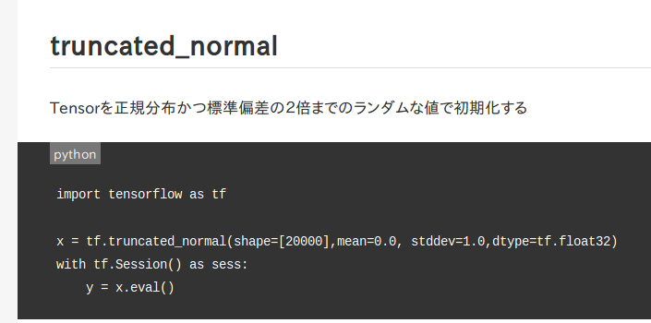
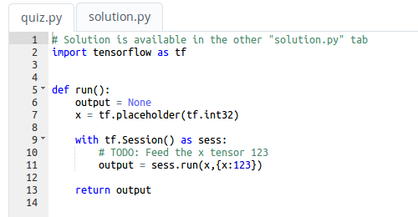

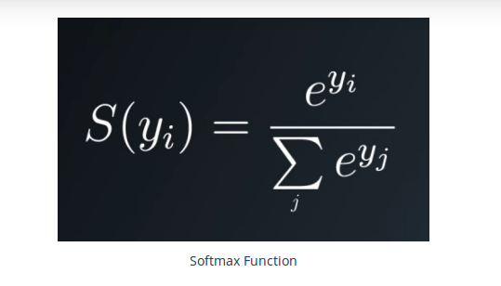

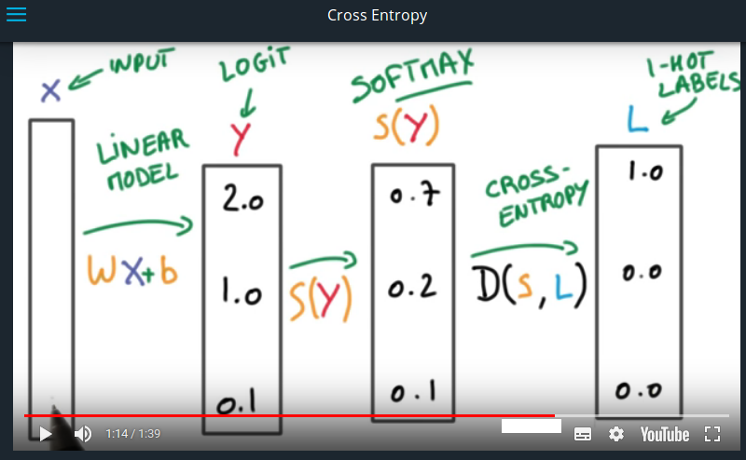

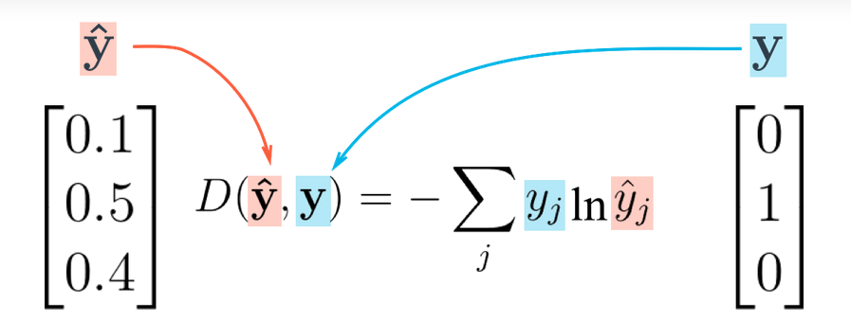

SoftMax
スコアを確率に変える処理

実値は配列で指定

#Print the cross entropy using softmax_data and one_hot_data.
import tensorflow as tf
softmax_data = [0.7, 0.2, 0.1]
one_hot_data = [1.0, 0.0, 0.0]
softmax = tf.placeholder(tf.float32)
one_hot = tf.placeholder(tf.float32)
# TODO: Print cross entropy from session
cross_entropy = -tf.reduce_sum(tf.multiply(one_hot,tf.log(softmax )))
with tf.Session() as SE:
print(SE.run(cross_entropy, feed_dict={softmax: softmax_data, one_hot: one_hot_data}))
データを扱うための
カプセルを定義(place_holder)
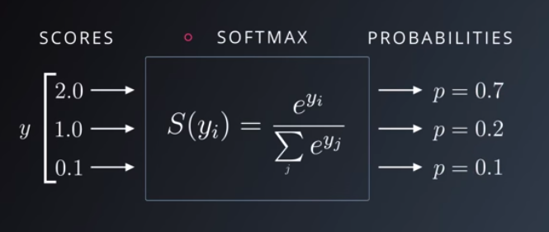

カプセル単位で処理内容を定義
(関数処理)

withを用いたセッション処理
（内部データの自動オープン・クローズ）

With asで指定したステートメントに対して
実行関数runを呼び出し
※実値は辞書で与える（引数指定）⇔先の配列を辞書化する
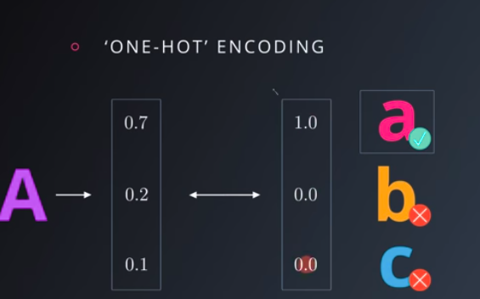

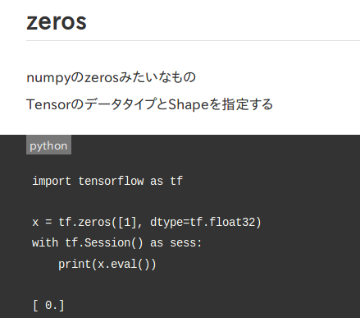
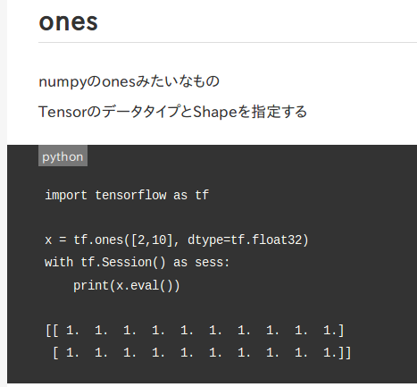

# Remove the previous weights and bias
tf.reset_default_graph()

TensorFlowでは、クラスを使用して進捗状況を保存することができます
tf.train.Saver。
このクラスは、tf.Variableファイルシステムにファイルを
保存する機能を提供します。

OneHotEncodingを
無駄なく行うためのテクニックが
クロスエントロピー
（対数を利用する）

miniflow
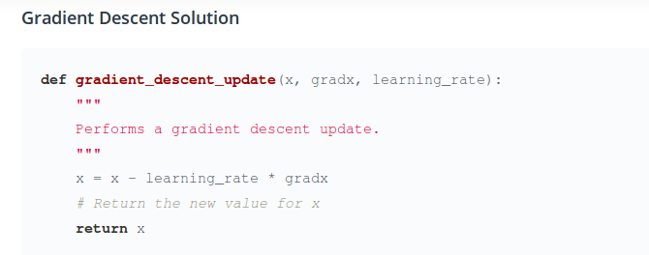
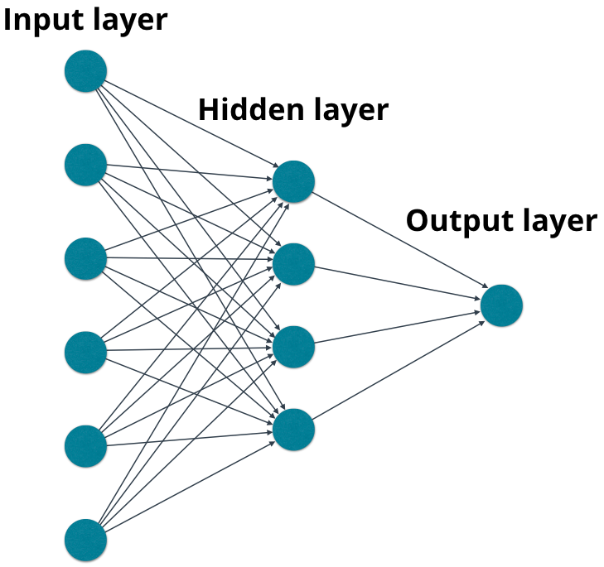

from miniflow import *
x, y = Input(), Input()
f = Add(x, y)
feed_dict = {x: 10, y: 5}
sorted_nodes = topological_sort(feed_dict)
output = forward_pass(f, sorted_nodes)
# NOTE: because topological_sort set the values for the `Input` nodes we could also access
# the value for x with x.value (same goes for y).
print("{} + {} = {} (according to miniflow)".format(feed_dict[x], feed_dict[y], output))

データを扱うための
カプセルを定義(Input)

カプセル単位で処理内容を定義
(関数処理)

miniflowでの実処理は foward_passのコールで行う
※foward_passへのデータ引き渡しはtopological_callで生成した群を適用
※topological_callへの実値引き渡しは辞書で行う⇔配列データの辞書化が必要

NeuralNet
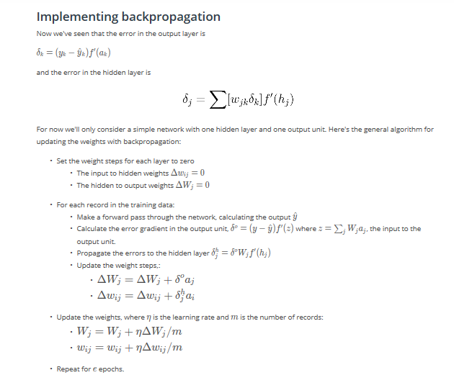
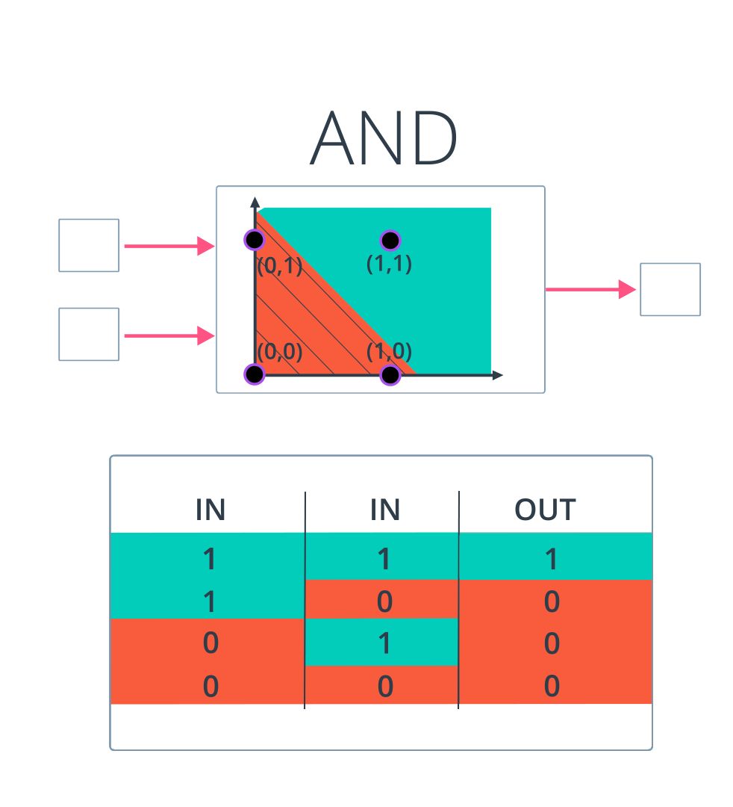
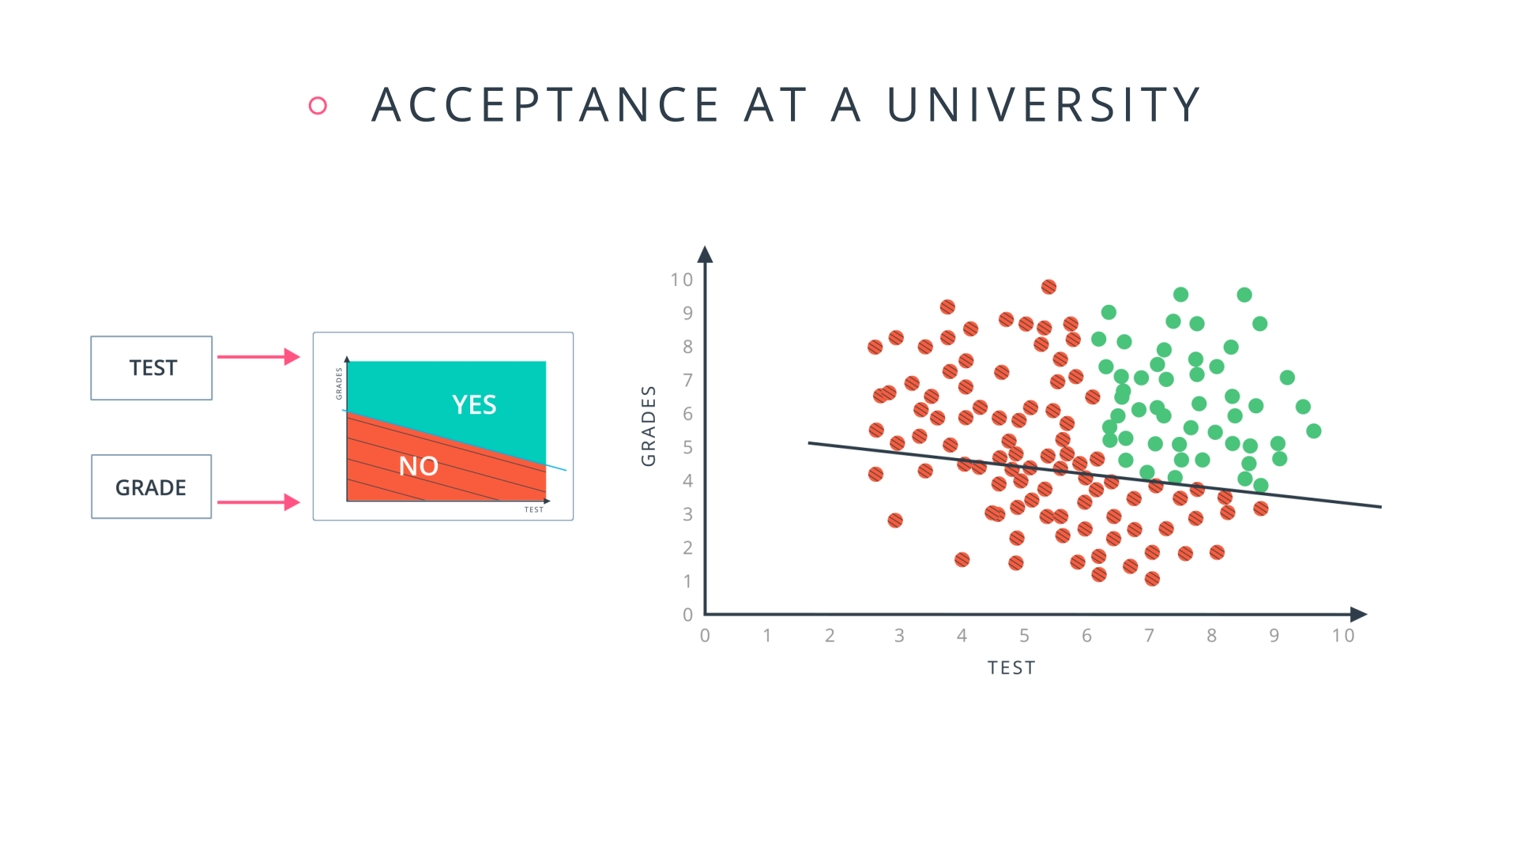
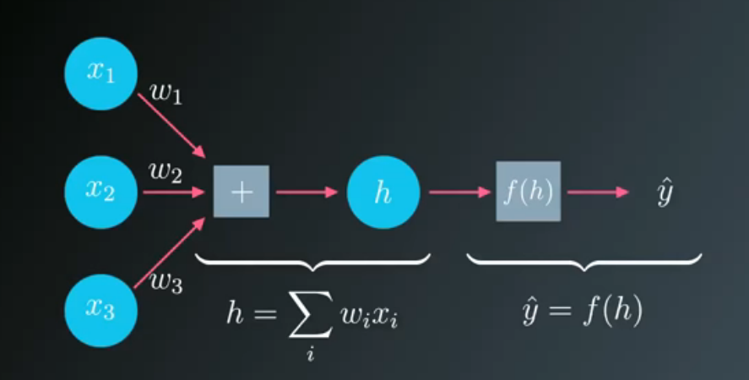

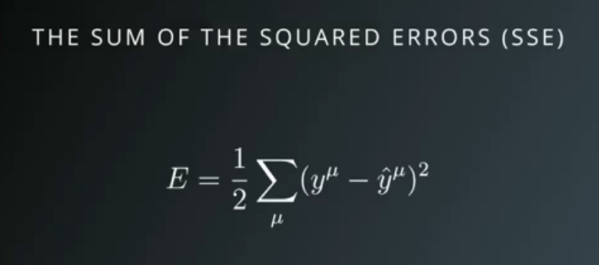

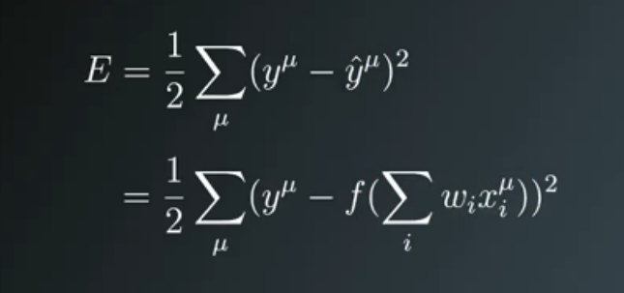

import numpy as np
def xsigmoid(x):
"""
Calculate sigmoid
"""
return 1 / (1 + np.exp(-x))
def xsigmoid_pr(x):
sg= 1 / (1 + np.exp(-x))
return sg*(1-sg)
from data_prep import features, targets, features_test, targets_test
np.random.seed(21)
# Hyperparameters
n_hidden = 2 # number of hidden units
epochs = 900
learnrate = 0.005
n_records, n_features = features.shape
last_loss = None
# Initialize weights
weights_input_hidden = np.random.normal(scale=1 / n_features ** .5,
size=(n_features, n_hidden))
weights_hidden_output = np.random.normal(scale=1 / n_features ** .5,
size=n_hidden)
for e in range(epochs):
del_w_input_hidden = np.zeros(weights_input_hidden.shape)
del_w_hidden_output = np.zeros(weights_hidden_output.shape)
for x, y in zip(features.values, targets):
## Forward pass ##
# TODO: Calculate the output
hidden_input = np.dot(x, weights_input_hidden)
hidden_output = xsigmoid(hidden_input)
HW=np.dot(hidden_output,weights_hidden_output)
output = xsigmoid(HW)
## Backward pass ##
# TODO: Calculate the error
error = y - output
# TODO: Calculate error gradient in output unit
output_error = error *output*(1-output)
# TODO: propagate errors to hidden layer
hidden_error = np.dot(output_error, weights_hidden_output) * \
xsigmoid_pr(hidden_input)
# TODO: Update the change in weights
del_w_hidden_output += output_error * hidden_output
del_w_input_hidden += hidden_error * x[:, None]
# TODO: Update weights
weights_input_hidden += learnrate * del_w_input_hidden / n_records
weights_hidden_output += learnrate * del_w_hidden_output / n_records
# Printing out the mean square error on the training set
if e % (epochs / 10) == 0:
hidden_output = xsigmoid(np.dot(x, weights_input_hidden))
out = xsigmoid(np.dot(hidden_output,
weights_hidden_output))
loss = np.mean((out - targets) ** 2)
if last_loss and last_loss < loss:
print("Train loss: ", loss, " WARNING - Loss Increasing")
else:
print("Train loss: ", loss)
last_loss = loss
# Calculate accuracy on test data
hidden = xsigmoid(np.dot(features_test, weights_input_hidden))
out = xsigmoid(np.dot(hidden, weights_hidden_output))
predictions = out > 0.5
accuracy = np.mean(predictions == targets_test)
print("Prediction accuracy: {:.3f}".format(accuracy))

シグモイドをYとすると シグモイド微分値は 結局 Y*(1-Y)と等価となる
Y'=Y*(1-Y) あるいは f'(x)=f(x)*(1-f(x))

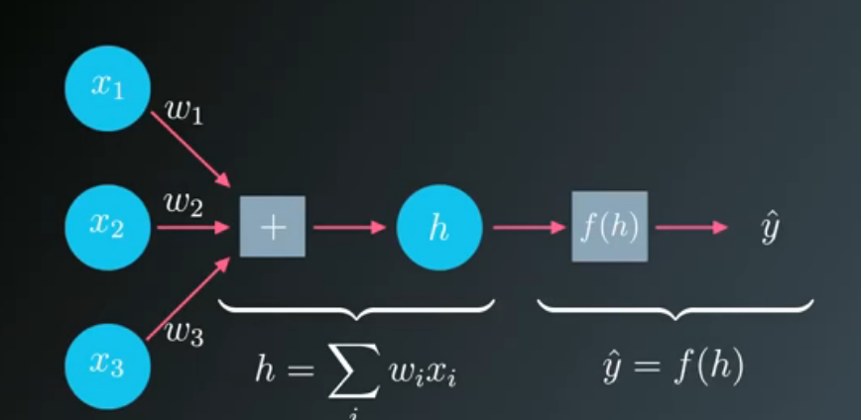

入力はg(x)=∑(w/x)
出力はY^=f(x)=sig(g(x)) ⇔ output
Y-Y^ ⇔ error
δ=（Y-Y^）*f'(x) =∑(w/x) sig'(w*x)
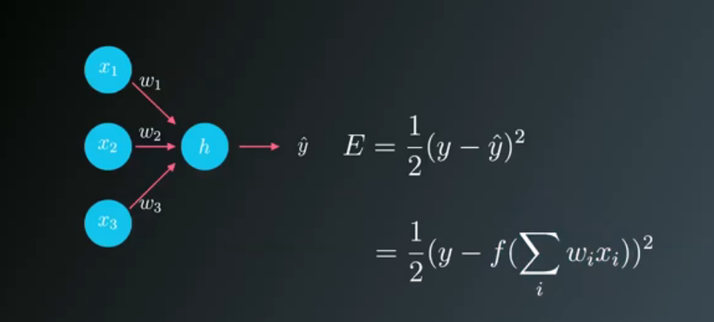

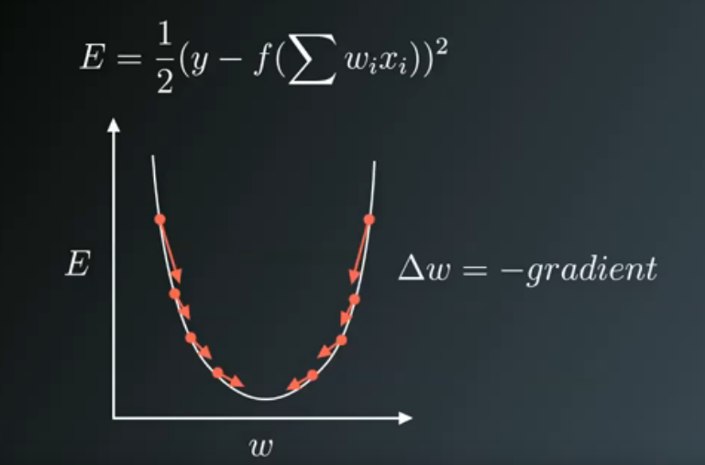

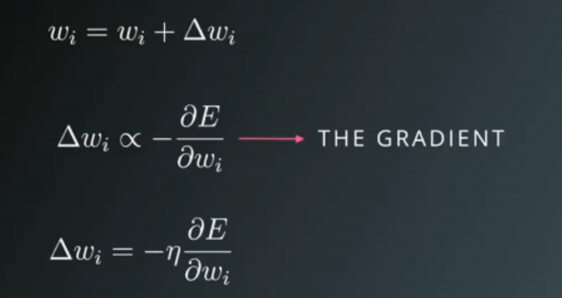

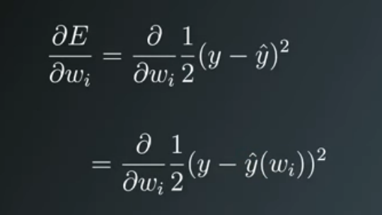

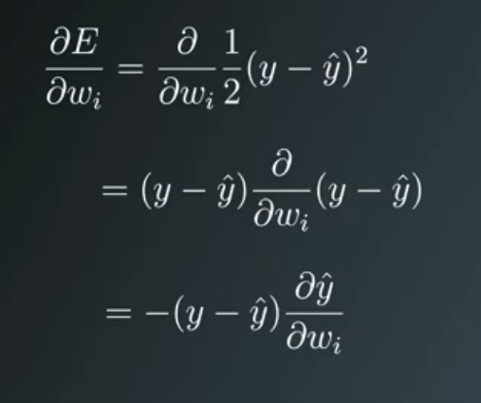

Now I'll write this out in code for the case of only one output unit. We'll also be using the sigmoid as the activation function f(h)f(h)f(h).

# Defining the sigmoid function for activations
def sigmoid(x):
return 1/(1+np.exp(-x))

# Derivative of the sigmoid function
def sigmoid_prime(x):
return sigmoid(x) * (1 - sigmoid(x))

# Input data
x = np.array([0.1, 0.3])
# Target
y = 0.2
# Input to output weights
weights = np.array([-0.8, 0.5])

# The learning rate, eta in the weight step equation
learnrate = 0.5

# The neural network output (y-hat)
nn_output = sigmoid(x[0]*weights[0] + x[1]*weights[1])
# or nn_output = sigmoid(np.dot(x, weights))

# output error (y - y-hat)
error = y - nn_output

# error term (lowercase delta)
error_term = error * sigmoid_prime(np.dot(x,weights))

# Gradient descent step
del_w = [ learnrate * error_term * x[0],
learnrate * error_term * x[1]]
# or del_w = learnrate * error_term * x

deep_learning
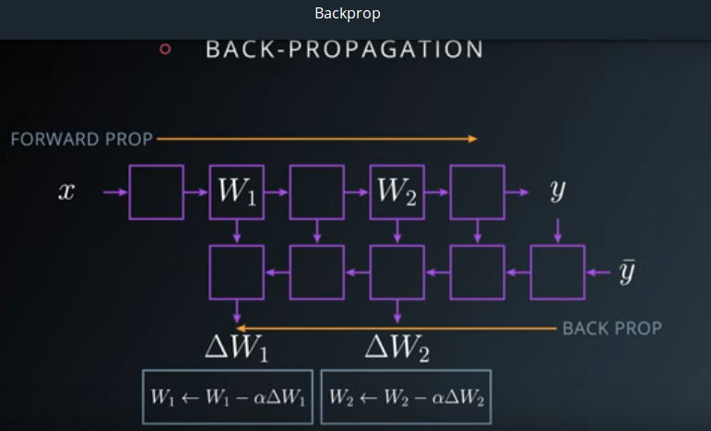
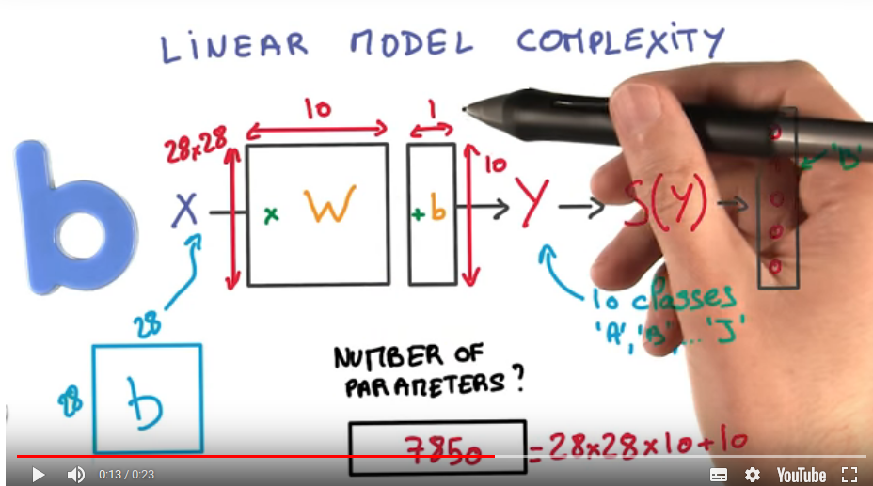

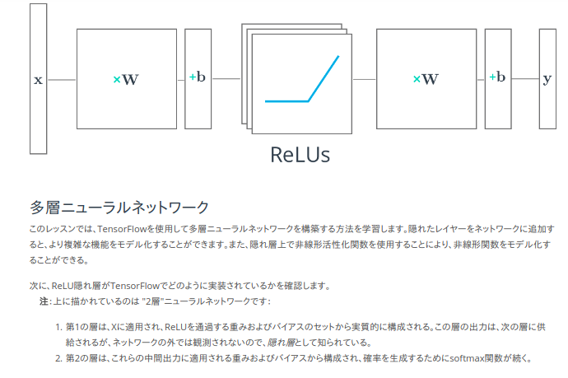
# Solution is available in the other "solution.py" tab
import tensorflow as tf
output = None
hidden_layer_weights = [
[0.1, 0.2, 0.4],
[0.4, 0.6, 0.6],
[0.5, 0.9, 0.1],
[0.8, 0.2, 0.8]]
out_weights = [
[0.1, 0.6],
[0.2, 0.1],
[0.7, 0.9]]
# Weights and biases
weights = [
tf.Variable(hidden_layer_weights),
tf.Variable(out_weights)]
biases = [
tf.Variable(tf.zeros(3)),
tf.Variable(tf.zeros(2))]
# Input
features = tf.Variable([[1.0, 2.0, 3.0, 4.0], [-1.0, -2.0, -3.0, -4.0], [11.0, 12.0, 13.0, 14.0]])
# TODO: Create Model
hidden_layer = tf.add(tf.matmul(features, weights[0]), biases[0])
hidden_layer = tf.nn.relu(hidden_layer)
logits = tf.add(tf.matmul(hidden_layer, weights[1]), biases[1])
# TODO: Print session results
with tf.Session() as sess:
sess.run(tf.global_variables_initializer())
print(sess.run(logits))

initではなくVariableで宣言

CNN
14x14x20です。
数式を使って新しい高さと幅を得ることができます：
(32 - 8 + 2 * 1)/2 + 1 = 14
(32 - 8 + 2 * 1)/2 + 1 = 14
新しい深度はフィルタの数に等しく、これは20です。
これは次のコードに対応します：
input = tf.placeholder(tf.float32, (None, 32, 32, 3))
filter_weights = tf.Variable(tf.truncated_normal((8, 8, 3, 20))) # (height, width, input_depth, output_depth)
filter_bias = tf.Variable(tf.zeros(20))
strides = [1, 2, 2, 1] # (batch, height, width, depth)
padding = 'SAME'
conv = tf.nn.conv2d(input, filter_weights, strides, padding) + filter_bias

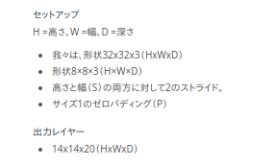
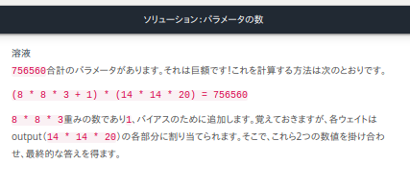

TensorFlowコンボリューションレイヤ
TensorFlowでCNNを実装する方法を調べてみましょう。
TensorFlowは提供tf.nn.conv2d()し、tf.nn.bias_add()独自の畳み込みレイヤーを作成する。
# Output depth
k_output = 64
# Image Properties
image_width = 10
image_height = 10
color_channels = 3
# Convolution filter
filter_size_width = 5
filter_size_height = 5
# Input/Image
input = tf.placeholder( tf.float32, shape=[None, image_height, image_width, color_channels])
# Weight and bias
weight = tf.Variable(tf.truncated_normal( [filter_size_height, filter_size_width, color_channels, k_output]))
bias = tf.Variable(tf.zeros(k_output))
# Apply Convolution
conv_layer = tf.nn.conv2d(input, weight, strides=[1, 2, 2, 1], padding='SAME')
# Add bias
conv_layer = tf.nn.bias_add(conv_layer, bias)
# Apply activation function
conv_layer = tf.nn.relu(conv_layer)

"""
Setup the strides, padding and filter weight/bias such that
the output shape is (1, 2, 2, 3).
"""
import tensorflow as tf
import numpy as np
# `tf.nn.conv2d` requires the input be 4D (batch_size, height, width, depth)
# (1, 4, 4, 1)
x = np.array([
[0, 1, 0.5, 10],
[2, 2.5, 1, -8],
[4, 0, 5, 6],
[15, 1, 2, 3]], dtype=np.float32).reshape((1, 4, 4, 1))
X = tf.constant(x)
def conv2d(input):
# Filter (weights and bias)
# The shape of the filter weight is (height, width, input_depth, output_depth)
# The shape of the filter bias is (output_depth,)
# TODO: Define the filter weights `F_W` and filter bias `F_b`.
# NOTE: Remember to wrap them in `tf.Variable`, they are trainable parameters after all.
F_W= tf.Variable(tf.truncated_normal((2, 2, 1, 3)))
F_b = tf.Variable(tf.zeros(3))
F_k = tf.Variable(tf.constant(70,shape=[2,2,1,3],dtype=tf.float32))
F_t = tf.Variable(tf.constant(70,shape=[3,],dtype=tf.float32))
F_W=F_k
F_b=F_t #No checked to Value,Only checked Size (kshiba)
# TODO: Set the stride for each dimension (batch_size, height, width, depth)
strides = [1, 2, 2, 1]
# TODO: set the padding, either 'VALID' or 'SAME'.
padding = 'VALID'
# https://www.tensorflow.org/versions/r0.11/api_docs/python/nn.html#conv2d
# `tf.nn.conv2d` does not include the bias computation so we have to add it ourselves after.
return tf.nn.conv2d(input, F_W, strides, padding) + F_b
out = conv2d(X)

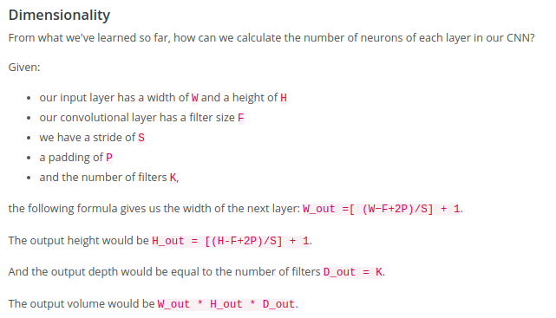

choose 'VALID' for the padding algorithm.

