The Project
 |  | Solarpark Breisgau Süd

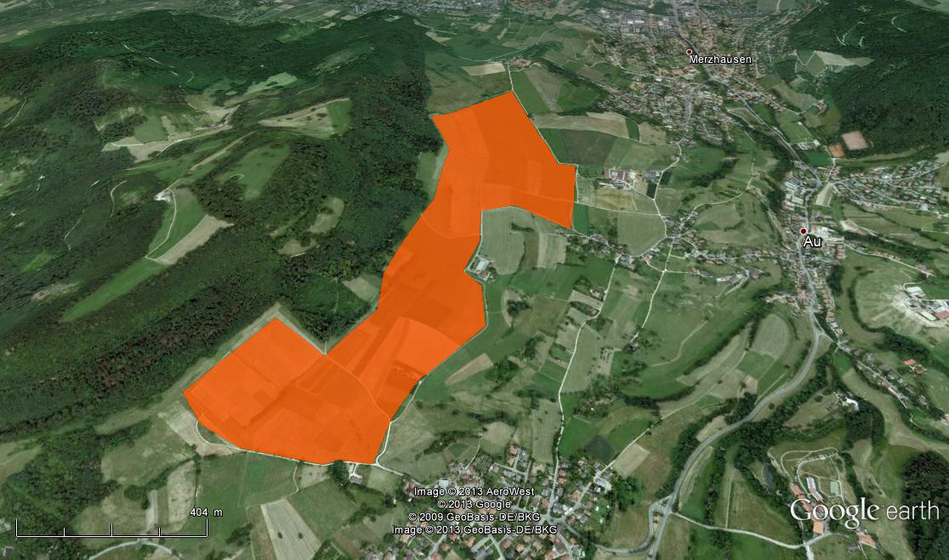

 | Source:
 | http://solitechdevices.com/Product_Image/Waldpolenz__3__01_62f37bf960.jpg

 | MK invest - one of Germany's most innovative renewable investment funds, introduces a new attractive investment opportunity to its valued customers - the Solarpark Breisgau Süd. On a 52ha site, a 35MW solar park will supply electricity to 10,000 homes and generate attractive revenue for its investors.

InputOutput
 | CFADS | Debt Service | DSCR
2015 | 2,894,253 | 768,378 | 3.77
2016 | 2,882,957 | 768,378 | 3.75
2017 | 2,867,516 | 2,185,729 | 1.31
2018 | 2,847,926 | 2,134,504 | 1.33
2019 | 2,828,101 | 2,083,278 | 1.36
2020 | 2,808,037 | 2,032,053 | 1.38
2021 | 2,787,728 | 1,980,828 | 1.41
2022 | 2,767,169 | 1,929,603 | 1.43
2023 | 2,746,356 | 1,878,378 | 1.46
2024 | 2,725,284 | 1,827,152 | 1.49
2025 | 2,703,946 | 1,775,927 | 1.52
2026 | 2,682,339 | 1,724,702 | 1.56
2027 | 2,660,457 | 1,673,477 | 1.59
2028 | 2,638,293 | 1,622,252 | 1.63
2029 | 2,615,843 | 1,571,026 | 1.67
2030 | 2,593,101 | 1,519,801 | 1.71
2031 | 2,294,094 | 1,468,576 | 1.56
2032 | 2,274,668 | 0 | 0.00
2033 | 2,258,851 | 0 | 0.00
2034 | 2,242,717 | 0 | 0.00
Run scenario:
Input |  |  |  |  |  | Results |  |  |  |  |  |  |  |  |  |  |  |  |  |  |  |  |  |  |  |  |  | For Dropdown
 |  |  | Unit |  |  |  |  | Unit
Production | Base case | 42,545,413 | kWh |  |  | Cost of equity (Capital Asset Pricing Model (CAPM)) |  | 3.25% |  |  |  |  |  |  |  |  |  |  |  |  |  |  |  |  |  |  |  | Depreciation time | Debt maturity
 | Bank Case | 40,622,751 | kWh | Bank Case | P75 | WACC |  | 3.48% |  |  |  |  |  |  |  |  |  |  |  |  |  |  |  |  |  |  |  | 10 | 1
 | Worst Case | 38,892,295 | kWh |  |  | NPV |  | 9,501,450 | EUR |  |  |  |  |  |  |  |  |  |  |  |  |  |  |  |  |  |  | 11 | 2
 |  |  |  |  |  | IRR |  | 7.01% | (Bank Case) |  |  |  |  |  |  |  |  |  |  |  |  |  |  |  |  |  |  | 12 | 3
Credit type:
Financing | Debt | 75.00% |  |  |  | IRR of sponsors |  | 15.90% | (Bank Case) |  |  |  |  |  |  |  |  |  |  |  |  |  |  |  |  |  |  | 13 | 4
 | Equity | 7,214,817 | EUR (real) |  |  | ADSCR |  | 2.00 |  |  |  |  |  |  |  |  |  |  |  |  |  |  |  |  |  |  |  | 14 | 5
 |  |  |  | Constant Payment |  | LCE |  | 0.0698 | EUR/kWh |  |  |  |  |  |  |  |  |  |  |  |  |  |  |  |  |  |  | 15 | 6
 | Maturity | 15 | years |  |  |  |  |  |  |  |  |  |  |  |  |  |  |  |  |  |  |  |  |  |  |  |  | 16 | 7
 | Limit | -21,644,451 | EUR (real) |  |  |  |  |  |  |  |  |  |  |  |  |  |  |  |  |  |  |  |  |  |  |  |  |  | 8
 | Repayment free years | 2 |  |  |  |  |  |  |  |  |  |  |  |  |  |  |  |  |  |  |  |  |  |  |  |  |  |  | 9
 | Interest Rate | 3.55% | p.a. |  |  |  |  |  |  |  |  |  |  |  |  |  |  |  |  |  |  |  |  |  |  |  |  |  | 10
 |  |  |  |  |  |  |  |  |  |  |  |  |  |  |  |  |  |  |  |  |  |  |  |  |  |  |  |  | 11
Other | Depreciation | 16 | years |  |  |  |  |  |  |  |  |  |  |  |  |  |  |  |  |  |  |  |  |  |  |  |  |  | 12
 |  |  |  |  |  |  |  |  |  |  |  |  |  |  |  |  |  |  |  |  |  |  |  |  |  |  |  |  | 13
 | Tax Rate | 2.0% |  |  |  |  |  |  |  |  |  |  |  |  |  |  |  |  |  |  |  |  |  |  |  |  |  |  | 14
 | Basic Federal Rate | 3.50% |  |  |  |  |  |  |  |  |  |  |  |  |  |  |  |  |  |  |  |  |  |  |  |  |  |  | 15
 | Rate of Asessment | 380% |  |  |  |  |  |  |  |  |  |  |  |  |  |  |  |  |  |  |  |  |  |  |  |  |  |  | 16
 |  |  |  |  |  |  |  |  |  |  |  |  |  |  |  |  |  |  |  |  |  |  |  |  |  |  |  |  | 17
 | Inflation | 2% | p.a. |  |  |  |  |  |  |  |  |  |  |  |  |  |  |  |  |  |  |  |  |  |  |  |  |  | 18
 | Discount Rate (WACC) | 3.48% |  |  |  | Profit & Loss Statement |  |  |  |  |  |  |  |  |  |  |  |  |  |  |  |  |  |  |  |  |  |  | 19
 |  |  |  |  |  |  | Unit | 2015 | 2016 | 2017 | 2018 | 2019 | 2020 | 2021 | 2022 | 2023 | 2024 | 2025 | 2026 | 2027 | 2028 | 2029 | 2030 | 2031 | 2032 | 2033 | 2034 |  | 20
WACC parameters | Risk free rate | 1.63% |  |  |  | Revenues | EUR (nominal) | 3,615,425 | 3,615,425 | 3,615,425 | 3,615,425 | 3,615,425 | 3,615,425 | 3,615,425 | 3,615,425 | 3,615,425 | 3,615,425 | 3,615,425 | 3,615,425 | 3,615,425 | 3,615,425 | 3,615,425 | 3,615,425 | 3,615,425 | 3,615,425 | 3,615,425 | 3,615,425
 | β-coefficient | 0.28 |  |  |  | OPEX | EUR (nominal) | -666,823 | -680,160 | -693,763 | -707,638 | -721,791 | -736,227 | -750,951 | -765,970 | -781,290 | -796,916 | -812,854 | -829,111 | -845,693 | -862,607 | -879,859 | -897,456 | -915,405 | -933,714 | -952,388 | -971,436
 | Market risk premium | 5.8% |  |  |  | EBITDA | EUR (nominal) | 2,948,602 | 2,935,265 | 2,921,662 | 2,907,787 | 2,893,634 | 2,879,198 | 2,864,474 | 2,849,455 | 2,834,135 | 2,818,509 | 2,802,571 | 2,786,314 | 2,769,732 | 2,752,818 | 2,735,566 | 2,717,969 | 2,700,019 | 2,681,711 | 2,663,037 | 2,643,989
 |  |  |  |  |  | Depreciations | EUR (nominal) | -1,803,704 | -1,803,704 | -1,803,704 | -1,803,704 | -1,803,704 | -1,803,704 | -1,803,704 | -1,803,704 | -1,803,704 | -1,803,704 | -1,803,704 | -1,803,704 | -1,803,704 | -1,803,704 | -1,803,704 | -1,803,704 | 0 | 0 | 0 | 0
 |  |  |  |  |  | EBIT | EUR (nominal) | 1,144,897 | 1,131,561 | 1,117,958 | 1,104,082 | 1,089,930 | 1,075,494 | 1,060,769 | 1,045,750 | 1,030,431 | 1,014,805 | 998,867 | 982,610 | 966,027 | 949,114 | 931,861 | 914,264 | 2,700,019 | 2,681,711 | 2,663,037 | 2,643,989
 |  |  |  |  |  | Net financial income | EUR (nominal) | -768,378 | -768,378 | -742,765 | -691,540 | -640,315 | -589,090 | -537,865 | -486,639 | -435,414 | -384,189 | -332,964 | -281,739 | -230,513 | -179,288 | -128,063 | -76,838 | -25,613 | 0 | 0 | 0
 |  |  |  |  |  | EBT | EUR (nominal) | 376,519 | 363,183 | 375,192 | 412,542 | 449,615 | 486,404 | 522,905 | 559,111 | 595,017 | 630,616 | 665,903 | 700,871 | 735,514 | 769,825 | 803,798 | 837,426 | 2,674,407 | 2,681,711 | 2,663,037 | 2,643,989
 |  |  |  |  |  | Accounting tax | EUR (nominal) | -54,349 | -52,308 | -54,146 | -59,860 | -65,533 | -71,161 | -76,746 | -82,285 | -87,779 | -93,226 | -98,625 | -103,975 | -109,275 | -114,525 | -119,723 | -124,868 | -405,926 | -407,043 | -404,186 | -401,272
 |  |  |  |  |  | Profit after tax | EUR (nominal) | 322,170 | 310,874 | 321,046 | 352,682 | 384,082 | 415,243 | 446,159 | 476,825 | 507,238 | 537,390 | 567,278 | 596,896 | 626,239 | 655,301 | 684,076 | 712,559 | 2,268,481 | 2,274,668 | 2,258,851 | 2,242,717

 |  |  |  |  |  | Cash waterfall

 |  |  |  |  |  | Revenues | EUR (nominal) | 3,615,425 | 3,615,425 | 3,615,425 | 3,615,425 | 3,615,425 | 3,615,425 | 3,615,425 | 3,615,425 | 3,615,425 | 3,615,425 | 3,615,425 | 3,615,425 | 3,615,425 | 3,615,425 | 3,615,425 | 3,615,425 | 3,615,425 | 3,615,425 | 3,615,425 | 3,615,425
 |  |  |  |  |  | OPEX | EUR (nominal) | -666,823 | -680,160 | -693,763 | -707,638 | -721,791 | -736,227 | -750,951 | -765,970 | -781,290 | -796,916 | -812,854 | -829,111 | -845,693 | -862,607 | -879,859 | -897,456 | -915,405 | -933,714 | -952,388 | -971,436
 |  |  |  |  |  | Tax | EUR (nominal) | -54,349 | -52,308 | -54,146 | -59,860 | -65,533 | -71,161 | -76,746 | -82,285 | -87,779 | -93,226 | -98,625 | -103,975 | -109,275 | -114,525 | -119,723 | -124,868 | -405,926 | -407,043 | -404,186 | -401,272
 |  |  |  |  |  | CFADS | EUR (nominal) | 2,894,253 | 2,882,957 | 2,867,516 | 2,847,926 | 2,828,101 | 2,808,037 | 2,787,728 | 2,767,169 | 2,746,356 | 2,725,284 | 2,703,946 | 2,682,339 | 2,660,457 | 2,638,293 | 2,615,843 | 2,593,101 | 2,294,094 | 2,274,668 | 2,258,851 | 2,242,717
 |  |  |  |  |  | Interest | EUR (nominal) | -768,378 | -768,378 | -742,765 | -691,540 | -640,315 | -589,090 | -537,865 | -486,639 | -435,414 | -384,189 | -332,964 | -281,739 | -230,513 | -179,288 | -128,063 | -76,838 | -25,613 | 0 | 0 | 0
 |  |  |  |  |  | Repayment | EUR (nominal) | 0 | 0 | -1,442,963 | -1,442,963 | -1,442,963 | -1,442,963 | -1,442,963 | -1,442,963 | -1,442,963 | -1,442,963 | -1,442,963 | -1,442,963 | -1,442,963 | -1,442,963 | -1,442,963 | -1,442,963 | -1,442,963 | 0 | 0 | 0
 |  |  |  |  |  | Cash flow for sponsors | EUR (nominal) | 2,125,875 | 2,114,579 | 681,787 | 713,423 | 744,823 | 775,984 | 806,900 | 837,566 | 867,978 | 898,131 | 928,019 | 957,637 | 986,980 | 1,016,041 | 1,044,817 | 1,073,300 | 825,518 | 2,274,668 | 2,258,851 | 2,242,717

 |  |  |  |  |  | Annual Results
 |  |  |  |  |  |  | MIN
 |  |  |  |  |  | OPEX |  | 666,823 | 680,160 | 693,763 | 707,638 | 721,791 | 736,227 | 750,951 | 765,970 | 781,290 | 796,916 | 812,854 | 829,111 | 845,693 | 862,607 | 879,859 | 897,456 | 915,405 | 933,714 | 952,388 | 971,436
 |  |  |  |  |  | DSCR | 1.3119 | 3.77 | 3.75 | 1.31 | 1.33 | 1.36 | 1.38 | 1.41 | 1.43 | 1.46 | 1.49 | 1.52 | 1.56 | 1.59 | 1.63 | 1.67 | 1.71 | 1.56 | 0.00 | 0.00 | 0.00
 |  |  |  |  |  | CFADS |  | 2,894,253 | 2,882,957 | 2,867,516 | 2,847,926 | 2,828,101 | 2,808,037 | 2,787,728 | 2,767,169 | 2,746,356 | 2,725,284 | 2,703,946 | 2,682,339 | 2,660,457 | 2,638,293 | 2,615,843 | 2,593,101 | 2,294,094 | 2,274,668 | 2,258,851 | 2,242,717
 |  |  |  |  |  | Net Cash flow after debt service |  | 2,125,875 | 2,114,579 | 681,787 | 713,423 | 744,823 | 775,984 | 806,900 | 837,566 | 867,978 | 898,131 | 928,019 | 957,637 | 986,980 | 1,016,041 | 1,044,817 | 1,073,300 | 825,518 | 2,274,668 | 2,258,851 | 2,242,717

 |  |  |  |  |  | Sensitivity Analysis, target variable: IRR of sponsors

Sensivity analysisAbsolute IRR of sponsors

Graphs
 | 2015 | 2016 | 2017 | 2018 | 2019 | 2020 | 2021 | 2022 | 2023 | 2024 | 2025 | 2026 | 2027 | 2028 | 2029 | 2030 | 2031 | 2032 | 2033 | 2034
OPEX | 666,823 | 680,160 | 693,763 | 707,638 | 721,791 | 736,227 | 750,951 | 765,970 | 781,290 | 796,916 | 812,854 | 829,111 | 845,693 | 862,607 | 879,859 | 897,456 | 915,405 | 933,714 | 952,388 | 971,436
Tax | 54,349 | 52,308 | 54,146 | 59,860 | 65,533 | 71,161 | 76,746 | 82,285 | 87,779 | 93,226 | 98,625 | 103,975 | 109,275 | 114,525 | 119,723 | 124,868 | 405,926 | 407,043 | 404,186 | 401,272
Interest | 768,378 | 768,378 | 742,765 | 691,540 | 640,315 | 589,090 | 537,865 | 486,639 | 435,414 | 384,189 | 332,964 | 281,739 | 230,513 | 179,288 | 128,063 | 76,838 | 25,613 | 0 | 0 | 0
Repayment | 0 | 0 | 1,442,963 | 1,442,963 | 1,442,963 | 1,442,963 | 1,442,963 | 1,442,963 | 1,442,963 | 1,442,963 | 1,442,963 | 1,442,963 | 1,442,963 | 1,442,963 | 1,442,963 | 1,442,963 | 1,442,963 | 0 | 0 | 0
Cash flow for sponsors | 2,125,875 | 2,114,579 | 681,787 | 713,423 | 744,823 | 775,984 | 806,900 | 837,566 | 867,978 | 898,131 | 928,019 | 957,637 | 986,980 | 1,016,041 | 1,044,817 | 1,073,300 | 825,518 | 2274667.9687 | 2258850.8614 | 2242717.4119

 |  |  |  |  |  |  |  |  |  |  |  | -1

