The Project
 |  | Solarpark Breisgau Süd

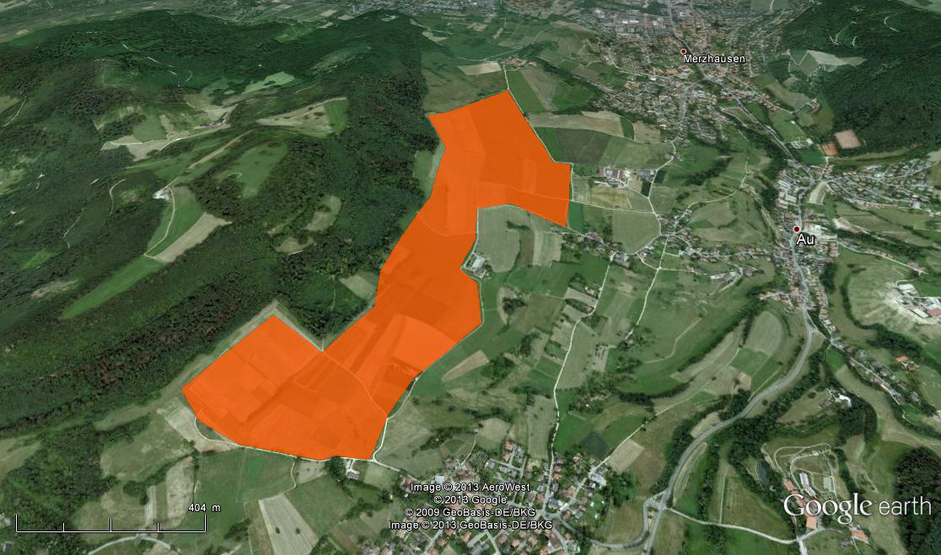

 | Source:
 | http://solitechdevices.com/Product_Image/Waldpolenz__3__01_62f37bf960.jpg

 | MK invest - one of Germany's most innovative renewable investment funds, introduces a new attractive investment opportunity to its valued customers - the Solarpark Breisgau Süd. On a 52ha site, a 35MW solar park will supply electricity to 10,000 homes and generate attractive revenue for its investors.

InputOutput
 | CFADS | Debt Service | DSCR
2015 | 1,017,158 | 617,857 | 1.65
2016 | 1,012,047 | 617,857 | 1.64
2017 | 1,003,925 | 1,054,934 | 0.95
2018 | 992,777 | 1,013,743 | 0.98
2019 | 981,326 | 972,553 | 1.01
2020 | 969,557 | 931,362 | 1.04
2021 | 957,453 | 890,172 | 1.08
2022 | 944,995 | 848,981 | 1.11
2023 | 932,166 | 807,791 | 1.15
2024 | 918,945 | 766,600 | 1.20
2025 | 905,311 | 725,410 | 1.25
2026 | 891,242 | 684,219 | 1.30
2027 | 876,716 | 643,029 | 1.36
2028 | 861,707 | 601,838 | 1.43
2029 | 846,190 | 560,648 | 1.51
2030 | 830,138 | 519,458 | 1.60
2031 | 732,000 | 478,267 | 1.53
2032 | 702,406 | 0 | 0.00
2033 | 688,983 | 0 | 0.00
2034 | 676,268 | 0 | 0.00
Run scenario:
Input |  |  |  |  |  | Results |  |  |  |  |  |  |  |  |  |  |  |  |  |  |  |  |  |  |  |  |  | For Dropdown
 |  |  | Unit |  |  |  |  | Unit
Production | Base case | 34,632,388 | kWh |  |  | Cost of equity (Capital Asset Pricing Model (CAPM)) |  | 3.25% |  |  |  |  |  |  |  |  |  |  |  |  |  |  |  |  |  |  |  | Depreciation time | Debt maturity
 | Bank Case | 33,067,322 | kWh | Bank Case | P75 | WACC |  | 7.28% |  |  |  |  |  |  |  |  |  |  |  |  |  |  |  |  |  |  |  | 10 | 1
 | Worst Case | 31,658,714 | kWh |  |  | NPV |  | -206,621 | EUR |  |  |  |  |  |  |  |  |  |  |  |  |  |  |  |  |  |  | 11 | 2
 |  |  |  |  |  | IRR |  | 6.98% | (Bank Case) |  |  |  |  |  |  |  |  |  |  |  |  |  |  |  |  |  |  | 12 | 3
Credit type:
Financing | Debt | 70.00% |  |  |  | IRR of sponsors |  | 4.19% | (Bank Case) |  |  |  |  |  |  |  |  |  |  |  |  |  |  |  |  |  |  | 13 | 4
 | Equity | 2,942,176 | EUR (real) |  |  | ADSCR |  | 1.45 |  |  |  |  |  |  |  |  |  |  |  |  |  |  |  |  |  |  |  | 14 | 5
 |  |  |  | Constant Payment |  | LCE |  | 0.0337 | EUR/kWh |  |  |  |  |  |  |  |  |  |  |  |  |  |  |  |  |  |  | 15 | 6
 | Maturity | 15 | years |  |  |  |  |  |  |  |  |  |  |  |  |  |  |  |  |  |  |  |  |  |  |  |  | 16 | 7
 | Limit | -6,865,077 | EUR (real) |  |  |  |  |  |  |  |  |  |  |  |  |  |  |  |  |  |  |  |  |  |  |  |  |  | 8
 | Repayment free years | 2 |  |  |  |  |  |  |  |  |  |  |  |  |  |  |  |  |  |  |  |  |  |  |  |  |  |  | 9
 | Interest Rate | 9.00% | p.a. |  |  |  |  |  |  |  |  |  |  |  |  |  |  |  |  |  |  |  |  |  |  |  |  |  | 10
 |  |  |  |  |  |  |  |  |  |  |  |  |  |  |  |  |  |  |  |  |  |  |  |  |  |  |  |  | 11
Other | Depreciation | 16 | years |  |  |  |  |  |  |  |  |  |  |  |  |  |  |  |  |  |  |  |  |  |  |  |  |  | 12
 |  |  |  |  |  |  |  |  |  |  |  |  |  |  |  |  |  |  |  |  |  |  |  |  |  |  |  |  | 13
 | Tax Rate | 2.0% |  |  |  |  |  |  |  |  |  |  |  |  |  |  |  |  |  |  |  |  |  |  |  |  |  |  | 14
 | Basic Federal Rate | 3.50% |  |  |  |  |  |  |  |  |  |  |  |  |  |  |  |  |  |  |  |  |  |  |  |  |  |  | 15
 | Rate of Asessment | 380% |  |  |  |  |  |  |  |  |  |  |  |  |  |  |  |  |  |  |  |  |  |  |  |  |  |  | 16
 |  |  |  |  |  |  |  |  |  |  |  |  |  |  |  |  |  |  |  |  |  |  |  |  |  |  |  |  | 17
 | Inflation | 5% | p.a. |  |  |  |  |  |  |  |  |  |  |  |  |  |  |  |  |  |  |  |  |  |  |  |  |  | 18
 | Discount Rate (WACC) | 7.28% |  |  |  | Profit & Loss Statement |  |  |  |  |  |  |  |  |  |  |  |  |  |  |  |  |  |  |  |  |  |  | 19
 |  |  |  |  |  |  | Unit | 2015 | 2016 | 2017 | 2018 | 2019 | 2020 | 2021 | 2022 | 2023 | 2024 | 2025 | 2026 | 2027 | 2028 | 2029 | 2030 | 2031 | 2032 | 2033 | 2034 |  | 20
WACC parameters | Risk free rate | 1.63% |  |  |  | Revenues | EUR (nominal) | 1,091,222 | 1,091,222 | 1,091,222 | 1,091,222 | 1,091,222 | 1,091,222 | 1,091,222 | 1,091,222 | 1,091,222 | 1,091,222 | 1,091,222 | 1,091,222 | 1,091,222 | 1,091,222 | 1,091,222 | 1,091,222 | 1,091,222 | 1,091,222 | 1,091,222 | 1,091,222
 | β-coefficient | 0.28 |  |  |  | OPEX | EUR (nominal) | -110,596 | -116,491 | -122,700 | -129,240 | -136,129 | -143,384 | -151,027 | -159,076 | -167,555 | -176,486 | -185,893 | -195,801 | -206,237 | -217,229 | -228,808 | -241,003 | -253,849 | -267,379 | -281,630 | -296,641
 | Market risk premium | 5.8% |  |  |  | EBITDA | EUR (nominal) | 980,625 | 974,730 | 968,521 | 961,981 | 955,093 | 947,837 | 940,195 | 932,145 | 923,666 | 914,736 | 905,329 | 895,421 | 884,985 | 873,992 | 862,414 | 850,219 | 837,373 | 823,843 | 809,592 | 794,581
 |  |  |  |  |  | Depreciations | EUR (nominal) | -612,953 | -612,953 | -612,953 | -612,953 | -612,953 | -612,953 | -612,953 | -612,953 | -612,953 | -612,953 | -612,953 | -612,953 | -612,953 | -612,953 | -612,953 | -612,953 | 0 | 0 | 0 | 0
 |  |  |  |  |  | EBIT | EUR (nominal) | 367,672 | 361,777 | 355,568 | 349,028 | 342,140 | 334,884 | 327,242 | 319,192 | 310,713 | 301,782 | 292,376 | 282,468 | 272,031 | 261,039 | 249,461 | 237,265 | 837,373 | 823,843 | 809,592 | 794,581
 |  |  |  |  |  | Net financial income | EUR (nominal) | -617,857 | -617,857 | -597,262 | -556,071 | -514,881 | -473,690 | -432,500 | -391,309 | -350,119 | -308,928 | -267,738 | -226,548 | -185,357 | -144,167 | -102,976 | -61,786 | -20,595 | 0 | 0 | 0
 |  |  |  |  |  | EBT | EUR (nominal) | -250,185 | -256,080 | -241,694 | -207,043 | -172,741 | -138,806 | -105,258 | -72,118 | -39,406 | -7,146 | 24,638 | 55,920 | 86,674 | 116,872 | 146,484 | 175,480 | 816,778 | 823,843 | 809,592 | 794,581
 |  |  |  |  |  | Accounting tax | EUR (nominal) | 36,533 | 37,317 | 35,404 | 30,795 | 26,233 | 21,720 | 17,258 | 12,850 | 8,499 | 4,209 | -18 | -4,179 | -8,269 | -12,286 | -16,224 | -20,080 | -105,373 | -121,437 | -120,609 | -118,312
 |  |  |  |  |  | Profit after tax | EUR (nominal) | -213,652 | -218,763 | -206,290 | -176,248 | -146,508 | -117,087 | -88,000 | -59,267 | -30,906 | -2,937 | 24,619 | 51,741 | 78,405 | 104,587 | 130,261 | 155,399 | 711,405 | 702,406 | 688,983 | 676,268

 |  |  |  |  |  | Cash waterfall

 |  |  |  |  |  | Revenues | EUR (nominal) | 1,091,222 | 1,091,222 | 1,091,222 | 1,091,222 | 1,091,222 | 1,091,222 | 1,091,222 | 1,091,222 | 1,091,222 | 1,091,222 | 1,091,222 | 1,091,222 | 1,091,222 | 1,091,222 | 1,091,222 | 1,091,222 | 1,091,222 | 1,091,222 | 1,091,222 | 1,091,222
 |  |  |  |  |  | OPEX | EUR (nominal) | -110,596 | -116,491 | -122,700 | -129,240 | -136,129 | -143,384 | -151,027 | -159,076 | -167,555 | -176,486 | -185,893 | -195,801 | -206,237 | -217,229 | -228,808 | -241,003 | -253,849 | -267,379 | -281,630 | -296,641
 |  |  |  |  |  | Tax | EUR (nominal) | 36,533 | 37,317 | 35,404 | 30,795 | 26,233 | 21,720 | 17,258 | 12,850 | 8,499 | 4,209 | -18 | -4,179 | -8,269 | -12,286 | -16,224 | -20,080 | -105,373 | -121,437 | -120,609 | -118,312
 |  |  |  |  |  | CFADS | EUR (nominal) | 1,017,158 | 1,012,047 | 1,003,925 | 992,777 | 981,326 | 969,557 | 957,453 | 944,995 | 932,166 | 918,945 | 905,311 | 891,242 | 876,716 | 861,707 | 846,190 | 830,138 | 732,000 | 702,406 | 688,983 | 676,268
 |  |  |  |  |  | Interest | EUR (nominal) | -617,857 | -617,857 | -597,262 | -556,071 | -514,881 | -473,690 | -432,500 | -391,309 | -350,119 | -308,928 | -267,738 | -226,548 | -185,357 | -144,167 | -102,976 | -61,786 | -20,595 | 0 | 0 | 0
 |  |  |  |  |  | Repayment | EUR (nominal) | 0 | 0 | -457,672 | -457,672 | -457,672 | -457,672 | -457,672 | -457,672 | -457,672 | -457,672 | -457,672 | -457,672 | -457,672 | -457,672 | -457,672 | -457,672 | -457,672 | 0 | 0 | 0
 |  |  |  |  |  | Cash flow for sponsors | EUR (nominal) | 399,301 | 394,191 | -51,008 | -20,966 | 8,773 | 38,195 | 67,281 | 96,014 | 124,375 | 152,344 | 179,901 | 207,023 | 233,687 | 259,868 | 285,542 | 310,681 | 253,733 | 702,406 | 688,983 | 676,268

 |  |  |  |  |  | Annual Results
 |  |  |  |  |  |  | MIN
 |  |  |  |  |  | OPEX |  | 110,596 | 116,491 | 122,700 | 129,240 | 136,129 | 143,384 | 151,027 | 159,076 | 167,555 | 176,486 | 185,893 | 195,801 | 206,237 | 217,229 | 228,808 | 241,003 | 253,849 | 267,379 | 281,630 | 296,641
 |  |  |  |  |  | DSCR | 0.9516 | 1.65 | 1.64 | 0.95 | 0.98 | 1.01 | 1.04 | 1.08 | 1.11 | 1.15 | 1.20 | 1.25 | 1.30 | 1.36 | 1.43 | 1.51 | 1.60 | 1.53 | 0.00 | 0.00 | 0.00
 |  |  |  |  |  | CFADS |  | 1,017,158 | 1,012,047 | 1,003,925 | 992,777 | 981,326 | 969,557 | 957,453 | 944,995 | 932,166 | 918,945 | 905,311 | 891,242 | 876,716 | 861,707 | 846,190 | 830,138 | 732,000 | 702,406 | 688,983 | 676,268
 |  |  |  |  |  | Net Cash flow after debt service |  | 399,301 | 394,191 | -51,008 | -20,966 | 8,773 | 38,195 | 67,281 | 96,014 | 124,375 | 152,344 | 179,901 | 207,023 | 233,687 | 259,868 | 285,542 | 310,681 | 253,733 | 702,406 | 688,983 | 676,268

 |  |  |  |  |  | Sensitivity Analysis, target variable: IRR of sponsors

Sensivity analysisAbsolute IRR of sponsors

Graphs
 | 2015 | 2016 | 2017 | 2018 | 2019 | 2020 | 2021 | 2022 | 2023 | 2024 | 2025 | 2026 | 2027 | 2028 | 2029 | 2030 | 2031 | 2032 | 2033 | 2034
OPEX | 110,596 | 116,491 | 122,700 | 129,240 | 136,129 | 143,384 | 151,027 | 159,076 | 167,555 | 176,486 | 185,893 | 195,801 | 206,237 | 217,229 | 228,808 | 241,003 | 253,849 | 267,379 | 281,630 | 296,641
Tax | -36,533 | -37,317 | -35,404 | -30,795 | -26,233 | -21,720 | -17,258 | -12,850 | -8,499 | -4,209 | 18 | 4,179 | 8,269 | 12,286 | 16,224 | 20,080 | 105,373 | 121,437 | 120,609 | 118,312
Interest | 617,857 | 617,857 | 597,262 | 556,071 | 514,881 | 473,690 | 432,500 | 391,309 | 350,119 | 308,928 | 267,738 | 226,548 | 185,357 | 144,167 | 102,976 | 61,786 | 20,595 | 0 | 0 | 0
Repayment | 0 | 0 | 457,672 | 457,672 | 457,672 | 457,672 | 457,672 | 457,672 | 457,672 | 457,672 | 457,672 | 457,672 | 457,672 | 457,672 | 457,672 | 457,672 | 457,672 | 0 | 0 | 0
Cash flow for sponsors | 399,301 | 394,191 | -51,008 | -20,966 | 8,773 | 38,195 | 67,281 | 96,014 | 124,375 | 152,344 | 179,901 | 207,023 | 233,687 | 259,868 | 285,542 | 310,681 | 253,733 | 702406.0754 | 688982.61588 | 676268.40185

 |  |  |  |  |  |  |  |  |  |  |  | -1

