capacity_factor
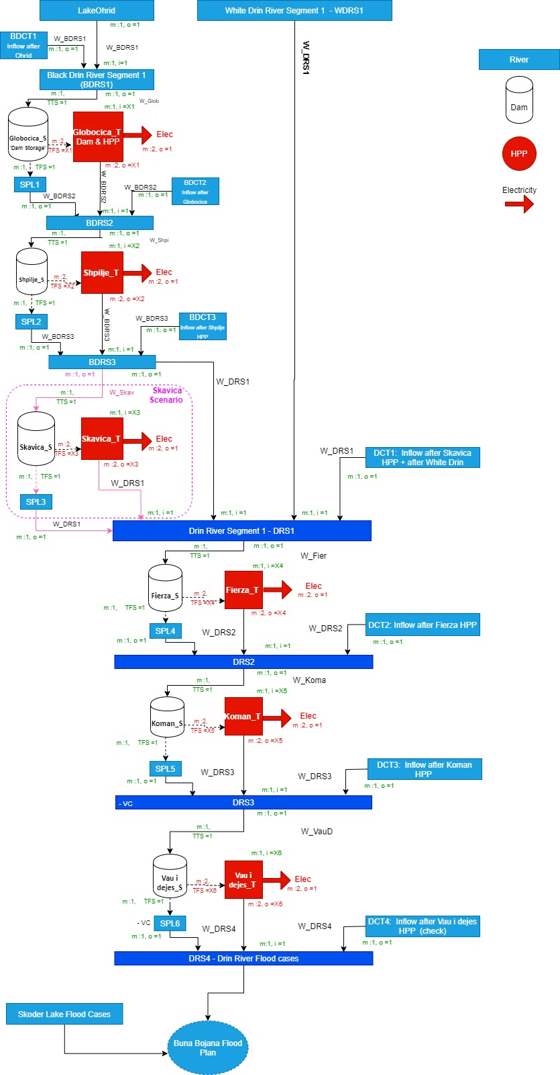
catchment | cf_ehype | cf_panta | e-p %
BDCT1 | 47.2% | 27.1% | 20.1% | The avearage capacity factor in ehype data is higher in NM , but almost the same in AL
BDCT2 | 39.1% | 30.6% | 8.6%
BDCT3 | 34.9% | 29.7% | 5.2%
BDRS1 | 49.6% | 61.4% | -11.8%
BDRS2 | 52.7% | 42.2% | 10.5%
BDRS3 | 46.9% | 36.0% | 10.9%
DCT1 | 46.2% | 47.2% | -1.0%
DCT2 | 44.1% | 44.0% | 0.1%
DCT3 | 50.7% | 57.1% | -6.3%
DRS1 | 52.2% | 39.2% | 13.0%
DRS2 | 54.9% | 41.1% | 13.8%
DRS3 | 56.7% | 42.4% | 14.3%
WDRS1 | 45.3% | 34.0% | 11.3%
ohrid | 42.9% | 73.4% | -30.6%

