1DC
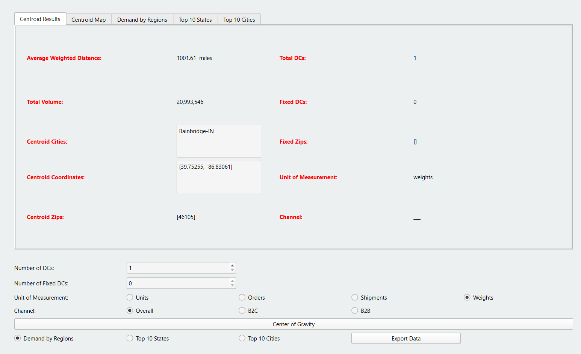
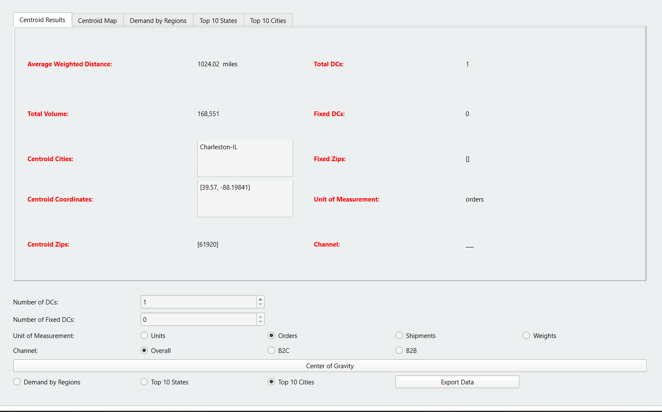
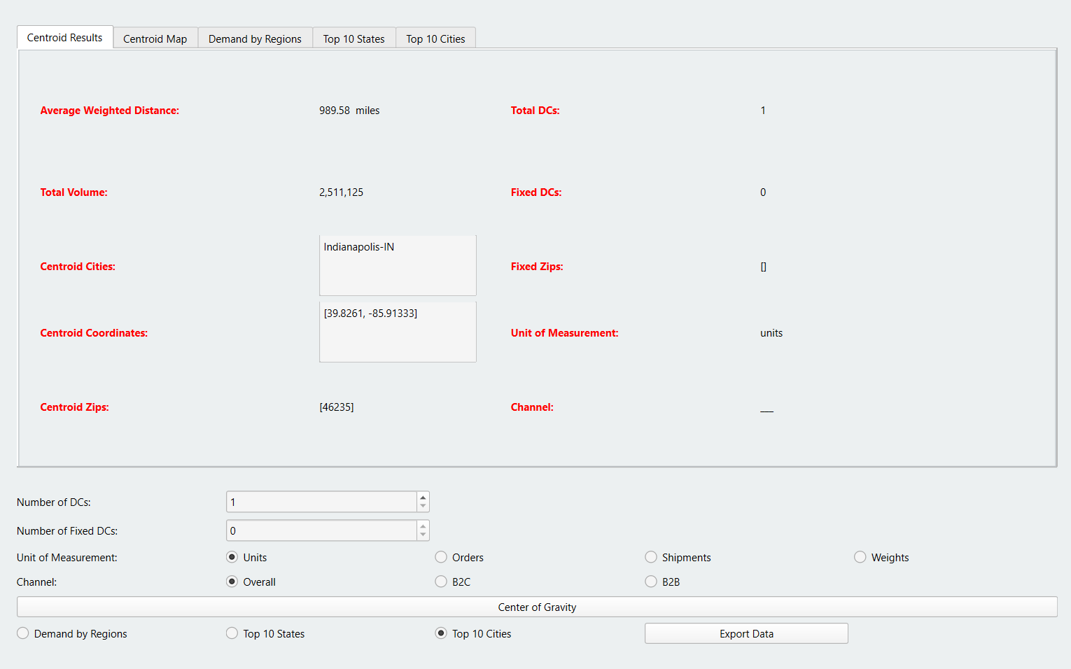

Based on Orders 1DC | Charleston-IL
 |  | Based on Units 1DC | Indianapolis-IN | Based on Weights 1DC | Bainbridge-IN

Dsitance based optimization
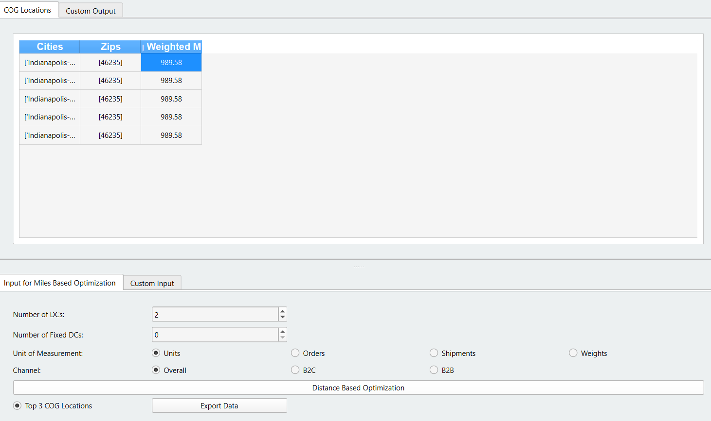
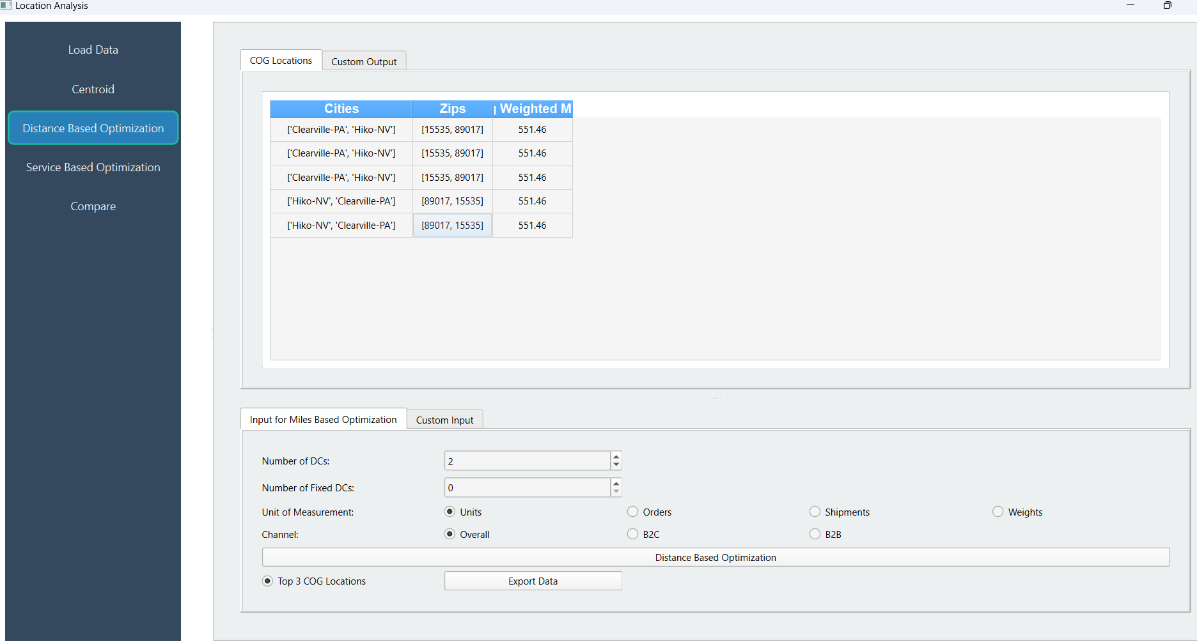

1DC | Indianapolis | 2DC | Clearville-PA
 |  |  | Hiko-NV

2DC
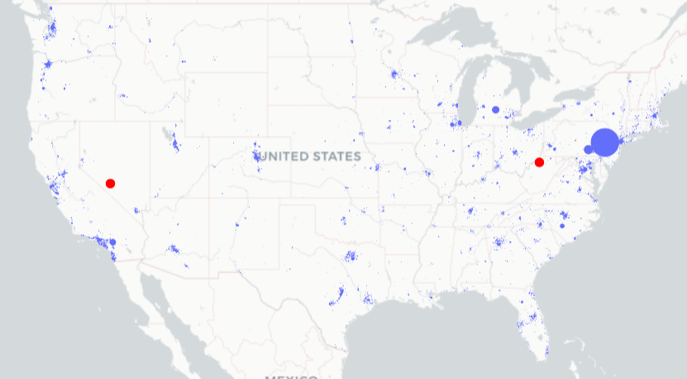
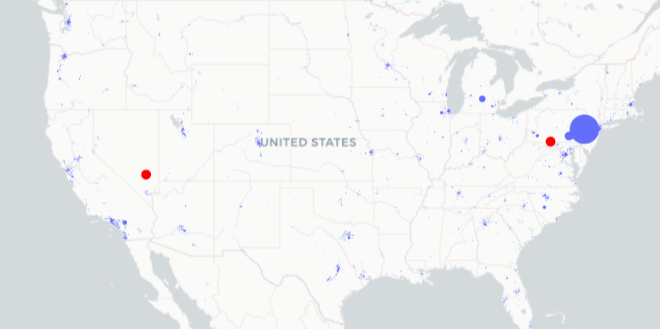
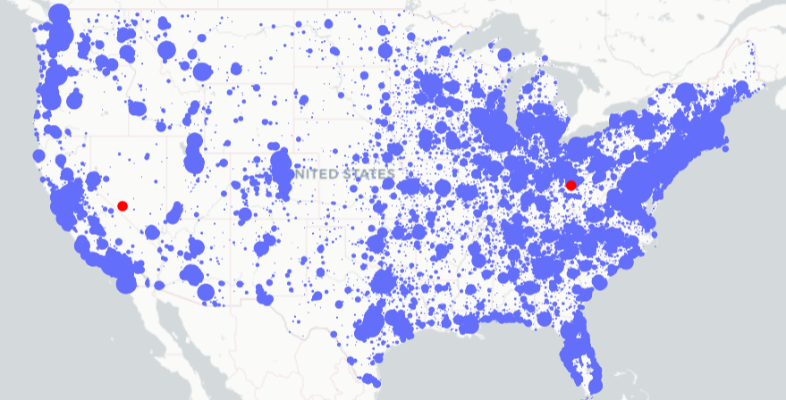
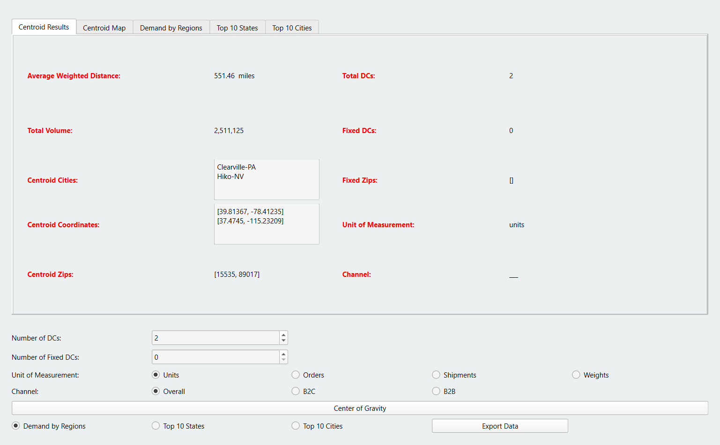
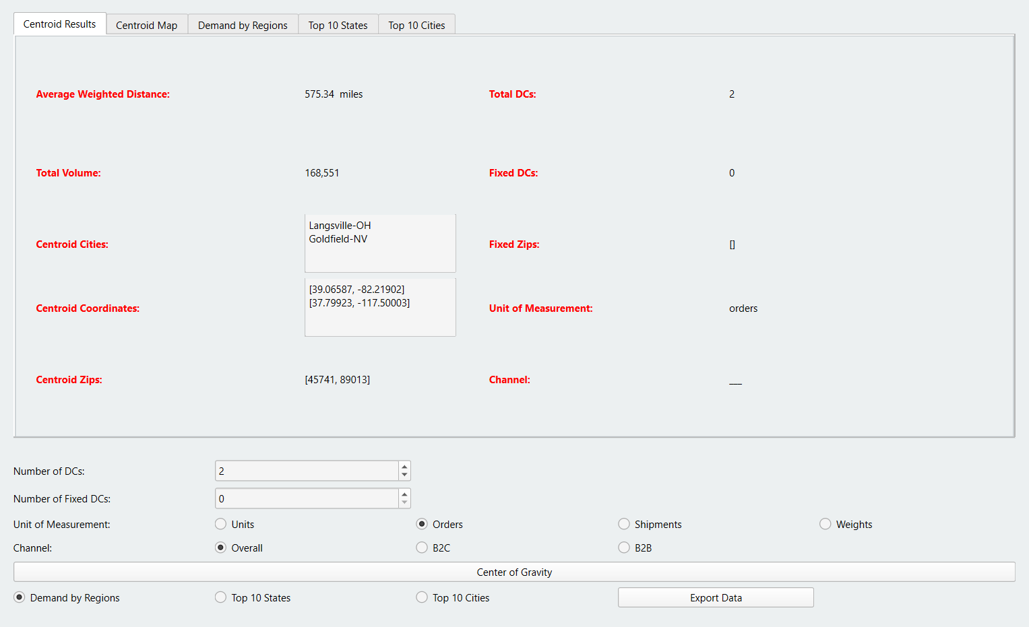
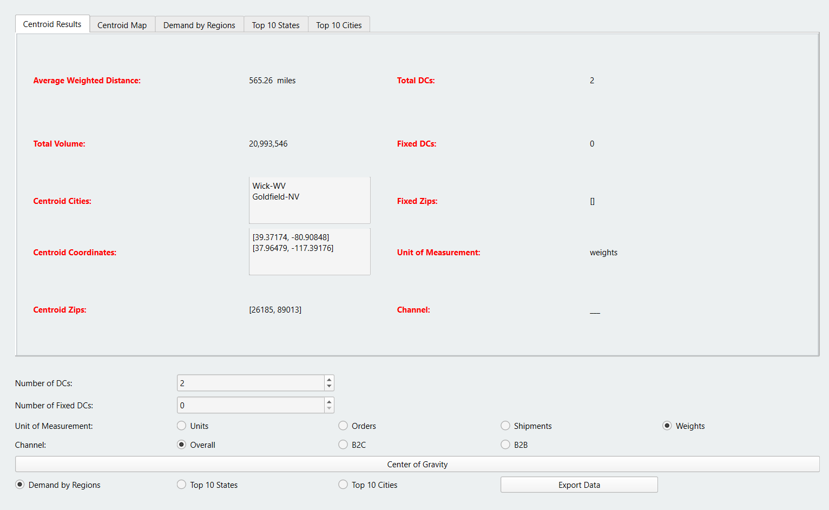

Based on Units 2DC | Clearville-PA | Carlisle, PA
 | Hiko-NV | Las vegas,NV | Based on Orders 2DC | Langsville-OH | Based on Weights 2DC | Wick-WV | Columbus OH
 |  |  |  | Goldfield-NV |  | Goldfield-NV | Las vegas

old_location_analysis_tool
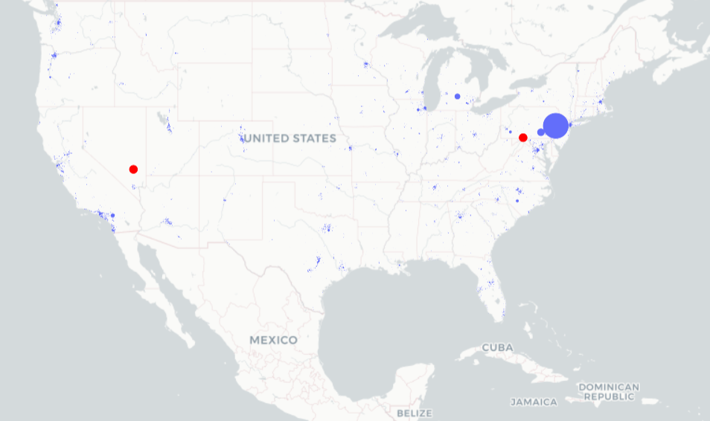
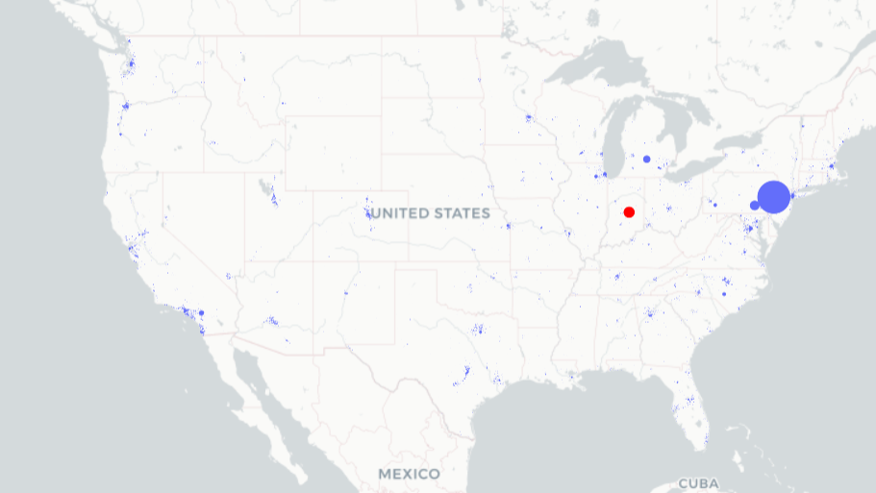
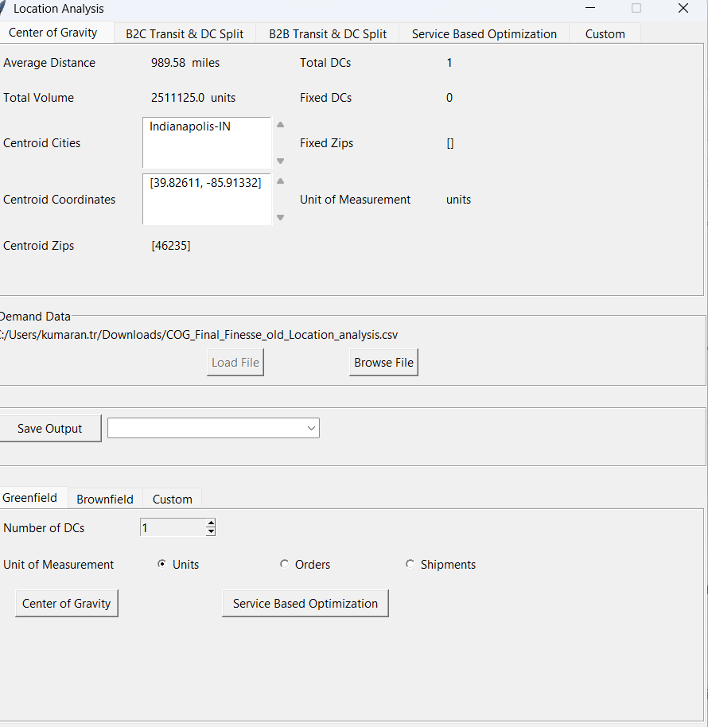
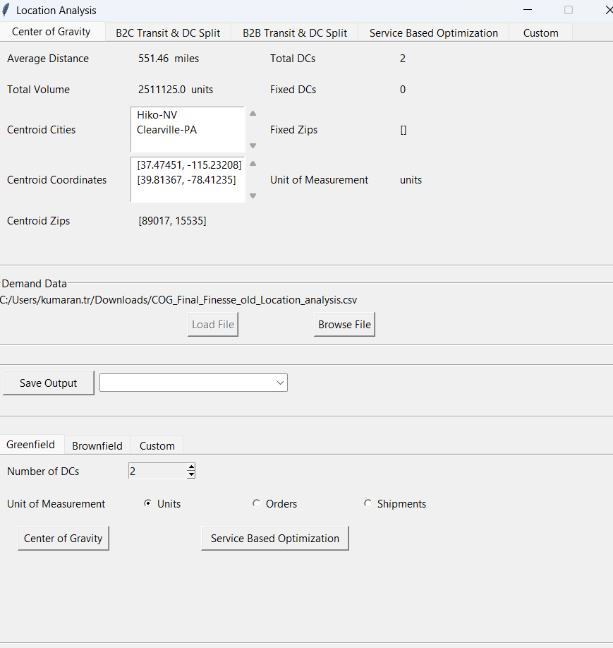

Based on 1 DC | Indianapolis-IN | Based on 2 DC | Hiko-NV
 |  |  | Clearville-PA

