Sheet1
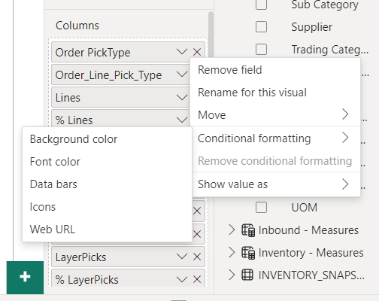

go to the % units column in the Columns list, click on the dropdown button that looks like a V (to the left of the X). Go to Conditional formatting and click Data bars

