CarbonPaper
 |  |  | Measurements | Location
R Old | 63.67 | TX | 100.5 | G1 X-43.3 Y-25 Z10 | R New | 63.6605
L Old | 123 | TY | 99.8 | G1 X43.3 Y-25 Z10 | L New | 123
 |  | TZ | 99.75 | G1 X0 Y50 Z10
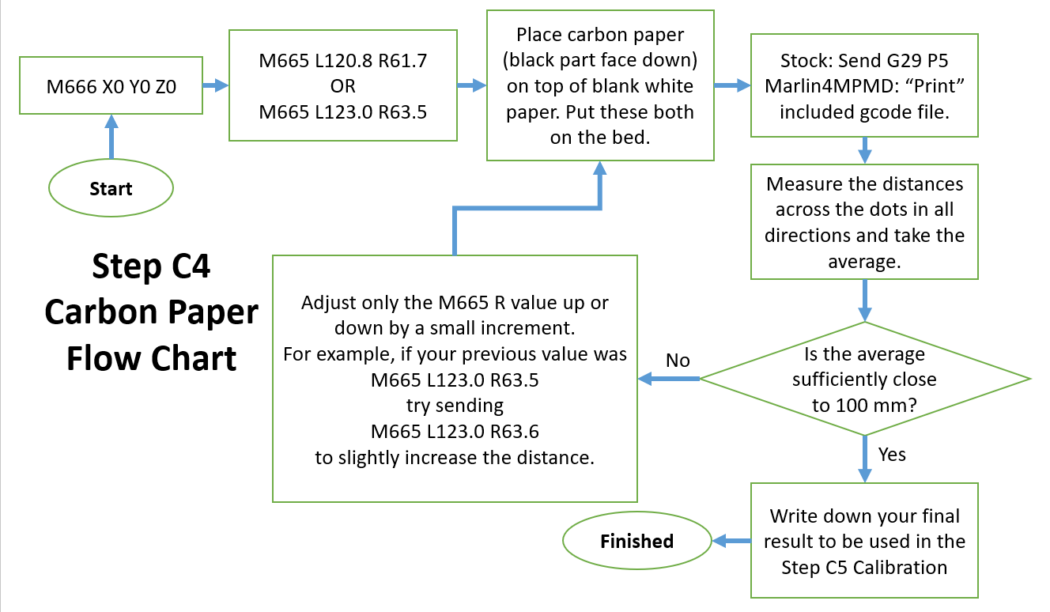
Use this with
M666 X0 Y0 Z0

In order for this to make sense with future bed leveling calibrations,
you must use it with the following equation:
 |  |  |  |  |  |  | Trial # | R_start | L_run | R_end | L_new
 |  |  |  |  |  |  | 1 | 62.3935 | 120.8 | 62.4 | 120.80975

For a Monoprice Mini Delta 3D Printer with roughly stock arm lengths,
a ratio value of 1.5 seems to work well based on Dennis's experimentation.
If you plan on using the Python script or Dennis's spreadsheet, this equation is done for you.
Otherwise, if you plan on using G33 or something similar, you might have to run it
iteratively as you adjust L for dimensional accuracy.
I.E., this equation is used to MAINTAIN existing dimensional accuracy as R is tweaked in the
bed leveling calibrations.

Extrusion
M92 E Calibration - Extruder Steps per mm |  |  |  | Filament Diameter Measurements |  |  |  | Flow Rate Calibration
 | Starting M92 E: | 97.00 | (just for notetaking, | 1.75 | Measure your filament with a caliper in several places |  |  | Checklist:
 |  |  | send M503 to get it) |  | and enter the values, one per cell, in the column |  |  |  | Make sure your filament is fresh, dry, and of good (not brittle) quality.
 | Remove the Bowden tube from |  |  |  | to the left. |  |  |  | Make sure your nozzle isn't even partially clogged.
 | either the extruder or the hotend |  |  |  | New Filament Diameter for Slicer Settings (average): |  |  |  | Make sure your PID is okay.
$$E_{new}=\left(E_{old}\right)\left(\frac{L_{expected}}{L_{measured}}\right)$$
 | (whichever is easier) and measure |  |  |  |  | 1.75 | <--- Do not edit this cell |  | Make sure you know the temperature at which you plan on printing
 | that is extruded out into the air. |  |  |  |  |  |  | Instructions:
 | Heat the extruder, or else the |  |  |  | Personally, I usually skip this step and just use the advertised |  |  |  | 1. Print a simple shape with 0% Infill Density, 0 top layers, 2 bottom layers,
 | extruder may not move due to |  |  |  | diameter because I don't trust myself not to squeeze the |  |  |  | and a number of walls equal to how many you plan on printing. You may
 | the firmware's configuration. |  |  |  | calipers too hard. |  |  |  | need to enable "Print Thin Walls" if you plan on only doing one wall.

$$New Flow Rate \%=\left(\frac{Desired Thickness}{Actual Thickness}\right)\left(Flow Rate \%\right)$$
1) | Gcode Commands: |  |  |  |  |  |  |  | 2. How many walls are you printing?
 |  | M83 ; put extruder in relative mode. |  |  |  |  |  |  |  | 2
 |  | G1 E100 F100 ;extrude 100 mm of filament. |  |  |  |  |  |  | 3. What is your Flow Rate?
 |  |  |  |  |  |  |  |  |  | 100.00%
2) | Insert Current M92 E: | 101.5707 |  |  |  |  |  |  | 4. What is your Line Width?
 | Measure the Filament: | 99 | mm |  |  |  |  |  |  | 0.35
 |  |  |  |  |  |  |  |  | 5. Print the object.
 | New M92 E to try: | 102.59666667 | <--- Do not edit this cell |  |  |  |  |  |  |  |  |  | Measurements (mm)
 |  |  |  |  |  |  |  |  | 6. Measure the wall widths near the top of the print
3) | Save your new e value by sending: |  |  |  |  |  |  |  | and enter them to the right (in the yellow):
 |  | M92 E102.596666666667 | <--- Do not edit this cell |  |  |  |  |  | Measure at least one per wall.
 |  |  |  |  |  |  |  |  |  | Average = | #DIV/0! | <--- Do not edit this cell
4) | If on stock firmware, send M500 to save the value and then
 | power cycle the machine (i.e., turn it off and then back on). |  |  |  |  |  |  |  | 7. This is your newly calibrated Flow Rate:
 |  |  |  |  |  |  |  |  |  | #DIV/0! | <--- Do not edit this cell
5) | If you're not "close enough" for your liking,
 | go back to (1). |  |  |  |  |  |  |  | 8. Repeat until you're happy with your results.
 |  |  |  |  |  |  |  |  | I'd recommend repeating this process at least
This spreadsheet was made to accompany this tutorial for the |  |  |  |  |  |  |  |  | one more time with the new flow rate.
Monoprice Mini Delta 3D Printer Bowden Extruder/Extrusion Calibration: |  |  |  |  |  |  |  |  | If you're getting something crazy high,
https://www.thingiverse.com/thing:3892011 |  |  |  |  |  |  |  |  | then you may have a partial nozzle clog or
 |  |  |  |  |  |  |  |  | incorrect filament diameter set in your slicer.
 |  |  |  |  |  |  |  |  | Feel free to add a fudge factor (e.g. +5%),
 |  |  |  |  |  |  |  |  | if you care more about print quality than dimensional
 |  |  |  |  |  |  |  |  | accuracy of the walls. Personally, I would rather
 |  |  |  |  |  |  |  |  | slightly overextrude than underextrude.

 |  |  |  |  |  |  |  |  | Notes:
 |  |  |  |  |  |  |  |  | Initial Layer Flow: Set >= 100% to help with first layer adhesion.
 |  |  |  |  |  |  |  |  | Skirt/Brim Flow: Same as Initial Layer Flow.
 |  |  |  |  |  |  |  |  | Wall Flow: Set to value calibrated by measuring the walls with calipers.
 |  |  |  |  |  |  |  |  | Infill Flow: Same as Wall Flow.
 |  |  |  |  |  |  |  |  | Support Flow: Set less than the calibrated wall flow, but don't go too low
 |  |  |  |  |  |  |  |  |  | or else the supports may fail.
 |  |  |  |  |  |  |  |  | Top/Bottom Flow: Keep this higher to avoid holes in your print.
 |  |  |  |  |  |  |  |  |  | e.g., maybe somewhere between 95-105%.

