Ablauf_O3
 |  |  |  | 2022-06-14 | 2022-07-05 | 2022-08-09 | 2022-10-18 | 2022-11-15 | 2022-12-06 | 2023-01-17 | 2023-04-25
Substanz |  | M | LOQ | WF 8 | WF 8 | WF 8 | WF 8 | WF 8 | WF 8 | WF 8 | WF 8
Primidone | Primär | 1 | 5 | 150 | 106 | 170 | 110 | 130 | 84 | 100 | 48
!!!!!
Leere Zelle:
konnte nicht bestimmt waren. Meistens aufgrund von Messproblemen
NICHT auf < LOQ setzen, sondern ignorieren
LOQs könnten von vorherigen Daten abweichen
Phenytoin | Primär | 2 | 10 | < LOQ | < LOQ | < LOQ | < LOQ | 11 | < LOQ | < LOQ | < LOQ
Carbamazepine (CBZ) | Primär | 2 | 2 | 11 | < LOQ | 37 | 2.2 | < LOQ | < LOQ | < LOQ | < LOQ
2-Hydroxy-CBZ | TP | 2 | 2 | < LOQ | < LOQ | 4 | < LOQ | < LOQ | < LOQ | < LOQ | < LOQ
3-Hydroxy-CBZ | TP | 2 | 10 | < LOQ | < LOQ | < LOQ | < LOQ | < LOQ | < LOQ | 6.4 | < LOQ
10-Hydroxy-CBZ | TP | 2 | 10 | 517 | 308 | 451 | 320 | 420 | 330 | 550 | 210
10,11-Dihydro-10,11-dihydroxy-CBZ | TP | 2 | 20 | 913 | 581 | 1135 | 720 | 780 | 590 | 750 | 400
9-Carboxylic acid-Acridine | TP | 2 | 0.5 | 38 | 31 | 88 | 57 | 46 | 30 | 39 | 9.2
Acridone | TP | 2 | 2 | 3 | 4 | 6 | 3.5 | 3.3 | 2.3 | < LOQ | < LOQ
Lamotrigine | Primär | 1 | 20 | 1370 | 1291 | 1614 | 1300 | 1300 | 870 | 1100 | 750
2-N-methyl-Lamotrigine | TP | 1 | 5 | 55 | 29 | 32 | 41 | 51 | 31 | 41 | 28
Oxazepam | Primär | 1 | 3 | 39 | 25 | 54 | 28 | 36 | 24 | 29 | 19
Hydrochlorothiazide | Primär | 2 | 5 | 1484 | 246 | 1451 | 717 | 748 | 453 | 870 | 100
Chlorothiazide | TP | 2 | 1 | 715 | 865 | 607 | 667 | 745 | 693 | 570 | 880
4-amino-6-chloro-1,3-benzenedisulfonamide | TP | 2 |  | 294 | 260 | 606
Climbazole | Primär | 1 | 2 | 3 | < LOQ | 2 | < LOQ | < LOQ | < LOQ | < LOQ | < LOQ
Climbazole-OH | TP | 1 |  | 2 |  | 3
Fluconazole | Primär | 2 | 2 | 78 | 57 | 73 | 77 | 73 | 58 | 77 | 59
Aciclovir | Primär | 1 | 10 | 62 | < LOQ | 46 | < LOQ | < LOQ | 50 | < LOQ | < LOQ
Carboxy-Aciclovir | TP | 1 | 10 | 470 | < LOQ | 241 | 38 | 21 | < LOQ | < LOQ | < LOQ
Emtricitabine | Primär | 1 | 10 | 53 | < LOQ | 42 | < LOQ | < LOQ | < LOQ | < LOQ | < LOQ
Emtricitabine carboxylate | TP | 1 | 25 | 175 | 70 | 151 | 120 | 110 | 110 | < LOQ | < LOQ
Emtricitabine-S-oxide | TP | 1 | 10 | 41 | < LOQ | 29 | 50 | 47 | 36 | < LOQ | < LOQ
Clopidogrel | Primär | 1 | 0.1 | 1 | < LOQ | < LOQ | < LOQ | < LOQ | < LOQ
Clopidogrel acid | TP | 1 | 2 | 26 | < LOQ | 31 | < LOQ | < LOQ | < LOQ | < LOQ | < LOQ
Bicalutamide | Primär | 2 | 0.5 | 19 | 14 | 22 | 15 | 17 | 13 | 16 | 12
Iopamidol | Primär | 1 | 125 | 631 | 1227 | 1284 | 1200 | 1100 | 1000 | 1800 | 1400
Iopromide | Primär | 1 | 35 | 9174 | 5757 | 5981 | 8500 | 12000 | 5100 | 11000 | 7100
Iomeprol | Primär | 1 | 150 | 3394 | 1914 | 4363 | 3100 | 4600 | 3800 | 3100 | 2500
Carbendazim | Primär | 1 | 5 | < LOQ | < LOQ | < LOQ | < LOQ | < LOQ | < LOQ | < LOQ | < LOQ
Epoxiconazole | Primär | 2 | 1 | < LOQ | < LOQ | < LOQ | < LOQ | < LOQ | < LOQ | < LOQ | < LOQ
Propiconazole | Primär | 2 | 0.5 | 3 | 2 | 2 | 1 | 0.9 | 0.6 | 7.7 | 1.7
Tebuconazole | Primär | 2 | 1 | 180 | 8 | 6 | 1.7 | 1.8 | 16 | 15 | 4.6
DEET | Primär | 1 | 1 | 391 | 176 | 408 | 40 | 81 | 30 | 150 | 57
Hydroxy-DEET | TP | 1 | 30 | < LOQ | < LOQ | < LOQ | < LOQ | < LOQ | < LOQ | < LOQ | < LOQ
N-ethyl-m-toluamide | TP | 1 | 2 | < LOQ | 12 | < LOQ | < LOQ | 3.4 | < LOQ | < LOQ | < LOQ
DEET carboxylic acid | TP | 1 | 50 | 452 | 367 | 236 | < LOQ | 32 | < LOQ | 36 | 48
Diuron | Primär | 2 | 2 | 5 | 4 | 16 | 2.5 | < LOQ | 4.1 | 7.5 | < LOQ
Didemethyldiuron (DCPU) | TP | 2 | 2 | < LOQ | < LOQ | < LOQ | < LOQ | < LOQ | < LOQ | < LOQ | < LOQ
N-Demethoxylinuron (DCPMU) | TP | 2 | 0.5 | < LOQ | < LOQ | 1 | < LOQ | < LOQ | < LOQ | < LOQ | < LOQ
Isoproturon | Primär | 1 | 80 | < LOQ | < LOQ | < LOQ | < LOQ | < LOQ | < LOQ | < LOQ | < LOQ
Metamitron | Primär | 2 | 10 | < LOQ | < LOQ | < LOQ | < LOQ | < LOQ | < LOQ | < LOQ | < LOQ
Desamino-Metamitron | TP | 2 | 5 | 10 | 16 | 31 | < LOQ | < LOQ | 5.9 | < LOQ | < LOQ
Metazachlor | Primär | 2 | 1 | < LOQ | < LOQ | < LOQ | 3.6 | < LOQ | 1.6 | < LOQ | < LOQ
Metolachlor | Primär | 2 | 1 | 2 | < LOQ | < LOQ | < LOQ | < LOQ | < LOQ | < LOQ | < LOQ
Metolachlor ESA | TP | 2 | 5 | < LOQ | < LOQ | < LOQ | < LOQ | < LOQ | < LOQ | < LOQ | < LOQ
Metolachlor OA | TP | 2 | 20 | < LOQ | < LOQ | < LOQ | < LOQ | < LOQ | < LOQ | < LOQ | < LOQ
Terbutryn | Primär | 2 | 0.5 | 28 | 10 | 25 | 4.2 | 3.4 | 2.3 | 5.2 | 1.4
Terbutryn-SO | TP | 2 | 50 | 269 | 230 | 192 | 1000 | 880 | 1500 | 1900 | 1700
Terbuthylazine | Primär | 2 | 0.5 | 7 | 2 | 1 | 0.6 | 0.8 | 0.7 | < LOQ | < LOQ
Terbuthylazine-2-Hydroxy | TP | 2 | 10 | 11 | 16 | < LOQ | < LOQ | < LOQ | < LOQ | 7.9 | 6.6
Terbuthylazine-DE | TP | 2 | 2 | 8 | 3 | < LOQ | < LOQ | < LOQ | < LOQ | < LOQ | < LOQ
Irgarol | Primär | 2 | 1 | < LOQ | < LOQ | < LOQ | < LOQ | < LOQ | < LOQ | < LOQ | < LOQ
Benzotriazole | Primär | 1 | 100 | < LOQ | 2382 | 4409 | 2800 | 2900 | 2000 | 2200 | 940
5-Methyl-1H-Benzotriazol | Primär | 2 | 0.5 | 1266 | 376 | 820 | 670 | 524 | 489 | 720 | 280
Tetraglyme | Primär | 2 | 25 | 34 | < LOQ | 26 | < LOQ | < LOQ | < LOQ | < LOQ | < LOQ
Caffeine | Primär | 1 | 25 | 1122 | 358 | 32 | < LOQ | 840 | < LOQ | < LOQ | 76
Triclosan | Primär | 2 | 5 | < LOQ | < LOQ | < LOQ | < LOQ | < LOQ | < LOQ | < LOQ | < LOQ
Triclocarban | Primär | 2 | 0.5 | < LOQ | < LOQ | < LOQ | < LOQ | < LOQ | < LOQ | < LOQ | < LOQ
Carbanilide | TP | 2 | 2 | 4 | < LOQ | 2 | < LOQ | < LOQ | < LOQ | 3.2 | < LOQ
Sucralose | Primär | 2 | 20 | 22031 | 16408 | 20357
Xipamide | Primär | 2 | 0.5 | 1 | < LOQ | 2 | < LOQ | < LOQ | < LOQ | < LOQ | < LOQ
Furosemide | Primär | 2 | 10 | < LOQ | < LOQ | < LOQ | < LOQ | < LOQ | < LOQ | < LOQ | < LOQ
Torsemide | Primär | 2 | 5 | 118 | 20 | 176 | 56 | 60 | 32 | 67 | 8.9
Hydroxy-Torsemide | TP | 2 | 5 | 6 | < LOQ | < LOQ | < LOQ | < LOQ | < LOQ | < LOQ | < LOQ
Ramipril | Primär | 2 | 10 | 68 | 32 | 81 | 36 | 46 | 31 | 53 | 24
Ramiprilat | TP | 2 | 15 | 574 | 231 | 621 | 360 | 390 | 270 | 420 | 160
Valsartan | Primär | 2 | 5 | 475 | 247 | 462 | 260 | 350 | 160 | 1200 | 520
Valsartan acid | TP | 2 | 10 | 3370 | 1243 | 2487 | 1600 | 1600 | 1300 | 1000 | 420
Irbesartan | Primär | 2 | 2 | 228 | 99 | 294 | 170 | 230 | 150 | 200 | 99
Candesartan | Primär | 2 | 2 | 2392 | 853 | 2591 | 1300 | 1500 | 990 | 1700 | 730
Telmisartan | Primär | 2 | 20 | 125 | 40 | 115 | 37 | 36 | 20 | 42 | 28
Olmesartan | Primär | 2 | 2 | 15 | < LOQ | 22 | 3 | < LOQ | < LOQ | < LOQ | < LOQ
Bezafibrate | Primär | 2 | 2 | 30 | 10 | 21 | 13 | 25 | 21 | 40 | 22
3-[(4-chlorobenzoyl)amino]propanoic-acid | TP | 2
Sulfamethoxazole | Primär | 2 | 30 | 98 | < LOQ | 74 | 41 | 38 | < LOQ | 13 | 10
Acetyl-Sulfamethoxazole | TP | 2 | 20 | 26 | < LOQ | 28 | 23 | 28 | < LOQ | < LOQ | < LOQ
Diatrizoic acid | Primär | 2 | 1 | 3962 | 4375 | 7033 | 4000 | 5800 | 2600 | 3000 | 2700
Diclofenac | Primär | 1 | 6 | 22 | 13 | 56 | 9.8 | < LOQ | < LOQ | 8.5 | < LOQ
4-Hydroxy-Diclofenac | TP | 1 | 2 | 164 | 24 | 101 | 140 | 160 | 120 | 380 | 1400
Diclofenac Lactam | TP | 1 | 1 | 8 | 3 | 10 | 4.8 | 6.2 | 3.5 | 4.8 | 20
Carboxy-Diclofenac | TP | 1 | 3 | < LOQ | < LOQ | < LOQ | < LOQ | < LOQ | < LOQ | < LOQ | < LOQ
Ibuprofen | Primär | 2 | 220 | < LOQ | < LOQ | < LOQ | < LOQ | < LOQ | < LOQ | 15 | 73
Carboxy-Ibuprofen | TP | 2 | 100 | < LOQ | < LOQ | < LOQ | < LOQ | < LOQ | < LOQ | < LOQ | < LOQ
Hydroxy-Ibuprofen | TP | 2 | 100 | < LOQ | < LOQ | < LOQ | < LOQ | < LOQ | < LOQ | < LOQ | < LOQ
Naproxen | Primär | 2 | 450 | < LOQ | < LOQ | < LOQ | < LOQ | < LOQ | < LOQ | < LOQ | < LOQ
O-desmethyl-Naproxen | TP | 2 | 20 | < LOQ | < LOQ | < LOQ | < LOQ | < LOQ | < LOQ | < LOQ | < LOQ
Oxypurinol | Primär | 2 |  | 22070 | 19708 | 25802
Mecoprop | Primär | 2 | 2 | 55 | 14 | 47 | 11 | 3.6 | 9.4 | 26 | 32
Acesulfame | Primär | 2 | 10 | 774 | 284 | 231 | 200 | 89 | 370
Saccharine | Primär | 2 | 2 | 422 | 319 | 309 | 330 | 380 | 200 | 300 | 430
2-(2,4,5-trifluorophenyl)acetic acid | Primär | 2 | 20 | 291 | 203 | 222 | 160 | 180 | 140 | 180 | 120
2,4,5-Trifluorobenzoic acid | Primär | 2 | 2 | 47 | 53 | 74 | 72 | 47 | 28 | 25 | 18
Tramadol | Primär | 1 | 5 | 370 | 37 | 403 | 160 | 160 | 96 | 330 | 52
O-desmethyl-Tramadol | TP | 1 | 5 | 14 | < LOQ | 8 | < LOQ | < LOQ | < LOQ | < LOQ | < LOQ
N-desmethyl-Tramadol | TP | 1 |  | 162 | 65 | 168
N,O-didesmethyl-Tramadol | TP | 1 | 1 | < LOQ | < LOQ | < LOQ | < LOQ | < LOQ | 4.9 | < LOQ | < LOQ
Tramadol-N-oxide | TP | 1 | 5 | 90 | 157 | 122 | 93 | 130 | 97 | 140 | 430
Gabapentin | Primär | 1 | 10 | 648 | 479 | 899 | 700 | 530 | 630 | 940 | 740
Gabapentin Lactam | TP | 1 | 5 | 138 | 120 | 248 | 210 | 130 | 61 | 88 | 59
Pregabalin | Primär | 2 | 20 | 90 | 97 | 108 | 140 | 80 | 46 | 59 | 63
Pregabalin Lactam | TP | 2 | 30 | 156 | 165 | 308 | 210 | 110 | 56 | 130 | 130
Ritalinsäure | Primär | 2 |  | 2 | 1106 | 1312
Sulpiride | Primär | 2 | 1 | 58 | < LOQ | 50 | 14 | 3.2 | 1.4 | 34 | < LOQ
Amisulpride | Primär | 1 | 0.5 | 133 | < LOQ | 92 | 30 | 17 | 5.6 | 89 | < LOQ
O-desmethyl-Amisulpride | TP | 1 | 2 | < LOQ | < LOQ | < LOQ | < LOQ | < LOQ | < LOQ | < LOQ | < LOQ
Citalopram | Primär | 1 | 1 | 42 | 4 | 39 | 13 | 12 | 6.9 | 37 | < LOQ
Desmethyl-Citalopram | TP | 1 | 2 | 53 | 20 | 66 | 41 | 45 | 30 | 49 | 26
Didesmethyl-Citalopram | TP | 1 | 5 | 9 | < LOQ | < LOQ | < LOQ | < LOQ | < LOQ | < LOQ | < LOQ
Citalopram-N-oxide | TP | 1 | 2 | 64 | 93 | 67 | 51 | 64 | 48 | 76 | 120
Venlafaxine | Primär | 1 | 2 | 322 | 51 | 352 | 150 | 150 | 94 | 330 | 70
O-desmethyl-Venlafaxine | TP | 1 | 2 | 16 | 3 | 10 | 6.6 | 7.4 | 4.3 | 20 | < LOQ
N-desmethyl-Venlafaxine | TP | 1 | 15 | 53 | 22 | 55 | 35 | 40 | 24 | 43 | 23
N,O-didesmethyl-Venlafaxine | TP | 1 |  | 162
Venlafaxine-N-oxide | TP | 1 | 2 | 43 | 82 | 43 | 51 | 71 | 56 | 92 | 220
Lidocaine | Primär | 1 | 1 | 40 | 14 | 38 | 18 | 16 | 10 | 18 | 13
Nor-Lidocaine | TP | 1 | 50 | 71 | < LOQ | < LOQ | < LOQ | < LOQ | < LOQ | 8,8 | < LOQ
Sotalol | Primär | 1
Metoprolol | Primär | 2 | 10 | 1767 | 574 | 1178 | 600 | 740 | 600 | 1500 | 450
Hydroxy-Metoprolol | TP | 2 | 10 | 126 | 47 | 126 | 92 | 120 | 78 | 110 | 56
O-desmethyl-Metoprolol | TP | 2 | 5 | 48 | < LOQ | 40 | 40 | 50 | 36 | 26 | 30
Atenolol | Primär | 1 | 10 | 92 | 25 | 65 | 50 | 81 | 48 | 88 | 31
Atenolol acid | TP | 1 | 20 | 356 | 256 | 389 | 150 | 190 | 170 | 420 | 120
Hydroxy-Atenolol | TP | 1 | 2 | 7 | 2 | 7 | 7.5 | 8.7 | 7.4 | < LOQ | < LOQ
Aliksiren | Primär | 1 | 50 | < LOQ | < LOQ | 58 | < LOQ | < LOQ | < LOQ | < LOQ | < LOQ
Trimethoprim | Primär | 1 | 10 | < LOQ | < LOQ | < LOQ | < LOQ | < LOQ | < LOQ | < LOQ | < LOQ
3-desmethyl-TMP | TP | 1 | 2 | < LOQ | < LOQ | < LOQ | < LOQ | < LOQ | < LOQ | < LOQ | < LOQ
...

Ablauf_KA
2022-10-18 | 2022-11-15 | 2022-12-06 | 2023-01-17 | 2023-04-25
WF 7 | WF 7 | WF 7 | WF 7 | WF 7
280 | 290 | 250 | 220 | 200
!!!!!
Leere Zelle:
konnte nicht bestimmt werden. Meistens aufgrund von Messproblemen
NICHT auf < LOQ setzen, sondern ignorieren.
LOQs könnten von vorherigen Daten abweichen
11 | 15 | 12 | < LOQ | < LOQ
1000 | 980 | 910 | 770 | 770
150 | 140 | 120 | 110 | 110
180 | 180 | 160 | 140 | 140
990 | 970 | 1000 | 810 | 850
1900 | 1900 | 1700 | 1300 | 1300
140 | 120 | 110 | 110 | 82
4.6 | 4.5 | 3.2 | < LOQ | < LOQ
2100 | 2200 | 2000 | 1700 | 1800
66 | 65 | 63 | 68 | 65
86 | 92 | 76 | 56 | 59
3379 | 3377 | 3157 | 2400 | 2500
113 | 100 | 99 | 94 | 90
...
12 | 17 | < LOQ | 11 | 20
...

Mittelwerte_vor-nach_Ozonung
...
 | Ablauf_O3
250 | 112 | 108 | >20 | 1.0
11 | 10 | 10 |  |  |  | DOI:
896 | 8 | 2 |  |  | Xu: | 10.1016/j.chemosphere.2009.09.063
133 | 2 | 2 |  |  | Yu: | 10.1007/s11356-012-1442-7
154 | 10 | 10 |  |  | Liu: | 10.1016/j.jconhyd.2013.05.006
917 | 388 | 375 |  |  | Dodgen: | 10.1016/j.envpol.2014.06.002
1700 | 734 | 735 | 1.0-8.1 | 1.2-1.4 | Ramil | 10.1021/es9027452
110 | 42 | 38 |  |  | Manachetti: | 10.1016/j.jhazmat.2023.132143
4 | 3 | 3
2200 | 1199 | 1295 | >20 | 5.0 | Source: BA Stöckl
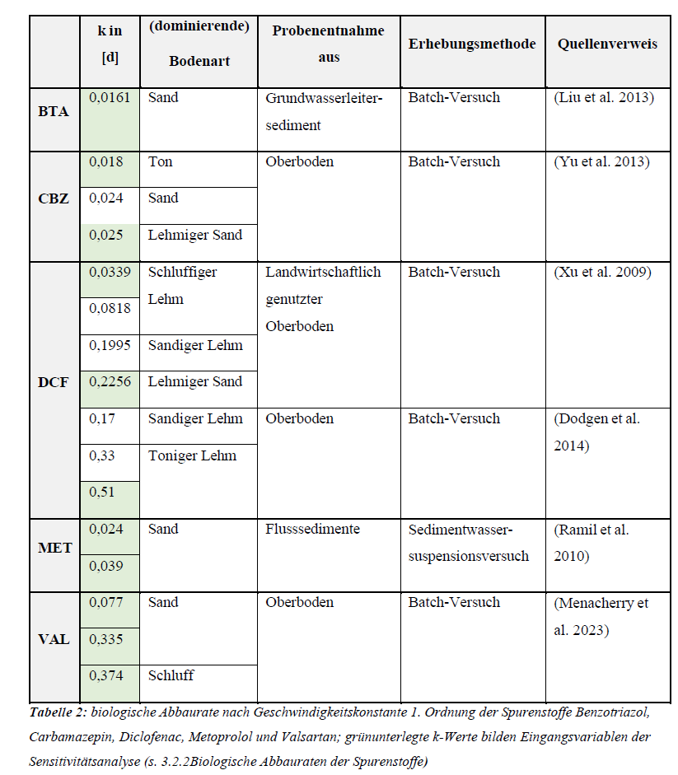
65 | 39 | 36
86 | 32 | 29
2993 | 759 | 733 | >200 | 3.5-3.8
113 | 718 | 704 | 24.1 | 1.4-1.8
882 | 387 | 294
11 | 2 | 2
22 | 2 | 2
115 | 69 | 73 | 7.0 | 1.4
240 | 26 | 10
2193 | 101 | 16
150 | 19 | 10
560 | 98 | 110
36 | 29 | 32
18 | 0 | 0
320 | 9 | 2
22 | 16 | 16
1294 | 1205 | 1213 | 1.0-8.1 | 1.0
12000 | 8077 | 7800 | 1.0 | 3.0
3800 | 3346 | 3247 | 1.0 | 3.0
5 | 5 | 5
1 | 1 | 1
4 | 2 | 2
22 | 29 | 7
230 | 167 | 116 | 19 | 1.0
30 | 30 | 30
2 | 3 | 2
110 | 159 | 50 | >200 | 1.0
12 | 5 | 4
2 | 2 | 2
...

