tbl_ingestion
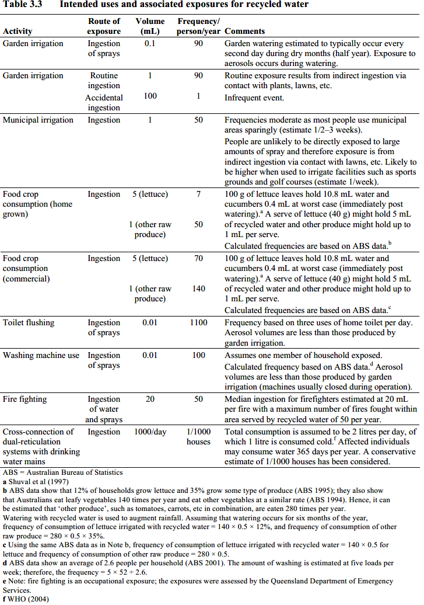
WaterUseID | WaterUseName | WaterUseDescription | events_perYear | litres_perEvent | ReferenceID
1 | irrigation, unrestricted | 100 g of lettuce leaves hold 10.8 mL water and cucumbers 0.4 mL at worst case (immediately post watering). a A serve of lettuce (40 g) might hold 5 mL of recycled water and other produce might hold up to 1 mL per serve. Calculated frequencies are based on ABS data. | 70 | 0.005 | ?? | National Guidelines for Water Recycling: Managing Health and Environmental Risks | https://www.susana.org/en/knowledge-hub/resources-and-publications/library/details/1533
2 | domestic use, car washing | Assumed similar to garden watering estimated to typically occur every second day during dry months (half year). Exposure to aerosols occurs during watering. | 25 | 0.0001 | ?? | National Guidelines for Water Recycling: Managing Health and Environmental Risks | https://www.susana.org/en/knowledge-hub/resources-and-publications/library/details/1533
3 | irrigation, restricted | Based on unrestricted, but far less frequent due to restricted access | 1 | 0.005 | ?? | National Guidelines for Water Recycling: Managing Health and Environmental Risks | https://www.susana.org/en/knowledge-hub/resources-and-publications/library/details/1533
4 | domestic use, toilet flushing | Frequency based on three uses of home toilet per day. Aerosol volumes are less than those produced by garden irrigation | 1000 | 0.00001 | ?? | National Guidelines for Water Recycling: Managing Health and Environmental Risks | https://www.susana.org/en/knowledge-hub/resources-and-publications/library/details/1533
5 | drinking water |  | 365 | 1 | ?? | WHO 2011 GDWQ?
7 | irrigation, public | Frequencies moderate as most people use municipal areas sparingly (estimate 1/2–3 weeks). People are unlikely to be directly exposed to large amounts of spray and therefore exposure is from indirect ingestion via contact with lawns, etc. Likely to be higher when used to irrigate facilities such as sports grounds and golf courses (estimate 1/week). | 50 | 0.001 | ?? | National Guidelines for Water Recycling: Managing Health and Environmental Risks | https://www.susana.org/en/knowledge-hub/resources-and-publications/library/details/1533

https://www.susana.org/en/knowledge-hub/resources-and-publications/library/details/1533

