tbl_logRemoval (literature)
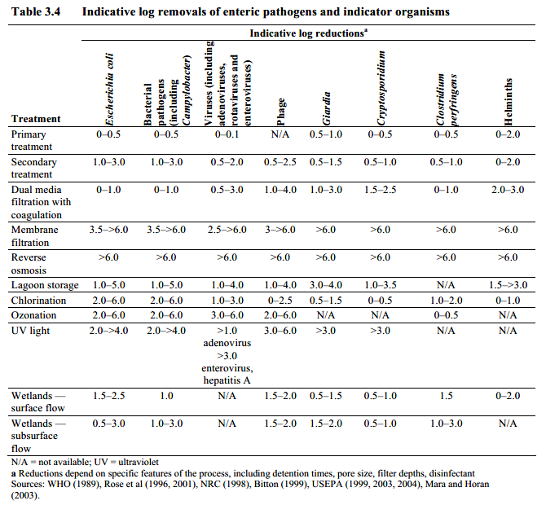
 |  |  |  |  |  | Sources and comments:
POINT ESTIMATES OF LOG REMOVAL BY TREATMENT PROCESSES
 | adenovirus | enterovirus | Campylobacter | Cryptosporidium | Giardia |  |  |  |  |  |  |  | Appl Environ Microbiol. 2010 Feb; 76(4): 1028–1033.
Chlorine CT10 >30 mg-min/l (pH 7.2 10°C) | 4 | 5 | 4 | 0 | 0.6 | 3 CSTR, Other pH or T? |  |  |  | Campy: Blaser 1986 |  |  | Virus | CT value (mg·min/liter)
Ozone >0.4 mg/L t>30 min T=1°C | 5 | 5 | 5 | 0.87 | 0.87 | 3 CSTR Not all Arrhenius parameters for all organisms are known, see e.g. Cryptosporidium 1 |  |  |  |  |  |  |  | 2-log10 CT |  | 3-log10 CT |  | 4-log10 CT
Ozone >0.4 mg/L t>30 min T=25°C | 5 | 5 | 5 | 2.48 | 2.48 | Assumed highly effective
Ozone >0.1 mg/L t=1 min T=1°C | 1 | 1 | 1 | 0 | 0 | 3 CSTR Not all Arrhenius parameters for all organisms are known, see e.g. Cryptosporidium 1
UV Disinfection 40 mJ/cm2 | 0.7 | 2.2 | 5.3 | 3.0 | 2.4 | 40 | 0.018 | 0.055 | 0.88 | 0.225 | 0.122 | Hijnen et al. 2006 |  | pH 7 | pH 8 | pH 7 | pH 8 | pH 7 | pH 8
UV Disinfection 60 mJ/cm2 | 1.1 | 3.3 | 5.3 | 3.0 | 2.4 | 60 | 3 | 4.9 | 5.3 | 3 | 2.4 |  | HAdV2 | 0.02 | 0.04 | 0.06 | 0.12 | 0.15 | 0.27
UV Disinfection 100 mJ/cm2 | 1.8 | 4.9 | 5.3 | 3.0 | 2.4 | 100 |  |  |  |  |  |  | HAdV40 | <0.02 | <0.02 | <0.02 | <0.02 | <0.04 | <0.04
Bank filtration >60d | 9.0 | 9.0 | 9.0 | 9.0 | 9.0
Coag-floc-sed-filt | 2.5 | 2.5 | 2.1 | 2.9 | 3.3 | Hijnen IWA Median MEC |  |  |  |  |  |  | E1 | 0.96 | 0.99 | 1.3 | 1.3 | 1.5a | 1.6
Direct filtration | 0.9 | 0.9 | 1.4 | 2.9 | 3
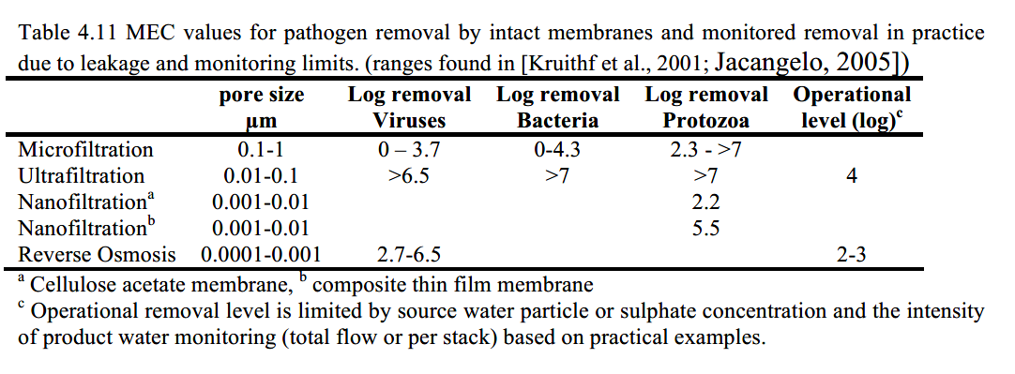
Microfiltration lab tests | 0 | 0 | 0 | 2.3 | 2.3 | Smeets 2006 T4.11 |  | https://www.kwrwater.nl/wp-content/uploads/2016/09/MICRORISK-FINAL-REPORT-Quantitative-microbial-risk-assessment-in-the-Water-Safety-Plan.pdf
Ultrafiltration In lab tests | 6 | 6 | 6 | 6 | 6 | Smeets 2006 T4.11 |  | https://www.kwrwater.nl/wp-content/uploads/2016/09/MICRORISK-FINAL-REPORT-Quantitative-microbial-risk-assessment-in-the-Water-Safety-Plan.pdf
Ultrafiltration Verifyable in practice | 4 | 4 | 4 | 4 | 4 | Smeets 2006 T4.11 |  | https://www.kwrwater.nl/wp-content/uploads/2016/09/MICRORISK-FINAL-REPORT-Quantitative-microbial-risk-assessment-in-the-Water-Safety-Plan.pdf
Reverse Osmosis In lab tests | 6 | 6 | 6 | 6 | 6 | Smeets 2006 T4.11 |  | https://www.kwrwater.nl/wp-content/uploads/2016/09/MICRORISK-FINAL-REPORT-Quantitative-microbial-risk-assessment-in-the-Water-Safety-Plan.pdf
Reverse Osmosis Verifyable in practice | 3 | 3 | 3 | 3 | 3
Granular activated carbon | 0 | 0 | 0.8 | 1.1 | 1.6 | Hijnen IWA Median MEC
Grey means that efficacy is highly uncertain

NSF/ANSI 419 | UF |  |  |  |  |  | NF, Crypto ANSI NSF
http://info.nsf.org/Certified/pdwe/Listings.asp | Crypto |  | virus |  | bacteria |  | Crypto |  | virus
Brand | Min | mean | Min | mean | Min | mean | Min | mean | Min | mean
Bacillus atrophaeus endospores are used in this test as a surrogate for Cryptosporidium (NSF ANSI 419 brochure). Bacillus atrophaeus spores cells are ellipsoid and are about 1.22 micrometers (µm) long and 0.65 µm in diameter. Since protozoa are larger than the test bacterial spores, they are expected to be removed at least as effectively. MS2 bacteriophage are used as surrogate for virus removal, which is a widely accepted as a model organism.
Dow Chemical Company | 6.47 | 6.49
Dow Chemical Company | 6.15 | 6.24
Dow Chemical Company | 5.77 | 5.9
Dow Chemical Company | 5.77 | 5.9
Evoqua Water Technologies | 5.7 | 6.14
Hydranautics - a Nitto Group Company | 5.54 | 5.81
inge GmbH | 5.8 | 6.5 | 4.02 | 4.21
Meidensha Corporation | 5.87 | 6.09 | 4.1 | 4.18 | 5.48 | 5.93
Nanostone Water Inc. | 5.31 | 5.93
Qua Group LLC | 6.14 | 6.18
Scinor Water America | 6.08 | 6.28 | 2.69 | 4.34
Scinor Water America | 6.26 | 6.36 | 3.98 | 5.14
Scinor Water America | 6.19 | 6.37 | 3.63 | 4.37
Pentair/X-flow Aquaflex 64 : Pseudomonas diminuta as surrogate for Crypto. Pseudomonas diminuta is more commonly called Brevundimonas diminuta. B. diminuta is commonly used as a test organism for validation of sterilizing-grade membrane filters due to the small size of the bacterium (0.3 × 1.0 µm).
SUEZ Water Technologies & Solutions | 5.41 | 6.01
X-Flow B.V. |  |  |  |  |  |  | 5.75 | 6.32 | 5.44 | 5.54
Pentair/X-flow Aquaflex 64 |  | 6 |  | 4 |  |  |  | 6
 | 5.31 | 6.5 | 2.69 | 5.14 | 5.48 | 5.93 | 5.75 | 6.32 | 5.44 | 5.54
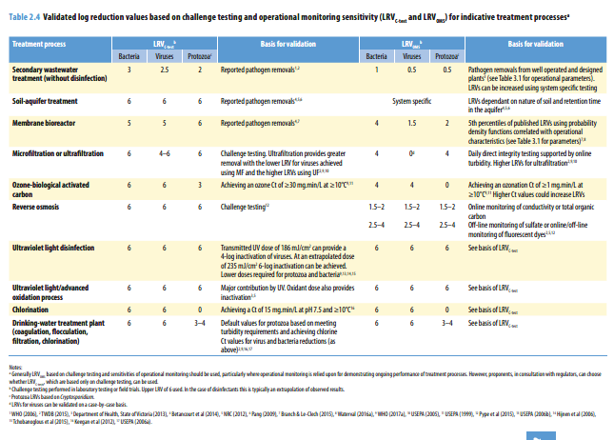

Australian reuse guideline 2006

