QA3 보기
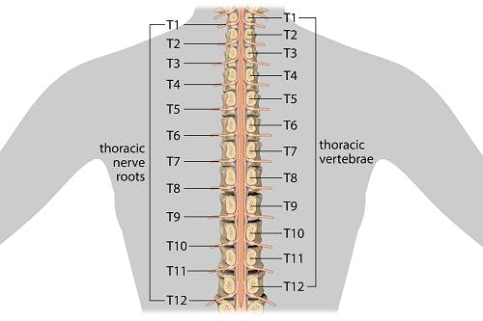
보기: T1, T2, T3, T4, T5, T6, T7, T8, T9, T10, T11, T12

