Лист1
 | ArrayList
Size | Single | Parallel |  | Profit, %
1000 | 1.8 | 0 |  | #DIV/0!
10000 | 7.2 | 5.4 |  | 33.333333333
25000 | 19.7 | 21.8 |  | -9.6330275229
50000 | 56.9 | 50.3 |  | 13.121272366
100000 | 147.7 | 145.2 |  | 1.7217630854
250000 | 495.8 | 487.8 |  | 1.6400164002

 | Long
1000 | 0.1 | 0.1 |  | 0.00%
10000 | 0.2 | 0.5 |  | -60.00%
25000 | 0.5 | 0.8 |  | -37.50%
50000 | 0.3 | 0.9 |  | -66.67%
100000 | 2.5 | 1.6 |  | 56.25%
250000 | 5.2 | 2.1 |  | 147.62%
500000 | 10.2 | 3.8 |  | 168.42%
1000000 | 27.1 | 4.7 |  | 476.60%
Integer.MAX | 40065 | 13349.2 |  | 200.13%

Int
 | Int_max |  |  | Int_filter |  |  | Int_map |  |  | complex
 | Single | Parallel | % | Single | Parallel | % | Single | Parallel | % | Single | Parallel | %
1.00E+03 | 2.7 | 0.8 | 237.50% |  |  | #DIV/0! | 0.1 | 0.1 | 0.00% | 0.1 | 0.2 | -50.00%
1.00E+04 | 0.1 | 0.1 | 0.00% | 0.1 | 0.1 | 0.00% | 0.8 | 0.1 | 700.00% | 0.1 | 0.1 | 0.00%
1.00E+05 | 1.5 | 0.1 | 1,400.00% | 0.8 | 0.1 | 700.00% | 1.2 | 0.8 | 50.00% | 0.8 | 0.1 | 700.00%
1.00E+06 | 3.2 | 1 | 220.00% | 12.4 | 3.4 | 264.71% | 11.9 | 2.6 | 357.69% | 14.2 | 3.3 | 330.30%
1.00E+07 | 36.9 | 10 | 269.00% | 115.7 | 31.6 | 266.14% | 121.9 | 33.2 | 267.17% | 136.5 | 34.8 | 292.24%
1.00E+08 | 376.2 | 110.6 | 240.14% | 1132.5 | 320.9 | 252.91% | 1129 | 349.7 | 222.85% | 1308.1 | 365.2 | 258.19%
1.00E+09 | 3689.2 | 1107.8 | 233.02% | 11113.6 | 3634 | 205.82% | 11063.5 | 3872.7 | 185.68% | 12940.8 | 4117.6 | 214.28%
Long
 | Long_max |  |  | Long_filter |  |  | Long_map |  |  | complex
 | Single | Parallel | % | Single | Parallel | % | Single | Parallel | % | Single | Parallel | %
1.00E+03 | 3.2 | 0.2 | 1,500.00% |  |  | #DIV/0! | 0.1 | 0.1 | 0.00% | 0.1 | 0.1 | 0.00%
1.00E+04 | 0.1 | 0.8 | -87.50% | 0.1 | 0.1 | 0.00% | 0.1 | 0.1 | 0.00% | 0.1 | 0.1 | 0.00%
1.00E+05 | 1.5 | 0.1 | 1,400.00% | 0.1 | 0.1 | 0.00% | 0.1 | 0.1 | 0.00% | 0.1 | 0.1 | 0.00%
1.00E+06 | 0.1 | 0.1 | 0.00% | 1 | 0.1 | 900.00% | 2 | 0.6 | 233.33% | 2.8 | 0.8 | 250.00%
1.00E+07 | 3.8 | 1 | 280.00% | 20 | 5.7 | 250.88% | 18.6 | 5.5 | 238.18% | 21.4 | 5.7 | 275.44%
1.00E+08 | 47.8 | 13.2 | 262.12% | 199 | 65.7 | 202.89% | 203.6 | 50.9 | 300.00% | 221.3 | 55.4 | 299.46%
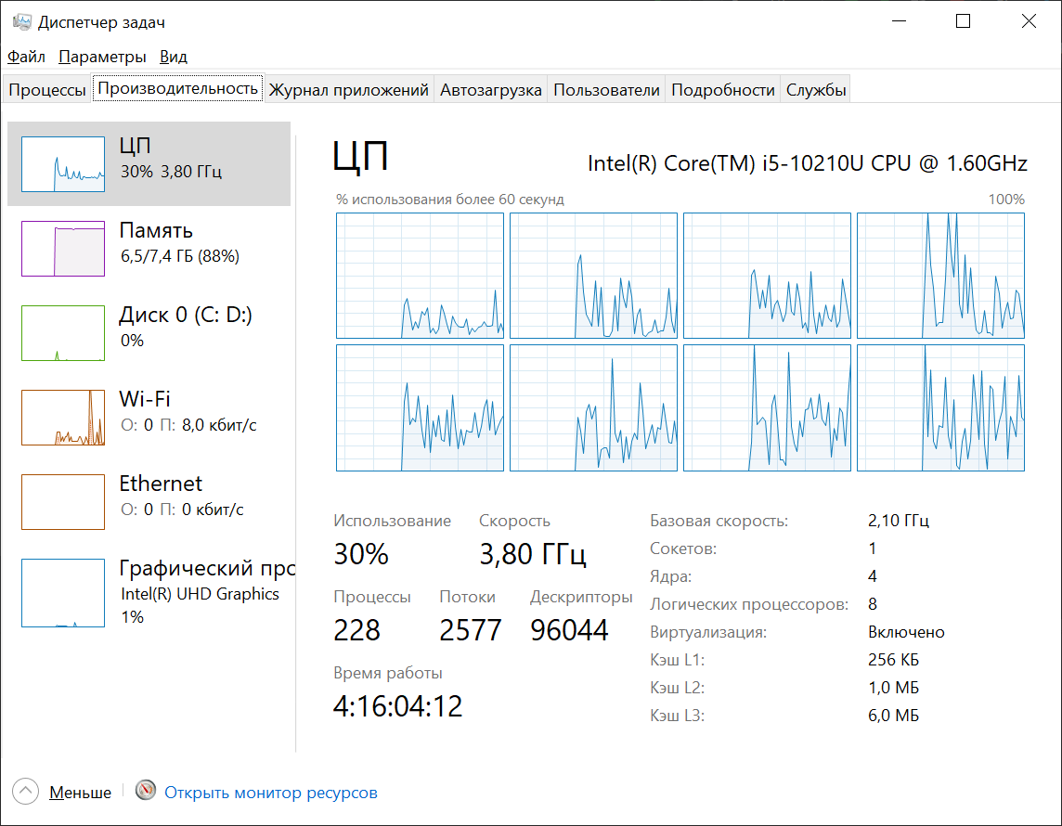
1.00E+09 | 539.8 | 130.8 | 312.69% | 1983.2 | 570 | 247.93% | 1914.6 | 529.5 | 261.59% | 2160.9 | 593.9 | 263.85%

Диаграмма max()
IntStream\LongStream max()
 | intstream.parallel | longstream.parallel | longstream | intstream
1,00E+03 | 2.7 | 3.2 | 0.2 | 0.8
1,00E+04 | 0.1 | 0.1 | 0.8 | 0.1
1,00E+05 | 1.5 | 1.5 | 0.1 | 0.1
1,00E+06 | 3.2 | 0.1 | 0.1 | 1
1,00E+07 | 36.9 | 3.8 | 1 | 10
1,00E+08 | 376.2 | 47.8 | 13.2 | 110.6
1,00E+09 | 3689.2 | 539.8 | 130.8 | 1107.8

Диаграмма filter()
IntStream\LongStream, filter()
 | intstream | intstream.parallel | longstream.parallel | longstream
1,00E+03
1,00E+04 | 0.1 | 0.1 | 0.1 | 0.1
1,00E+05 | 0.8 | 0.1 | 0.1 | 0.1
1,00E+06 | 12.4 | 3.4 | 1 | 0.1
1,00E+07 | 115.7 | 31.6 | 20 | 5.7
1,00E+08 | 1132.5 | 320.9 | 199 | 65.7
1,00E+09 | 11113.6 | 3634 | 1983.2 | 570

Диаграмма map()
 | intstream | intstream.parallel | longstream | longstream.parallel
1,00E+03 | 0.1 | 0.1 | 0.1 | 0.1
1,00E+04 | 0.8 | 0.1 | 0.1 | 0.1
1,00E+05 | 1.2 | 0.8 | 0.1 | 0.1
1,00E+06 | 11.9 | 2.6 | 2 | 0.6
1,00E+07 | 121.9 | 33.2 | 18.6 | 5.5
1,00E+08 | 1129 | 349.7 | 203.6 | 50.9
1,00E+09 | 11063.5 | 3872.7 | 1914.6 | 529.5

Диаграмма комплекс
 | intstream | intstream.parallel | longstream | longstream.parallel
1,00E+03 | 0.1 | 0.2 | 0.1 | 0.1
1,00E+04 | 0.1 | 0.1 | 0.1 | 0.1
1,00E+05 | 0.8 | 0.1 | 0.1 | 0.1
1,00E+06 | 14.2 | 3.3 | 2.8 | 0.8
1,00E+07 | 136.5 | 34.8 | 21.4 | 5.7
1,00E+08 | 1308.1 | 365.2 | 221.3 | 55.4
1,00E+09 | 12940.8 | 4117.6 | 2160.9 | 593.9

