1. Title Page
[Customer Analysis]

Project Name: Instacart Customer Analysis
Date: 09/23/2023
Analyst Name: KaCee Unruh

Contents:
Population Flow
Consistency Checks
Wrangling Steps
Column Derivations
Visualizations
Recommendations

2. Population Flow
Title page

Population Flow

Exclusion flag
Condition: max_order < 5 orders
Obervations to be removed: 1440295
Final total count of Complete_Final: 30,964,564 rows x 38 columns

Orders_products_combined
Orders_products_merged
Order_products_customers_merged

Total: 32,434,489 rows x 10 columns
Total: 32,404,859 rows x 14 columns
Total: 32,404,859 rows x 31 columns

1.) The grey boxes in the first row of the population flow represent the original data sets as they were when downloaded.
2.) The second row of boxes (coloured) represents the data sets after they were manipulated
3.) The third row, where also the arrows are coloured, represents the merges performed between the datasets.

3. Consistency Checks
 |  |  |  | Title page
Consistency Checks

Dataset | Missing values | Missing values treatment | Duplicates
orders | 206209 values from days_since_last_order | Values not removed- all missing values were valuable | None
products | 16 values from product_name | Values removed | 5 duplicates removed
orders_products_prior | 5127 values were outliers (99999) | Values changed to nan | None
customers | None | (N/A) | None

4. Wrangling steps
 |  |  |  |  |  | Title page
Wrangling Steps

Dataset | Dataset Type | Columns dropped | Columns renamed | Columns' type changed | Comment/Reason
Orders | original | 1. Dropped eval_set | 1. order_dow renamed to orders_day_of_week 2. days_since_prior_order renamed to days_since_last_order | 1. user_id changed to string 2. order_id changed to string | •eval_set was dropped because it was deemed unnecessary for current analysis. •order_dow was unintuitive •days_since_last_order easier to read for shareholders •user_id is a string to form a unique id •order_id is a string to form a unique id
Products | original | None | None | None | (N/A)
Departments | original | None | None | Data transposed | •changed from wide to long format
Orders_Products_Prior | original | None | None | None | (N/A)
Customers | original | 1. First name 2. Surnam | 1. STATE renamed to State 2. n_dependants renamed to number_of_dependants | 1. user_id changed to string | •First name and Surnam deemed unnecessary for current analysis. •State is more consistent •number_of_dependants is easier to read for stakeholders •user_id is a string to form a unique id
order_products_customers_merged | prepared | 1. _merge | 1. Gender renamed to gender 2. State renamed to state 3. Age renamed to age | None | •all _merge columns dropped after merge is complete and column is no longer necessary •all columns renamed for consistency

5. Column Derivations
 |  |  |  | Title page

Column Derivations and Aggregations

Dataset | New column | Column/s it was derived from | Conditions
orders_products_merged_updatedcolumns | price_range_loc | prices | Created 3 groups for product prices: If price is <=5 then 'Low-range product', if price is >5 & <=15 then 'Mid-range product', if price is >15 then 'High-range product'
orders_products_merged_updatedcolumns | busiest_day | orders_day_of_week | Singles out the 'Busiest day' (0=Saturday) and 'Least busy' day (4=Wednesday) of the week, while labeling every other day 'Regular busy'.
orders_products_merged_updatedcolumns | busiest_days | orders_day_of_week | Created three groups for days of the week: 'Busiest days' (0=Saturday, 1=Sunday0), 'Least busy days' (3=Tuesday, 4=Wednesday), or 'Regular busy' (remaining days).
orders_products_merged_updatedcolumns | busiest_period_of_day | order_hour_of_day | Created 3 groups for when orders are placed- based on natural breaks in the data. Top 8 hours are labeled 'Most orders', bottom 5 hours are labeled 'Fewest orders', while all other hours are labeled 'Average orders
orders_products_merged_groupby | max_order | order_number and user_id | Shows maximum orders placed with Groupby function
orders_products_merged_groupby | loyalty_flag | max_order | Created 3 groups based on how many max orders the user_id has. If <=10 is 'New customer', if <= 40 & >10 is 'Regular customer', and if >40 is 'Loyal customer'
orders_products_merged_aggregated | mean_price | prices and user_id | Mean price of products with Groupby function
orders_products_merged_aggregated | spending_flag | mean_price | Created 2 groups based on user's mean price of products. <10 is 'Low spender', and >= is 'High spender'
orders_products_merged_aggregated | median_days | days_since_last_order and user_id | Days since last order with Groupby function
orders_products_merged_aggregated | frequency_flag | median_days | Created 3 groups based on median_days. If median_days is >20 then 'Non-frequent customer', if median_days is <=20 & >10 then 'Regular customer', if median_days is <=10 then 'Frequent customer'
Complete_Final | state_region | state | States seperated into regions based on geographic location: https://simple.wikipedia.org/wiki/List_of_regions_of_the_United_States
Complete_Final | customer_activity | max_order | Created 2 groups based on number of orders by customer. If <5 then 'Low-activity customer', if >=5 then 'High-activity customer
Complete_Final | age_group | age | Created 3 groups based on age. If <35 then 'Young age', if >=35 & <55 then 'Middle age', if >55 then 'Old age'
Complete_Final | income_group | income | Created 3 groups based on income. If <75000 then 'Low income', if >=75000 & <150000 then 'Medium income', if >=150000 then 'High income'
Complete_Final | alcohol_customers | department_id | Created 2 groups based on if the customer has bought alcohol or not. If purchased from department_id 5 then 'Buys alcohol', if not then 'No alcohol'
Complete_Final | canned_customers | department_id | Created 2 groups based on if the customer has bought canned goods or not. If purchased from department_id 15 then 'Buys canned goods', if not then 'No canned goods'
Complete_Final | family_group | fam_status and number_of_dependants | Created 4 groups based on if the customer is sinlge, married, or if they have dependants or not. If single (divorced/widowed, living with parents and siblings, single) with 0 dependants then 'Single with NO dependants', if single (divorced/widowed, living with parents and siblings, single) with >=1 dependants then 'Single with dependants', if married with =1 dependants then 'Married with NO dependants', if married with >1 dependants then 'Married with dependants'. ** 'Married with NO dependants' means there are no other dependants than the spouse.

6. Visualizations
 |  | Title page

Visualizations

Overall Statistics | Statistics About the 3 Age Groups |  | Statistics About the 3 Income Groups | Statistics About Customers Who Buy Alcohol | Statistics About Customers Who Buy Canned Goods | Statistics About Customers According to Family Status | Statistics About Customers According to Loyalty | Statistics About Customers According to Region
Overall Statistics for the Complete Dataset Before Exclusion | <35 = Young age >=35 & <55 = Middle age >55 = Old age |  | <75000 = Low income >=75000 & <150000 = Medium income >=150000 = High income | Buys alcohol No alcohol | Buys canned goods No canned goods | Single with NO dependants Single with dependants Married with NO dependants Married with dependants
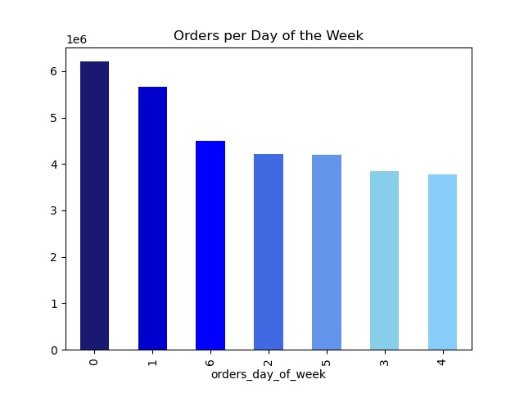
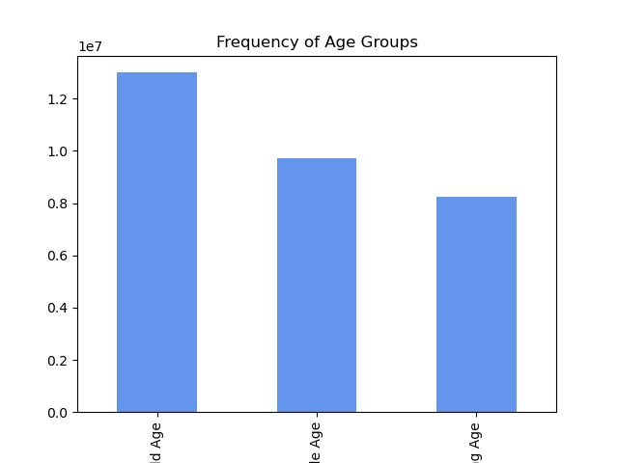
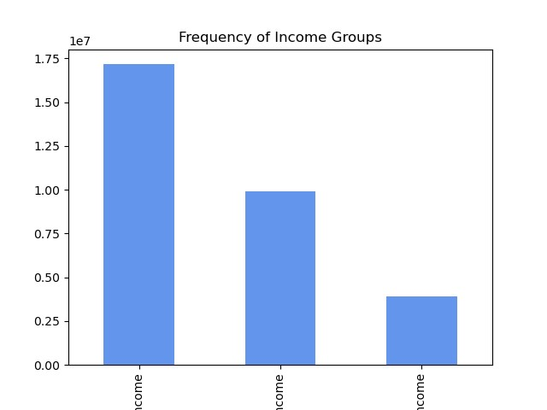
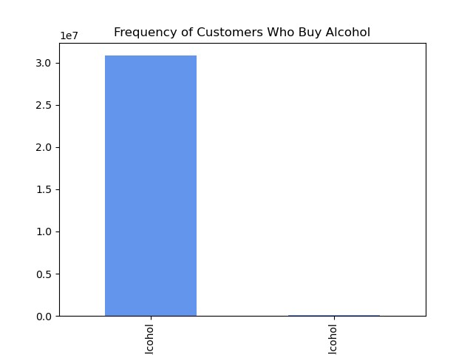
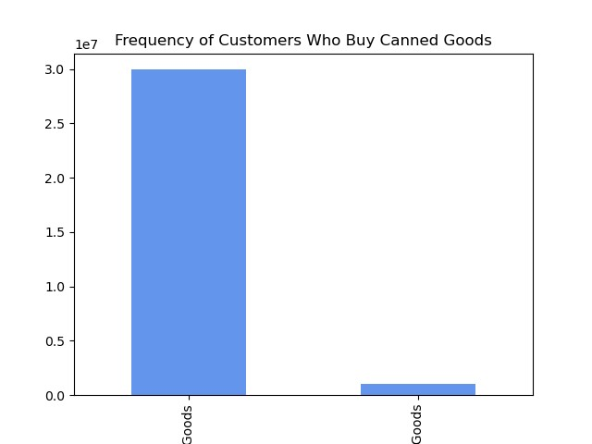
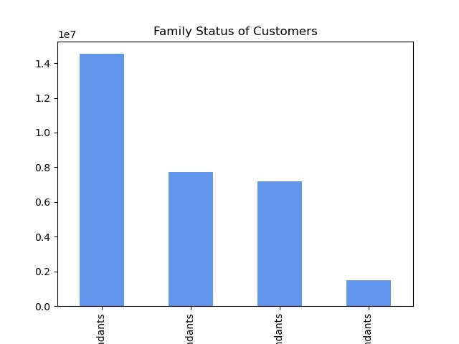
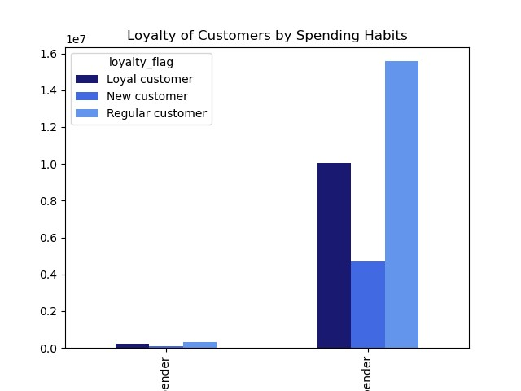
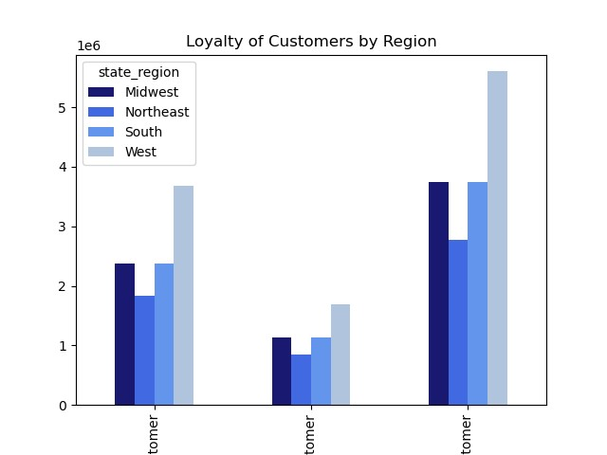

Legend:
0 - Saturday
1 - Sunday
2 - Monday
3 - Tuesday
4 - Wednesday
5 - Thursday
6 - Friday

Loyal
Customer
New
Customer
Regular
Customer
Old
Middle
Young
Medium
Income
Low
Income
High
Income
No
Alcohol
Buys
Alcohol
No Canned
Goods
Buys Canned
Goods
Married with
dependants
Single with
NO dependants
Single with
dependants
High
Spender
Low
Spender
Married with
NO dependants

Orders placed per day of the week. Saturday and Sunday are the busiest days for orders, while Tuesday and Wednesday are the slowest. | Distribution of customers amongst the 3 age groups. Although most of our customers are in the old age group, there is not a large difference between each group. |  | Distribution of customers amongst the 3 income groups. Most of our customers are in the medium income group, and there is a large difference between the medium income and high income group. | Distribution of customers amongst the 2 alcohol groups. Most of our customers are not buying alcohol. | Distribution of customers amongst the 2 canned goods groups. Most of our customers are not buying canned goods. | Distribution of customers amongst the 4 family groups. Most of our customers are married with dependants. Single with dependants make up the smallest group. | Spending bits divided by loyalty flag. Regular customers make up the most of both groups, and new customers do not appear to be high spenders. | Loyal customers located in each region. Customers are distributed the same throughout loyalty status.
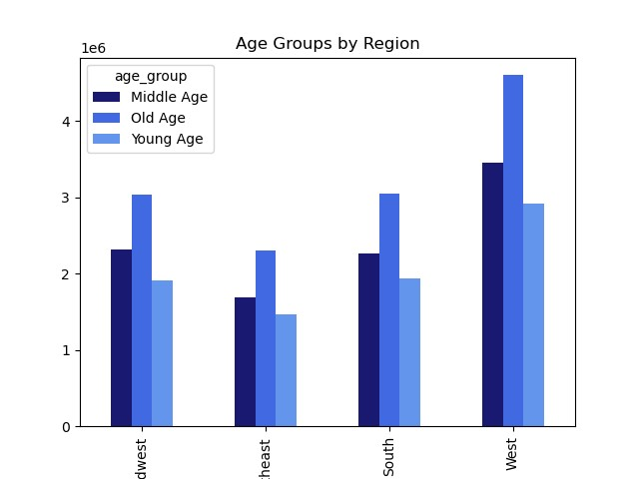
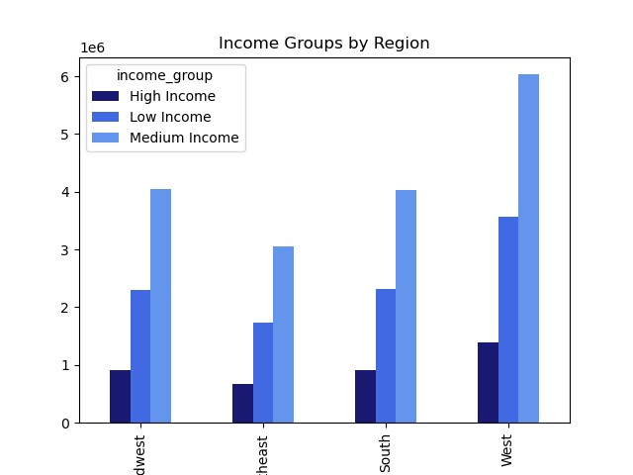
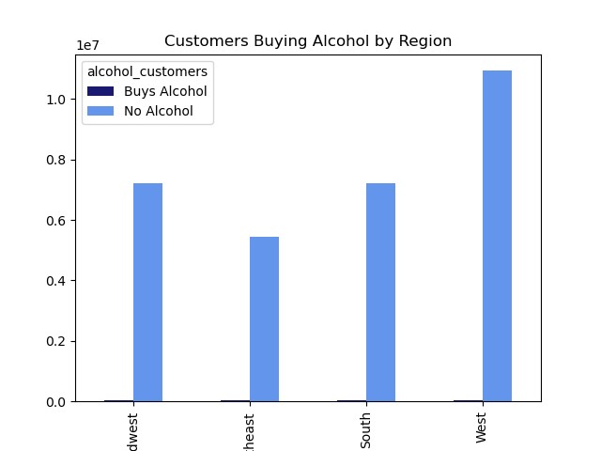
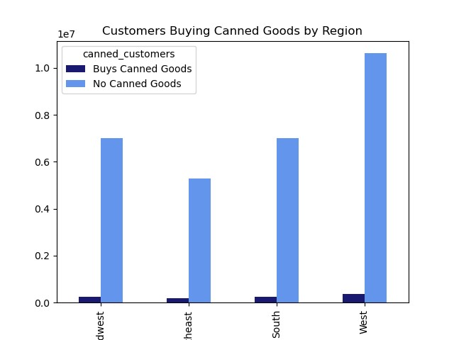
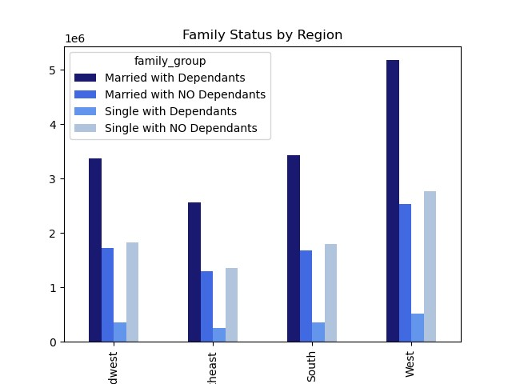
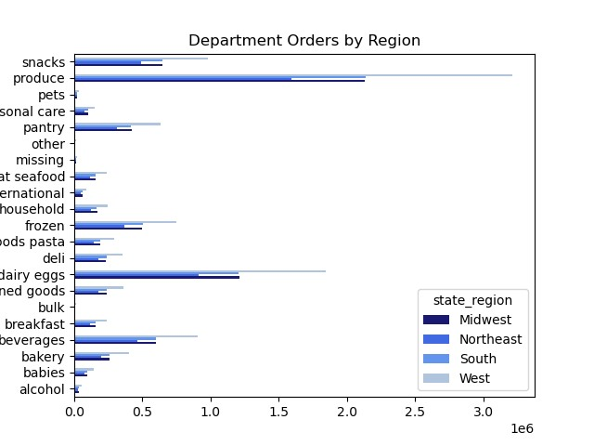

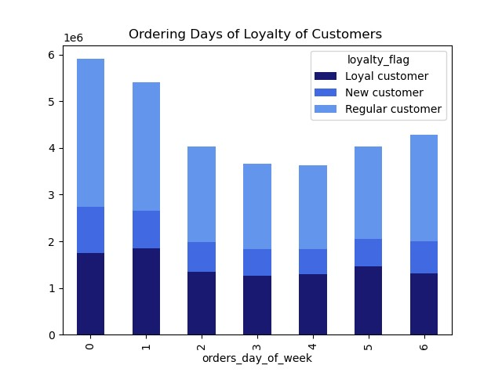

Northeast
Midwest
Midwest
Northeast
Midwest
Northeast
Midwest
Northeast
price
Midwest
Northeast

Prices of groceries purchased. Groceries over the price of $15 are purchased at a much lower rate than groceries below $15. | Distribution of the 3 age groups by region. The west has the most customers of each age group, while the northeast has the least |  | Distribution of the 3 income groups by region. The west has the most customers of each income group, while the northeast has the least. The high income group is more evenly distributed than the other two. | Distribution of the 2 alcohol groups by region. Since there are so few customers buying alcohol there is no difference between region. | Distribution of the 2 canned goods groups by region. Though there are few customers buying canned goods, customers in the western region buys the most. | Distribution of the 4 family groups by region. The west has the most of each group- most notably those married with dependants. Single with dependants are pretty evenly distributed, while the northeast has the least of each group. | Orders per days of the week based on loyalty flag. New customers are mostly evenly distributed, while regular customers have the most fluctuation. | Department order distribution by region. Customers in the west are buying far more produce and dairy/eggs than anywhere else.
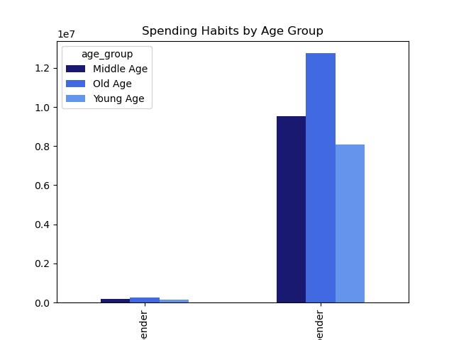
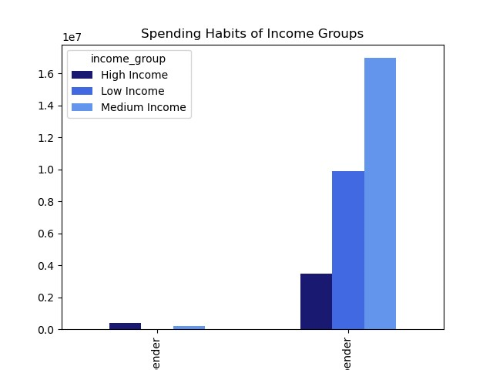
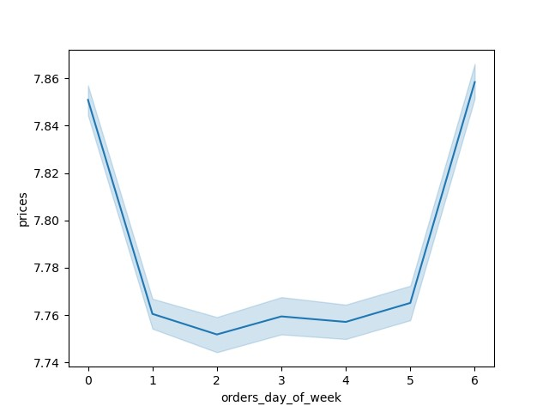
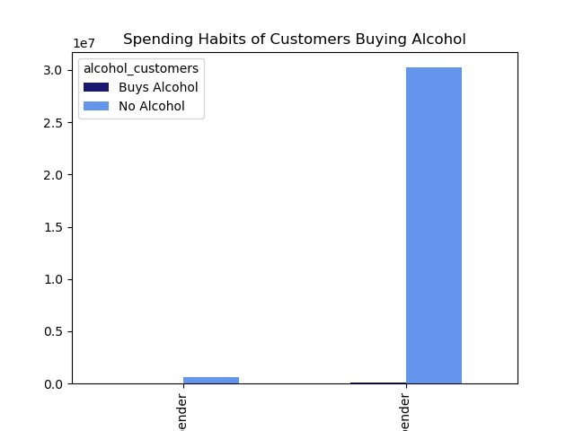
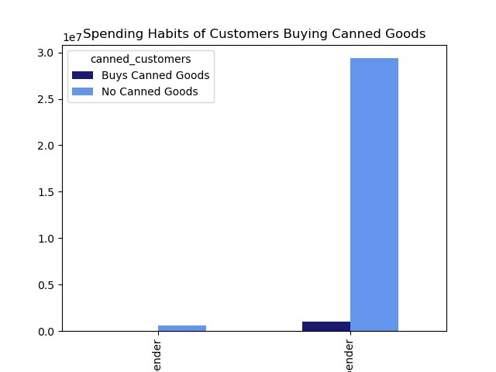
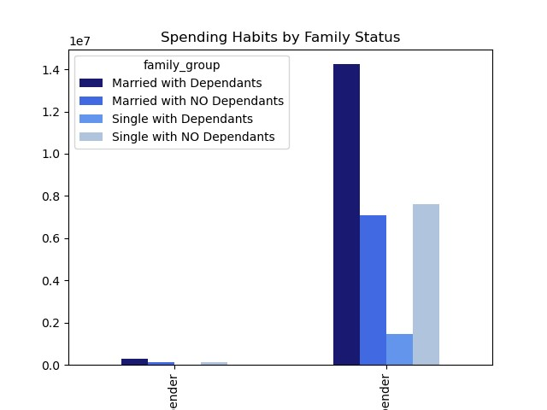
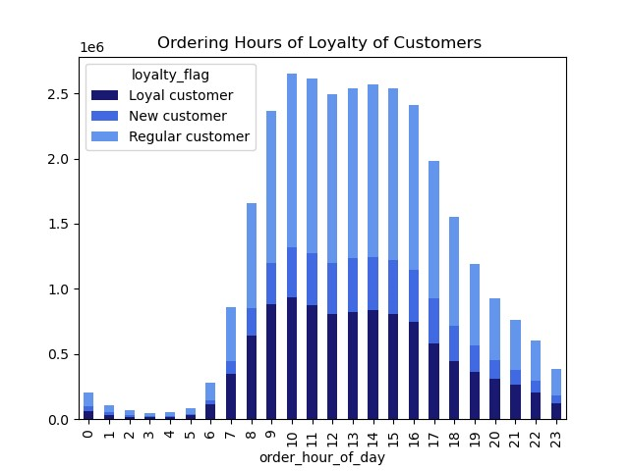

Legend:
0 - Saturday
1 - Sunday
2 - Monday
3 - Tuesday
4 - Wednesday
5 - Thursday
6 - Friday

High
Spender
Low
Spender
High
Spender
Low
Spender
High
Spender
Low
Spender
High
Spender
Low
Spender
High
Spender
Low
Spender

Prices of groceries purchased by day of the week. More expensive groceries are purchased on Friday and Saturday. | Each age group divided by high spender and low spender. There is no age group that has a high amount of high spenders, but there are more old customers that are low spenders. |  | Each income group divided by high spender and low spender. Only high income and medium income groups have high spenders, and the medium income group has the highest amount of low spenders. | Two alcohol groups divided by high spender and low spender. Though It is hard to see, only low spenders seem to be buying alcohol. | Two canned goods groups divided by high spender and low spender. Though It is hard to see, only low spenders seem to be buying canned goods. | Each family group divided by high spender and low spender. Single with dependants do not appear in the high spender group, and married with dependants has the highest frequency of both high spenders and low spenders. | Orders per hour of day based on loyalty flag. All customers have normal distribution while regular customers fluctuate the most.

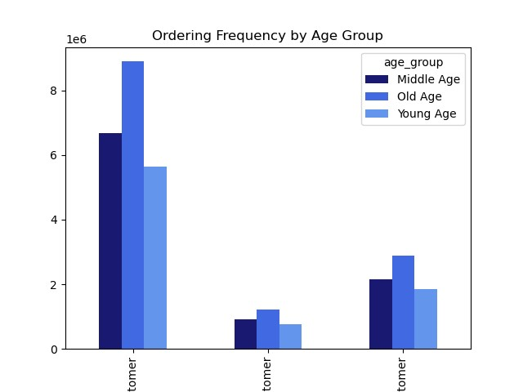
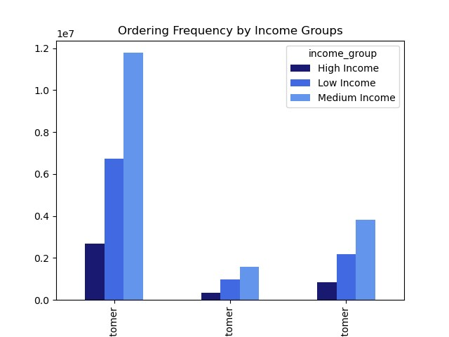
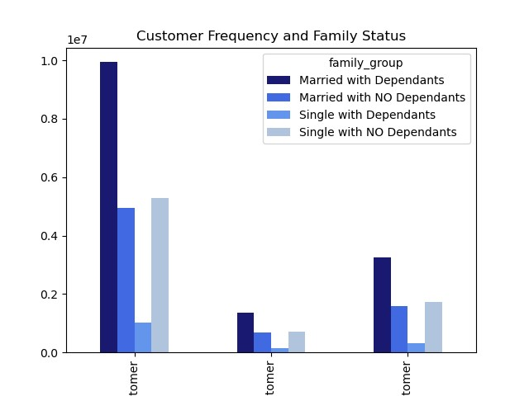
Price of Groceries per Hour of Day
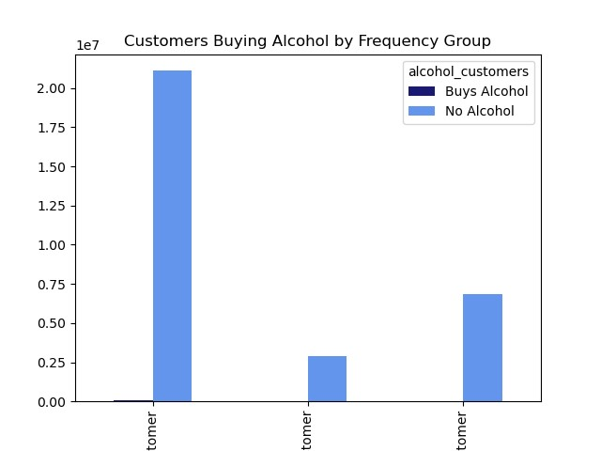
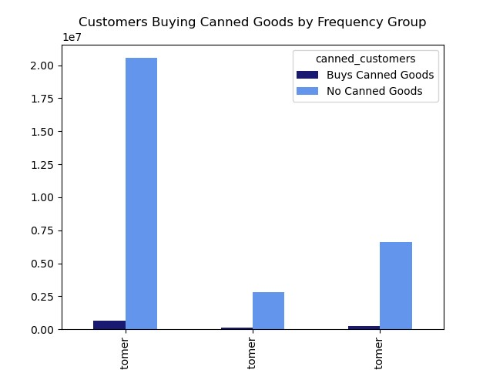
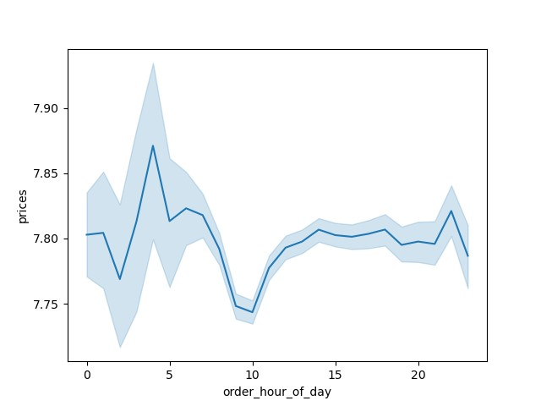

Non-
Frequent
Non-
Frequent
Non-
Frequent
Frequent
Regular
Frequent
Regular
Frequent
Regular
Non-
Frequent
Non-
Frequent
Frequent
Regular
Frequent
Regular

Prices of groceries purchased by hour of the day. More expensive groceries are purchased between 4-5 am, but stay pretty consistant between 11 am and 1 am. They are not purchased often between 8 am and 11 am. | Each age group divided by ordering frequency. Most of our customers fall into the frequent-customer group regardless of age. |  | Each income group divided by ordering frequency. Most of our customers fall into the frequent-customer group regardless of age. It is worth noting that Frequent Medium Income customers are most prominent. | Two alcohol groups divided by ordering frequency. Though It is hard to see, only frequent customers seem to be buying alcohol. | Two canned goods groups divided by ordering frequency. Most canned goods are purchased by frequent customers. | Each family group divided by ordering frequency. Most of our customers fall into the frequent-customer group regardless of family status. Those married with dependants have the highest frequency of each group.

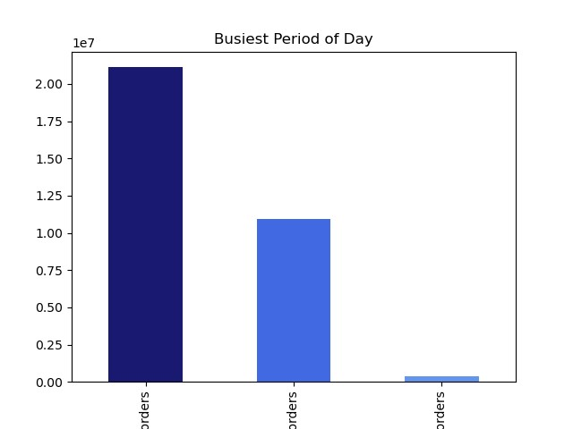
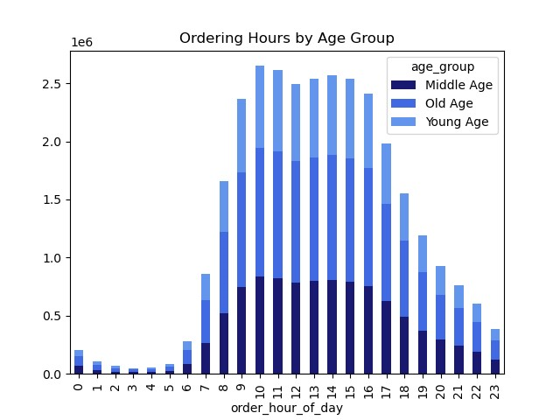
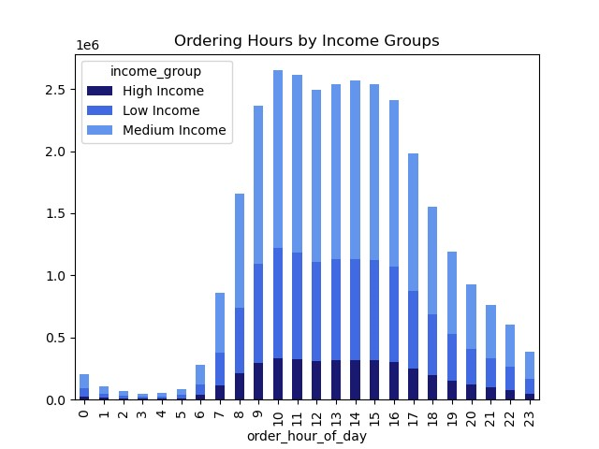
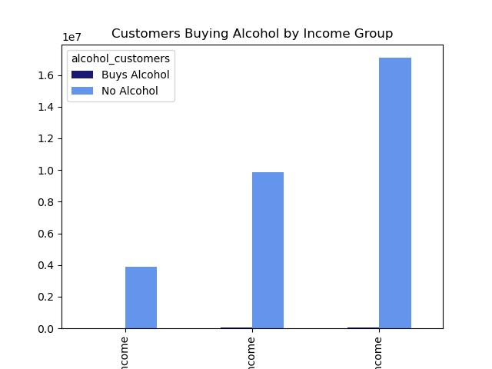
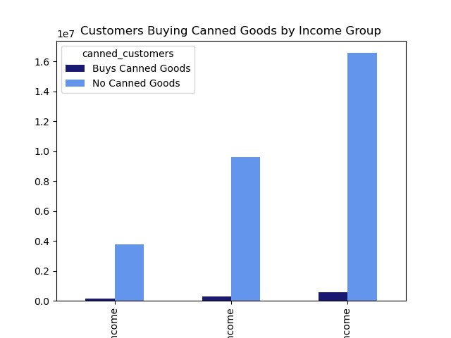
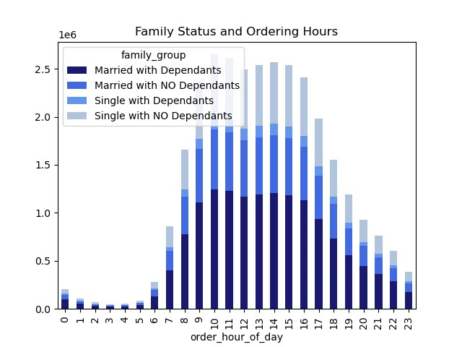

Most
Average
Fewest
High
Income
Low
Income
Medium
Income
High
Income
Low
Income
Medium
Income

Amount of orders placed during 3 time periods. Most orders are placed between 9 am and 4 pm, and the fewest are placed between 1 and 5 am. This bar chart shows the stark contrast between amount of orders and different times of the day. | Each age group divided by the hours their orders were placed. Each age group follows the same patterns of when they place their orders. |  | Each income group divided by the hours their orders were placed. Each income group follows the same patterns of when they place their orders. | Two alcohol groups divided by income group. Though It is hard to see, medium income customers buy the most alcohol. | Two canned goods groups divided by income group. Medium income customers buy the most canned goods. | Each family group divided by the hours their orders were placed. Each family group follows the same patterns of when they place their orders.

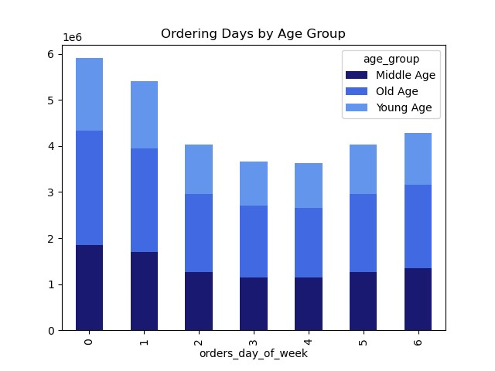
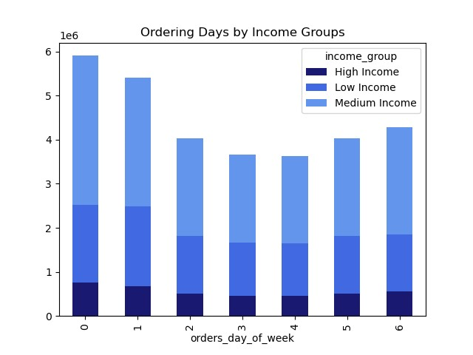
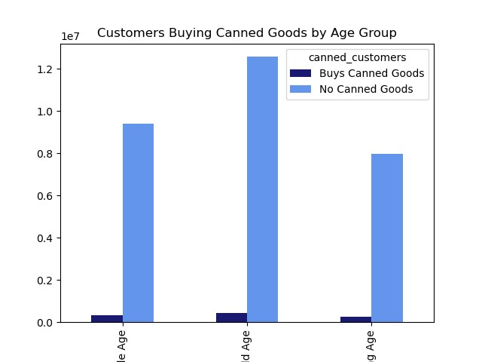
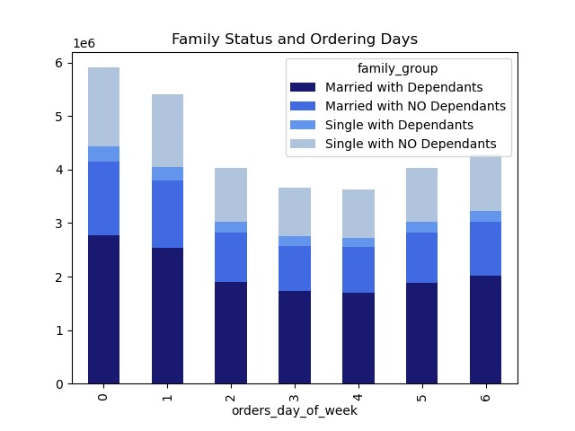
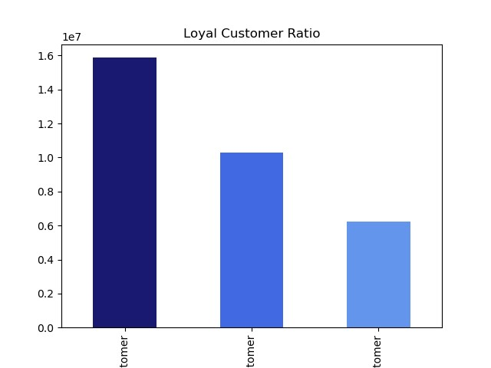
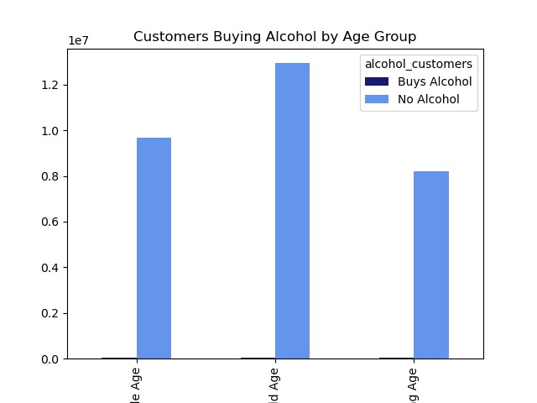

Legend:
0 - Saturday
1 - Sunday
2 - Monday
3 - Tuesday
4 - Wednesday
5 - Thursday
6 - Friday
Legend:
0 - Saturday
1 - Sunday
2 - Monday
3 - Tuesday
4 - Wednesday
5 - Thursday
6 - Friday
Legend:
0 - Saturday
1 - Sunday
2 - Monday
3 - Tuesday
4 - Wednesday
5 - Thursday
6 - Friday

Middle
Age
Old
Age
Young
Age
Regular
Loyal
New
Middle
Age
Old
Age
Young
Age

Customer ratio according to loyalty flag. The majority of our customers are regular customers, meaning they have placed between 10-40 orders. Our smallest group is the new customer group, and in time they may become regular customers as well. | Each age group divided by the days their orders were placed. Each age group follows the same patterns of when they place their orders. |  | Each income group divided by the days their orders were placed. Each income group follows the same patterns of when they place their orders, though the High Income group is pretty evenly distributed. | Two alcohol groups divided by age group. Customers who buy alcohol are evenly distributed amongst age groups. | Two canned goods groups divided by age group. Customers who buy canned goods are almost evenly distributed amongst age groups. | Each family group divided by the days their orders were placed. Each family group follows the same patterns of when they place their orders.
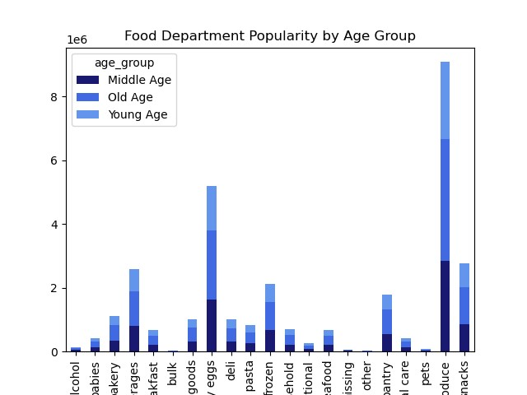
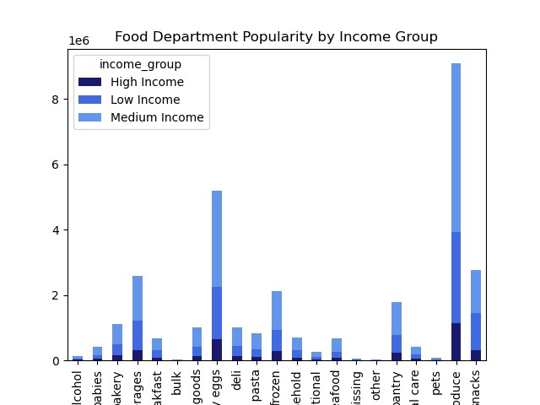
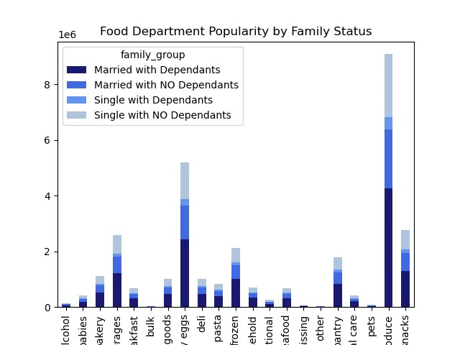
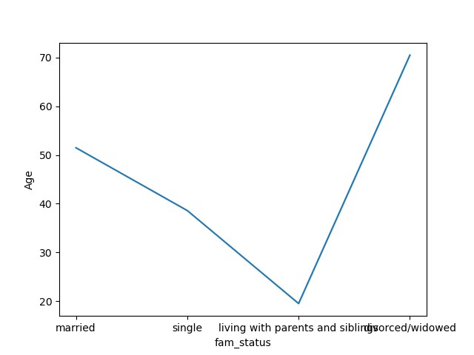
Legend:
Alcohol
Babies
Bakery
Beverages
Breakfast
Bulk
Canned Goods
Dairy Eggs
Deli
Dry Goods Pasta
Frozen
Household
International
Meats Seafood
Missing
Other
Pantry
Personal Care
Pets
Produce
Snacks
Legend:
Alcohol
Babies
Bakery
Beverages
Breakfast
Bulk
Canned Goods
Dairy Eggs
Deli
Dry Goods Pasta
Frozen
Household
International
Meats Seafood
Missing
Other
Pantry
Personal Care
Pets
Produce
Snacks
Legend:
Alcohol
Babies
Bakery
Beverages
Breakfast
Bulk
Canned Goods
Dairy Eggs
Deli
Dry Goods Pasta
Frozen
Household
International
Meats Seafood
Missing
Other
Pantry
Personal Care
Pets
Produce
Snacks

Correlation between family status and age. The results seem to go in this order from youngest to oldest: Living with parents and siblings, single, married, divorced/widowed. | Each age group divided by the food departments that they order from. Produce is very popular amongst all 3 age groups, while bulk, pets, and alcohol are the least popular. |  | Each income group divided by the food departments that they order from. Produce is very popular amongst all 3 income groups, while bulk, pets, and alcohol are the least popular. |  |  | Each family group divided by the food departments that they order from. Produce is very popular amongst all 4 family groups, while bulk, pets, and alcohol are the least popular.
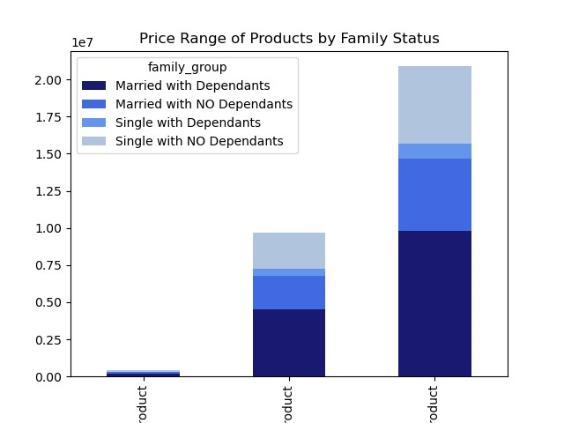

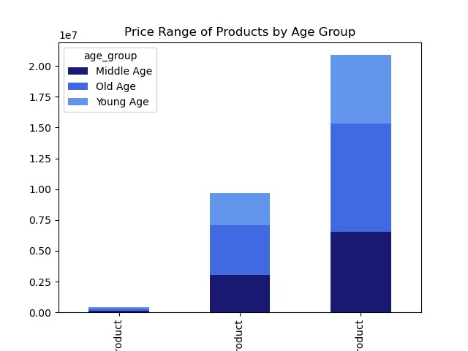
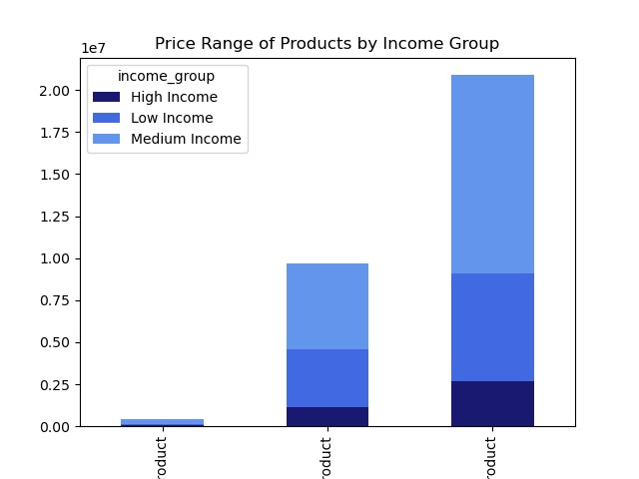

High-Range
Product
Low-Range
Product
Mid-Range
Product
High-Range
Product
Low-Range
Product
Mid-Range
Product
High-Range
Product
Low-Range
Product
Mid-Range
Product

Correlation between age and number of dependants. This chart shows that there is no correlation between the two. | Each age group divided by the price of products they purchase. High-range products are not popular amongst any age group, and mid-range products are popular amongst all 3 age groups. |  | Each income group divided by the price of products they purchase. High-range products are not popular amongst any income group, and mid-range products are popular amongst all 3 income groups. |  |  | Each family group divided by the price of products they purchase. High-range products are not popular amongst any family group (though married with dependants buy the most). Mid-range products are popular amongst all 4 family groups.

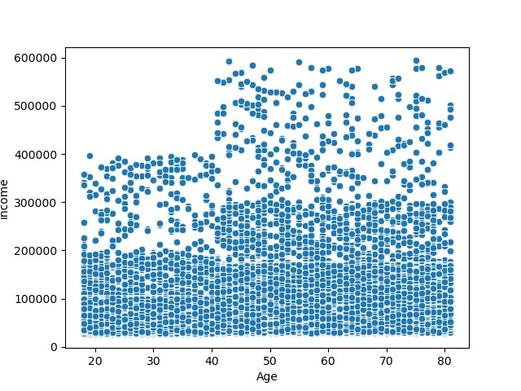
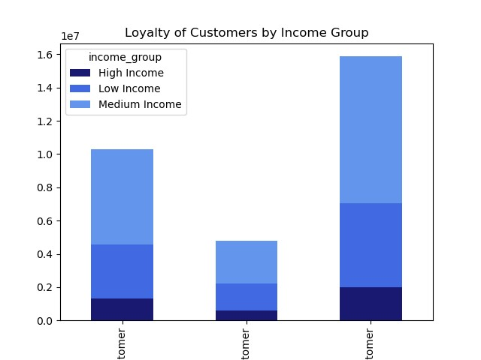
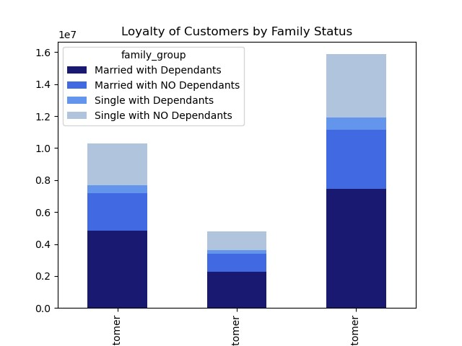


Loyal
Customer
New
Customer
Regular
Customer
Loyal
Customer
New
Customer
Regular
Customer
Loyal
Customer
New
Customer
Regular
Customer

Correlation between age and income. This chart shows that there is small correlation between age and income. | Each age group divided by brand loyalty. Every age group follows the same trend where most customers are regular customers and few are new. |  | Each income group divided by brand loyalty. Every income group follows the same trend where most customers are regular customers and few are new. We can take note that most regular customers are within the medium income group, and this is the largest group of customers in this crosstab. |  |  | Each family group divided by brand loyalty. Every age group follows the same trend where most customers are regular customers and few are new.





Middle
Age
Old
Age
Young
Age
High
Income
Low
Income
Medium
Income
Midwest
Northeast

High Spenders vs Low Spenders in each region of the country. Our high spenders are pretty evenly distributed. Our low spenders have a higher population in the west. |  |  | Each income group divided by age group. There are very few young customers in the high income group. Most young age customers are in the low income group, most old age customers are in the medium income group. |  |  | Each family group divided by income group. There is no notable amount of high income customers that are single with dependants. Married with dependants has the highest frequency of each group. Though most family groups follow the same pattern of high income -> low income -> medium income, single with dependants does not.



Orders placed per hour of day. 9 am through 4 pm are the busiest hours, while 12 am through 5 am are the slowest.

7. Recommendations
 |  |  |  |  |  |  | Title page

Recommendations

Key Question 1: The sales team needs to know what the busiest days of the week and hours of the day are (i.e., the days and times with the most orders) in order to schedule ads at times when there are fewer orders

Observation: |  | Saturday and Sunday are the busiest days for orders, while Tuesday and Wednesday are the slowest. Most orders are placed between 9 am and 4 pm, and slowest order times are between 12 am and 6 am.

Recommendation: |  | Ads should not be ran from Friday 9 am -Sunday 4 pm since these are our busiest times. Most of our ads for existing customers should be ran Sunday through Thursday in the evenings (5 pm to 11 pm), and early mornings (6 am to 9 am). We can run loyalty specials for loyal or frequent customers during these times to generate more business during our slower hours. Ads for new customers should be ran from 9 am to 4 pm daily because those times are most likely to catch their attention.

 | Click Here for Busiest Days Visulaization |  |  | Click Here for Busiest Hours Visualization | Click Here for Busiest Period of Day Visualization

Key Question 2: They also want to know whether there are particular times of the day when people spend the most money, as this might inform the type of products they advertise at these times.

Observation: |  | Most expensive products are purchased on Friday and Saturday, while Sunday through Thursday they are consistantly purchased at a much lower rate. Between 4-5 am there is a spike in the price of products purchased, and 9-10 am has the lowest price of products purchased.

Recommendation: |  | While the general data shows that more expensive orders take place on Friday and Saturday, and between 4-5 am, we can also look at the demographics of those who place these orders. Let's consider age, income, and family status when narrowing down our target demographic. The data shows that those who are over 55 years old spend more, as well as those who make $150,000, or are married with more than 1 dependant. We should focus on high income families and customers over the age of 55, showing most ads as early as 4 am and through out the afternoon on Fridays and Saturdays.

 | Click Here for Prices of Products Bought per Day of the Week Vizualization |  |  | Click Here for Prices of Products Bought per Hour of the Day Visualization | Click Here for High Spenders vs Low Spenders in each Age Group | Click Here for High Spenders vs Low Spenders in each Income Group |  | Click Here for High Spenders vs Low Spenders in each Family Group | Click Here for High Spenders vs Low Spenders in each Region

Key Question 3: Instacart has a lot of products with different price tags. Marketing and sales want to use simpler price range groupings to help direct their efforts.

Observation: |  | Majority of groceries are under $15, and our max price is $25.

Recommendation: |  | Split our products into the three following groups: If <=5 then 'Low-range product', if price is >5 & <=15 then 'Mid-range product', if price is >15 then 'High-range product'. This will allow us to break down how customers are spending their money on products. Looking at the age and income of customers, most will buy mid range products. The only notable group spending money on high range products are customers who are married with dependants.

 | Click Here for Range of Product Prices Visualization |  |  | Click Here for Price Range of Products Purchased by Each Age Group | Click Here for Price Range of Products Purchased by Each Income Group | Click Here for Price Range of Products Purchased by Each Family Group

Key Question 4: Are there certain types of products that are more popular than others? The marketing and sales teams want to know which departments have the highest frequency of product orders.

Observation: |  | Across all the data, the top two departments for highest order frequency are produce and dairy/eggs. The bottom two departments are bulk and other.

Recommendation: |  | There is no need to run ads or sales for departments that already have high sales numbers as they are already popular. Running ads and sales for those with low sales numbers may be a waste unless targeted to the specific groups who buy them. If we focus on mid range products that our customers already purchase we can boost frequency. These departments include: Snacks, Beverages, Frozen, Pantry, Bakery, and Canned Goods.

 | Click Here for Food Department Popularity Amongst Age Groups Visualization |  |  | Click Here for Food Department Popularity Amongst Income Groups Visualization | Click Here for Food Department Popularity Amongst Family Groups Visualization

Key Question 5a: The marketing and sales teams are particularly interested in the different types of customers: What’s the distribution among users in regards to their brand loyalty (i.e., how often do they return to Instacart)?

Observation: |  | Most of the customers (15,876,776) fall into the regular grouping meaning they have placed between 11-40 orders. We have 10,284,093 customers that are loyal, placing over 40 orders each, and the rest are new (6,243,990).

Recommendation: |  | Promoting a loyalty discount or a type of loyalty perk to regular and new customers can increase order frequency and promote customer loyalty. Our loyal customers should also receive an incentive for staying with us.

 | Click Here for Loyal Customer Ratio Visualization |  |  | Click Here for Loyal Customers within Each Age Group Visualization | Click Here for Loyal Customers within Each Income Group Visualization | Click Here for Loyal Customers within Each Family Group Visualization

Key Question 5b: The marketing and sales teams are particularly interested in the different types of customers: Are there differences in ordering habits based on a customer’s loyalty status?

Observation: |  | Every income group follows the same trend where most customers are regular customers and few are new, as seen above.

Recommendation: |  | Regular customers make up the most of both groups, and new customers do not appear to be high spenders. New customers are mostly evenly distributed throughout the week when ordering, but loyal and regular customers stick to a similar distribution. We can put marketing towards new customers throughout a wider range of times since they have less fluctuation in ordering times.

 | Click Here for Loyal Customer Ratio Visualization |  |  | Click Here for Loyal Customers within Each Spending Group Visualization | Click Here for Loyal Customers Orders per Day of Week Visualization | Click Here for Loyal Customers Orders per Hour of Day Visualization

Key Question 5c: The marketing and sales teams are particularly interested in the different types of customers: Are there differences in ordering habits based on a customer’s region?

Observation: |  | Most of our customers are located in the Western Region, while the fewest are location in the Northeastern region.All four regions tend to follow similar spending habits.

Recommendation: |  | Although most customers are located in the western region, they purchase far more produce and dairy/eggs than anywhere else. Another thing to note is those who are married with dependants, and those with medium income are the majority in each region.

 | Click Here for Customer Spending per Geographic Region Visualization |  |  | Click Here for Region of Each Age Group Visualization | Click Here for Region of Each Income Group Visualization | Click Here for Region of Each Family Group Visualization |  | Click Here for Loyalty Customer by Region Visualization | Click Here for Department Orders by Region Visualization

Key Question 5d: The marketing and sales teams are particularly interested in the different types of customers: Is there a connection between age and family status in terms of ordering habits?

Observation: |  | Most of our customers are between 33 and 65, and are married with dependants.

Recommendation: |  | Customers have been divided into these three age groups: 55+ (old age) group has 12,998,031. 35-54 (diddle age) group has 9,724,238. <35 (young age) group has 8,242,295. When looking at family status, the group 'married with dependants' has double the amount of customers than the next largest group: single with no dependants. We should target our ads to customers who are married with kids over the age of 33.

 | Click Here for Family Status and Age Visualization |  |  | Click Here for Age and Number of Dependants Visualization | Click Here for Spending Habits by Age Group | Click Here for Spending Habits by Family Status |  | Click Here for Data Visualizations about Customer Age Groups | Click Here for Data Visualizations about Customer Family Status

Key Question 5e: The marketing and sales teams are particularly interested in the different types of customers: What different classifications does the demographic information suggest? Age? Income? Certain types of goods? Family status?

Observation: |  | Most of our customers are: 1) Between 33 and 65 2) Married with dependants 3) Have an income between 75,000 & 150,000 4) Located in the western region 5) Purchasing produce and dairy/eggs

Recommendation: |  | Targeting customers who are over the age of 55 and married with dependants will deliver ads to our most prominent group of customers. To narrow it down further, targeting the western region (or all regions except northeast) as well. Now that the type of customer is found, next we focus on products.
 |  | We can see that our top product departments sold are Produce, Dairy/Eggs, Snacks, Beverages, Frozen, Pantry, and Bakery across every group of customers examined. Running ads for those products with every type of customer will boost sales since they are products that are already popular. Looking into less popular items there is revealing information on specific groups to target.
 |  | • Alcohol, for example, is a product purchased by very few customers. From the data we see that frequent, low spending customers that are low or medium income are the only ones that tend to purchase alcohol.
 |  | • Canned goods are purchased by far more customers but are not one of the top products sold. To target ads for canned goods, focus on customers who are frequent, low spenders across all age groups. Medium income customers will narrow the focus even further.

 | Click Here for Data Visualizations About Age Groups |  |  | Click Here for Data Visualizations About Income Groups | Click Here for Data Visualizations About Family Status | Click Here for Data Visualizations About Customers Who Buy Alcohol |  | Click Here for Data Visualizations About Customers Who Buy Canned Goods | Click Here for Correlation Between Age and Income Visualization

Key Question 5f: The marketing and sales teams are particularly interested in the different types of customers: What differences can you find in ordering habits of different customer profiles? Consider the price of orders, the frequency of orders, the products customers are ordering, and anything else you can think of.

Observation: |  | Below are the observations made about each group of customers observed:

 |  | Data for Customers based on Age Groups:
 | Visualization |  | Distribution of customers in three groups: Old age- 12,998,031 Middle Age- 9,724,238 Young Age- 8,242,295. Most customers fall into the 'old age' group (55+).
 | Visualization |  | Distribution of the three age groups by region: The west has the most customers of each age group, while the northeast has the least.
 | Visualization |  | Each age group divided by high spender and low spender: There is no age group that has a high amount of high spenders, but there are more old age customers that are low spenders.
 | Visualization |  | Each age group divided by ordering frequency: Most of these customers fall into the frequent-customer group regardless of age.
 | Visualization |  | Each age group divided by the hours their orders were placed: Each age group follows the same patterns of when they place their orders. Most orders placed between 9 am - 4 pm, and least placed between 12 am - 6 am.
 | Visualization |  | Each age group divided by days they place orders: Each age group follows the same patterns of when they place their orders. Saturday and Sunday are the busiest days for orders, while Tuesday and Wednesday are the slowest.
 | Visualization |  | Each age group divided by the food departments they order from: Produce is very popular amongst all 3 age groups, while bulk, pets, and alcohol are the least popular.
 | Visualization |  | Each age group divided by the price of products they purchase: High-range products are not popular amongst any age group, while mid-range products are popular amongst all 3 age groups.
 | Visualization |  | Each age group divided by brand loyalty: Every age group follows the same trend where most customers are regular customers and few are new.

 |  | Data for Customers based on Income Groups:
 | Visualization |  | Distribution of customers in three income groups: High Income- 3,895,275 Medium Income- 17,162,609 Low Income- 9,906,680. Most of our customers are in the medium income group.
 | Visualization |  | Distribution of the three income groups by region: The west has the most customers of each income group, while the northeast has the least. The high income group is more evenly distributed than the other two.
 | Visualization |  | Each income group divided by high spender and low spender: Only high income and medium income groups have high spenders, and the medium income group has the highest amount of low spenders.
 | Visualization |  | Each income group divided by ordering frequency: Most customers fall into the frequent-customer group regardless of age. It is worth noting that Frequent Medium Income customers are most prominent.
 | Visualization |  | Each income group divided by the hours orders were placed: Each income group follows the same patterns of when they place their orders. Most orders placed between 9 am - 4 pm, and least placed between 12 am - 6 am.
 | Visualization |  | Each income group divided by days they place orders: High and low income groups follow the same patterns of when they place orders, and the high Income group is pretty evenly distributed.
 | Visualization |  | Each income group divided by the food department they order from: Produce is very popular amongst all 3 income groups, while bulk, pets, and alcohol are the least popular.
 | Visualization |  | Each income group divided by the price of products they purchase: High-range products are not popular amongst any income group, and mid-range products are popular amongst all 3 income groups.
 | Visualization |  | Each income group divided by loyalty: They follow the same trend- most are regular customers and few are new. Note that most regular customers are within the medium income group, and is the largest group in this crosstab.
 | Visualization |  | Each income group divided by age group. There are very few young customers in the high income group. Most young age customers are in the low income group, and most old age customers are in the medium income group.

 |  | Data for Customers based on Family Status:
 | Visualization |  | Distribution of customers in four family groups: Married with Dependants- 14,532,650 Single with NO Dependants- 7,739,681 Married with NO Dependants- 7,211,061 Single with Dependants- 1,481,172. Most of our customers are married with dependants. Single with dependants make up the smallest group.
 | Visualization |  | Distribution of the 4 family groups by region: The west has the most of each group- most notably those married with dependants. Single with dependants are evenly distributed, while the northeast has the least of each group.
 | Visualization |  | Each family group divided by high spender and low spender: Single with dependants do not appear in the high spender group, and married with dependants has the highest frequency of both high spenders and low spenders.
 | Visualization |  | Each family group divided by ordering frequency: Most of our customers fall into the frequent-customer group regardless of family status. Those married with dependants have the highest frequency of each group.
 | Visualization |  | Each family group divided by the hours orders were placed: Each family group follows the same patterns of when they place their orders. Most orders placed between 9 am - 4 pm, and least placed between 12 am - 6 am.
 | Visualization |  | Each family group divided by days they placed orders: Each family group follows the same patterns of when they place their orders. Saturday and Sunday are busiest for orders, while Tuesday and Wednesday are the slowest.
 | Visualization |  | Each family group divided by the food departments they order from: Produce is very popular amongst all 4 family groups, while bulk, pets, and alcohol are the least popular.
 | Visualization |  | Each family group divided by the price of products they purchase: High-range products are not popular amongst any group (though married with dependants purchase the most). Mid-range products are popular amongst all groups.
 | Visualization |  | Each family group divided by brand loyalty: Every age group follows the same trend where most customers are regular customers and few are new.
 | Visualization |  | Each family group divided by income group: There is no notable amount of high income customers that are single with dependants. Married with dependants have the highest frequency of each group. Though most family groups follow the same pattern of high income -> low income -> medium income, single with dependants does not.

Recommendation: |  | The data shows that the majority of customers are 55+, have medium income, are located in the west and are married with dependants. Targeting ads to these groups offering a loyalty discount/special will keep the largest demographic coming back to Instacart. Ads for low range products should be targeted toward young, low income customers who are single with dependents, in to promote more frequent use of Instacart. Offering more new customer specials in the northeast may entice more customers to join in that region since there are so few currently.

