Gas H2 GenUnits
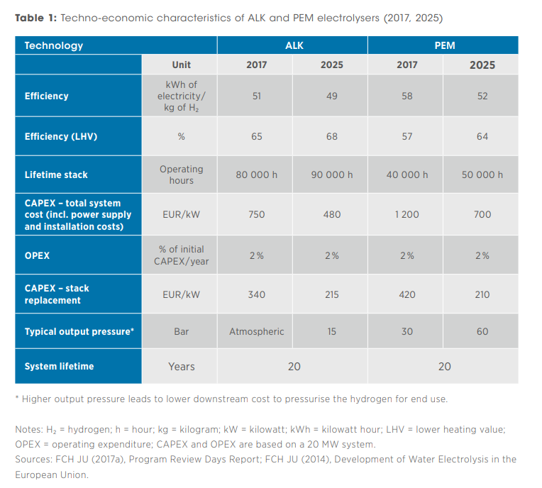
 | Gas - H2 - Subset of hydrogen generating units (h2g)

Excl. |  |  |  |  | ExisUnits | MaxCons | H2Effic | OMVarCost | PowerFactor | EnableInvest | InvestCost | MaxInvest
 |  |  |  |  | Indicates the number of existing hydrogen units | Maximum active power consumption of hydrogen unit | Efficiency of the hydrogen unit | Operation and maintenance cost of the hydrogen unit | Power factor (active/total power) of the hydrogen unit | Specifies the unit as existing [1] or not [0] | Investment cost per capacity of the hydrogen unit | Maximum number of units that can be built
 |  |  |  |  | See source on the right
 |  |  |  |  | [0,N] | [MW] | [kg/MWh] | [% of CAPEX/year] | [p.u.] | [0,1] | [€/MW/year] | [0-N]
 | H2_electrolyzer | H2_electricity | Node_5 | H2_Node_1 | 1 | 20 | 20.408163265 | 0.02 | 1 | 0 | 24,000 | 0 | Based on ALK tecnology @ 2025 | Source: https://www.irena.org/-/media/files/irena/agency/publication/2018/sep/irena_hydrogen_from_renewable_power_2018.pdf

