Sheet
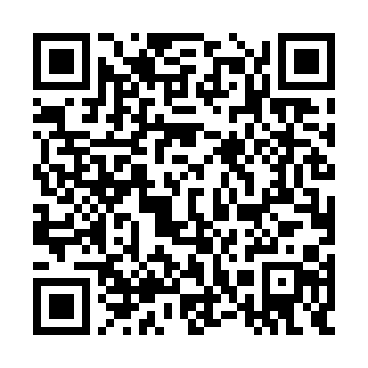
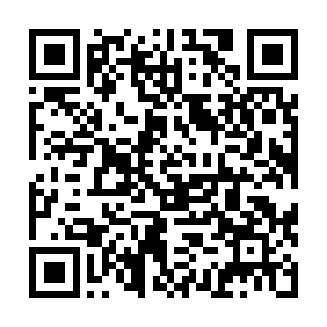
id | QR-codes-text | QR-codes-images
QWE-Lale-Karesi-15metre-2-1-2024-11-17-20-11-59-375717-05ee435c82124cb4bf90c04640be8446 | QWE-Lale-Karesi-15metre-2-1-2024-11-17-20-11-59-375717-05ee435c82124cb4bf90c04640be8446
QWE-Lale-Karesi-15metre-2-2-2024-11-17-20-11-59-375717-cf38168ab0454dd987f5cb39b3bee345 | QWE-Lale-Karesi-15metre-2-2-2024-11-17-20-11-59-375717-cf38168ab0454dd987f5cb39b3bee345

