Information
CRMI Multi Order Upload Template
Version 1.0
Step 1 - Create an order of type "Multi Order" or "Multi Return" in CRM
● Create a new order within CRMI of type Multi Order or Multi Order Return ● Select the Sold To account for which you want to create the orders onto the record ● After saving the order click the button Multi Upload/Extract

Step 2 - Copy details from excel sheet
● Complete the sheet Multi Order Sheet including information of ship to accounts, products, PO Numbers, and quantities PO Number is a mandatory field and should be entered for all orders ● Select the cells within the sheet and copy to clipboard

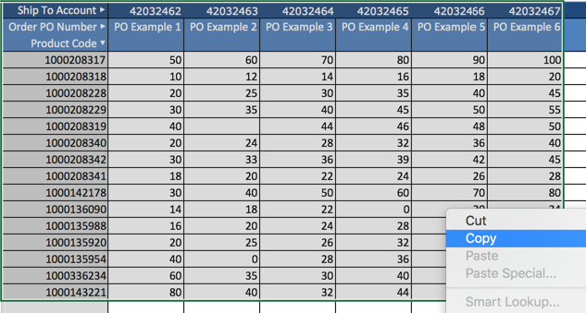

Step 3 - Paste and save orders within CRMI
● Paste the cells into the grid within CRMI using CTRL + V ● Click the Save Orders button to attempt to save the order details ● CRMI will first perform validation checks to ensure that the accounts and products can be found It is possible to either fix errors directly in CRMI or to amend the excel sheet and re-paste. No records will be saved until all errors have been cleared. Tip: When pasting large orders it is possible that the system may take a few minutes to save the information. If you wish to keep working you can open CRMI in another tab.

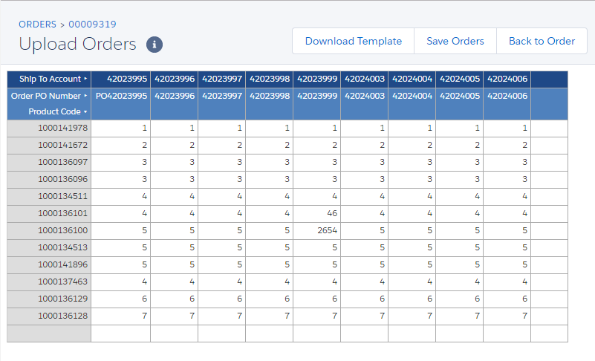

Step 4 - Order review and activation
● After the order is saved you can click the Back to order button to return to the order record ● Totals are displayed both by product in the Order Products section and by account in the Child Orders section ● Further amendments to the order can be made by clicking the Multi Upload/Extract button ● If you are happy for the order or return to be sent to SAP click the Activate button ● After activation the order will become readonly in CRMI

