Design Methodology
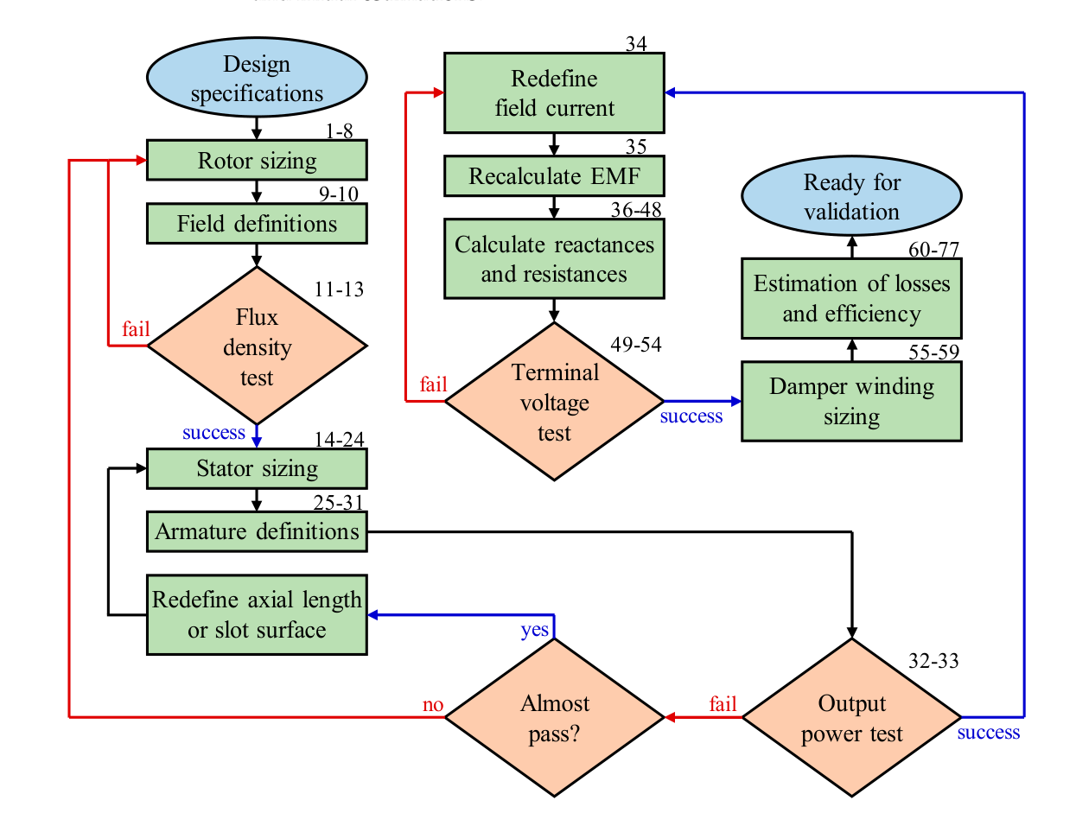
Design methodology based on | https://www.mdpi.com/1996-1073/14/16/4989#sec2dot2-energies-14-04989

Design Parameters (NOT USED)
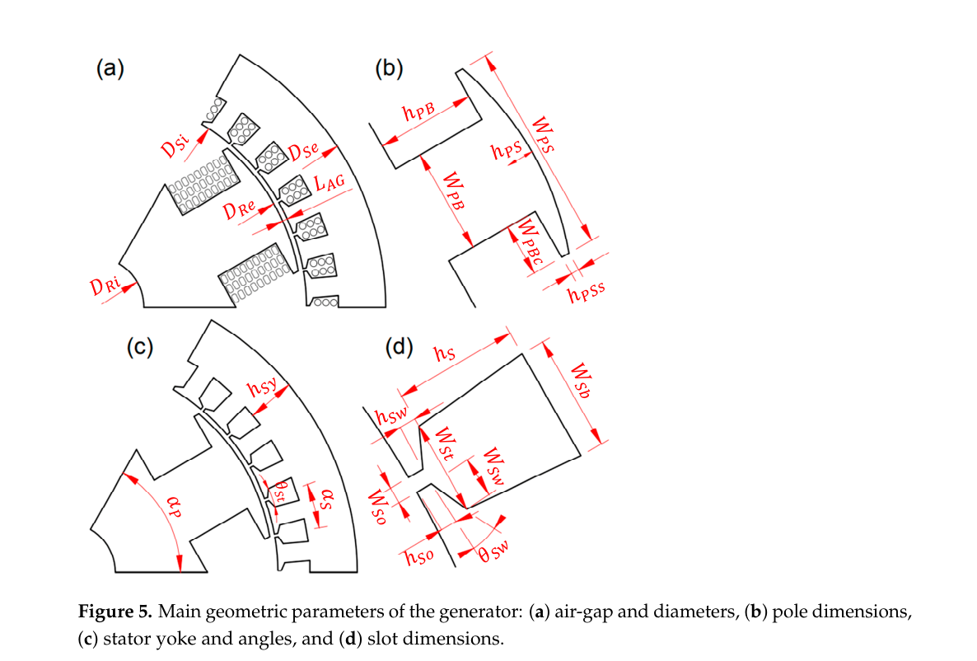
Design Parameters |  |  |  |  | Comments | References
Category | Description | Value | Unit | Symbol
Design Specification | Desired Power Output | 50 | W | S_Ed
 | Desired Terminal Voltage | 36 | V | V_Td
 | Power Factor | 0.9 | - | PF | Very rough estimate, reference needed
 | Electrical Frequency | 15 | Hz | f
 | RPM | 150 | rpm | n | Very rough estimate, figure to be improved pending Aero Calc
Constants | Vacuum permeability |  |  | mu_0
Imposed parameters for Stator Design | Slot opening | 3 | mm | h_So
 | Slot wedge height | 0 | mm | h_Sw
 | Slot pitch angle | 20 | deg | alpha_S | Assuming 18 pole
 | Tooth-to-slot width factor | 1 | - | K_TS
 | Width of Slot Wedge | 5 | mm | W_So
 | Stator yoke factor | 1 | - | K_PBSY
 | Stator yoke to slot height factor | 1 | - | K_SYS
 | Armature coil-shortening factor | 1 | - | K_Ac
 | Number of Slots | 18 | - | N_S
 | Number of Layers in a slot | 36.900369004 | - | N_Sl
 | Leakage flux | #REF! |  | Δφ_l | Assume 50% of pole body flux (verify)
 | Number of Coils in Series per Phase | 12.300123001 | - | N_Cs | Assumed (idk what im doing)
 | Slot fill factor | 1 | - | K_Sf
 | Armature current density |  | mm^2 | J_A
 | Armature conductor surface |  | mm^2 | S_Ac
Imposed parameters for Permanent Magnet Synchrounous Generator Rotor Design | Magnet Bar Length | 80 | mm | L_PM | Assuming Neodymium Magnet BARS are used!
 | Magnet Bar Width | 10 | mm | W_PM
 | Magnet Bar Thickness | 5 | mm | T_PM
 | Rotor diameter | 100 | mm | D_Re
 | Air-gap length | 2 | mm | L_AG
 | Air-gap factor | 1 | - | K_AG
 | Pole pitch factor | 1 | - | K_alpha
 | Pole pitch | 30 | deg | alpha_P

