Evidence
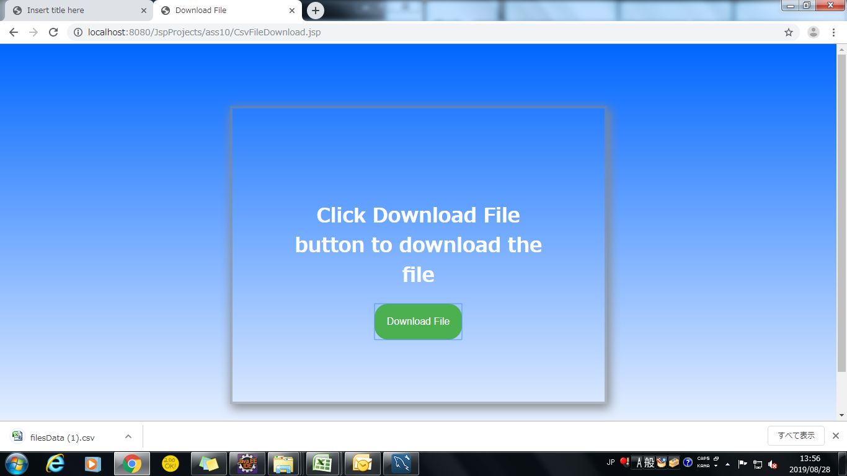
Screen shoot 1: | Page Load

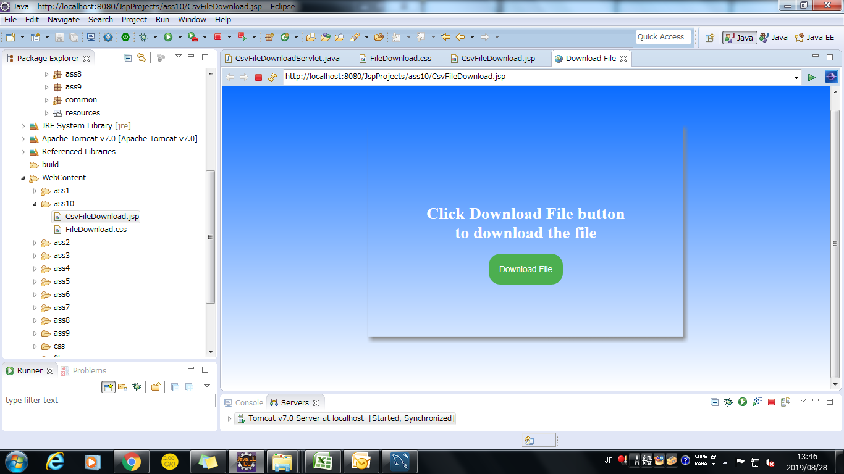

Screen shoot 2: | file Download Succesfully

