Evidence
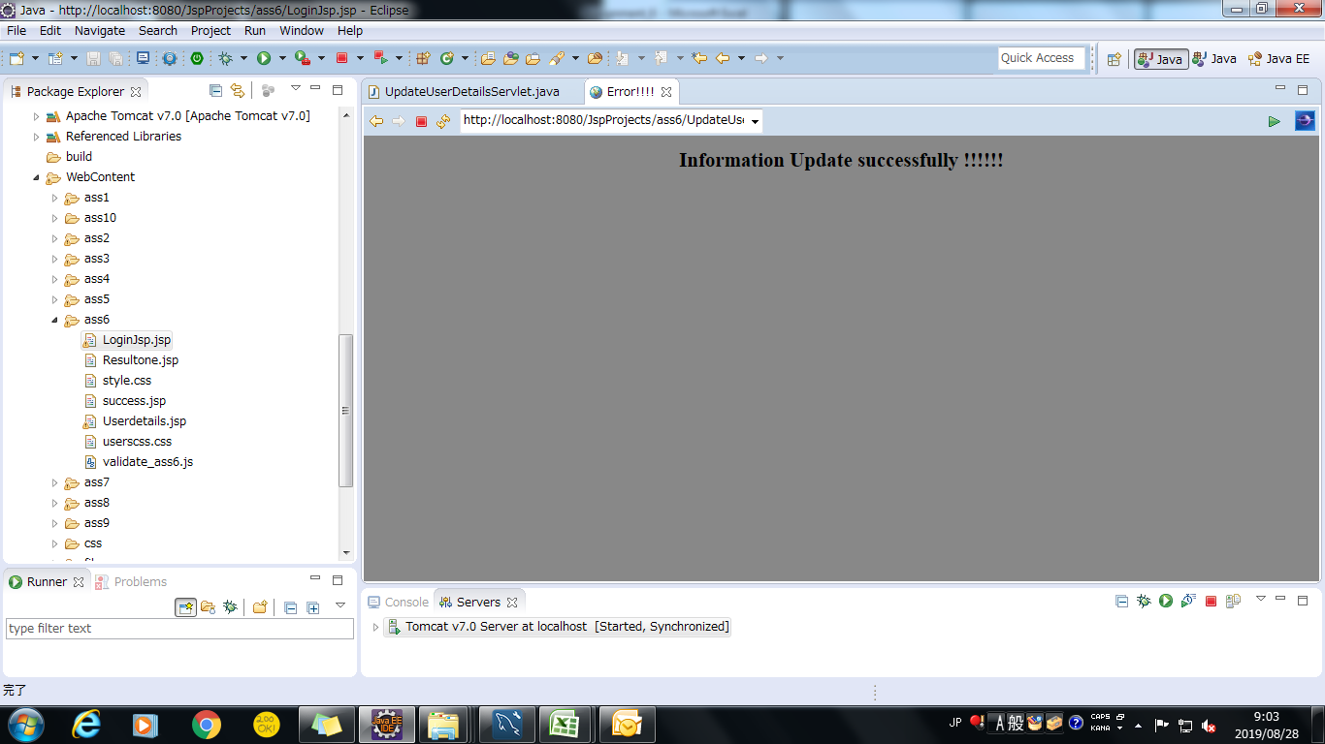
Screenshoot 1: | Login Page Load

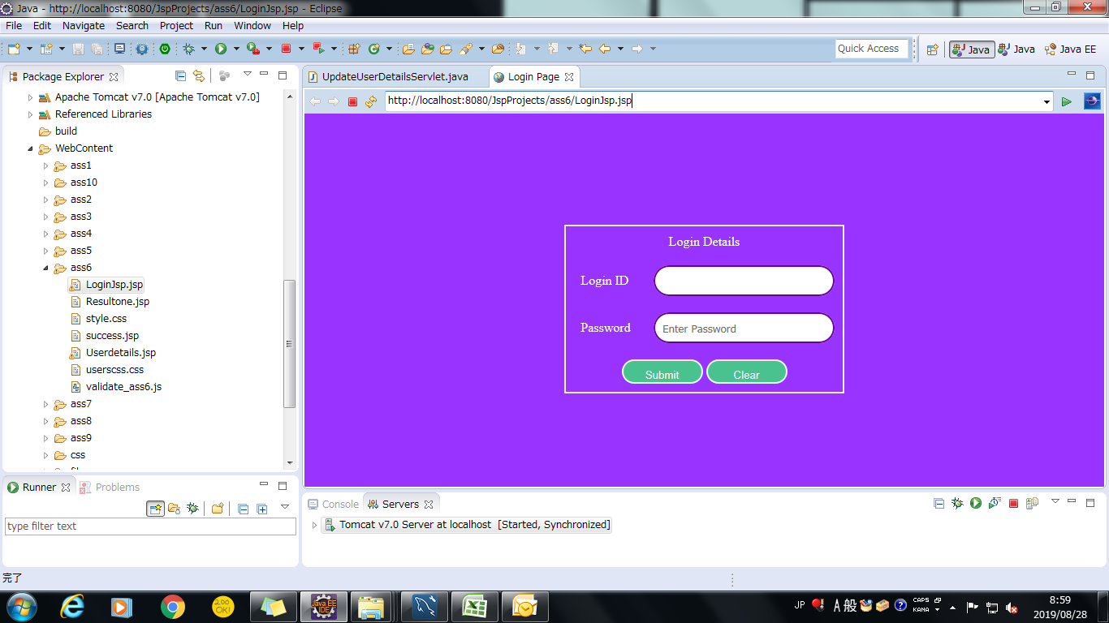

Screenshoot 2: | Login Page error

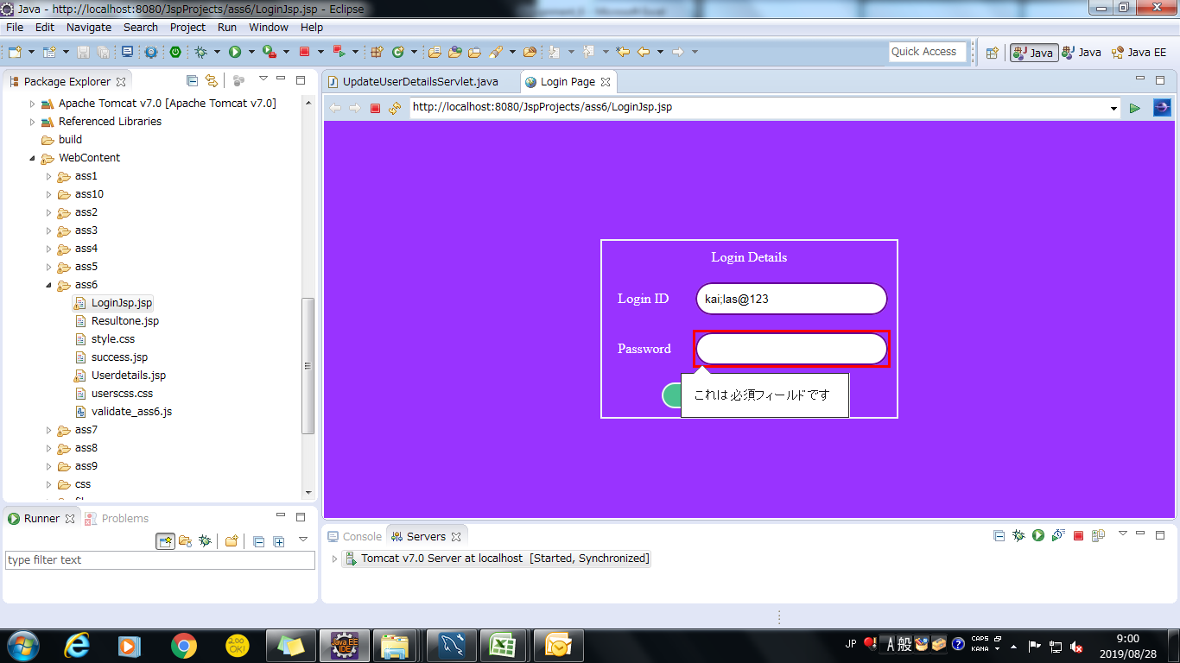

Screenshoot 3: | Login Successfully display user details

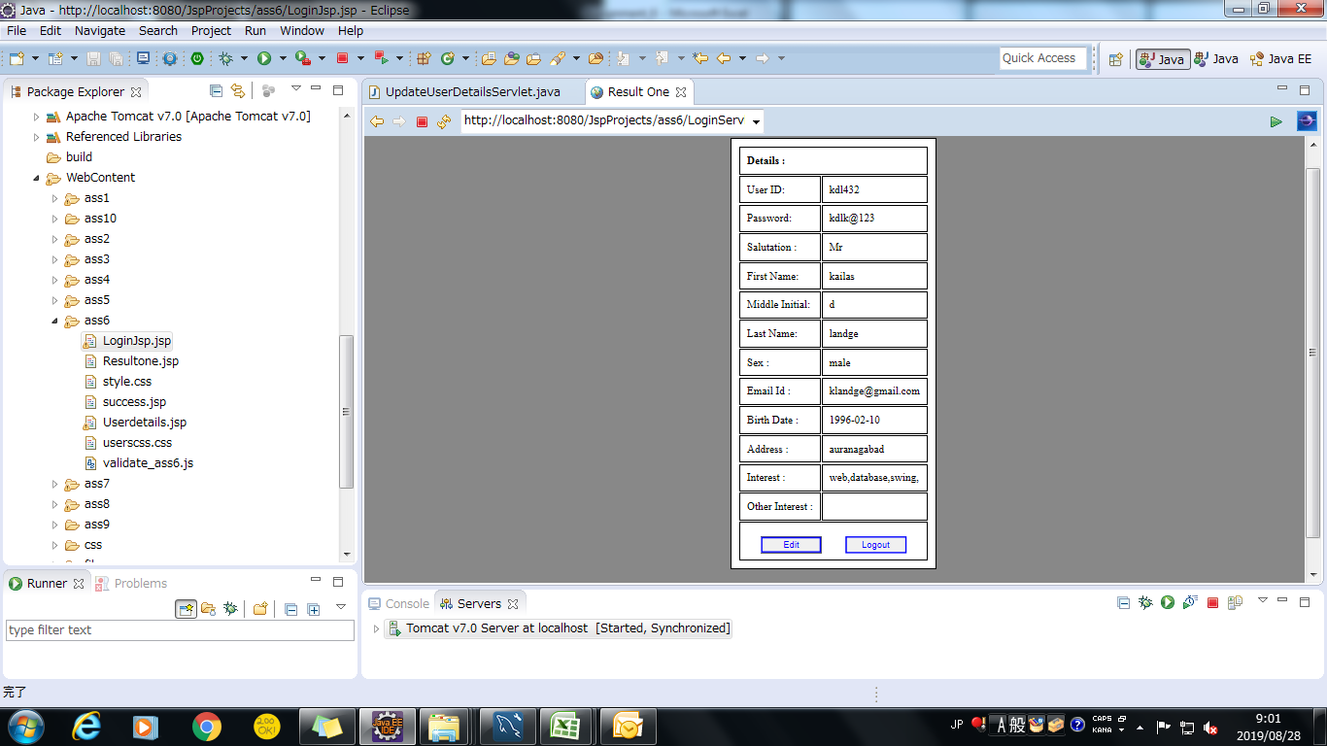

Screenshoot 4: | Click edit button edit user details page

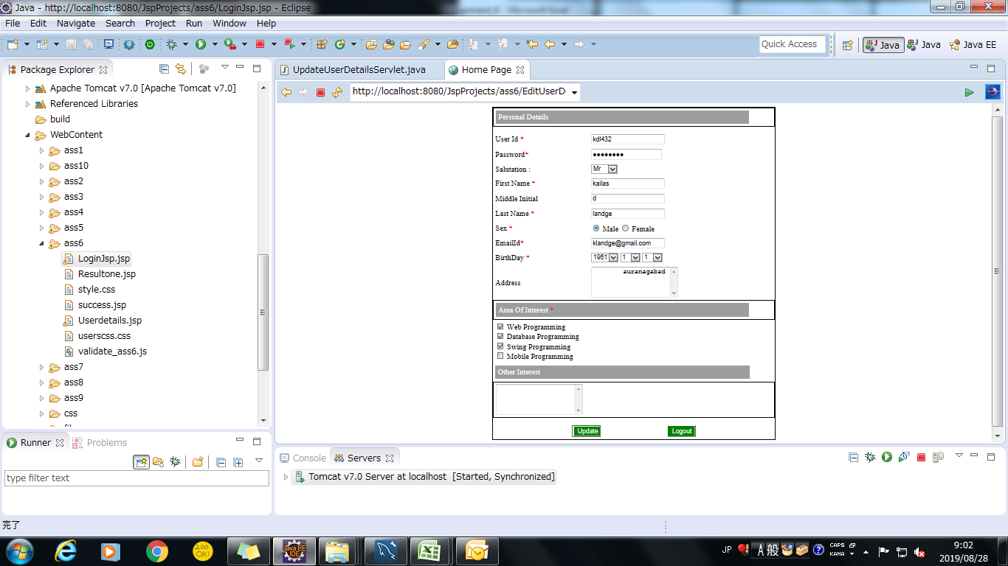

Screenshoot 5: | successfully update user details

