Evidence
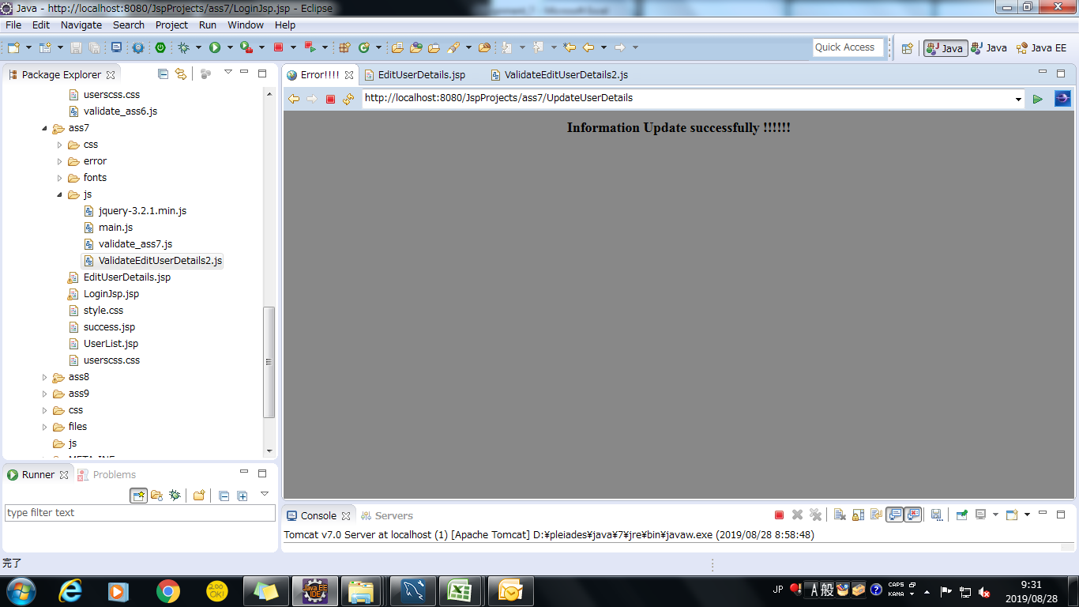
Screenshoot 1: | login Page load

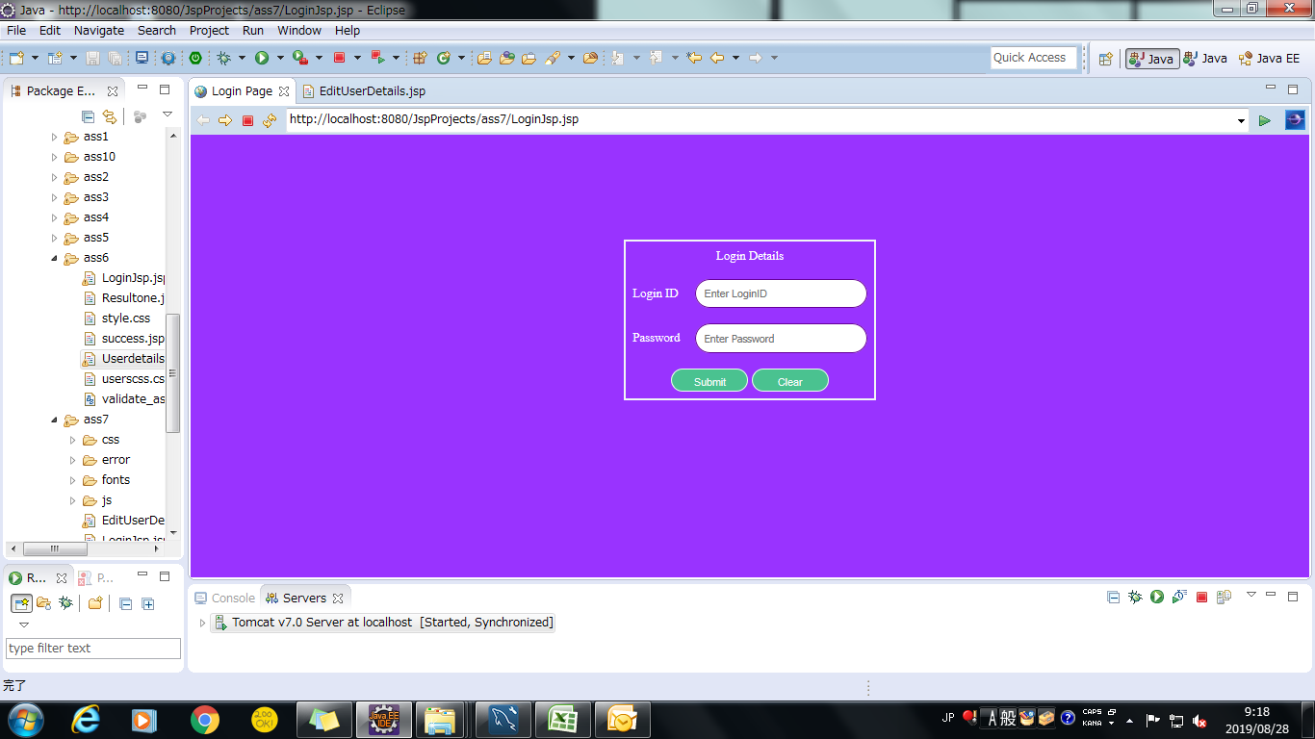

Screenshoot 2: | successfully login

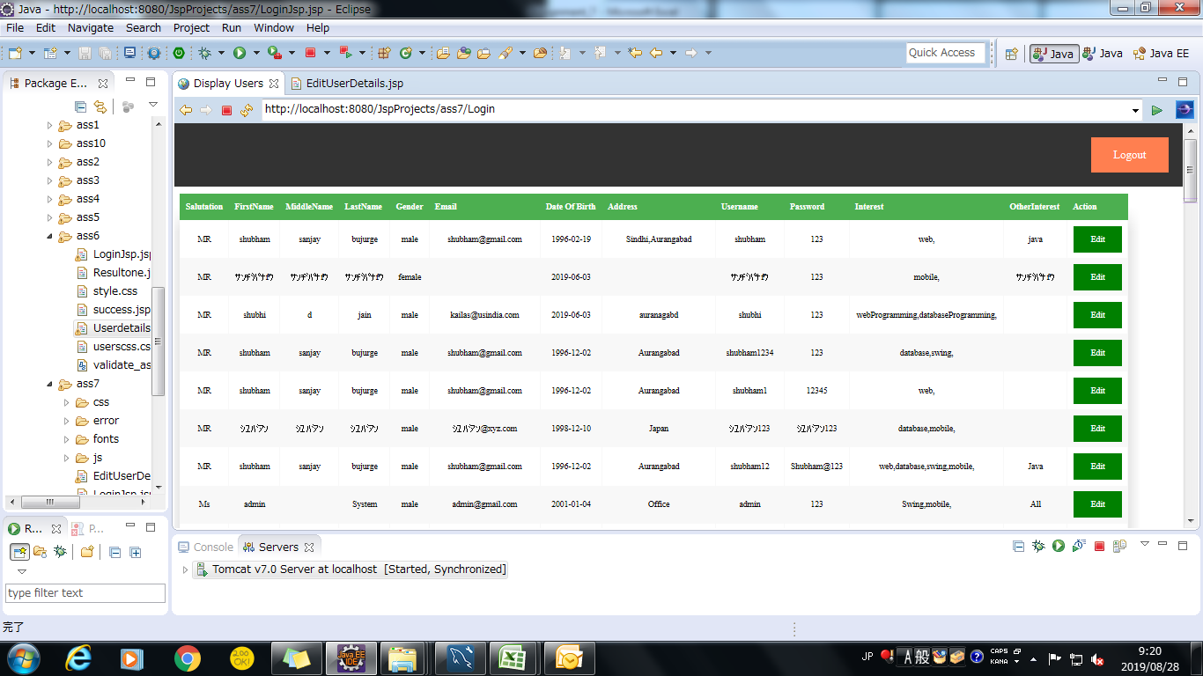

Screenshoot 3: | Edit button click show user details successfully

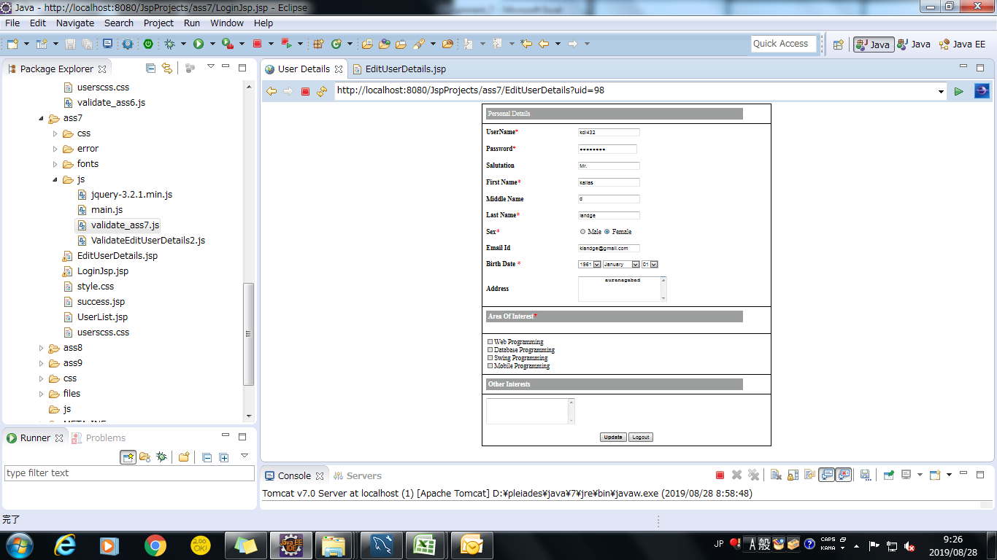

Screenshoot 4: | error display when update is click



Screenshoot 5: | successfully update details

