Evidence
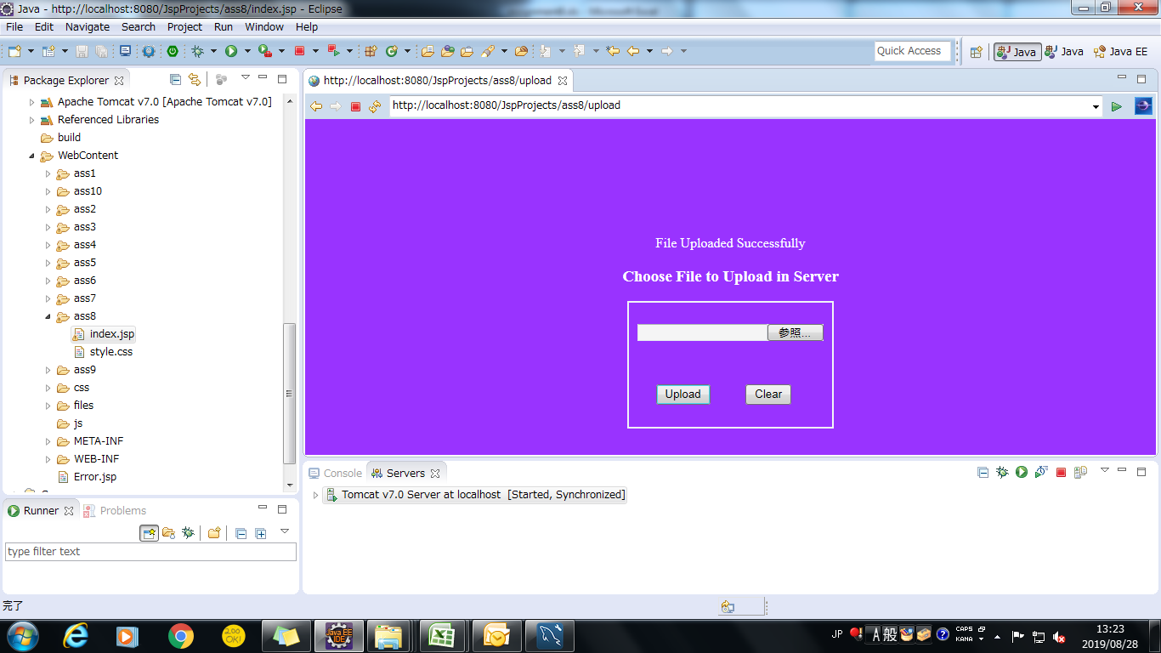
Screen shoot 1: | page load

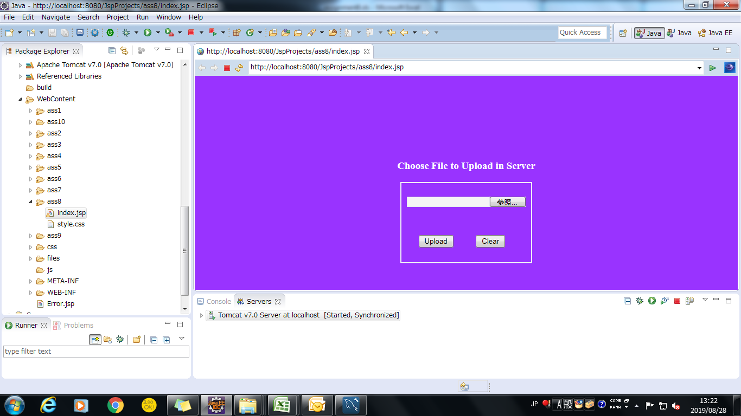

Screen shoot 1: | Page error

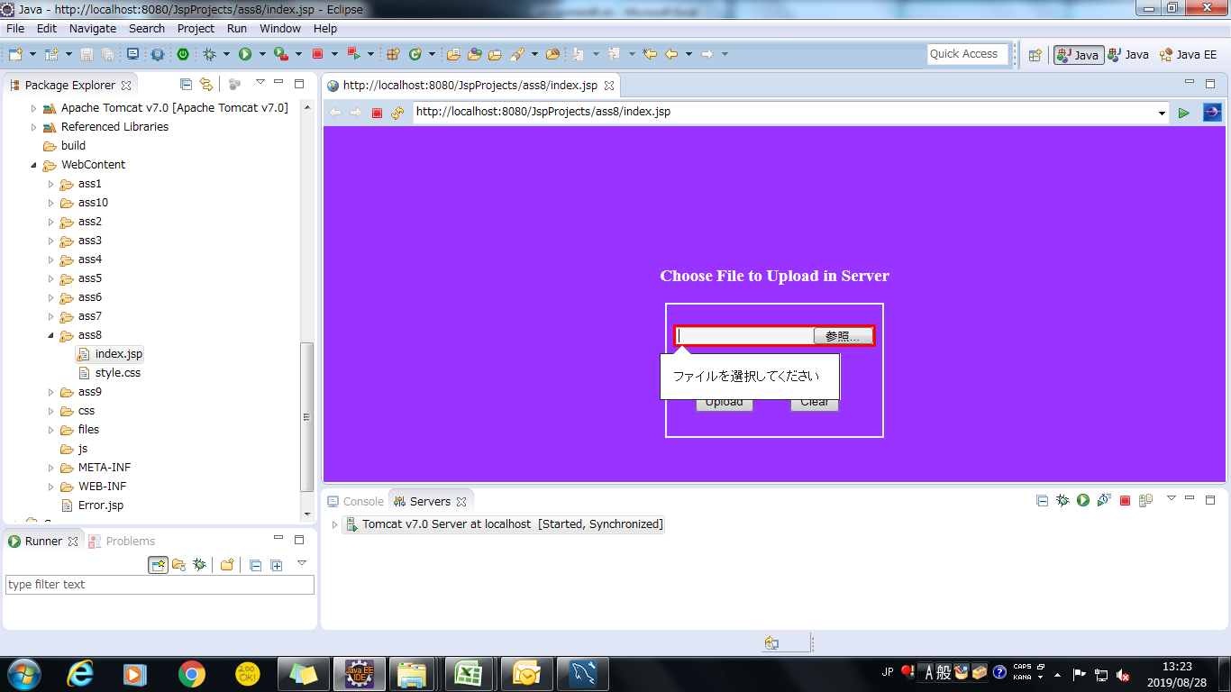

Screen shoot 3: | Successfully Upload File

