Sheet1
FLUR 3N - TASKS
New tasks may be assigned to you every week. |  |  |  | Please mark tasks as completed yourself!
Tasks/Names | 3001 | 3002 | 3003 | 3004 | 3005 | 3006 | 3007 | 3008 | 3009 | 3010 | 3011 | 3012
 | Gero | Titus | Mateen | Begüm | Heda | Nishad | Helen | Chris | Dzhan | Jakob | Minh | Alina
Sort cupboards, Clean all fridges and waste containers & Vacuum | ✓ |  | ✓ | X | ✓ | ✓ | ✓ | ✓ |  |  |  | ✓
Clean sink, cooking area, devices and unknown items twice a week | ✓ | ✓ |  | ✓ |  |  | ✓ | ✓ | ✓ |  | X | ✓
Empty biowaste every second day | X | ✓ | ✓ | ✓ |  | ✓ |  | ✓ |  | ✓ | ✓
Wash kitchen towels Clean cupboards + walls in kitchen area |  | ✓ |  | ✓ | ✓ | X |  | ✓ | ✓ | ✓ | ✓
Buy items on list (see below) Return deposit from "Pfand" box * | ✓ | ✓ | ✓ |  | ✓ | ✓ |  |  | ✓ | ✓ |  | X
Empty glass waste container ** Clean left oven (incl. the three trays) | ✓ |  | ✓ |  | ✓ |  |  | X | ✓ | ✓ | ✓ | ✓
Empty paper waste Clean right oven (incl. the three trays) |  | X | ✓ | ✓ | ✓ | ✓ |  |  | ✓ |  | ✓ | ✓

Fines (2€ per incomplete task)

Latest due date for task: |  |  |  |  |  |  | Items to buy this week:

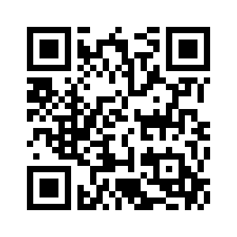
2025-05-26 |  |  |  |  |  |  | Paper Towels
2025-06-02 |  |  |  |  |  |  | Paper Towels
2025-06-16 |  |  |  |  |  |  | something
2025-06-24 |  |  |  |  |  |  | Spüli
2025-07-01 |  |  |  |  |  |  | Spüli
2025-07-08 |  |  |  |  |  |  | Paper Towels
2025-07-08 |  |  |  |  |  |  | Müllbeutel für Biomüll
2025-07-15 |  |  |  |  |  |  | Müllbeutel für Biomüll

 |  | Location of bio & paper waste containers

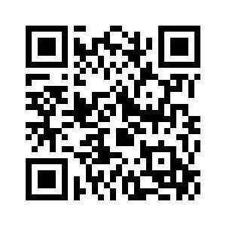

 |  | Location of glass waste containers

This task was assigned to you. Please note the due date. |  |  |  |  |  | Items with this symbol can be returned at any supermarket * Only throw deposit free glass bottles **
Mark a task as done by checking or crossing it out yourself
You did not complete your task in time!

